Normal
The normal distribution is a distribution that emerges in nature.
People's height and weight are normally distributed.
The distribution can emerge when you sum a bunch of small random draws.
A formal statement of this is the central limit theorem (CLT).
CLT states that the sum of independent random variables are normally distributed.
Casual examples of normally distributed data are:
 | height
 | weight
 | IQ
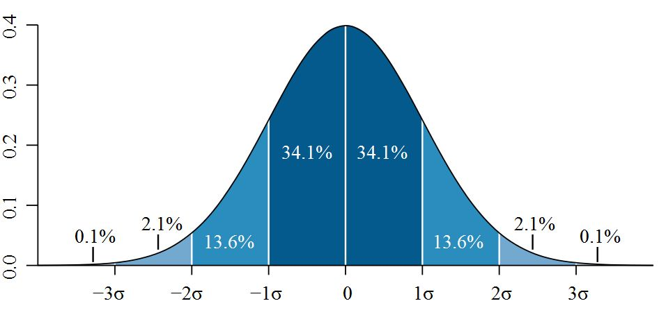
 | stock returns

Quantiles (Memorize!)
q | NORM.DIST(q,0,1,TRUE)
-3 | 0.13%
-2 | 2.28%
-1 | 15.87%
0 | 50.00%
1 | 84.13%
2 | 97.72%
3 | 99.87%

Simulation
 | NORM.INV(RAND(),0,1)
 | -0.087

ProgrammingAnswer_R
R Code
d1 = as.integer(runif(10000)*6,digits = 0) + 1
hist(d1,breaks = (1:12)/2)
sort(unique(d1))
table(d1)
d2 = as.integer(runif(10000)*6,digits = 0) + 1
d = d1+d2
hist(d)
table(d)
table(d)/10000
table(d)/10000*36
round(table(d)/10000*36)
cdf = cumsum(table(d)/10000)
u = runif(10000)
sims = sapply(u,FUN = function(x){(sum((x<=cdf)==T) +1)})
hist(sims,breaks = (1:24)/2)

