Normal
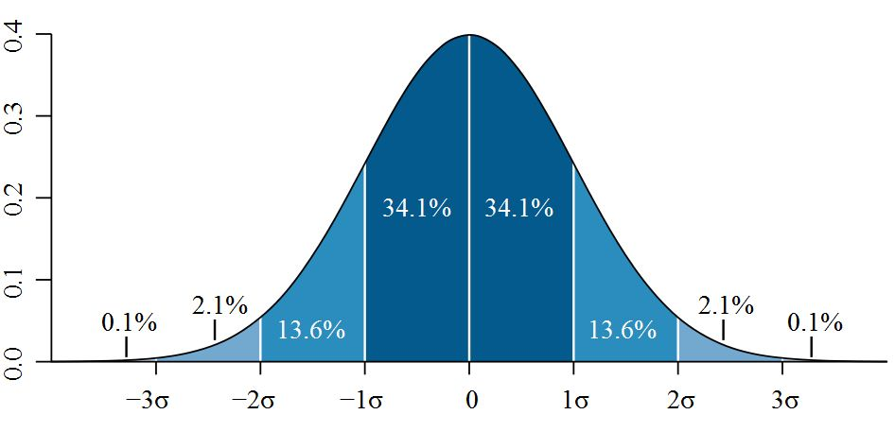
 | Normal Distribution Properties

Normal

Intuition3
Intuition_SampleMean
 | So, it turns out your copy of the Hitchhiker's Guide to the Galaxy is at least a thousand years old.
 | It could be outdated.
 | As you see more and more tall aliens, you start to wonder if the guide is wrong about the average alien height.

 | When you saw the first alien …
 | If the guide is right, the probability of observing an alien that tall or taller is.

 |  | X | 40
 |  | mu | 30
 |  | sigmaSq | 100
 |  | sigma | 10
 |  | Z | 1
 |  | P(Z>1) | 0.15865525393

 | You see a second alien walk up to the first.
 | They are both 40 ft tall.
 | The average of this sample of aliens is 40.

 |  | n | 2 | <- Observation Count
 |  | Xbar | 40 | <- Sample mean
 |  | mu | 30
 |  | sigmaSq | 50 | <- Variance of a sample mean of size 2
 |  | sigma | 7.0710678119
 |  | Z | 1.4142135624
 |  | P(Z>1.41) | 0.078649603525

 | You see a third alien walk up to the first.
 | They are all 40 ft tall.
 | The average of this sample of aliens is 40.




 |  | n | 3 | <- Observation Count
 |  | Xbar | 40 | <- Sample mean
 |  | mu | 30
 |  | sigmaSq | 33.333333333 | <- Variance of a sample mean of size 3
 |  | sigma | 5.7735026919
 |  | Z | 1.7320508076
 |  | P(Z>1.73) | 0.041632258332

 | You see n-1 aliens join the first. So there are n aliens.
 | They are all 40 ft tall.
 | The average of this sample of aliens is 40.


 |  | n | 10 | <- Observation Count
 |  | Xbar | 40 | <- Sample mean
 |  | mu | 30
 |  | sigmaSq | 10 | <- Variance of a sample mean of size 10
 |  | sigma | 3.1622776602
 |  | Z | 3.1622776602
 |  | P(Z>3.16) | 0.000782701129

Calcs_Mean1
Calc_Means1
 |  | Everyone believes that average height of people in your building is 70 inches.
 |  | You want to check this, so you survey 100 people.
 |  | You read in a science magazine that the variance for human height is 4 inches (and, of course, a 2 inch standard deviation).
 |  | When you take your survey, you observe a mean of 68.
 |  | Is this a statistically significant difference?

 |  | Heights |  |  |  | bins | CDF | PDF | mu
 | 1 | 72.956068381 | min | 62 | 0 | 62 | 0 | 0 | x
 | 2 | 66.596781566 | max | 76 | 0.05 | 62.7 | 0 | 0 | x
 | 3 | 70.356029667 | range | 14 | 0.1 | 63.4 | 0 | 0 | x
 | 4 | 67.27335868 |  |  | 0.15 | 64.1 | 1 | 1 | x
 | 5 | 68.36580484 |  |  | 0.2 | 64.8 | 3 | 2 | x
 | 6 | 66.901919156 |  |  | 0.25 | 65.5 | 9 | 6 | x
 | 7 | 67.621986574 |  |  | 0.3 | 66.2 | 16 | 7 | x
 | 8 | 68.943452226 |  |  | 0.35 | 66.9 | 34 | 18 | x
 | 9 | 70.493651766 |  |  | 0.4 | 67.6 | 50 | 16 | x
 | 10 | 67.735550071 |  |  | 0.45 | 68.3 | 65 | 15 | x | n | 100
 | 11 | 67.521154715 |  |  | 0.5 | 69 | 74 | 9 | x | xbar | 67.77722547
 | 12 | 68.440931476 |  |  | 0.55 | 69.7 | 85 | 11 | 18 | sigma | 2
 | 13 | 64.860800823 |  |  | 0.6 | 70.4 | 94 | 9 | x
 | 14 | 63.49784656 |  |  | 0.65 | 71.1 | 99 | 5 | x | mu | 70
 | 15 | 69.275898572 |  |  | 0.7 | 71.8 | 99 | 0 | x | xbar-mu | -2.22277453
 | 16 | 66.896888148 |  |  | 0.75 | 72.5 | 99 | 0 | x | (xbar-mu)/sigma | -1.111387265
 | 17 | 67.694005741 |  |  | 0.8 | 73.2 | 100 | 1 | x | Pvalue | 0.13454674538
 | 18 | 67.234384543 |  |  | 0.85 | 73.9 | 100 | 0 | x
 | 19 | 66.409912976 |  |  | 0.9 | 74.6 | 100 | 0 | x | sigma_avg | 0.2
 | 20 | 66.91057686 |  |  | 0.95 | 75.3 | 100 | 0 | x | (xbar-mu)/sigma_avg | -11.11387265
 | 21 | 69.864887963 |  |  | 1 | 76 | 100 | 0 | x | Pvalue | 5.3699258716E-29
 | 22 | 65.595382226
 | 23 | 65.470092772
 | 24 | 66.610015107
 | 25 | 69.747205116
 | 26 | 66.844205963
 | 27 | 65.442982458
 | 28 | 66.145659565
 | 29 | 69.874717017
 | 30 | 66.733703992
 | 31 | 70.522583283
 | 32 | 66.652879193
 | 33 | 67.480024208
 | 34 | 68.441602277
 | 35 | 67.840088702
 | 36 | 66.850290756
 | 37 | 69.475028411
 | 38 | 67.708080184
 | 39 | 67.471700758
 | 40 | 69.501629337
 | 41 | 66.950451279
 | 42 | 68.553622182
 | 43 | 66.637497785
 | 44 | 66.210559587
 | 45 | 66.794331793
 | 46 | 70.163252712
 | 47 | 66.341049522
 | 48 | 66.783919426
 | 49 | 69.35378475
 | 50 | 67.583337392
 | 51 | 70.832339431
 | 52 | 66.248155815
 | 53 | 68.081268057
 | 54 | 69.642132238
 | 55 | 64.951650676
 | 56 | 66.661534414
 | 57 | 65.493932661
 | 58 | 65.978438839
 | 59 | 66.349918254
 | 60 | 64.310448429
 | 61 | 67.656024285
 | 62 | 71.054638609
 | 63 | 65.664599566
 | 64 | 68.194117072
 | 65 | 67.733483366
 | 66 | 66.033109218
 | 67 | 70.24275094
 | 68 | 67.455604385
 | 69 | 64.83564816
 | 70 | 67.791071646
 | 71 | 66.110120586
 | 72 | 67.37971627
 | 73 | 68.57352018
 | 74 | 70.278169881
 | 75 | 67.684139174
 | 76 | 70.762679122
 | 77 | 69.595038261
 | 78 | 70.370974154
 | 79 | 69.369956615
 | 80 | 66.95702631
 | 81 | 69.575777112
 | 82 | 68.915258001
 | 83 | 67.527658866
 | 84 | 66.817504809
 | 85 | 67.71205378
 | 86 | 69.65689827
 | 87 | 67.925524663
 | 88 | 70.391402637
 | 89 | 68.972632802
 | 90 | 68.456563544
 | 91 | 68.173289049
 | 92 | 67.812262386
 | 93 | 67.415654866
 | 94 | 65.929775265
 | 95 | 67.283001223
 | 96 | 67.354802063
 | 97 | 64.201907182
 | 98 | 66.82252317
 | 99 | 69.535602298
 | 100 | 69.318679349

Calcs_Mean2
Calc_Means2
 |  | Everyone believes that average height of people in your building is 70 inches.
 |  | You want to check this, so you survey 100 people.
 |  | You don't know the population variance and need to infer it from the data.
 |  | When you take your survey, you observe a mean of 68.
 |  | Is this a statistically significant difference?

 |  | Heights |  |  |  | bins | CDF | PDF | mu
 | 1 | 64.417139791 | min | 62 | 0 | 62 | 0 | 0 | x
 | 2 | 66.099387868 | max | 76 | 0.05 | 62.7 | 0 | 0 | x
 | 3 | 66.948191617 | range | 14 | 0.1 | 63.4 | 0 | 0 | x
 | 4 | 67.113534361 |  |  | 0.15 | 64.1 | 2 | 2 | x
 | 5 | 69.70136503 |  |  | 0.2 | 64.8 | 5 | 3 | x
 | 6 | 68.937397698 |  |  | 0.25 | 65.5 | 9 | 4 | x
 | 7 | 68.670143898 |  |  | 0.3 | 66.2 | 21 | 12 | x
 | 8 | 67.662293119 |  |  | 0.35 | 66.9 | 31 | 10 | x
 | 9 | 70.597523518 |  |  | 0.4 | 67.6 | 43 | 12 | x
 | 10 | 65.882469724 |  |  | 0.45 | 68.3 | 58 | 15 | x | n | 100
 | 11 | 64.146330148 |  |  | 0.5 | 69 | 73 | 15 | x | xbar | 67.884190427
 | 12 | 65.147769705 |  |  | 0.55 | 69.7 | 82 | 9 | 15 | SD | 1.9143519435
 | 13 | 66.272273914 |  |  | 0.6 | 70.4 | 89 | 7 | x
 | 14 | 70.513090468 |  |  | 0.65 | 71.1 | 96 | 7 | x | mu | 70
 | 15 | 70.512613356 |  |  | 0.7 | 71.8 | 97 | 1 | x | xbar-mu | -2.1158095735
 | 16 | 67.535015348 |  |  | 0.75 | 72.5 | 98 | 1 | x | (xbar-mu)/SD | -1.1052354195
 | 17 | 63.919819443 |  |  | 0.8 | 73.2 | 100 | 2 | x | Pvalue | 0.13586818943
 | 18 | 67.483717627 |  |  | 0.85 | 73.9 | 100 | 0 | x
 | 19 | 68.411118362 |  |  | 0.9 | 74.6 | 100 | 0 | x | SD_xbar | 0.19143519435
 | 20 | 68.489626275 |  |  | 0.95 | 75.3 | 100 | 0 | x | (xbar-mu)/SD_xbar | -11.052354195
 | 21 | 68.778608318 |  |  | 1 | 76 | 100 | 0 | x | Pvalue | 2.8116910749E-19
 | 22 | 68.340169394
 | 23 | 67.948277783
 | 24 | 68.663438939
 | 25 | 66.358038205
 | 26 | 68.983618104
 | 27 | 70.502889029
 | 28 | 71.93882689
 | 29 | 71.744612399
 | 30 | 63.527350076
 | 31 | 67.291424592
 | 32 | 72.802107399
 | 33 | 67.1997108
 | 34 | 68.484742128
 | 35 | 64.116332769
 | 36 | 65.102811883
 | 37 | 68.176906696
 | 38 | 67.698382498
 | 39 | 67.392929587
 | 40 | 67.596259671
 | 41 | 66.341433548
 | 42 | 67.697295677
 | 43 | 65.459136408
 | 44 | 67.968243489
 | 45 | 67.186741337
 | 46 | 67.956168153
 | 47 | 67.703623408
 | 48 | 67.270708039
 | 49 | 69.057804516
 | 50 | 65.20479078
 | 51 | 69.024015442
 | 52 | 67.565113401
 | 53 | 69.561632606
 | 54 | 70.880618624
 | 55 | 67.992774752
 | 56 | 69.773582625
 | 57 | 66.071761411
 | 58 | 70.176741275
 | 59 | 66.151019395
 | 60 | 70.04135353
 | 61 | 70.051055523
 | 62 | 66.691676938
 | 63 | 69.003434965
 | 64 | 65.823055631
 | 65 | 72.522150105
 | 66 | 68.646685282
 | 67 | 67.750974305
 | 68 | 67.847177516
 | 69 | 69.981400328
 | 70 | 69.200801413
 | 71 | 69.571579986
 | 72 | 69.224281171
 | 73 | 66.0582321
 | 74 | 66.820299749
 | 75 | 69.334249541
 | 76 | 68.600169965
 | 77 | 68.085156035
 | 78 | 66.109586838
 | 79 | 71.060472323
 | 80 | 68.804457897
 | 81 | 66.257765846
 | 82 | 66.960044667
 | 83 | 65.854704953
 | 84 | 66.892763915
 | 85 | 70.752881593
 | 86 | 66.511905185
 | 87 | 68.738099136
 | 88 | 66.143315302
 | 89 | 65.560944443
 | 90 | 68.680474368
 | 91 | 66.286753645
 | 92 | 66.414066519
 | 93 | 69.021095466
 | 94 | 65.655620072
 | 95 | 68.558575262
 | 96 | 68.004492086
 | 97 | 67.692042078
 | 98 | 67.693739147
 | 99 | 65.614164533
 | 100 | 69.745879977

Calcs_MeanDiff
Calc_MeansDiff
 |  | Everyone believes that average height of people in your building is the same as the average height of people in another building.
 |  | You want to check this, so you survey 100 people in each building. (Note that you could sample different amounts of people in different buildings).
 |  | You don't know the population variance for either building and need to infer it from the data.
 |  | When you take your survey, you observe a mean of 68 for your building and a mean of 70 for the other building.
 |  | Is this a statistically significant difference?

 |  | Heights1 | Heights2 |  |  |  | bins | CDF1 | PDF1 | CDF2 | PDF2
 | 1 | 71.122731982 | 67.64 | min | 62 | 0 | 62 | 0 | 0 | 0 | 0
 | 2 | 67.951709045 | 70.16 | max | 76 | 0.05 | 62.7 | 0 | 0 | 0 | 0
 | 3 | 67.40450629 | 70.38 | range | 14 | 0.1 | 63.4 | 0 | 0 | 0 | 0
 | 4 | 70.548786994 | 69.15 |  |  | 0.15 | 64.1 | 0 | 0 | 0 | 0
 | 5 | 68.001659557 | 70.68 |  |  | 0.2 | 64.8 | 2 | 2 | 0 | 0
 | 6 | 72.101018642 | 71.17 |  |  | 0.25 | 65.5 | 4 | 2 | 1 | 1
 | 7 | 69.137343101 | 71.22 |  |  | 0.3 | 66.2 | 12 | 8 | 1 | 0
 | 8 | 68.184780897 | 71.10 |  |  | 0.35 | 66.9 | 25 | 13 | 3 | 2
 | 9 | 67.380596806 | 71.15 |  |  | 0.4 | 67.6 | 37 | 12 | 8 | 5
 | 10 | 67.436527323 | 70.09 |  |  | 0.45 | 68.3 | 60 | 23 | 15 | 7 | n1 | 100
 | 11 | 67.75834784 | 68.16 |  |  | 0.5 | 69 | 69 | 9 | 25 | 10 | n2 | 100
 | 12 | 69.160825371 | 70.10 |  |  | 0.55 | 69.7 | 83 | 14 | 37 | 12 | xbar1 | 68.166597136
 | 13 | 68.26927175 | 69.49 |  |  | 0.6 | 70.4 | 90 | 7 | 55 | 18 | xbar2 | 70.240015239
 | 14 | 69.8171444 | 74.56 |  |  | 0.65 | 71.1 | 95 | 5 | 64 | 9
 | 15 | 74.010553629 | 71.26 |  |  | 0.7 | 71.8 | 96 | 1 | 84 | 20 | xbar1-xbar2 | -2.0734181031
 | 16 | 68.246200976 | 70.46 |  |  | 0.75 | 72.5 | 99 | 3 | 89 | 5 | SD_pool | 0.25027355048
 | 17 | 68.256419896 | 72.93 |  |  | 0.8 | 73.2 | 99 | 0 | 95 | 6 | xbar1-xbar2 / SD_pool | -8.2846073793
 | 18 | 67.116490641 | 74.17 |  |  | 0.85 | 73.9 | 99 | 0 | 98 | 3 | Pvalue | 2.9365133563E-13
 | 19 | 64.907782443 | 73.71 |  |  | 0.9 | 74.6 | 100 | 1 | 100 | 2
 | 20 | 66.754398849 | 72.70 |  |  | 0.95 | 75.3 | 100 | 0 | 100 | 0
 | 21 | 66.219658932 | 71.69 |  |  | 1 | 76 | 100 | 0 | 100 | 0
 | 22 | 66.466779561 | 72.21
 | 23 | 68.712173341 | 69.72
 | 24 | 64.542688752 | 68.92
 | 25 | 68.077749829 | 71.28
 | 26 | 72.486875759 | 73.24
 | 27 | 67.646354976 | 71.17
 | 28 | 65.921172333 | 68.84
 | 29 | 70.008580967 | 71.95
 | 30 | 66.443706974 | 69.10
 | 31 | 66.056608702 | 71.47
 | 32 | 70.06589675 | 70.14
 | 33 | 66.644282575 | 70.44
 | 34 | 69.741535756 | 71.00
 | 35 | 67.638553644 | 68.72
 | 36 | 67.847734945 | 70.20
 | 37 | 66.914148189 | 66.65
 | 38 | 68.228538461 | 72.72
 | 39 | 69.780146286 | 72.92
 | 40 | 68.593142182 | 68.72
 | 41 | 64.421748623 | 71.24
 | 42 | 68.943327089 | 68.78
 | 43 | 66.38166657 | 69.61
 | 44 | 71.998996097 | 71.77
 | 45 | 68.063633872 | 69.59
 | 46 | 67.007132885 | 70.98
 | 47 | 67.849110581 | 70.47
 | 48 | 69.282693255 | 69.49
 | 49 | 68.311599118 | 67.70
 | 50 | 66.177253282 | 71.31
 | 51 | 68.023666695 | 69.40
 | 52 | 66.749584955 | 72.87
 | 53 | 65.962341331 | 68.16
 | 54 | 65.511777388 | 71.22
 | 55 | 68.739342653 | 71.73
 | 56 | 68.128585632 | 70.25
 | 57 | 69.226971943 | 70.05
 | 58 | 69.350246091 | 70.68
 | 59 | 67.093601897 | 70.36
 | 60 | 68.287957129 | 67.06
 | 61 | 67.367643473 | 68.88
 | 62 | 65.779516136 | 70.91
 | 63 | 66.319060708 | 68.70
 | 64 | 65.980244933 | 68.83
 | 65 | 66.477429348 | 73.85
 | 66 | 69.296687487 | 68.02
 | 67 | 67.466142334 | 69.74
 | 68 | 68.419958384 | 69.51
 | 69 | 68.230547954 | 69.20
 | 70 | 65.119974758 | 67.49
 | 71 | 69.150959259 | 70.33
 | 72 | 69.189495751 | 70.04
 | 73 | 69.390939075 | 72.67
 | 74 | 66.294638549 | 71.13
 | 75 | 70.751010751 | 72.34
 | 76 | 68.296253478 | 66.98
 | 77 | 67.656516154 | 71.68
 | 78 | 69.463778611 | 70.09
 | 79 | 68.757555507 | 67.76
 | 80 | 68.985815114 | 71.28
 | 81 | 67.955149494 | 70.27
 | 82 | 67.378826358 | 69.95
 | 83 | 68.288605247 | 67.71
 | 84 | 70.841205902 | 70.16
 | 85 | 70.469408993 | 65.34
 | 86 | 69.607981191 | 69.36
 | 87 | 67.42230369 | 67.45
 | 88 | 68.381990228 | 68.88
 | 89 | 67.490724951 | 71.81
 | 90 | 69.392496497 | 66.80
 | 91 | 70.051571654 | 68.99
 | 92 | 70.241775852 | 71.39
 | 93 | 66.860607421 | 72.33
 | 94 | 65.969108203 | 71.70
 | 95 | 66.353629057 | 71.70
 | 96 | 69.243222398 | 67.59
 | 97 | 71.028255626 | 69.10
 | 98 | 66.523866344 | 70.45
 | 99 | 68.287200352 | 69.62
 | 100 | 69.362953933 | 69.81

Calcs_VarianceDiff
 | Everyone believes that average height of people in your building is the same as the average height of people in another building.
 | You want to check this, so you survey 100 people in each building. (Note that you could sample different amounts of people in different buildings).
 | You don't know the population variance for either building and need to infer it from the data.
 | When you take your survey, you observe a mean of 68 for your building and a mean of 70 for the other building.
 | To determine if there is a statistically significant difference, you perform the study below (Scroll down to see).
 | But wait!!!
 | When you pool the variances, you need to determine if the two populations have the same variance.
 | To do that you check if the ratio of the two sample variances behaves the same way that the ratio of two variances that are the same do.
 | So, the null hypothesis distribution, is the distribution of two variances of standard normally distributed data sets.

 |  | SampleVar1 | 4.10
 |  | SampleVar2 | 14.39
 |  | n1 | 100
 |  | n2 | 100
 |  | Ratio | 0.28
 |  | Pvalue | 7.4E-10 | Variances are significantly different

 | Heights1 | Heights2 |  |  |  |  | bins | CDF1 | PDF1 | CDF2 | PDF2
1 | 68.459339317 | 70.62 |  | min | 62 | 0 | 62 | 1 | 1 | 2 | 2
2 | 67.022733164 | 71.11 |  | max | 76 | 0.05 | 62.7 | 1 | 0 | 2 | 0
3 | 68.923838291 | 68.62 |  | range | 14 | 0.1 | 63.4 | 1 | 0 | 3 | 1
4 | 65.313296164 | 66.98 |  |  |  | 0.15 | 64.1 | 2 | 1 | 4 | 1
5 | 65.313932611 | 68.85 |  |  |  | 0.2 | 64.8 | 4 | 2 | 6 | 2
6 | 69.45509255 | 68.69 |  |  |  | 0.25 | 65.5 | 8 | 4 | 11 | 5
7 | 71.302550505 | 67.94 |  |  |  | 0.3 | 66.2 | 20 | 12 | 13 | 2
8 | 65.053964102 | 64.63 |  |  |  | 0.35 | 66.9 | 27 | 7 | 16 | 3
9 | 71.573210484 | 66.74 |  |  |  | 0.4 | 67.6 | 38 | 11 | 24 | 8
10 | 66.150560256 | 77.20 |  |  |  | 0.45 | 68.3 | 55 | 17 | 31 | 7 | n1 | 100
11 | 68.860375961 | 73.00 |  |  |  | 0.5 | 69 | 70 | 15 | 39 | 8 | n2 | 100
12 | 65.773216915 | 71.30 |  |  |  | 0.55 | 69.7 | 79 | 9 | 47 | 8 | xbar1 | 68.133684052
13 | 68.10383723 | 67.39 |  |  |  | 0.6 | 70.4 | 87 | 8 | 54 | 7 | xbar2 | 70.266554727
14 | 66.628102389 | 70.24 |  |  |  | 0.65 | 71.1 | 92 | 5 | 59 | 5
15 | 69.160025332 | 67.31 |  |  |  | 0.7 | 71.8 | 97 | 5 | 69 | 10 | xbar1-xbar2 | -2.1328706743
16 | 66.040343883 | 69.02 |  |  |  | 0.75 | 72.5 | 99 | 2 | 73 | 4 | SD_pool | 0.42997528903
17 | 68.979882008 | 72.47 |  |  |  | 0.8 | 73.2 | 99 | 0 | 79 | 6 | xbar1-xbar2 / SD_pool | -4.9604494229
18 | 67.256489718 | 70.67 |  |  |  | 0.85 | 73.9 | 100 | 1 | 84 | 5 | Pvalue | 1.4608259665E-06
19 | 67.858688442 | 73.78 |  |  |  | 0.9 | 74.6 | 100 | 0 | 85 | 1
20 | 66.340808732 | 69.41 |  |  |  | 0.95 | 75.3 | 100 | 0 | 88 | 3
21 | 69.063819024 | 72.82 |  |  |  | 1 | 76 | 100 | 0 | 92 | 4
22 | 67.831508709 | 69.43
23 | 63.977333321 | 61.61
24 | 65.863908607 | 69.31
25 | 68.160156837 | 73.19
26 | 70.937772565 | 73.69
27 | 67.47214553 | 75.33
28 | 67.649754499 | 76.53
29 | 68.375491274 | 66.81
30 | 72.250956748 | 69.20
31 | 67.598495101 | 73.05
32 | 69.442687368 | 75.48
33 | 68.631360446 | 73.05
34 | 68.9584244 | 68.55
35 | 73.219030684 | 76.97
36 | 66.123869567 | 67.37
37 | 65.542274511 | 71.72
38 | 69.463654951 | 65.21
39 | 67.585398576 | 71.81
40 | 68.991265705 | 62.87
41 | 70.356601078 | 79.05
42 | 67.496757115 | 75.45
43 | 65.713735332 | 69.89
44 | 69.013922111 | 67.71
45 | 71.774682556 | 73.36
46 | 67.606673143 | 69.22
47 | 70.651349708 | 66.09
48 | 66.462499826 | 76.23
49 | 68.897050515 | 73.80
50 | 69.46830573 | 72.38
51 | 65.883903867 | 60.07
52 | 68.694099328 | 74.94
53 | 66.85435712 | 69.79
54 | 68.332330625 | 70.15
55 | 71.463945138 | 67.56
56 | 68.124243618 | 64.98
57 | 71.313512303 | 74.81
58 | 70.179365816 | 73.90
59 | 67.942712646 | 68.29
60 | 67.817371623 | 67.89
61 | 70.359924378 | 67.33
62 | 67.030188116 | 77.67
63 | 67.791926795 | 70.14
64 | 72.15137226 | 65.50
65 | 70.890031601 | 67.96
66 | 65.697077842 | 71.47
67 | 65.407003901 | 71.22
68 | 68.793342651 | 67.24
69 | 65.994364608 | 69.72
70 | 67.4885776 | 70.76
71 | 70.941543968 | 70.52
72 | 67.984548095 | 66.98
73 | 70.175080008 | 64.26
74 | 64.381879407 | 72.86
75 | 67.473599344 | 68.92
76 | 67.55332023 | 67.81
77 | 68.135982338 | 71.67
78 | 70.586287559 | 65.84
79 | 66.618921294 | 65.41
80 | 61.794172807 | 68.36
81 | 70.179334512 | 76.73
82 | 68.330589634 | 70.57
83 | 68.598130546 | 74.45
84 | 67.694603145 | 71.58
85 | 67.964542439 | 63.78
86 | 66.803889864 | 79.31
87 | 70.16621959 | 66.54
88 | 65.992114428 | 71.28
89 | 69.20020716 | 74.79
90 | 67.78867453 | 71.89
91 | 69.666865834 | 68.11
92 | 68.104204369 | 65.34
93 | 70.063976672 | 71.13
94 | 67.664567895 | 69.26
95 | 70.073629184 | 68.86
96 | 64.680472562 | 70.28
97 | 67.102766789 | 68.98
98 | 68.776270788 | 71.40
99 | 66.516793851 | 69.57
100 | 65.994390973 | 75.66

1_Stats
1
Everyone believes that average height of people in your building is 67 inches.
You want to check this, so you survey 100 people.
You read in a science magazine that the variance for human height is 4 inches (and, of course, a 2 inch standard deviation).
When you take your survey, you observe a mean of 68.
Is this a statistically significant difference?
What's the pvalue?
2
Everyone believes that average height of people in your building is 67 inches.
You want to check this, so you survey 100 people.
You don't know the population variance and need to infer it from the data.
When you take your survey, you observe a mean of 68.
You observe a sample variance of 4.
Is this a statistically significant difference?
What's the pvalue?
3
Everyone believes that average height of people in your building is the same as the average height of people in another building.
You want to check this, so you survey 100 people in each building. (Note that you could sample different amounts of people in different buildings).
You don't know the population variance for either building and need to infer it from the data.
When you take your survey, you observe a mean of 68 for your building and a mean of 70 for the other building.
You observe a sample variance of 4 in your building and 5 in the other building.
Is this a statistically significant difference?
What's the pvalue?
4
Everyone believes that average height of people in your building is the same as the average height of people in another building.
You want to check this, so you survey 100 people in each building. (Note that you could sample different amounts of people in different buildings).
You don't know the population variance for either building and need to infer it from the data.
When you take your survey, you observe a mean of 68 and sample standard deviation of 3 for your building;
and a mean of 70 and sample standard deviation of 5 for the other building.
When you pool the variances, you need to determine if the two populations have the same variance.
To do that you check if the ratio of the two sample variances behaves the way that ratio usually behaves.
Are these two sample statistically different?
What's the pvalue?
1
2
3
4

2_MeanSigmaKnown
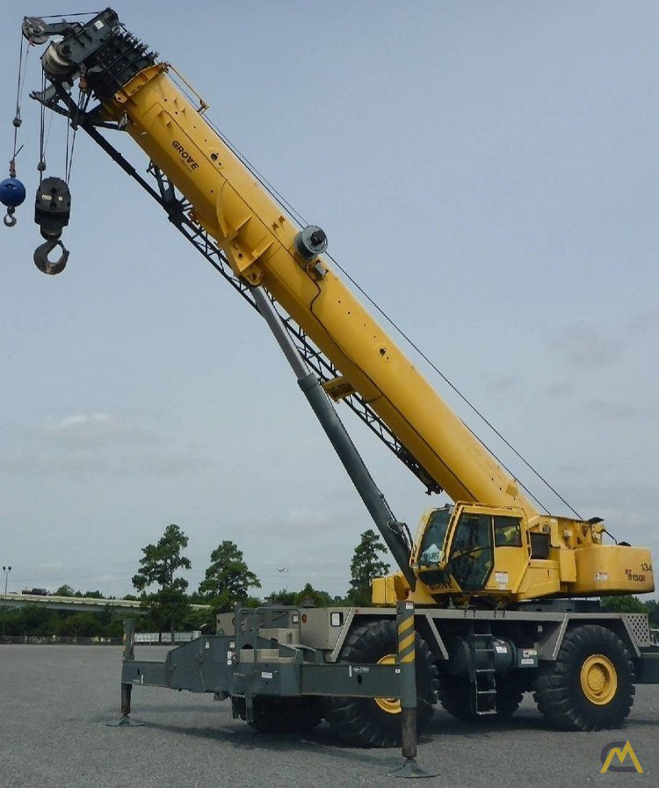
Q1
 | Originally, a particular crane weights 85 tons on average.
 | Due to rust, after about 10 years, a crane is believed to weight 86 tons.
 | However, after weighing 25 of them, an average weight of 87 tons has been observed.
 | The variance of crane weight at the time of manufacture is known to be 4 tons.
 | Should the assumed weight of 86 tons be updated?

3_MeanSigmaUnknown
Q2
 | A service provider claims to have the best prices.
 | Billing varies for different projects and customers varies so you can't be sure that the price you are given is good or bad.
 | The provider bills you at 865 dollars per hour.
 | Gathering data is difficult.
 | To at least get a little date, you reach out to 16 people and find per hour billing they have incurred for similar service.
 | Given the data you get below, does your service provider provide a statistically signficantly different rate from the mean?
 | Your company uses this service provider for 20000 hours of work per year, do you have any recommendations?


 | 1 | $894.99
 | 2 | $863.65
 | 3 | $874.48
 | 4 | $901.82
 | 5 | $886.62
 | 6 | $845.41
 | 7 | $839.17
 | 8 | $855.07
 | 9 | $871.92
 | 10 | $865.83
 | 11 | $873.06
 | 12 | $882.76
 | 13 | $843.78
 | 14 | $876.60
 | 15 | $880.32
 | 16 | $884.03

