6_t
Derivation of t
 | t from normal

 | Create a set of standard normal random variables.
 | Create s set of chiSq random variables with 10 degrees of freedom.
 | Divide each standard normal by the square root of a chiSq with 10 degrees of freedom divided by 10
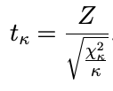

 | Use a data table to resimulate that 1000 times.
 | You can do this in R or Python if you want to practice coding.

