1_PartialDuration
t | rt | $
1 | 0.3% | 1100
2 | 2.2% | 3300
3 | 3.8% | 5500
4 | 4.6% | 4400
5 | 5.3% | 8000

 | Estimate partial sensitivities by increasing the yield curve by 1bp.
 |  | For each period that a cash flow occurs, bump up the yield curve rate and reprice the present value of the portfolio.
 |  | Calculate dP/drt
 |  | That is, calculate the change in portfolio per change in rate at time t.
 |  | These are casually called partial durations.

2_PortfolioDuration
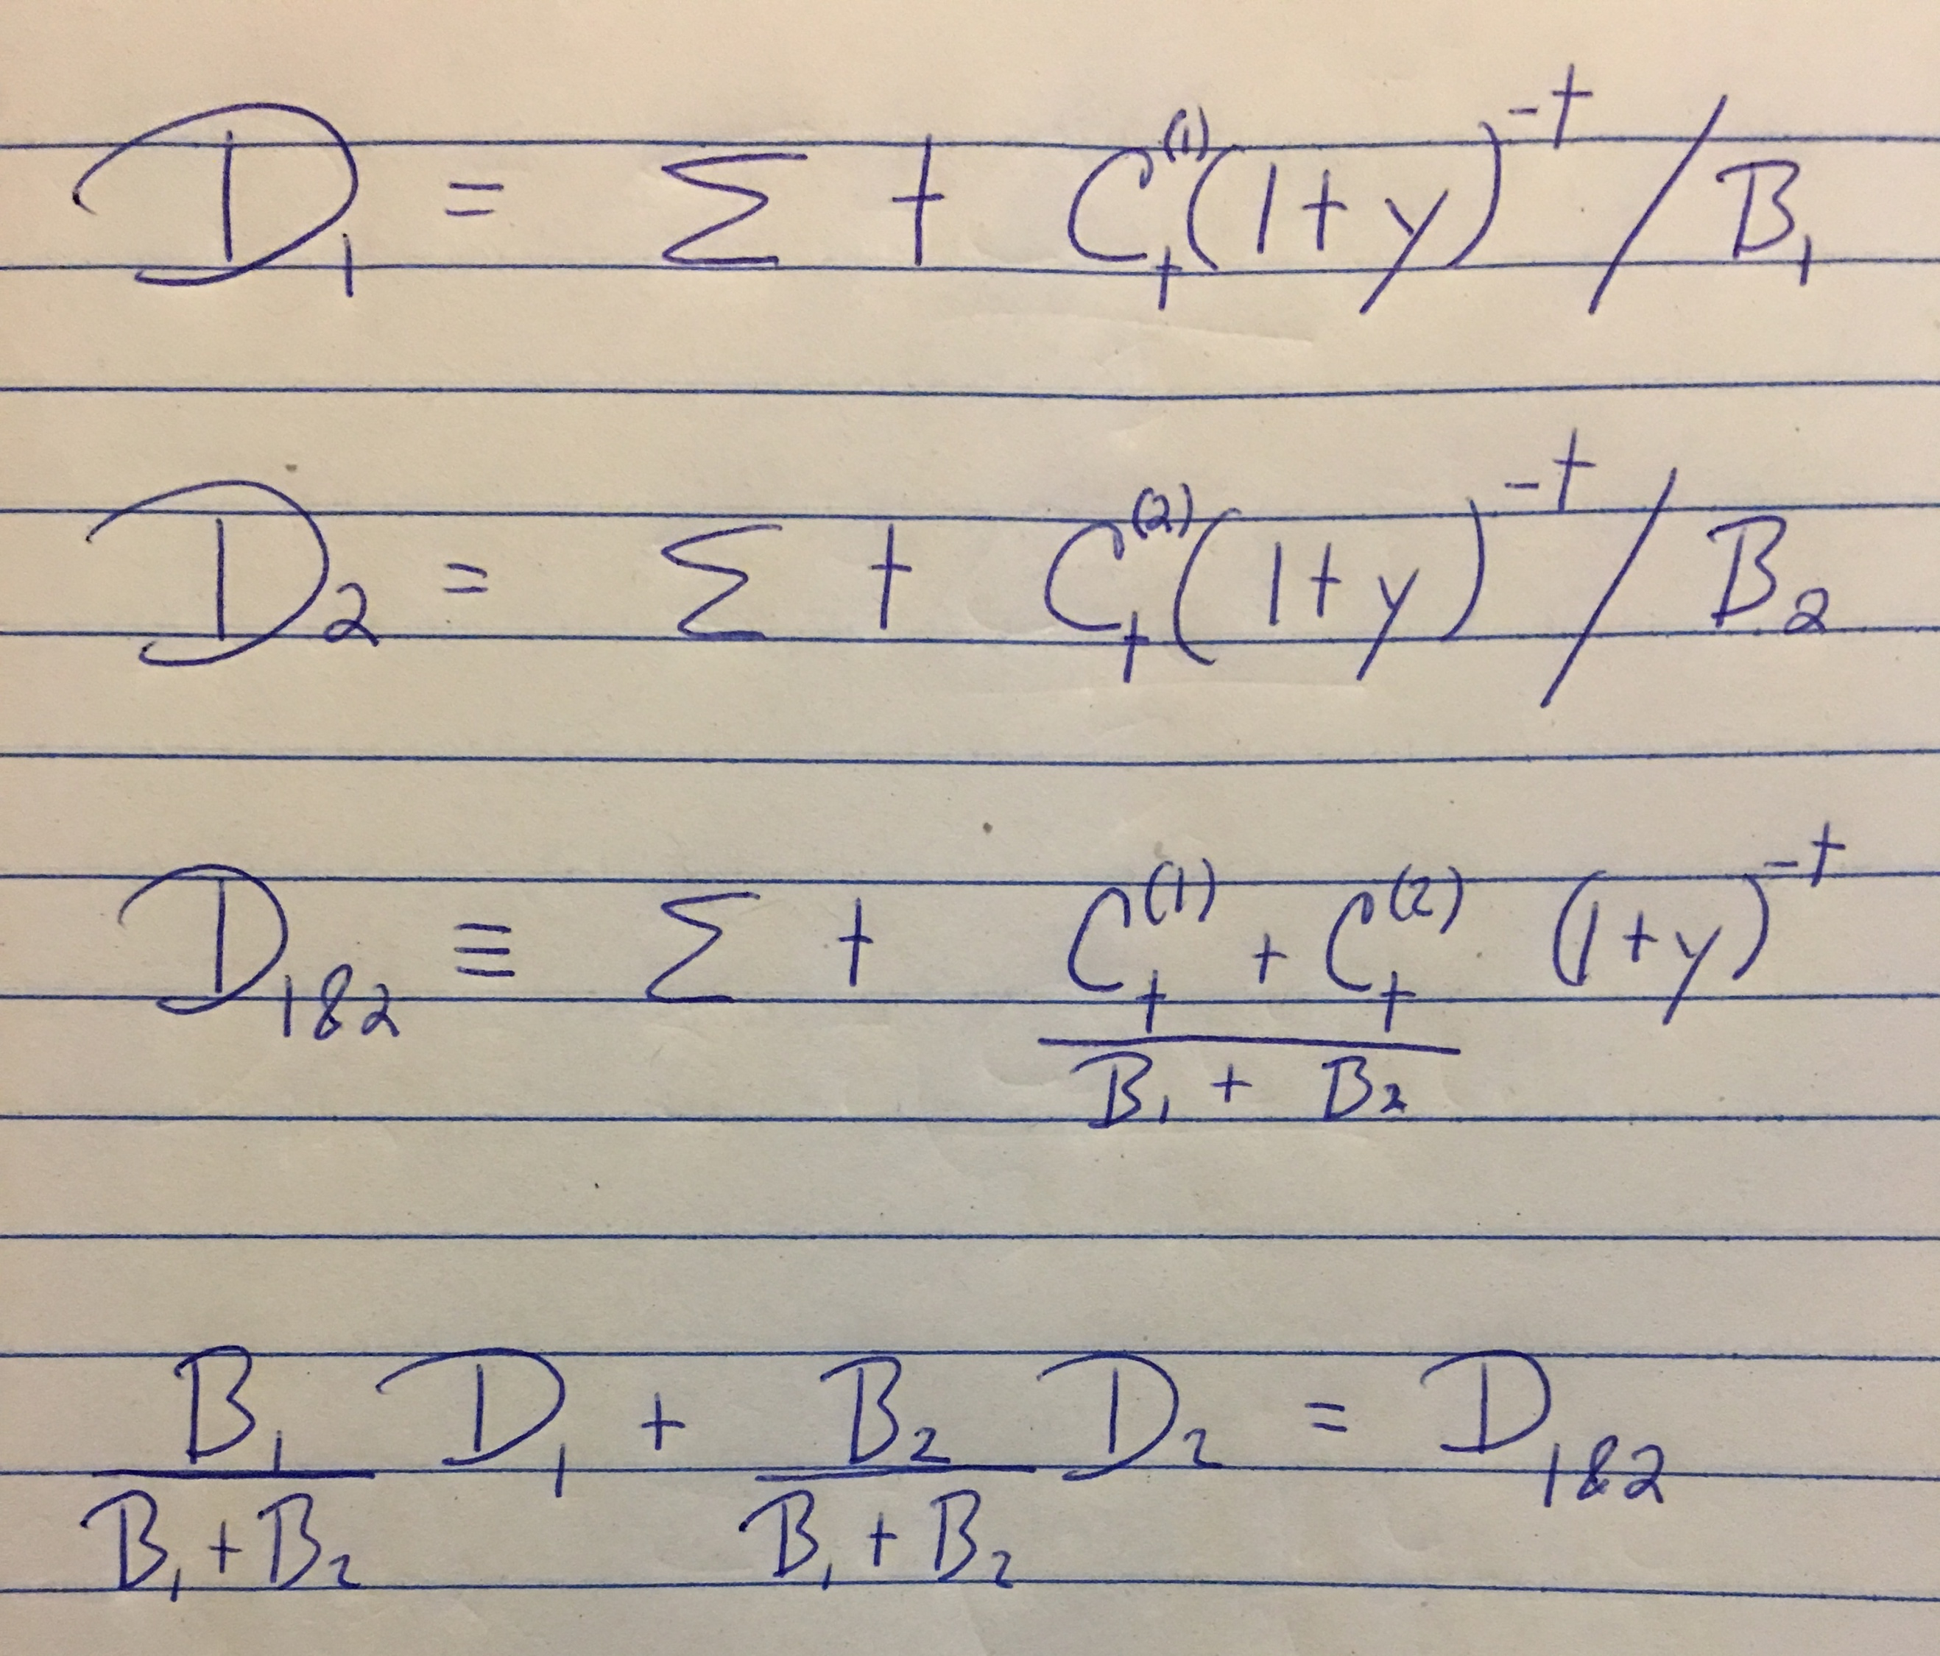
Do some math to transform the row 4 version of D1&2 into the row 3 version.
You can replace D1 and D2 with their definitions to create row 3.

3_PCA_VaR
t | rt | $
1 | 0.3% | 1100
2 | 2.2% | 3300
3 | 3.8% | 5500
4 | 4.6% | 4400
5 | 5.3% | 8000
7 | 6.9% | 8888
10 | 8.2% | 9900
30 | 9.4% | 9990

 | Estimate partial sensitivities by increasing the yield curve by 1bp.
 |  | For each period that a cash flow occurs, bump up the yield curve rate and reprice the present value of the portfolio.
 |  | Calculate dP/drt
 |  | That is, calculate the change in portfolio per change in rate at time t.
 |  | These are casually called partial durations.
 | Retreive the first 3 loadings vectors from the PCA_Applied workbook.
 |  | These are mathematically called eigenvectors.
 |  | These loadings represent the ways in which the yield curves can shift.
 |  | These sets of yield curve shifts are independent of each other by construction.
 | Multiply the loadings vectors by the partial durations.
 |  | The result should be 3 point estimates of the impact of loadings vector changes.
 | Retreive the first 3 eigenvalues from the PCA_Applied workbook.
 |  | These represent the variance of the loadings vectors.
 | Take the 3 calculated estimates of loadings sensivitity and mutiply each by the corresponding eigenvalue.
 | Sum the result in order to get the overall portfolio variance.
 | Take the square root to get the portfolio standard deviation.
 | Calculate annual VaR at 99% (note that the original data is daily).

