Compounding
Video: | Compounding

 | NominalRate | 10% |  |  | Extra detail on Continous Compounding:

From e to Continuous Compounding:
e = (1+1/n)^{n}
e = (1+1/m)^{m} | m = n/r
e = (1+r/n)^{(n/r)}
e^{r} = (1+r/n)^{(n/r)*r}
e^{r} = (1+r/n)^{n}
 | Label | Periodicity | EffectiveRate | ContinuousRate
 | semiannual | 2 | 10.2500% | 10.5171%
 | quarterly | 4 | 10.3813%
 | monthly | 12 | 10.4713%
 | trading days | 252 | 10.5149%
 | calendar days | 365 | 10.5156%
 |  | 1000 | 10.5165%
 |  | 10000 | 10.5170%
 |  | 100000 | 10.5171%
 |  | 1000000 | 10.5171%

 |  |  |  |  | Videos:
 |  |  |  |  | Continous Compounding 1 | https://drive.google.com/open?id=1e4MBnKxjQFYEaueUXr52vOcluboBrXk2
 |  |  |  |  | Continous Compounding 2 | https://drive.google.com/open?id=1B7NoP4UEnitTYYijL9DH7sgazTm4k-1S
 |  |  |  |  | Continous Compounding 3 | https://drive.google.com/open?id=1Dpk1utMflzWK43Nh3DrDzFBWAAFgl2nt

Combinatorics
Textbook: Page 8
Video: | Combinatorics

 | Order | How many orders can the letters in the word 'train' come in? | 120
 | Permutation | Theres a race with 5 horses. How many orders can the horses come in 1st, 2nd, and 3rd place? | 60
 | Order with repetition | How many orders can the letters in the word 'moon' come in? | 12
 | Choice | How many orders for the letters 'pppuuu'. Note p can stand for 'picked' and u for 'unpicked'? | 20
 | Binomial | How many orders for the letters 'pppqqq'. Note p can stand for 'success' and q for 'failure'? | 20
 | Trees with choice | How many paths to the S0d on the last column? | 3
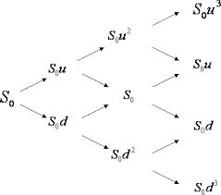

 | Binomial Distribution | What is the probability of k successes out of n trials?
 |  | nCk p^k q^(n-k)

OrderWRepetition
<- back to Combinatorics

 | M | O | O | O | N | https://en.wikipedia.org/wiki/Hey_Diddle_Diddle

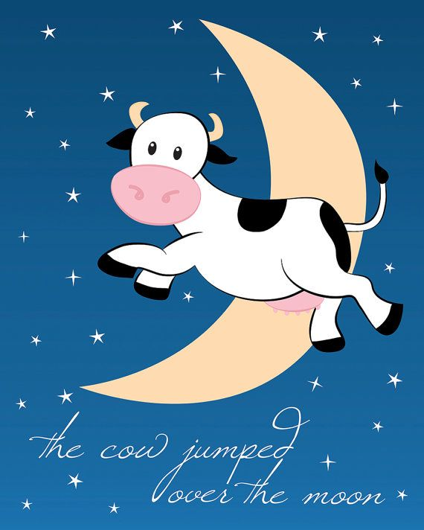
 |  | O | O | O
 |  | O | O | O
 |  | O | O | O
 |  | O | O | O
 |  | O | O | O
 |  | O | O | O

Choice
<- back to Combinatorics

 | C | C | C | U | U


 | C | C | C | U | U
 | C | C | C | U | U
 | C | C | C
 | C | C | C
 | C | C | C
 | C | C | C

