ConditionalProb1
Video | ConditionalProbability

 | Boots | Rain |  | Frequency |  | Probability | Description
 | 0 | 0
 | 0 | 0 | Boots | 124 | Boots | 12%
 | 0 | 0 | Rain | 100 | Rain | 10%
 | 0 | 0 | Boots & Rain | 83 | Boots & Rain | 8.3%
 | 0 | 0 | NoRain | 900 | NoRain | 90%
 | 0 | 0 | Boots & NoRain | 41 | Boots & NoRain | 4%
 | 0 | 0
 | 0 | 0 |  |  | Boots|NoRain | 5%
 | 0 | 0 |  |  | Boots|Rain | 83% | count(rain&boots)/count(rain)
 | 0 | 0 |  |  | Rain | Boots | 67% | count(rain&boots)/count(boots)
 | 0 | 0
 | 0 | 0 |  |  | Boots | 12% | [count(boots & Rain) + count(boots & NoRain)]/N
 | 0 | 0 |  |  |  |  | P(Boots|Rain)P(Rain) + P(Boots|NoRain)P(NoRain)
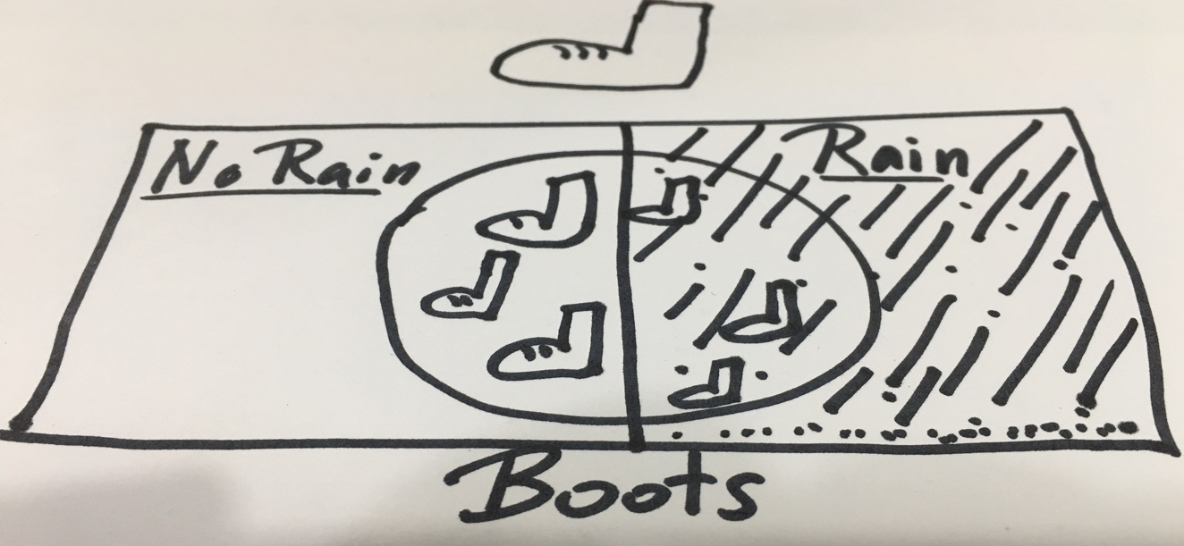
 | 0 | 0
 | 0 | 0
 | 0 | 0
 | 0 | 0
 | 0 | 0
 | 0 | 0
 | 0 | 0
 | 0 | 0
 | 0 | 0
 | 0 | 0
 | 0 | 0
 | 0 | 0
 | 0 | 0
 | 0 | 0
 | 0 | 0
 | 0 | 0
 | 0 | 0
 | 0 | 0
 | 0 | 0
 | 0 | 0
 | 0 | 0
 | 0 | 0
 | 0 | 0
 | 0 | 0
 | 0 | 0
 | 0 | 0
 | 1 | 1
 | 0 | 1
 | 0 | 0
 | 0 | 0
 | 0 | 0
 | 0 | 0
 | 0 | 0
 | 0 | 0
 | 0 | 0
 | 0 | 0
 | 1 | 0
 | 0 | 0
 | 0 | 0
 | 0 | 0
 | 0 | 0
 | 0 | 0
 | 0 | 0
 | 0 | 0
 | 0 | 0
 | 1 | 1
 | 1 | 1
 | 0 | 0
 | 0 | 0
 | 0 | 0
 | 0 | 0
 | 0 | 0
 | 0 | 0
 | 0 | 0
 | 0 | 0
 | 0 | 0
 | 0 | 0
 | 0 | 0
 | 1 | 0
 | 0 | 0
 | 0 | 0
 | 0 | 0
 | 0 | 0
 | 0 | 0
 | 0 | 0
 | 0 | 0
 | 0 | 0
 | 0 | 0
 | 0 | 0
 | 0 | 0
 | 0 | 1
 | 0 | 0
 | 0 | 0
 | 0 | 0
 | 0 | 0
 | 0 | 0
 | 0 | 0
 | 0 | 0
 | 0 | 0
 | 0 | 0
 | 0 | 0
 | 0 | 0
 | 0 | 0
 | 0 | 0
 | 0 | 0
 | 0 | 0
 | 1 | 1
 | 0 | 0
 | 0 | 0
 | 0 | 0
 | 0 | 0
 | 0 | 0
 | 0 | 0
 | 0 | 0
 | 0 | 0
 | 0 | 0
 | 0 | 0
 | 0 | 0
 | 1 | 1
 | 0 | 0
 | 0 | 0
 | 0 | 0
 | 0 | 0
 | 0 | 0
 | 0 | 0
 | 0 | 0
 | 0 | 0
 | 0 | 0
 | 0 | 0
 | 0 | 0
 | 0 | 0
 | 0 | 0
 | 0 | 0
 | 0 | 0
 | 0 | 0
 | 0 | 0
 | 0 | 0
 | 0 | 0
 | 0 | 0
 | 0 | 0
 | 0 | 0
 | 0 | 0
 | 1 | 1
 | 0 | 0
 | 0 | 0
 | 0 | 0
 | 0 | 0
 | 0 | 0
 | 0 | 0
 | 0 | 0
 | 0 | 0
 | 0 | 0
 | 0 | 0
 | 0 | 0
 | 0 | 0
 | 0 | 0
 | 0 | 0
 | 0 | 0
 | 1 | 0
 | 1 | 0
 | 0 | 0
 | 0 | 0
 | 0 | 0
 | 0 | 0
 | 0 | 0
 | 0 | 0
 | 0 | 0
 | 0 | 0
 | 1 | 1
 | 0 | 0
 | 0 | 0
 | 0 | 0
 | 0 | 0
 | 0 | 0
 | 0 | 0
 | 0 | 0
 | 0 | 0
 | 0 | 0
 | 0 | 0
 | 0 | 0
 | 0 | 0
 | 0 | 0
 | 0 | 0
 | 0 | 0
 | 0 | 0
 | 0 | 0
 | 0 | 0
 | 0 | 0
 | 0 | 0
 | 0 | 0
 | 0 | 0
 | 0 | 0
 | 0 | 0
 | 0 | 0
 | 0 | 0
 | 0 | 0
 | 0 | 0
 | 1 | 0
 | 0 | 0
 | 0 | 0
 | 0 | 0
 | 0 | 0
 | 0 | 0
 | 1 | 1
 | 0 | 0
 | 1 | 0
 | 0 | 0
 | 0 | 0
 | 0 | 0
 | 0 | 0
 | 0 | 0
 | 0 | 0
 | 0 | 0
 | 0 | 0
 | 0 | 0
 | 0 | 0
 | 0 | 0
 | 0 | 0
 | 0 | 0
 | 0 | 0
 | 0 | 0
 | 0 | 0
 | 0 | 0
 | 0 | 0
 | 0 | 0
 | 1 | 1
 | 0 | 1
 | 0 | 0
 | 0 | 0
 | 0 | 0
 | 0 | 0
 | 0 | 0
 | 0 | 0
 | 0 | 0
 | 1 | 1
 | 1 | 1
 | 0 | 0
 | 0 | 0
 | 1 | 1
 | 0 | 0
 | 0 | 0
 | 0 | 0
 | 0 | 1
 | 0 | 0
 | 0 | 0
 | 1 | 1
 | 0 | 0
 | 0 | 0
 | 0 | 0
 | 0 | 0
 | 0 | 0
 | 0 | 0
 | 0 | 0
 | 0 | 0
 | 0 | 0
 | 0 | 0
 | 0 | 0
 | 0 | 0
 | 0 | 0
 | 0 | 1
 | 0 | 0
 | 0 | 0
 | 1 | 1
 | 1 | 1
 | 0 | 0
 | 1 | 1
 | 0 | 0
 | 0 | 0
 | 0 | 0
 | 0 | 0
 | 0 | 0
 | 0 | 0
 | 0 | 0
 | 1 | 1
 | 0 | 0
 | 0 | 0
 | 0 | 1
 | 0 | 0
 | 0 | 0
 | 0 | 0
 | 0 | 0
 | 0 | 0
 | 1 | 1
 | 0 | 0
 | 0 | 0
 | 0 | 0
 | 0 | 0
 | 0 | 0
 | 0 | 0
 | 0 | 0
 | 0 | 0
 | 1 | 1
 | 0 | 0
 | 0 | 0
 | 0 | 0
 | 0 | 0
 | 0 | 0
 | 0 | 0
 | 1 | 1
 | 0 | 0
 | 0 | 0
 | 0 | 0
 | 0 | 0
 | 0 | 0
 | 0 | 0
 | 1 | 1
 | 0 | 0
 | 1 | 0
 | 0 | 0
 | 0 | 0
 | 0 | 0
 | 0 | 0
 | 0 | 0
 | 0 | 0
 | 1 | 0
 | 0 | 0
 | 0 | 0
 | 0 | 0
 | 0 | 0
 | 1 | 0
 | 0 | 0
 | 0 | 0
 | 0 | 0
 | 0 | 0
 | 0 | 0
 | 0 | 0
 | 0 | 0
 | 0 | 0
 | 0 | 0
 | 0 | 0
 | 0 | 0
 | 0 | 0
 | 0 | 0
 | 0 | 0
 | 0 | 0
 | 0 | 0
 | 1 | 0
 | 0 | 0
 | 1 | 0
 | 0 | 0
 | 0 | 0
 | 0 | 0
 | 0 | 1
 | 0 | 0
 | 0 | 0
 | 1 | 1
 | 0 | 0
 | 1 | 0
 | 1 | 1
 | 0 | 0
 | 0 | 0
 | 0 | 0
 | 0 | 0
 | 0 | 0
 | 0 | 0
 | 0 | 0
 | 1 | 1
 | 0 | 0
 | 0 | 0
 | 0 | 0
 | 0 | 0
 | 0 | 0
 | 1 | 0
 | 0 | 0
 | 0 | 0
 | 0 | 0
 | 0 | 0
 | 0 | 0
 | 0 | 0
 | 0 | 0
 | 0 | 0
 | 0 | 0
 | 0 | 0
 | 0 | 0
 | 0 | 0
 | 0 | 0
 | 1 | 1
 | 0 | 0
 | 0 | 0
 | 0 | 0
 | 0 | 0
 | 1 | 0
 | 0 | 0
 | 0 | 0
 | 0 | 0
 | 0 | 0
 | 1 | 1
 | 0 | 0
 | 0 | 0
 | 0 | 0
 | 0 | 0
 | 0 | 0
 | 1 | 0
 | 0 | 0
 | 0 | 0
 | 0 | 0
 | 0 | 0
 | 0 | 0
 | 0 | 0
 | 0 | 0
 | 0 | 0
 | 0 | 0
 | 0 | 0
 | 0 | 0
 | 0 | 0
 | 0 | 0
 | 0 | 0
 | 0 | 0
 | 0 | 0
 | 0 | 0
 | 0 | 0
 | 0 | 0
 | 0 | 0
 | 0 | 0
 | 0 | 0
 | 0 | 0
 | 0 | 0
 | 0 | 0
 | 0 | 0
 | 1 | 0
 | 0 | 0
 | 0 | 0
 | 0 | 0
 | 1 | 0
 | 0 | 0
 | 0 | 0
 | 0 | 0
 | 0 | 0
 | 0 | 0
 | 0 | 0
 | 0 | 0
 | 0 | 0
 | 0 | 0
 | 0 | 0
 | 0 | 0
 | 0 | 0
 | 0 | 0
 | 1 | 1
 | 0 | 0
 | 0 | 0
 | 0 | 0
 | 0 | 0
 | 1 | 1
 | 0 | 0
 | 0 | 0
 | 0 | 0
 | 0 | 0
 | 0 | 0
 | 0 | 0
 | 0 | 0
 | 0 | 0
 | 0 | 0
 | 0 | 0
 | 0 | 0
 | 0 | 1
 | 1 | 1
 | 0 | 0
 | 0 | 0
 | 1 | 1
 | 0 | 0
 | 1 | 0
 | 0 | 0
 | 1 | 1
 | 0 | 0
 | 0 | 0
 | 0 | 0
 | 0 | 0
 | 0 | 0
 | 0 | 0
 | 0 | 0
 | 0 | 0
 | 0 | 0
 | 0 | 0
 | 0 | 0
 | 0 | 1
 | 0 | 0
 | 0 | 0
 | 0 | 0
 | 0 | 0
 | 0 | 0
 | 1 | 1
 | 0 | 0
 | 1 | 1
 | 0 | 0
 | 0 | 0
 | 1 | 1
 | 0 | 0
 | 0 | 0
 | 0 | 0
 | 0 | 0
 | 0 | 0
 | 0 | 0
 | 0 | 0
 | 0 | 0
 | 0 | 0
 | 0 | 0
 | 1 | 1
 | 0 | 0
 | 0 | 0
 | 0 | 0
 | 0 | 0
 | 0 | 0
 | 0 | 0
 | 0 | 0
 | 1 | 0
 | 0 | 0
 | 0 | 0
 | 0 | 0
 | 0 | 0
 | 1 | 0
 | 0 | 0
 | 0 | 0
 | 0 | 0
 | 0 | 0
 | 0 | 0
 | 0 | 0
 | 0 | 0
 | 0 | 0
 | 0 | 0
 | 0 | 0
 | 0 | 0
 | 0 | 0
 | 0 | 0
 | 0 | 0
 | 0 | 1
 | 0 | 0
 | 0 | 0
 | 0 | 0
 | 0 | 0
 | 0 | 0
 | 0 | 0
 | 1 | 0
 | 0 | 0
 | 0 | 0
 | 1 | 1
 | 0 | 0
 | 0 | 0
 | 0 | 0
 | 0 | 0
 | 0 | 0
 | 0 | 0
 | 0 | 0
 | 0 | 0
 | 1 | 1
 | 0 | 0
 | 0 | 0
 | 0 | 0
 | 0 | 0
 | 1 | 1
 | 0 | 0
 | 0 | 0
 | 0 | 0
 | 0 | 0
 | 0 | 0
 | 0 | 1
 | 0 | 0
 | 0 | 0
 | 0 | 0
 | 1 | 0
 | 0 | 0
 | 0 | 0
 | 1 | 1
 | 0 | 0
 | 0 | 0
 | 1 | 1
 | 0 | 0
 | 0 | 0
 | 0 | 0
 | 0 | 0
 | 0 | 0
 | 0 | 0
 | 0 | 0
 | 0 | 0
 | 1 | 0
 | 0 | 0
 | 0 | 0
 | 0 | 0
 | 1 | 0
 | 0 | 0
 | 0 | 0
 | 1 | 0
 | 0 | 0
 | 0 | 0
 | 0 | 0
 | 0 | 0
 | 0 | 0
 | 0 | 0
 | 1 | 0
 | 0 | 0
 | 0 | 0
 | 0 | 0
 | 0 | 0
 | 0 | 0
 | 0 | 0
 | 0 | 0
 | 0 | 0
 | 0 | 0
 | 0 | 0
 | 0 | 0
 | 0 | 0
 | 0 | 0
 | 0 | 0
 | 0 | 0
 | 0 | 0
 | 0 | 0
 | 0 | 0
 | 0 | 0
 | 0 | 0
 | 0 | 0
 | 0 | 0
 | 0 | 0
 | 0 | 0
 | 0 | 0
 | 0 | 0
 | 0 | 0
 | 0 | 0
 | 1 | 1
 | 0 | 0
 | 0 | 0
 | 0 | 0
 | 0 | 0
 | 0 | 0
 | 1 | 1
 | 1 | 0
 | 0 | 0
 | 0 | 0
 | 1 | 0
 | 0 | 0
 | 0 | 0
 | 0 | 0
 | 0 | 0
 | 0 | 0
 | 0 | 0
 | 0 | 0
 | 0 | 0
 | 1 | 1
 | 0 | 0
 | 0 | 0
 | 0 | 0
 | 0 | 0
 | 1 | 0
 | 1 | 1
 | 1 | 1
 | 0 | 0
 | 1 | 1
 | 1 | 0
 | 0 | 0
 | 0 | 0
 | 0 | 0
 | 0 | 0
 | 0 | 0
 | 0 | 0
 | 0 | 0
 | 0 | 0
 | 0 | 0
 | 0 | 0
 | 0 | 0
 | 0 | 0
 | 0 | 0
 | 0 | 0
 | 0 | 0
 | 0 | 0
 | 0 | 0
 | 0 | 0
 | 0 | 0
 | 0 | 0
 | 0 | 0
 | 0 | 0
 | 1 | 1
 | 0 | 0
 | 0 | 0
 | 1 | 1
 | 1 | 1
 | 0 | 0
 | 0 | 0
 | 0 | 0
 | 0 | 0
 | 1 | 1
 | 0 | 0
 | 0 | 0
 | 0 | 0
 | 0 | 0
 | 0 | 0
 | 0 | 0
 | 0 | 0
 | 0 | 0
 | 0 | 0
 | 0 | 0
 | 0 | 0
 | 0 | 0
 | 0 | 0
 | 0 | 0
 | 0 | 0
 | 0 | 0
 | 0 | 0
 | 1 | 0
 | 0 | 0
 | 0 | 0
 | 0 | 0
 | 0 | 0
 | 0 | 0
 | 0 | 0
 | 0 | 0
 | 0 | 0
 | 0 | 0
 | 0 | 0
 | 0 | 0
 | 0 | 0
 | 0 | 0
 | 0 | 0
 | 0 | 0
 | 0 | 0
 | 0 | 0
 | 0 | 0
 | 0 | 0
 | 0 | 0
 | 0 | 0
 | 0 | 0
 | 0 | 0
 | 0 | 0
 | 0 | 0
 | 1 | 1
 | 1 | 1
 | 1 | 1
 | 0 | 0
 | 0 | 0
 | 0 | 0
 | 0 | 0
 | 0 | 0
 | 0 | 0
 | 0 | 0
 | 0 | 0
 | 0 | 0
 | 0 | 0
 | 0 | 0
 | 0 | 0
 | 1 | 1
 | 0 | 0
 | 0 | 0
 | 0 | 0
 | 0 | 0
 | 0 | 0
 | 0 | 0
 | 0 | 0
 | 0 | 0
 | 0 | 0
 | 0 | 0
 | 0 | 0
 | 0 | 0
 | 0 | 0
 | 1 | 1
 | 0 | 0
 | 1 | 0
 | 0 | 0
 | 0 | 0
 | 0 | 0
 | 0 | 0
 | 0 | 0
 | 0 | 0
 | 0 | 0
 | 1 | 1
 | 0 | 1
 | 0 | 0
 | 0 | 0
 | 0 | 0
 | 0 | 0
 | 0 | 0
 | 0 | 0
 | 1 | 1
 | 1 | 1
 | 0 | 0
 | 0 | 0
 | 1 | 1
 | 0 | 0
 | 0 | 0
 | 0 | 0
 | 0 | 0
 | 1 | 0
 | 0 | 0
 | 0 | 0
 | 0 | 0
 | 0 | 0
 | 0 | 0
 | 0 | 0
 | 1 | 1
 | 0 | 0
 | 0 | 0
 | 0 | 0
 | 1 | 1
 | 0 | 0
 | 0 | 0
 | 0 | 0
 | 0 | 0
 | 0 | 0
 | 0 | 0
 | 0 | 0
 | 1 | 1
 | 0 | 0
 | 0 | 0
 | 0 | 0
 | 0 | 0
 | 0 | 0
 | 0 | 0
 | 0 | 0
 | 1 | 1
 | 0 | 0
 | 1 | 1
 | 0 | 0
 | 0 | 0
 | 1 | 0
 | 0 | 0
 | 0 | 0
 | 0 | 0
 | 0 | 0
 | 0 | 0
 | 0 | 0
 | 0 | 0
 | 0 | 1
 | 0 | 0
 | 0 | 0
 | 0 | 0
 | 0 | 0
 | 0 | 0
 | 0 | 0
 | 0 | 0
 | 0 | 0
 | 0 | 0
 | 0 | 0
 | 1 | 0
 | 0 | 0
 | 0 | 0
 | 0 | 0
 | 0 | 0
 | 0 | 0
 | 0 | 0
 | 0 | 0
 | 1 | 1
 | 0 | 0
 | 0 | 0
 | 0 | 0
 | 0 | 0
 | 0 | 0
 | 0 | 0
 | 0 | 0
 | 1 | 1
 | 1 | 1
 | 0 | 0
 | 0 | 0
 | 1 | 1
 | 0 | 0
 | 0 | 0
 | 0 | 0
 | 0 | 0
 | 0 | 0
 | 0 | 0
 | 0 | 0
 | 1 | 1
 | 0 | 0
 | 0 | 0
 | 0 | 0
 | 0 | 0
 | 0 | 1
 | 0 | 0
 | 0 | 0
 | 0 | 0
 | 0 | 0
 | 0 | 0
 | 0 | 0
 | 0 | 0
 | 0 | 0
 | 1 | 1
 | 0 | 0
 | 1 | 0
 | 0 | 0
 | 0 | 0
 | 0 | 0
 | 0 | 0
 | 0 | 0
 | 0 | 0
 | 0 | 0
 | 1 | 1
 | 0 | 0
 | 0 | 0
 | 0 | 0
 | 0 | 0
 | 0 | 0
 | 1 | 1
 | 0 | 0
 | 0 | 0
 | 0 | 0
 | 1 | 0
 | 0 | 0
 | 0 | 0
 | 1 | 1
 | 0 | 1
 | 1 | 1
 | 0 | 0
 | 0 | 0
 | 0 | 0
 | 0 | 0
 | 0 | 0
 | 0 | 0
 | 0 | 0
 | 0 | 0
 | 1 | 1
 | 1 | 1
 | 0 | 0
 | 0 | 0
 | 0 | 0
 | 0 | 0
 | 1 | 1
 | 0 | 0
 | 0 | 0
 | 0 | 0
 | 0 | 0
 | 0 | 0
 | 0 | 0
 | 0 | 0
 | 0 | 0
 | 0 | 0
 | 0 | 0
 | 0 | 0
 | 0 | 0
 | 0 | 0
 | 0 | 0
 | 0 | 0
 | 0 | 0
 | 0 | 0
 | 0 | 0
 | 0 | 0
 | 0 | 0
 | 0 | 0
 | 1 | 1
 | 0 | 0
 | 0 | 0
 | 0 | 0
 | 0 | 0
 | 1 | 1
 | 1 | 1
 | 0 | 0
 | 0 | 1
 | 0 | 0
 | 0 | 0
 | 1 | 0
 | 0 | 0
 | 0 | 0
 | 0 | 0
 | 0 | 0
 | 0 | 0
 | 0 | 0
 | 0 | 0
 | 0 | 0
 | 0 | 0
 | 0 | 0
 | 0 | 0
 | 0 | 0
 | 0 | 0
 | 0 | 0
 | 0 | 0
 | 0 | 0
 | 1 | 0
 | 0 | 0
 | 0 | 1
 | 0 | 0
 | 0 | 0
 | 0 | 0
 | 0 | 0
 | 0 | 0
 | 0 | 0
 | 0 | 0
 | 0 | 0
 | 0 | 0
 | 0 | 0
 | 0 | 0
 | 0 | 0
 | 0 | 0
 | 0 | 0
 | 0 | 0
 | 0 | 0
 | 0 | 0
 | 1 | 1
 | 0 | 0
 | 0 | 0
 | 0 | 0
 | 0 | 0
 | 0 | 0
 | 0 | 0
 | 0 | 0
 | 0 | 0
 | 1 | 1
 | 0 | 0
 | 0 | 0
 | 0 | 0
 | 1 | 0
 | 0 | 0
 | 1 | 0
 | 0 | 0
 | 0 | 0
 | 0 | 0
 | 0 | 0
 | 0 | 0
 | 0 | 0
 | 0 | 0
 | 0 | 0
 | 0 | 0
 | 0 | 0
 | 1 | 1

Normal
The normal distribution is a distribution that emerges in nature.
People's height and weight are normally distributed.
The distribution can emerge when you sum a bunch of small random draws.
A formal statement of this is the central limit theorem (CLT).
CLT states that the sum of independent random variables are normally distributed.
Casual examples of normally distributed data are:
 | height
 | weight
 | IQ
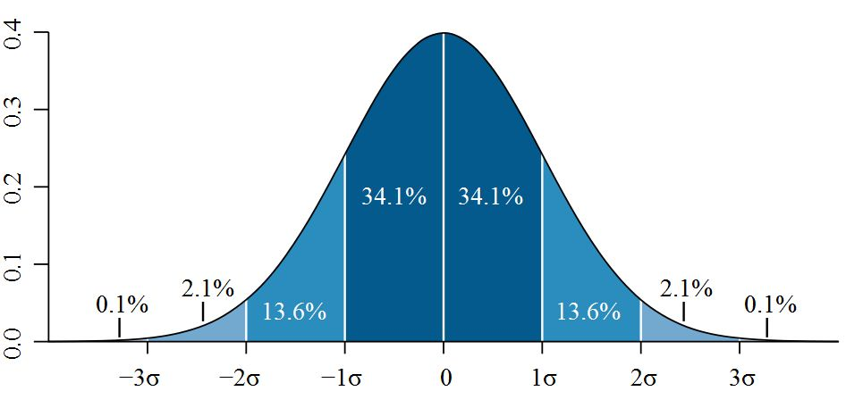
 | stock returns

Quantiles (Memorize!)
q | NORM.DIST(q,0,1,TRUE)
-3 | 0.13%
-2 | 2.28%
-1 | 15.87%
0 | 50.00%
1 | 84.13%
2 | 97.72%
3 | 99.87%

Simulation
 | NORM.INV(RAND(),0,1)
 | -0.087

NextClass1_MeanVar
Central Tendency
3.1 & 3.2 Page 29
 | Mean | 0.11
 | Median | 0.06

Variance
3.18 & 3.19 Page 39
 | Dispersion about a mean
 | Excel | Manual
 | 0.96 | 0.96
 | 0.97 | 0.97

 |  | min | -2.141801004
 |  | max | 2.766307173
 |  | range | 4.908108177

 |  |  | Bin | CumFreq | PDF
 | X | 0 | -2.1 | 1 | 1
1 | 1.24322678 | 1 | -1.9 | 1 | 0
2 | -0.5957074829 | 2 | -1.7 | 2 | 1
3 | 0.8740161855 | 3 | -1.4 | 5 | 3
4 | 0.4223398662 | 4 | -1.2 | 7 | 2
5 | 1.310685607 | 5 | -0.9 | 12 | 5
6 | 1.401253253 | 6 | -0.7 | 19 | 7
7 | -0.7962408458 | 7 | -0.4 | 33 | 14
8 | -0.6657780166 | 8 | -0.2 | 43 | 10
9 | 0.02489930005 | 9 | 0.1 | 52 | 9
10 | 0.05894931058 | 10 | 0.3 | 64 | 12
11 | 0.3483662274 | 11 | 0.6 | 71 | 7
12 | -1.780160864 | 12 | 0.8 | 79 | 8
13 | -0.7665108519 | 13 | 1.0 | 84 | 5
14 | 0.5312879422 | 14 | 1.3 | 90 | 6
15 | 1.059928979 | 15 | 1.5 | 93 | 3
16 | -1.422917361 | 16 | 1.8 | 94 | 1
17 | -0.4110471018 | 17 | 2.0 | 94 | 0
18 | 0.7504481296 | 18 | 2.3 | 95 | 1
19 | -0.8780431879 | 19 | 2.5 | 98 | 3
20 | -0.4016963986 | 20 | 2.8 | 100 | 2
21 | -0.4341364403
22 | -0.5729616146
23 | 0.2071056876
24 | -0.6546643066
25 | 0.2462961346
26 | 1.211765294
27 | -1.019367261
28 | 0.6708358389
29 | 1.089514724
30 | 1.517207787
31 | -0.9673863533
32 | -0.4464051243
33 | -0.5792183258
34 | -0.3440372007
35 | 0.6550799219
36 | 0.05904671107
37 | 0.3060918609
38 | -0.2446838185
39 | -1.423116685
40 | -0.6629842424
41 | 0.1399748334
42 | -1.09306125
43 | -1.387992224
44 | 1.120434585
45 | -0.7765201704
46 | -0.7053346348
47 | 0.3397378682
48 | -1.402691378
49 | 0.2397354452
50 | 2.647231881
51 | 0.1845436357
52 | 0.09754760168
53 | -0.5612886426
54 | -0.5205826232
55 | 0.4701363092
56 | 0.1588499281
57 | -0.1062639529
58 | 0.03749030604
59 | 0.3280487474
60 | -0.2231576488
61 | -0.1059487205
62 | 1.041910737
63 | 0.7838081927
64 | 0.07215412404
65 | 0.8051048015
66 | 0.06054856522
67 | -0.3215283142
68 | -0.2592219277
69 | 0.1106040665
70 | 2.489149888
71 | -1.027641181
72 | 2.470186684
73 | -0.2546901945
74 | -0.04947193438
75 | -0.8980529291
76 | -0.4303925111
77 | 0.2352379545
78 | -0.312337527
79 | 0.9036797103
80 | -0.5115841179
81 | -2.141801004
82 | -0.4886664168
83 | -0.945410731
84 | 0.6860515216
85 | 0.6231377423
86 | -0.2804912361
87 | 0.7403133078
88 | 0.9538252906
89 | 0.7490159525
90 | 0.1906051939
91 | 2.11599344
92 | 0.4868568045
93 | 2.766307173
94 | -0.5558928729
95 | -1.452261647
96 | 1.733811222
97 | -0.7614561664
98 | 2.407742113
99 | 0.04983088648
100 | 1.118469001

5_DenomSwitch
Video: | BaseRate

 | Find your own example of denominator switching.

 |  | Geniuses tend to be evil supervillains???
 |  | P(Genius & Supervillain ) / P(Genius)

 |  |  | Or …

 |  | Evil Supervillains tend to be geniuses.
 |  | P(Genius & Supervillain ) / P(Supervillain)







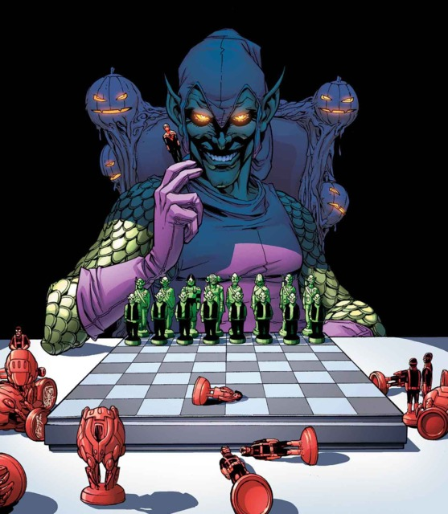
 |  | Supervillains | Brainiac | Bullseye | Catwoman | Doc Occ | Kingpin | Joker | Juggernaut | Lex Luthor | Loki | Magneto | Norman Osborn | The Riddler | Two-Face | Ultron | Venom
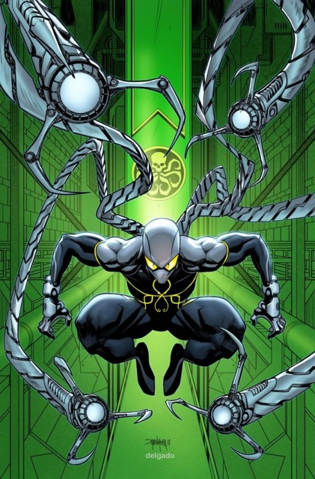

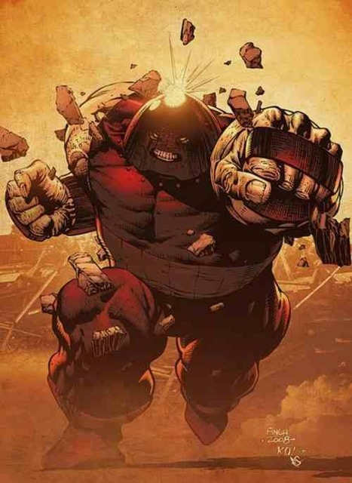






 |  | Genius | Y | N | N | Y | Y | Y | N | Y | N | N | Y | Y | N | Y | N

 |  |  |  |  | Population | 8000000000
 |  |  |  |  | 5 sigma | #N/A
 |  |  |  |  | Geniuses | #N/A
 |  |  |  |  | Supervillains | 15

 |  |  |  |  | P(Genius & Supervillain ) | 0.000000001
 |  |  |  |  | P(Genius & Supervillain ) / P(Genius) | #N/A
 |  |  |  |  | P(Genius & Supervillain ) / P(Supervillain) | 53%

7_Backtest1
Backtest1
Backtest2 | Date | Price | %Change
Backtest3 | 2025-03-25 | 292.222 | -0.02552633242 |  |  |  | You believe the that 99th percentile worst change is a reliable measure of risk.
 | 2025-03-24 | 299.8767537 | -0.01803287544 |  |  |  | Backtest this assumption.
 | 2025-03-23 | 305.38369992 | -0.009629143975
 | 2025-03-22 | 308.35287414 | -0.0103138756 |  |  |  | The idea:
 | 2025-03-21 | 311.56633052 | -0.004447203782 |  |  |  | The returns should only be worse than the preceeding estimate 1% of the time.
 | 2025-03-20 | 312.95811905 | 0.009312838216
 | 2025-03-19 | 310.0704828 | 0.005516963958 |  |  |  | Steps:
 | 2025-03-18 | 308.36922093 | -0.01429691279 |  |  |  | Start at the bottom of this history of returns.
 | 2025-03-17 | 312.84189421 | -0.03969327305 |  |  |  | For the previous 60 days, identify whether or not the worst change is worse than -.04
 | 2025-03-16 | 325.77288634 | 0.01113740193 |  |  |  |  | Accomplish this task in a single row.
 | 2025-03-15 | 322.18458709 | -0.01070656532 |  |  |  |  | Use Percentile.Inc()
 | 2025-03-14 | 325.67140931 | -0.003700236023 |  |  |  |  | Note that, since the subject matter is %changes, the 99th worst change is 1st percentile.
 | 2025-03-13 | 326.88094596 | 0.04541073342 |  |  |  | Now, repeat that but on a window that is one day forward.
 | 2025-03-12 | 312.68183453 | -0.01688170231 |  |  |  |  | So instead of the very last 60 days, the window is from n-61 to n-1
 | 2025-03-11 | 318.05107815 | -0.04061350364 |  |  |  |  | If you have successully done this the first time in a single row, then you can just copy the calculation.
 | 2025-03-10 | 331.51506651 | -0.008793091417 |  |  |  | Drag this calculation up to the top.
 | 2025-03-09 | 334.45596842 | -0.00851615472 |  |  |  | Count up the number of exceedances.
 | 2025-03-08 | 337.32871192 | 0.003941021884 |  |  |  |  | Use the COUNT function to count the number of days.
 | 2025-03-07 | 336.00451079 | -0.02841513304 |  |  |  |  | Use the SUM function to count the number of exceedances.
 | 2025-03-06 | 345.83135475 | -0.02465066999 |  |  |  | Now, use the binomial distribution to observe what the probability of observing that count.
 | 2025-03-05 | 354.57178685 | -0.01015208109
 | 2025-03-04 | 358.20834704 | 0.01106533286
 | 2025-03-03 | 354.28803204 | -0.0343343559 |  |  |  | Populate the cell below in order to observe where your result is in the distribution below.
 | 2025-03-02 | 366.88478481 | 0.03944666569
 | 2025-03-01 | 352.96162557 | 0.01702401295 |  |  |  |  | Number of trials (Use the COUNT function)
 | 2025-02-28 | 347.05338426 | -0.01303252816 |  |  |  | 1% | Probability of Exceedance
 | 2025-02-27 | 351.63609152 | -0.009527444719
 | 2025-02-26 | 355.01851076 | 0.02350252601
 | 2025-02-25 | 346.86627706 | 0.005752029878
 | 2025-02-24 | 344.8825026 | 0.004349031497
Exceedance by Percentile
 | 2025-02-23 | 343.38909262 | -0.01450816726 |  |  |  | 5% | 0
 | 2025-02-22 | 348.444382 | -0.01958721241 |  |  |  | 0.1 | 0
 | 2025-02-21 | 355.40579071 | -0.003053771302 |  |  |  | 15% | 0
 | 2025-02-20 | 356.49444321 | -0.009063724314 |  |  |  | 0.2 | 0
 | 2025-02-19 | 359.75516485 | -0.02317894479 |  |  |  | 25% | 0
 | 2025-02-18 | 368.29177967 | -0.0250180047 |  |  |  | 0.3 | 0
 | 2025-02-17 | 377.74213416 | -0.006230656806 |  |  |  | 35% | 0
 | 2025-02-16 | 380.11047206 | -0.02568066736 |  |  |  | 0.4 | 0
 | 2025-02-15 | 390.12925159 | -0.003769636959 |  |  |  | 45% | 0
 | 2025-02-14 | 391.60546202 | 0.002621591297 |  |  |  | 0.5 | 0
 | 2025-02-13 | 390.58151691 | 0.008959230139 |  |  |  | 55% | 0
 | 2025-02-12 | 387.11327995 | -0.01172273151 |  |  |  | 0.6 | 0
 | 2025-02-11 | 391.70513406 | 0.01550551705 |  |  |  | 65% | 0
 | 2025-02-10 | 385.72427967 | 0.005710526581 |  |  |  | 0.7 | 0
 | 2025-02-09 | 383.53409801 | 0.005966581125 |  |  |  | 75% | 0
 | 2025-02-08 | 381.25928356 | 0.0009248953884 |  |  |  | 0.8 | 0
 | 2025-02-07 | 380.90698445 | 0.006581381468 |  |  |  | 85% | 0
 | 2025-02-06 | 378.41648123 | 0.02608766599 |  |  |  | 0.9 | 0
 | 2025-02-05 | 368.79546824 | 0.0005758989096 |  |  |  | 95% | 0
 | 2025-02-04 | 368.58320157 | 0.0151703026
 | 2025-02-03 | 363.07524031 | -0.0051230469
 | 2025-02-02 | 364.94487 | -0.02694077317
 | 2025-02-01 | 375.04897948 | 0.01137239658
 | 2025-01-31 | 370.83173394 | 0.004079136482
 | 2025-01-30 | 369.32520602 | -0.01391195022
 | 2025-01-29 | 374.53572843 | -0.006873097272
 | 2025-01-28 | 377.12776424 | 0.002500638995
 | 2025-01-27 | 376.18705621 | 0.02281460409
 | 2025-01-26 | 367.79593751 | 0.008820481531
 | 2025-01-25 | 364.5801649 | -0.01910758795
 | 2025-01-24 | 371.68211357 | -0.005460223008
 | 2025-01-23 | 373.72272298 | -0.0286573037
 | 2025-01-22 | 384.74857989 | 0.01384811926
 | 2025-01-21 | 379.49331125 | -0.000692701722
 | 2025-01-20 | 379.75636914 | -0.02302184915
 | 2025-01-19 | 388.70507883 | 0.03761768867
 | 2025-01-18 | 374.61300349 | 0.003248432168
 | 2025-01-17 | 373.4000388 | 0.03742153517
 | 2025-01-16 | 359.93087297 | -0.001306233523
 | 2025-01-15 | 360.40164168 | 0.009214241506
 | 2025-01-14 | 357.11113345 | 0.00640613861
 | 2025-01-13 | 354.83799209 | -0.02027725443
 | 2025-01-12 | 362.18204966 | 0.03256175839
 | 2025-01-11 | 350.76066561 | -0.0308720362
 | 2025-01-10 | 361.93431489 | -0.03848969518
 | 2025-01-09 | 376.42271026 | -0.003371934571
 | 2025-01-08 | 377.6962774 | 0.01063247493
 | 2025-01-07 | 373.72268037 | -0.01606180957
 | 2025-01-06 | 379.82333037 | -0.005190780089
 | 2025-01-05 | 381.80519718 | 0.03616875263
 | 2025-01-04 | 368.47781427 | 0.03479058989
 | 2025-01-03 | 356.0892589 | 0.03991467203
 | 2025-01-02 | 342.42161254 | -0.02727930172
 | 2025-01-01 | 352.02459775 | -0.01030989417
 | 2024-12-31 | 355.69174197 | -0.006024104425
 | 2024-12-30 | 357.84745239 | 5.779957911E-05
 | 2024-12-29 | 357.82677015 | -0.01540016128
 | 2024-12-28 | 363.42355146 | -0.006504267138
 | 2024-12-27 | 365.80283079 | 0.009973849054
 | 2024-12-26 | 362.19039843 | -0.01007681572
 | 2024-12-25 | 365.87727632 | -0.00203927539
 | 2024-12-24 | 366.6249255 | -0.01439658882
 | 2024-12-23 | 371.98017108 | 0.001366466852
 | 2024-12-22 | 371.47256613 | 0.001440362246
 | 2024-12-21 | 370.93828063 | -0.02993466892
 | 2024-12-20 | 382.38484435 | 0.009802227383
 | 2024-12-19 | 378.67300544 | -0.003750931492
 | 2024-12-18 | 380.09872974 | -0.00237693583
 | 2024-12-17 | 381.00435264 | 0.02077717426
 | 2024-12-16 | 373.24928716 | 0.003468842447
 | 2024-12-15 | 371.95901992 | -0.01459882953
 | 2024-12-14 | 377.46963477 | -0.02041010206
 | 2024-12-13 | 385.33434814 | 0.005676822394
 | 2024-12-12 | 383.15922129 | -0.003337300284
 | 2024-12-11 | 384.44222043 | 0.006858107269
 | 2024-12-10 | 381.82363299 | -0.006842095296
 | 2024-12-09 | 384.45410461 | 0.0249808571
 | 2024-12-08 | 375.0841803 | 0.0183065576
 | 2024-12-07 | 368.34112233 | 0.001614336132
 | 2024-12-06 | 367.74745433 | -0.001835558165
 | 2024-12-05 | 368.42371749 | -0.01982155637
 | 2024-12-04 | 375.8741277 | 0.02324455975
 | 2024-12-03 | 367.33557401 | 0.01537160268
 | 2024-12-02 | 361.77451983 | -0.03962371844
 | 2024-12-01 | 376.70080652 | -0.002882942473
 | 2024-11-30 | 377.78995322 | 0.003932407413
 | 2024-11-29 | 376.31014841 | 0.0105892674
 | 2024-11-28 | 372.3670541 | 0.011561252
 | 2024-11-27 | 368.11122744 | -0.01060890256
 | 2024-11-26 | 372.05835831 | -0.008948253519
 | 2024-11-25 | 375.41769098 | -0.03610427323
 | 2024-11-24 | 389.47956771 | 0.02698022695
 | 2024-11-23 | 379.24738714 | 0.008910187587
 | 2024-11-22 | 375.89806487 | -0.01000666177
 | 2024-11-21 | 379.69757002 | -0.01017163335
 | 2024-11-20 | 383.5994025 | -0.008477786302
 | 2024-11-19 | 386.87928238 | 0.004238813238
 | 2024-11-18 | 385.24629528 | 0.003399328257
 | 2024-11-17 | 383.94115327 | -0.04821731098
 | 2024-11-16 | 403.39161208 | 0.008563078156
 | 2024-11-15 | 399.96666625 | -0.0445899841
 | 2024-11-14 | 418.63352864 | 0.01097752441
 | 2024-11-13 | 414.08786895 | 0.01977323115
 | 2024-11-12 | 406.05877494 | 0.01284232162
 | 2024-11-11 | 400.91015775 | -0.007717727965
 | 2024-11-10 | 404.02833856 | 0.005687786477
 | 2024-11-09 | 401.7433084 | -0.02584490463
 | 2024-11-08 | 412.40179342 | -0.05482448415
 | 2024-11-07 | 436.32297547 | 0.02143428991
 | 2024-11-06 | 427.16695512 | -0.02725966042
 | 2024-11-05 | 439.13769969 | -0.03498924397
 | 2024-11-04 | 455.05990161 | -0.001148736598
 | 2024-11-03 | 455.58324676 | -0.002317289203
 | 2024-11-02 | 456.64141699 | -0.01378011023
 | 2024-11-01 | 463.02190994 | 0.0425512751
 | 2024-10-31 | 444.12387285 | 0.009925708659
 | 2024-10-30 | 439.7589536 | 0.002589161012
 | 2024-10-29 | 438.62328729 | 0.006887391485
 | 2024-10-28 | 435.62298127 | 0.03652059991
 | 2024-10-27 | 420.2743113 | -0.001104657506
 | 2024-10-26 | 420.73908388 | -0.002519056557
 | 2024-10-25 | 421.80162604 | -0.001580320574
 | 2024-10-24 | 422.4692629 | -0.009499326681
 | 2024-10-23 | 426.5209245 | -0.002269862426
 | 2024-10-22 | 427.49127088 | -0.004133231482
 | 2024-10-21 | 429.26552466 | 0.01592626455
 | 2024-10-20 | 422.5361029 | 0.01276966628
 | 2024-10-19 | 417.20848972 | -0.02176449894
 | 2024-10-18 | 426.49084936 | 0.01730259896
 | 2024-10-17 | 419.23696036 | -0.01825988748
 | 2024-10-16 | 427.03456344 | -0.006682069936
 | 2024-10-15 | 429.90723364 | -0.002410378469
 | 2024-10-14 | 430.94597654 | -0.01303863623
 | 2024-10-13 | 436.63915565 | 0.001510701867
 | 2024-10-12 | 435.98051907 | -0.01626113559
 | 2024-10-11 | 443.18724699 | 0.0182284222
 | 2024-10-10 | 435.25326668 | -0.0001760215315
 | 2024-10-09 | 435.32989411 | 0.02400474024
 | 2024-10-08 | 425.12488176 | -3.134823529E-05
 | 2024-10-07 | 425.13820909 | 0.01724052912
 | 2024-10-06 | 417.93282603 | -0.00225877885
 | 2024-10-05 | 418.87898102 | -0.01156185226
 | 2024-10-04 | 423.77864713 | -0.02848580893
 | 2024-10-03 | 436.20427887 | 0.006469132565
 | 2024-10-02 | 433.40055323 | -0.02171157244
 | 2024-10-01 | 443.01919661 | 0.0193573478
 | 2024-09-30 | 434.60636995 | -0.01170796022
 | 2024-09-29 | 439.75500404 | -0.004646923913
 | 2024-09-28 | 441.80805245 | 0.0213573593
 | 2024-09-27 | 432.56951 | 0.01610425449
 | 2024-09-26 | 425.7137081 | -0.01574814212
 | 2024-09-25 | 432.52517605 | -0.02522479779
 | 2024-09-24 | 443.71786958 | -0.01321773307
 | 2024-09-23 | 449.66137359 | -0.02403089209
 | 2024-09-22 | 460.73320349 | -0.01418235818
 | 2024-09-21 | 467.36149156 | 0.009634846747
 | 2024-09-20 | 462.90150649 | 0.007754549148
 | 2024-09-19 | 459.33953549 | 0.01998541607
 | 2024-09-18 | 450.33931687 | -0.01632599725
 | 2024-09-17 | 457.81358012 | 0.003139286101
 | 2024-09-16 | 456.38086999 | -0.01289451162
 | 2024-09-15 | 462.3425514 | -0.02487898877 |  | FALSE | 0 |  | <- copy this row up
 | 2024-09-14 | 474.13864133 | -0.002048418877 | -0.04736375001 |  |  |  | <- notice how the percentile calculation is on the previous 60 days and does not include the current day.
 | 2024-09-13 | 475.11186945 | 0.02578266683
 | 2024-09-12 | 463.17010885 | -0.0009476518959
 | 2024-09-11 | 463.60944922 | -0.000980239471
 | 2024-09-10 | 464.06434341 | -0.0188917932
 | 2024-09-09 | 473.0001647 | 0.01523007601
 | 2024-09-08 | 465.9044052 | 0.01180369766
 | 2024-09-07 | 460.46916638 | -0.0188134423
 | 2024-09-06 | 469.29828254 | -0.005191980523
 | 2024-09-05 | 471.74758682 | 0.005705850256
 | 2024-09-04 | 469.07113715 | 0.0122239426
 | 2024-09-03 | 463.4064829 | -0.007612809098
 | 2024-09-02 | 466.96137068 | 0.01300300767
 | 2024-09-01 | 460.96740793 | 0.03015773547
 | 2024-08-31 | 447.47264624 | 0.01745716257
 | 2024-08-30 | 439.79507217 | 0.03309552184
 | 2024-08-29 | 425.70610643 | -0.04047171246
 | 2024-08-28 | 443.66186173 | -0.01601023716
 | 2024-08-27 | 450.88056653 | 0.0188367137
 | 2024-08-26 | 442.5444828 | -0.003761819482
 | 2024-08-25 | 444.21554148 | 0.01665749391
 | 2024-08-24 | 436.93726171 | -0.03222480631
 | 2024-08-23 | 451.48632095 | 0.01497226573
 | 2024-08-22 | 444.82626393 | 0.007261780061
 | 2024-08-21 | 441.61932154 | -0.01295846576
 | 2024-08-20 | 447.41716151 | 0.001206646051
 | 2024-08-19 | 446.87793801 | 0.02745099524
 | 2024-08-18 | 434.93844483 | -0.0036180318
 | 2024-08-17 | 436.51778004 | 0.005560000717
 | 2024-08-16 | 434.1041606 | 0.006224142845
 | 2024-08-15 | 431.41894744 | -0.03586895548
 | 2024-08-14 | 447.46920027 | 0.02262587065
 | 2024-08-13 | 437.56882464 | -0.01606948283
 | 2024-08-12 | 444.71516739 | -0.01275039681
 | 2024-08-11 | 450.45869449 | -0.05449882699
 | 2024-08-10 | 476.42320004 | -0.01091997543
 | 2024-08-09 | 481.6831684 | 0.005997724238
 | 2024-08-08 | 478.81138973 | -0.009829940847
 | 2024-08-07 | 483.56480314 | -0.04240547618
 | 2024-08-06 | 504.97866384 | -0.02574235394
 | 2024-08-05 | 518.3214788 | -0.0006567451395
 | 2024-08-04 | 518.66210762 | 0.0242062727
 | 2024-08-03 | 506.40395538 | -0.02273653677
 | 2024-08-02 | 518.18570368 | -0.03783576112
 | 2024-08-01 | 538.56263073 | 0.02062155113
 | 2024-07-31 | 527.6810294 | 0.004757253222
 | 2024-07-30 | 525.18260277 | 0.001107721672
 | 2024-07-29 | 524.60149033 | -0.02063606836
 | 2024-07-28 | 535.65530992 | -0.004426936198
 | 2024-07-27 | 538.03716613 | 0.02487527605
 | 2024-07-26 | 524.97818876 | 0.01873855654
 | 2024-07-25 | 515.32180204 | -0.009671097027
 | 2024-07-24 | 520.35419798 | 0.009443433499
 | 2024-07-23 | 515.48623797 | -0.01975911147
 | 2024-07-22 | 525.87710225 | -0.0058363693
 | 2024-07-21 | 528.96433345 | 0.002034823426
 | 2024-07-20 | 527.89017016 | 0.02159140467
 | 2024-07-19 | 516.73317507 | 0.007293282941
 | 2024-07-18 | 512.99178087 | 0.01795619987
 | 2024-07-17 | 503.94288176 | -0.005492600956
 | 2024-07-16 | 506.72612616

