6_AvgJoe
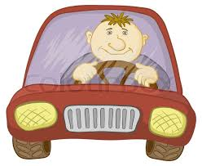
The average Joe thinks he's a better than average driver.
In fact, most people think that.
Are they all wrong???
What does 'average' mean?
You have been hired as a statistician to give expert testimony defending the average Joe!
Create a skewed distribution of driving quality in order to defend average Joe.
Report the skewness of your simulated distribution.
Defend Average Joe!!!

ProgrammingAnswer
R Code
sameDoor = 0
diffDoor = 0
nsim = 10000
for (i in 1:nsim){
prize = as.integer(runif(1)*3,digits = 0) + 1
pick1 = as.integer(runif(1)*3,digits = 0) + 1
if (prize == pick1){
host = sample(setdiff(1:3,prize),1)
pick2 = setdiff(1:3,c(pick1,host))
}
if (prize != pick1){
host = setdiff(1:3,c(prize,pick1))
pick2 = setdiff(1:3,c(pick1,host))
}
sameDoor = sameDoor + (pick1==prize)+0
diffDoor = diffDoor + (pick2==prize)+0
}
sameDoor/nsim
diffDoor/nsim

