2_PortfolioDuration
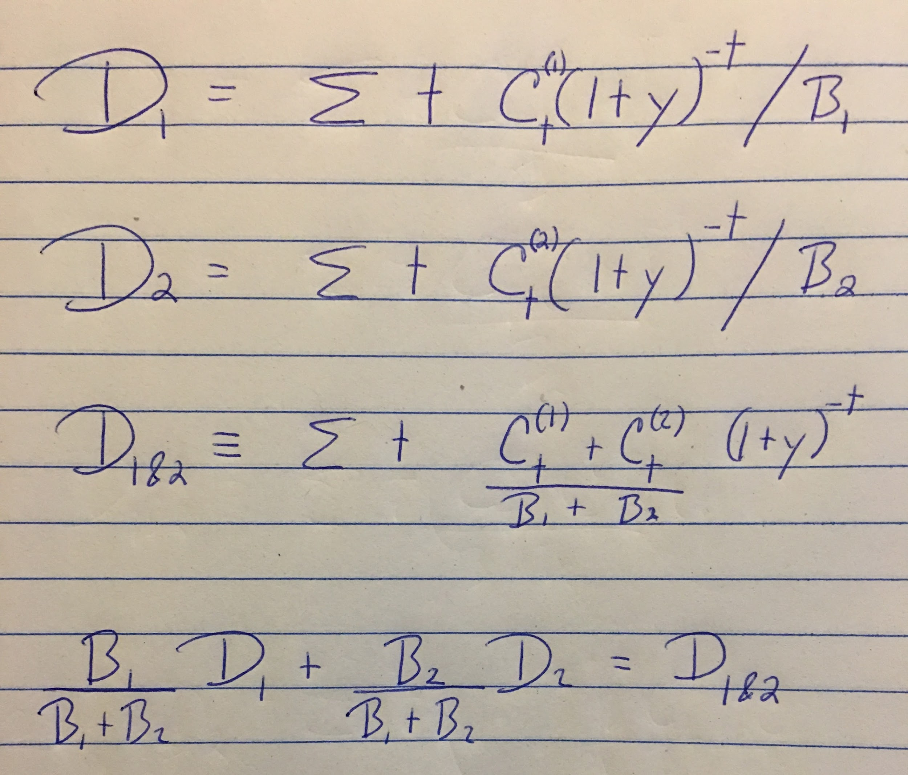
Do some math to transform the row 4 version of D1&2 into the row 3 version.
You can replace D1 and D2 with their definitions to create row 3.

