ConditionalProb1
Video | ConditionalProbability

 | Boots | Rain |  | Frequency |  | Probability | Description
 | 0 | 0
 | 0 | 0 | Boots | 148 | Boots | 15%
 | 0 | 0 | Rain | 112 | Rain | 11%
 | 0 | 0 | Boots & Rain | 98 | Boots & Rain | 9.8%
 | 0 | 0 | NoRain | 888 | NoRain | 89%
 | 0 | 0 | Boots & NoRain | 50 | Boots & NoRain | 5%
 | 0 | 0
 | 0 | 0 |  |  | Boots|NoRain | 6%
 | 0 | 0 |  |  | Boots|Rain | 88% | count(rain&boots)/count(rain)
 | 0 | 0 |  |  | Rain | Boots | 66% | count(rain&boots)/count(boots)
 | 0 | 0
 | 0 | 0 |  |  | Boots | 15% | [count(boots & Rain) + count(boots & NoRain)]/N
 | 0 | 0 |  |  |  |  | P(Boots|Rain)P(Rain) + P(Boots|NoRain)P(NoRain)
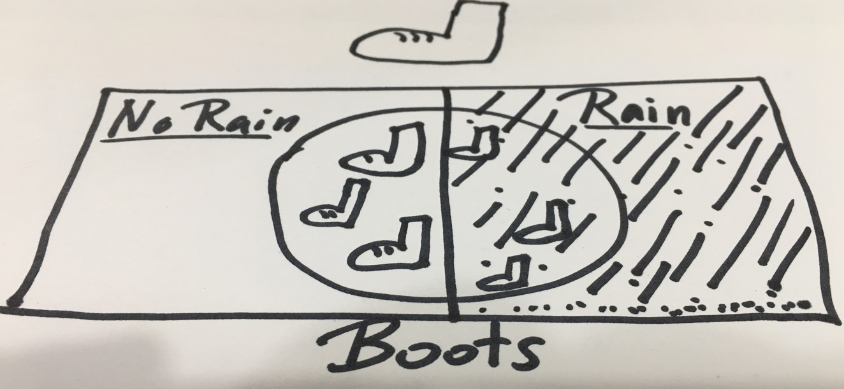
 | 0 | 0
 | 0 | 0
 | 1 | 0
 | 0 | 0
 | 0 | 0
 | 0 | 0
 | 0 | 0
 | 1 | 1
 | 0 | 0
 | 0 | 0
 | 0 | 0
 | 0 | 0
 | 0 | 0
 | 0 | 0
 | 0 | 0
 | 1 | 0
 | 0 | 0
 | 0 | 0
 | 1 | 1
 | 0 | 0
 | 0 | 0
 | 0 | 0
 | 0 | 0
 | 0 | 0
 | 0 | 0
 | 0 | 0
 | 0 | 0
 | 0 | 0
 | 0 | 0
 | 0 | 0
 | 0 | 0
 | 0 | 0
 | 0 | 0
 | 0 | 0
 | 0 | 0
 | 0 | 0
 | 0 | 0
 | 1 | 1
 | 0 | 0
 | 0 | 0
 | 0 | 0
 | 0 | 0
 | 0 | 0
 | 0 | 0
 | 0 | 0
 | 0 | 0
 | 1 | 0
 | 0 | 0
 | 0 | 0
 | 0 | 0
 | 0 | 0
 | 0 | 0
 | 0 | 0
 | 0 | 0
 | 1 | 1
 | 0 | 0
 | 0 | 0
 | 0 | 0
 | 0 | 0
 | 0 | 0
 | 0 | 0
 | 0 | 0
 | 0 | 0
 | 0 | 0
 | 0 | 0
 | 0 | 0
 | 0 | 0
 | 0 | 0
 | 0 | 0
 | 0 | 0
 | 0 | 0
 | 0 | 0
 | 0 | 0
 | 0 | 0
 | 0 | 0
 | 0 | 0
 | 0 | 0
 | 0 | 0
 | 0 | 0
 | 0 | 0
 | 0 | 0
 | 0 | 0
 | 0 | 0
 | 0 | 0
 | 0 | 0
 | 0 | 0
 | 0 | 0
 | 0 | 0
 | 0 | 0
 | 1 | 1
 | 0 | 0
 | 1 | 1
 | 0 | 0
 | 0 | 0
 | 0 | 0
 | 0 | 0
 | 0 | 0
 | 0 | 0
 | 0 | 0
 | 0 | 0
 | 0 | 0
 | 0 | 0
 | 0 | 0
 | 0 | 0
 | 0 | 0
 | 0 | 0
 | 0 | 0
 | 0 | 0
 | 0 | 0
 | 0 | 0
 | 0 | 0
 | 0 | 0
 | 0 | 0
 | 0 | 0
 | 0 | 0
 | 0 | 0
 | 0 | 0
 | 0 | 0
 | 0 | 0
 | 0 | 0
 | 0 | 0
 | 0 | 0
 | 0 | 0
 | 0 | 0
 | 0 | 0
 | 0 | 0
 | 1 | 1
 | 0 | 0
 | 0 | 0
 | 0 | 0
 | 0 | 0
 | 0 | 0
 | 0 | 0
 | 0 | 0
 | 0 | 0
 | 0 | 0
 | 1 | 0
 | 0 | 0
 | 0 | 0
 | 0 | 0
 | 1 | 0
 | 0 | 0
 | 0 | 0
 | 1 | 1
 | 1 | 1
 | 1 | 0
 | 0 | 0
 | 0 | 0
 | 0 | 0
 | 0 | 0
 | 0 | 0
 | 0 | 0
 | 1 | 1
 | 1 | 1
 | 0 | 0
 | 0 | 0
 | 0 | 0
 | 0 | 0
 | 0 | 0
 | 0 | 0
 | 0 | 0
 | 0 | 0
 | 0 | 0
 | 0 | 0
 | 0 | 0
 | 0 | 0
 | 1 | 1
 | 0 | 0
 | 0 | 0
 | 0 | 0
 | 1 | 0
 | 0 | 0
 | 0 | 0
 | 0 | 0
 | 0 | 0
 | 0 | 0
 | 0 | 0
 | 0 | 0
 | 0 | 0
 | 0 | 0
 | 0 | 0
 | 0 | 0
 | 1 | 0
 | 0 | 0
 | 0 | 0
 | 1 | 0
 | 0 | 0
 | 0 | 0
 | 0 | 0
 | 0 | 0
 | 0 | 0
 | 0 | 0
 | 0 | 0
 | 0 | 0
 | 0 | 0
 | 0 | 0
 | 1 | 0
 | 0 | 0
 | 1 | 1
 | 0 | 0
 | 0 | 0
 | 0 | 0
 | 0 | 0
 | 0 | 0
 | 0 | 0
 | 0 | 0
 | 0 | 0
 | 0 | 0
 | 0 | 0
 | 1 | 1
 | 0 | 0
 | 0 | 0
 | 0 | 0
 | 0 | 0
 | 0 | 0
 | 0 | 0
 | 0 | 0
 | 0 | 0
 | 0 | 0
 | 0 | 0
 | 1 | 0
 | 0 | 0
 | 0 | 0
 | 1 | 0
 | 1 | 1
 | 0 | 0
 | 0 | 0
 | 0 | 0
 | 0 | 0
 | 0 | 0
 | 0 | 0
 | 1 | 0
 | 0 | 0
 | 0 | 0
 | 0 | 0
 | 0 | 0
 | 0 | 0
 | 1 | 1
 | 0 | 0
 | 0 | 0
 | 0 | 0
 | 1 | 1
 | 1 | 1
 | 0 | 0
 | 1 | 1
 | 0 | 0
 | 0 | 0
 | 0 | 1
 | 0 | 0
 | 0 | 0
 | 0 | 0
 | 0 | 0
 | 0 | 0
 | 0 | 0
 | 0 | 0
 | 0 | 0
 | 1 | 1
 | 0 | 0
 | 0 | 0
 | 0 | 0
 | 0 | 0
 | 1 | 1
 | 0 | 0
 | 0 | 0
 | 0 | 0
 | 0 | 0
 | 0 | 0
 | 1 | 1
 | 0 | 0
 | 1 | 0
 | 0 | 0
 | 0 | 0
 | 0 | 0
 | 0 | 0
 | 0 | 0
 | 0 | 0
 | 0 | 0
 | 0 | 0
 | 1 | 1
 | 0 | 0
 | 0 | 0
 | 0 | 0
 | 0 | 0
 | 1 | 1
 | 0 | 0
 | 0 | 0
 | 0 | 0
 | 0 | 0
 | 0 | 0
 | 0 | 0
 | 0 | 0
 | 0 | 0
 | 1 | 1
 | 0 | 0
 | 0 | 0
 | 0 | 0
 | 1 | 1
 | 0 | 0
 | 0 | 0
 | 0 | 0
 | 0 | 0
 | 0 | 0
 | 1 | 1
 | 1 | 1
 | 0 | 0
 | 0 | 0
 | 0 | 0
 | 0 | 0
 | 1 | 0
 | 0 | 0
 | 1 | 1
 | 0 | 0
 | 0 | 0
 | 0 | 0
 | 0 | 0
 | 0 | 0
 | 1 | 0
 | 1 | 1
 | 1 | 0
 | 1 | 0
 | 0 | 0
 | 1 | 0
 | 0 | 0
 | 0 | 0
 | 1 | 1
 | 0 | 0
 | 0 | 0
 | 0 | 0
 | 0 | 0
 | 0 | 0
 | 0 | 0
 | 0 | 0
 | 0 | 0
 | 0 | 0
 | 0 | 0
 | 0 | 0
 | 0 | 0
 | 0 | 1
 | 0 | 0
 | 0 | 0
 | 0 | 0
 | 0 | 0
 | 0 | 0
 | 1 | 1
 | 0 | 0
 | 0 | 0
 | 1 | 1
 | 1 | 1
 | 1 | 1
 | 0 | 0
 | 1 | 1
 | 0 | 0
 | 0 | 0
 | 0 | 0
 | 1 | 0
 | 0 | 0
 | 0 | 0
 | 0 | 0
 | 0 | 0
 | 0 | 0
 | 0 | 0
 | 0 | 0
 | 1 | 1
 | 0 | 0
 | 0 | 0
 | 0 | 0
 | 1 | 1
 | 0 | 0
 | 0 | 0
 | 0 | 0
 | 0 | 0
 | 0 | 0
 | 0 | 0
 | 0 | 0
 | 1 | 0
 | 0 | 0
 | 0 | 0
 | 0 | 0
 | 0 | 0
 | 0 | 0
 | 0 | 0
 | 0 | 0
 | 0 | 0
 | 1 | 1
 | 0 | 0
 | 0 | 0
 | 1 | 1
 | 0 | 0
 | 0 | 0
 | 0 | 0
 | 0 | 0
 | 1 | 0
 | 0 | 0
 | 0 | 0
 | 0 | 0
 | 0 | 0
 | 0 | 0
 | 0 | 0
 | 0 | 0
 | 0 | 0
 | 1 | 1
 | 0 | 0
 | 0 | 0
 | 0 | 0
 | 0 | 0
 | 0 | 0
 | 0 | 0
 | 0 | 0
 | 0 | 0
 | 0 | 0
 | 1 | 1
 | 0 | 1
 | 0 | 0
 | 1 | 1
 | 0 | 0
 | 1 | 0
 | 1 | 1
 | 1 | 1
 | 0 | 0
 | 0 | 0
 | 0 | 0
 | 0 | 0
 | 0 | 0
 | 1 | 1
 | 0 | 0
 | 0 | 0
 | 0 | 0
 | 0 | 0
 | 0 | 0
 | 0 | 0
 | 0 | 0
 | 0 | 0
 | 0 | 0
 | 0 | 0
 | 0 | 0
 | 0 | 0
 | 0 | 0
 | 0 | 0
 | 0 | 0
 | 1 | 1
 | 0 | 0
 | 1 | 0
 | 0 | 0
 | 0 | 0
 | 0 | 0
 | 0 | 0
 | 0 | 0
 | 0 | 0
 | 0 | 0
 | 0 | 0
 | 1 | 1
 | 0 | 0
 | 1 | 0
 | 0 | 0
 | 0 | 0
 | 0 | 0
 | 0 | 0
 | 1 | 0
 | 0 | 0
 | 0 | 0
 | 0 | 0
 | 1 | 1
 | 0 | 0
 | 0 | 0
 | 1 | 1
 | 0 | 0
 | 0 | 0
 | 0 | 0
 | 0 | 0
 | 0 | 0
 | 0 | 0
 | 0 | 0
 | 1 | 1
 | 0 | 0
 | 0 | 0
 | 1 | 1
 | 0 | 0
 | 0 | 0
 | 0 | 0
 | 0 | 0
 | 0 | 0
 | 0 | 0
 | 0 | 0
 | 0 | 0
 | 1 | 0
 | 0 | 0
 | 0 | 0
 | 0 | 0
 | 0 | 0
 | 0 | 0
 | 0 | 0
 | 0 | 0
 | 0 | 0
 | 1 | 1
 | 0 | 0
 | 1 | 1
 | 0 | 0
 | 0 | 1
 | 0 | 0
 | 0 | 0
 | 0 | 0
 | 0 | 0
 | 0 | 0
 | 0 | 0
 | 1 | 1
 | 0 | 0
 | 0 | 0
 | 0 | 0
 | 1 | 1
 | 0 | 0
 | 0 | 0
 | 0 | 0
 | 0 | 0
 | 0 | 0
 | 0 | 0
 | 0 | 0
 | 0 | 0
 | 1 | 1
 | 0 | 0
 | 1 | 1
 | 1 | 1
 | 1 | 1
 | 0 | 0
 | 0 | 0
 | 0 | 0
 | 0 | 0
 | 1 | 1
 | 0 | 0
 | 1 | 0
 | 0 | 0
 | 0 | 0
 | 1 | 1
 | 0 | 0
 | 1 | 1
 | 0 | 0
 | 0 | 0
 | 0 | 0
 | 0 | 1
 | 1 | 1
 | 0 | 0
 | 0 | 0
 | 0 | 0
 | 0 | 0
 | 0 | 0
 | 0 | 0
 | 0 | 0
 | 0 | 0
 | 1 | 0
 | 0 | 0
 | 0 | 0
 | 0 | 0
 | 0 | 0
 | 0 | 0
 | 0 | 0
 | 1 | 1
 | 0 | 0
 | 0 | 0
 | 0 | 0
 | 0 | 0
 | 0 | 0
 | 0 | 0
 | 0 | 0
 | 0 | 0
 | 0 | 0
 | 0 | 0
 | 0 | 0
 | 0 | 0
 | 0 | 0
 | 0 | 0
 | 0 | 0
 | 0 | 0
 | 1 | 1
 | 0 | 0
 | 0 | 0
 | 0 | 0
 | 0 | 0
 | 1 | 0
 | 1 | 1
 | 0 | 0
 | 0 | 0
 | 0 | 0
 | 0 | 0
 | 1 | 0
 | 0 | 0
 | 0 | 0
 | 0 | 0
 | 0 | 0
 | 0 | 0
 | 0 | 0
 | 0 | 0
 | 0 | 0
 | 0 | 0
 | 0 | 0
 | 0 | 0
 | 0 | 0
 | 0 | 0
 | 0 | 0
 | 0 | 0
 | 0 | 0
 | 0 | 0
 | 1 | 0
 | 0 | 0
 | 0 | 0
 | 0 | 0
 | 0 | 0
 | 0 | 0
 | 0 | 0
 | 0 | 0
 | 0 | 0
 | 0 | 0
 | 0 | 0
 | 0 | 0
 | 0 | 0
 | 0 | 0
 | 0 | 0
 | 0 | 0
 | 0 | 0
 | 0 | 0
 | 0 | 0
 | 0 | 0
 | 0 | 0
 | 0 | 0
 | 0 | 0
 | 0 | 0
 | 0 | 0
 | 0 | 0
 | 0 | 0
 | 0 | 0
 | 0 | 0
 | 0 | 0
 | 0 | 0
 | 0 | 0
 | 0 | 0
 | 0 | 0
 | 0 | 0
 | 1 | 0
 | 0 | 0
 | 0 | 0
 | 0 | 0
 | 1 | 1
 | 0 | 0
 | 0 | 0
 | 0 | 0
 | 0 | 0
 | 1 | 1
 | 0 | 0
 | 0 | 0
 | 0 | 0
 | 0 | 0
 | 0 | 0
 | 0 | 0
 | 0 | 0
 | 0 | 1
 | 1 | 1
 | 0 | 0
 | 1 | 0
 | 1 | 1
 | 1 | 0
 | 0 | 0
 | 0 | 0
 | 0 | 0
 | 0 | 0
 | 0 | 0
 | 0 | 0
 | 0 | 0
 | 0 | 0
 | 0 | 0
 | 0 | 0
 | 0 | 0
 | 0 | 0
 | 1 | 0
 | 0 | 0
 | 0 | 0
 | 0 | 0
 | 0 | 0
 | 0 | 0
 | 0 | 0
 | 0 | 0
 | 0 | 0
 | 0 | 0
 | 0 | 0
 | 0 | 0
 | 0 | 0
 | 0 | 0
 | 0 | 0
 | 0 | 0
 | 0 | 0
 | 1 | 1
 | 0 | 0
 | 0 | 0
 | 0 | 0
 | 0 | 0
 | 0 | 0
 | 0 | 0
 | 0 | 0
 | 0 | 0
 | 0 | 0
 | 0 | 0
 | 0 | 0
 | 0 | 0
 | 0 | 0
 | 0 | 0
 | 1 | 1
 | 1 | 0
 | 0 | 0
 | 0 | 0
 | 0 | 0
 | 0 | 0
 | 0 | 0
 | 0 | 0
 | 0 | 0
 | 0 | 0
 | 1 | 1
 | 1 | 1
 | 0 | 0
 | 0 | 0
 | 1 | 1
 | 0 | 0
 | 1 | 0
 | 0 | 0
 | 0 | 0
 | 0 | 0
 | 0 | 0
 | 0 | 0
 | 0 | 0
 | 0 | 1
 | 0 | 0
 | 0 | 0
 | 0 | 0
 | 0 | 0
 | 1 | 1
 | 1 | 1
 | 0 | 0
 | 0 | 0
 | 0 | 0
 | 0 | 0
 | 0 | 1
 | 0 | 0
 | 0 | 0
 | 0 | 0
 | 0 | 1
 | 0 | 0
 | 1 | 1
 | 0 | 0
 | 1 | 1
 | 0 | 0
 | 0 | 0
 | 1 | 1
 | 0 | 0
 | 0 | 0
 | 0 | 0
 | 1 | 0
 | 0 | 0
 | 0 | 0
 | 0 | 0
 | 0 | 0
 | 0 | 0
 | 0 | 0
 | 1 | 0
 | 0 | 0
 | 0 | 0
 | 0 | 0
 | 0 | 0
 | 0 | 0
 | 0 | 0
 | 0 | 0
 | 0 | 0
 | 0 | 0
 | 0 | 0
 | 0 | 0
 | 0 | 0
 | 0 | 0
 | 0 | 0
 | 0 | 0
 | 0 | 0
 | 0 | 0
 | 0 | 0
 | 0 | 0
 | 1 | 1
 | 0 | 1
 | 0 | 0
 | 1 | 1
 | 0 | 0
 | 1 | 0
 | 0 | 0
 | 0 | 0
 | 1 | 1
 | 0 | 0
 | 0 | 0
 | 1 | 1
 | 1 | 0
 | 0 | 0
 | 1 | 1
 | 0 | 0
 | 0 | 0
 | 0 | 1
 | 0 | 0
 | 0 | 0
 | 0 | 0
 | 1 | 1
 | 0 | 0
 | 0 | 0
 | 0 | 1
 | 1 | 1
 | 1 | 0
 | 0 | 0
 | 0 | 0
 | 0 | 0
 | 0 | 0
 | 1 | 0
 | 0 | 0
 | 0 | 0
 | 0 | 0
 | 0 | 0
 | 0 | 0
 | 0 | 0
 | 0 | 0
 | 0 | 1
 | 0 | 0
 | 0 | 0
 | 0 | 0
 | 0 | 0
 | 0 | 0
 | 0 | 0
 | 0 | 0
 | 0 | 0
 | 0 | 0
 | 0 | 0
 | 0 | 0
 | 0 | 0
 | 0 | 0
 | 0 | 0
 | 0 | 0
 | 1 | 1
 | 0 | 0
 | 0 | 0
 | 0 | 0
 | 0 | 0
 | 0 | 0
 | 0 | 0
 | 0 | 0
 | 0 | 0
 | 0 | 0
 | 0 | 0
 | 0 | 0
 | 0 | 0
 | 0 | 0
 | 0 | 0
 | 0 | 0
 | 0 | 0
 | 0 | 0
 | 0 | 0
 | 1 | 1
 | 0 | 0
 | 0 | 0
 | 1 | 0
 | 0 | 0
 | 0 | 0
 | 0 | 0
 | 0 | 0
 | 0 | 0
 | 0 | 0
 | 0 | 0
 | 0 | 0
 | 0 | 0
 | 0 | 0
 | 0 | 0
 | 0 | 0
 | 0 | 0
 | 0 | 0
 | 1 | 1
 | 0 | 0
 | 0 | 0
 | 0 | 0
 | 0 | 0
 | 0 | 0
 | 0 | 0
 | 0 | 0
 | 0 | 0
 | 1 | 1
 | 0 | 0
 | 0 | 0
 | 0 | 0
 | 0 | 0
 | 0 | 0
 | 0 | 0
 | 0 | 0
 | 0 | 0
 | 0 | 0
 | 0 | 0
 | 0 | 0
 | 0 | 0
 | 0 | 0
 | 0 | 0
 | 0 | 0
 | 0 | 0
 | 0 | 0
 | 0 | 0
 | 0 | 0
 | 0 | 0
 | 0 | 0
 | 0 | 0
 | 1 | 1
 | 0 | 0
 | 0 | 0
 | 0 | 0
 | 0 | 0
 | 0 | 0
 | 0 | 0
 | 0 | 0
 | 1 | 1
 | 0 | 0
 | 0 | 0
 | 0 | 0
 | 0 | 0
 | 0 | 0
 | 0 | 0
 | 0 | 0
 | 0 | 0
 | 0 | 0
 | 0 | 0
 | 0 | 0
 | 0 | 0
 | 1 | 1
 | 0 | 0
 | 1 | 1
 | 1 | 0
 | 1 | 0
 | 0 | 0
 | 0 | 0
 | 1 | 0
 | 0 | 0
 | 0 | 0
 | 0 | 0
 | 0 | 0
 | 0 | 0
 | 0 | 0
 | 1 | 1
 | 0 | 0
 | 1 | 0
 | 0 | 0
 | 0 | 0
 | 0 | 0
 | 0 | 0
 | 0 | 0
 | 0 | 0
 | 1 | 1
 | 0 | 0
 | 0 | 0
 | 0 | 0
 | 0 | 0
 | 0 | 0
 | 0 | 0
 | 0 | 0
 | 0 | 0
 | 0 | 0
 | 0 | 1
 | 0 | 0
 | 0 | 0
 | 0 | 0
 | 0 | 0
 | 0 | 0
 | 0 | 0
 | 0 | 0
 | 0 | 0
 | 0 | 0
 | 0 | 0
 | 0 | 0
 | 0 | 0
 | 0 | 0
 | 0 | 0
 | 0 | 0
 | 0 | 0
 | 0 | 0
 | 0 | 0
 | 1 | 0
 | 0 | 0
 | 0 | 0
 | 0 | 0
 | 0 | 0
 | 0 | 0
 | 0 | 0
 | 0 | 0
 | 0 | 0
 | 0 | 0
 | 0 | 0
 | 0 | 0

Normal
Video
 | The normal distribution is a distribution that emerges in nature.
 | People's height and weight are normally distributed.
 | The distribution can emerge when you sum a bunch of small random draws.
 | A formal statement of this is the central limit theorem (CLT).
 | CLT states that the sum of independent random variables are normally distributed.
 | Casual examples of normally distributed data are:
 |  | height
 |  | weight
 |  | IQ
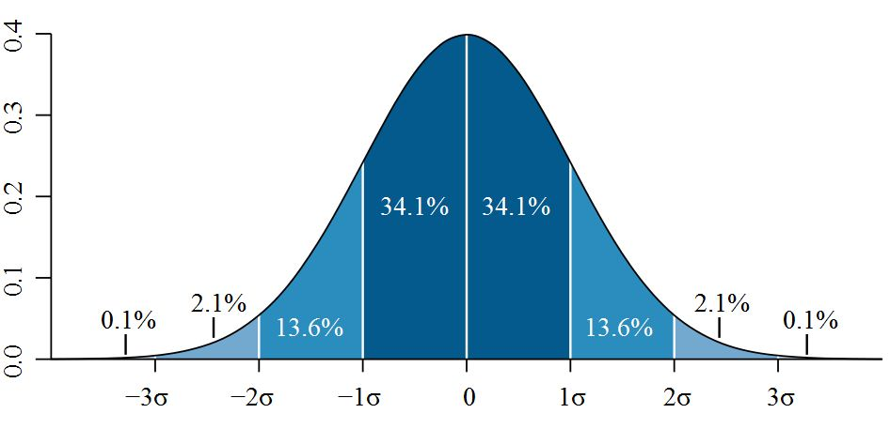
 |  | stock returns

 | Quantiles (Memorize!)
 | q | NORM.DIST(q,0,1,TRUE)
 | -3 | 0.13%
 | -2 | 2.28%
 | -1 | 15.87%
 | 0 | 50.00%
 | 1 | 84.13%
 | 2 | 97.72%
 | 3 | 99.87%

 | Simulation
 |  | NORM.INV(RAND(),0,1)
 |  | -0.087

NextClass1_MeanVar
Central Tendency
3.1 & 3.2 Page 29
 | Mean | 0.03
 | Median | 0.01

Variance
3.18 & 3.19 Page 39
 | Dispersion about a mean
 | Excel | Manual
 | 0.93 | 0.93
 | 0.94 | 0.94

 |  | min | -2.5996984819
 |  | max | 1.9854982882
 |  | range | 4.5851967702

 |  |  | Bin | CumFreq | PDF
 | X | 0 | -2.6 | 1 | 1
1 | 0.90792311257 | 1 | -2.4 | 1 | 0
2 | -1.041093541 | 2 | -2.1 | 2 | 1
3 | -0.10833077549 | 3 | -1.9 | 2 | 0
4 | 1.2401799807 | 4 | -1.7 | 3 | 1
5 | -0.56216060258 | 5 | -1.5 | 7 | 4
6 | -0.14676460338 | 6 | -1.2 | 10 | 3
7 | 1.665226828 | 7 | -1.0 | 14 | 4
8 | -0.020408055577 | 8 | -0.8 | 19 | 5
9 | -0.58530568638 | 9 | -0.5 | 30 | 11
10 | -0.050735361912 | 10 | -0.3 | 38 | 8
11 | 1.4551052826 | 11 | -0.1 | 45 | 7
12 | 1.3749146704 | 12 | 0.2 | 58 | 13
13 | -1.4255668653 | 13 | 0.4 | 62 | 4
14 | 0.022045680952 | 14 | 0.6 | 72 | 10
15 | 0.81621418126 | 15 | 0.8 | 78 | 6
16 | 0.70166042299 | 16 | 1.1 | 84 | 6
17 | 1.6894383842 | 17 | 1.3 | 87 | 3
18 | 0.43461292837 | 18 | 1.5 | 94 | 7
19 | 0.66146967619 | 19 | 1.8 | 98 | 4
20 | 1.9854982882 | 20 | 2.0 | 100 | 2
21 | 0.41293733293
22 | -0.62744486545
23 | -2.2618023879
24 | 0.58010125571
25 | -1.0228040448
26 | 0.02228283919
27 | -0.033016272024
28 | -0.70944648209
29 | 1.0369595912
30 | -0.74623359594
31 | -0.85405212225
32 | 1.0908240131
33 | 1.7445814713
34 | -0.49816233317
35 | -0.86670961366
36 | -0.094720776894
37 | 1.3923429605
38 | 0.68389422479
39 | 0.44505759293
40 | -0.4880544413
41 | 0.47064887262
42 | 0.98181429154
43 | -0.3445953257
44 | 1.3468437568
45 | -1.7183642645
46 | 0.21634133545
47 | 0.13059756292
48 | -0.33316287036
49 | 1.4723177676
50 | -0.045078185109
51 | 0.95210094781
52 | 0.14313134061
53 | 0.14849527067
54 | -1.2165414939
55 | -1.2109892172
56 | -0.74374356106
57 | 0.55731077402
58 | -0.33144823385
59 | -1.501516753
60 | -0.97143988929
61 | 1.7832702207
62 | -0.19113806248
63 | 1.533298504
64 | -0.33498471338
65 | 1.4163776465
66 | -0.87799503473
67 | 0.22653462234
68 | -0.51777967893
69 | -0.19490158918
70 | 0.95404995406
71 | 0.56337488529
72 | -1.5486330642
73 | 0.058980571493
74 | 0.99478548214
75 | -0.73745194898
76 | 0.6106223761
77 | -2.5996984819
78 | -0.71951334202
79 | 0.44623071661
80 | -1.6671311535
81 | -0.00053528994895
82 | -0.35839970979
83 | -0.13562949547
84 | 0.58055501915
85 | -0.6423857361
86 | 0.79638902575
87 | 0.064510859037
88 | -1.4571924377
89 | -0.19805066061
90 | -0.55608895747
91 | -1.4078943862
92 | 1.1422528558
93 | 0.14190631556
94 | -1.3993569255
95 | 0.35123630113
96 | -0.54233693118
97 | -0.91965343417
98 | 1.3216455661
99 | 0.48612875765
100 | 0.23281255615

5_DenomSwitch
Video: | BaseRate

 | Find your own example of denominator switching.

 |  | Geniuses tend to be evil supervillains???
 |  | P(Genius & Supervillain ) / P(Genius)

 |  |  | Or …

 |  | Evil Supervillains tend to be geniuses.
 |  | P(Genius & Supervillain ) / P(Supervillain)







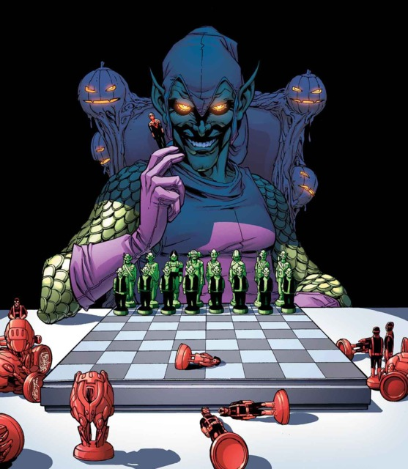
 |  | Supervillains | Brainiac | Bullseye | Catwoman | Doc Occ | Kingpin | Joker | Juggernaut | Lex Luthor | Loki | Magneto | Norman Osborn | The Riddler | Two-Face | Ultron | Venom
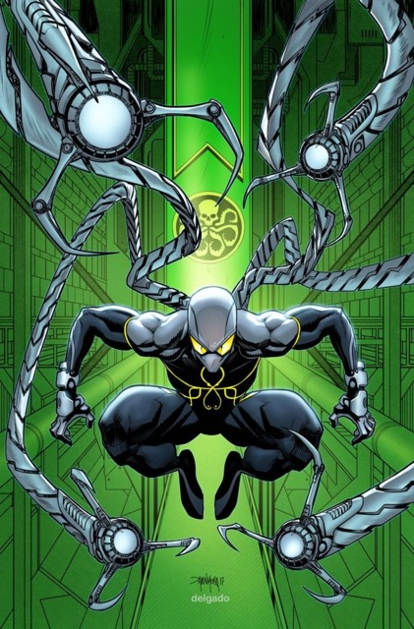

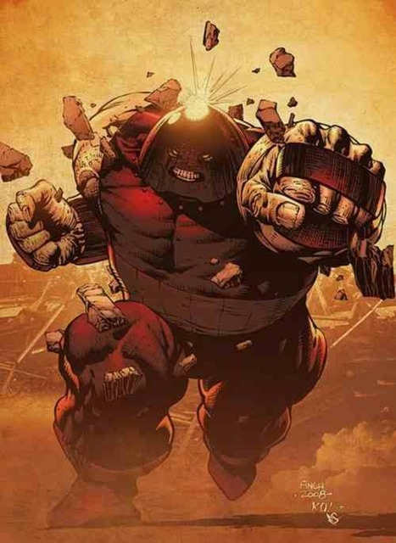






 |  | Genius | Y | N | N | Y | Y | Y | N | Y | N | N | Y | Y | N | Y | N

 |  |  |  |  | Population | 8000000000
 |  |  |  |  | 5 sigma | 2.8665157188E-07
 |  |  |  |  | Geniuses | 2293
 |  |  |  |  | Supervillains | 15

 |  |  |  |  | P(Genius & Supervillain ) | 0.000000001
 |  |  |  |  | P(Genius & Supervillain ) / P(Genius) | 0.3%
 |  |  |  |  | P(Genius & Supervillain ) / P(Supervillain) | 53%

7_Backtest1
Backtest1
Backtest2 | Date | Price | %Change
Backtest3 | 2025-09-13 | 292.222 | -0.025526332415 |  |  |  | You believe the that 99th percentile worst change is a reliable measure of risk.
 | 2025-09-12 | 299.8767537 | -0.018032875442 |  |  |  | Backtest this assumption.
 | 2025-09-11 | 305.38369992 | -0.0096291439751
 | 2025-09-10 | 308.35287414 | -0.010313875601 |  |  |  | The idea:
 | 2025-09-09 | 311.56633052 | -0.004447203782 |  |  |  | The returns should only be worse than the preceeding estimate 1% of the time.
 | 2025-09-08 | 312.95811905 | 0.0093128382158
 | 2025-09-07 | 310.0704828 | 0.0055169639582 |  |  |  | Steps:
 | 2025-09-06 | 308.36922093 | -0.014296912794 |  |  |  | Start at the bottom of this history of returns.
 | 2025-09-05 | 312.84189421 | -0.039693273053 |  |  |  | For the previous 60 days, identify whether or not the worst change is worse than -.04
 | 2025-09-04 | 325.77288634 | 0.011137401933 |  |  |  |  | Accomplish this task in a single row.
 | 2025-09-03 | 322.18458709 | -0.010706565323 |  |  |  |  | Use Percentile.Inc()
 | 2025-09-02 | 325.67140931 | -0.0037002360232 |  |  |  |  | Note that, since the subject matter is %changes, the 99th worst change is 1st percentile.
 | 2025-09-01 | 326.88094596 | 0.04541073342 |  |  |  | Now, repeat that but on a window that is one day forward.
 | 2025-08-31 | 312.68183453 | -0.016881702311 |  |  |  |  | So instead of the very last 60 days, the window is from n-61 to n-1
 | 2025-08-30 | 318.05107815 | -0.040613503644 |  |  |  |  | If you have successully done this the first time in a single row, then you can just copy the calculation.
 | 2025-08-29 | 331.51506651 | -0.0087930914167 |  |  |  | Drag this calculation up to the top.
 | 2025-08-28 | 334.45596842 | -0.0085161547202 |  |  |  | Count up the number of exceedances.
 | 2025-08-27 | 337.32871192 | 0.0039410218837 |  |  |  |  | Use the COUNT function to count the number of days.
 | 2025-08-26 | 336.00451079 | -0.02841513304 |  |  |  |  | Use the SUM function to count the number of exceedances.
 | 2025-08-25 | 345.83135475 | -0.024650669994 |  |  |  | Now, use the binomial distribution to observe what the probability of observing that count.
 | 2025-08-24 | 354.57178685 | -0.01015208109
 | 2025-08-23 | 358.20834704 | 0.011065332861
 | 2025-08-22 | 354.28803204 | -0.034334355896 |  |  |  | Populate the cell below in order to observe where your result is in the distribution below.
 | 2025-08-21 | 366.88478481 | 0.039446665686
 | 2025-08-20 | 352.96162557 | 0.017024012948 |  |  |  |  | Number of trials (Use the COUNT function)
 | 2025-08-19 | 347.05338426 | -0.013032528156 |  |  |  | 1% | Probability of Exceedance
 | 2025-08-18 | 351.63609152 | -0.0095274447191
 | 2025-08-17 | 355.01851076 | 0.023502526009
 | 2025-08-16 | 346.86627706 | 0.0057520298785
 | 2025-08-15 | 344.8825026 | 0.0043490314968
Exceedance by Percentile
 | 2025-08-14 | 343.38909262 | -0.014508167265 |  |  |  | 5% | 0
 | 2025-08-13 | 348.444382 | -0.019587212407 |  |  |  | 0.1 | 0
 | 2025-08-12 | 355.40579071 | -0.0030537713022 |  |  |  | 15% | 0
 | 2025-08-11 | 356.49444321 | -0.0090637243141 |  |  |  | 0.2 | 0
 | 2025-08-10 | 359.75516485 | -0.023178944785 |  |  |  | 25% | 0
 | 2025-08-09 | 368.29177967 | -0.025018004699 |  |  |  | 0.3 | 0
 | 2025-08-08 | 377.74213416 | -0.0062306568055 |  |  |  | 35% | 0
 | 2025-08-07 | 380.11047206 | -0.025680667356 |  |  |  | 0.4 | 0
 | 2025-08-06 | 390.12925159 | -0.0037696369593 |  |  |  | 45% | 0
 | 2025-08-05 | 391.60546202 | 0.0026215912972 |  |  |  | 0.5 | 0
 | 2025-08-04 | 390.58151691 | 0.0089592301395 |  |  |  | 55% | 0
 | 2025-08-03 | 387.11327995 | -0.011722731509 |  |  |  | 0.6 | 0
 | 2025-08-02 | 391.70513406 | 0.015505517046 |  |  |  | 65% | 0
 | 2025-08-01 | 385.72427967 | 0.005710526581 |  |  |  | 0.7 | 0
 | 2025-07-31 | 383.53409801 | 0.0059665811252 |  |  |  | 75% | 0
 | 2025-07-30 | 381.25928356 | 0.00092489538841 |  |  |  | 0.8 | 0
 | 2025-07-29 | 380.90698445 | 0.006581381468 |  |  |  | 85% | 0
 | 2025-07-28 | 378.41648123 | 0.026087665993 |  |  |  | 0.9 | 0
 | 2025-07-27 | 368.79546824 | 0.00057589890955 |  |  |  | 95% | 0
 | 2025-07-26 | 368.58320157 | 0.015170302596
 | 2025-07-25 | 363.07524031 | -0.0051230468997
 | 2025-07-24 | 364.94487 | -0.026940773173
 | 2025-07-23 | 375.04897948 | 0.011372396582
 | 2025-07-22 | 370.83173394 | 0.004079136482
 | 2025-07-21 | 369.32520602 | -0.013911950221
 | 2025-07-20 | 374.53572843 | -0.0068730972717
 | 2025-07-19 | 377.12776424 | 0.0025006389954
 | 2025-07-18 | 376.18705621 | 0.022814604093
 | 2025-07-17 | 367.79593751 | 0.0088204815312
 | 2025-07-16 | 364.5801649 | -0.019107587946
 | 2025-07-15 | 371.68211357 | -0.005460223008
 | 2025-07-14 | 373.72272298 | -0.028657303702
 | 2025-07-13 | 384.74857989 | 0.013848119263
 | 2025-07-12 | 379.49331125 | -0.00069270172205
 | 2025-07-11 | 379.75636914 | -0.023021849148
 | 2025-07-10 | 388.70507883 | 0.037617688673
 | 2025-07-09 | 374.61300349 | 0.0032484321681
 | 2025-07-08 | 373.4000388 | 0.037421535171
 | 2025-07-07 | 359.93087297 | -0.0013062335229
 | 2025-07-06 | 360.40164168 | 0.0092142415063
 | 2025-07-05 | 357.11113345 | 0.0064061386099
 | 2025-07-04 | 354.83799209 | -0.020277254425
 | 2025-07-03 | 362.18204966 | 0.032561758389
 | 2025-07-02 | 350.76066561 | -0.030872036205
 | 2025-07-01 | 361.93431489 | -0.038489695178
 | 2025-06-30 | 376.42271026 | -0.0033719345707
 | 2025-06-29 | 377.6962774 | 0.010632474934
 | 2025-06-28 | 373.72268037 | -0.016061809569
 | 2025-06-27 | 379.82333037 | -0.0051907800888
 | 2025-06-26 | 381.80519718 | 0.036168752635
 | 2025-06-25 | 368.47781427 | 0.034790589891
 | 2025-06-24 | 356.0892589 | 0.039914672033
 | 2025-06-23 | 342.42161254 | -0.027279301721
 | 2025-06-22 | 352.02459775 | -0.010309894172
 | 2025-06-21 | 355.69174197 | -0.0060241044246
 | 2025-06-20 | 357.84745239 | 5.7799579109E-05
 | 2025-06-19 | 357.82677015 | -0.015400161278
 | 2025-06-18 | 363.42355146 | -0.0065042671382
 | 2025-06-17 | 365.80283079 | 0.0099738490543
 | 2025-06-16 | 362.19039843 | -0.010076815723
 | 2025-06-15 | 365.87727632 | -0.0020392753896
 | 2025-06-14 | 366.6249255 | -0.014396588816
 | 2025-06-13 | 371.98017108 | 0.0013664668522
 | 2025-06-12 | 371.47256613 | 0.001440362246
 | 2025-06-11 | 370.93828063 | -0.029934668919
 | 2025-06-10 | 382.38484435 | 0.0098022273826
 | 2025-06-09 | 378.67300544 | -0.0037509314917
 | 2025-06-08 | 380.09872974 | -0.0023769358303
 | 2025-06-07 | 381.00435264 | 0.020777174261
 | 2025-06-06 | 373.24928716 | 0.0034688424473
 | 2025-06-05 | 371.95901992 | -0.014598829525
 | 2025-06-04 | 377.46963477 | -0.020410102065
 | 2025-06-03 | 385.33434814 | 0.0056768223938
 | 2025-06-02 | 383.15922129 | -0.0033373002842
 | 2025-06-01 | 384.44222043 | 0.0068581072685
 | 2025-05-31 | 381.82363299 | -0.0068420952964
 | 2025-05-30 | 384.45410461 | 0.024980857101
 | 2025-05-29 | 375.0841803 | 0.018306557595
 | 2025-05-28 | 368.34112233 | 0.0016143361319
 | 2025-05-27 | 367.74745433 | -0.0018355581646
 | 2025-05-26 | 368.42371749 | -0.019821556366
 | 2025-05-25 | 375.8741277 | 0.023244559746
 | 2025-05-24 | 367.33557401 | 0.015371602679
 | 2025-05-23 | 361.77451983 | -0.03962371844
 | 2025-05-22 | 376.70080652 | -0.0028829424731
 | 2025-05-21 | 377.78995322 | 0.0039324074127
 | 2025-05-20 | 376.31014841 | 0.010589267399
 | 2025-05-19 | 372.3670541 | 0.011561251999
 | 2025-05-18 | 368.11122744 | -0.010608902561
 | 2025-05-17 | 372.05835831 | -0.0089482535193
 | 2025-05-16 | 375.41769098 | -0.036104273235
 | 2025-05-15 | 389.47956771 | 0.026980226952
 | 2025-05-14 | 379.24738714 | 0.0089101875874
 | 2025-05-13 | 375.89806487 | -0.010006661775
 | 2025-05-12 | 379.69757002 | -0.010171633349
 | 2025-05-11 | 383.5994025 | -0.0084777863019
 | 2025-05-10 | 386.87928238 | 0.0042388132385
 | 2025-05-09 | 385.24629528 | 0.0033993282573
 | 2025-05-08 | 383.94115327 | -0.048217310977
 | 2025-05-07 | 403.39161208 | 0.008563078156
 | 2025-05-06 | 399.96666625 | -0.044589984101
 | 2025-05-05 | 418.63352864 | 0.010977524409
 | 2025-05-04 | 414.08786895 | 0.01977323115
 | 2025-05-03 | 406.05877494 | 0.012842321619
 | 2025-05-02 | 400.91015775 | -0.0077177279653
 | 2025-05-01 | 404.02833856 | 0.0056877864768
 | 2025-04-30 | 401.7433084 | -0.025844904631
 | 2025-04-29 | 412.40179342 | -0.054824484152
 | 2025-04-28 | 436.32297547 | 0.021434289907
 | 2025-04-27 | 427.16695512 | -0.027259660421
 | 2025-04-26 | 439.13769969 | -0.034989243973
 | 2025-04-25 | 455.05990161 | -0.0011487365983
 | 2025-04-24 | 455.58324676 | -0.0023172892033
 | 2025-04-23 | 456.64141699 | -0.013780110231
 | 2025-04-22 | 463.02190994 | 0.042551275098
 | 2025-04-21 | 444.12387285 | 0.0099257086585
 | 2025-04-20 | 439.7589536 | 0.002589161012
 | 2025-04-19 | 438.62328729 | 0.0068873914853
 | 2025-04-18 | 435.62298127 | 0.036520599911
 | 2025-04-17 | 420.2743113 | -0.0011046575062
 | 2025-04-16 | 420.73908388 | -0.0025190565569
 | 2025-04-15 | 421.80162604 | -0.0015803205738
 | 2025-04-14 | 422.4692629 | -0.0094993266805
 | 2025-04-13 | 426.5209245 | -0.002269862426
 | 2025-04-12 | 427.49127088 | -0.0041332314815
 | 2025-04-11 | 429.26552466 | 0.015926264554
 | 2025-04-10 | 422.5361029 | 0.012769666279
 | 2025-04-09 | 417.20848972 | -0.021764498943
 | 2025-04-08 | 426.49084936 | 0.017302598965
 | 2025-04-07 | 419.23696036 | -0.018259887481
 | 2025-04-06 | 427.03456344 | -0.0066820699364
 | 2025-04-05 | 429.90723364 | -0.0024103784688
 | 2025-04-04 | 430.94597654 | -0.013038636226
 | 2025-04-03 | 436.63915565 | 0.0015107018672
 | 2025-04-02 | 435.98051907 | -0.016261135591
 | 2025-04-01 | 443.18724699 | 0.018228422196
 | 2025-03-31 | 435.25326668 | -0.00017602153153
 | 2025-03-30 | 435.32989411 | 0.024004740239
 | 2025-03-29 | 425.12488176 | -3.134823529E-05
 | 2025-03-28 | 425.13820909 | 0.017240529119
 | 2025-03-27 | 417.93282603 | -0.0022587788498
 | 2025-03-26 | 418.87898102 | -0.01156185226
 | 2025-03-25 | 423.77864713 | -0.028485808927
 | 2025-03-24 | 436.20427887 | 0.0064691325645
 | 2025-03-23 | 433.40055323 | -0.021711572435
 | 2025-03-22 | 443.01919661 | 0.019357347803
 | 2025-03-21 | 434.60636995 | -0.011707960216
 | 2025-03-20 | 439.75500404 | -0.0046469239126
 | 2025-03-19 | 441.80805245 | 0.021357359298
 | 2025-03-18 | 432.56951 | 0.016104254493
 | 2025-03-17 | 425.7137081 | -0.01574814212
 | 2025-03-16 | 432.52517605 | -0.02522479779
 | 2025-03-15 | 443.71786958 | -0.013217733075
 | 2025-03-14 | 449.66137359 | -0.024030892089
 | 2025-03-13 | 460.73320349 | -0.014182358184
 | 2025-03-12 | 467.36149156 | 0.0096348467467
 | 2025-03-11 | 462.90150649 | 0.0077545491478
 | 2025-03-10 | 459.33953549 | 0.019985416066
 | 2025-03-09 | 450.33931687 | -0.01632599725
 | 2025-03-08 | 457.81358012 | 0.0031392861014
 | 2025-03-07 | 456.38086999 | -0.012894511618
 | 2025-03-06 | 462.3425514 | -0.024878988771 |  | FALSE | 0 |  | <- copy this row up
 | 2025-03-05 | 474.13864133 | -0.0020484188766 | -0.047363750012 |  |  |  | <- notice how the percentile calculation is on the previous 60 days and does not include the current day.
 | 2025-03-04 | 475.11186945 | 0.025782666834
 | 2025-03-03 | 463.17010885 | -0.0009476518959
 | 2025-03-02 | 463.60944922 | -0.00098023947105
 | 2025-03-01 | 464.06434341 | -0.018891793199
 | 2025-02-28 | 473.0001647 | 0.015230076012
 | 2025-02-27 | 465.9044052 | 0.011803697657
 | 2025-02-26 | 460.46916638 | -0.0188134423
 | 2025-02-25 | 469.29828254 | -0.0051919805227
 | 2025-02-24 | 471.74758682 | 0.005705850256
 | 2025-02-23 | 469.07113715 | 0.012223942596
 | 2025-02-22 | 463.4064829 | -0.0076128090981
 | 2025-02-21 | 466.96137068 | 0.013003007671
 | 2025-02-20 | 460.96740793 | 0.030157735472
 | 2025-02-19 | 447.47264624 | 0.017457162566
 | 2025-02-18 | 439.79507217 | 0.033095521836
 | 2025-02-17 | 425.70610643 | -0.040471712465
 | 2025-02-16 | 443.66186173 | -0.016010237156
 | 2025-02-15 | 450.88056653 | 0.0188367137
 | 2025-02-14 | 442.5444828 | -0.0037618194819
 | 2025-02-13 | 444.21554148 | 0.016657493906
 | 2025-02-12 | 436.93726171 | -0.032224806312
 | 2025-02-11 | 451.48632095 | 0.014972265727
 | 2025-02-10 | 444.82626393 | 0.0072617800614
 | 2025-02-09 | 441.61932154 | -0.012958465764
 | 2025-02-08 | 447.41716151 | 0.0012066460512
 | 2025-02-07 | 446.87793801 | 0.027450995242
 | 2025-02-06 | 434.93844483 | -0.0036180317999
 | 2025-02-05 | 436.51778004 | 0.0055600007174
 | 2025-02-04 | 434.1041606 | 0.0062241428451
 | 2025-02-03 | 431.41894744 | -0.035868955479
 | 2025-02-02 | 447.46920027 | 0.022625870647
 | 2025-02-01 | 437.56882464 | -0.016069482833
 | 2025-01-31 | 444.71516739 | -0.012750396807
 | 2025-01-30 | 450.45869449 | -0.054498826986
 | 2025-01-29 | 476.42320004 | -0.01091997543
 | 2025-01-28 | 481.6831684 | 0.0059977242378
 | 2025-01-27 | 478.81138973 | -0.0098299408467
 | 2025-01-26 | 483.56480314 | -0.042405476183
 | 2025-01-25 | 504.97866384 | -0.025742353936
 | 2025-01-24 | 518.3214788 | -0.00065674513951
 | 2025-01-23 | 518.66210762 | 0.0242062727
 | 2025-01-22 | 506.40395538 | -0.022736536771
 | 2025-01-21 | 518.18570368 | -0.03783576112
 | 2025-01-20 | 538.56263073 | 0.020621551127
 | 2025-01-19 | 527.6810294 | 0.004757253222
 | 2025-01-18 | 525.18260277 | 0.0011077216718
 | 2025-01-17 | 524.60149033 | -0.020636068356
 | 2025-01-16 | 535.65530992 | -0.004426936198
 | 2025-01-15 | 538.03716613 | 0.024875276047
 | 2025-01-14 | 524.97818876 | 0.018738556541
 | 2025-01-13 | 515.32180204 | -0.0096710970273
 | 2025-01-12 | 520.35419798 | 0.0094434334988
 | 2025-01-11 | 515.48623797 | -0.019759111469
 | 2025-01-10 | 525.87710225 | -0.0058363692998
 | 2025-01-09 | 528.96433345 | 0.0020348234259
 | 2025-01-08 | 527.89017016 | 0.021591404674
 | 2025-01-07 | 516.73317507 | 0.0072932829414
 | 2025-01-06 | 512.99178087 | 0.017956199872
 | 2025-01-05 | 503.94288176 | -0.0054926009562
 | 2025-01-04 | 506.72612616

