Combinatorics
Textbook: Page 8
Video: | Combinatorics

 | Order | How many orders can the letters in the word 'train' come in? | 120
 | Permutation | Theres a race with 5 horses. How many orders can the horses come in 1st, 2nd, and 3rd place? | 60
 | Order with repetition | How many orders can the letters in the word 'moon' come in? | 12
 | Choice | How many orders for the letters 'pppuuu'. Note p can stand for 'picked' and u for 'unpicked'? | 20
 | Binomial | How many orders for the letters 'pppqqq'. Note p can stand for 'success' and q for 'failure'? | 20
 | Trees with choice | How many paths to the S0d on the last column? | 3
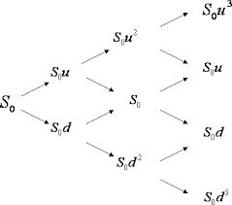

 | Binomial Distribution | What is the probability of k successes out of n trials?
 |  | nCk p^k q^(n-k)

OrderWRepetition
<- back to Combinatorics

 | M | O | O | O | N | https://en.wikipedia.org/wiki/Hey_Diddle_Diddle

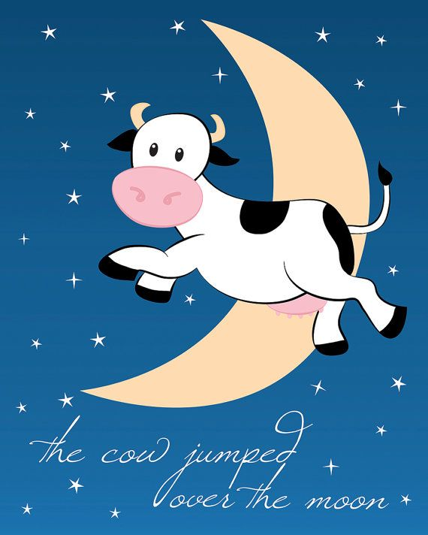
 |  | O | O | O
 |  | O | O | O
 |  | O | O | O
 |  | O | O | O
 |  | O | O | O
 |  | O | O | O

Choice
<- back to Combinatorics

 | C | C | C | U | U


 | C | C | C | U | U
 | C | C | C | U | U
 | C | C | C
 | C | C | C
 | C | C | C
 | C | C | C

