CopulaMotivation
Copula Motivation
 | Copula Motivation Example

 | I'm an auto-insurance company.
 | I know how to simulate small everyday car accidents.
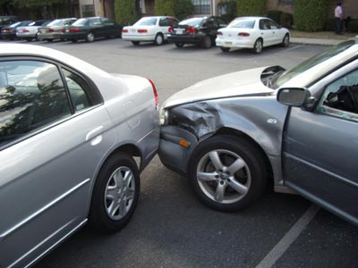

 | I'm also exposed to large weather related car accidents.
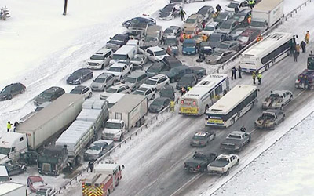
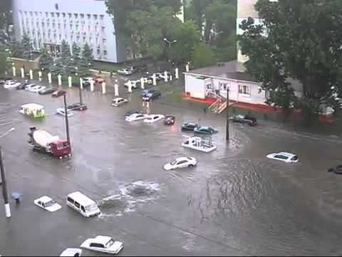
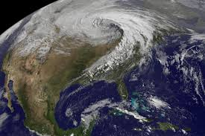

 | I don't know how to simulate those.
 | So I buy them from weather analysis company that does car accident simulations.
 | Now, I have my small accidents and I have their big weather related accidents.
 | Together, I have everything :)
 | Or, do I? :(
 | Small casual accidents should increase along with the big weather related accidents.
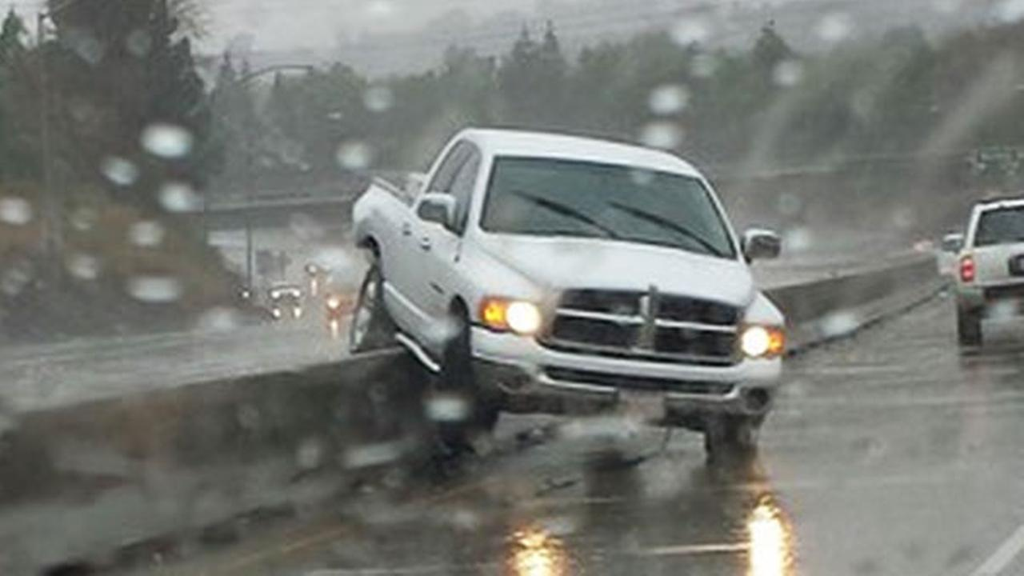
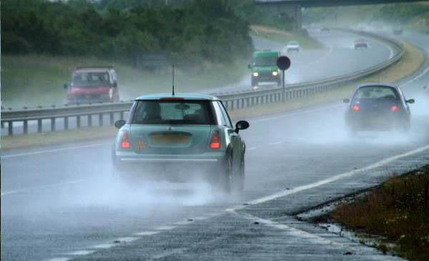

 | These two data sets should be correlated?
 | But they aren't because they were generated independently.
 | I do some research.
 | I find that small casual accidents are 30% correlated with big weather related accidents.
 | Now, how do I get a 30% correlation between these two data sets?
 | That is, how do I impute a 30% correlation to these two data sets?
 | That is what a copula does for us.

Copula1
Values1 by Values2
Order and Correlation

 | Corr | 74% |  |  |  | Corr | -5%

 |  | Normal | Normal |  |  |  | Gamma | Beta
 | mu | 10 | 10 |  |  | a | 3 | 2
 | sigma | 2 | 2 |  |  | b | 4 | 6

 |  | Values1 | Values2 | Percentile1 | Percentile2 |  | Values3 | Values4 | Percentile3 | Percentile4
 | 1 | 68.050261546 | 77.33638047 | 0.94 | 0.92 |  | 13.469264263 | 0.59421688534 | 0.48 | 0.04
 | 2 | 93.494022021 | 100.26713531 | 0.5 | 0.42 |  | 25.199556517 | 0.18338722603 | 0.1 | 0.64
Values3 by Values4
 | 3 | 95.101520545 | 92.627025721 | 0.46 | 0.66 |  | 1.6638576728 | 0.63324667173 | 1 | 0.02
 | 4 | 114.86441452 | 100.6544018 | 0.18 | 0.4 |  | 4.8979453224 | 0.38817860457 | 0.86 | 0.14
 | 5 | 88.19475262 | 100.91192249 | 0.66 | 0.36 |  | 10.28835305 | 0.54748207462 | 0.64 | 0.06
 | 6 | 109.39137406 | 112.35129048 | 0.24 | 0.14 |  | 3.9185441993 | 0.2485451063 | 0.9 | 0.44
 | 7 | 75.250605219 | 85.795593709 | 0.9 | 0.78 |  | 18.102436813 | 0.081778233429 | 0.22 | 0.84
 | 8 | 90.662526694 | 93.380265221 | 0.6 | 0.6 |  | 3.8453851126 | 0.14017832438 | 0.92 | 0.76
 | 9 | 138.09728511 | 118.25397394 | 0.02 | 0.1 |  | 13.359605672 | 0.38754174683 | 0.5 | 0.16
 | 10 | 113.19044931 | 106.50454502 | 0.2 | 0.26 |  | 17.993200177 | 0.11909803928 | 0.24 | 0.8
 | 11 | 104.72518371 | 89.228604827 | 0.3 | 0.72 |  | 27.543490636 | 0.065927873018 | 0.06 | 0.88
 | 12 | 124.22287888 | 111.22953293 | 0.12 | 0.2 |  | 13.951694482 | 0.36508959465 | 0.46 | 0.22
 | 13 | 79.648816722 | 98.840512919 | 0.76 | 0.48 |  | 7.4406084174 | 0.29357514973 | 0.74 | 0.38
 | 14 | 126.88642791 | 118.35323807 | 0.08 | 0.08 |  | 4.9940572454 | 0.3889670103 | 0.84 | 0.12
 | 15 | 81.96217544 | 96.664050149 | 0.7 | 0.54 |  | 14.206759688 | 0.19816582159 | 0.42 | 0.58
 | 16 | 75.588510853 | 92.814375029 | 0.86 | 0.64 |  | 25.824311262 | 0.20610601642 | 0.08 | 0.54
 | 17 | 83.797681152 | 111.89710925 | 0.68 | 0.16 |  | 7.7926546727 | 0.14523184576 | 0.72 | 0.74
 | 18 | 99.442065958 | 105.84138023 | 0.38 | 0.28 |  | 23.708850664 | 0.33182412261 | 0.12 | 0.3
 | 19 | 111.28158115 | 113.77761108 | 0.22 | 0.12 |  | 17.300519083 | 0.28991567887 | 0.28 | 0.4
 | 20 | 80.835516234 | 94.095941034 | 0.74 | 0.56 |  | 12.641140438 | 0.20068268738 | 0.54 | 0.56
 | 21 | 81.081734196 | 100.69648298 | 0.72 | 0.38 |  | 19.267374053 | 0.05838643159 | 0.18 | 0.94
 | 22 | 75.542035219 | 85.633786713 | 0.88 | 0.8 |  | 3.0506215964 | 0.23072263263 | 0.98 | 0.5
 | 23 | 124.42927146 | 118.8905572 | 0.1 | 0.06 |  | 20.901261656 | 0.021394998016 | 0.16 | 1
 | 24 | 64.212743007 | 84.622971577 | 0.96 | 0.82 |  | 29.018181971 | 0.27616175436 | 0.02 | 0.42
 | 25 | 116.28702093 | 108.45055715 | 0.16 | 0.24 |  | 10.49442389 | 0.12015763928 | 0.62 | 0.78
 | 26 | 100.31492653 | 97.308218383 | 0.36 | 0.52 |  | 11.065143611 | 0.069773012034 | 0.6 | 0.86
 | 27 | 78.382830384 | 83.17235991 | 0.8 | 0.86 |  | 14.845987893 | 0.18528539805 | 0.36 | 0.62
 | 28 | 58.628114621 | 72.211529541 | 1 | 1 |  | 4.7649325175 | 0.060968080167 | 0.88 | 0.92
 | 29 | 90.757075686 | 99.716412043 | 0.58 | 0.46 |  | 3.3878744488 | 0.35509625777 | 0.96 | 0.24
 | 30 | 94.57904589 | 90.680042535 | 0.48 | 0.7 |  | 5.0917049646 | 0.23521127755 | 0.82 | 0.48
 | 31 | 76.465341508 | 92.852944292 | 0.82 | 0.62 |  | 28.888563638 | 0.50854646534 | 0.04 | 0.08
 | 32 | 107.31097953 | 108.47153866 | 0.28 | 0.22 |  | 14.471191128 | 0.16228671293 | 0.4 | 0.7
 | 33 | 91.243525662 | 101.79189807 | 0.54 | 0.32 |  | 15.303225649 | 0.30720254426 | 0.34 | 0.36
 | 34 | 91.999394439 | 79.004984819 | 0.52 | 0.9 |  | 16.291768488 | 0.16408874521 | 0.32 | 0.68
 | 35 | 136.59882595 | 101.18813429 | 0.04 | 0.34 |  | 6.0331683775 | 0.053989924775 | 0.76 | 0.96
 | 36 | 97.196007988 | 123.04888484 | 0.42 | 0.02 |  | 3.604735475 | 0.16566152164 | 0.94 | 0.66
 | 37 | 103.97764721 | 100.11380374 | 0.32 | 0.44 |  | 14.065860837 | 0.030981176279 | 0.44 | 0.98
 | 38 | 96.748435831 | 97.829172001 | 0.44 | 0.5 |  | 18.420243303 | 0.49321290394 | 0.2 | 0.1
 | 39 | 130.54276322 | 122.92639461 | 0.06 | 0.04 |  | 5.419594492 | 0.108317623 | 0.8 | 0.82
 | 40 | 101.25278801 | 93.83144527 | 0.34 | 0.58 |  | 11.337278432 | 0.1523806099 | 0.58 | 0.72
 | 41 | 79.261057054 | 74.52870335 | 0.78 | 0.94 |  | 11.486757979 | 0.37655266147 | 0.56 | 0.2
 | 42 | 89.270740379 | 81.615237961 | 0.64 | 0.88 |  | 9.16931589 | 0.061517953779 | 0.68 | 0.9
 | 43 | 91.004758041 | 88.748713028 | 0.56 | 0.76 |  | 21.079541701 | 0.237803517 | 0.14 | 0.46
 | 44 | 97.977789489 | 91.656937939 | 0.4 | 0.68 |  | 14.471806709 | 0.31226723277 | 0.38 | 0.34
 | 45 | 75.591055847 | 72.607910314 | 0.84 | 0.98 |  | 12.951098323 | 0.31894957795 | 0.52 | 0.32
 | 46 | 107.59121082 | 104.27483346 | 0.26 | 0.3 |  | 9.0756823424 | 0.35057698131 | 0.7 | 0.26
 | 47 | 89.491266599 | 74.464860054 | 0.62 | 0.96 |  | 17.466626052 | 0.37790785971 | 0.26 | 0.18
 | 48 | 117.24188144 | 111.34711844 | 0.14 | 0.18 |  | 16.362323329 | 0.19342153558 | 0.3 | 0.6
 | 49 | 64.155452594 | 84.225785334 | 0.98 | 0.84 |  | 5.5579121681 | 0.20805466412 | 0.78 | 0.52
 | 50 | 74.80501586 | 88.921666458 | 0.92 | 0.74 |  | 9.757621183 | 0.33341837959 | 0.66 | 0.28

Copula2
Values1 by Values2

Corr | 66% |  | Corr | -5% |  |  |  |  | Corr | 63%

 | Values1 | Values2 | Percentile1 | Percentile2 | Percentile3 | Values3 | Percentile4 | Values4 |  | Values3a | Values4a
1 | 105.60040387 | 111.83038457 | 0.4 | 0.18 | 0.88 | 4.3911371462 | 0.14 | 0.43010177204 |  | 12.933554635 | 0.41595576483
2 | 115.96793387 | 112.22331831 | 0.18 | 0.16 | 0.98 | 1.6403195414 | 0.64 | 0.16663980424 |  | 17.179386143 | 0.42001919145
Values3 by Values4
Values3a by Values4a
3 | 52.284500113 | 66.587266985 | 1 | 1 | 0.26 | 15.519473095 | 0.44 | 0.23665999838 |  | 1.0048741763 | 0.0044297477018
4 | 80.033163628 | 68.214865144 | 0.88 | 0.98 | 0.84 | 5.2883165021 | 0.48 | 0.22875112938 |  | 4.3911371462 | 0.026197370896
5 | 132.53350108 | 126.059913 | 0.02 | 0.02 | 0.62 | 8.8276324752 | 0.2 | 0.40421945273 |  | 26.734194204 | 0.60863735719
6 | 71.043665341 | 83.819608699 | 0.94 | 0.88 | 0.38 | 12.98653508 | 0.3 | 0.31264021486 |  | 2.9085638336 | 0.071891165163
7 | 87.140487348 | 84.329176935 | 0.7 | 0.84 | 0.24 | 16.15874994 | 0.32 | 0.30283020308 |  | 7.5049835717 | 0.082428670692
8 | 123.64807227 | 108.72283013 | 0.08 | 0.22 | 0.28 | 15.463977664 | 0.54 | 0.20699809269 |  | 21.268072533 | 0.39089719183
9 | 97.774550671 | 80.842571971 | 0.54 | 0.94 | 0.68 | 7.6549955141 | 0.82 | 0.083429325169 |  | 9.5209050138 | 0.05783995597
10 | 69.575176832 | 86.374223171 | 0.98 | 0.82 | 0.36 | 14.617097063 | 0.04 | 0.60394835457 |  | 1.6403195414 | 0.083429325169
11 | 71.445130953 | 83.061474964 | 0.92 | 0.92 | 0.22 | 16.522117517 | 0.46 | 0.23100797851 |  | 3.869186342 | 0.064772816409
12 | 101.09970318 | 95.554042332 | 0.46 | 0.6 | 0.44 | 11.903877177 | 0.38 | 0.27748757355 |  | 11.454903152 | 0.17922114421
13 | 99.536963333 | 111.58785493 | 0.5 | 0.2 | 0.18 | 17.179386143 | 0.22 | 0.39089719183 |  | 10.467747825 | 0.40421945273
14 | 107.81612649 | 107.19344404 | 0.36 | 0.32 | 0.54 | 9.5209050138 | 0.92 | 0.064772816409 |  | 14.617097063 | 0.30283020308
15 | 75.253859054 | 104.32374641 | 0.9 | 0.38 | 0.14 | 19.063347444 | 0.28 | 0.33717956499 |  | 4.2602993398 | 0.27748757355
16 | 114.22169606 | 121.64283498 | 0.24 | 0.06 | 0.9 | 4.2602993398 | 0.52 | 0.21241011599 |  | 16.15874994 | 0.5387984536
17 | 115.64825572 | 104.88893244 | 0.2 | 0.34 | 0.2 | 16.748295106 | 0.58 | 0.19793263595 |  | 16.748295106 | 0.29750992973
18 | 100.26836056 | 99.86882748 | 0.48 | 0.48 | 0.76 | 6.0088922316 | 0.76 | 0.13043850455 |  | 10.876651435 | 0.22875112938
19 | 117.91587424 | 99.416654641 | 0.16 | 0.5 | 0.34 | 14.726663669 | 0.74 | 0.14984231284 |  | 17.724928438 | 0.2140663659
20 | 105.52733725 | 92.333216854 | 0.42 | 0.72 | 0.56 | 9.4378994818 | 0.08 | 0.53365314264 |  | 12.785708333 | 0.15564023696
21 | 123.97452842 | 112.65937456 | 0.06 | 0.14 | 0.82 | 5.7277470413 | 0.6 | 0.17922114421 |  | 22.10172821 | 0.43010177204
22 | 112.80879248 | 104.02608784 | 0.28 | 0.4 | 0.86 | 5.0413342284 | 0.16 | 0.42001919145 |  | 15.463977664 | 0.24945380544
23 | 104.15738938 | 108.59346801 | 0.44 | 0.24 | 0.72 | 6.9794468587 | 0.96 | 0.037164130675 |  | 11.903877177 | 0.38800242096
24 | 90.337762576 | 94.670360871 | 0.68 | 0.64 | 1 | 1.0048741763 | 0.1 | 0.50566215909 |  | 7.6549955141 | 0.16663980424
25 | 86.62621876 | 87.219640741 | 0.72 | 0.8 | 0.02 | 26.734194204 | 0.72 | 0.15564023696 |  | 6.9794468587 | 0.10166389497
26 | 106.80807083 | 108.31483675 | 0.38 | 0.28 | 0.3 | 15.302765066 | 0.78 | 0.12675725418 |  | 12.98653508 | 0.33717956499
27 | 83.162092752 | 83.307766709 | 0.78 | 0.9 | 0.52 | 10.103541263 | 0.56 | 0.2043440763 |  | 5.9399510159 | 0.069515547584
28 | 85.931089598 | 97.919010519 | 0.74 | 0.54 | 0.06 | 22.10172821 | 0.42 | 0.2422810662 |  | 6.9512047952 | 0.20699809269
29 | 118.1951637 | 98.761845033 | 0.14 | 0.52 | 0.5 | 10.467747825 | 0.8 | 0.10166389497 |  | 19.063347444 | 0.21241011599
30 | 92.778660162 | 101.53987975 | 0.62 | 0.44 | 0.66 | 8.353416906 | 0.34 | 0.29750992973 |  | 8.8276324752 | 0.23665999838
31 | 70.391586482 | 94.447953861 | 0.96 | 0.66 | 0.32 | 15.251702452 | 0.88 | 0.071891165163 |  | 2.0344587865 | 0.16399042458
32 | 111.77591389 | 123.52017566 | 0.3 | 0.04 | 0.96 | 2.0344587865 | 0.26 | 0.34444557297 |  | 15.302765066 | 0.60394835457
33 | 97.712376159 | 95.50893132 | 0.56 | 0.62 | 0.12 | 19.441084022 | 0.9 | 0.069515547584 |  | 9.4378994818 | 0.16701059426
34 | 121.49138336 | 104.60448263 | 0.1 | 0.36 | 0.94 | 2.9085638336 | 0.7 | 0.15875111479 |  | 20.781869166 | 0.29134084432
35 | 110.78364962 | 92.659973768 | 0.34 | 0.7 | 0.58 | 9.4090787246 | 0.98 | 0.026197370896 |  | 14.726663669 | 0.15875111479
36 | 111.2173984 | 90.069362062 | 0.32 | 0.76 | 0.78 | 5.9399510159 | 0.12 | 0.47159564143 |  | 15.251702452 | 0.13043850455
37 | 81.916812536 | 101.42123099 | 0.82 | 0.46 | 0.48 | 10.876651435 | 0.68 | 0.16289953442 |  | 5.7277470413 | 0.23100797851
38 | 93.095750613 | 84.201482229 | 0.58 | 0.86 | 0.74 | 6.9512047952 | 0.36 | 0.29134084432 |  | 9.4090787246 | 0.078266853645
39 | 91.412744112 | 94.2516262 | 0.64 | 0.68 | 0.8 | 5.8572624312 | 0.84 | 0.082428670692 |  | 8.3648312394 | 0.16289953442
40 | 113.98220821 | 119.27179486 | 0.26 | 0.08 | 0.6 | 9.0328861202 | 0.02 | 0.60863735719 |  | 15.519473095 | 0.53365314264
41 | 82.894423765 | 90.929543511 | 0.8 | 0.74 | 0.92 | 3.869186342 | 0.66 | 0.16399042458 |  | 5.8572624312 | 0.14984231284
42 | 114.42656019 | 102.11334109 | 0.22 | 0.42 | 0.08 | 21.268072533 | 0.24 | 0.38800242096 |  | 16.522117517 | 0.2422810662
43 | 85.331906845 | 115.14463363 | 0.76 | 0.12 | 0.64 | 8.3648312394 | 1 | 0.0044297477018 |  | 6.0088922316 | 0.47159564143
44 | 80.907151756 | 88.85448925 | 0.86 | 0.78 | 0.4 | 12.933554635 | 0.4 | 0.24945380544 |  | 5.0413342284 | 0.12675725418
45 | 98.906794608 | 108.42301191 | 0.52 | 0.26 | 0.7 | 7.5049835717 | 0.5 | 0.2140663659 |  | 10.103541263 | 0.34444557297
46 | 91.22905253 | 107.35502198 | 0.66 | 0.3 | 0.04 | 23.002586427 | 0.86 | 0.078266853645 |  | 8.353416906 | 0.31264021486
47 | 92.879890527 | 73.741726651 | 0.6 | 0.96 | 0.16 | 17.724928438 | 0.06 | 0.5387984536 |  | 9.0328861202 | 0.037164130675
48 | 81.465387963 | 97.746821645 | 0.84 | 0.56 | 0.42 | 12.785708333 | 0.18 | 0.41595576483 |  | 5.2883165021 | 0.2043440763
49 | 131.48045059 | 119.19157018 | 0.04 | 0.1 | 0.1 | 20.781869166 | 0.62 | 0.16701059426 |  | 23.002586427 | 0.50566215909
50 | 118.78443862 | 96.021897114 | 0.12 | 0.58 | 0.46 | 11.454903152 | 0.94 | 0.05783995597 |  | 19.441084022 | 0.19793263595

Copula3
Values1 by Values2

Corr | 66% |  |  |  | Corr | 66%

 |  |  |  |  |  | Gamma | Beta
 |  |  |  |  | a | 3 | 2
 |  |  |  |  | b | 4 | 6

 | Values1 | Values2 | Probability1 | Probability2 |  | Values3 | Values4
1 | 101.50851409 | 114.14952389 | 0.48740110462 | 0.77965059288 | 1 | 10.493155014 | 0.35804116251
2 | 121.06220395 | 132.45858371 | 0.79677923801 | 0.97658755428 | 2 | 17.015240137 | 0.58377330651
Values 3 by Values 4
3 | 113.0057544 | 108.75976978 | 0.68264685872 | 0.66012226982 | 3 | 14.07587224 | 0.29510587196
4 | 109.2794053 | 104.08397676 | 0.62205706905 | 0.54063423657 | 4 | 12.837647431 | 0.24425640634
5 | 68.43284504 | 100.8466423 | 0.068207316691 | 0.45496380636 | 5 | 3.7275108416 | 0.21160170302
6 | 97.249181502 | 96.904431416 | 0.41320792779 | 0.35377844759 | 6 | 9.3398052959 | 0.1750509189
7 | 86.862581895 | 113.16868163 | 0.24918635586 | 0.75985132979 | 7 | 6.8969218234 | 0.34630991181
8 | 105.26796698 | 95.636025665 | 0.55333756469 | 0.32295884262 | 8 | 11.587917166 | 0.16409105916
9 | 130.02258815 | 105.18217266 | 0.88972529437 | 0.56946827346 | 9 | 20.720679907 | 0.25583094009
10 | 114.07279365 | 110.58110758 | 0.69921325774 | 0.7032765173 | 10 | 14.444391096 | 0.31592550378
11 | 98.596476521 | 112.24311951 | 0.43647066682 | 0.74031251893 | 11 | 9.694796645 | 0.3353422847
12 | 69.064318823 | 86.390314659 | 0.071946493944 | 0.14142605023 | 12 | 3.8139175112 | 0.096640434804
13 | 93.428646834 | 95.837706832 | 0.34912758633 | 0.32778543605 | 13 | 8.381617 | 0.16580690821
14 | 85.121123831 | 98.446670423 | 0.22548440697 | 0.39256570413 | 14 | 6.536310585 | 0.18890973785
15 | 119.40384284 | 97.52474875 | 0.77550076286 | 0.36922321233 | 15 | 16.380346676 | 0.18055563372
16 | 108.71255286 | 97.292130113 | 0.61252490579 | 0.36340509331 | 16 | 12.655859262 | 0.17848032366
17 | 109.50186501 | 123.57804537 | 0.62577808772 | 0.91889200652 | 17 | 12.909460512 | 0.47438199308
18 | 107.22982541 | 74.76146589 | 0.58728250191 | 0.032386804502 | 18 | 12.188462918 | 0.04214945119
19 | 78.672376156 | 88.959125154 | 0.14963362205 | 0.18320864614 | 19 | 5.3162807934 | 0.11316061847
20 | 84.709246961 | 104.78886485 | 0.22007118281 | 0.55917597603 | 20 | 6.4529985851 | 0.25165807821
21 | 96.538340647 | 97.238762185 | 0.40105071691 | 0.36207466234 | 21 | 9.1561302196 | 0.17800606671
22 | 103.70550789 | 98.648419983 | 0.52600796322 | 0.39772915297 | 22 | 11.1240505 | 0.19076519118
23 | 63.771861317 | 92.601774613 | 0.045066909108 | 0.2542725392 | 23 | 3.1336381713 | 0.13952128738
24 | 72.796509691 | 94.935115226 | 0.097321862114 | 0.30641952917 | 24 | 4.3548651444 | 0.15820743463
25 | 121.17500074 | 97.161125138 | 0.7981814415 | 0.36014219228 | 25 | 17.058993344 | 0.17731738679
26 | 103.35226801 | 95.490258206 | 0.51980762704 | 0.31948877426 | 26 | 11.020936589 | 0.1628572612
27 | 57.112237949 | 74.477976655 | 0.023395284308 | 0.031044557194 | 27 | 2.4113002458 | 0.041200712505
28 | 64.904647496 | 89.791578512 | 0.050008749794 | 0.1982530517 | 28 | 3.271002931 | 0.11888096382
29 | 117.35960579 | 123.76050437 | 0.74761183693 | 0.9206982703 | 29 | 15.619171155 | 0.47666086535
30 | 139.61725166 | 121.4485878 | 0.95031530519 | 0.89546524506 | 30 | 25.217786775 | 0.44779184638
31 | 138.61090156 | 122.85388104 | 0.94559526818 | 0.91141620938 | 31 | 24.719822406 | 0.46533637257
32 | 89.009166819 | 101.63700671 | 0.28013199346 | 0.47583880462 | 32 | 7.3602919507 | 0.21936383898
33 | 141.96932378 | 113.02856549 | 0.96007676564 | 0.75694585629 | 33 | 26.405994402 | 0.34464296154
34 | 83.447355869 | 82.122862307 | 0.20395813448 | 0.087301645338 | 34 | 6.2024055724 | 0.072909880274
35 | 146.35997943 | 154.67411794 | 0.97411731445 | 0.99973427427 | 35 | 28.716061081 | 0.81120068998
36 | 111.48723206 | 86.382784091 | 0.65843284694 | 0.14131391177 | 36 | 13.562182711 | 0.096594505359
37 | 126.13089868 | 110.79985549 | 0.85395696786 | 0.7082866127 | 37 | 19.053738337 | 0.31845936394
38 | 53.869275099 | 76.304634381 | 0.01653992317 | 0.040557363009 | 38 | 2.1090765097 | 0.047604469971
39 | 75.745210041 | 83.710594317 | 0.12160310932 | 0.10527847656 | 39 | 4.8200754852 | 0.081206837002
40 | 108.38698415 | 107.50134497 | 0.60701891556 | 0.62898213753 | 40 | 12.552227454 | 0.28103184897
41 | 116.37488684 | 92.664021339 | 0.73355337206 | 0.25560082076 | 41 | 15.260895334 | 0.14000163891
42 | 119.72382771 | 101.10760578 | 0.7797022326 | 0.46184544846 | 42 | 16.50163267 | 0.21414913807
43 | 116.7128325 | 105.81853319 | 0.7384223742 | 0.58601846504 | 43 | 15.383240268 | 0.26264608942
44 | 108.34133891 | 103.60344593 | 0.60624522513 | 0.5279407281 | 44 | 12.537743359 | 0.23926841199
45 | 66.346042289 | 90.57342322 | 0.056911067248 | 0.21304093396 | 45 | 3.4521906819 | 0.12441758596
46 | 106.93352874 | 102.66944391 | 0.58219103231 | 0.50319876939 | 46 | 12.096462106 | 0.22971097394
47 | 127.71105859 | 101.14580064 | 0.86932291467 | 0.46285366092 | 47 | 19.719808653 | 0.21452326899
48 | 100.84313802 | 101.4832643 | 0.47571542748 | 0.47177117551 | 48 | 10.306957555 | 0.21784301602
49 | 107.42296743 | 127.01214765 | 0.59059356218 | 0.94801417053 | 49 | 12.248684367 | 0.51716666836
50 | 124.29746326 | 115.19952653 | 0.83466230121 | 0.79976988209 | 50 | 18.299204957 | 0.37071169089

