Max Power
Battery Hazard Calculator (Maximum Power Method)
Developed by David Rosewater (Sandia National Laboratories)

Directions
Step 1: Battery Circuit Data Input
-Fill out the battery voltage and short circuit current. If short circuit current is not known, then fill out the Calculation of Short Circuit Current section at the bottom of this sheet. Then copy the calculated short circuit current into field B12.
-Fill out the arc time (Based on the overcurrent protection (OCP) trip curve). If no OCP is in the battery circuit then use 2 seconds.
-Fill out the arc gap and the arc-in-a-box multiplication factor.
Step 3: Results
-The Max Power Transfer method does not consider the arc gap and has been shown to be overly conservative. Generally, this should not be used unless the gap length is completely unknown.
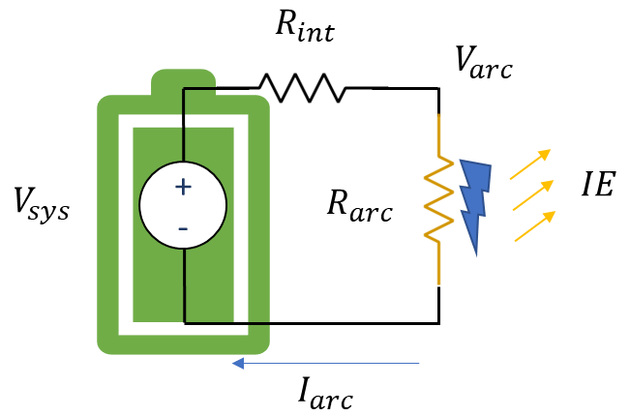
 | User input field
 | calculated field

Battery Circuit Data Input | Value | Units
Battery Nominal Voltage = | 258 | V
Battery Short Circuit Current = | 18700 | A | Arc-in-a-box Type
Battery Circuit Resistance = | 0.013797 | Ω | 1
Arc Time (if no OCP use 2 s) = | 2.00 | s
Working Distance (use 45.72 cm) = | 45.72 | cm
arc-in-a-box factor (1 or 1.6) = | 1.00 | none
Battery Arc Voltage

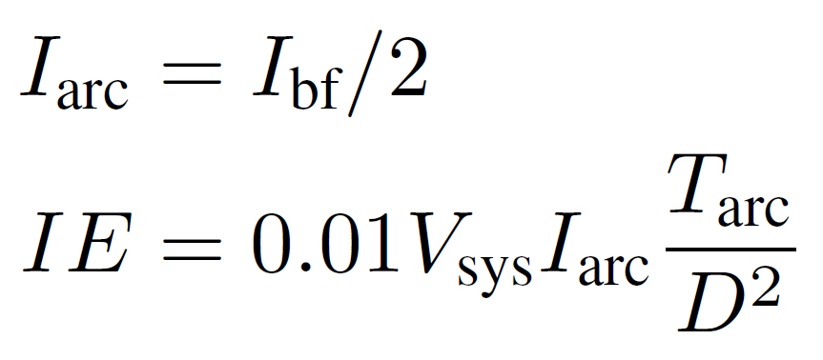
Results | Value | Units
Max Power Transfer IE [1] | 23.08 | cal/cm^2
Max Power Transfer Arc Boundry [1] | 186.65 | cm
Max Power IE
Contact Thermal Hazard | 2,412,300 | W
Contact Thermal PPE | Heavy Duty Leather Gloves
References
[1] Doan, D. R., “Arc Flash Calculations for Exposures to DC Systems,” IEEE Transactions on Industry Applications, vol. 46, no. 6, pp. 2299–2302, November/December 2010.
[5] "Simple Improved Equations for Arc Flash Analysis," Wilkins, R., IEEE Electrical Safety Forum, posted August 30, 2004.
Limited Approach Boundry | 1 m
Restricted Approach Boundry | Avoid Contact
Shock PPE | Class 00 Gloves + Leather Outers

Calculation of Short Circuit Current | Value | Units
Battery cell resistance | 0.006666 | Ω
Number of cells in Series | 20 | #
Cell connector resistance | 0.000010 | Ω
Number of connectors | 240 | #
Number of strings in parallel | 1 | #
Total string resistance | 0.136 | Ω
Calculated short circuit current | 1901 | A
 |  |  |  | Midian Prediction Arc Flash Boundry Adjustment for Arc-in-a-box factor
Constants |  |  |  | Arc in a box factor @ the working distance | IEm | Arc Boundry
cal/J | 0.239 |  |  | 1.00 | 20.00 | 186.6511184
1 / 4 pi | 0.079577471536 |  |  | 1.00 | 20 | 186.6511184
cm / in | 2.54 |  |  | 1.00 | 20 | 186.6511184
 |  |  |  | 1.00 | 20 | 186.6511184
 |  |  |  | 1.00 | 20 | 186.6511184
 |  |  |  | 1.00 | 20 | 186.6511184
Funding Statement
This article has been authored by an employee of National Technology & Engineering Solutions of Sandia, LLC under Contract No. DE-NA0003525 with the U.S. Department of Energy (DOE). The employee owns all right, title and interest in and to the article and is solely responsible for its contents. The United States Government retains and the publisher, by accepting the article for publication, acknowledges that the United States Government retains a non-exclusive, paid-up, irrevocable, world-wide license to publish or reproduce the published form of this article or allow others to do so, for United States Government purposes. The DOE will provide public access to these results of federally sponsored research in accordance with the DOE Public Access Plan https://www.energy.gov/downloads/doe-public-access-plan .
 |  |  |  | 1.00 | 20 | 186.6511184
 |  |  |  | 1.00 | 20 | 186.6511184
 |  |  |  | 1.00 | 20 | 186.6511184
 |  |  |  | 1.00 | 20 | 186.6511184
 |  |  |  | 1.00 | 20 | 186.6511184
 |  |  |  | 1.00 | 20 | 186.6511184
 |  |  |  | 1.00 | 20 | 186.6511184
 |  |  |  | 1.00 | 20 | 186.6511184
MIT Open Source Software License
Copyright 2024 National Technology & Engineering Solutions of Sandia, LLC (NTESS). Under the terms of Contract DE-NA0003525 with NTESS, the U.S. Government retains certain rights in this software.
Permission is hereby granted, free of charge, to any person obtaining a copy of this software and associated documentation files (the “Software”), to deal in the Software without restriction, including without limitation the rights to use, copy, modify, merge, publish, distribute, sublicense, and/or sell copies of the Software, and to permit persons to whom the Software is furnished to do so, subject to the following conditions:
The above copyright notice and this permission notice shall be included in all copies or substantial portions of the Software.
THE SOFTWARE IS PROVIDED “AS IS”, WITHOUT WARRANTY OF ANY KIND, EXPRESS OR IMPLIED, INCLUDING BUT NOT LIMITED TO THE WARRANTIES OF MERCHANTABILITY, FITNESS FOR A PARTICULAR PURPOSE AND NONINFRINGEMENT. IN NO EVENT SHALL THE AUTHORS OR COPYRIGHT HOLDERS BE LIABLE FOR ANY CLAIM, DAMAGES OR OTHER LIABILITY, WHETHER IN AN ACTION OF CONTRACT, TORT OR OTHERWISE, ARISING FROM, OUT OF OR IN CONNECTION WITH THE SOFTWARE OR THE USE OR OTHER DEALINGS IN THE SOFTWARE.
 |  |  |  | 1.00 | 20 | 186.6511184
 |  |  |  | 1.00 | 20 | 186.6511184
 |  |  |  | 1.00 | 20 | 186.6511184
 |  |  |  | 1.00 | 20 | 186.6511184
 |  |  |  | 1.00 | 20 | 186.6511184
 |  |  |  | 1.00 | 20 | 186.6511184
 |  |  |  | 1.00 | 20 | 186.6511184
 |  |  |  | 1.00 | 20 | 186.6511184
 |  |  |  | 1.00 | 20 | 186.6511184
 |  |  |  | 1.00 | 20 | 186.6511184
 |  |  |  | 1.00 | 20 | 186.6511184
 |  |  |  | 1.00 | 20 | 186.6511184

Arc Resistance
Battery Hazard Calculator (Arc Resistance Method)
Developed by David Rosewater (Sandia National Laboratories)
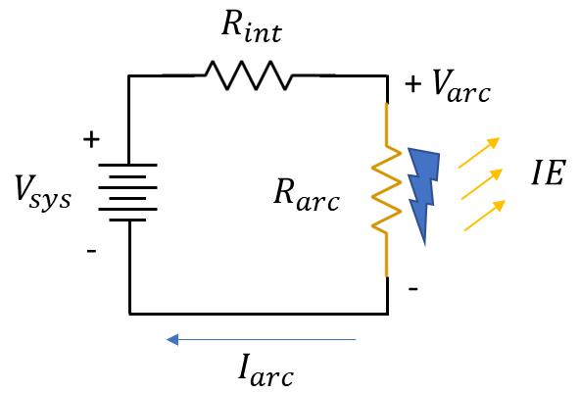
 |  |  |  | Step | Arc Current | Battery Arc Voltage | Air Arc Voltage | Error | Slope of Error | Step-Size
 |  |  |  | 0 | 16830 | 25.8 | 201.62117603 | -175.82117603 | -0.025776659301 | 38.794786723
 |  |  |  | 1 | 10009.054975 | 119.90715597 | 189.43194509 | -69.524789124 | -0.032722848456 | 30.559686799
 |  |  |  | 2 | 7884.3991942 | 149.22058866 | 184.08494931 | -34.864360651 | -0.037144791054 | 26.921675197
Directions
Step 1: Battery Circuit Data Input
-Fill out the battery voltage and short circuit current. If short circuit current is not known, then fill out the Calculation of Short Circuit Current section at the bottom of this sheet. Then copy the calculated short circuit current into field B12.
-Fill out the arc time (Based on the overcurrent protection (OCP) trip curve). If no OCP is in the battery circuit then use 2 seconds.
-Fill out the arc gap and the arc-in-a-box multiplication factor.
Step 2: Calculation
-This spreadsheet solves the iterative problem using fields W2 through AC28 with gradient decent to drive the voltage error (the difference between the battery voltage and the arc voltage) to zero by changing the arc current. Once AA23 = 0, the arc current and arc voltage fields are correct and the results can be read.
-the Input Error Checking fields will warn you if one of the inputs invalidates the calculation.
Step 3: Results
-The arc resistance method (also called the Ammerman Method, which relies on a model developed by Stokes and Oppenlander), considers the arc gap resistance but does not consider magnetic forces or electrode erosion.
 |  |  |  | 3 | 6945.7922008 | 162.17035359 | 181.30620351 | -19.13584992 | -0.039899818755 | 25.062770489
 | User input field |  |  | 4 | 6466.1947861 | 168.7872591 | 179.75621035 | -10.968951251 | -0.041596172115 | 24.040673676
 | calculated field |  |  | 5 | 6202.4938085 | 172.42548649 | 178.86032288 | -6.4348363873 | -0.042633631657 | 23.455660734
 |  |  |  | 6 | 6051.5604693 | 174.50788229 | 178.33235097 | -3.8244686752 | -0.043265612234 | 23.113044017
Battery Circuit Data Input | Value | Units |  | 7 | 5963.1653565 | 175.72745123 | 178.01773539 | -2.2902841573 | -0.043649684118 | 22.909673236
Battery Nominal Voltage = | 258 | V |  | 8 | 5910.6956949 | 176.45136421 | 177.8290391 | -1.3776748858 | -0.043882765799 | 22.787989357
Battery Short Circuit Current = | 18700 | A | Arc-in-a-box Type | 9 | 5879.3012542 | 176.88450676 | 177.71542944 | -0.83092268089 | -0.044024095975 | 22.714833272
Battery Circuit Resistance = | 0.013797 | Ω | 1 | 10 | 5860.4269841 | 177.14491113 | 177.64687034 | -0.50195921466 | -0.044109748303 | 22.670725599
Arc Time (if no OCP use 2 s) = | 2.00 | s |  | 11 | 5849.0472044 | 177.30191558 | 177.60544036 | -0.30352478607 | -0.044161641334 | 22.644085904
Working Distance (use 45.72 cm) = | 45.72 | cm |  | 12 | 5842.1741631 | 177.39674149 | 177.58038354 | -0.18364204608 | -0.044193075187 | 22.627979514
Battery Arc Voltage
Gap in the Battery Circuit = | 80.00 | mm |  | 13 | 5838.0187147 | 177.45407335 | 177.56522157 | -0.11114822172 | -0.044212113876 | 22.618235419
arc-in-a-box factor (1 or 1.6) = | 1.00 | none |  | 14 | 5835.504738 | 177.48875816 | 177.55604422 | -0.067286062018 | -0.044223644337 | 22.61233815
 |  |  |  | 15 | 5833.9832428 | 177.50974991 | 177.55048827 | -0.040738355591 | -0.044230627277 | 22.608768212
Air Arc Voltage
Arc Current Calculation | Value | Units |  | 16 | 5833.0621988 | 177.52245736 | 177.54712433 | -0.024666961022 | -0.044234856096 | 22.606606831
Arc Current (Goal Seek Input) | 5831.66 | A |  | 17 | 5832.5045625 | 177.53015096 | 177.54508744 | -0.014936479421 | -0.044237416999 | 22.605298135
Battery Arc Voltage | 177.54 | V |  | 18 | 5832.1669189 | 177.53480935 | 177.54385403 | -0.0090446803011 | -0.044238967826 | 22.604505691
Air Arc Voltage | 177.54 | V |  | 19 | 5831.9624684 | 177.53763012 | 177.54310715 | -0.0054770372126 | -0.044239906967 | 22.604025835
Goal seek to 0 | 0.00 | V |  | 20 | 5831.8386653 | 177.5393382 | 177.54265487 | -0.0033166733514 | -0.044240475685 | 22.603735256
Input Error Checking | Solved |  |  | 21 | 5831.7636961 | 177.54037254 | 177.54238099 | -0.0020084566358 | -0.044240820085 | 22.603559294
 | Battery Voltage Good |  |  | 22 | 5831.7182978 | 177.54099889 | 177.54221514 | -0.0012162528801 | -0.044241028643 | 22.603452738
 | Arc Voltage Good |  |  | 23 | 5831.6908063 | 177.54137818 | 177.5421147 | -0.00073652299733 | -0.04424115494 | 22.603388211
 | Arc Current Good |  |  | 24 | 5831.6741584 | 177.54160787 | 177.54205388 | -0.00044601488449 | -0.044241231421 | 22.603349136
 |  |  |  | 25 | 5831.664077 | 177.54174696 | 177.54201705 | -0.00027009264775 | -0.044241277736 | 22.603325473
Results | Value | Units
Arc Resistance Method [2,3] IE | 18.84 | cal/cm^2
References
[2] R. F. Ammerman, T. Gammon, P. K. Sen, and J. P. Nelson, “DC-Arc Models and Incident-Energy Calculations,” in IEEE Transactions on Industry Applications, vol. 46, no. 5, pp. 1810-1819, Sept.-Oct. 2010, doi: 10.1109/TIA.2010.2057497.
[3] A. D. Stokes and W. T. Oppenlander, ``Electric arcs in open air,'' J. Phys. D: Appl. Phys. Vol 24, pp. 26-35, 6 April 1990
[5] "Simple Improved Equations for Arc Flash Analysis," Wilkins, R., IEEE Electrical Safety Forum, posted August 30, 2004.
Arc Resistance Method ([2,3]) Arc Boundry | 181.16 | cm
Contact Thermal Hazard | 2,412,300 | W
Contact Thermal PPE | Heavy Duty Leather Gloves
Limited Approach Boundry | 1 m
Restricted Approach Boundry | Avoid Contact
Shock PPE | Class 00 Gloves + Leather Outers |  |  | Midian Prediction Arc Flash Boundry Adjustment for Arc-in-a-box factor
 |  |  |  | Arc in a box factor @ the working distance | IEm | Arc Boundry
Calculation of Short Circuit Current | Value | Units |  | 1.00 | 18.84 | 181.16121205
Battery cell resistance | 0.000085 | Ω |  | 1.00 | 18.840795595 | 181.16121205
Number of cells in Series | 240 | # |  | 1.00 | 18.840795595 | 181.16121205
Cell connector resistance | 0.000010 | Ω |  | 1.00 | 18.840795595 | 181.16121205
Number of connectors | 240 | # |  | 1.00 | 18.840795595 | 181.16121205
Number of strings in parallel | 1 | # |  | 1.00 | 18.840795595 | 181.16121205
Total string resistance | 0.02 | Ω |  | 1.00 | 18.840795595 | 181.16121205
Calculated short circuit current | 11288 | A |  | 1.00 | 18.840795595 | 181.16121205
 |  |  |  | 1.00 | 18.840795595 | 181.16121205
Constants |  |  |  | 1.00 | 18.840795595 | 181.16121205
cal/J | 0.239 |  |  | 1.00 | 18.840795595 | 181.16121205
1 / 4 pi | 0.079577471536 |  |  | 1.00 | 18.840795595 | 181.16121205
cm / in | 2.54 |  |  | 1.00 | 18.840795595 | 181.16121205
 |  |  |  | 1.00 | 18.840795595 | 181.16121205
 |  |  |  | 1.00 | 18.840795595 | 181.16121205
 |  |  |  | 1.00 | 18.840795595 | 181.16121205
Funding Statement
This article has been authored by an employee of National Technology & Engineering Solutions of Sandia, LLC under Contract No. DE-NA0003525 with the U.S. Department of Energy (DOE). The employee owns all right, title and interest in and to the article and is solely responsible for its contents. The United States Government retains and the publisher, by accepting the article for publication, acknowledges that the United States Government retains a non-exclusive, paid-up, irrevocable, world-wide license to publish or reproduce the published form of this article or allow others to do so, for United States Government purposes. The DOE will provide public access to these results of federally sponsored research in accordance with the DOE Public Access Plan https://www.energy.gov/downloads/doe-public-access-plan .
 |  |  |  | 1.00 | 18.840795595 | 181.16121205
 |  |  |  | 1.00 | 18.840795595 | 181.16121205
 |  |  |  | 1.00 | 18.840795595 | 181.16121205
 |  |  |  | 1.00 | 18.840795595 | 181.16121205
 |  |  |  | 1.00 | 18.840795595 | 181.16121205
 |  |  |  | 1.00 | 18.840795595 | 181.16121205
 |  |  |  | 1.00 | 18.840795595 | 181.16121205
MIT Open Source Software License
Copyright 2024 National Technology & Engineering Solutions of Sandia, LLC (NTESS). Under the terms of Contract DE-NA0003525 with NTESS, the U.S. Government retains certain rights in this software.
Permission is hereby granted, free of charge, to any person obtaining a copy of this software and associated documentation files (the “Software”), to deal in the Software without restriction, including without limitation the rights to use, copy, modify, merge, publish, distribute, sublicense, and/or sell copies of the Software, and to permit persons to whom the Software is furnished to do so, subject to the following conditions:
The above copyright notice and this permission notice shall be included in all copies or substantial portions of the Software.
THE SOFTWARE IS PROVIDED “AS IS”, WITHOUT WARRANTY OF ANY KIND, EXPRESS OR IMPLIED, INCLUDING BUT NOT LIMITED TO THE WARRANTIES OF MERCHANTABILITY, FITNESS FOR A PARTICULAR PURPOSE AND NONINFRINGEMENT. IN NO EVENT SHALL THE AUTHORS OR COPYRIGHT HOLDERS BE LIABLE FOR ANY CLAIM, DAMAGES OR OTHER LIABILITY, WHETHER IN AN ACTION OF CONTRACT, TORT OR OTHERWISE, ARISING FROM, OUT OF OR IN CONNECTION WITH THE SOFTWARE OR THE USE OR OTHER DEALINGS IN THE SOFTWARE.
 |  |  |  | 1.00 | 18.840795595 | 181.16121205
 |  |  |  | 1.00 | 18.840795595 | 181.16121205
 |  |  |  | 1.00 | 18.840795595 | 181.16121205

Self-Extinguish
Battery Hazard Calculator (Self-Extinguish Method)
Developed by David Rosewater (Sandia National Laboratories)

Directions
Step 1: Battery Circuit Data Input
-Fill out the battery voltage and short circuit current. If short circuit current is not known, then fill out the Calculation of Short Circuit Current section at the bottom of this sheet. Then copy the calculated short circuit current into field B12.
-Fill out the arc time (Based on the overcurrent protection (OCP) trip curve). If no OCP is in the battery circuit then use 2 seconds.
-Fill out the arc gap and the arc-in-a-box multiplication factor.
-Fill out the electrode configuration
-Fill out the Electrode Erosion Rate Constant (0.004962 mm A⁻¹ s⁻¹ can be used for 25mm diameter coper electrodes).
-Fill out the minimum arc time (0.05 s can be used to avoid a few cases of IE underestimation)
Step 2: Calculation
-This spreadsheet solves four sequential iterative problems using fields AB8 through AH129.
-These problems are solved with gradient decent method to 1) find the initial arc current and voltage, 2) find the gap at which the arc is likely to self extinguish, 3) predict the arc time and final gap, 4) predict the arc energy and incident energy (IE) that a worker could be exposed to.
-the Input Error Checking fields will warn you if one of the inputs invalidates the calculation.
Step 3: Results
-The Self-Extinguishing Method provides two results: a median prediction (cell B50) and a <5% chance prediction (cell B60). When comparted to experimental data, the median prediction has the lowest average error. However the median prediction underestimates IE in roughly have of the experiments while overestimating IE in the other half. The <5% chance prediction is intended to be a conservative estimation that will overestimate the IE in 95% of experiments. Some configurations will have a higher gap between these predictions than others.
 | User input field
 | calculated field
 |  |  |  |  | Arc Current Calculation
Battery Circuit Data Input | Value | Units |  |  | Step | Arc Current | Battery Arc Voltage | Air Arc Voltage | Error | Slope of Error | Step-Size
Battery Nominal Voltage = | 258 | V |  |  | 0 | 16830 | 25.8 | 201.62117603 | -175.82117603 | -0.025776659301 | 38.794786723
Battery Short Circuit Current = | 18700 | A | Arc-in-a-box Type |  | 1 | 10009.054975 | 119.90715597 | 189.43194509 | -69.524789124 | -0.032722848456 | 30.559686799
Battery Circuit Resistance = | 0.013797 | Ω | 4 |  | 2 | 7884.3991942 | 149.22058866 | 184.08494931 | -34.864360651 | -0.037144791054 | 26.921675197
Overcurrent Trip Time (if no OCP use 2 s) = | 2.00 | s |  |  | 3 | 6945.7922008 | 162.17035359 | 181.30620351 | -19.13584992 | -0.039899818755 | 25.062770489
Working Distance (use 45.72 cm) = | 45.72 | cm |  |  | 4 | 6466.1947861 | 168.7872591 | 179.75621035 | -10.968951251 | -0.041596172115 | 24.040673676
Battery Arc Voltage
Gap in the Battery Circuit (z0) = | 80.00 | mm |  |  | 5 | 6202.4938085 | 172.42548649 | 178.86032288 | -6.4348363873 | -0.042633631657 | 23.455660734
arc-in-a-box factor = | 2.22 | none |  |  | 6 | 6051.5604693 | 174.50788229 | 178.33235097 | -3.8244686752 | -0.043265612234 | 23.113044017
 |  |  |  |  | 7 | 5963.1653565 | 175.72745123 | 178.01773539 | -2.2902841573 | -0.043649684118 | 22.909673236
Interupt Model Parameters |  |  |  |  | 8 | 5910.6956949 | 176.45136421 | 177.8290391 | -1.3776748858 | -0.043882765799 | 22.787989357
Air Arc Voltage
Electrod Configuration | Inline |  | Configuration Options |  | 9 | 5879.3012542 | 176.88450676 | 177.71542944 | -0.83092268089 | -0.044024095975 | 22.714833272
Electrod Erosion Rate Constant Kg | 4.96E-03 | mm/(A s) | Inline | (a) | 10 | 5860.4269841 | 177.14491113 | 177.64687034 | -0.50195921466 | -0.044109748303 | 22.670725599
Minimum Arc Time | 0.05 | s | Open Parallel | (b) | 11 | 5849.0472044 | 177.30191558 | 177.60544036 | -0.30352478607 | -0.044161641334 | 22.644085904
β (Midian Prediction) | 8.12E-03 | none | Closed Parallel | (c) | 12 | 5842.1741631 | 177.39674149 | 177.58038354 | -0.18364204608 | -0.044193075187 | 22.627979514
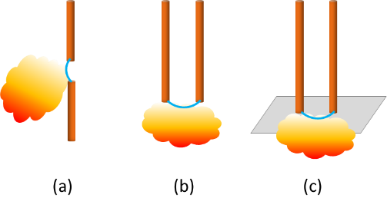
β (<5% Chance Prediction) | 1.82E-02 |  |  |  | 13 | 5838.0187147 | 177.45407335 | 177.56522157 | -0.11114822172 | -0.044212113876 | 22.618235419
 |  |  |  |  | 14 | 5835.504738 | 177.48875816 | 177.55604422 | -0.067286062018 | -0.044223644337 | 22.61233815
Arc Current Calculation | Value | Units |  |  | 15 | 5833.9832428 | 177.50974991 | 177.55048827 | -0.040738355591 | -0.044230627277 | 22.608768212
Arc Current (Goal Seek Input) | 5831.66 | A |  |  | 16 | 5833.0621988 | 177.52245736 | 177.54712433 | -0.024666961022 | -0.044234856096 | 22.606606831
Battery Arc Voltage | 177.54 | V |  |  | 17 | 5832.5045625 | 177.53015096 | 177.54508744 | -0.014936479421 | -0.044237416999 | 22.605298135
Air Arc Voltage | 177.54 | V |  |  | 18 | 5832.1669189 | 177.53480935 | 177.54385403 | -0.0090446803011 | -0.044238967826 | 22.604505691
Goal seek to 0 by setting arc current | 0.00 | V |  |  | 19 | 5831.9624684 | 177.53763012 | 177.54310715 | -0.0054770372126 | -0.044239906967 | 22.604025835
Input Error Checking | Solved |  |  |  | 20 | 5831.8386653 | 177.5393382 | 177.54265487 | -0.0033166733514 | -0.044240475685 | 22.603735256
 | Battery Voltage Good |  |  |  | 21 | 5831.7636961 | 177.54037254 | 177.54238099 | -0.0020084566358 | -0.044240820085 | 22.603559294
 | Arc Voltage Good |  |  |  | 22 | 5831.7182978 | 177.54099889 | 177.54221514 | -0.0012162528801 | -0.044241028643 | 22.603452738
 | Arc Current Good |  |  |  | 23 | 5831.6908063 | 177.54137818 | 177.5421147 | -0.00073652299733 | -0.04424115494 | 22.603388211
 |  |  |  |  | 24 | 5831.6741584 | 177.54160787 | 177.54205388 | -0.00044601488449 | -0.044241231421 | 22.603349136
Interupt Gap Calculation |  |  |  |  | 25 | 5831.664077 | 177.54174696 | 177.54201705 | -0.00027009264775 | -0.044241277736 | 22.603325473
References
[4] D. M. Rosewater, L. Gordon, W. Cantor, "Practical Battery Arc Flash Models" Submitted to the 2025 IEEE IAS Electrical Safety Workshop, October 2024
[5] "Simple Improved Equations for Arc Flash Analysis," Wilkins, R., IEEE Electrical Safety Forum, posted August 30, 2004.
z' | 256.43 | mm
Example probability distributions of β
I' | 61.29 | A
V' | 257.15 | V
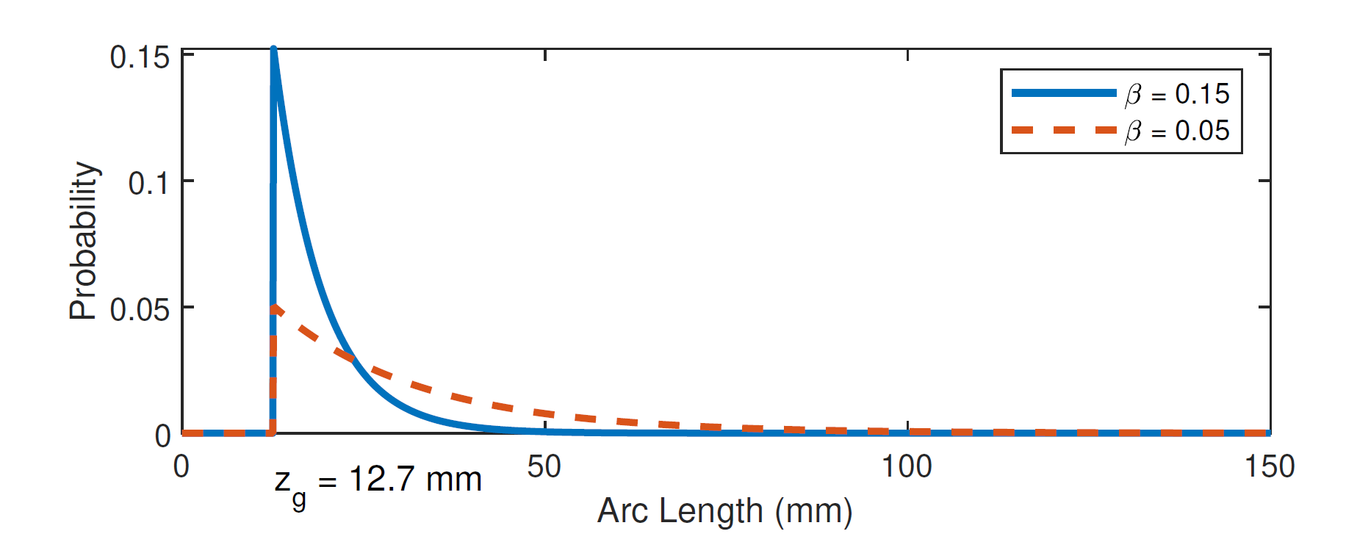
z0 - z' | -176.43 |  |  |  | Interupt Gap Calculation
 |  |  |  |  | Step | z' | I' | V' | Vbat | Error | Slope of Error | Step-Size
Midian Prediction |  |  |  |  | 0 | 258 | 61.6 | 258.68998544 | 257.15011765 | -1.5398677894 | -1.0397660232 | 0.9617548349
Final Gap (z1) | 80.00 | mm |  |  | 1 | 256.51902471 | 61.303804942 | 257.24445574 | 257.15420419 | -0.090251547808 | -1.0390479902 | 0.9624194546
Tarc | 0.00 | s |  |  | 2 | 256.43216486 | 61.286432973 | 257.15970172 | 257.15444387 | -0.0052578532986 | -1.0390057641 | 0.96245856818
Tarc with minimum arc time | 0.05 | s |  |  | 3 | 256.4271044 | 61.285420879 | 257.15476403 | 257.15445783 | -0.00030620166245 | -1.0390033036 | 0.9624608474
Tarc with OCP | 0.05 | s |  |  | 4 | 256.42680969 | 61.285361938 | 257.15447647 | 257.15445864 | -1.7831899413E-05 | -1.0390031603 | 0.96246098013
Im | -115407.57 | A/s |  |  | 5 | 256.42679253 | 61.285358505 | 257.15445973 | 257.15445869 | -1.0384536608E-06 | -1.0390031519 | 0.96246098786
Vm | 1592.25 | V/s |  |  | 6 | 256.42679153 | 61.285358306 | 257.15445875 | 257.15445869 | -6.0475144892E-08 | -1.0390031514 | 0.96246098831
Final Gap Based on Tarc with OCP | 80.73 | mm |  |  | 7 | 256.42679147 | 61.285358294 | 257.1544587 | 257.15445869 | -3.5217908589E-09 | -1.0390031514 | 0.96246098834
IE Midian Prediction | 0.61 | cal/cm^2 |  |  | 8 | 256.42679147 | 61.285358293 | 257.15445869 | 257.15445869 | -2.0509105525E-10 | -1.0390031514 | 0.96246098834
 |  |  |  |  | 9 | 256.42679147 | 61.285358293 | 257.15445869 | 257.15445869 | -1.199396138E-11 | -1.0390031514 | 0.96246098834
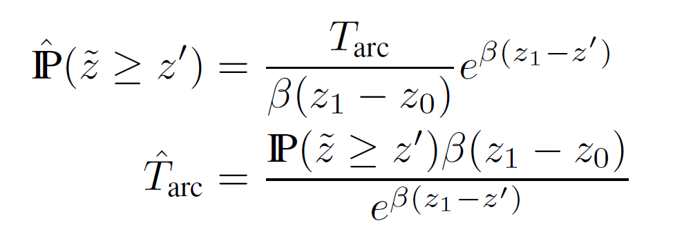
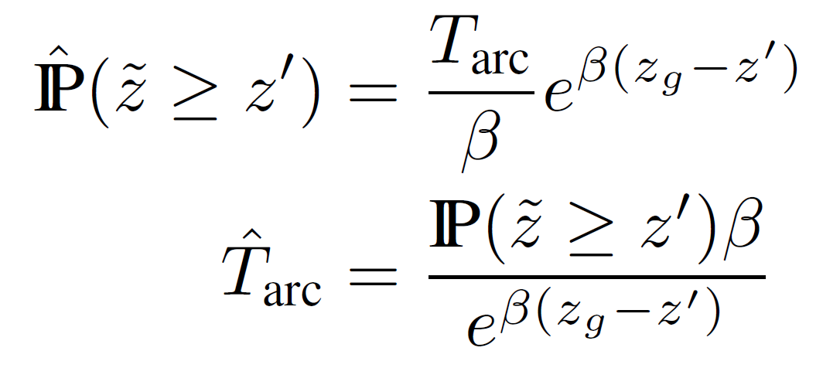
<5% Chance Prediction |  |  |  |  | 10 | 256.42679147 | 61.285358293 | 257.15445869 | 257.15445869 | -6.8212102633E-13 | -1.0390031514 | 0.96246098834
Final Gap (z1) | 80.03 | mm |  |  | 11 | 256.42679147 | 61.285358293 | 257.15445869 | 257.15445869 | 0 | -1.0390031514 | 0.96246098834
Tarc | 0.00 | s |  |  | 12 | 256.42679147 | 61.285358293 | 257.15445869 | 257.15445869 | 0 | -1.0390031514 | 0.96246098834
Tarc with minimum arc time | 0.05 | s |  |  | 13 | 256.42679147 | 61.285358293 | 257.15445869 | 257.15445869 | 0 | -1.0390031514 | 0.96246098834
Tarc with OCP | 0.05 | s |  |  | 14 | 256.42679147 | 61.285358293 | 257.15445869 | 257.15445869 | 0 | -1.0390031514 | 0.96246098834
Im | -115407.57 | A/s |  |  | 15 | 256.42679147 | 61.285358293 | 257.15445869 | 257.15445869 | 0 | -1.0390031514 | 0.96246098834
Linear approximations for I and V over time.
Vm | 1592.25 | V/s |  |  | 16 | 256.42679147 | 61.285358293 | 257.15445869 | 257.15445869 | 0 | -1.0390031514 | 0.96246098834
Final Gap Based on Tarc with OCP | 80.73 | mm |  |  | 17 | 256.42679147 | 61.285358293 | 257.15445869 | 257.15445869 | 0 | -1.0390031514 | 0.96246098834
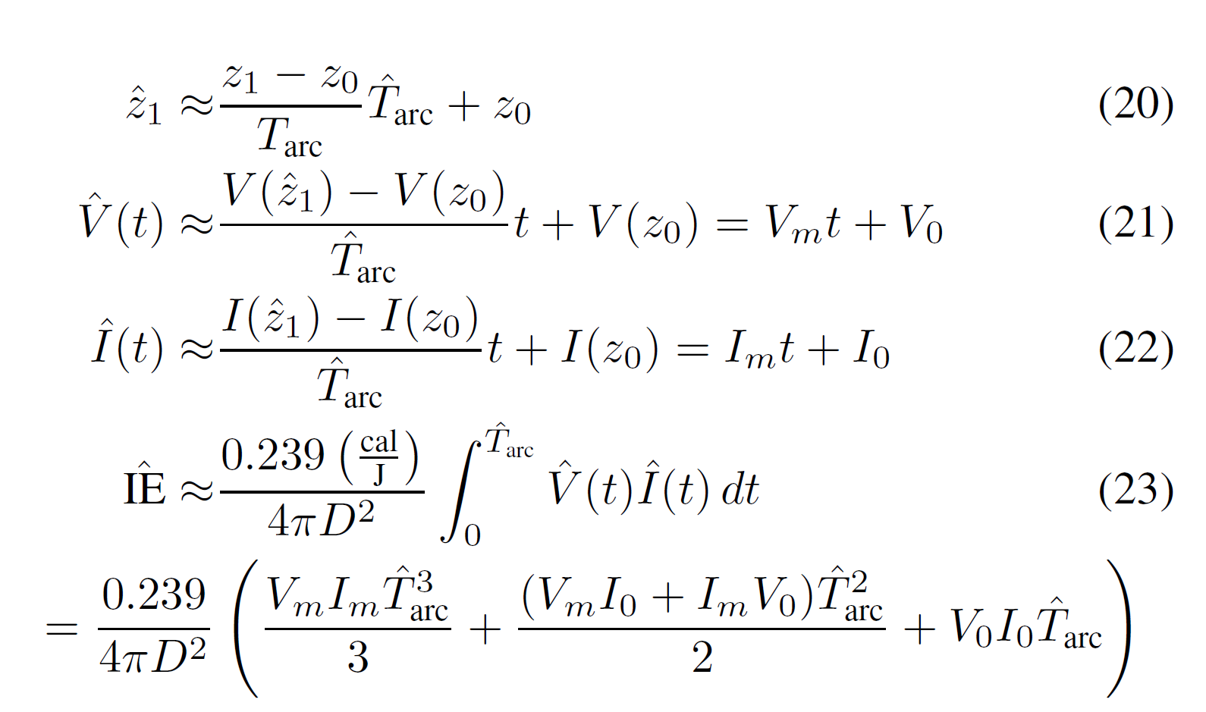
IE <5% Chance Prediction | 0.61 | cal/cm^2 |  |  | 18 | 256.42679147 | 61.285358293 | 257.15445869 | 257.15445869 | 0 | -1.0390031514 | 0.96246098834
 |  |  |  |  | 19 | 256.42679147 | 61.285358293 | 257.15445869 | 257.15445869 | 0 | -1.0390031514 | 0.96246098834
 |  |  |  |  | 20 | 256.42679147 | 61.285358293 | 257.15445869 | 257.15445869 | 0 | -1.0390031514 | 0.96246098834
Results | Value | Units |  |  | 21 | 256.42679147 | 61.285358293 | 257.15445869 | 257.15445869 | 0 | -1.0390031514 | 0.96246098834
Self-Extinguish Method IE [4] Midian Result | 0.61 | cal/cm^2 |  |  | 22 | 256.42679147 | 61.285358293 | 257.15445869 | 257.15445869 | 0 | -1.0390031514 | 0.96246098834
Self-Extinguish Method Arc Boundry [4] Midian Result | 21.84 | cm |  |  | 23 | 256.42679147 | 61.285358293 | 257.15445869 | 257.15445869 | 0 | -1.0390031514 | 0.96246098834
Self-Extinguish Method IE [4] <5% Chance | 0.61 | cal/cm^2 |  |  | 24 | 256.42679147 | 61.285358293 | 257.15445869 | 257.15445869 | 0 | -1.0390031514 | 0.96246098834
Self-Extinguish Method Arc Boundry [4] <5% Chance | 21.84 | cm |  |  | 25 | 256.42679147 | 61.285358293 | 257.15445869 | 257.15445869 | 0 | -1.0390031514 | 0.96246098834
Contact Thermal Hazard | 2,412,300 | W
Contact Thermal PPE | Heavy Duty Leather Gloves
Limited Approach Boundry | 1 m
Restricted Approach Boundry | Avoid Contact |  |  |  | Midian Prediction |  |  |  |  |  |  |  | Plot of Midian Arc Time Intersection |  |  |  | Midian Prediction Arc Flash Boundry Adjustment for Arc-in-a-box factor
Shock PPE | Class 00 Gloves + Leather Outers |  |  |  | Step | z1 | Tarc Extinguish | Tarc Erosion | Error | Slope of Error | Step-Size |  | z1 | Tarc Extinguish | Tarc Erosion | Error | Arc in a box factor @ the working distance | IEm | Arc Boundry
 |  |  |  |  | 0 | 256.42679147 | 0.71588606064 | 12.066749326 | -11.350863266 | -7.01E-02 | 7.1278662135 |  | 80.00 | 0 | 0 | 0 | 2.22 | 0.61 | 32.552835319
Calculation of Short Circuit Current | Value | Units |  |  | 1 | 175.5193567 | 0.74735422314 | 6.5330674754 | -5.7857132523 | -0.066636178381 | 7.5034315015 |  | 93.6 | 0.20686938993 | 0.9301750005 | -0.72330561057 | 1.56 | 0.42790261211 | 27.301597992
Battery cell resistance | 0.000085 | Ω |  |  | 2 | 132.10665362 | 0.57987582963 | 3.5638460706 | -2.983970241 | -0.061972505724 | 8.0680939742 |  | 109.512 | 0.39452508232 | 2.0184797511 | -1.6239546688 | 1.25 | 0.34131963016 | 24.383510535
Number of cells in Series | 240 | # |  |  | 3 | 108.0317013 | 0.37926494248 | 1.9172343951 | -1.5379694526 | -0.057943245181 | 8.629133533 |  | 128.12904 | 0.55318194685 | 3.2917963093 | -2.7386143624 | 1.06 | 0.29096698794 | 22.513211837
Cell connector resistance | 0.000010 | Ω |  |  | 4 | 94.760357527 | 0.22241524844 | 1.0095379095 | -0.7871226611 | -0.055131788212 | 9.0691779863 |  | 149.9109768 | 0.67334309608 | 4.7815766823 | -4.1082335863 | 1.00 | 0.27392661286 | 21.84402739
Number of connectors | 240 | # |  |  | 5 | 87.621802016 | 0.121698426 | 0.52129483045 | -0.39959640445 | -0.053415704691 | 9.3605429881 |  | 175.39584286 | 0.74713636349 | 6.5246197188 | -5.7774833553 | 1.00 | 0.27392661286 | 21.84402739
Number of strings in parallel | 1 | # |  |  | 6 | 83.881362694 | 0.063884365706 | 0.2654666578 | -0.2015822921 | -0.05245440508 | 9.5320879007 |  | 205.21313614 | 0.76989269061 | 8.5639800715 | -7.7940873809 | 1.00 | 0.27392661286 | 21.84402739
Total string resistance | 0.02 | Ω |  |  | 7 | 81.959862567 | 0.03276485461 | 0.13404523265 | -0.10128037804 | -0.05194318538 | 9.6259017683 |  | 240.09936929 | 0.7416764376 | 10.950031684 | -10.208355247 | 1.00 | 0.27392661286 | 21.84402739
Calculated short circuit current | 11288 | A |  |  | 8 | 80.984947597 | 0.016597084667 | 0.067365708182 | -0.050768623516 | -0.051679183801 | 9.6750754022 |  | 280.91626206 | 0.66831634608 | 13.741712071 | -13.073395725 | 1.00 | 0.27392661286 | 21.84402739
 |  |  |  |  | 9 | 80.493757336 | 0.0083534029383 | 0.033770641941 | -0.025417239003 | -0.051544978679 | 9.7002659194 |  | 328.67202662 | 0.56141010156 | 17.007978124 | -16.446568022 | 1.00 | 0.27392661286 | 21.84402739
Constants |  |  |  |  | 10 | 80.247203359 | 0.0041905710524 | 0.01690752827 | -0.012716957218 | -0.051477310809 | 9.7130170971 |  | 384.54627114 | 0.43689748101 | 20.829509405 | -20.392611924 | 1.00 | 0.27392661286 | 21.84402739
cal/J | 0.239 |  |  |  | 11 | 80.123683336 | 0.0020987725445 | 0.0084593490538 | -0.0063605765093 | -0.051443333705 | 9.7194323149 |  | 449.91913723 | 0.31219678284 | 25.300701004 | -24.988504222 | 1.00 | 0.27392661286 | 21.84402739
1 / 4 pi | 0.079577471536 |  |  |  | 12 | 80.061862143 | 0.0010502605 | 0.0042310749284 | -0.0031808144285 | -0.051426309127 | 9.7226499138 |  | 526.40539056 | 0.20252453165 | 30.531995176 | -30.329470644 | 1.00 | 0.27392661286 | 21.84402739
cm / in | 2.54 |  |  |  | 13 | 80.030936198 | 0.00052534911733 | 0.0021158880883 | -0.001590538971 | -0.051417787802 | 9.7242612212 |  | 615.89430696 | 0.11760518 | 36.652609356 | -36.535004176 | 1.00 | 0.27392661286 | 21.84402739
 |  |  |  |  | 14 | 80.015469382 | 0.00026272931439 | 0.0010580317658 | -0.0007953024514 | -0.051413524876 | 9.7250675032 |  | 720.59633914 | 0.060105291617 | 43.813727947 | -43.753622655 | 1.00 | 0.27392661286 | 21.84402739
 |  |  |  |  | 15 | 80.007735012 | 0.00013137835099 | 0.00052903782151 | -0.00039765947052 | -0.051411392848 | 9.7254708014 |  | 843.0977168 | 0.026494523922 | 52.192236699 | -52.165742175 | 1.00 | 0.27392661286 | 21.84402739
 |  |  |  |  | 16 | 80.003867586 | 6.5692599551E-05 | 0.00026452439644 | -0.00019883179688 | -0.051410326692 | 9.7256724899 |  | 986.42432865 | 0.009834614479 | 61.995091938 | -61.985257323 | 1.00 | 0.27392661286 | 21.84402739
 |  |  |  |  | 17 | 80.001933813 | 3.2847155866E-05 | 0.00013226356977 | -9.9416413901E-05 | -0.051409793578 | 9.7257733439 |  | 1154.1164645 | 0.0029884875448 | 73.464432568 | -73.46144408 | 1.00 | 0.27392661286 | 21.84402739
 |  |  |  |  | 18 | 80.000966912 | 1.6423791965E-05 | 6.6132127787E-05 | -4.9708335821E-05 | -0.051409527013 | 9.7258237734 |  | 1350.3162635 | 0.0007191373643 | 86.883561105 | -86.882841967 | 1.00 | 0.27392661286 | 21.84402739
Funding Statement
This article has been authored by an employee of National Technology & Engineering Solutions of Sandia, LLC under Contract No. DE-NA0003525 with the U.S. Department of Energy (DOE). The employee owns all right, title and interest in and to the article and is solely responsible for its contents. The United States Government retains and the publisher, by accepting the article for publication, acknowledges that the United States Government retains a non-exclusive, paid-up, irrevocable, world-wide license to publish or reproduce the published form of this article or allow others to do so, for United States Government purposes. The DOE will provide public access to these results of federally sponsored research in accordance with the DOE Public Access Plan https://www.energy.gov/downloads/doe-public-access-plan .
 |  |  |  |  | 19 | 80.000483457 | 8.2119494918E-06 | 3.3066149621E-05 | -2.4854200129E-05 | -0.051409393728 | 9.7258489888 |  | 1579.8700283 | 0.00013179487668 | 102.58394149 | -102.5838097 | 1.00 | 0.27392661286 | 21.84402739
 |  |  |  |  | 20 | 80.000241729 | 4.1059881233E-06 | 1.6533096243E-05 | -1.2427108119E-05 | -0.051409327085 | 9.7258615966 |  | 1848.4479331 | 1.7572870905E-05 | 120.95338655 | -120.95336897 | 1.00 | 0.27392661286 | 21.84402739
 |  |  |  |  | 21 | 80.000120864 | 2.0529974061E-06 | 8.2665534797E-06 | -6.2135560736E-06 | -0.051409293763 | 9.7258679006 |  | 2162.6840817 | 1.6156910517E-06 | 142.44563726 | -142.44563565 | 1.00 | 0.27392661286 | 21.84402739
 |  |  |  |  | 22 | 80.000060432 | 1.0264995391E-06 | 4.1332780792E-06 | -3.1067785401E-06 | -0.051409277102 | 9.7258710526 |  | 2530.3403756 | 9.6198473648E-08 | 167.5915706 | -167.5915705 | 1.00 | 0.27392661286 | 21.84402739
 |  |  |  |  | 23 | 80.000030216 | 5.1324997857E-07 | 2.0666393744E-06 | -1.5533893959E-06 | -0.051409268772 | 9.7258726286 |  | 2960.4982395 | 3.4461278499E-09 | 197.0123126 | -197.01231259 | 1.00 | 0.27392661286 | 21.84402739
 |  |  |  |  | 24 | 80.000015108 | 2.5662504163E-07 | 1.0333197713E-06 | -7.7669472966E-07 | -0.051409264606 | 9.7258734166 |  | 3463.7829402 | 6.8148298246E-11 | 231.43458074 | -231.43458074 | 1.00 | 0.27392661286 | 21.84402739
 |  |  |  |  | 25 | 80.000007554 | 1.2831253387E-07 | 5.1665990654E-07 | -3.8834737267E-07 | -0.051409262524 | 9.7258738106 |  | 4052.62604 | 6.7262195404E-13 | 271.70863447 | -271.70863447 | 1.00 | 0.27392661286 | 21.84402739

MIT Open Source Software License
Copyright 2024 National Technology & Engineering Solutions of Sandia, LLC (NTESS). Under the terms of Contract DE-NA0003525 with NTESS, the U.S. Government retains certain rights in this software.
Permission is hereby granted, free of charge, to any person obtaining a copy of this software and associated documentation files (the “Software”), to deal in the Software without restriction, including without limitation the rights to use, copy, modify, merge, publish, distribute, sublicense, and/or sell copies of the Software, and to permit persons to whom the Software is furnished to do so, subject to the following conditions:
The above copyright notice and this permission notice shall be included in all copies or substantial portions of the Software.
THE SOFTWARE IS PROVIDED “AS IS”, WITHOUT WARRANTY OF ANY KIND, EXPRESS OR IMPLIED, INCLUDING BUT NOT LIMITED TO THE WARRANTIES OF MERCHANTABILITY, FITNESS FOR A PARTICULAR PURPOSE AND NONINFRINGEMENT. IN NO EVENT SHALL THE AUTHORS OR COPYRIGHT HOLDERS BE LIABLE FOR ANY CLAIM, DAMAGES OR OTHER LIABILITY, WHETHER IN AN ACTION OF CONTRACT, TORT OR OTHERWISE, ARISING FROM, OUT OF OR IN CONNECTION WITH THE SOFTWARE OR THE USE OR OTHER DEALINGS IN THE SOFTWARE.

 |  |  |  |  | <5% Chance Prediction |  |  |  |  |  |  |  | Plot of <5% Chance Arc Time Intersection |  |  |  | <5% Chance Prediction Arc Flash Boundry Adjustment for Arc-in-a-box factor
 |  |  |  |  | Step | z1 | Tarc Extinguish | Tarc Erosion | Error | Slope of Error | Step-Size |  | z1 | Tarc Extinguish | Tarc Erosion | Error | Arc in a box factor @ the working distance | IEm | Arc Boundry
 |  |  |  |  | 0 | 256.42679147 | 0.16047110165 | 12.066749326 | -11.906278225 | -0.070404826902 | 7.1017858007 |  | 80.00 | 0 | 0 | 0 | 2.22 | 0.61 | 32.552835319
 |  |  |  |  | 1 | 171.87095383 | 0.38907350349 | 6.2835341562 | -5.8944606527 | -0.071237949791 | 4.2112385446 |  | 93.6 | 0.23919971501 | 0.9301750005 | -0.69097528549 | 1.56 | 0.42790261211 | 27.301597992
 |  |  |  |  | 2 | 147.04797393 | 0.44601497635 | 4.5857609693 | -4.139745993 | -0.069856609123 | 4.2945113392 |  | 109.512 | 0.38860639523 | 2.0184797511 | -1.6298733559 | 1.25 | 0.34131963016 | 24.383510535
 |  |  |  |  | 3 | 129.26978782 | 0.45289596974 | 3.3698180081 | -2.9169220384 | -0.067441795721 | 4.4482801324 |  | 128.12904 | 0.45168667191 | 3.2917963093 | -2.8401096374 | 1.06 | 0.29096698794 | 22.513211837
 |  |  |  |  | 4 | 116.29450147 | 0.42244285344 | 2.4823704355 | -2.059927582 | -0.064440672551 | 4.6554448941 |  | 149.9109768 | 0.44145903963 | 4.7815766823 | -4.3401176427 | 1.00 | 0.27392661286 | 21.84402739
 |  |  |  |  | 5 | 106.70462213 | 0.3700641544 | 1.826468522 | -1.4564043676 | -0.06126946458 | 4.8964031603 |  | 175.39584286 | 0.37890907358 | 6.5246197188 | -6.1457106453 | 1.00 | 0.27392661286 | 21.84402739
 |  |  |  |  | 6 | 99.573479177 | 0.30881413584 | 1.3387324267 | -1.0299182909 | -0.058235761159 | 5.1514738372 |  | 205.21313614 | 0.28912673222 | 8.5639800715 | -8.2748533393 | 1.00 | 0.27392661286 | 21.84402739
 |  |  |  |  | 7 | 94.267882047 | 0.24791611329 | 0.97585494049 | -0.72793882719 | -0.055529304628 | 5.4025527964 |  | 240.09936929 | 0.19598117182 | 10.950031684 | -10.754050512 | 1.00 | 0.27392661286 | 21.84402739
 |  |  |  |  | 8 | 90.335154101 | 0.19289996443 | 0.70687514493 | -0.51397518051 | -0.053239860339 | 5.6348757883 |  | 280.91626206 | 0.11705012371 | 13.741712071 | -13.624661947 | 1.00 | 0.27392661286 | 21.84402739
 |  |  |  |  | 9 | 87.438967801 | 0.14635540632 | 0.50878984394 | -0.36243443762 | -0.051383451782 | 5.8384555648 |  | 328.67202662 | 0.060770978501 | 17.007978124 | -16.947207145 | 1.00 | 0.27392661286 | 21.84402739
 |  |  |  |  | 10 | 85.322910441 | 0.10883356475 | 0.364061634 | -0.25522806926 | -0.049928786736 | 6.0085577802 |  | 384.54627114 | 0.02693371227 | 20.829509405 | -20.802575693 | 1.00 | 0.27392661286 | 21.84402739
 |  |  |  |  | 11 | 83.78935784 | 0.079670019595 | 0.2591739655 | -0.17950394591 | -0.048819841367 | 6.1450424991 |  | 449.91913723 | 0.0099604940818 | 25.300701004 | -25.29074051 | 1.00 | 0.27392661286 | 21.84402739
 |  |  |  |  | 12 | 82.686298464 | 0.057623300447 | 0.18372997609 | -0.12610667565 | -0.047992641514 | 6.2509582831 |  | 526.40539056 | 0.0029897505938 | 30.531995176 | -30.529005425 | 1.00 | 0.27392661286 | 21.84402739
 |  |  |  |  | 13 | 81.898010895 | 0.041301927344 | 0.12981487392 | -0.088512946572 | -0.04738591623 | 6.330995027 |  | 615.89430696 | 0.00070467760296 | 36.652609356 | -36.651904678 | 1.00 | 0.27392661286 | 21.84402739
 |  |  |  |  | 14 | 81.33763587 | 0.029406049595 | 0.091487900478 | -0.062081850883 | -0.046946554858 | 6.3902452673 |  | 720.59633914 | 0.00012540433715 | 43.813727947 | -43.813602543 | 1.00 | 0.27392661286 | 21.84402739
 |  |  |  |  | 15 | 80.940917617 | 0.020834572506 | 0.064354267984 | -0.043519695478 | -0.046631404047 | 6.4334327077 |  | 843.0977168 | 1.6088067907E-05 | 52.192236699 | -52.192220611 | 1.00 | 0.27392661286 | 21.84402739
 |  |  |  |  | 16 | 80.660936584 | 0.014709731152 | 0.045204903508 | -0.030495172356 | -0.046406920029 | 6.4645531272 |  | 986.42432865 | 1.4090427823E-06 | 61.995091938 | -61.995090529 | 1.00 | 0.27392661286 | 21.84402739
 |  |  |  |  | 17 | 80.463798923 | 0.010359341176 | 0.031721629634 | -0.021362288459 | -0.04624782417 | 6.4867916574 |  | 1154.1164645 | 7.9034480043E-08 | 73.464432568 | -73.464432489 | 1.00 | 0.27392661286 | 21.84402739
 |  |  |  |  | 18 | 80.325226208 | 0.0072825371732 | 0.02224391825 | -0.014961381077 | -0.046135477854 | 6.5025878988 |  | 1350.3162635 | 2.6340804066E-09 | 86.883561105 | -86.883561102 | 1.00 | 0.27392661286 | 21.84402739
 |  |  |  |  | 19 | 80.227938512 | 0.0051130906418 | 0.015589904849 | -0.010476814208 | -0.046056348455 | 6.5137599933 |  | 1579.8700283 | 4.7776526221E-11 | 102.58394149 | -102.58394149 | 1.00 | 0.27392661286 | 21.84402739
 |  |  |  |  | 20 | 80.159695059 | 0.0035867112028 | 0.010922378809 | -0.0073356676058 | -0.046000716745 | 6.5216375142 |  | 1848.4479331 | 4.2549301505E-13 | 120.95338655 | -120.95338655 | 1.00 | 0.27392661286 | 21.84402739
 |  |  |  |  | 21 | 80.111854494 | 0.002514411331 | 0.0076503128073 | -0.0051359014763 | -0.04596165552 | 6.5271800288 |  | 2162.6840817 | 1.6494776523E-15 | 142.44563726 | -142.44563726 | 1.00 | 0.27392661286 | 21.84402739
 |  |  |  |  | 22 | 80.078331541 | 0.0017619127508 | 0.0053575030035 | -0.0035955902527 | -0.045934254035 | 6.5310737336 |  | 2530.3403756 | 2.4173204453E-18 | 167.5915706 | -167.5915706 | 1.00 | 0.27392661286 | 21.84402739
 |  |  |  |  | 23 | 80.054848476 | 0.0012342348819 | 0.0037513735881 | -0.0025171387061 | -0.045915044164 | 6.5338061949 |  | 2960.4982395 | 1.135469845E-21 | 197.0123126 | -197.0123126 | 1.00 | 0.27392661286 | 21.84402739
 |  |  |  |  | 24 | 80.038401979 | 0.00086440405364 | 0.0026265118334 | -0.0017621077797 | -0.045901583091 | 6.5357222954 |  | 3463.7829402 | 1.4092326614E-25 | 231.43458074 | -231.43458074 | 1.00 | 0.27392661286 | 21.84402739
 |  |  |  |  | 25 | 80.026885332 | 0.00060529847166 | 0.0018388282139 | -0.0012335297423 | -0.045892153387 | 6.5370652249 |  | 4052.62604 | 3.6862804883E-30 | 271.70863447 | -271.70863447 | 1.00 | 0.27392661286 | 21.84402739

