Max Power
Battery Hazard Calculator (Maximum Power Method)
Developed by David Rosewater (Sandia National Laboratories)

Directions
Step 1: Battery Circuit Data Input
-Fill out the battery voltage and short circuit current. If short circuit current is not known, then fill out the Calculation of Short Circuit Current section at the bottom of this sheet. Then copy the calculated short circuit current into field B12.
-Fill out the arc time (Based on the overcurrent protection (OCP) trip curve). If no OCP is in the battery circuit then use 2 seconds.
-Fill out the arc gap and the arc-in-a-box multiplication factor.
Step 3: Results
-The Max Power Transfer method does not consider the arc gap and has been shown to be overly conservative. Generally, this should not be used unless the gap length is completely unknown.
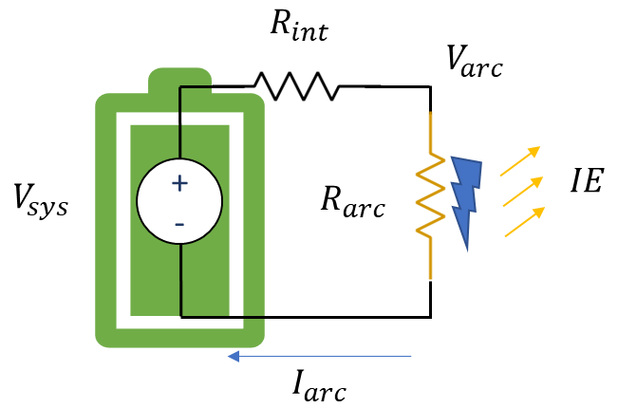
 | User input field
 | calculated field

Battery Circuit Data Input | Value | Units
Battery Nominal Voltage = | 504 | V
Battery Short Circuit Current = | 2400 | A | Arc-in-a-box Type
Battery Circuit Resistance = | 0.210000 | Ω | 1
Arc Time (if no OCP use 2 s) = | 2.00 | s
Working Distance (use 45.72 cm) = | 45.72 | cm
arc-in-a-box factor (1 or 1.6) = | 1.00 | none
Battery Arc Voltage

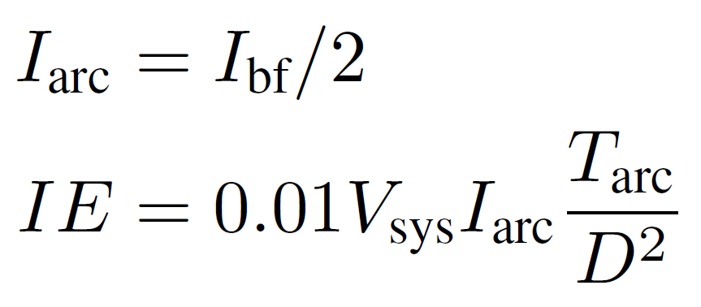
Results | Value | Units
Max Power Transfer IE [1] | 5.79 | cal/cm^2
Max Power Transfer Arc Boundry [1] | 100.40 | cm
Max Power IE
Contact Thermal Hazard | 604,800 | W
Contact Thermal PPE | Heavy Duty Leather Gloves
References
[1] Doan, D. R., “Arc Flash Calculations for Exposures to DC Systems,” IEEE Transactions on Industry Applications, vol. 46, no. 6, pp. 2299–2302, November/December 2010.
[5] "Simple Improved Equations for Arc Flash Analysis," Wilkins, R., IEEE Electrical Safety Forum, posted August 30, 2004.
Limited Approach Boundry | 1 m
Restricted Approach Boundry | 0.3 m
Shock PPE | Class 00 Gloves + Leather Outers

Calculation of Short Circuit Current | Value | Units
Battery cell resistance | 0.010000 | Ω
Number of cells in Series | 42 | #
Cell connector resistance | 0.000010 | Ω
Number of connectors | 0 | #
Number of strings in parallel | 2 | #
Total string resistance | 0.210 | Ω
Calculated short circuit current | 2400 | A
 |  |  |  | Midian Prediction Arc Flash Boundry Adjustment for Arc-in-a-box factor
Constants |  |  |  | Arc in a box factor @ the working distance | IEm | Arc Boundry
cal/J | 0.239 |  |  | 1.00 | 5.79 | 100.39920318
1 / 4 pi | 0.079577471536 |  |  | 1.00 | 5.78667824 | 100.39920318
cm / in | 2.54 |  |  | 1.00 | 5.78667824 | 100.39920318
 |  |  |  | 1.00 | 5.78667824 | 100.39920318
 |  |  |  | 1.00 | 5.78667824 | 100.39920318
 |  |  |  | 1.00 | 5.78667824 | 100.39920318
Funding Statement
This article has been authored by an employee of National Technology & Engineering Solutions of Sandia, LLC under Contract No. DE-NA0003525 with the U.S. Department of Energy (DOE). The employee owns all right, title and interest in and to the article and is solely responsible for its contents. The United States Government retains and the publisher, by accepting the article for publication, acknowledges that the United States Government retains a non-exclusive, paid-up, irrevocable, world-wide license to publish or reproduce the published form of this article or allow others to do so, for United States Government purposes. The DOE will provide public access to these results of federally sponsored research in accordance with the DOE Public Access Plan https://www.energy.gov/downloads/doe-public-access-plan .
 |  |  |  | 1.00 | 5.78667824 | 100.39920318
 |  |  |  | 1.00 | 5.78667824 | 100.39920318
 |  |  |  | 1.00 | 5.78667824 | 100.39920318
 |  |  |  | 1.00 | 5.78667824 | 100.39920318
 |  |  |  | 1.00 | 5.78667824 | 100.39920318
 |  |  |  | 1.00 | 5.78667824 | 100.39920318
 |  |  |  | 1.00 | 5.78667824 | 100.39920318
 |  |  |  | 1.00 | 5.78667824 | 100.39920318
MIT Open Source Software License
Copyright 2024 National Technology & Engineering Solutions of Sandia, LLC (NTESS). Under the terms of Contract DE-NA0003525 with NTESS, the U.S. Government retains certain rights in this software.
Permission is hereby granted, free of charge, to any person obtaining a copy of this software and associated documentation files (the “Software”), to deal in the Software without restriction, including without limitation the rights to use, copy, modify, merge, publish, distribute, sublicense, and/or sell copies of the Software, and to permit persons to whom the Software is furnished to do so, subject to the following conditions:
The above copyright notice and this permission notice shall be included in all copies or substantial portions of the Software.
THE SOFTWARE IS PROVIDED “AS IS”, WITHOUT WARRANTY OF ANY KIND, EXPRESS OR IMPLIED, INCLUDING BUT NOT LIMITED TO THE WARRANTIES OF MERCHANTABILITY, FITNESS FOR A PARTICULAR PURPOSE AND NONINFRINGEMENT. IN NO EVENT SHALL THE AUTHORS OR COPYRIGHT HOLDERS BE LIABLE FOR ANY CLAIM, DAMAGES OR OTHER LIABILITY, WHETHER IN AN ACTION OF CONTRACT, TORT OR OTHERWISE, ARISING FROM, OUT OF OR IN CONNECTION WITH THE SOFTWARE OR THE USE OR OTHER DEALINGS IN THE SOFTWARE.
 |  |  |  | 1.00 | 5.78667824 | 100.39920318
 |  |  |  | 1.00 | 5.78667824 | 100.39920318
 |  |  |  | 1.00 | 5.78667824 | 100.39920318
 |  |  |  | 1.00 | 5.78667824 | 100.39920318
 |  |  |  | 1.00 | 5.78667824 | 100.39920318
 |  |  |  | 1.00 | 5.78667824 | 100.39920318
 |  |  |  | 1.00 | 5.78667824 | 100.39920318
 |  |  |  | 1.00 | 5.78667824 | 100.39920318
 |  |  |  | 1.00 | 5.78667824 | 100.39920318
 |  |  |  | 1.00 | 5.78667824 | 100.39920318
 |  |  |  | 1.00 | 5.78667824 | 100.39920318
 |  |  |  | 1.00 | 5.78667824 | 100.39920318

Arc Resistance
Battery Hazard Calculator (Arc Resistance Method)
Developed by David Rosewater (Sandia National Laboratories)
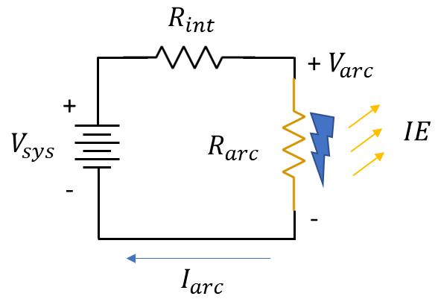
 |  |  |  | Step | Arc Current | Battery Arc Voltage | Air Arc Voltage | Error | Slope of Error | Step-Size
 |  |  |  | 0 | 9000 | 50 | 91.488067986 | -41.488067986 | -0.060165340887 | 16.620864858
 |  |  |  | 1 | 8310.4324288 | 84.47837856 | 90.617106377 | -6.1387278171 | -0.060904018191 | 16.419277902
 |  |  |  | 2 | 8209.6389508 | 89.51805246 | 90.48451069 | -0.96645823065 | -0.06102174057 | 16.387602036
Directions
Step 1: Battery Circuit Data Input
-Fill out the battery voltage and short circuit current. If short circuit current is not known, then fill out the Calculation of Short Circuit Current section at the bottom of this sheet. Then copy the calculated short circuit current into field B12.
-Fill out the arc time (Based on the overcurrent protection (OCP) trip curve). If no OCP is in the battery circuit then use 2 seconds.
-Fill out the arc gap and the arc-in-a-box multiplication factor.
Step 2: Calculation
-This spreadsheet solves the iterative problem using fields W2 through AC28 with gradient decent to drive the voltage error (the difference between the battery voltage and the arc voltage) to zero by changing the arc current. Once AA23 = 0, the arc current and arc voltage fields are correct and the results can be read.
-the Input Error Checking fields will warn you if one of the inputs invalidates the calculation.
Step 3: Results
-The arc resistance method (also called the Ammerman Method, which relies on a model developed by Stokes and Oppenlander), considers the arc gap resistance but does not consider magnetic forces or electrode erosion.
 |  |  |  | 3 | 8193.8010179 | 90.309949103 | 90.463545497 | -0.15359639421 | -0.061040486009 | 16.382569429
 | User input field |  |  | 4 | 8191.2847143 | 90.435764283 | 90.460211301 | -0.024447018297 | -0.061043470525 | 16.381768458
 | calculated field |  |  | 5 | 8190.884229 | 90.455788552 | 90.45968056 | -0.0038920073818 | -0.061043945688 | 16.381640943
 |  |  |  | 6 | 8190.8204715 | 90.458976426 | 90.459596063 | -0.0006196376376 | -0.061044021338 | 16.381620642
Battery Circuit Data Input | Value | Units |  | 7 | 8190.8103208 | 90.459483959 | 90.459582611 | -9.8651690323E-05 | -0.061044033382 | 16.381617409
Battery Nominal Voltage = | 500 | V |  | 8 | 8190.8087047 | 90.459564763 | 90.459580469 | -1.5706220395E-05 | -0.0610440353 | 16.381616895
Battery Short Circuit Current = | 10000 | A | Arc-in-a-box Type | 9 | 8190.8084474 | 90.459577628 | 90.459580128 | -2.5005694084E-06 | -0.061044035605 | 16.381616813
Battery Circuit Resistance = | 0.050000 | Ω | 1 | 10 | 8190.8084065 | 90.459579676 | 90.459580074 | -3.9811280317E-07 | -0.061044035654 | 16.3816168
Arc Time (if no OCP use 2 s) = | 2.00 | s |  | 11 | 8190.8084 | 90.459580002 | 90.459580065 | -6.3383140514E-08 | -0.061044035661 | 16.381616798
Working Distance (use 45.72 cm) = | 45.72 | cm |  | 12 | 8190.8083989 | 90.459580054 | 90.459580064 | -1.0091113722E-08 | -0.061044035663 | 16.381616798
Battery Arc Voltage
Gap in the Battery Circuit = | 20.00 | mm |  | 13 | 8190.8083988 | 90.459580062 | 90.459580064 | -1.606593969E-09 | -0.061044035663 | 16.381616797
arc-in-a-box factor (1 or 1.6) = | 1.00 | none |  | 14 | 8190.8083987 | 90.459580063 | 90.459580064 | -2.5579538487E-10 | -0.061044035663 | 16.381616797
 |  |  |  | 15 | 8190.8083987 | 90.459580064 | 90.459580064 | -4.0728309614E-11 | -0.061044035663 | 16.381616797
Air Arc Voltage
Arc Current Calculation | Value | Units |  | 16 | 8190.8083987 | 90.459580064 | 90.459580064 | -6.437517186E-12 | -0.061044035663 | 16.381616797
Arc Current (Goal Seek Input) | 8190.81 | A |  | 17 | 8190.8083987 | 90.459580064 | 90.459580064 | -1.0373923942E-12 | -0.061044035663 | 16.381616797
Battery Arc Voltage | 90.46 | V |  | 18 | 8190.8083987 | 90.459580064 | 90.459580064 | -1.7053025658E-13 | -0.061044035663 | 16.381616797
Air Arc Voltage | 90.46 | V |  | 19 | 8190.8083987 | 90.459580064 | 90.459580064 | 0 | -0.061044035663 | 16.381616797
Goal seek to 0 | 0.00 | V |  | 20 | 8190.8083987 | 90.459580064 | 90.459580064 | 0 | -0.061044035663 | 16.381616797
Input Error Checking | Solved |  |  | 21 | 8190.8083987 | 90.459580064 | 90.459580064 | 0 | -0.061044035663 | 16.381616797
 | Battery Voltage Good |  |  | 22 | 8190.8083987 | 90.459580064 | 90.459580064 | 0 | -0.061044035663 | 16.381616797
 | Arc Voltage Good |  |  | 23 | 8190.8083987 | 90.459580064 | 90.459580064 | 0 | -0.061044035663 | 16.381616797
 | Arc Current Good |  |  | 24 | 8190.8083987 | 90.459580064 | 90.459580064 | 0 | -0.061044035663 | 16.381616797
 |  |  |  | 25 | 8190.8083987 | 90.459580064 | 90.459580064 | 0 | -0.061044035663 | 16.381616797
Results | Value | Units
Arc Resistance Method [2,3] IE | 13.48 | cal/cm^2
References
[2] R. F. Ammerman, T. Gammon, P. K. Sen, and J. P. Nelson, “DC-Arc Models and Incident-Energy Calculations,” in IEEE Transactions on Industry Applications, vol. 46, no. 5, pp. 1810-1819, Sept.-Oct. 2010, doi: 10.1109/TIA.2010.2057497.
[3] A. D. Stokes and W. T. Oppenlander, ``Electric arcs in open air,'' J. Phys. D: Appl. Phys. Vol 24, pp. 26-35, 6 April 1990
[5] "Simple Improved Equations for Arc Flash Analysis," Wilkins, R., IEEE Electrical Safety Forum, posted August 30, 2004.
Arc Resistance Method ([2,3]) Arc Boundry | 153.25 | cm
Contact Thermal Hazard | 2,500,000 | W
Contact Thermal PPE | Heavy Duty Leather Gloves
Limited Approach Boundry | 1 m
Restricted Approach Boundry | 0.3 m
Shock PPE | Class 00 Gloves + Leather Outers |  |  | Midian Prediction Arc Flash Boundry Adjustment for Arc-in-a-box factor
 |  |  |  | Arc in a box factor @ the working distance | IEm | Arc Boundry
Calculation of Short Circuit Current | Value | Units |  | 1.00 | 13.48 | 153.25302667
Battery cell resistance | 0.000085 | Ω |  | 1.00 | 13.483012071 | 153.25302667
Number of cells in Series | 240 | # |  | 1.00 | 13.483012071 | 153.25302667
Cell connector resistance | 0.000010 | Ω |  | 1.00 | 13.483012071 | 153.25302667
Number of connectors | 240 | # |  | 1.00 | 13.483012071 | 153.25302667
Number of strings in parallel | 1 | # |  | 1.00 | 13.483012071 | 153.25302667
Total string resistance | 0.02 | Ω |  | 1.00 | 13.483012071 | 153.25302667
Calculated short circuit current | 21875 | A |  | 1.00 | 13.483012071 | 153.25302667
 |  |  |  | 1.00 | 13.483012071 | 153.25302667
Constants |  |  |  | 1.00 | 13.483012071 | 153.25302667
cal/J | 0.239 |  |  | 1.00 | 13.483012071 | 153.25302667
1 / 4 pi | 0.079577471536 |  |  | 1.00 | 13.483012071 | 153.25302667
cm / in | 2.54 |  |  | 1.00 | 13.483012071 | 153.25302667
 |  |  |  | 1.00 | 13.483012071 | 153.25302667
 |  |  |  | 1.00 | 13.483012071 | 153.25302667
 |  |  |  | 1.00 | 13.483012071 | 153.25302667
Funding Statement
This article has been authored by an employee of National Technology & Engineering Solutions of Sandia, LLC under Contract No. DE-NA0003525 with the U.S. Department of Energy (DOE). The employee owns all right, title and interest in and to the article and is solely responsible for its contents. The United States Government retains and the publisher, by accepting the article for publication, acknowledges that the United States Government retains a non-exclusive, paid-up, irrevocable, world-wide license to publish or reproduce the published form of this article or allow others to do so, for United States Government purposes. The DOE will provide public access to these results of federally sponsored research in accordance with the DOE Public Access Plan https://www.energy.gov/downloads/doe-public-access-plan .
 |  |  |  | 1.00 | 13.483012071 | 153.25302667
 |  |  |  | 1.00 | 13.483012071 | 153.25302667
 |  |  |  | 1.00 | 13.483012071 | 153.25302667
 |  |  |  | 1.00 | 13.483012071 | 153.25302667
 |  |  |  | 1.00 | 13.483012071 | 153.25302667
 |  |  |  | 1.00 | 13.483012071 | 153.25302667
 |  |  |  | 1.00 | 13.483012071 | 153.25302667
MIT Open Source Software License
Copyright 2024 National Technology & Engineering Solutions of Sandia, LLC (NTESS). Under the terms of Contract DE-NA0003525 with NTESS, the U.S. Government retains certain rights in this software.
Permission is hereby granted, free of charge, to any person obtaining a copy of this software and associated documentation files (the “Software”), to deal in the Software without restriction, including without limitation the rights to use, copy, modify, merge, publish, distribute, sublicense, and/or sell copies of the Software, and to permit persons to whom the Software is furnished to do so, subject to the following conditions:
The above copyright notice and this permission notice shall be included in all copies or substantial portions of the Software.
THE SOFTWARE IS PROVIDED “AS IS”, WITHOUT WARRANTY OF ANY KIND, EXPRESS OR IMPLIED, INCLUDING BUT NOT LIMITED TO THE WARRANTIES OF MERCHANTABILITY, FITNESS FOR A PARTICULAR PURPOSE AND NONINFRINGEMENT. IN NO EVENT SHALL THE AUTHORS OR COPYRIGHT HOLDERS BE LIABLE FOR ANY CLAIM, DAMAGES OR OTHER LIABILITY, WHETHER IN AN ACTION OF CONTRACT, TORT OR OTHERWISE, ARISING FROM, OUT OF OR IN CONNECTION WITH THE SOFTWARE OR THE USE OR OTHER DEALINGS IN THE SOFTWARE.
 |  |  |  | 1.00 | 13.483012071 | 153.25302667
 |  |  |  | 1.00 | 13.483012071 | 153.25302667
 |  |  |  | 1.00 | 13.483012071 | 153.25302667

Self-Extinguish
Battery Hazard Calculator (Self-Extinguish Method)
Developed by David Rosewater (Sandia National Laboratories)

Directions
Step 1: Battery Circuit Data Input
-Fill out the battery voltage and short circuit current. If short circuit current is not known, then fill out the Calculation of Short Circuit Current section at the bottom of this sheet. Then copy the calculated short circuit current into field B12.
-Fill out the arc time (Based on the overcurrent protection (OCP) trip curve). If no OCP is in the battery circuit then use 2 seconds.
-Fill out the arc gap and the arc-in-a-box multiplication factor.
-Fill out the electrode configuration
-Fill out the Electrode Erosion Rate Constant (0.004962 mm A⁻¹ s⁻¹ can be used for 25mm diameter coper electrodes).
-Fill out the minimum arc time (0.05 s can be used to avoid a few cases of IE underestimation)
Step 2: Calculation
-This spreadsheet solves four sequential iterative problems using fields AB8 through AH129.
-These problems are solved with gradient decent method to 1) find the initial arc current and voltage, 2) find the gap at which the arc is likely to self extinguish, 3) predict the arc time and final gap, 4) predict the arc energy and incident energy (IE) that a worker could be exposed to.
-the Input Error Checking fields will warn you if one of the inputs invalidates the calculation.
Step 3: Results
-The Self-Extinguishing Method provides two results: a median prediction (cell B50) and a <5% chance prediction (cell B60). When comparted to experimental data, the median prediction has the lowest average error. However the median prediction underestimates IE in roughly have of the experiments while overestimating IE in the other half. The <5% chance prediction is intended to be a conservative estimation that will overestimate the IE in 95% of experiments. Some configurations will have a higher gap between these predictions than others.
 | User input field
 | calculated field
 |  |  |  |  | Arc Current Calculation
Battery Circuit Data Input | Value | Units |  |  | Step | Arc Current | Battery Arc Voltage | Air Arc Voltage | Error | Slope of Error | Step-Size
Battery Nominal Voltage = | 500 | V |  |  | 0 | 9000 | 50 | 91.488067986 | -41.488067986 | -0.060165340887 | 16.620864858
Battery Short Circuit Current = | 10000 | A | Arc-in-a-box Type |  | 1 | 8310.4324288 | 84.47837856 | 90.617106377 | -6.1387278171 | -0.060904018191 | 16.419277902
Battery Circuit Resistance = | 0.050000 | Ω | 1 |  | 2 | 8209.6389508 | 89.51805246 | 90.48451069 | -0.96645823065 | -0.06102174057 | 16.387602036
Overcurrent Trip Time (if no OCP use 2 s) = | 2.00 | s |  |  | 3 | 8193.8010179 | 90.309949103 | 90.463545497 | -0.15359639421 | -0.061040486009 | 16.382569429
Working Distance (use 45.72 cm) = | 45.72 | cm |  |  | 4 | 8191.2847143 | 90.435764283 | 90.460211301 | -0.024447018297 | -0.061043470525 | 16.381768458
Battery Arc Voltage
Gap in the Battery Circuit (z0) = | 20.00 | mm |  |  | 5 | 8190.884229 | 90.455788552 | 90.45968056 | -0.0038920073818 | -0.061043945688 | 16.381640943
arc-in-a-box factor = | 1.00 | none |  |  | 6 | 8190.8204715 | 90.458976426 | 90.459596063 | -0.0006196376376 | -0.061044021338 | 16.381620642
 |  |  |  |  | 7 | 8190.8103208 | 90.459483959 | 90.459582611 | -9.8651690323E-05 | -0.061044033382 | 16.381617409
Interupt Model Parameters |  |  |  |  | 8 | 8190.8087047 | 90.459564763 | 90.459580469 | -1.5706220395E-05 | -0.0610440353 | 16.381616895
Air Arc Voltage
Electrod Configuration | Inline |  | Configuration Options |  | 9 | 8190.8084474 | 90.459577628 | 90.459580128 | -2.5005694084E-06 | -0.061044035605 | 16.381616813
Electrod Erosion Rate Constant Kg | 4.96E-03 | mm/(A s) | Inline | (a) | 10 | 8190.8084065 | 90.459579676 | 90.459580074 | -3.9811280317E-07 | -0.061044035654 | 16.3816168
Minimum Arc Time | 0.05 | s | Open Parallel | (b) | 11 | 8190.8084 | 90.459580002 | 90.459580065 | -6.3383140514E-08 | -0.061044035661 | 16.381616798
β (Midian Prediction) | 6.12E-03 | none | Closed Parallel | (c) | 12 | 8190.8083989 | 90.459580054 | 90.459580064 | -1.0091113722E-08 | -0.061044035663 | 16.381616798
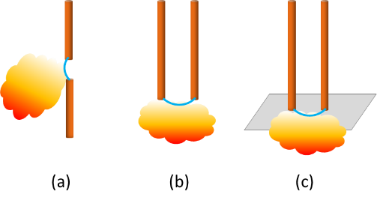
β (<5% Chance Prediction) | 1.16E-02 |  |  |  | 13 | 8190.8083988 | 90.459580062 | 90.459580064 | -1.606593969E-09 | -0.061044035663 | 16.381616797
 |  |  |  |  | 14 | 8190.8083987 | 90.459580063 | 90.459580064 | -2.5579538487E-10 | -0.061044035663 | 16.381616797
Arc Current Calculation | Value | Units |  |  | 15 | 8190.8083987 | 90.459580064 | 90.459580064 | -4.0728309614E-11 | -0.061044035663 | 16.381616797
Arc Current (Goal Seek Input) | 8190.81 | A |  |  | 16 | 8190.8083987 | 90.459580064 | 90.459580064 | -6.437517186E-12 | -0.061044035663 | 16.381616797
Battery Arc Voltage | 90.46 | V |  |  | 17 | 8190.8083987 | 90.459580064 | 90.459580064 | -1.0373923942E-12 | -0.061044035663 | 16.381616797
Air Arc Voltage | 90.46 | V |  |  | 18 | 8190.8083987 | 90.459580064 | 90.459580064 | -1.7053025658E-13 | -0.061044035663 | 16.381616797
Goal seek to 0 by setting arc current | 0.00 | V |  |  | 19 | 8190.8083987 | 90.459580064 | 90.459580064 | 0 | -0.061044035663 | 16.381616797
Input Error Checking | Solved |  |  |  | 20 | 8190.8083987 | 90.459580064 | 90.459580064 | 0 | -0.061044035663 | 16.381616797
 | Battery Voltage Good |  |  |  | 21 | 8190.8083987 | 90.459580064 | 90.459580064 | 0 | -0.061044035663 | 16.381616797
 | Arc Voltage Good |  |  |  | 22 | 8190.8083987 | 90.459580064 | 90.459580064 | 0 | -0.061044035663 | 16.381616797
 | Arc Current Good |  |  |  | 23 | 8190.8083987 | 90.459580064 | 90.459580064 | 0 | -0.061044035663 | 16.381616797
 |  |  |  |  | 24 | 8190.8083987 | 90.459580064 | 90.459580064 | 0 | -0.061044035663 | 16.381616797
Interupt Gap Calculation |  |  |  |  | 25 | 8190.8083987 | 90.459580064 | 90.459580064 | 0 | -0.061044035663 | 16.381616797
References
[4] D. M. Rosewater, L. Gordon, W. Cantor, "Practical Battery Arc Flash Models" Submitted to the 2025 IEEE IAS Electrical Safety Workshop, October 2024
[5] "Simple Improved Equations for Arc Flash Analysis," Wilkins, R., IEEE Electrical Safety Forum, posted August 30, 2004.
z' | 490.56 | mm
Example probability distributions of β
I' | 108.11 | A
V' | 494.59 | V
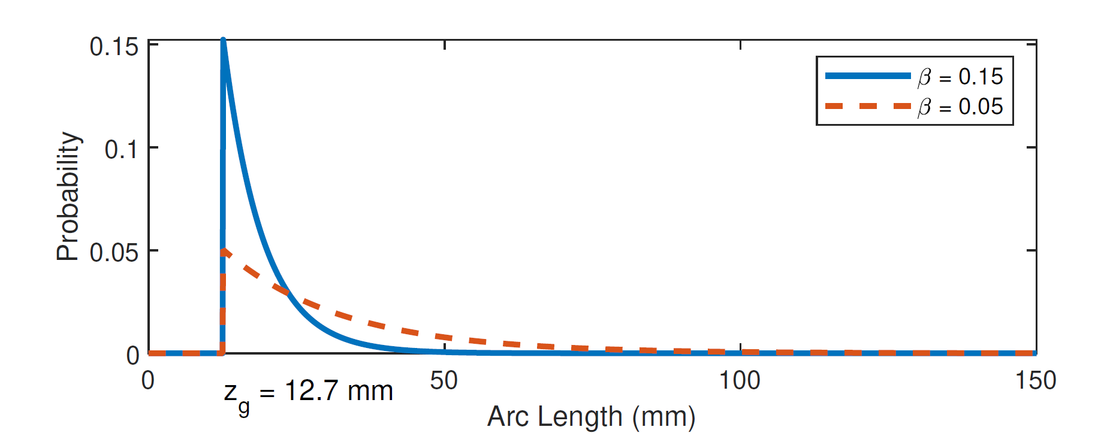
z0 - z' | -470.56 |  |  |  | Interupt Gap Calculation
 |  |  |  |  | Step | z' | I' | V' | Vbat | Error | Slope of Error | Step-Size
Midian Prediction |  |  |  |  | 0 | 500 | 110 | 504.48588422 | 494.5 | -9.9858842174 | -1.1256870178 | 0.88834639127
Final Gap (z1) | 39.04 | mm |  |  | 1 | 491.12907579 | 108.22581516 | 495.19191326 | 494.58870924 | -0.60320401495 | -1.123271486 | 0.89025672999
Tarc | 0.92 | s |  |  | 2 | 490.59206936 | 108.11841387 | 494.62989318 | 494.59407931 | -0.035813876082 | -1.1231240312 | 0.89037361166
Tarc with minimum arc time | 0.92 | s |  |  | 3 | 490.56018163 | 108.11203633 | 494.59652228 | 494.59439818 | -0.0021240954406 | -1.1231152708 | 0.89038055666
Tarc with OCP | 0.92 | s |  |  | 4 | 490.55829037 | 108.11165807 | 494.59454307 | 494.5944171 | -0.00012597057446 | -1.1231147512 | 0.89038096859
Im | -8739.50 | A/s |  |  | 5 | 490.55817821 | 108.11163564 | 494.59442569 | 494.59441822 | -7.4707216413E-06 | -1.1231147204 | 0.89038099302
Vm | 436.98 | V/s |  |  | 6 | 490.55817156 | 108.11163431 | 494.59441873 | 494.59441828 | -4.4305323854E-07 | -1.1231147185 | 0.89038099446
Final Gap Based on Tarc with OCP | 39.04 | mm |  |  | 7 | 490.55817117 | 108.11163423 | 494.59441831 | 494.59441829 | -2.6275358778E-08 | -1.1231147184 | 0.89038099455
IE Midian Prediction | 7.92 | cal/cm^2 |  |  | 8 | 490.55817114 | 108.11163423 | 494.59441829 | 494.59441829 | -1.5581917978E-09 | -1.1231147184 | 0.89038099456
 |  |  |  |  | 9 | 490.55817114 | 108.11163423 | 494.59441829 | 494.59441829 | -9.2541085905E-11 | -1.1231147184 | 0.89038099456
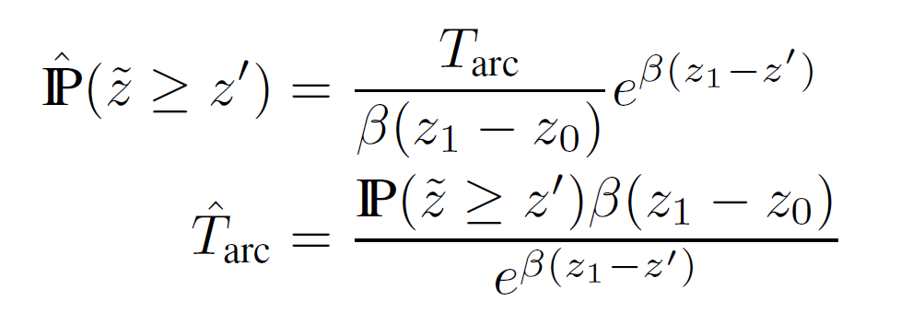
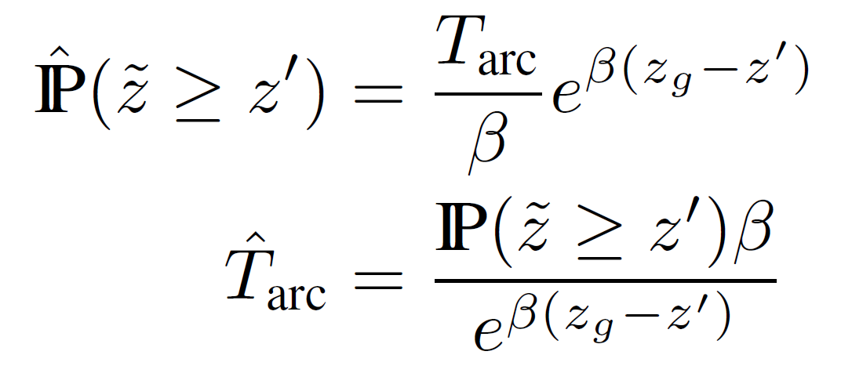
<5% Chance Prediction |  |  |  |  | 10 | 490.55817114 | 108.11163423 | 494.59441829 | 494.59441829 | -5.4001247918E-12 | -1.1231147184 | 0.89038099456
Final Gap (z1) | 108.48 | mm |  |  | 11 | 490.55817114 | 108.11163423 | 494.59441829 | 494.59441829 | 0 | -1.1231147184 | 0.89038099456
Tarc | 4.30 | s |  |  | 12 | 490.55817114 | 108.11163423 | 494.59441829 | 494.59441829 | 0 | -1.1231147184 | 0.89038099456
Tarc with minimum arc time | 4.30 | s |  |  | 13 | 490.55817114 | 108.11163423 | 494.59441829 | 494.59441829 | 0 | -1.1231147184 | 0.89038099456
Tarc with OCP | 2.00 | s |  |  | 14 | 490.55817114 | 108.11163423 | 494.59441829 | 494.59441829 | 0 | -1.1231147184 | 0.89038099456
Im | -1881.76 | A/s |  |  | 15 | 490.55817114 | 108.11163423 | 494.59441829 | 494.59441829 | 0 | -1.1231147184 | 0.89038099456
Linear approximations for I and V over time.
Vm | 94.09 | V/s |  |  | 16 | 490.55817114 | 108.11163423 | 494.59441829 | 494.59441829 | 0 | -1.1231147184 | 0.89038099456
Final Gap Based on Tarc with OCP | 61.18 | mm |  |  | 17 | 490.55817114 | 108.11163423 | 494.59441829 | 494.59441829 | 0 | -1.1231147184 | 0.89038099456
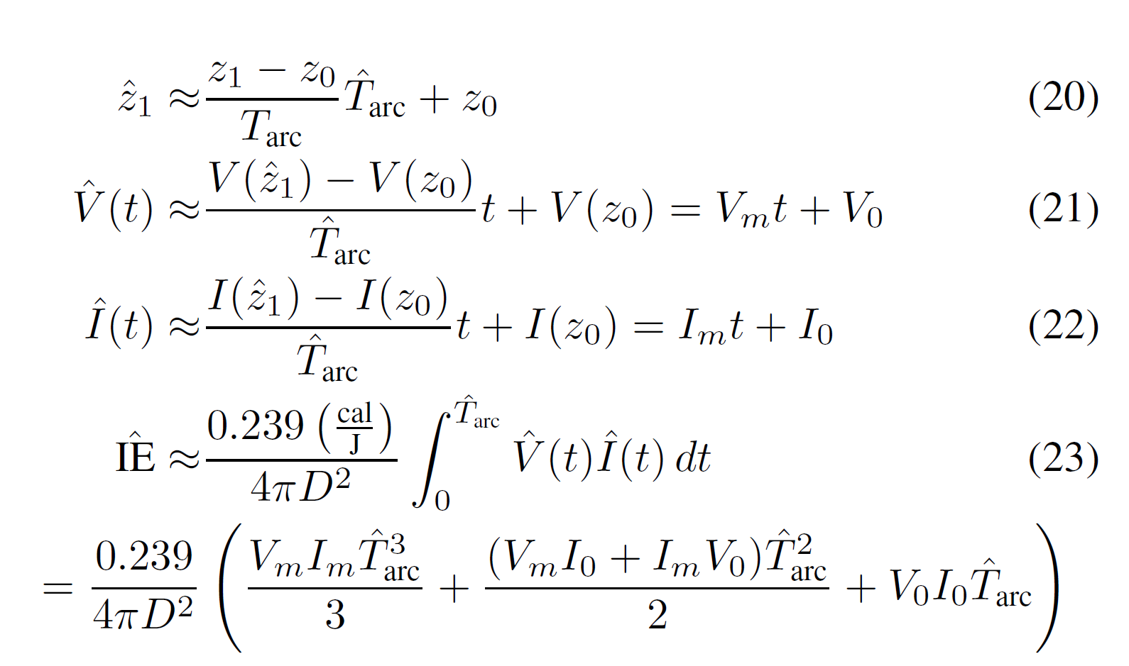
IE <5% Chance Prediction | 20.11 | cal/cm^2 |  |  | 18 | 490.55817114 | 108.11163423 | 494.59441829 | 494.59441829 | 0 | -1.1231147184 | 0.89038099456
 |  |  |  |  | 19 | 490.55817114 | 108.11163423 | 494.59441829 | 494.59441829 | 0 | -1.1231147184 | 0.89038099456
 |  |  |  |  | 20 | 490.55817114 | 108.11163423 | 494.59441829 | 494.59441829 | 0 | -1.1231147184 | 0.89038099456
Results | Value | Units |  |  | 21 | 490.55817114 | 108.11163423 | 494.59441829 | 494.59441829 | 0 | -1.1231147184 | 0.89038099456
Self-Extinguish Method IE [4] Midian Result | 7.92 | cal/cm^2 |  |  | 22 | 490.55817114 | 108.11163423 | 494.59441829 | 494.59441829 | 0 | -1.1231147184 | 0.89038099456
Self-Extinguish Method Arc Boundry [4] Midian Result | 117.48 | cm |  |  | 23 | 490.55817114 | 108.11163423 | 494.59441829 | 494.59441829 | 0 | -1.1231147184 | 0.89038099456
Self-Extinguish Method IE [4] <5% Chance | 20.11 | cal/cm^2 |  |  | 24 | 490.55817114 | 108.11163423 | 494.59441829 | 494.59441829 | 0 | -1.1231147184 | 0.89038099456
Self-Extinguish Method Arc Boundry [4] <5% Chance | 187.18 | cm |  |  | 25 | 490.55817114 | 108.11163423 | 494.59441829 | 494.59441829 | 0 | -1.1231147184 | 0.89038099456
Contact Thermal Hazard | 2,500,000 | W
Contact Thermal PPE | Heavy Duty Leather Gloves
Limited Approach Boundry | 1 m
Restricted Approach Boundry | 0.3 m |  |  |  | Midian Prediction |  |  |  |  |  |  |  | Plot of Midian Arc Time Intersection |  |  |  | Midian Prediction Arc Flash Boundry Adjustment for Arc-in-a-box factor
Shock PPE | Class 00 Gloves + Leather Outers |  |  |  | Step | z1 | Tarc Extinguish | Tarc Erosion | Error | Slope of Error | Step-Size |  | z1 | Tarc Extinguish | Tarc Erosion | Error | Arc in a box factor @ the working distance | IEm | Arc Boundry
 |  |  |  |  | 0 | 490.55817114 | 1.440383983 | 22.853367783 | -21.4129838 | -5.43E-02 | 9.2041093123 |  | 20.00 | 0 | 0 | 0 | 1.00 | 7.92 | 117.48332416
Calculation of Short Circuit Current | Value | Units |  |  | 1 | 293.47072754 | 2.7975907562 | 13.281518626 | -10.483927869 | -0.055463478415 | 9.0149412603 |  | 23.4 | 0.18172125424 | 0.16512613154 | 0.016595122704 | 1.00 | 7.9235764977 | 117.48332416
Battery cell resistance | 0.000085 | Ω |  |  | 2 | 198.95873362 | 3.265209287 | 8.6914009963 | -5.4261917093 | -0.050310596788 | 9.9382641415 |  | 27.378 | 0.38484771201 | 0.35832370543 | 0.026524006575 | 1.00 | 7.9235764977 | 117.48332416
Number of cells in Series | 240 | # |  |  | 3 | 145.03180713 | 3.1736383318 | 6.0723584207 | -2.8987200889 | -0.042612948407 | 11.73352276 |  | 32.03226 | 0.60999026175 | 0.58436486689 | 0.025625394856 | 1.00 | 7.9235764977 | 117.48332416
Cell connector resistance | 0.000010 | Ω |  |  | 4 | 111.01960899 | 2.8451304928 | 4.4205046844 | -1.5753741916 | -0.034726029132 | 14.398421371 |  | 37.4777442 | 0.85700396783 | 0.8488330258 | 0.0081709420258 | 1.00 | 7.9235764977 | 117.48332416
Number of connectors | 240 | # |  |  | 5 | 88.336707564 | 2.4543115166 | 3.3188753418 | -0.86456382515 | -0.027676880474 | 18.065619804 |  | 43.848960714 | 1.1246758537 | 1.1582607717 | -0.033584918013 | 1.00 | 7.9235764977 | 117.48332416
Number of strings in parallel | 1 | # |  |  | 6 | 72.717826203 | 2.0833392611 | 2.5603207953 | -0.47698153412 | -0.021802073461 | 22.933598536 |  | 51.303284035 | 1.4103553555 | 1.5202912345 | -0.10993587894 | 1.00 | 7.9235764977 | 117.48332416
Total string resistance | 0.02 | Ω |  |  | 7 | 61.77892319 | 1.7654022405 | 2.0290564606 | -0.26365422016 | -0.017118532465 | 29.20811121 |  | 60.024842321 | 1.7095418713 | 1.9438668758 | -0.23432500453 | 1.00 | 7.9235764977 | 117.48332416
Calculated short circuit current | 21875 | A |  |  | 8 | 54.078081407 | 1.5095109357 | 1.6550534567 | -0.14554252106 | -0.013512115045 | 37.003829402 |  | 70.229065516 | 2.0154620367 | 2.4394503763 | -0.4239883396 | 1.00 | 7.9235764977 | 117.48332416
 |  |  |  |  | 9 | 48.692450787 | 1.313553835 | 1.3934921773 | -0.079938342293 | -0.010827647774 | 46.178081373 |  | 82.168006654 | 2.3186952759 | 3.0192830718 | -0.70058779584 | 1.00 | 7.9235764977 | 117.48332416
Constants |  |  |  |  | 10 | 45.001051512 | 1.170720044 | 1.2142138001 | -0.043493756188 | -0.0089068521599 | 56.136555432 |  | 96.136567785 | 2.6069395853 | 3.6976873255 | -1.0907477402 | 1.00 | 7.9235764977 | 117.48332416
cal/J | 0.239 |  |  |  | 11 | 42.559461857 | 1.0722970658 | 1.0956343135 | -0.023337247748 | -0.0075991044911 | 65.797226579 |  | 112.47978431 | 2.8650471661 | 4.4914203024 | -1.6263731363 | 1.00 | 7.9235764977 | 117.48332416
1 / 4 pi | 0.079577471536 |  |  |  | 12 | 41.023935679 | 1.0087487232 | 1.0210591672 | -0.012310443936 | -0.0067611271425 | 73.952166475 |  | 131.60134764 | 3.0754930026 | 5.4200878853 | -2.3445948827 | 1.00 | 7.9235764977 | 117.48332416
cm / in | 2.54 |  |  |  | 13 | 40.11355168 | 0.97046133702 | 0.97684499421 | -0.0063836571831 | -0.0062585675684 | 79.890485249 |  | 153.97357674 | 3.2194527089 | 6.5066289574 | -3.2871762485 | 1.00 | 7.9235764977 | 117.48332416
 |  |  |  |  | 14 | 39.60355821 | 0.94881235099 | 0.95207639161 | -0.0032640406185 | -0.0059751535322 | 83.67985815 |  | 180.14908479 | 3.2786340414 | 7.7778820117 | -4.4992479703 | 1.00 | 7.9235764977 | 117.48332416
 |  |  |  |  | 15 | 39.330423754 | 0.93715838778 | 0.93881120452 | -0.0016528167489 | -0.0058228086327 | 85.869213904 |  | 210.7744292 | 3.237898119 | 9.2652480852 | -6.0273499662 | 1.00 | 7.9235764977 | 117.48332416
 |  |  |  |  | 16 | 39.188497679 | 0.93108631489 | 0.93191835049 | -0.00083203560184 | -0.0057434930375 | 87.055037193 |  | 246.60608216 | 3.0884941547 | 11.005466391 | -7.9169722365 | 1.00 | 7.9235764977 | 117.48332416
 |  |  |  |  | 17 | 39.116064788 | 0.92798305273 | 0.92840053785 | -0.00041748512217 | -0.0057029731216 | 87.673567688 |  | 288.52911613 | 2.8314134025 | 13.041521809 | -10.210108407 | 1.00 | 7.9235764977 | 117.48332416
 |  |  |  |  | 18 | 39.079462378 | 0.9264137691 | 0.92662288656 | -0.00020911746432 | -0.0056824867838 | 87.98964591 |  | 337.57906587 | 2.4800000136 | 15.423706648 | -12.943706635 | 1.00 | 7.9235764977 | 117.48332416
Funding Statement
This article has been authored by an employee of National Technology & Engineering Solutions of Sandia, LLC under Contract No. DE-NA0003525 with the U.S. Department of Energy (DOE). The employee owns all right, title and interest in and to the article and is solely responsible for its contents. The United States Government retains and the publisher, by accepting the article for publication, acknowledges that the United States Government retains a non-exclusive, paid-up, irrevocable, world-wide license to publish or reproduce the published form of this article or allow others to do so, for United States Government purposes. The DOE will provide public access to these results of federally sponsored research in accordance with the DOE Public Access Plan https://www.energy.gov/downloads/doe-public-access-plan .
 |  |  |  |  | 19 | 39.061062207 | 0.92562460095 | 0.92572925446 | -0.0001046535015 | -0.0056721855685 | 88.149443272 |  | 394.96750707 | 2.0606835889 | 18.21086291 | -16.150179321 | 1.00 | 7.9235764977 | 117.48332416
 |  |  |  |  | 20 | 39.051837059 | 0.92522887065 | 0.92528122122 | -5.2350575767E-05 | -0.0056670202613 | 88.229788662 |  | 462.11198327 | 1.6107526722 | 21.471835736 | -19.861083064 | 1.00 | 7.9235764977 | 117.48332416
 |  |  |  |  | 21 | 39.047218178 | 0.92503071707 | 0.92505689833 | -2.6181260867E-05 | -0.0056644339089 | 88.270073945 |  | 540.67102043 | 1.1727090858 | 25.287173943 | -24.114464857 | 1.00 | 7.9235764977 | 117.48332416
 |  |  |  |  | 22 | 39.044907157 | 0.92493156795 | 0.92494466007 | -1.3092125779E-05 | -0.0056631398051 | 88.290244849 |  | 632.5850939 | 0.78598773785 | 29.751119645 | -28.965131907 | 1.00 | 7.9235764977 | 117.48332416
 |  |  |  |  | 23 | 39.04375125 | 0.92488197527 | 0.9248885217 | -6.5464369892E-06 | -0.0056624925208 | 88.30033738 |  | 740.12455987 | 0.47833840316 | 34.973936116 | -34.495597713 | 1.00 | 7.9235764977 | 117.48332416
 |  |  |  |  | 24 | 39.043173197 | 0.9248571744 | 0.92486044771 | -3.2733120523E-06 | -0.0056621688205 | 88.305385418 |  | 865.94573504 | 0.26010081935 | 41.084631387 | -40.824530568 | 1.00 | 7.9235764977 | 117.48332416
 |  |  |  |  | 25 | 39.042884146 | 0.92484477283 | 0.92484640951 | -1.6366794193E-06 | -0.0056620069559 | 88.30790988 |  | 1013.15651 | 0.12399913834 | 48.234144855 | -48.110145716 | 1.00 | 7.9235764977 | 117.48332416

MIT Open Source Software License
Copyright 2024 National Technology & Engineering Solutions of Sandia, LLC (NTESS). Under the terms of Contract DE-NA0003525 with NTESS, the U.S. Government retains certain rights in this software.
Permission is hereby granted, free of charge, to any person obtaining a copy of this software and associated documentation files (the “Software”), to deal in the Software without restriction, including without limitation the rights to use, copy, modify, merge, publish, distribute, sublicense, and/or sell copies of the Software, and to permit persons to whom the Software is furnished to do so, subject to the following conditions:
The above copyright notice and this permission notice shall be included in all copies or substantial portions of the Software.
THE SOFTWARE IS PROVIDED “AS IS”, WITHOUT WARRANTY OF ANY KIND, EXPRESS OR IMPLIED, INCLUDING BUT NOT LIMITED TO THE WARRANTIES OF MERCHANTABILITY, FITNESS FOR A PARTICULAR PURPOSE AND NONINFRINGEMENT. IN NO EVENT SHALL THE AUTHORS OR COPYRIGHT HOLDERS BE LIABLE FOR ANY CLAIM, DAMAGES OR OTHER LIABILITY, WHETHER IN AN ACTION OF CONTRACT, TORT OR OTHERWISE, ARISING FROM, OUT OF OR IN CONNECTION WITH THE SOFTWARE OR THE USE OR OTHER DEALINGS IN THE SOFTWARE.

 |  |  |  |  | <5% Chance Prediction |  |  |  |  |  |  |  | Plot of <5% Chance Arc Time Intersection |  |  |  | <5% Chance Prediction Arc Flash Boundry Adjustment for Arc-in-a-box factor
 |  |  |  |  | Step | z1 | Tarc Extinguish | Tarc Erosion | Error | Slope of Error | Step-Size |  | z1 | Tarc Extinguish | Tarc Erosion | Error | Arc in a box factor @ the working distance | IEm | Arc Boundry
 |  |  |  |  | 0 | 490.55817114 | 0.27267843119 | 22.853367783 | -22.580689352 | -0.051147257374 | 9.7756952312 |  | 20.00 | 0 | 0 | 0 | 1.00 | 20.11 | 187.17981623
 |  |  |  |  | 1 | 269.81623393 | 1.8694585964 | 12.132702442 | -10.263243846 | -0.062749402416 | 4.7809220239 |  | 23.4 | 0.44244364912 | 0.16512613154 | 0.27731751758 | 1.00 | 20.113462295 | 187.17981623
 |  |  |  |  | 2 | 220.74846539 | 2.6528923967 | 9.7496522062 | -7.0967598095 | -0.066097394227 | 4.5387568376 |  | 27.378 | 0.9168436471 | 0.35832370543 | 0.55851994166 | 1.00 | 20.113462295 | 187.17981623
 |  |  |  |  | 3 | 188.53799828 | 3.235115479 | 8.1853022565 | -4.9501867775 | -0.066864948973 | 4.4866556336 |  | 32.03226 | 1.416699062 | 0.58436486689 | 0.8323341951 | 1.00 | 20.113462295 | 187.17981623
 |  |  |  |  | 4 | 166.32821488 | 3.6333586151 | 7.1066506054 | -3.4732919903 | -0.065845388418 | 4.5561277291 |  | 37.4777442 | 1.9319998461 | 0.8488330258 | 1.0831668203 | 1.00 | 20.113462295 | 187.17981623
 |  |  |  |  | 5 | 150.50345294 | 3.8927165051 | 6.3380971575 | -2.4453806524 | -0.063852978253 | 4.6982929881 |  | 43.848960714 | 2.4486290621 | 1.1582607717 | 1.2903682903 | 1.00 | 20.113462295 | 187.17981623
 |  |  |  |  | 6 | 139.01433816 | 4.055627716 | 5.7801109583 | -1.7244832423 | -0.061492706451 | 4.8786273579 |  | 51.303284035 | 2.9479742645 | 1.5202912345 | 1.42768303 | 1.00 | 20.113462295 | 187.17981623
 |  |  |  |  | 7 | 130.60122704 | 4.1549361312 | 5.3715155188 | -1.2165793877 | -0.059153630278 | 5.0715399645 |  | 60.024842321 | 3.4069464048 | 1.9438668758 | 1.4630795289 | 1.00 | 20.113462295 | 187.17981623
 |  |  |  |  | 8 | 124.43129605 | 4.2139571401 | 5.0718635084 | -0.85790636833 | -0.057052998341 | 5.2582687803 |  | 70.229065516 | 3.7986560935 | 2.4394503763 | 1.3592057172 | 1.00 | 20.113462295 | 187.17981623
 |  |  |  |  | 9 | 119.92019378 | 4.2483314292 | 4.8527750181 | -0.60444358882 | -0.055285613952 | 5.426366437 |  | 82.168006654 | 4.0940174817 | 3.0192830718 | 1.07473441 | 1.00 | 20.113462295 | 187.17981623
 |  |  |  |  | 10 | 116.64026138 | 4.2680752013 | 4.6934801506 | -0.4254049493 | -0.053867115559 | 5.5692605199 |  | 96.136567785 | 4.2645013415 | 3.6976873255 | 0.56681401596 | 1.00 | 20.113462295 | 187.17981623
 |  |  |  |  | 11 | 114.27107039 | 4.2793442608 | 4.5784168144 | -0.29907255365 | -0.052768250233 | 5.6852368361 |  | 112.47978431 | 4.2860936313 | 4.4914203024 | -0.20532667114 | 1.00 | 20.113462295 | 187.17981623
 |  |  |  |  | 12 | 112.57077209 | 4.285788787 | 4.4958392613 | -0.21005047437 | -0.051939545042 | 5.775945857 |  | 131.60134764 | 4.1441927929 | 5.4200878853 | -1.2758950924 | 1.00 | 20.113462295 | 187.17981623
 |  |  |  |  | 13 | 111.35753192 | 4.2895113735 | 4.4369164215 | -0.14740504801 | -0.051327104766 | 5.8448650351 |  | 153.97357674 | 3.8386966497 | 6.5066289574 | -2.6679323076 | 1.00 | 20.113462295 | 187.17981623
 |  |  |  |  | 14 | 110.49596931 | 4.2916983996 | 4.395073333 | -0.10337493331 | -0.05088127041 | 5.8960791974 |  | 180.14908479 | 3.3879752903 | 7.7778820117 | -4.3899067214 | 1.00 | 20.113462295 | 187.17981623
 |  |  |  |  | 15 | 109.88646252 | 4.2930116824 | 4.3654717156 | -0.072460033168 | -0.050560303897 | 5.9335086397 |  | 210.7744292 | 2.8300216616 | 9.2652480852 | -6.4352264236 | 1.00 | 20.113462295 | 187.17981623
 |  |  |  |  | 16 | 109.45652028 | 4.2938197085 | 4.3445909222 | -0.050771213643 | -0.050331091993 | 5.9605303227 |  | 246.60608216 | 2.2191677532 | 11.005466391 | -8.786298638 | 1.00 | 20.113462295 | 187.17981623
 |  |  |  |  | 17 | 109.15389693 | 4.2943291177 | 4.329893562 | -0.035564444295 | -0.050168354687 | 5.9798652332 |  | 288.52911613 | 1.6177047197 | 13.041521809 | -11.42381709 | 1.00 | 20.113462295 | 187.17981623
 |  |  |  |  | 18 | 108.94122634 | 4.2946575582 | 4.3195648941 | -0.024907335895 | -0.050053293104 | 5.9936116366 |  | 337.57906587 | 1.0836205125 | 15.423706648 | -14.340086136 | 1.00 | 20.113462295 | 187.17981623
 |  |  |  |  | 19 | 108.79194144 | 4.2948734617 | 4.3123146477 | -0.017441186042 | -0.049972180271 | 6.003340226 |  | 394.96750707 | 0.6579099248 | 18.21086291 | -17.552952985 | 1.00 | 20.113462295 | 187.17981623
 |  |  |  |  | 20 | 108.68723607 | 4.2950176569 | 4.3072294732 | -0.012211816305 | -0.049915119162 | 6.0102030214 |  | 462.11198327 | 0.35624404039 | 21.471835736 | -21.115591696 | 1.00 | 20.113462295 | 187.17981623
 |  |  |  |  | 21 | 108.61384058 | 4.2951151683 | 4.3036649102 | -0.0085497419118 | -0.049875037113 | 6.0150331181 |  | 540.67102043 | 0.16879845788 | 25.287173943 | -25.118375485 | 1.00 | 20.113462295 | 187.17981623
 |  |  |  |  | 22 | 108.56241359 | 4.2951817389 | 4.3011672813 | -0.0059855424112 | -0.049846911077 | 6.0184270904 |  | 632.5850939 | 0.068444963652 | 29.751119645 | -29.682674681 | 1.00 | 20.113462295 | 187.17981623
 |  |  |  |  | 23 | 108.52639004 | 4.2952275083 | 4.2994177432 | -0.0041902348653 | -0.049827189114 | 6.0208092275 |  | 740.12455987 | 0.023136922924 | 34.973936116 | -34.950799193 | 1.00 | 20.113462295 | 187.17981623
 |  |  |  |  | 24 | 108.50116144 | 4.2952591392 | 4.2981924779 | -0.0029333387427 | -0.049813367166 | 6.0224798497 |  | 865.94573504 | 0.0063233363114 | 41.084631387 | -41.078308051 | 1.00 | 20.113462295 | 187.17981623
 |  |  |  |  | 25 | 108.48349547 | 4.2952810806 | 4.2973345033 | -0.0020534226482 | -0.049803683665 | 6.023650821 |  | 1013.15651 | 0.0013479297336 | 48.234144855 | -48.232796925 | 1.00 | 20.113462295 | 187.17981623

