Sheet1
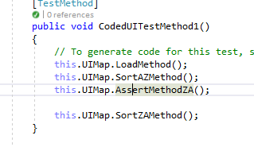
 |  | WHITE BOX TESTING

Test Case | Test No. | Class | Method | Action | Coverage %
Login Method | TC_WBT_01 | StudentController.cs | Login() | Study the code of the Login() method and count the number of statements in that method. For example, if there are 15 statements, see if each statement gets exercised. If all 15 are exercised, it is 100% Statement coverage. If for instance there are 10 statements only getting exercised that means it is 67% and the rest of the code needs to be fixed or maybe is not required.

 |  | BLACK BOX TESTING

Test Case | Test Case No. | Component Type | Pre-Conditions | Action | Expected Result | Actual Result | Pass/Fail | Fix?
Load button functionality | TC_BBT_01 | Button | Staff.txt file exists, containing a sample of 5 staff member details. | Click on the button "Load" | Listbox should be populated with the details of the staff members from the Staff.txt file | Listbox gets populated with the details of the staff members from the Staff.txt file | Y

 |  | UNIT TESTING

 | Show the Unit Testing screenshots for the classes, (constructors and methods) in a WORD DOCUMENT Please
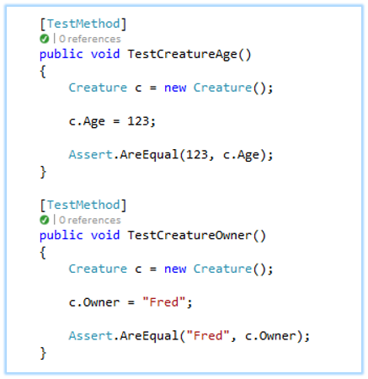
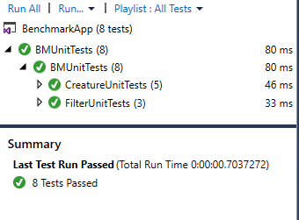
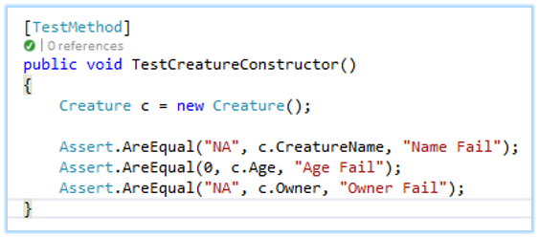

 |  | AUTOMATED TESTING

 |  | Live testing Screenshots for constructor etc.

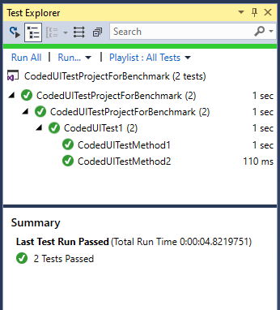
 |  | Coded UI Test

 |  | Record and Generate the Code for each UI. Also Use separate Test Methods for each method.
 |  | Run the Tests

