Summary of Findings and Recom
Student Number | 01254422

Key Assumptions made in this Assignment
1. My margin is huge enough such that I will not get margin call when facing loss in my trading position.
2. I am allowed to hold multiple positions, so as long I respect my trading plan.
3. The trading decision will be solely based on the data, and it will not be triggered by news event.
4. There is no commission being charged for every trade that I took.

Question 1 - How much profit can I make on the possible pairs, using this strategy, assuming that I just hold it till it reverts to the mean?
(Assumption for this is that there is no stoploss)

Expected Profit based on historical data (From Jan 2021 till May 2023) |  |  | $100,600

TRADING PLAN
DATA PREPARATION Retrieve the past 3.5 years of historical data points for Crude Oil and Brent (WTI)

Based on Historical Chart:
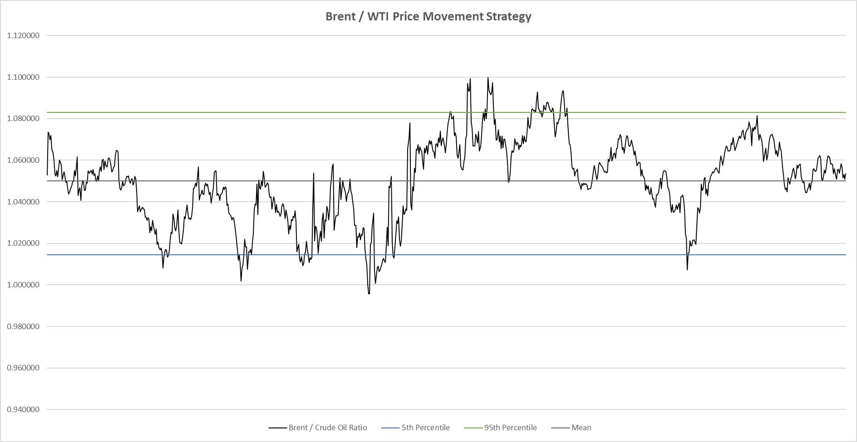

Remarks
To calculate the profit that I can make on possible pairs 1) For each time that the price crosses the 5th and 95th Percentile, I will take one position (either "Sell Brent / Buy WTI" or "Buy Brent / Sell Crude") 2) I will then close all my position once the position reverts back to its mean. 3) Refer to sheet "Q1 Profit Taking" for the full documentation

Observation
1) No. of times it intersected the 5th Percentile = 23 times 2) No. of times it intersected the 95th Percentile = 22 times 3) The price eventually reverted back to its mean towards the end of the chart, which we will assume that all positions will be closed. 4) Total Profit (In contracted barrel) = $100.60 5) Total Profit (In USD) = $100,600

Question 2 - What would my losses be if I used the 96th or 4th percentile as the stop-loss, and the 97.5th and 2.5th percentile?

Expected Profit (4th and 96th percentile as stoploss) |  |  | $9,310
Expected Profit (2.5th and 97.5th percentile as stoploss) |  |  | $18,690

Trading Plan As Follow:
TRADING PLAN
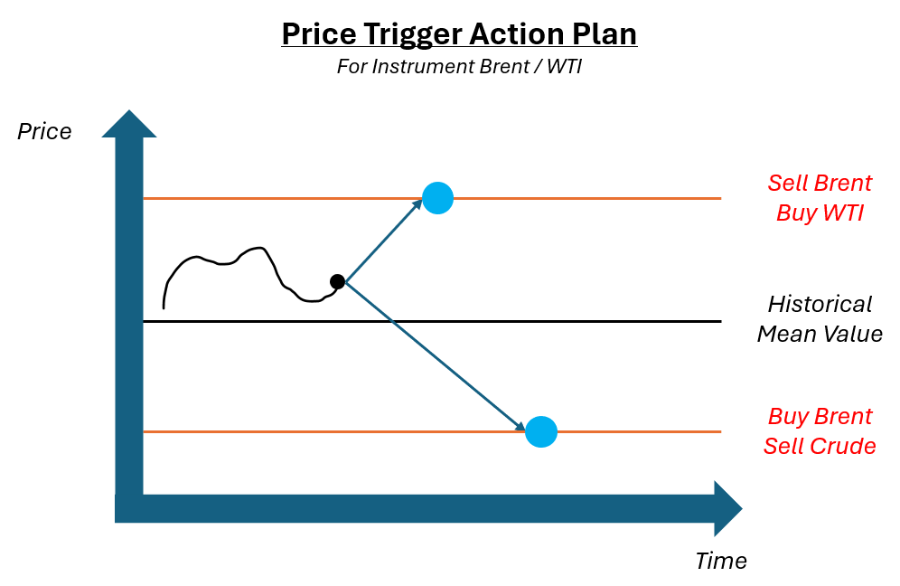 |  | 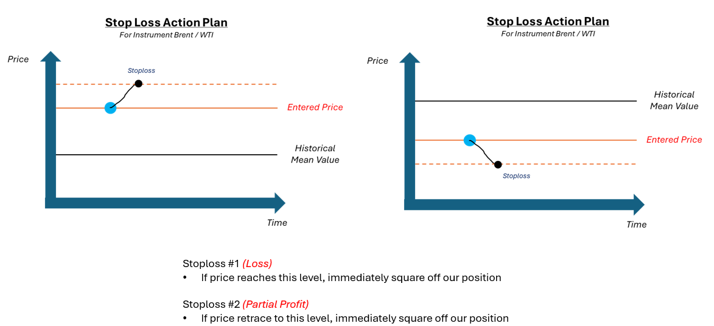 |  |  |  | 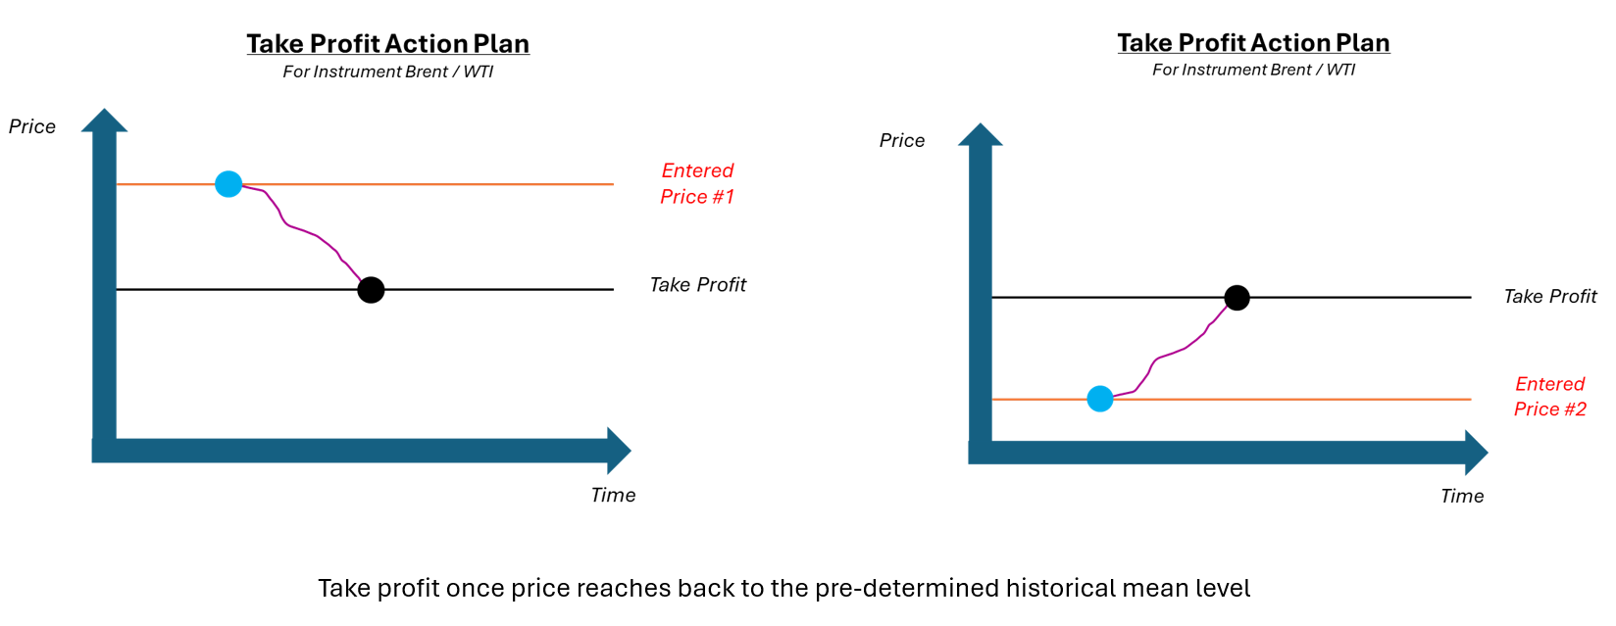

Remarks
To calculate the profit that I can make on possible pairs 1) For each time that the price crosses the 5th and 95th Percentile, I will take one position (either "Sell Brent / Buy WTI" or "Buy Brent / Sell Crude") 2) Set Stoploss for 4th / 96th Percentile and 2.5th / 97.5th Percentile. 3) Whenever price ratio crosses the Stoploss level, I will square off all my positions. 4) Refer to sheet "Q2 Stop Loss (4th and 96th %)" and "Q2 SL 2.5th and 97.5%" for the full documentation

4th and 96th Percentile Stoploss Strategy |  |  |  |  | 2.5th and 97.5th Percentile Stoploss Strategy
Price Movement History |  |  |  | Observation 1) Total Profit (in contracted barrel) = $9.31 2) Total Profit (nominal value) = $9,310 3) No. of Trades in Total = 8 4) No. of Stoploss Triggered = 6 | Price Movement History |  |  | Observation 1) Total Profit (in contracted barrel) = $18.69 2) Total Profit (nominal value) = $18,690 3) No. of Trades in Total = 13 4) No. of Stoploss Triggered = 8

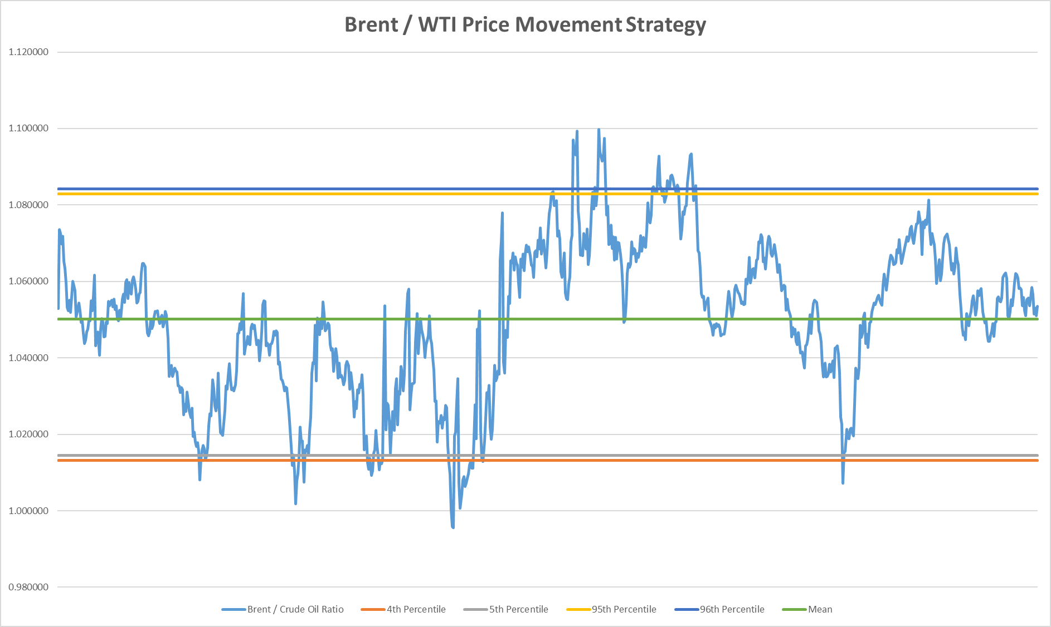 |  |  |  |  | 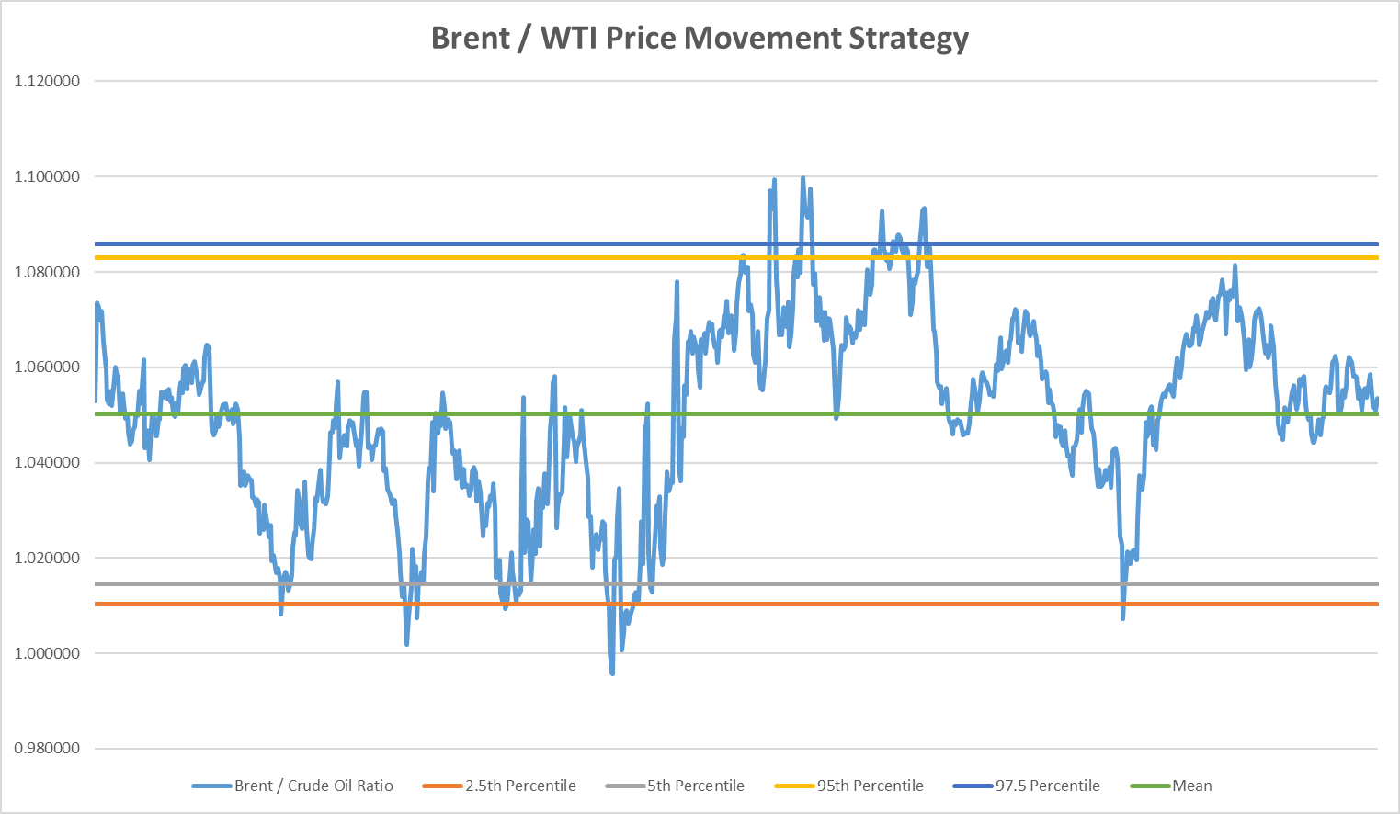

Question 3 - What "trail" would you recommend for a trailing stop to optimize P/L? Support your answer with proof from the dataset.

Expected Profit if we are using 1% as the Trailing Stop loss |  |  | $10,910

TRADING PLAN
 |  |  |  |  |  |  | The Trailing Stop Loss Price will move in X% in accordance to the price movement direction. When there is a price retracement, Trailing Stop Loss Price will not pull back; and position will be squared off once price crossover the Trailing Stop Loss Price.

Observation

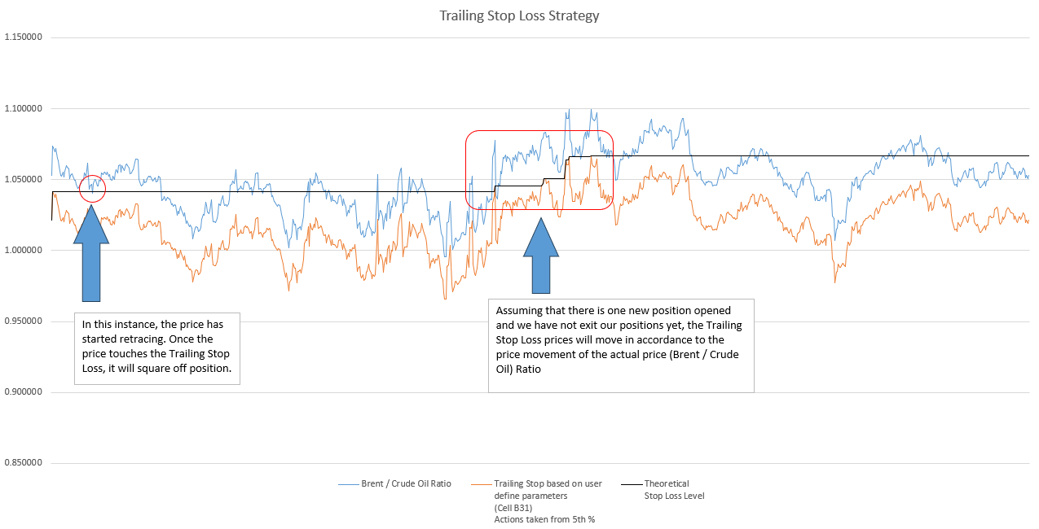

Recommendation
Given that the profit has dropped after we inserted trailing stoploss at 1% (which is slightly below the historical varience level of the ratio), we witness that there are much more exit and are limiting our entry opportunity. As such, my suggestion is avoid using Trailing Stop Loss, and instead, use a hard stop loss which we have done in our exercise earlier. Alternatively, we can consider using other price exit strategy (Technical Analysis), such as Horizontal Support / Resistance level, Fibonacci Retracement level, MACD / RSI combination or Boilingers' Band as an additional reference. In the event if there are high correlation on the signalling point, we can have higher confidence that the identified price point will be a potential exit point.

Q1 Profit Taking
Example of
Taking Position
Example of
Profit Taking

Example of
Profit Taking

Example of
Taking Position

Total Profit |  | 100.60 | (Total Ticks) |  |  | Total No. of Trades | 46
 |  | $100,600 | (Each tick = 0.01, and each tick is $10 (nominal value))

Summary (Buy Brent Sell Crude) |  |  |  |  |  | Summary (Sell Brent Buy Crude)
Total Profit | 52.28 |  |  |  |  | Total Profit | 48.32
Average Profit Per Trade | 8.71 |  |  |  |  | Average Profit Per Trade | 24.16

 | Profit Taking Point #1 |  |  |  |  |  | Profit Taking Point #1
 | Take Position |  | Close Position |  | Profit |  | Take Position |  | Close Position |  | Profit
 | Position | Ave Price | Position | Price |  |  | Position | Ave Price | Position | Price
Brent | 4 | 75.02 | -4 | 68.75 | -25.08 | Brent | -10 | 91.94 | 10 | 79.80 | 121.4
Crude Oil | -4 | 73.92 | 4 | 65.64 | 33.12 | Crude Oil | 10 | 84.92 | -10 | 75.38 | -95.4
 |  |  |  |  | 8.04 |  |  |  |  |  | 26.00

 | Profit Taking Point #2 |  |  |  |  |  | Profit Taking Point #2
 | Take Position |  | Close Position |  | Profit |  | Take Position |  | Close Position |  | Profit
 | Position | Ave Price | Position | Price |  |  | Position | Ave Price | Position | Price
Brent | 6 | 84.15 | -6 | 81.05 | -18.6 | Brent | -12 | 82.15 | 12 | 84.18 | -24.36
Crude Oil | -6 | 83.00 | 6 | 78.39 | 27.66 | Crude Oil | 12 | 75.85 | -12 | 79.74 | 46.68
 |  |  |  |  | 9.06 |  |  |  |  |  | 22.32

 | Profit Taking Point #3
 | Take Position |  | Close Position |  | Profit
 | Position | Ave Price | Position | Price
Brent | 6 | 91.54 | -6 | 93.54 | 12
Crude Oil | -4 | 90.19 | 4 | 90.21 | -0.08
 |  |  |  |  | 11.92

 | Profit Taking Point #4
 | Take Position |  | Close Position |  | Profit
 | Position | Ave Price | Position | Price
Brent | 4 | 113.11 | -4 | 114.65 | 6.16
Crude Oil | -4 | 111.50 | 4 | 109.52 | 7.92
 |  |  |  |  | 14.08

 | Profit Taking Point #5
 | Take Position |  | Close Position |  | Profit
 | Position | Ave Price | Position | Price
Brent | 2 | 108.72 | -2 | 106.27 | -4.9
Crude Oil | -2 | 106.92 | 2 | 102.6 | 8.64
 |  |  |  |  | 3.74

 | Profit Taking Point #6
 | Take Position |  | Close Position |  | Profit
 | Position | Ave Price | Position | Price
Brent | 2 | 93.40 | -2 | 92.16 | -2.48
Crude Oil | -2 | 92.04 | 2 | 88.08 | 7.92
 |  |  |  |  | 5.44

Q3 Trailing Stop Loss
Trailing Stop Loss Strategy
 | Brent / Crude Oil Ratio | Based on 1% Trailing SL Actions taken from 5th % | Theoretical Stop Loss Level
 | 1.052968 | 1.042438
 | 1.073503 | 1.062768
 | 1.072487 | 1.061762
 | 1.069841 | 1.059142
 | 1.071784 | 1.061066
 | 1.065263 | 1.054611
 | 1.063334 | 1.052701
 | 1.059535 | 1.048940
 | 1.053201 | 1.042669
 | 1.052330 | 1.041807
 | 1.055115 | 1.044564
 | 1.051960 | 1.041441
 | 1.055901 | 1.045342
 | 1.060073 | 1.049472
 | 1.058935 | 1.048346
 | 1.057594 | 1.047018
 | 1.050710 | 1.040202
 | 1.052732 | 1.042205
 | 1.054406 | 1.043862
 | 1.052288 | 1.041765
 | 1.049306 | 1.038813
 | 1.049740 | 1.039242
 | 1.046417 | 1.035952
 | 1.043799 | 1.033361
 | 1.044678 | 1.034231
 | 1.046779 | 1.036311
 | 1.047546 | 1.037071
 | 1.049794 | 1.039296
 | 1.049773 | 1.039275
 | 1.054954 | 1.044405
 | 1.052339 | 1.041816
 | 1.056170 | 1.045609
 | 1.061593 | 1.050977
 | 1.043112 | 1.032681
 | 1.045565 | 1.035109
 | 1.046821 | 1.036352
 | 1.040611 | 1.030205
 | 1.047480 | 1.037005
 | 1.050297 | 1.039794
 | 1.049372 | 1.038879
 | 1.045529 | 1.035073
 | 1.045590 | 1.035134
 | 1.049478 | 1.038983
 | 1.049039 | 1.038549
 | 1.054835 | 1.044287
 | 1.053693 | 1.043156
 | 1.054680 | 1.044134
 | 1.055022 | 1.044472
 | 1.053372 | 1.042838
 | 1.055401 | 1.044847
...
 |  |  |  |  |  | Documentation 1. Trailing Stop Loss is set at 1% and it will be our way of exiting the trade. 2. If Price movement crosses the Trailing Stop Loss, we will square our position. 3. If Price touches our entry trigger point, we will re-enter our position (+1) The Nett Profit / Loss are calculated in Working Data. If the above conditions meet, we will record our transaction in the below table.

Assuming that there is one new position opened and we have not exit our positions yet, the Trailing Stop Loss prices will move in accordance to the price movement of the actual price (Brent / Crude Oil) Ratio
In this instance, the price has started retracing. Once the price touches the Trailing Stop Loss, it will square off position.

Brent / WTI Price Movement Strategy (From 5th Percentile)
 | Brent / Crude Oil Ratio | 5th Percentile | 95th Percentile | Mean | Theoretical Stop Loss Level
 | 1.052968 | 1.014466 | 1.082894 | 1.050136
 | 1.073503 | 1.014466 | 1.082894 | 1.050136
 | 1.072487 | 1.014466 | 1.082894 | 1.050136
 | 1.069841 | 1.014466 | 1.082894 | 1.050136
 | 1.071784 | 1.014466 | 1.082894 | 1.050136
 | 1.065263 | 1.014466 | 1.082894 | 1.050136
 | 1.063334 | 1.014466 | 1.082894 | 1.050136
 | 1.059535 | 1.014466 | 1.082894 | 1.050136
 | 1.053201 | 1.014466 | 1.082894 | 1.050136
 | 1.052330 | 1.014466 | 1.082894 | 1.050136
 | 1.055115 | 1.014466 | 1.082894 | 1.050136
 | 1.051960 | 1.014466 | 1.082894 | 1.050136
 | 1.055901 | 1.014466 | 1.082894 | 1.050136
 | 1.060073 | 1.014466 | 1.082894 | 1.050136
 | 1.058935 | 1.014466 | 1.082894 | 1.050136
 | 1.057594 | 1.014466 | 1.082894 | 1.050136
 | 1.050710 | 1.014466 | 1.082894 | 1.050136
 | 1.052732 | 1.014466 | 1.082894 | 1.050136
 | 1.054406 | 1.014466 | 1.082894 | 1.050136
 | 1.052288 | 1.014466 | 1.082894 | 1.050136
 | 1.049306 | 1.014466 | 1.082894 | 1.050136
 | 1.049740 | 1.014466 | 1.082894 | 1.050136
 | 1.046417 | 1.014466 | 1.082894 | 1.050136
 | 1.043799 | 1.014466 | 1.082894 | 1.050136
 | 1.044678 | 1.014466 | 1.082894 | 1.050136
 | 1.046779 | 1.014466 | 1.082894 | 1.050136
 | 1.047546 | 1.014466 | 1.082894 | 1.050136
 | 1.049794 | 1.014466 | 1.082894 | 1.050136
 | 1.049773 | 1.014466 | 1.082894 | 1.050136
 | 1.054954 | 1.014466 | 1.082894 | 1.050136
 | 1.052339 | 1.014466 | 1.082894 | 1.050136
 | 1.056170 | 1.014466 | 1.082894 | 1.050136
 | 1.061593 | 1.014466 | 1.082894 | 1.050136
 | 1.043112 | 1.014466 | 1.082894 | 1.050136
 | 1.045565 | 1.014466 | 1.082894 | 1.050136
 | 1.046821 | 1.014466 | 1.082894 | 1.050136
 | 1.040611 | 1.014466 | 1.082894 | 1.050136
 | 1.047480 | 1.014466 | 1.082894 | 1.050136
 | 1.050297 | 1.014466 | 1.082894 | 1.050136
 | 1.049372 | 1.014466 | 1.082894 | 1.050136
 | 1.045529 | 1.014466 | 1.082894 | 1.050136
 | 1.045590 | 1.014466 | 1.082894 | 1.050136
 | 1.049478 | 1.014466 | 1.082894 | 1.050136
 | 1.049039 | 1.014466 | 1.082894 | 1.050136
 | 1.054835 | 1.014466 | 1.082894 | 1.050136
 | 1.053693 | 1.014466 | 1.082894 | 1.050136
 | 1.054680 | 1.014466 | 1.082894 | 1.050136
 | 1.055022 | 1.014466 | 1.082894 | 1.050136
 | 1.053372 | 1.014466 | 1.082894 | 1.050136
 | 1.055401 | 1.014466 | 1.082894 | 1.050136
...
Brent / WTI Price Movement Strategy (From 95th Percentile)
 | Brent / Crude Oil Ratio | 5th Percentile | 95th Percentile | Theoretical Stop Loss Level
 | 1.052968 | 1.014466 | 1.082894
 | 1.073503 | 1.014466 | 1.082894
 | 1.072487 | 1.014466 | 1.082894
 | 1.069841 | 1.014466 | 1.082894
 | 1.071784 | 1.014466 | 1.082894
 | 1.065263 | 1.014466 | 1.082894
 | 1.063334 | 1.014466 | 1.082894
 | 1.059535 | 1.014466 | 1.082894
 | 1.053201 | 1.014466 | 1.082894
 | 1.052330 | 1.014466 | 1.082894
 | 1.055115 | 1.014466 | 1.082894
 | 1.051960 | 1.014466 | 1.082894
 | 1.055901 | 1.014466 | 1.082894
 | 1.060073 | 1.014466 | 1.082894
 | 1.058935 | 1.014466 | 1.082894
 | 1.057594 | 1.014466 | 1.082894
 | 1.050710 | 1.014466 | 1.082894
 | 1.052732 | 1.014466 | 1.082894
 | 1.054406 | 1.014466 | 1.082894
 | 1.052288 | 1.014466 | 1.082894
 | 1.049306 | 1.014466 | 1.082894
 | 1.049740 | 1.014466 | 1.082894
 | 1.046417 | 1.014466 | 1.082894
 | 1.043799 | 1.014466 | 1.082894
 | 1.044678 | 1.014466 | 1.082894
 | 1.046779 | 1.014466 | 1.082894
 | 1.047546 | 1.014466 | 1.082894
 | 1.049794 | 1.014466 | 1.082894
 | 1.049773 | 1.014466 | 1.082894
 | 1.054954 | 1.014466 | 1.082894
 | 1.052339 | 1.014466 | 1.082894
 | 1.056170 | 1.014466 | 1.082894
 | 1.061593 | 1.014466 | 1.082894
 | 1.043112 | 1.014466 | 1.082894
 | 1.045565 | 1.014466 | 1.082894
 | 1.046821 | 1.014466 | 1.082894
 | 1.040611 | 1.014466 | 1.082894
 | 1.047480 | 1.014466 | 1.082894
 | 1.050297 | 1.014466 | 1.082894
 | 1.049372 | 1.014466 | 1.082894
 | 1.045529 | 1.014466 | 1.082894
 | 1.045590 | 1.014466 | 1.082894
 | 1.049478 | 1.014466 | 1.082894
 | 1.049039 | 1.014466 | 1.082894
 | 1.054835 | 1.014466 | 1.082894
 | 1.053693 | 1.014466 | 1.082894
 | 1.054680 | 1.014466 | 1.082894
 | 1.055022 | 1.014466 | 1.082894
 | 1.053372 | 1.014466 | 1.082894
 | 1.055401 | 1.014466 | 1.082894
...

Example of Stop loss being triggered

Total Profit |  | 10.91 | (Total Ticks)
 |  | $10,910 | (Each tick = 0.01, and each tick is $10 (nominal value))

Summary (Buy Brent Sell Crude) |  |  |  |  |  | Summary (Buy Brent Sell Crude)
Total Profit | 20.69 |  |  |  |  | Total Profit | -9.78
Average Profit Per Trade | 2.30 |  |  |  |  | Average Profit Per Trade | -1.63

 | Position |  |  |  |  |  | Position
 | Take Position |  | Close Position |  | Profit |  | Take Position |  | Close Position |  | Profit
 | Position | Ave Price | Position | Price |  |  | Position | Ave Price | Position | Price
Brent | 3 | 75.02 | -3 | 73.52 | -4.5 | Brent | -2 | 90.54 | 2 | 94.57 | -8.06
Crude Oil | -3 | 73.92 | 3 | 71.65 | 6.81 | Crude Oil | 2 | 83.72 | -2 | 89.11 | 10.78
 |  |  |  |  | 2.31 |  |  |  |  |  | 2.72

 | Position |  |  |  |  |  | Position
 | Take Position |  | Close Position |  | Profit |  | Take Position |  | Close Position |  | Profit
 | Position | Ave Price | Position | Price |  |  | Position | Ave Price | Position | Price
Brent | 2 | 85.41 | -2 | 83.87 | -3.08 | Brent | 5 | 93.86 | -5 | 92.86 | -5
Crude Oil | -2 | 84.21 | 2 | 82.66 | 3.1 | Crude Oil | -5 | 86.81 | 5 | 85.89 | 4.6
 |  |  |  |  | 0.02 |  |  |  |  |  | -0.40

 | Position |  |  |  |  |  | Position
 | Take Position |  | Close Position |  | Profit |  | Take Position |  | Close Position |  | Profit
 | Position | Ave Price | Position | Price |  |  | Position | Ave Price | Position | Price
Brent | 1 | 81.99 | -1 | 83.43 | 1.44 | Brent | 1 | 83.89 | -1 | 81.67 | -2.22
Crude Oil | 1 | 80.66 | -1 | 81.93 | 1.27 | Crude Oil | -1 | 77.24 | 1 | 77.49 | -0.25
 |  |  |  |  | 2.71 |  |  |  |  |  | -2.47

 | Position |  |  |  |  |  | Position
 | Take Position |  | Close Position |  | Profit |  | Take Position |  | Close Position |  | Profit
 | Position | Ave Price | Position | Price |  |  | Position | Ave Price | Position | Price
Brent | 1 | 88.52 | -1 | 89.47 | 0.95 | Brent | 2 | 85.06 | -2 | 82.17 | -5.78
Crude Oil | -1 | 86.82 | 1 | 88.26 | -1.44 | Crude Oil | -2 | 78.71 | 2 | 75.88 | 5.66
 |  |  |  |  | -0.49 |  |  |  |  |  | -0.12

 | Position |  |  |  |  |  | Position
 | Take Position |  | Close Position |  | Profit |  | Take Position |  | Close Position |  | Profit
 | Position | Ave Price | Position | Price |  |  | Position | Ave Price | Position | Price
Brent | 2 | 92.34 | -2 | 94.44 | 4.2 | Brent | 5 | 85.26 | -5 | 80.77 | -22.45
Crude Oil | -2 | 91.1 | 2 | 93.1 | -4 | Crude Oil | -5 | 78.69 | 5 | 74.80 | 19.45
 |  |  |  |  | 0.20 |  |  |  |  |  | -3.00

 | Position |  |  |  |  |  | Position
 | Take Position |  | Close Position |  | Profit |  | Take Position |  | Close Position |  | Profit
 | Position | Ave Price | Position | Price |  |  | Position | Ave Price | Position | Price
Brent | 1 | 92.97 | -1 | 96.84 | 3.87 | Brent | 3 | 75.46 | -3 | 72.33 | -9.39
Crude Oil | -1 | 91.76 | 1 | 91.91 | -0.15 | Crude Oil | -3 | 69.56 | 3 | 68.60 | 2.88
 |  |  |  |  | 3.72 |  |  |  |  |  | -6.51

 | Position
 | Take Position |  | Close Position |  | Profit
 | Position | Ave Price | Position | Price
Brent | 1 | 109.11 | -1 | 113.56 | 4.45
Crude Oil | -1 | 109.59 | 1 | 109.77 | -0.18
 |  |  |  |  | 4.27

 | Position
 | Take Position |  | Close Position |  | Profit
 | Position | Ave Price | Position | Price
Brent | 1 | 122.27 | -1 | 111.74 | -10.53
Crude Oil | -1 | 120.93 | 1 | 106.19 | 14.74
 |  |  |  |  | 4.21

 | Position
 | Take Position |  | Close Position |  | Profit
 | Position | Ave Price | Position | Price
Brent | 2 | 108.72 | -2 | 106.27 | -4.9
Crude Oil | -2 | 106.92 | 2 | 102.6 | 8.64
 |  |  |  |  | 3.74

