GROUP BY
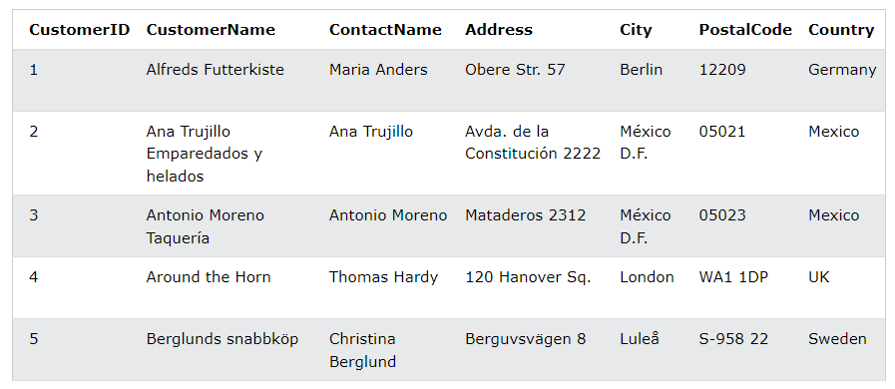

 |  |  | nuoc | Tiền
 |  |  | vn | 20
 |  |  | tl | 30
 |  |  | cp | 10
 |  |  | vn | 17

 |  |  |  | nuoc | tien
 |  |  |  | vn | 2
 |  |  |  | tl | 1
 |  |  |  | cp | 1

SELECT COUNT(CustomerID), Country
FROM Customers | Count(CustomerID) | Country
GROUP BY Country; | 1 | Germany
 | 2 | Mexico
 | 1 | UK
 | 1 | Sweden

