1. Simply Supported UDL
INPUTS
Task 2.
- Create new "j2" input . This then multiplies the "deflection" curve by this amount.
- Reverse "bending diagram" by multiplying by -1
w (kN/m) |  |  |  |  | L (m) | j2
20 |  |  |  |  | 8 | 2

EI (N-mm2)
3150000000000

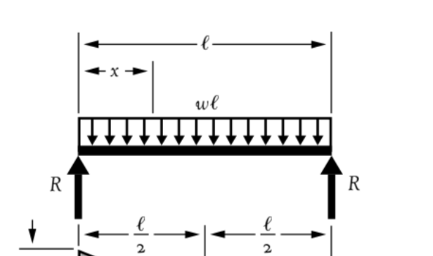

Diagram

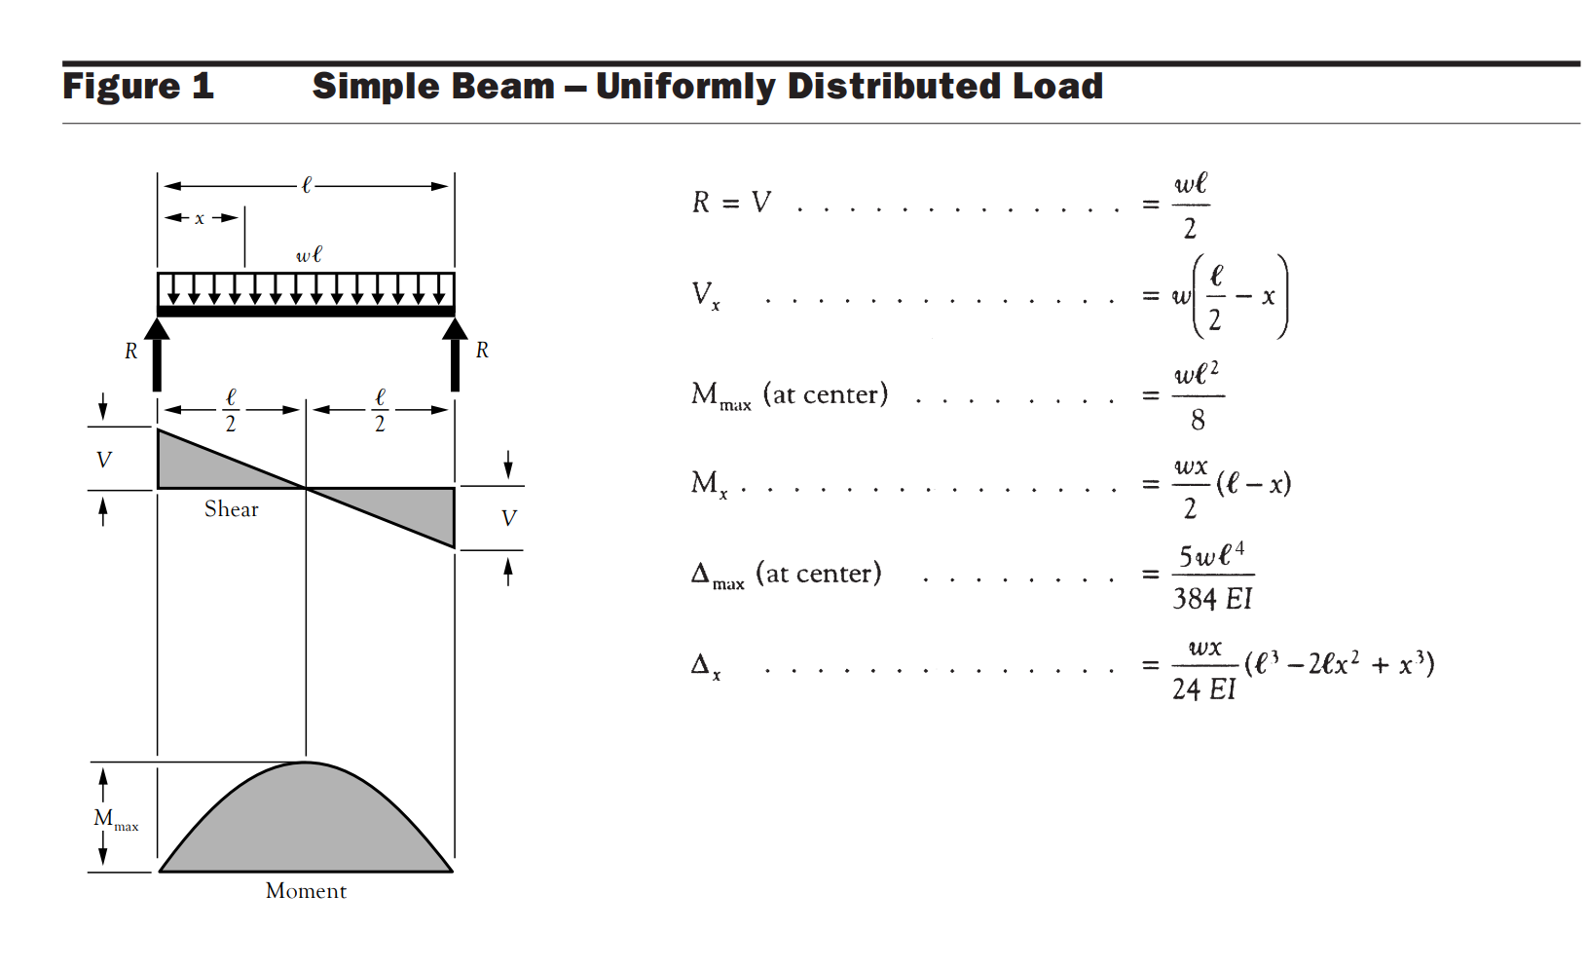
Shear Force Diagram (V*)
 | Step 1a - Find the equation for V, as x changes. (Note that equation ends when x = L)
 |  |  | x | V*
 |  |  | (m) | (KN)
 |  | x1 | 0 | 80
 |  | x2 | 0.8 | 64
 |  | x3 | 1.6 | 48
 |  | x4 | 2.4 | 32
 |  | x5 | 3.2 | 16
 |  | x6 | 4 | 0
 |  | x7 | 4.8 | -16
 |  | x8 | 5.6 | -32
 |  | x9 | 6.4 | -48
 |  | x10 | 7.2 | -64
 |  | x11 | 8 | -80
INstruction for using of formula:
From point 0L to L use this formula: = w*((L/2)-x)
Here, 0<=x<=L

 | Step 2a - Find the equation for M, as x changes. (Note that equation ends when x = L)
Bending Moment Diagram (M* kN-m)
 |  | x | M*
 |  | (m) | (Kn-m)
 | x1 | 0 | 0
 | x2 | 0.8 | -57.6
 | x3 | 1.6 | -102.4
 | x4 | 2.4 | -134.4
 | x5 | 3.2 | -153.6
 | x6 | 4 | -160
 | x7 | 4.8 | -153.6
 | x8 | 5.6 | -134.4
 | x9 | 6.4 | -102.4
* multiply by (-1) in equations
 | x10 | 7.2 | -57.6
 | x11 | 8 | -7.1054273576E-14
INstruction for using of formula:
From point 0L to L use this formula: = ((w*x/2)*(L-x))*-1
Here, 0<=x<=L

 | Step 3a - Find the equation for "deflection", as x changes. (Note that equation ends when x = L)

Deflection Diagram (mm)
 |  |  |  |  | Note#01, we have to conert "EI" value in (Kn-m2) as this value is in (N-mm2)
 |  |  |  |  | s0, devide "EI" value by (1000^3) in calculations
 |  | x | delta |  | Note#02, we put a '-' sign in front of "delta" for the equations.
 |  | (m) | (mm) |  | We also multiply number by j2 & by 1000 to convert in (mm)
 | x1 | 0 | 0
 | x2 | 0.8 | -212.60190476
 | x3 | 1.6 | -402.23153439
 | x4 | 2.4 | -550.68444444
 | x5 | 3.2 | -644.95746032
x j2
 | x6 | 4 | -677.24867725
 | x7 | 4.8 | -644.95746032
 | x8 | 5.6 | -550.68444444
 | x9 | 6.4 | -402.23153439
 | x10 | 7.2 | -212.60190476
 | x11 | 8 | -2.4060706396E-13

INstruction for using of formula:
From point 0L to L use this formula: =-((w*x)/(24*EI))*(L^3-2*L*x^2+x^3)*j2*1000
Here, 0<=x<=L

2. Two unequal Span Equal UDL
w (kN/m) |  |  |  | (SPAN #01) |  |  | L 1 : |  | j2 (input)
28.86 |  |  |  |  |  |  | 4 | (m) | 4

Remember in this case both span length “L” is different, so total lenght will be be add of (L1+L2) in calculations where required!
 |  |  |  | (SPAN #02) |  |  | L 2 :
EI (N-mm2) |  |  |  |  |  |  | 5 | (m)
3150000000000 |  |  |  |  |  |  | 7

 |  |  |  | TOTAL LENGHT (L) = |  |  | 9 | (m)

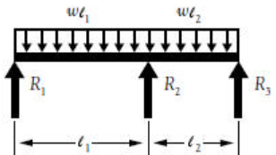

NOTE:In calculating value of “R1, R2, & R3” we have to first calculate values of moment (M1) because if we see formula of R’s there exist values of M1.

 | Step 0 - Calculate reactions based on inputs

 | M1 = | -75.7575 | kN-m

 |  | R1 = | 38.780625 | kn
 |  | R2 = | 163.960875 | kn
 |  | R3 = | 56.9985 | kn

Diagram

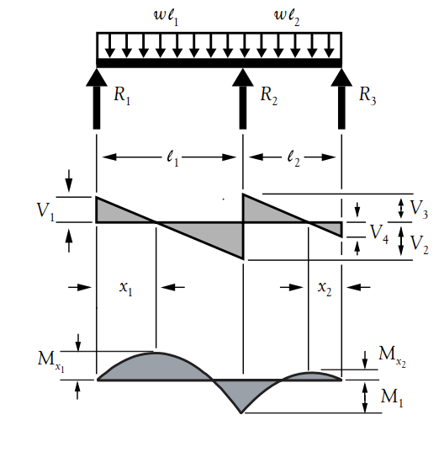
Shear Force Diagram (V*)
 | Step 1a - Find the equation for V, as x changes. (Note that equation ends when x = L)
 |  |  | x | V*
 |  |  | (m) | (kn)
 |  | x1 | 0 | 38.78 |  | Note, we need to divide V*/1000 for units
 |  | x2 | 0.9 | 12.81
 |  | x3 | 1.8 | -13.17
 |  | x4 | 2.7 | -39.14
 |  | x5 | 3.6 | -65.12
 |  | x6 | 4 | -76.66
 |  | x7 | 4 | 87.30
 |  | x8 | 4.9 | 61.33
 |  | x9 | 5.8 | 35.35
 |  | x10 | 6.7 | 9.38
 |  | x11 | 7.6 | -16.59
 |  | x12 | 8.5 | -42.57
 |  | x13 | 9 | -57.00
INstruction for using of formula:
- For x=0, use this formula: = R1
- From point 0L < x < a ,use this formula: =R1 - (w*x)
- For point x=a approaching from left side use this formula: = R1 - (w*L1)
- For point x=a approaching from Right side use this formula: = R1 + R2 - (w * L1)
- From point a < x < L ,use this formula: = R1 + R2 - ( w*x)
- For x=L, use this formula: = R1 + R2 - (w * L)

 | Step 1b - Find maximum Values of V* and location

 | V*max | 87.3015 | kN

 | Step 2a - Find the equation for M, as x changes. (Note that equation ends when x = L)
Bending Moment Diagram (M* kN-m)
 |  |  | x | M*
 |  |  | (m) | (kn-m)
 |  | x1 | 0.000 | 0.00
 |  | x2 | 0.900 | -23.21
 |  | x3 | 1.344 | -26.06
 |  | x4 | 1.800 | -23.05
 |  | x5 | 2.700 | 0.49
 |  | x6 | 3.600 | 47.40
 |  | x7 | 4.000 | 75.76
 |  | x8 | 4.900 | 8.87
 |  | x9 | 5.800 | -34.63
 |  | x10 | 6.700 | -54.76
 |  | x11 | 7.025 | -56.29
 |  | x12 | 7.600 | -51.52
 |  | X1 max | 8.500 | -24.89
 |  | X2 max | 9.000 | 0.00

 |  |  |  |  | .

 | Step 2a - Find the equation for M, as x changes. (Note that equation ends when x = L)

 | M*max + | 75.76 | kNm
 | M*max - | -56.29 | kNm

The same curve as shown in picture would be form in software, please consider all notes as mentioned in red !
 | Step 3a - Find the equation for "deflection", as x changes. (Note that equation ends when x = L)

Deflection Diagram (mm)
 |  |  |  |  | Note#01, we have to conert "EI" value in (Kn-m2) as this value is in (N-mm2)
 |  |  |  |  | s0, devide "EI" value by (1000^3) in calculations
 |  | x | δ
 |  | (m) | (mm) |  | We also multiply number by j2 & by 1000 to convert in (mm)
 | x1 | 0 | 0
 | x2 | 0.9 | -25.252843571
 | x3 | 1.34375 | -30.205627093
 | x4 | 1.8 | -28.631868571
 | x5 | 2.7 | -10.304050714
 | x6 | 3.6 | 5.5191314286
 | x7 | 4 | 0
 | x8 | 4.9 | -79.276015
 | x9 | 5.8 | -321.46466857
RESULTS are also verify using “SAP2000” software to estimate deflection graph of this case, & results are same as calculations!
 | x10 | 6.7 | -833.59739357
 | x11 | 7.025 | -1109.4844216
 | x12 | 7.6 | -1746.7501257
 | x13 | 8.5 | -53.940714286
 | x14 | 9 | 1.154913907E-12
 | x15 | 0 | -2220.8457143
 | x16 | 0 | -2220.8457143
 | x17 | 0 | -2220.8457143
 | x18 | 0 | -2220.8457143
 | x19 | 0 | -2220.8457143
 | x20 | 0 | -2220.8457143
 | x21 | 0 | -2220.8457143
INstruction for using of formula:
a) From point (0 l1) “x1” to (l1) “x12” use this formula: = here: 0<=x =< L1
b) From point (l1) “x13” to (L=l1+l2) “x23” use this formula: = here: L1<=x =< L2
 | x22 | 0 | -2220.8457143
 | x23 | 0 | -2220.8457143

