Chart1
 | Parameters
 | 0
 | 0
 | 0
 | 0

Sheet1
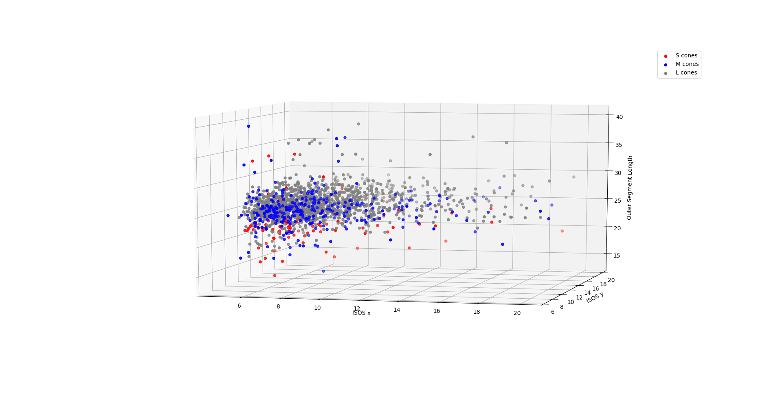
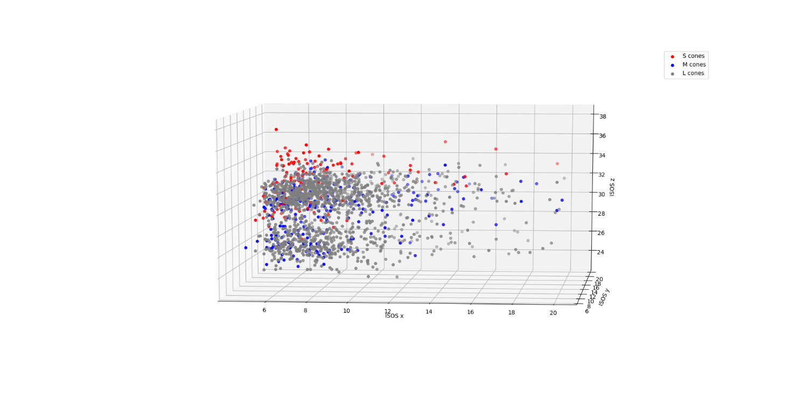
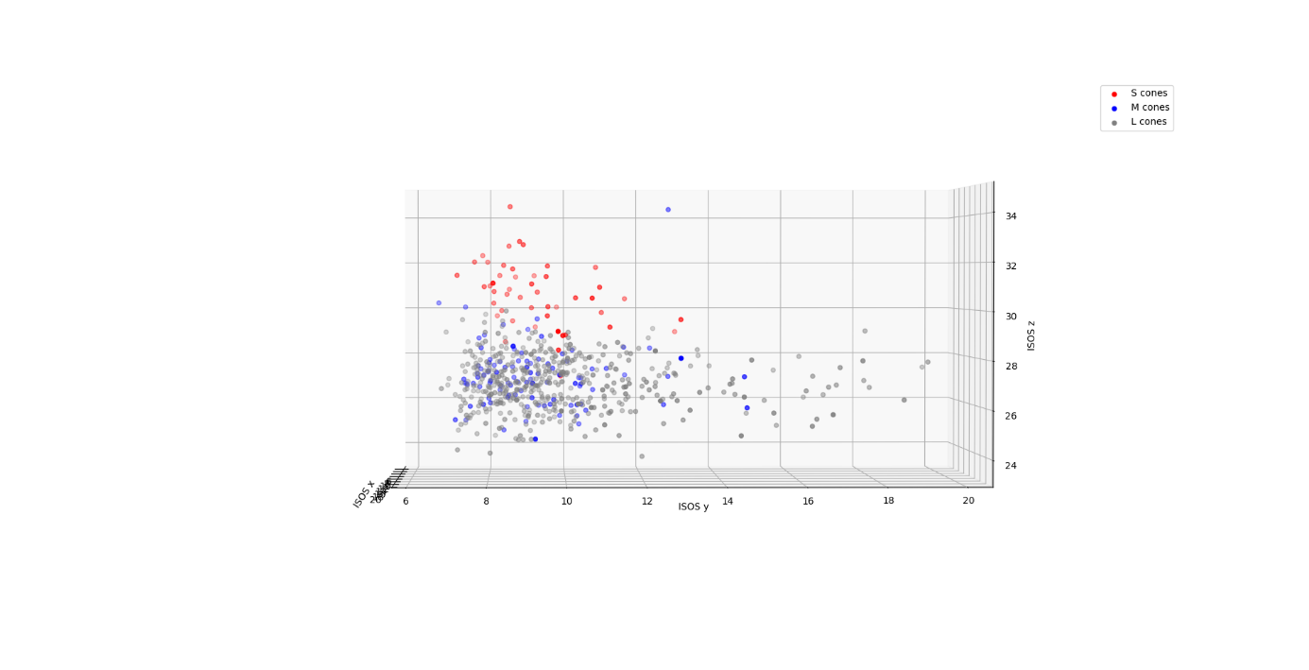
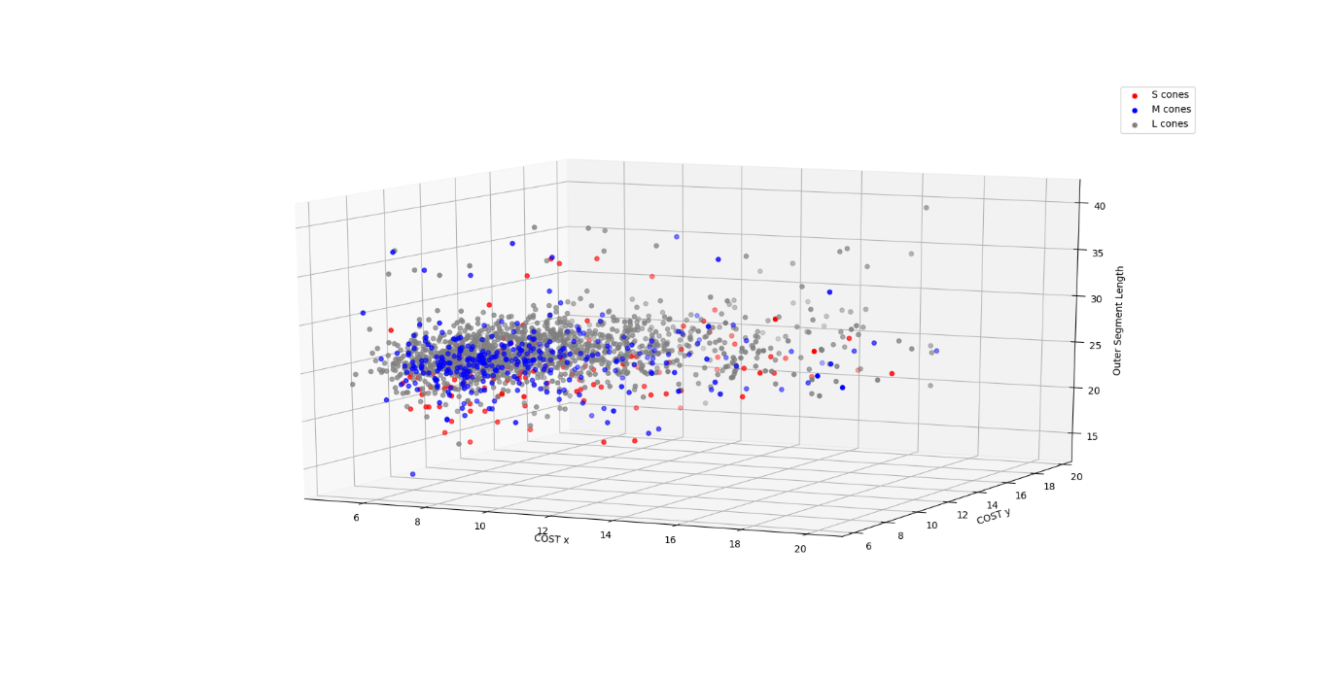
KNN Clustering |  |  |  |  |  |  |  |  |  | ANOVA | ISOS_z | ISOS_Size_x | ISOS_Size_y | COST_z | COST_Size_x | COST_Size_y | OSL | ISOSr | COSTr
Parameters | Cone Type | k-value | tp | fp | tn | fn | Precision | Recall | F1 | F stat | 518.9676 | 9.2546 | 10.38689 | 8.219 | 0.8096 | 9.525 | 107.97 | 6.4 | 5.17
(OSL, COST z, ISOS z) | S | 5 | 25 | 9 | 544 | 16 | 0.735 | 0.61 | 0.67 | p (prob) | 1.22E-187 | 9.92E-05 | 3.23E-05 | 2.77E-04 | 4.45E-01 | 7.58E-05 | 1.33E-45 | 1.68E-03 | 5.72E-03
 |  | 15 | 20 | 8 | 549 | 17 | 0.714 | 0.54 | 0.615
 | M | 5 | 17 | 40 | 452 | 85 | 0.298 | 0.167 | 0.21 | Post Hoc Tukey Test | Significant?
 |  | 15 | 6 | 12 | 485 | 91 | 0.33 | 0.06 | 0.1 | Variable | S-M | S-L | M-L
(ISOS x, OSL, ISOS z) | S | 5 | 15 | 5 | 554 | 20 | 0.75 | 0.428 | 0.5454 | ISOS z | yes | yes | yes
 |  | 15 | 20 | 8 | 543 | 23 | 0.714 | 0.465 | 0.563 | ISOS x | yes | yes | no
 | M | 5 | 14 | 22 | 466 | 92 | 0.389 | 0.13 | 0.197 | ISOS y | yes | yes | no
 |  | 15 | 3 | 10 | 493 | 88 | 23 | 0.03 | 0.057 | COST x | no | no | no
(ISOS x, ISOS y, ISOS z) | S | 5 | 19 | 13 | 537 | 25 | 0.59 | 0.43 | 0.5 | COST y | yes | yes | no
 |  | 15 | 21 | 10 | 533 | 30 | 0.67 | 0.41 | 0.51 | COST z | yes | yes | no
 | M | 5 | 7 | 28 | 469 | 90 | 0.2 | 0.07 | 0.1 | OSL | yes | yes | yes
 |  | 15 | 3 | 7 | 491 | 93 | 0.3 | 0.03 | 0.05 | ISOSr | yes | yes | no
 |  |  |  |  |  |  |  |  |  | COSTr | yes | yes | no

SVM Algorithm
Parameters | Cone Type | tp | fp | tn | fn | Precision | Recall | F1
(ISOS x, ISOS y, ISOS z) | S | 27 | 10 | 542 | 15 | 0.73 | 0.64 | 0.68
 | M | 0 | 0 | 503 | 91 | 0 | 0 | 0
(ISOS x, OSL, ISOS z) | S | 24 | 5 | 542 | 23 | 0.83 | 0.51 | 0.63
 | M | 0 | 0 | 496 | 98 | 0 | 0 | 0
(COST y, OSL, ISOS z) | S | 28 | 9 | 538 | 19 | 0.75 | 0.59 | 0.67 |  | ANOVA | ISOS_z | ISOS_Size_x | ISOS_Size_y | COST_z | COST_Size_x | COST_Size_y | OSL | ISOSr | COSTr
 | M | 0 | 0 | 497 | 97 | 0 | 0 | 0 |  | F stat | 518.9676 | 9.2546 | 10.38689 | 8.219 | 0.8096 | 9.525 | 107.97 | 6.4 | 5.17
(OSL, ISOSz) | S | 22 | 7 | 547 | 18 | 0.76 | 0.55 | 0.64 |  | p (prob) | 1.22E-187 | 9.92E-05 | 3.23E-05 | 2.77E-04 | 4.45E-01 | 7.58E-05 | 1.33E-45 | 1.68E-03 | 5.72E-03

(COST y-z, ISOS x-y-z, OSL) | S | 27 | 10 | 540 | 17 | 0.73 | 0.61 | 0.67
 | M | 2 | 5 | 485 | 102 | 0.28 | 0.019 | 0.036
(OSL, COST z, ISOS z) | S | 27 | 4 | 537 | 26 | 0.87 | 0.51 | 0.64
 | M | 1 | 7 | 491 | 95 | 0.0125 | 0.01 | 0.019 |  | Column1 | Column2 | Column3 | Column4
 |  |  |  |  |  |  |  |  |  | Variable | S-M | S-L | M-L
 |  |  |  |  |  |  |  |  |  | ISOS z | yes | yes | yes
 |  |  |  |  |  |  |  |  |  | ISOS x | yes | yes | no
 |  |  |  |  |  |  |  |  |  | ISOS y | yes | yes | no
Neural Network |  |  |  |  |  |  |  |  |  | COST x | no | no | no
Parameters | Cone Type | Hidden Layers | tp | fp | tn | fn | Precision | Recall | F1 | COST y | yes | yes | no
(ISOS x, ISOS y, ISOS z) | S | 100 | 31 | 15 | 540 | 7 | 0.68 | 0.82 | 0.744 | COST z | yes | yes | no
 | M | 100 | 0 | 0 | 497 | 97 | 0 | 0 | 0 | OSL | yes | yes | yes
 |  | 30 | 0 | 0 | 0 | 0 | 0 | 0 | 0 | ISOSr | yes | yes | no
(OSL, COST z, ISOS z) | S | 100 | 33 | 13 | 538 | 10 | 0.71 | 0.76 | 0.74 | COSTr | yes | yes | no
 | M | 100 | 3 | 3 | 489 | 99 | 0.5 | 0.029 | 0.05
 |  | 50 | 5 | 4 | 494 | 91 | 0.5 | 0.052 | 0.095
(ISOS x, OSL, ISOS z) | S | 100 | 21 | 6 | 545 | 22 | 0.78 | 0.488 | 0.6
 | M | 100 | 5 | 12 | 480 | 97 | 0.29 | 0.049 | 0.084
(COST y-z, ISOS x-y-z, OSL) | S | 100 | 26 | 10 | 545 | 13 | 0.72 | 0.67 | 0.69
 | M | 100 | 3 | 10 | 495 | 86 | 0.23 | 0.0337 | 0.0588

K means clustering
Parameters | ConeType | tp | fp | tn | fn | Precision | Recall | F1
(OSL, COST z, ISOS z) | S | 9 | 267 | 281 | 37 | 0.03 | 0.19 | 0.055
 | M

