Obliczenia
i | x | y | xy | x2 | Y | ∑x = | 190 | a1 = | 0.0081300813008 | 920
0 | 1 | 4 | 4 | 1 | 4.4210526316 | ∑y = | 90 | a0 = | 4.3859649123
1 | 2 | 2 | 4 | 4 | 4.4561403509 | ∑xy = | 920
2 | 3 | 6 | 18 | 9 | 4.4912280702 | ∑x2 = | 2470
3 | 4 | 2 | 8 | 16 | 4.5263157895 | (∑x)2 = | 36100
4 | 5 | 9 | 45 | 25 | 4.5614035088 | n = | 19
5 | 6 | 5 | 30 | 36 | 4.5964912281 | a | b
6 | 7 | 4 | 28 | 49 | 4.6315789474 | 0.035087719298 | 4.3859649123
7 | 8 | 1 | 8 | 64 | 4.6666666667
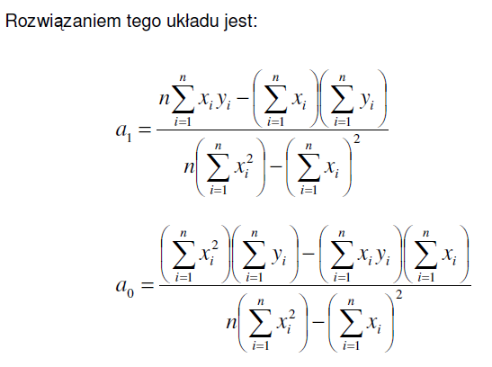
8 | 9 | 9 | 81 | 81 | 4.701754386
9 | 10 | 2 | 20 | 100 | 4.7368421053
10 | 11 | 8 | 88 | 121 | 4.7719298246
11 | 12 | 3 | 36 | 144 | 4.8070175439
12 | 13 | 7 | 91 | 169 | 4.8421052632
13 | 14 | 4 | 56 | 196 | 4.8771929825
14 | 15 | 6 | 90 | 225 | 4.9122807018
15 | 16 | 5 | 80 | 256 | 4.9473684211
16 | 17 | 4 | 68 | 289 | 4.9824561404
17 | 18 | 6 | 108 | 324 | 5.0175438596
18 | 19 | 3 | 57 | 361 | 5.0526315789

