Sheet1
mean prediction accuracy for each parameter m
m | n1 | n2 | mean | m | mean | m
270 | 5 | 5 | 0.73855 | 270 | 0.69799052 | 270
270 | 5 | 10 | 0.73971 | 90 | 0.696792 | 90
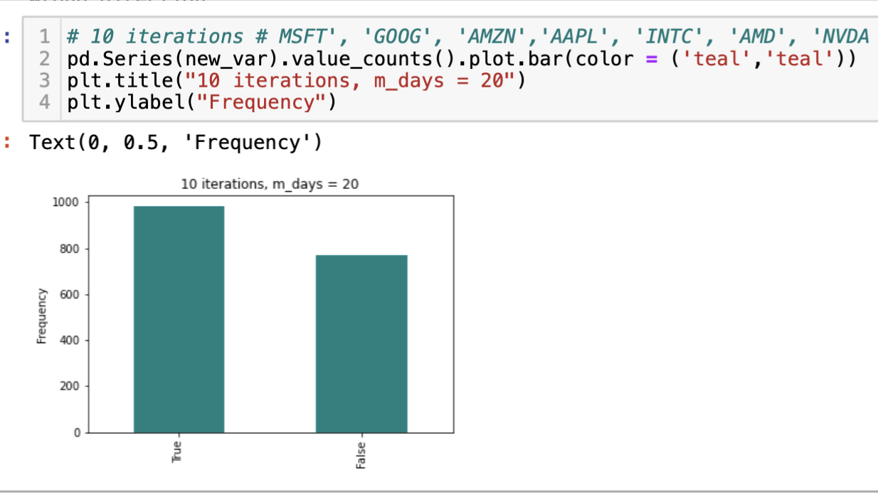
270 | 5 | 20 | 0.73971 | 20 | 0.628492 | 20
270 | 5 | 90 | 0.73971 | 10 | 0.5812676 | 10
270 | 5 | 270 | 0.7103 | 5 | 0.57297 | 5
270 | 10 | 5 | 0.73661 | 1 | 0.5295504
270 | 10 | 10 | 0.73855
270 | 10 | 20 | 0.7412
270 | 10 | 90 | 0.7338
270 | 10 | 270 | 0.6559
270 | 20 | 5 | 0.7326
270 | 20 | 10 | 0.734633
270 | 20 | 20 | 0.7371
270 | 20 | 90 | 0.725
270 | 20 | 270 | 0.7368
270 | 90 | 5 | 0.701
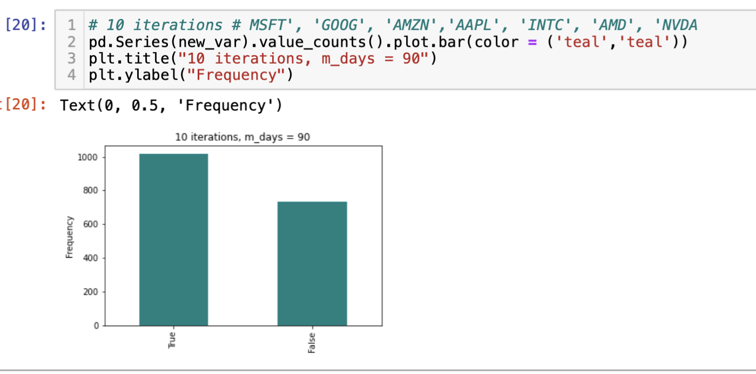
270 | 90 | 10 | 0.7018
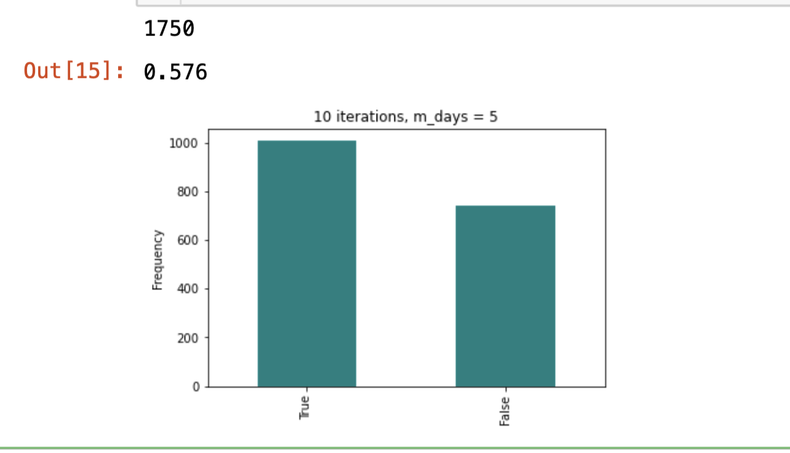
270 | 90 | 20 | 0.6837
270 | 90 | 90 | 0.6928
270 | 90 | 270 | 0.7191
270 | 270 | 5 | 0.57039
270 | 270 | 10 | 0.5731
270 | 270 | 20 | 0.5855
270 | 270 | 90 | 0.6338
270 | 270 | 270 | 0.6484
90 | 5 | 5 | 0.7293
90 | 5 | 10 | 0.7384
90 | 5 | 20 | 0.7349
90 | 5 | 90 | 0.7384
90 | 5 | 270 | 0.7302
90 | 10 | 5 | 0.7277
90 | 10 | 10 | 0.7375
90 | 10 | 20 | 0.7326
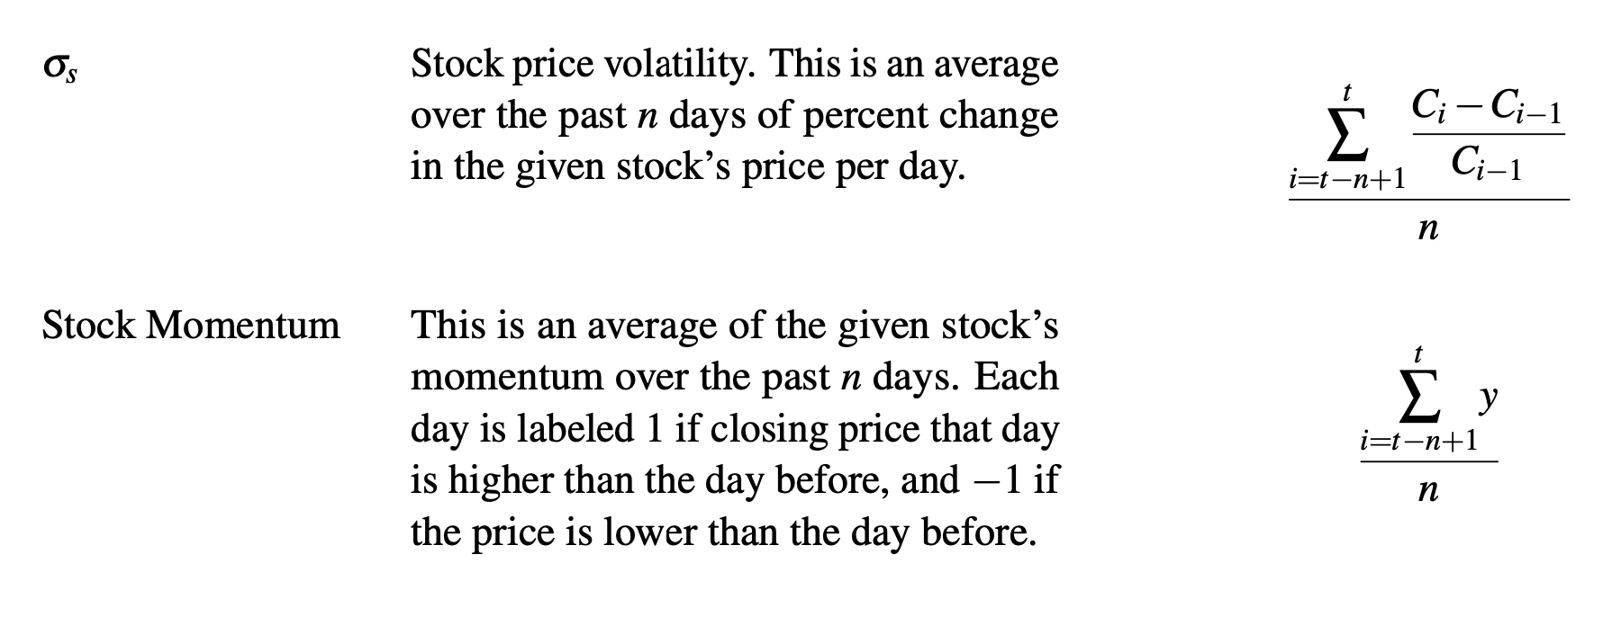
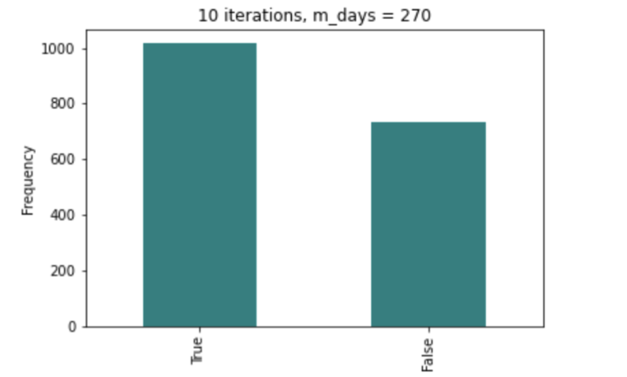
90 | 10 | 90 | 0.7302
90 | 10 | 270 | 0.7302
90 | 20 | 5 | 0.7245
90 | 20 | 10 | 0.7308
90 | 20 | 20 | 0.7165
90 | 20 | 90 | 0.7326
90 | 20 | 270 | 0.6709
90 | 90 | 5 | 0.6982
90 | 90 | 10 | 0.7104
90 | 90 | 20 | 0.6887
90 | 90 | 90 | 0.699
90 | 90 | 270 | 0.6442
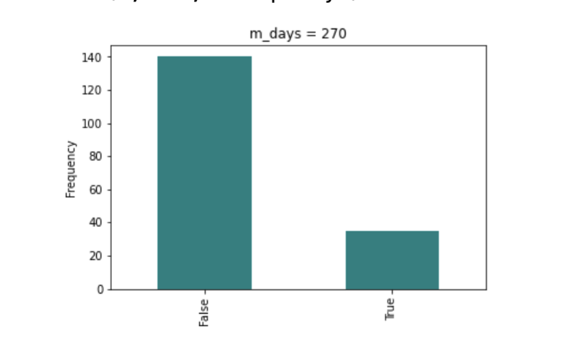
90 | 270 | 5 | 0.6132
90 | 270 | 10 | 0.6298
90 | 270 | 20 | 0.6425
90 | 270 | 90 | 0.678
90 | 270 | 270 | 0.5111
20 | 5 | 5 | 0.6645
20 | 5 | 10 | 0.6634
20 | 5 | 20 | 0.6602
20 | 5 | 90 | 0.671
20 | 5 | 270 | 0.6516
20 | 10 | 5 | 0.6627
20 | 10 | 10 | 0.6764
20 | 10 | 20 | 0.657
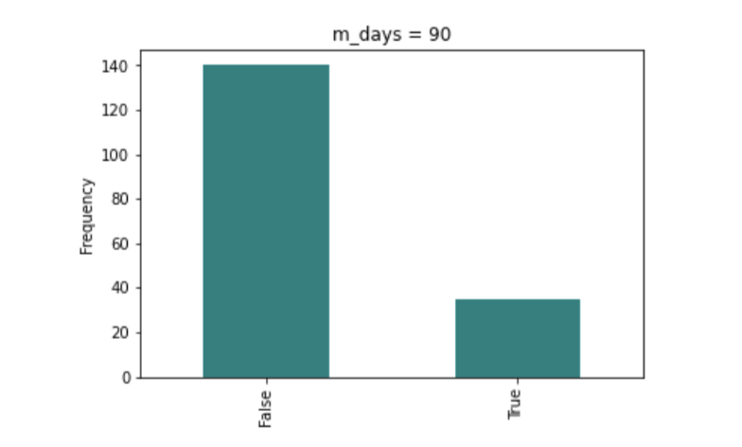
20 | 10 | 90 | 0.6677
20 | 10 | 270 | 0.6355
20 | 20 | 5 | 0.648
20 | 20 | 10 | 0.6587
20 | 20 | 20 | 0.6192
20 | 20 | 90 | 0.5548
20 | 20 | 270 | 0.5742
20 | 90 | 5 | 0.6378
20 | 90 | 10 | 0.6553
20 | 90 | 20 | 0.6499
20 | 90 | 90 | 0.6257
20 | 90 | 270 | 0.5247
20 | 270 | 5 | 0.574
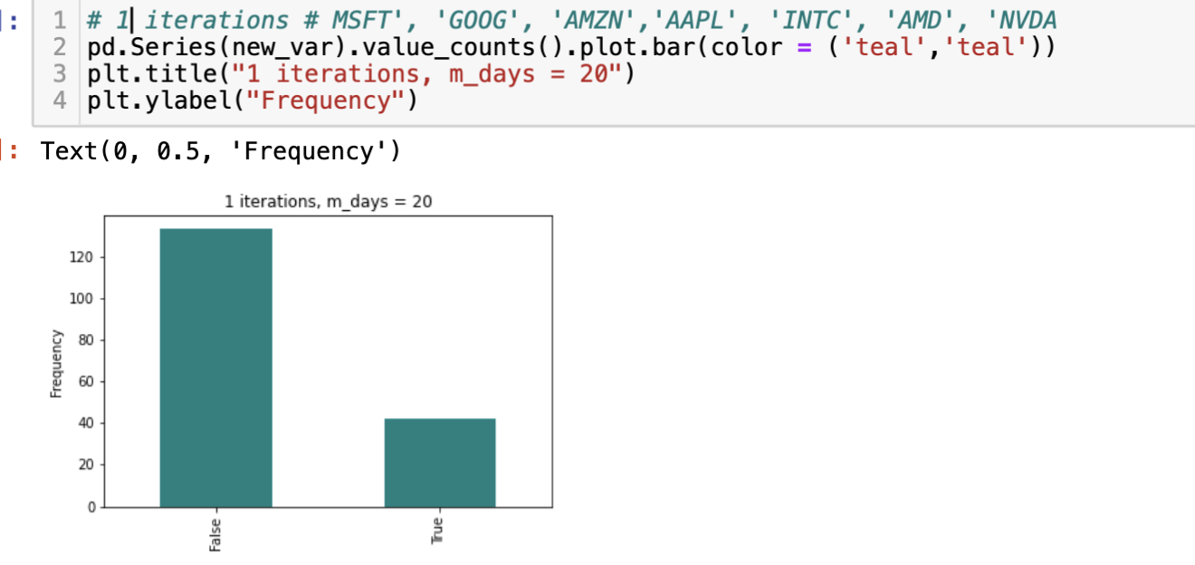
20 | 270 | 10 | 0.5907
20 | 270 | 20 | 0.5953
20 | 270 | 90 | 0.6212
20 | 270 | 270 | 0.5728
10 | 5 | 5 | 0.60299
10 | 5 | 10 | 0.5989
10 | 5 | 20 | 0.6032
10 | 5 | 90 | 0.6149
10 | 5 | 270 | 0.6106
10 | 10 | 5 | 0.6009
10 | 10 | 10 | 0.5934
10 | 10 | 20 | 0.6085
10 | 10 | 90 | 0.5936
10 | 10 | 270 | 0.5936
10 | 20 | 5 | 0.6106
10 | 20 | 10 | 0.6052
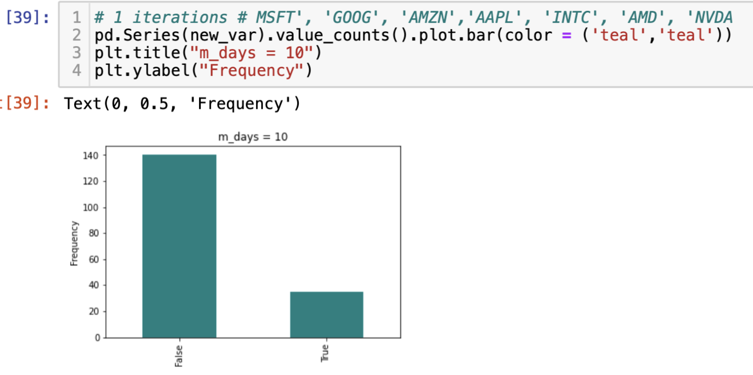
10 | 20 | 20 | 0.6041
10 | 20 | 90 | 0.5681
10 | 20 | 270 | 0.5809
10 | 90 | 5 | 0.5927
10 | 90 | 10 | 0.5846
10 | 90 | 20 | 0.5848
10 | 90 | 90 | 0.5518
10 | 90 | 270 | 0.5202
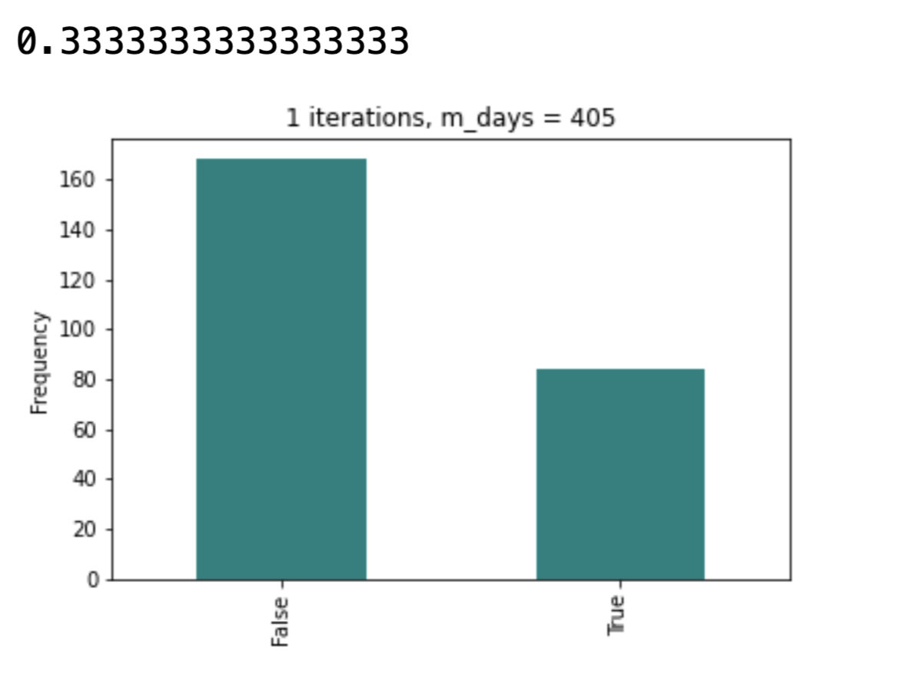
10 | 270 | 5 | 0.5521
10 | 270 | 10 | 0.5436
10 | 270 | 20 | 0.5298
10 | 270 | 90 | 0.5522
10 | 270 | 270 | 0.5304
5 | 5 | 5 | 0.5913
5 | 5 | 10 | 0.5873
5 | 5 | 20 | 0.5767
5 | 5 | 90 | 0.5884
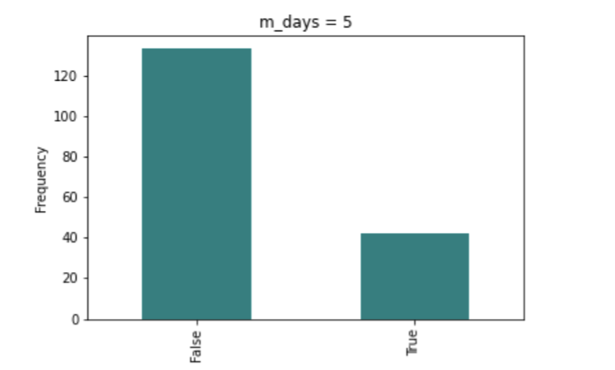
5 | 5 | 270 | 0.58095
5 | 10 | 5 | 0.5923
5 | 10 | 10 | 0.5913
5 | 10 | 20 | 0.5778
5 | 10 | 90 | 0.5788
5 | 10 | 270 | 0.5788
5 | 20 | 5 | 0.5847
5 | 20 | 10 | 0.5837
5 | 20 | 20 | 0.5849
5 | 20 | 90 | 0.582
5 | 20 | 270 | 0.5714
5 | 90 | 5 | 0.5764
5 | 90 | 10 | 0.5789
5 | 90 | 20 | 0.555
5 | 90 | 90 | 0.5839
5 | 90 | 270 | 0.528
5 | 270 | 5 | 0.5554
5 | 270 | 10 | 0.5352
5 | 270 | 20 | 0.5506
5 | 270 | 90 | 0.5787
5 | 270 | 270 | 0.5318
1 | 5 | 5 | 0.5264
1 | 5 | 10 | 0.5458
1 | 5 | 20 | 0.5269
1 | 5 | 90 | 0.5311
1 | 5 | 270 | 0.5427
1 | 10 | 5 | 0.5218
1 | 10 | 10 | 0.5296
1 | 10 | 20 | 0.5269
1 | 10 | 90 | 0.529
1 | 10 | 270 | 0.5469
1 | 20 | 5 | 0.5145
1 | 20 | 10 | 0.5513
1 | 20 | 20 | 0.5381
1 | 20 | 90 | 0.5532
1 | 20 | 270 | 0.5416
1 | 90 | 5 | 0.5075
1 | 90 | 10 | 0.5485
1 | 90 | 20 | 0.5205
1 | 90 | 90 | 0.5338
1 | 90 | 270 | 0.50896
1 | 270 | 5 | 0.511
1 | 270 | 10 | 0.5277
1 | 270 | 20 | 0.517
1 | 270 | 90 | 0.5274
1 | 270 | 270 | 0.5106
405 | 5 | 5 | 0.9188
405 | 5 | 10 | 0.9193
405 | 5 | 20 | 0.9193
405 | 5 | 90 | 0.9174
405 | 5 | 270 | 0.8073
405 | 5 | 405 | 0.9028
405 | 10 | 5 | 0.9181
405 | 10 | 10 | 0.9188
405 | 10 | 20 | 0.9193
405 | 10 | 90 | 0.8917
405 | 10 | 270 | 0.6697
405 | 10 | 405 | 0.8899
405 | 20 | 5 | 0.9165
405 | 20 | 10 | 0.9211
405 | 20 | 20 | 0.9188
405 | 20 | 90 | 0.8807
405 | 20 | 270 | 0.6183
405 | 20 | 405 | 0.7358
405 | 90 | 5 | 0.9037
405 | 90 | 10 | 0.9048
405 | 90 | 20 | 0.8771
405 | 90 | 90 | 0.7546
405 | 90 | 270 | 0.6477
405 | 90 | 405 | 0.8936
405 | 270 | 5 | 0.8412
405 | 270 | 10 | 0.844
405 | 270 | 20 | 0.7329
405 | 270 | 90 | 0.8066
405 | 270 | 270 | 0.7196
405 | 270 | 405 | 0.9193
405 | 405 | 5 | 0.7606
405 | 405 | 10 | 0.7347
405 | 405 | 20 | 0.7197
405 | 405 | 90 | 0.7665
405 | 405 | 270 | 0.5479
405 | 405 | 405 | 0.8856

