Play Diagrams
&#127944; LIONS OFFENSE - MAIN PLAYS
Select players for each position using the dropdowns

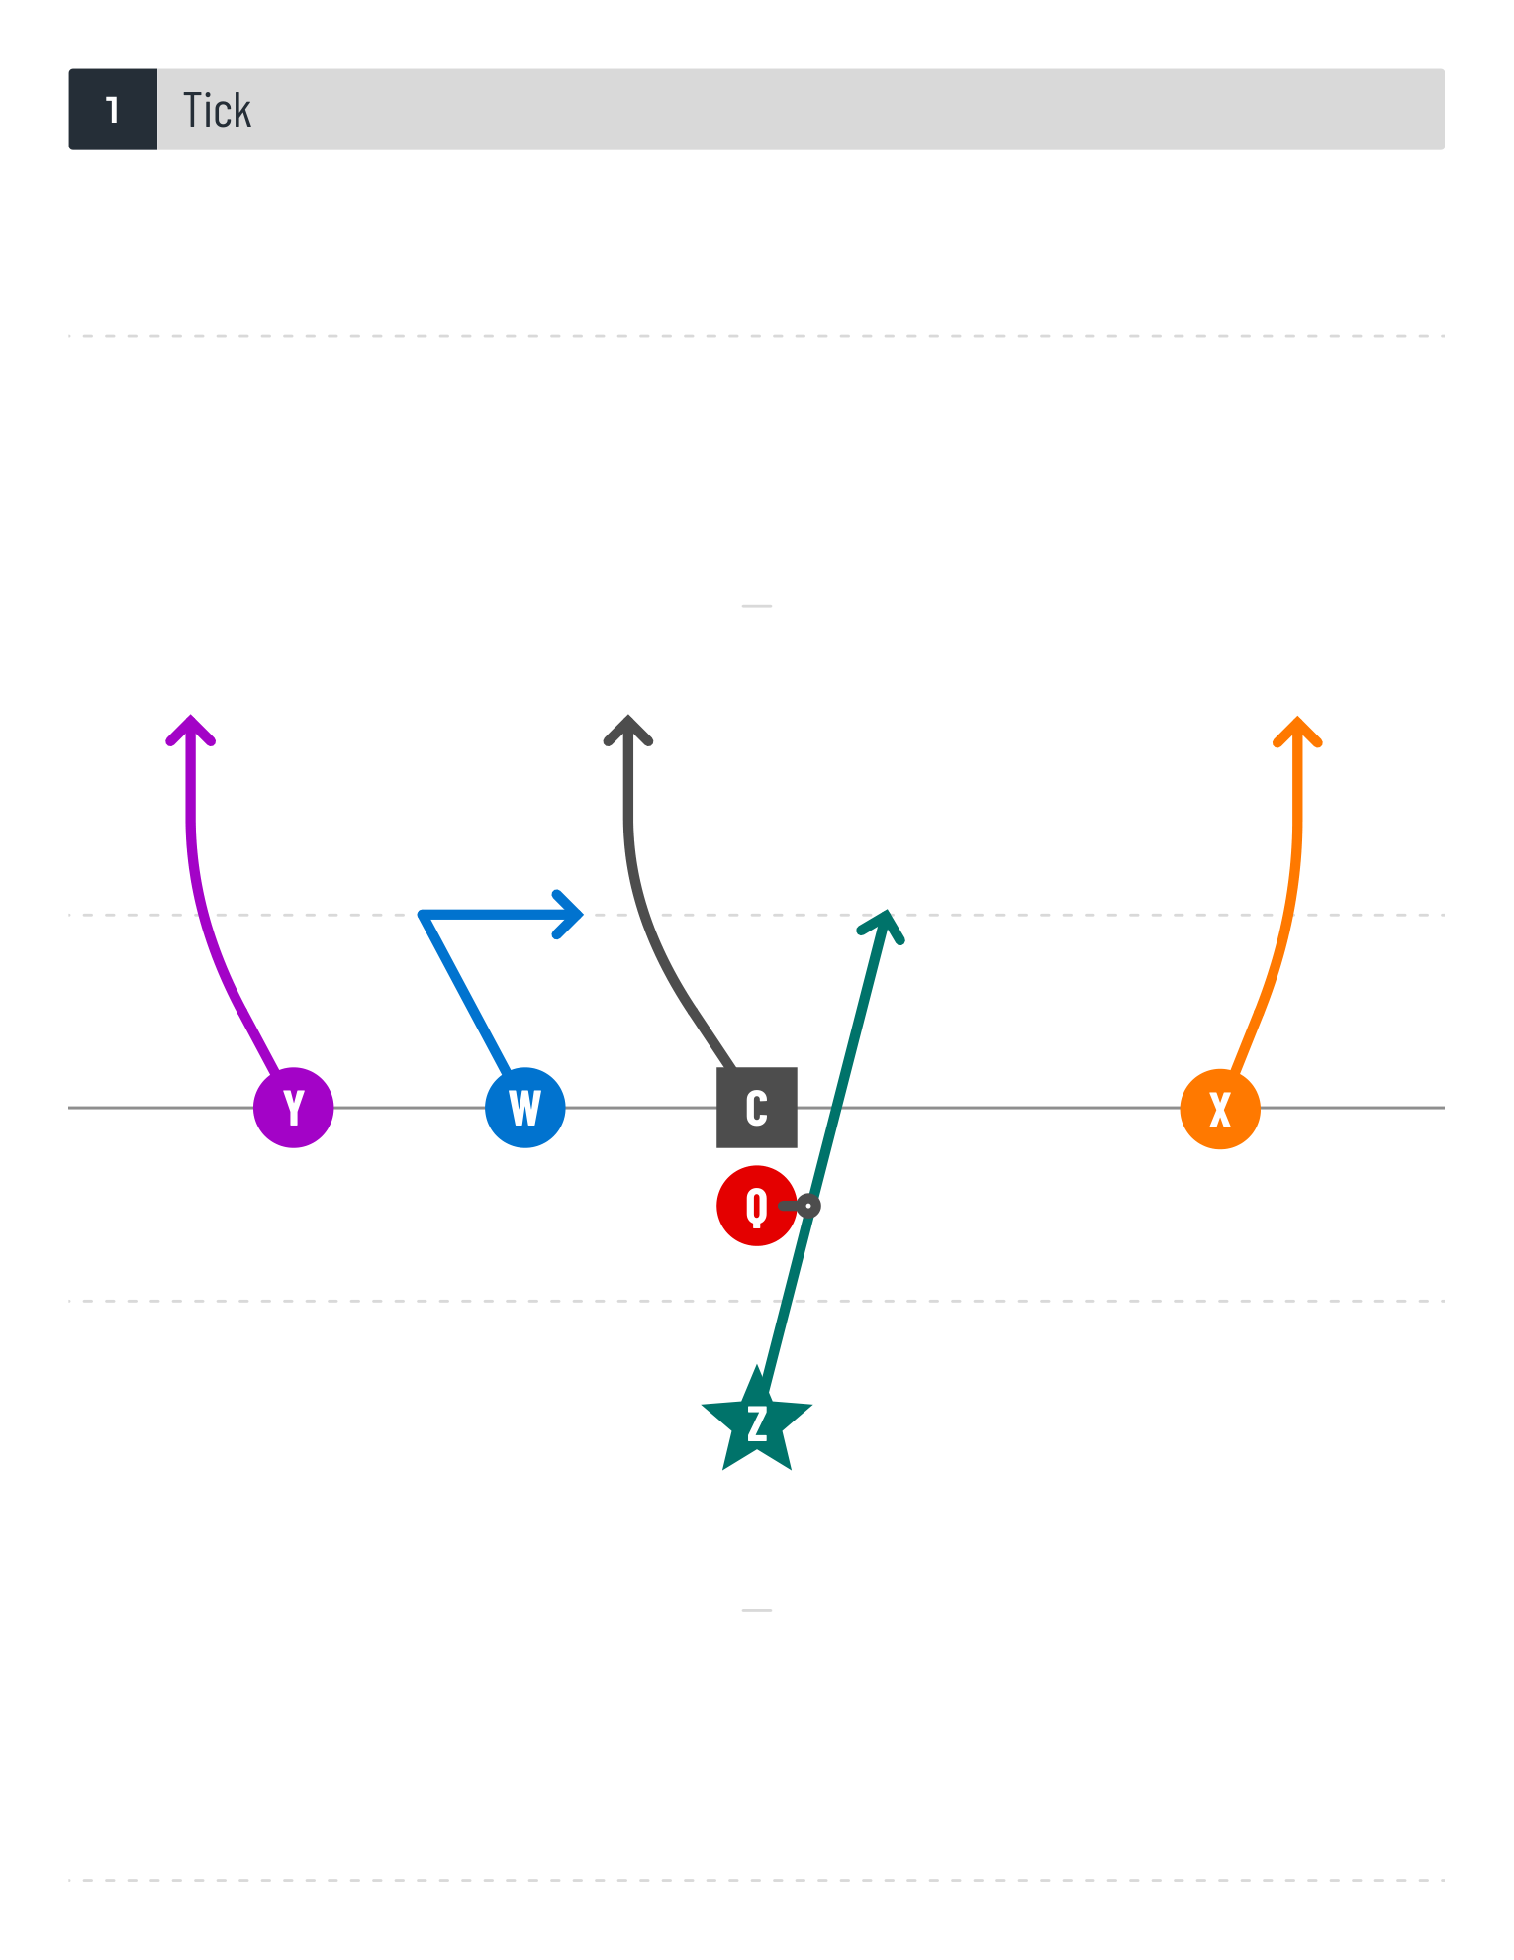
Play #1 | Tick
 | C | Q | W | X | Y | Z

 | Eligible:
 | Phipps Rodriguez | Martinez Simmons | Martinez Simmons Spivey Stevens | Dawson Hobbins March Martinez Simmons Woodward | Dawson Spivey Stevens Woodward | Hobbins March Martinez Phipps Simmons

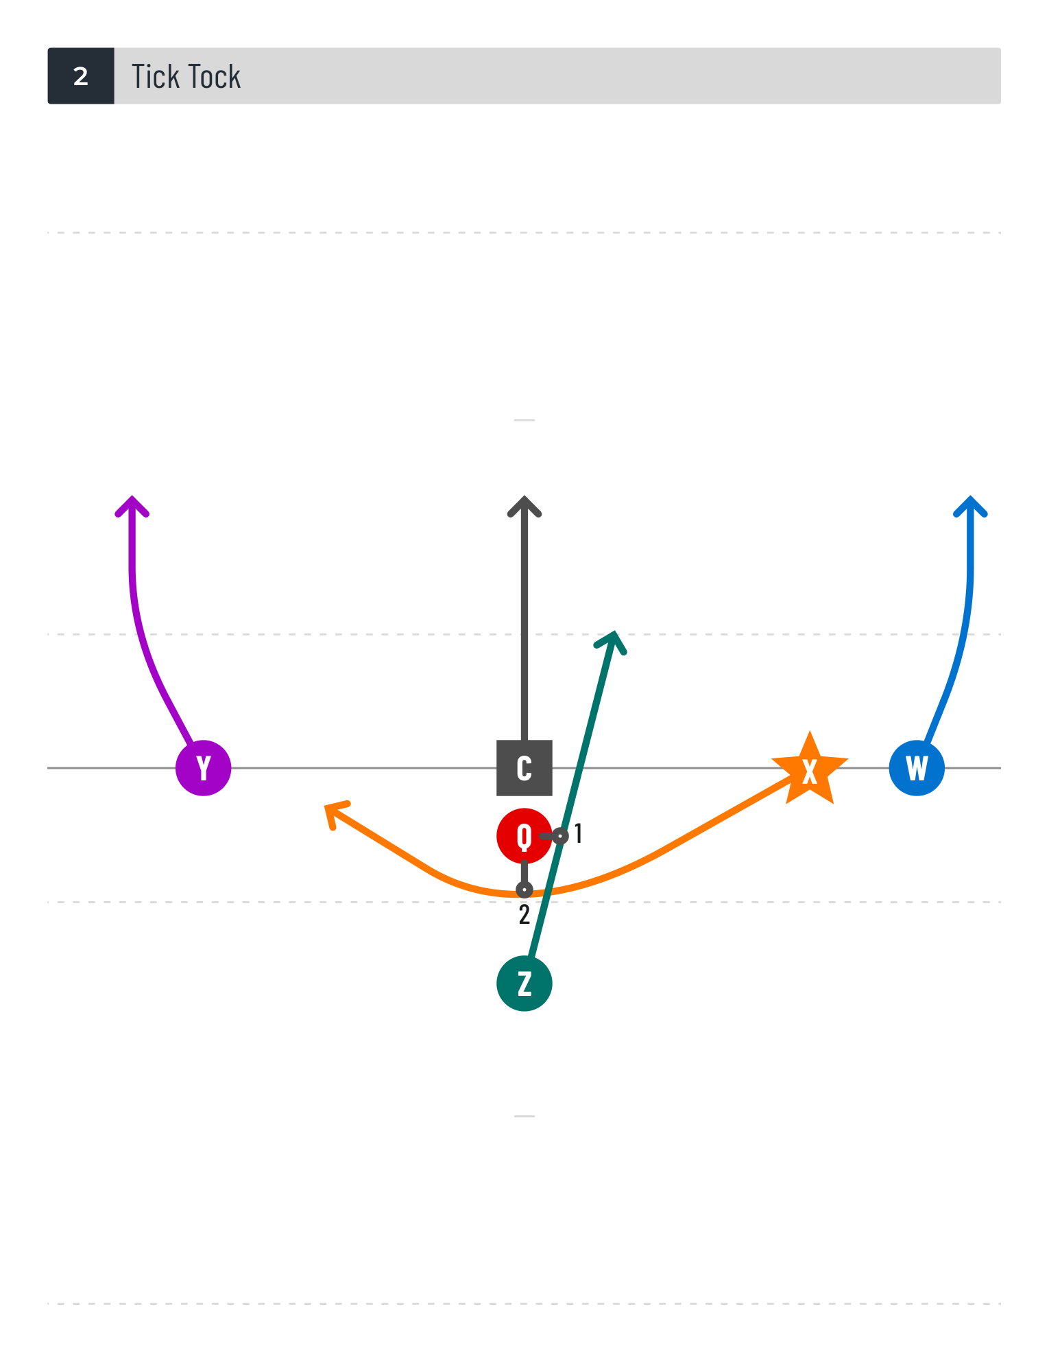

Play #2 | Tick Tock
 | C | Q | W | X | Y | Z

 | Eligible:
 | Phipps Rodriguez | Martinez Simmons | Martinez Simmons Spivey Stevens | Dawson Hobbins March Martinez Simmons Woodward | Dawson Spivey Stevens Woodward | Hobbins March Martinez Phipps Simmons

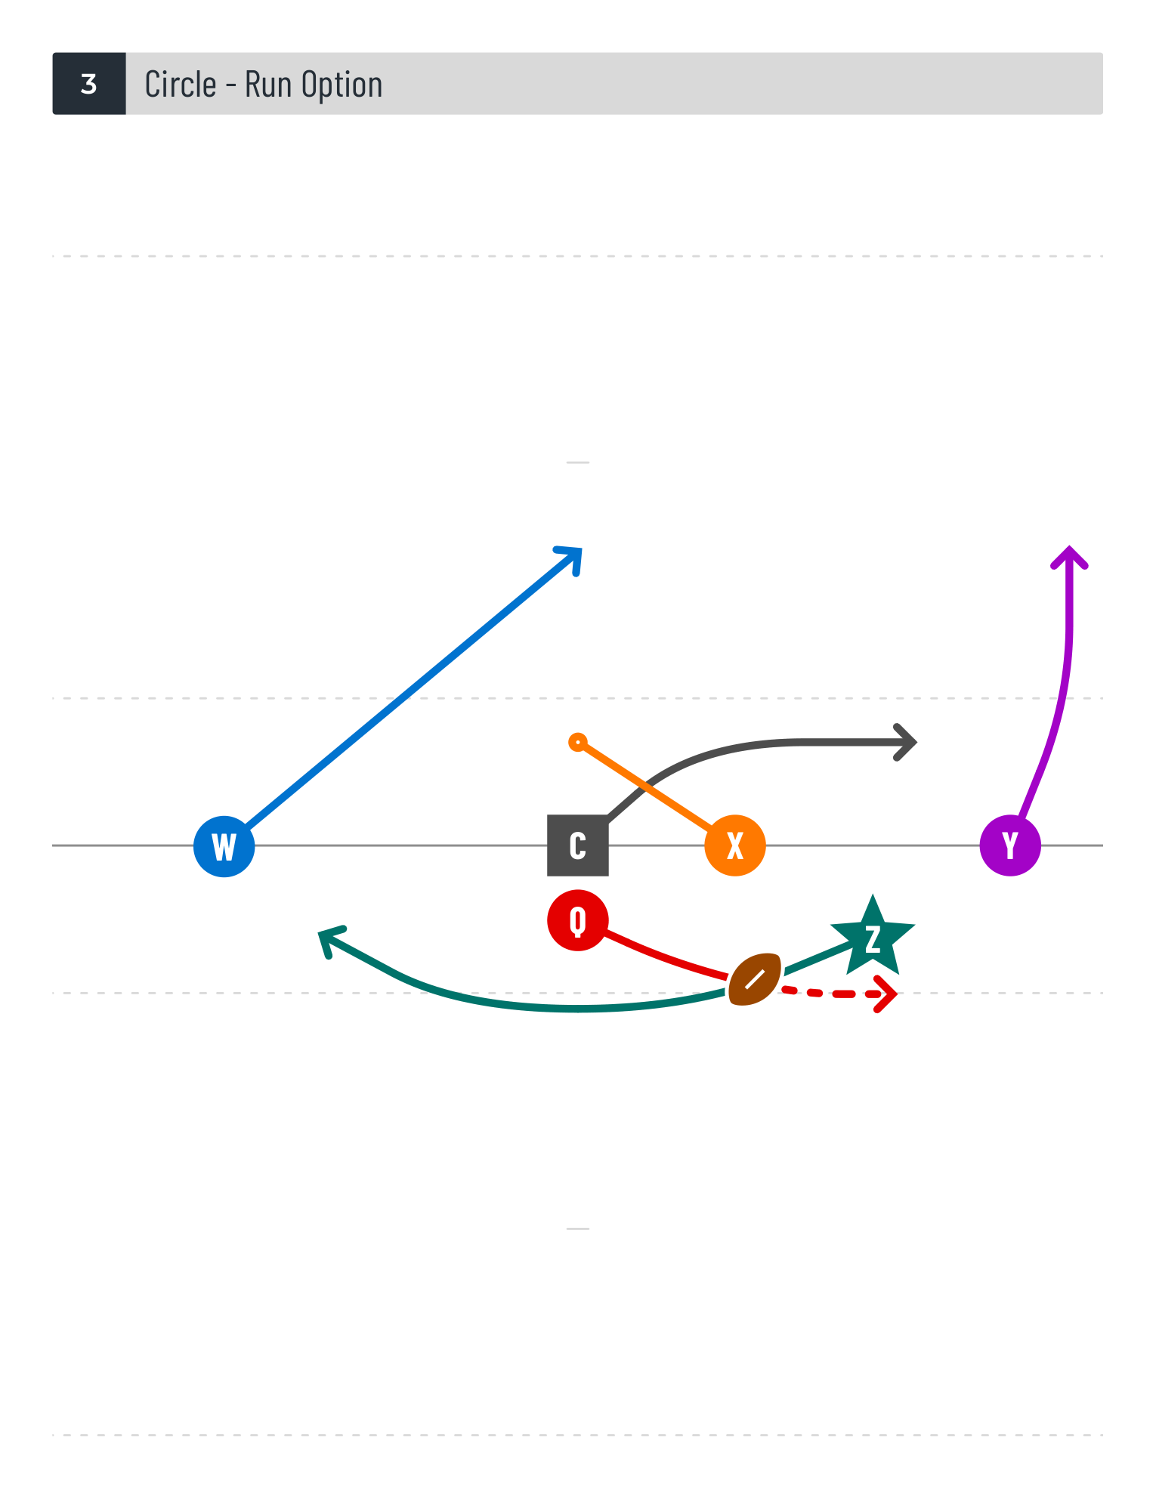

Play #3 | Circle - Run Option
 | C | Q | W | X | Y | Z

 | Eligible:
 | Phipps Rodriguez | Martinez Simmons | Martinez Simmons Spivey Stevens | Dawson Hobbins March Martinez Simmons Woodward | Dawson Spivey Stevens Woodward | Hobbins March Martinez Phipps Simmons

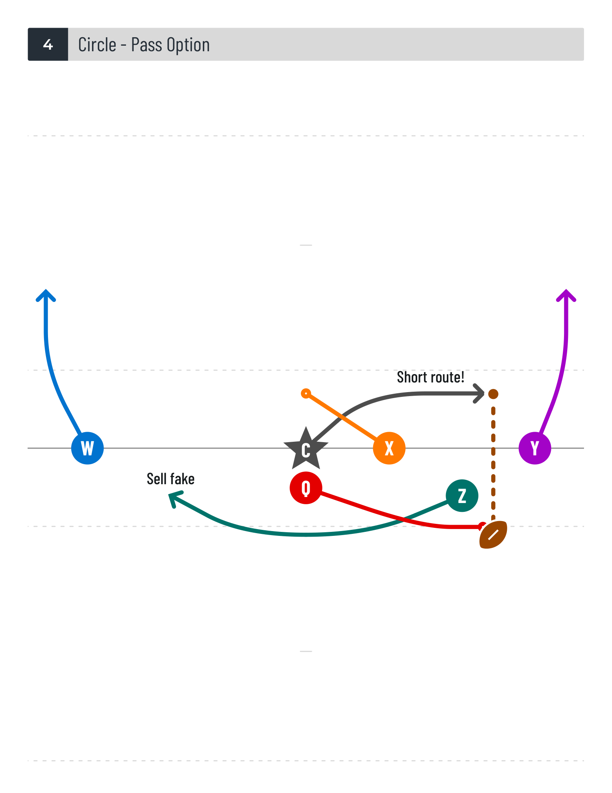

Play #4 | Circle - Pass Option
 | C | Q | W | X | Y | Z

 | Eligible:
 | Phipps Rodriguez | Martinez Simmons | Martinez Simmons Spivey Stevens | Dawson Hobbins March Martinez Simmons Woodward | Dawson Spivey Stevens Woodward | Hobbins March Martinez Phipps Simmons

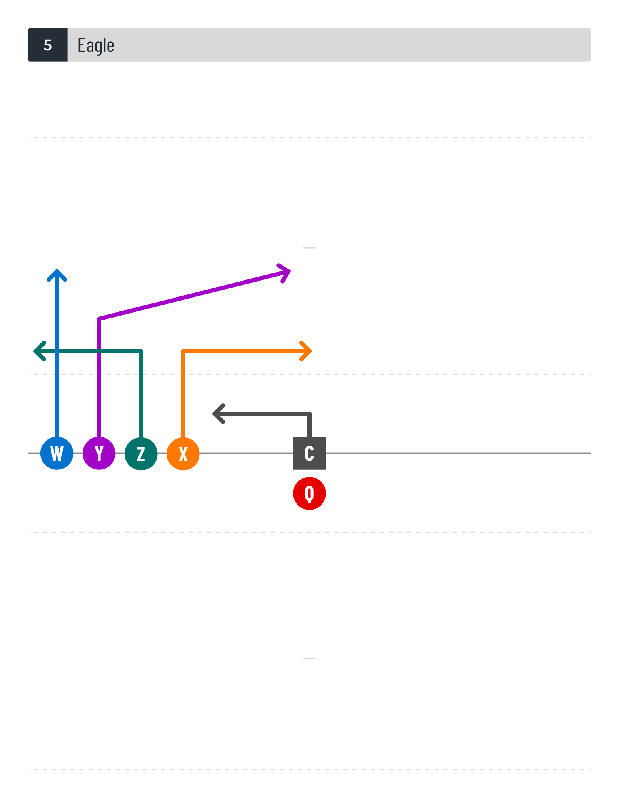

Play #5 | Eagle
 | C | Q | W | X | Y | Z

 | Eligible:
 | Phipps Rodriguez | Martinez Simmons | Martinez Simmons Spivey Stevens | Dawson Hobbins March Martinez Simmons Woodward | Dawson Spivey Stevens Woodward | Hobbins March Martinez Phipps Simmons

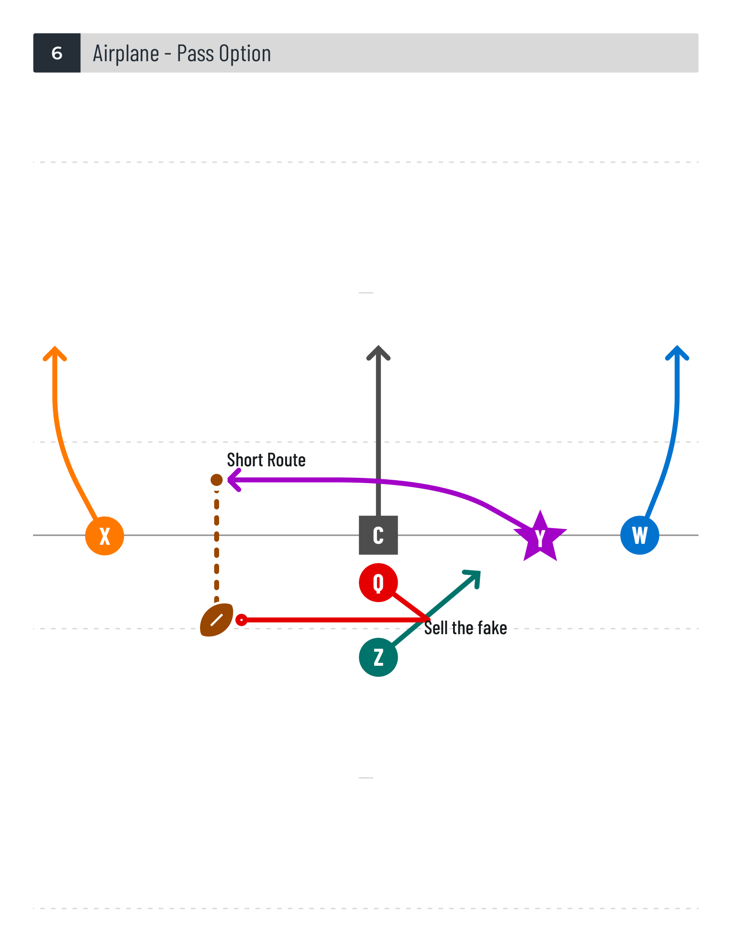

Play #6 | Airplane - Pass Option
 | C | Q | W | X | Y | Z

 | Eligible:
 | Phipps Rodriguez | Martinez Simmons | Martinez Simmons Spivey Stevens | Dawson Hobbins March Martinez Simmons Woodward | Dawson Spivey Stevens Woodward | Hobbins March Martinez Phipps Simmons
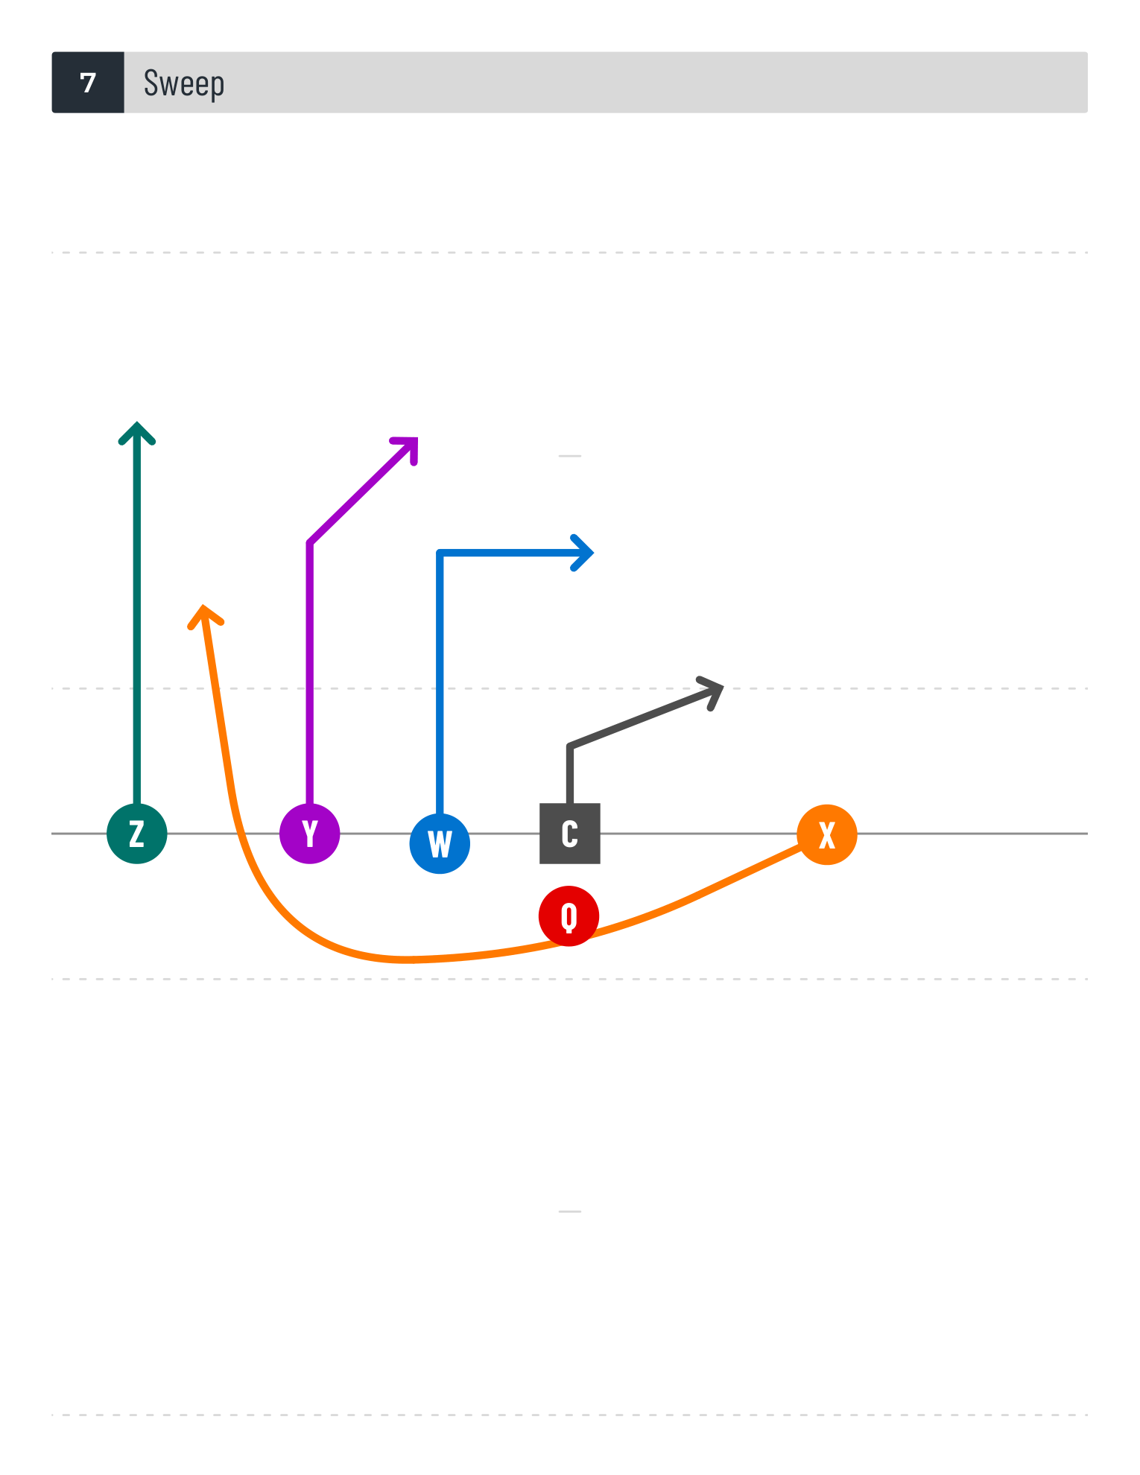

Play #7 | Sweep
 | C | Q | W | X | Y | Z

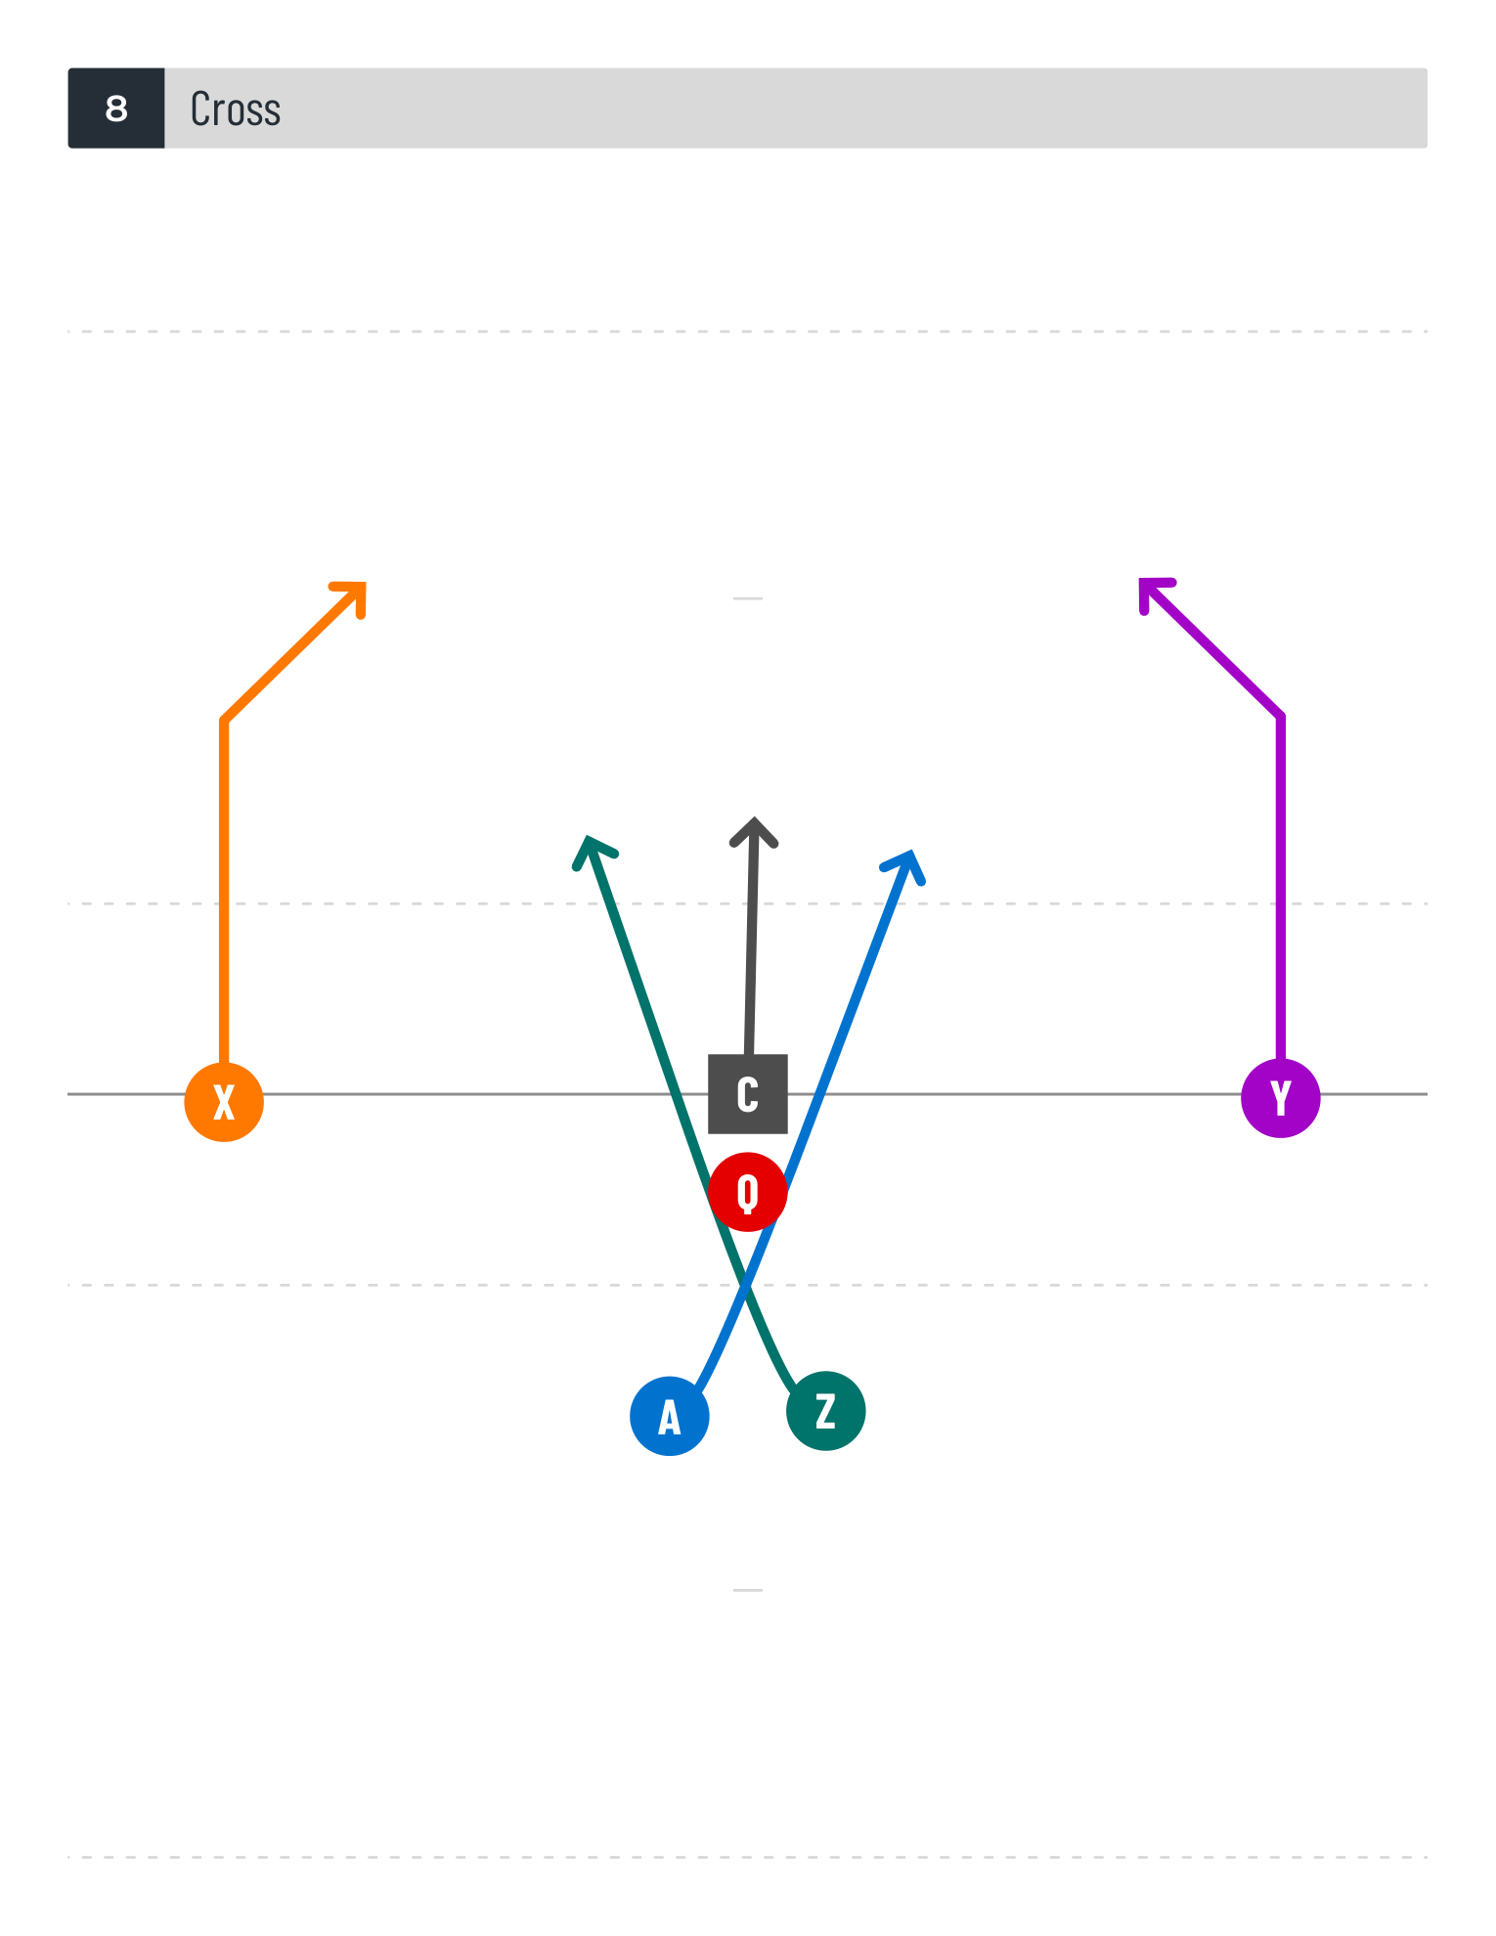
 | Eligible:
 | Phipps Rodriguez | Martinez Simmons | Martinez Simmons Spivey Stevens | Dawson Hobbins March Martinez Simmons Woodward | Dawson Spivey Stevens Woodward | Hobbins March Martinez Phipps Simmons

Play #8 | Cross
 | C | Q | W | X | Y | Z
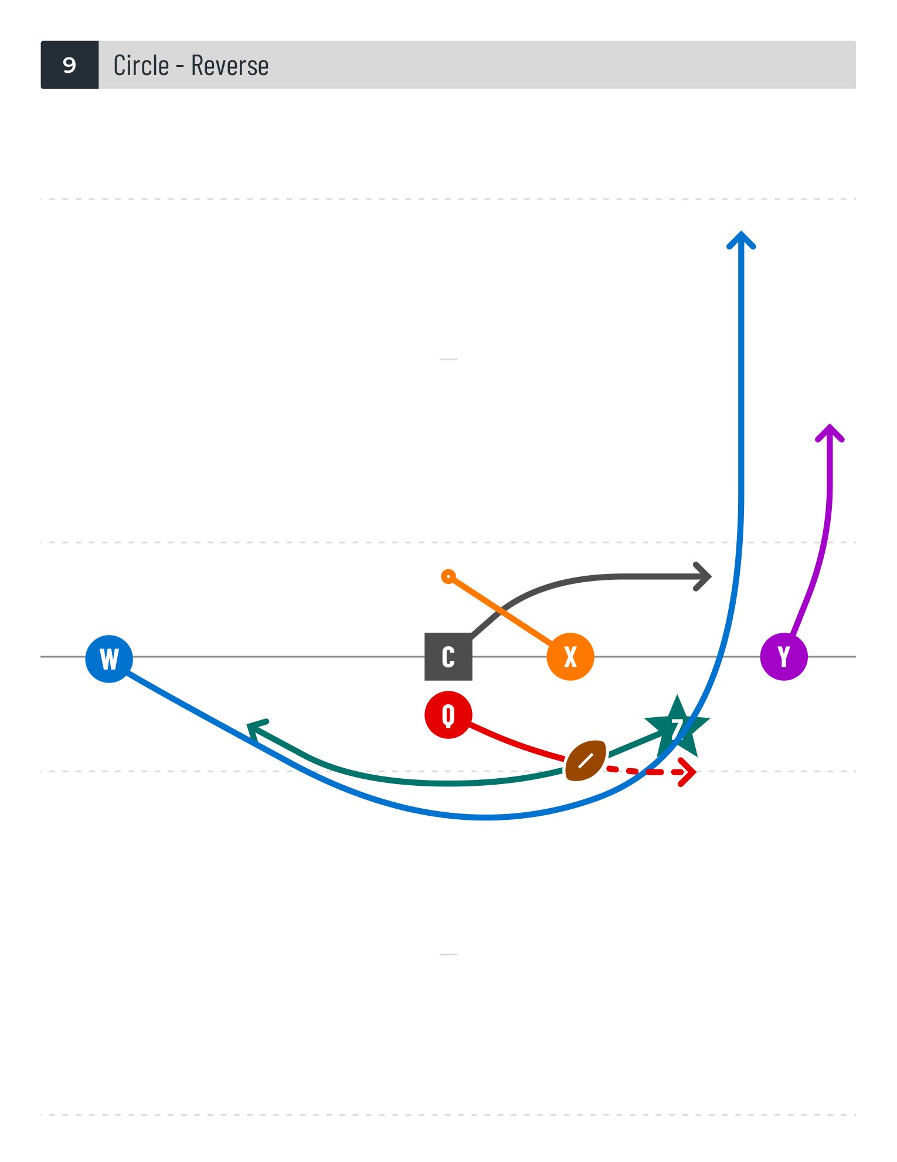
 | Eligible:
 | Phipps Rodriguez | Martinez Simmons | Martinez Simmons Spivey Stevens | Dawson Hobbins March Martinez Simmons Woodward | Dawson Spivey Stevens Woodward | Hobbins March Martinez Phipps Simmons

Play #9 | Circle - Reverse
 | C | Q | W | X | Y | Z

 | Eligible:
 | Phipps Rodriguez | Martinez Simmons | Martinez Simmons Spivey Stevens | Dawson Hobbins March Martinez Simmons Woodward | Dawson Spivey Stevens Woodward | Hobbins March Martinez Phipps Simmons

