Sheet1
IRVE-I | IRVE-2 | IRVE-3 | IRVE-4
Pic1 | Pic3 |  | Pic2
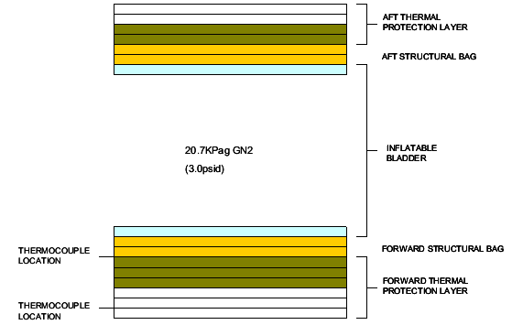
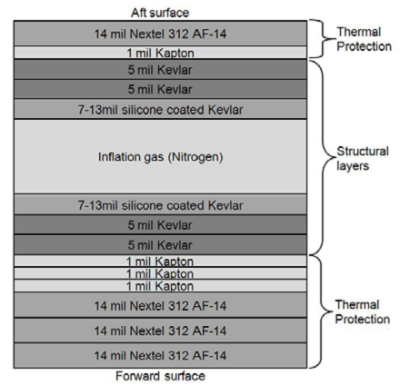
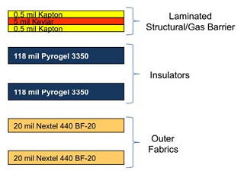

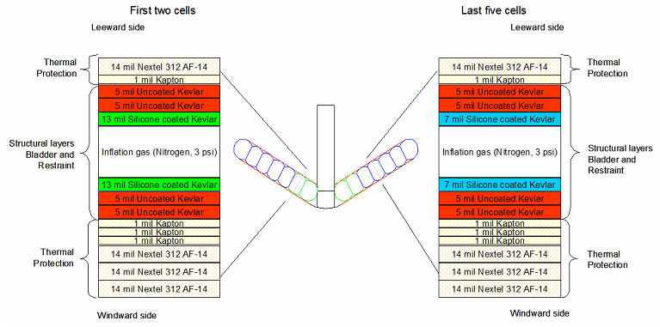
 | Pic4
silicon coated Kevlar1
uncoated Kevlar4
Kapton1
Nextel 312 cloth1

Sheet2
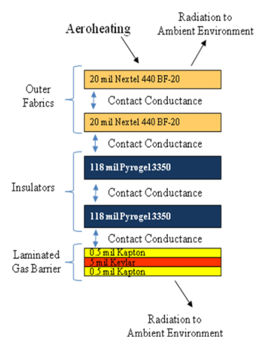
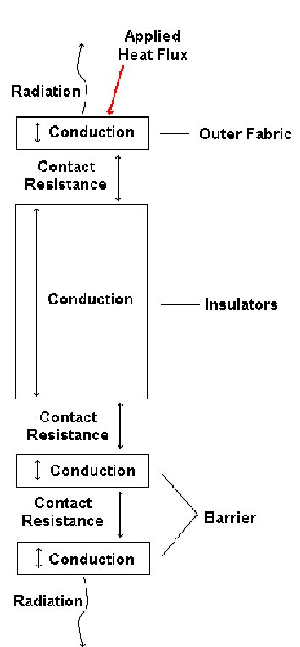

Pic5

Sheet4
BF-30 | T [C] | k
http://www.3m.com/market/industrial/ceramics/pdfs/Nextel_Tech_Notebook_11.04.pdf | 200 | 0.132 |  | 0.10923529411765+8.5294117647059E-5*T
 | 400 | 0.141 |  | 0.11853
 | 600 | 0.148
 | 800 | 0.182

 |  |  | a | b
 |  |  | 0.013289436196 | 1.002558006
Pyrogel 3350 | T [C] | k | T | k
http://www.teknowoolnanotecnologie.com/documenti/Aspen/Scheda%20tecnica%20Pyrogel_3350_6350_10350.pdf | 0 | 0.0159 | 273.15 | 1.33E-02 | 0.068150433741
 | 50 | 0.0163 | 323.15 | 1.51E-02 | 0.01439576038
 | 100 | 0.0169 | 373.15 | 1.72E-02 | 0.00066377331372
 | 150 | 0.0181 | 423.15 | 1.95E-02 | 0.019472441233
 | 200 | 0.0202 | 473.15 | 2.22E-02 | 0.038094082425
 | 250 | 0.0235 | 523.15 | 2.52E-02 | 0.027890355981
 | 300 | 0.0282 | 573.15 | 2.86E-02 | 0.001596501061
 | 350 | 0.0348 | 623.15 | 3.25E-02 | 0.053067080823
 |  |  |  |  | 0.22333042896

 | 7.6794887884E-06 |  | 7.6794887884E-06

Kapton | k | T
http://www.sciencedirect.com/science/article/pii/S0011227598001258 | 5.24E−3*T^1.02 | 5-300K
 | 1.7379962388 | 296
http://www.dupont.com/content/dam/assets/products-and-services/membranes-films/assets/DEC-Kapton-summary-of-properties.pdf | 0.12 | 296 | 100HN
http://www.dupont.com/products-and-services/membranes-films/polyimide-films/brands/kapton-polyimide-film/products/kapton-mt.html | 0.46 |  | 100MT
http://lss.fnal.gov/archive/other/ssc/ssc-n-734.pdf | 0.51 | 300 | 300MT
 | 0.01 | 4.6

