Feuil1
 | Calculating Maximum Theoretical Enrichment

 | Streitwieser Semiclassical Limits | Using: | S-Metolachlor | Bond breakage's max. KIE | Indistinguishable reactive positions | Fractionation factor at reactive position | Intramolecular isotope distribution (i.e. no. of carbon atoms) | No. of atoms at a reactive position | Apparent fractionation factor (i.e. theoretical max. observable) | Max. Observable Enrichment [‰]
Bond Break of Interest | C-Cl |  | Compound | C-Cl | z | αrp | n | x | α | ԑ
Elsner et al. (2005) | KIEC = 1.03 |  | Huskey 1991 | 1.057 | 1 | 0.94607379376 | 15 | 1 | 0.99640491958 | -3.5950804163
Huskey 1991 | KIEC = 1.057 | And: | Elsner et al. (2005) | 1.03 | 1 | 0.97087378641 | 15 | 1 | 0.99805825243 | -1.9417475728
 |  |  | Fatima Ageing |  |  |  |  |  |  | -1.61
 |  |  | MODEL |  |  |  |  |  |  | -2.4
 |  |  |  |  |  |  |  |  |  |  | Elsayed's equation, 2014
 |  |  | E Bulk |  |  |  |  | Fatima's (ԑ) | AKIE
 |  | And: | Ehssan study's enrichment |  | AKIE / Elsayed |  | ԑ (20%) | -1.37 | 1.0209811629
 |  |  | -2.2 |  | 1.0341261634 |  | ԑ (40%) | -1.74 | 1.0267994661
 |  |  | -2.6 |  | 1.0405827263 | -0.0064565629348 | Average | -1.48 | 1.0227040295
 |  |  | -1.8 |  | 1.0277492292 | -0.0063769342039
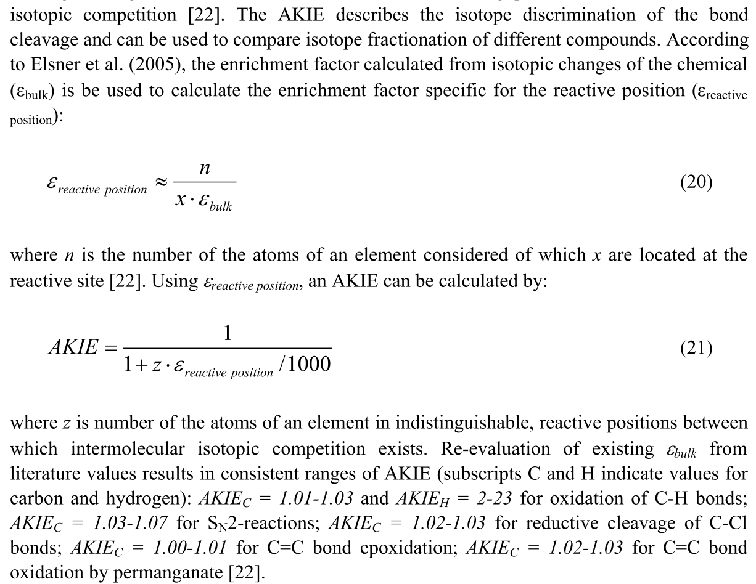
 |  |  | -1.4 |  | 1.0214504597

Elsner Max | S-Metolachlor | % Biodeg. | Raleigh | Fraction remaining
δ13C0 [‰] | -32.343166667 | B | fԑ/1000 | f
δ13Cfin [‰] | -31.03990418 | 50% | 1.001346823 | 0.5
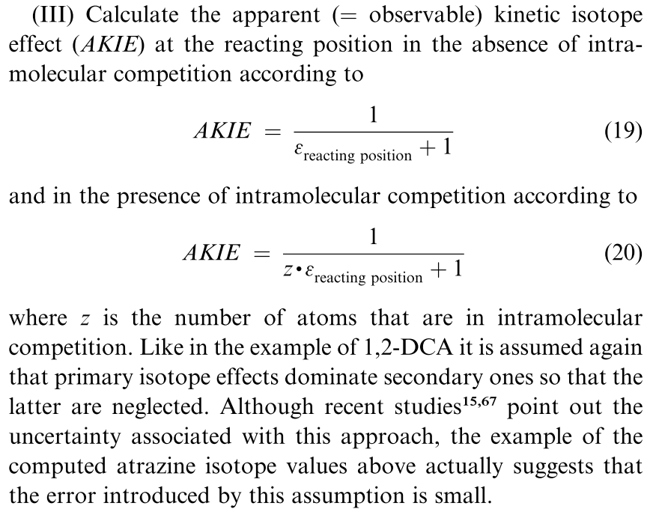
δ13Cfin [‰] | -30.619973994 | 60% | 1.001780789 | 0.4
δ13Cfin [‰] | -30.078321257 | 70% | 1.0023405461 | 0.3
δ13Cfin [‰] | -29.314390671 | 80% | 1.0031300104 | 0.2
δ13Cfin [‰] | -28.007048959 | 90% | 1.004481049 | 0.1
δ13Cfin [‰] | -26.697946489 | 95% | 1.0058339072 | 0.05
δ13Cfin [‰] | -23.651500895 | 99% | 1.0089821778 | 0.01

Fatima Ageing | S-Metolachlor | % Biodeg. | Raleigh | Fraction remaining
δ13C0 [‰] | -32.343166667 | B | fԑ/1000 | f
δ13Cfin [‰] | -31.262690836 | 50% | 1.0011165899 | 0.5
δ13Cfin [‰] | -30.914598663 | 60% | 1.0014763168 | 0.4
δ13Cfin [‰] | -30.465645221 | 70% | 1.0019402761 | 0.3
δ13Cfin [‰] | -29.832527708 | 80% | 1.0025945551 | 0.2
δ13Cfin [‰] | -28.749248523 | 90% | 1.003714042 | 0.1
δ13Cfin [‰] | -27.664759759 | 95% | 1.004834779 | 0.05
δ13Cfin [‰] | -25.141982416 | 99% | 1.0074418782 | 0.01

Model results | S-Metolachlor | % Biodeg. | Raleigh | Fraction remaining | ∆δ
δ13C0 [‰] | -32.343166667 | B | fԑ/1000 | f
δ13Cfin [‰] | -32.098448953 | 10% | 1.0002528972 | 0.9 | 0.24471771405
δ13Cfin [‰] | -31.824804559 | 20% | 1.000535688 | 0.8
δ13Cfin [‰] | -31.514478558 | 30% | 1.0008563864 | 0.7
δ13Cfin [‰] | -31.156109787 | 40% | 1.0012267333 | 0.6
 | -30.953767602 | 45% | 1.0014358386 | 0.55
δ13Cfin [‰] | -30.732078319 | 50% | 1.0016649377 | 0.5
 | -30.486953165 | 55% | 1.001918256 | 0.45
δ13Cfin [‰] | -30.21285317 | 60% | 1.0022015175 | 0.4 | 0.51922514861
δ13Cfin [‰] | -29.543045064 | 70% | 1.0028937135 | 0.3
 | -29.118307609 | 75% | 1.0033326474 | 0.25
δ13Cfin [‰] | -28.598217983 | 80% | 1.0038701206 | 0.2 | 2.1338603358
 | -27.927294688 | 85% | 1.004563469 | 0.15
δ13Cfin [‰] | -26.980894529 | 90% | 1.0055415019 | 0.1
δ13Cfin [‰] | -25.360878332 | 95% | 1.0072156658 | 0.05
δ13Cfin [‰] | -21.58890735 | 99% | 1.011113712 | 0.01

10/10/16 | Burger_Cuve_DF1-2.dxf | -33.234
10/10/16 | Burger_Cuve_DF1-3.dxf | -32.964
10/10/16 | Burger_Cuve_DF1-3_.dxf | -32.679
10/10/16 | Kopp_Cuve_DF1-1_.dxf | -32.697
10/10/16 | Kopp_Cuve_DF1-2_.dxf | -32.427
10/10/16 | Kopp_Cuve_DF1-3_.dxf | -32.284
10/11/16 | Burger_Cuve_DF1-11_.dxf | -32.448
10/11/16 | Burger_Cuve_DF1-22_.dxf | -32.318
10/11/16 | Burger_Cuve_DF1-33_.dxf | -32.153
10/11/16 | Kopp_Cuve_DF1-11_.dxf | -31.581
10/11/16 | Kopp_Cuve_DF1-22_.dxf | -31.688
10/11/16 | Kopp_Cuve_DF1-33_.dxf | -31.645

06/09/16 | Mercantor_Gold_pur_50mgL-1_.dxf | -32.375
06/10/16 | Mercantor_Gold_pur_50mgL-2_.dxf | -32.651
10/03/16 | PureMerc-T1_.dxf | -31.661
10/03/16 | PureMerc-T2_.dxf | -31.783
10/03/16 | PureMerc-T3_.dxf | -31.959

 | Pure | SD
Ave1 | -32.513 | 0.19516147161
Ave2 | -31.801 | 0.14981321704

 | Kopp | SD
Ave1 | -32.469333333 | 0.20972919047
Ave2 | -31.638 | 0.053842362504

 | Burger | SD
Ave1 | -32.959 | 0.27753378173
Ave2 | -32.306333333 | 0.14784564022

Pure ave pop | -32.0858 | 0.41572490904
Cuve averages pop | -32.343166667 | 0.51986831083

Cuve averages Kopp | -32.053666667 | 0.47548781968
Cuve averages Burger | -32.632666667 | 0.40907880251

