Sheet1
EXPENSE REPORT

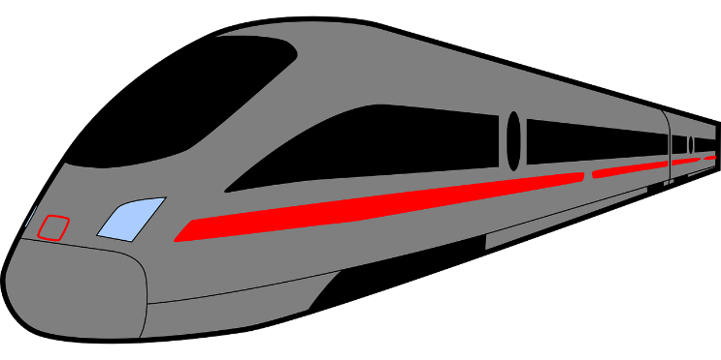
OBJECTIVE
•Calculate how much will this person NOT be reimbursed?
AGREEMENT
• Up to $55/day for food.
• Acceptable categories
Food Gas
Supplies Travel
Date | Category | Amount | Date | Category | Amount
5-Nov-24 | Food | $11.28 | 19-Nov-24 | Food | $27.27
5-Nov-24 | Food | $3.09 | 19-Nov-24 | Food | $50.66
5-Nov-24 | Food | $24.10 | 19-Nov-24 | Supplies | $4.55
5-Nov-24 | Food | $13.00 | 20-Nov-24 | Food | $71.53
5-Nov-24 | Supplies | $49.12 | 20-Nov-24 | Travel | $103.00
6-Nov-24 | Supplies | $102.74 | 21-Nov-24 | Food | $68.15
6-Nov-24 | Food | $19.20 | 22-Nov-24 | Gas | $41.19
6-Nov-24 | Parking Ticket | $87.00 | 22-Nov-24 | Food | $13.60
6-Nov-24 | Food | $30.65 | 22-Nov-24 | Entertainment | $238.58
7-Nov-24 | Gas | $52.35 | 22-Nov-24 | Food | $22.52
7-Nov-24 | Entertainment | $85.00 | 23-Nov-24 | Supplies | $61.12
7-Nov-24 | Food | $37.42 | 24-Nov-24 | Travel | $103.00
18-Nov-24 | Food | $4.28
18-Nov-24 | Supplies | $13.05 |  | Requested | $1,403.68
18-Nov-24 | Food | $66.23
19-Nov-24 | Food | $27.27 |  | Approved | $924.98
19-Nov-24 | Food | $50.66 |  | Out of Pocket | $478.70
19-Nov-24 | Supplies | $4.55
20-Nov-24 | Food | $71.53
20-Nov-24 | Travel | $103.00
21-Nov-24 | Food | $68.15 | Dayve's New Formula |  |  |  |  |  | Oz's Table Summary
22-Nov-24 | Gas | $41.19 | Category | Date | Amount | Category | Date | Amount | Category | Date | Sums | CHK | Test GROUPBY Date/Category in a LET
22-Nov-24 | Food | $13.60 | Food | 05-Nov-24 | 51.47 | Parking Ticket | 06-Nov-24 | 87.00 | Food | 5-Nov-24 | 51.47 | 51.47 | 2024-11-05 | Food | 51.47 | 0 | 51.47
22-Nov-24 | Entertainment | $238.58 | Supplies | 05-Nov-24 | 49.12 | Entertainment | 07-Nov-24 | 85.00 | Supplies | 5-Nov-24 | 49.12 | 49.12 | 2024-11-05 | Supplies | 49.12 | 0 | 49.12
22-Nov-24 | Food | $22.52 | Food | 06-Nov-24 | 49.85 | Food | 18-Nov-24 | 15.51 | Supplies | 6-Nov-24 | 102.74 | 102.74 | 2024-11-06 | Food | 49.85 | 0 | 49.85
23-Nov-24 | Supplies | $61.12 | Supplies | 06-Nov-24 | 102.74 | Food | 19-Nov-24 | 22.93 | Food | 6-Nov-24 | 49.85 | 49.85 | 2024-11-06 | Parking Ticket | 87 | 0 | 87.00
24-Nov-24 | Travel | $103.00 | Food | 07-Nov-24 | 37.42 | Food | 20-Nov-24 | 16.53 | Gas | 7-Nov-24 | 52.35 | 52.35 | 2024-11-06 | Supplies | 102.74 | 0 | 102.74
 |  |  | Gas | 07-Nov-24 | 52.35 | Food | 21-Nov-24 | 13.15 | Food | 7-Nov-24 | 37.42 | 37.42 | 2024-11-07 | Entertainment | 85 | 0 | 85.00
 |  |  | Food | 18-Nov-24 | 55.00 | Entertainment | 22-Nov-24 | 238.58 | Food | 18-Nov-24 | 70.51 | 55.00 | 2024-11-07 | Food | 37.42 | 0 | 37.42
 |  |  | Supplies | 18-Nov-24 | 13.05 | Exception $ |  | 478.70 | Supplies | 18-Nov-24 | 13.05 | 13.05 | 2024-11-07 | Gas | 52.35 | 0 | 52.35
 |  |  | Food | 19-Nov-24 | 55.00 |  |  |  | Food | 19-Nov-24 | 77.93 | 55.00 | 2024-11-18 | Food | 70.51 | 1 | 15.51
 |  |  | Supplies | 19-Nov-24 | 4.55 |  |  |  | Supplies | 19-Nov-24 | 4.55 | 4.55 | 2024-11-18 | Supplies | 13.05 | 0 | 13.05
 |  |  | Food | 20-Nov-24 | 55.00 |  |  |  | Food | 20-Nov-24 | 71.53 | 55.00 | 2024-11-19 | Food | 155.86 | 1 | 100.86
 |  |  | Travel | 20-Nov-24 | 103.00 |  |  |  | Travel | 20-Nov-24 | 103 | 103.00 | 2024-11-19 | Supplies | 9.1 | 0 | 9.10
 |  |  | Food | 21-Nov-24 | 55.00 |  |  |  | Food | 21-Nov-24 | 68.15 | 55.00 | 2024-11-20 | Food | 143.06 | 1 | 88.06
 |  |  | Food | 22-Nov-24 | 36.12 |  |  |  | Gas | 22-Nov-24 | 41.19 | 41.19 | 2024-11-20 | Travel | 206 | 0 | 206.00
 |  |  | Gas | 22-Nov-24 | 41.19 |  |  |  | Food | 22-Nov-24 | 36.12 | 36.12 | 2024-11-21 | Food | 136.3 | 1 | 81.30
 |  |  | Supplies | 23-Nov-24 | 61.12 |  |  |  | Supplies | 23-Nov-24 | 61.12 | 61.12 | 2024-11-22 | Entertainment | 477.16 | 0 | 477.16
 |  |  | Travel | 24-Nov-24 | 103.00 |  |  |  | Travel | 24-Nov-24 | 103 | 103.00 | 2024-11-22 | Food | 72.24 | 1 | 17.24
 |  |  | Allowable $ |  | 924.98 |  |  |  |  |  |  |  | 2024-11-22 | Gas | 82.38 | 0 | 82.38
 |  |  |  |  |  |  |  |  |  |  |  |  | 2024-11-23 | Supplies | 122.24 | 0 | 122.24
 |  |  |  |  |  |  |  |  |  |  |  |  | 2024-11-24 | Travel | 206 | 0 | 206.00
 |  |  |  |  |  |  |  |  |  |  |  |  | Total |  | 2208.85 | 0 | 2208.85

