Sheet1
Total Charged-time: | < 100 hr
Total Charged-cost: | $1.93 | at $0.013 per hour
Experiment durations (s):
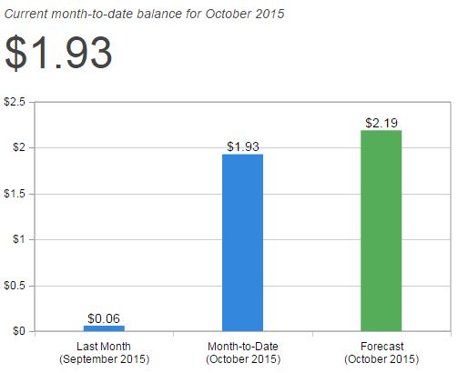
Automation | 600
Elasticity | 2115
Performance (I) | 400
Performance (II) | 387
Reliability | 1042
Monitoring | -
Scheduling | 988

Sheet2
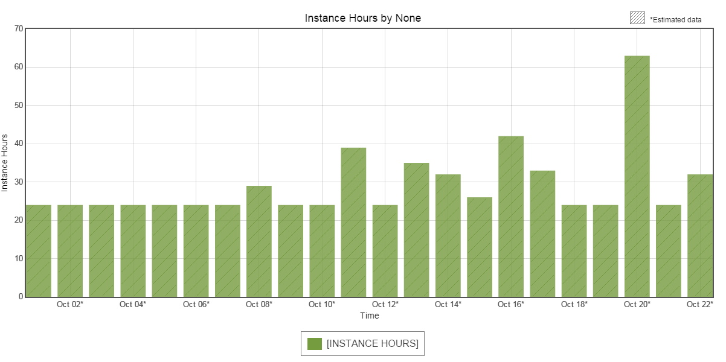
Shoaib
think-time | 7 | Total
dev-time | 20 |  | Automation | Elasticity | Performance | Reliability | Monitoring | Scheduling
xp-time | 8 | dev-time | 6 | 10 | 8 | 8 | 8 | 10
analysis-time | 12 | setup-time | 2 | 3 | 4 | 1 | 3 | 2
write-time | 10 | total-time | 8 | 13 | 12 | 9 | 11 | 12
wasted-time | 5
total-time | 62

