cost
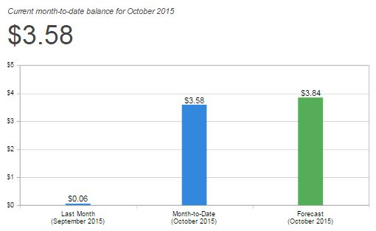

Total Charged-time: | < 100 hr
Total Charged-cost: | $2.35 | at $0.013 per hour
Experiment durations (s):
Automation | 600
Elasticity | 2115
Performance (I) | 400
Performance (II) | 387
Reliability | 1042
Monitoring | -
Scheduling | 988
total seconds | 5532
total hours | 1.5366666667

 |  |  | Experiments | Instance hours
 |  |  | Automation | 4
 |  |  | Elasticity | 16
 |  |  | Performance (I) | 4
 |  |  | Performance (II) | 3
 |  |  | Reliability | 7
 |  |  | Monitoring | -
 |  |  | Scheduling | 4
 |  |  | Total Slave Hours | 38
 |  |  | Total EC2 Slave Cost: @ $0.11 / hour | $4.18
 |  |  | Total Master Hours: | 4
 |  |  | Total EC2 Master Cost: @ $0.11 / hour | $0.44
 |  |  | Total S3 data transfer cost: @ $0.005 /thousand transfer | $0.01
 |  |  | Total Variable Cost (EC2+S3): | $4.63
 |  |  | Total Fixed Cost (EBS + AMI): @ $0.01 GB-Month | $1.64
 |  |  | Total Charged Cost: | $6.27

cost breakdown
