Sheet1
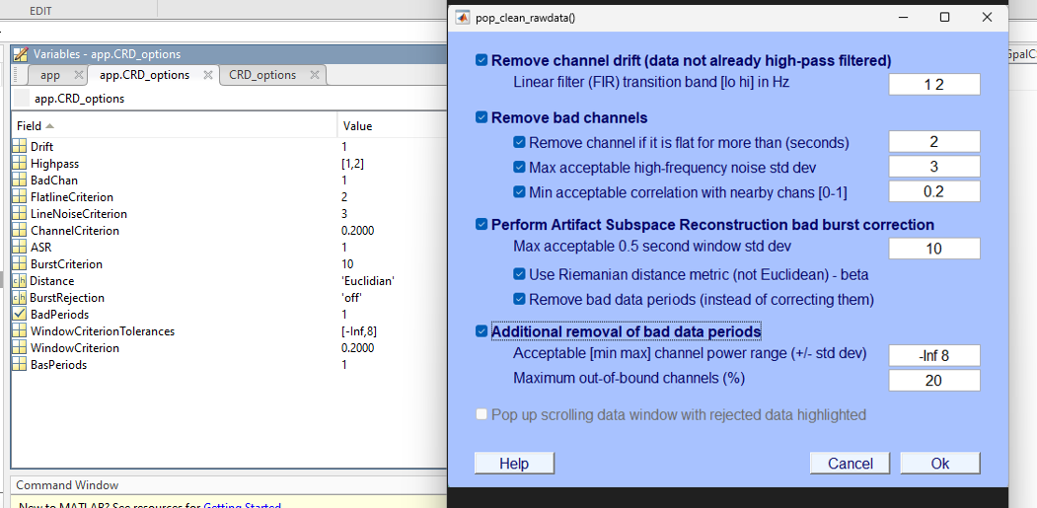
Nothing activated | 'Highpass' | 'off' | 'FlatlineCriterion' | 'off' | 'LineNoiseCriterion' | 'off' | 'ChannelCriterion' | 'off' | 'BurstCriterion' | 'off' | 'Distance' | 'euclidian' | 'BurstRejection' | 'off' | 'WindowCriterionTolerances' | [-Inf,7] | 'WindowCriterion' | 'off'
 | 'Highpass' | 'off' | 'FlatlineCriterion' | 'off' | 'LineNoiseCriterion' | 'off' | 'ChannelCriterion' | 'off' | 'BurstCriterion' | 'off' | 'Distance' | 'euclidian' | 'BurstRejection' | 'off' | 'WindowCriterionTolerances' | [-Inf,7] | 'WindowCriterion' | 'off'
 | TRUE | TRUE | TRUE | TRUE | TRUE | TRUE | TRUE | TRUE | TRUE | TRUE | TRUE | TRUE | TRUE | TRUE | TRUE | TRUE | TRUE | TRUE
Activation Rmove drift | 'Highpass' | [0.250000000000000,0.750000000000000] | 'FlatlineCriterion' | 'off' | 'LineNoiseCriterion' | 'off' | 'ChannelCriterion' | 'off' | 'BurstCriterion' | 'off' | 'Distance' | 'euclidian' | 'BurstRejection' | 'off' | 'WindowCriterionTolerances' | [-Inf,7] | 'WindowCriterion' | 'off'
 | 'Highpass' | [0.250000000000000,0.750000000000000] | 'FlatlineCriterion' | 'off' | 'LineNoiseCriterion' | 'off' | 'ChannelCriterion' | 'off' | 'BurstCriterion' | 'off' | 'Distance' | 'euclidian' | 'BurstRejection' | 'off' | 'WindowCriterionTolerances' | [-Inf,7] | 'WindowCriterion' | 'off'
 | TRUE | TRUE | TRUE | TRUE | TRUE | TRUE | TRUE | TRUE | TRUE | TRUE | TRUE | TRUE | TRUE | TRUE | TRUE | TRUE | TRUE | TRUE
Flag bad channel | 'Highpass' | 'off' | 'FlatlineCriterion' | 'off' | 'LineNoiseCriterion' | 'off' | 'ChannelCriterion' | 'off' | 'BurstCriterion' | 'off' | 'Distance' | euclidian' | 'BurstRejection' | 'off' | 'WindowCriterionTolerances' | [-Inf,7] | 'WindowCriterion' | 'off'
 | 'Highpass' | 'off' | 'FlatlineCriterion' | 'off' | 'LineNoiseCriterion' | 'off' | 'ChannelCriterion' | 'off' | 'BurstCriterion' | 'off' | 'Distance' | 'euclidian' | 'BurstRejection' | 'off' | 'WindowCriterionTolerances' | [-Inf,7] | 'WindowCriterion' | 'off'
 | TRUE | TRUE | TRUE | TRUE | TRUE | TRUE | TRUE | TRUE | TRUE | TRUE | TRUE | FALSE | TRUE | TRUE | TRUE | TRUE | TRUE | TRUE
ASR activated | 'Highpass' | 'off' | 'FlatlineCriterion' | 'off' | 'LineNoiseCriterion' | 'off' | 'ChannelCriterion' | 'off' | 'BurstCriterion' | 20 | 'Distance' | 'euclidian' | 'BurstRejection' | 'off' | 'WindowCriterionTolerances' | [-Inf,7] | 'WindowCriterion' | 'off'
 | 'Highpass' | 'off' | 'FlatlineCriterion' | 'off' | 'LineNoiseCriterion' | 'off' | 'ChannelCriterion' | 'off' | 'BurstCriterion' | 20 | 'Distance' | 'euclidian' | 'BurstRejection' | 'off' | 'WindowCriterionTolerances' | [-Inf,7] | 'WindowCriterion' | 'off'
 | TRUE | TRUE | TRUE | TRUE | TRUE | TRUE | TRUE | TRUE | TRUE | TRUE | TRUE | TRUE | TRUE | TRUE | TRUE | TRUE | TRUE | TRUE
Remove bad period | 'Highpass' | 'off' | 'FlatlineCriterion' | 'off' | 'LineNoiseCriterion' | 'off' | 'ChannelCriterion' | 'off' | 'BurstCriterion' | 'off' | 'Distance' | 'euclidian' | 'BurstRejection' | 'off' | 'WindowCriterionTolerances' | [-Inf,7] | 'WindowCriterion' | 0.25
 | 'Highpass' | 'off' | 'FlatlineCriterion' | 'off' | 'LineNoiseCriterion' | 'off' | 'ChannelCriterion' | 'off' | 'BurstCriterion' | 'off' | 'Distance' | 'euclidian' | 'BurstRejection' | 'off' | 'WindowCriterionTolerances' | [-Inf,7] | 'WindowCriterion' | 0.25
 | TRUE | TRUE | TRUE | TRUE | TRUE | TRUE | TRUE | TRUE | TRUE | TRUE | TRUE | TRUE | TRUE | TRUE | TRUE | TRUE | TRUE | TRUE
All option with parameter change | 'Highpass' | [1,2] | 'FlatlineCriterion' | 'off' | 'LineNoiseCriterion' | 'off' | 'ChannelCriterion' | 'off' | 'BurstCriterion' | 10 | 'Distance' | Riemannian' | 'BurstRejection' | 'on' | 'WindowCriterionTolerances' | [-Inf,8] | 'WindowCriterion' | 0.2
 | 'Highpass' | [1,2] | 'FlatlineCriterion' | 'off' | 'LineNoiseCriterion' | 'off' | 'ChannelCriterion' | 'off' | 'BurstCriterion' | 10 | 'Distance' | 'Riemannian' | 'BurstRejection' | 'on' | 'WindowCriterionTolerances' | [-Inf,8] | 'WindowCriterion' | 0.2
 | TRUE | TRUE | TRUE | TRUE | TRUE | TRUE | TRUE | TRUE | TRUE | TRUE | TRUE | FALSE | TRUE | TRUE | TRUE | TRUE | TRUE | TRUE

