Worksheet1
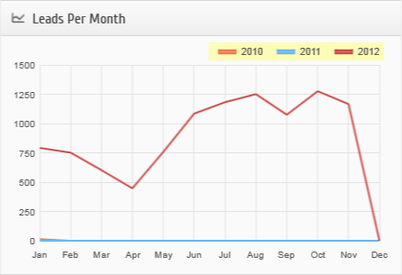 |  |  |  |  | 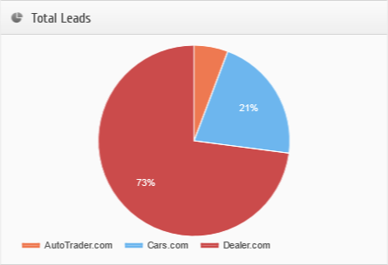
Lead Provider | Jan | Feb | Mar | Apr | May | Jun | Jul | Aug | Sep | Oct | Nov | Dec | Total YTD
AutoTrader.com
2010 Total Leads | 13 |  |  |  |  |  |  |  |  |  |  |  | 13
2012 Phone Leads | 26 | 31 | 24 | 13 | 22 | 18 | 16 | 41 | 15 | 33 | 39 |  | 278
2012 Web Leads | 30 | 24 | 18 | 8 | 15 | 17 | 25 | 50 | 41 | 38 | 51 |  | 317

2012 Total Leads | 56 | 55 | 42 | 21 | 37 | 35 | 41 | 91 | 56 | 71 | 90 |  | 595
2012 Conversion Ratio
2012 Cost
2012 Cost per lead

Cars.com
2012 Phone Leads | 173 | 159 | 124 | 84 | 182 | 212 | 219 | 247 | 172 | 191 | 180 |  | 1943
2012 Web Leads | 29 | 16 | 12 | 7 | 31 | 37 | 35 | 35 | 23 | 25 | 24 |  | 274

2012 Total Leads | 202 | 175 | 136 | 91 | 213 | 249 | 254 | 282 | 195 | 216 | 204 |  | 2217
2012 Conversion Ratio
2012 Cost
2012 Cost per lead

Dealer.com
2010 Website Unique Visitors | 1082 | 984 | 1127 | 1011 | 1079 | 1047 | 1333 | 1270 | 1087 | 1150 | 1227 | 1343 | 13740
2010 Total Leads
2011 Website Unique Visitors | 1396 | 1247 | 2824 | 1529 | 3276 | 2489 | 3070 | 3176 | 2687 | 2909 | 2799 | 4974 | 32376
2011 Total Leads
2012 Website Unique Visitors | 4173 | 3855 | 3536 | 3447 | 3872 | 4090 | 4876 | 4779 | 4584 | 4790 | 4681 |  | 46683
2012 Kelly Blue Book Leads | 64 | 24 | 61 | 41 | 48 | 42 | 56 | 50 | 47 | 64 | 58 |  | 555
2012 Phone Leads | 338 | 370 | 261 | 199 | 324 | 594 | 667 | 652 | 621 | 778 | 677 |  | 5481
2012 Web Leads | 132 | 128 | 102 | 95 | 136 | 165 | 164 | 176 | 156 | 147 | 137 |  | 1538

2012 Total Leads | 534 | 522 | 424 | 335 | 508 | 801 | 887 | 878 | 824 | 989 | 872 |  | 7574
2012 Conversion Ratio | 12.79% | 13.54% | 11.99% | 9.71% | 13.11% | 19.58% | 18.19% | 18.37% | 17.97% | 20.64% | 18.62% |  | 15.86%
2012 Cost
2012 Cost per lead

