Report
Project Report
ANLY:515-91 |  | Risk Modelling and Assessment

Student Name: |  | Dean D'souza
H.U. ID: |  | 168424

Introduction
The project aims at taking a look at some of the risks and their effects on the future landscape of the chosen company Bristol-Myers Squibb Co. (BMY).
This company belongs to the Health Care Distributors and Services Sector which plays a critical role in improving access to medicines and quality care, especially in rural areas.
It also plays a critical role in expanding economic opportunities, creating more job opportunities in the manufacturing and distributions industry.
This sector however, is considered to be quite volatile, due to the sensitivity of the business cycle to Government Policies, Regulations and the competitive nature of the landscape.

Bristol-Myers Squibb Co. is an American Pharmaceutical company, which has it's headquarters in New York City, and is known for manufacturing prescription pharmaceuticals in
several areas such as for the treatment of cancer, HIV/AIDS, cardiovascular disease, diabetes, hepatitis, etc. According to it's website, it's mission statement is to "discover, develop
and deliver innovative medicines that help patients prevail over serious diseases".

The company was formed by the merger of two separate companies, Squibb founded in 1858 and Bristol-Myers, which was founded from Clinton Pharmaceutical Company and
renamed in 1898. The two companies merged in 1989 and hence since steadily grown into a well known pharmaceuticals manufacturer.

A SWOT analysis of the company is presented as follows:

Strengths: |  |  |  | Weaknesses:
•Clinical Studies |  |  |  | •Low cost of development for new drugs
•Technology |  |  |  | •Tarnished Reputation
•Brand Name
•Innovative Culture
•Unique Products

Opportunities: |  |  |  | Threats:
•Innovation |  |  |  | •Bad Economy
•New Services |  |  |  | •Government Regulations
•New Technology
•New Products
Emerging Markets

For the purposes of this project, Bristol-Myers Squibb Co. was compared against the following companies:
­Cardinal Health Inc. (CAH)
­Agilent Technologies Inc. (A)
­Abbott Laboratories (ABT)
­Becton Dickinson (BDX)

Data and Analysis

The data was obtained from two sources, namely, marketwatch.com for income and other financial statements, and yahoo finance for the historical data of adjusted closed index stock prices
for a period of 5 years ranging from January 2012 to Decmber 2016.

Some Characteristics of the data are shown in the following graphs:

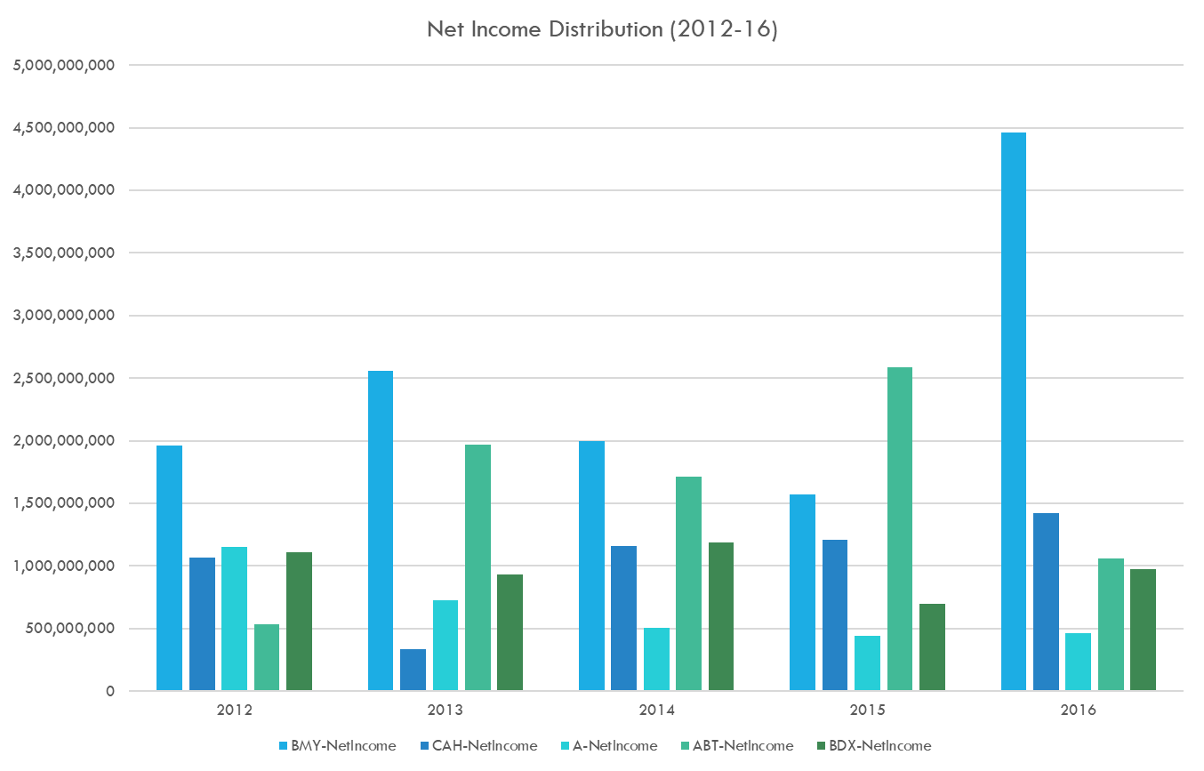

As we can see, it was only recently that Bristol-Myers Squibb had seen a sharp incease in net income, which may be due to the approval and mass manufacturing of some of it's latest drugs.

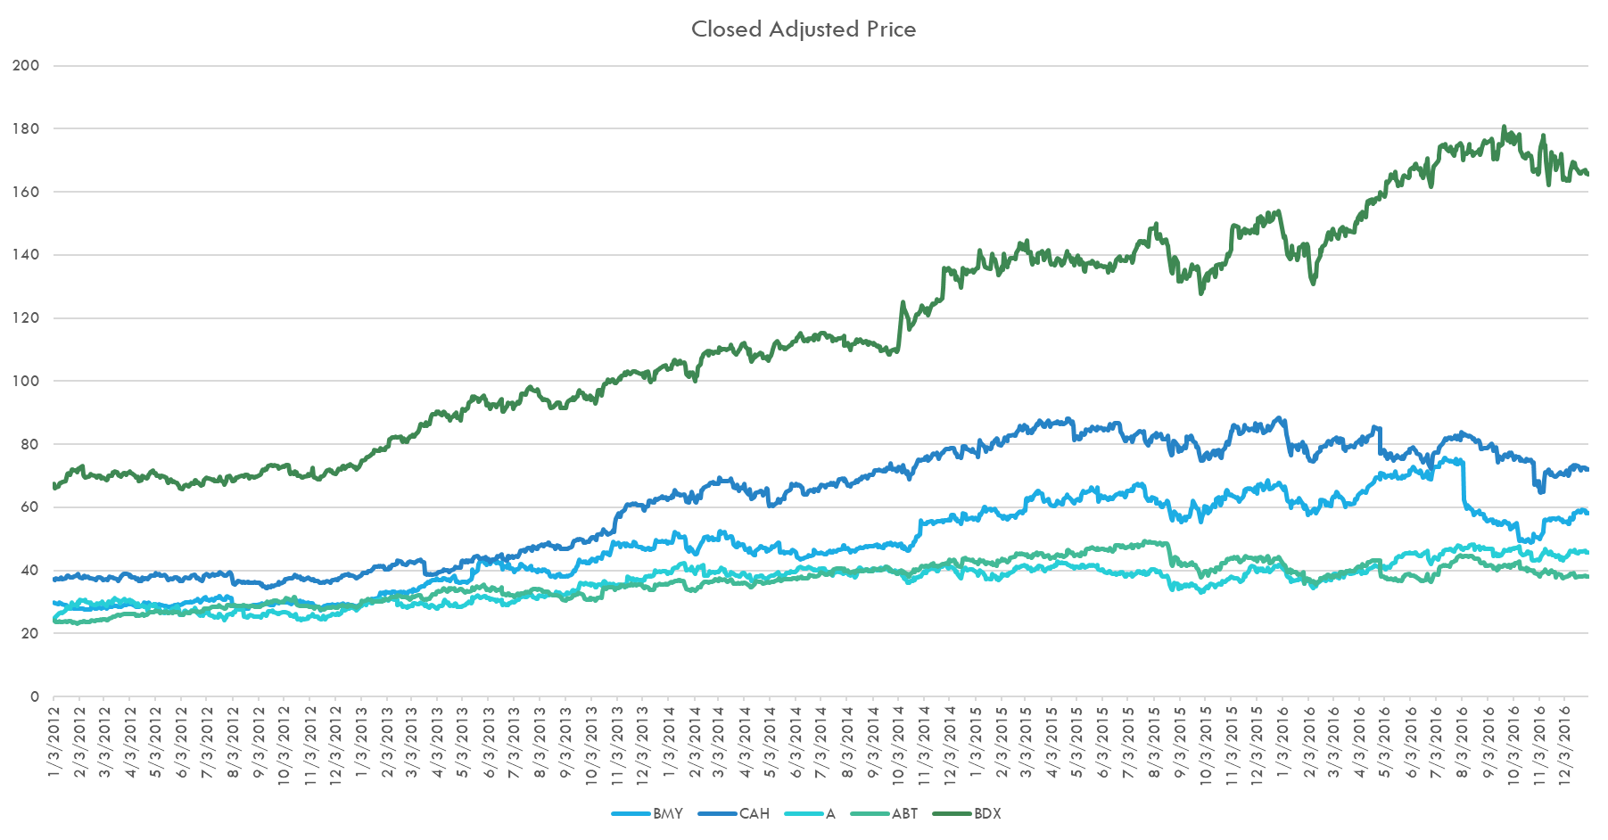

However, in terms of stock price over the years, it seems to have seen a bit of a decline. However, this has also been the case for the competitor companies due to changes in regulations.

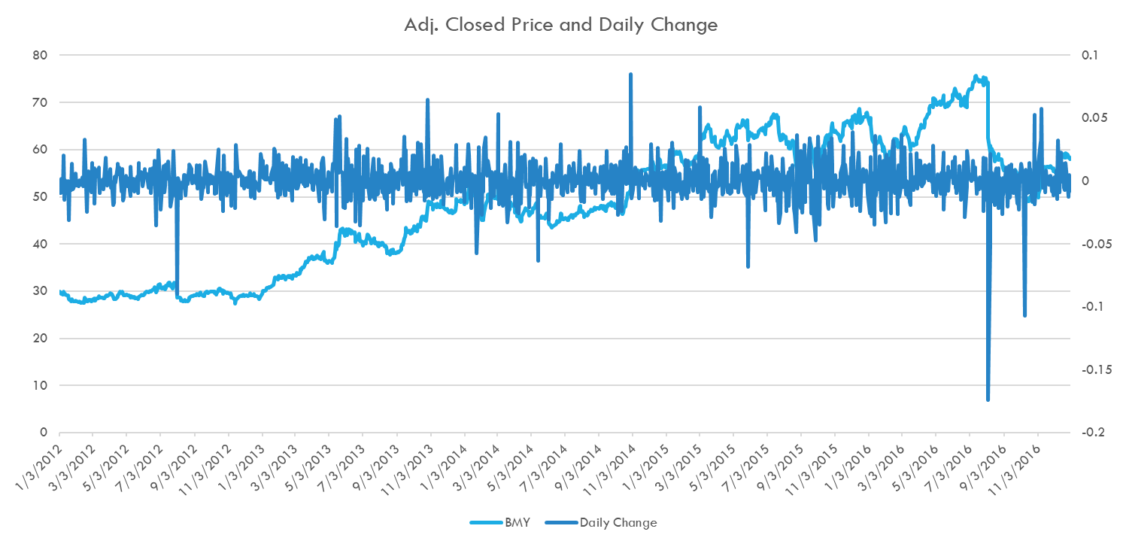

Over the years, the stock price has seen special instances of sudden declines when it came to Bristol-Myers Squibb Co.'s stock price due to failure of some of their studies such as the failure
of the Opvido drug in certain clinical trials during august 2016. The trials conducted were meant to prove that Opvido could be used to treat lung cancer patients but the study proved otherwise.

Pro Forma Financial Income Statements Simulation Results

The Pro Forma Financial Statements for the various companies were simulated with a Mont Carlo simulation in ModelRisk where the key uncertainties were the values of beta, the amount of
revenue that went into research and development, the annual cost decrease and the terminal growth rate. These were modeled using the PERT probability distribution and opinions of experts
from nasdaq, yahoo finance and google finance.

The resulting plots describe the results:

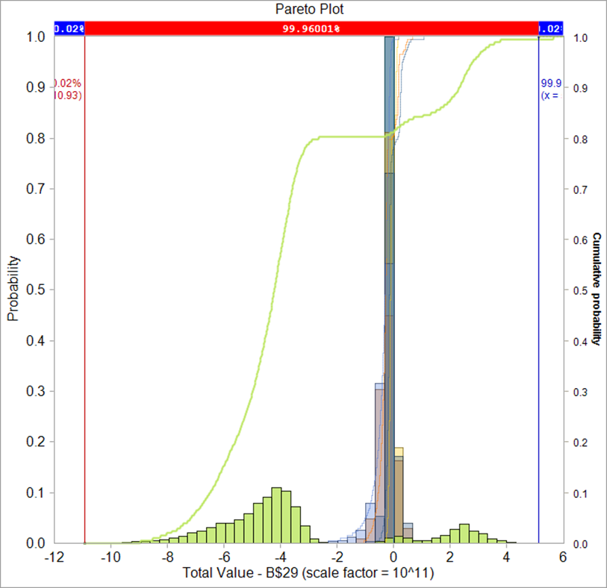
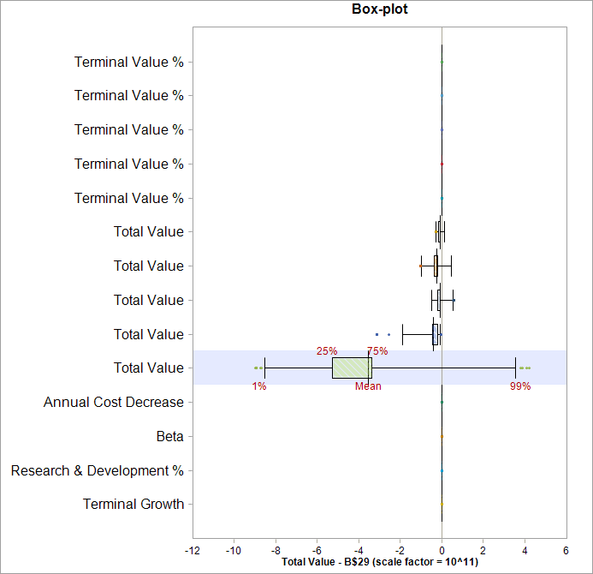

As we can see, from the simulation for the next ten years, many of the companies seem to be exhibiting a negative trend, which leads us to believe that future sales may be go down if more
effort is not put in certain projects. In particular for Bristol-Myers at this time is that it needs to increase revenue by focusing more on development of some of it's newer drugs like the
development of it's new drug BMS-986036.

Some key influences on the pro forma financial statement can be seen from the following tornado chart:
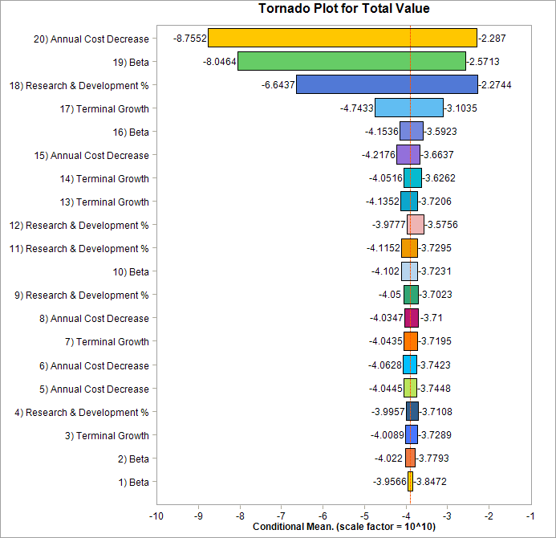

Annual Cost decrease for Becton Dickinson seemed to have had the most effect on it’s pro forma financial statement simulation.

Results of VaR and CVaR analysis

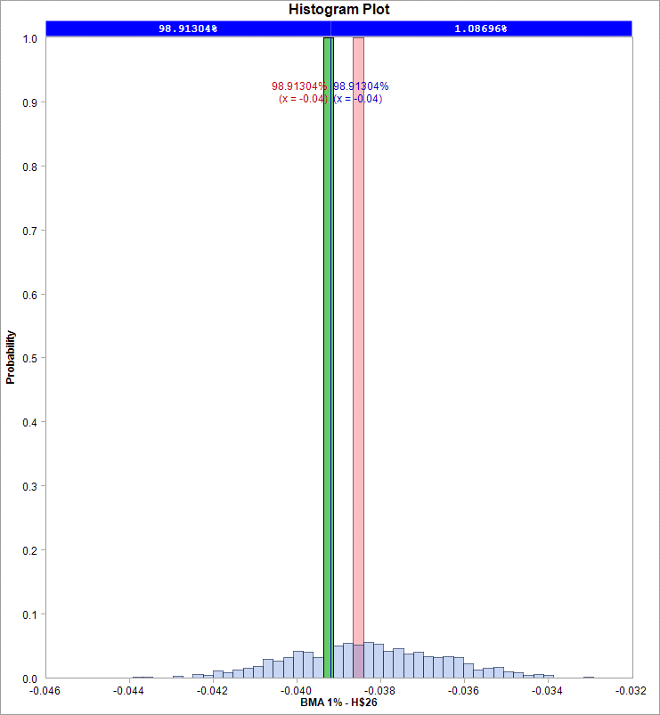
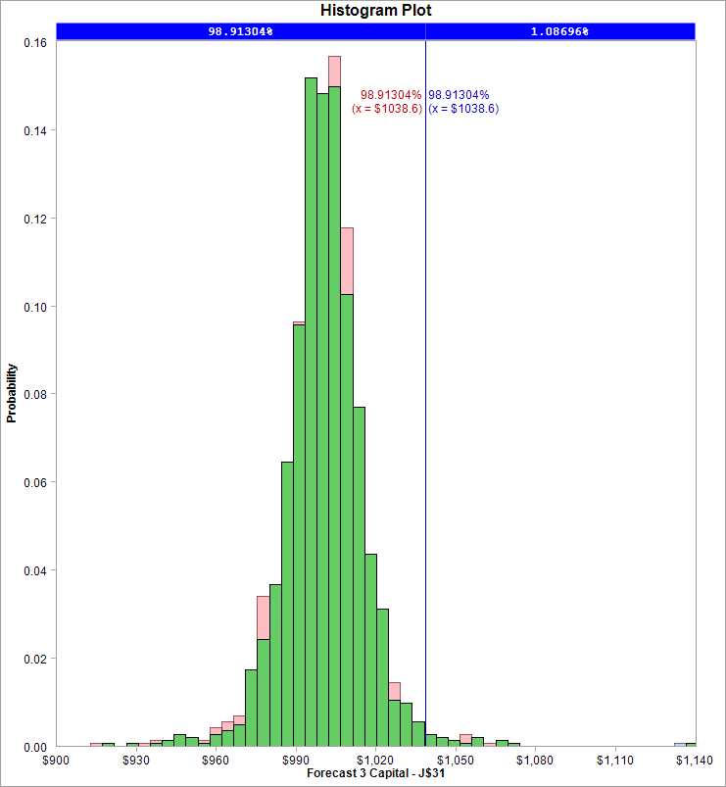

After fitting the best fitting probability distributions based on the best SIC and HQIC, it was found that for the 1st, 2nd and Bayesian Model Averaging of the models for Bristol-Myers Squibb Co., the 1%
VaR and CVaR indicated that there was a larger probability towards future loses with forecasted values confirming the same.

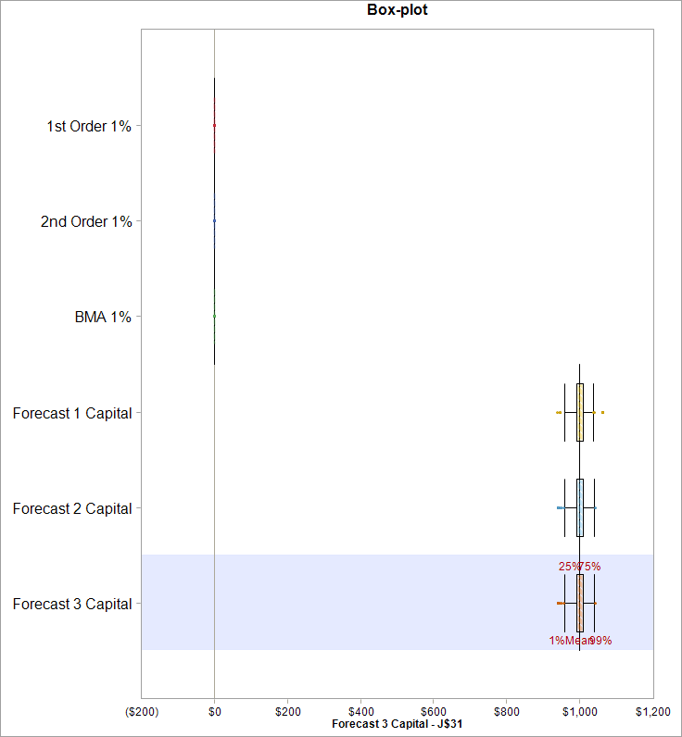

The models further did not show any significant difference in standard deviations and variance when forecasting based on the three methods.

Copula Results

The stock prices of all the competitors and Bristol-Myers Squibb Co. were then compared and fit to a copula distribution to estimate the level of correlation between them.
After a copula was fit (The T Copula), further simulation was carried out the get an idea of furure values. The results of 100 simulated points are as follows:

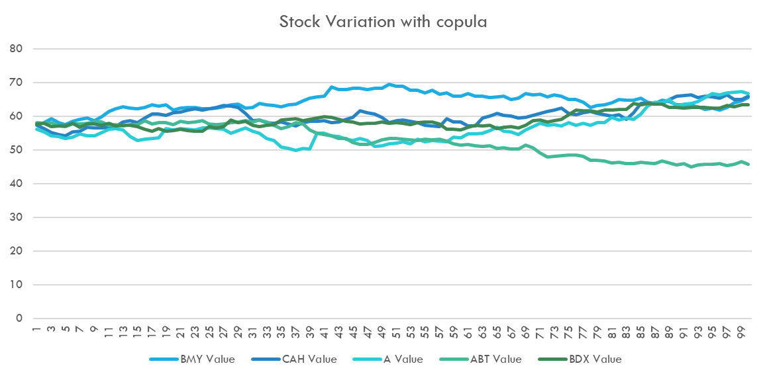

Time Series Fit Results

Time series models were then fit to all of the companies stock prices to see if a better orecast of future stock values could be made. Based on different models, the following graphs for each
company was constructed:

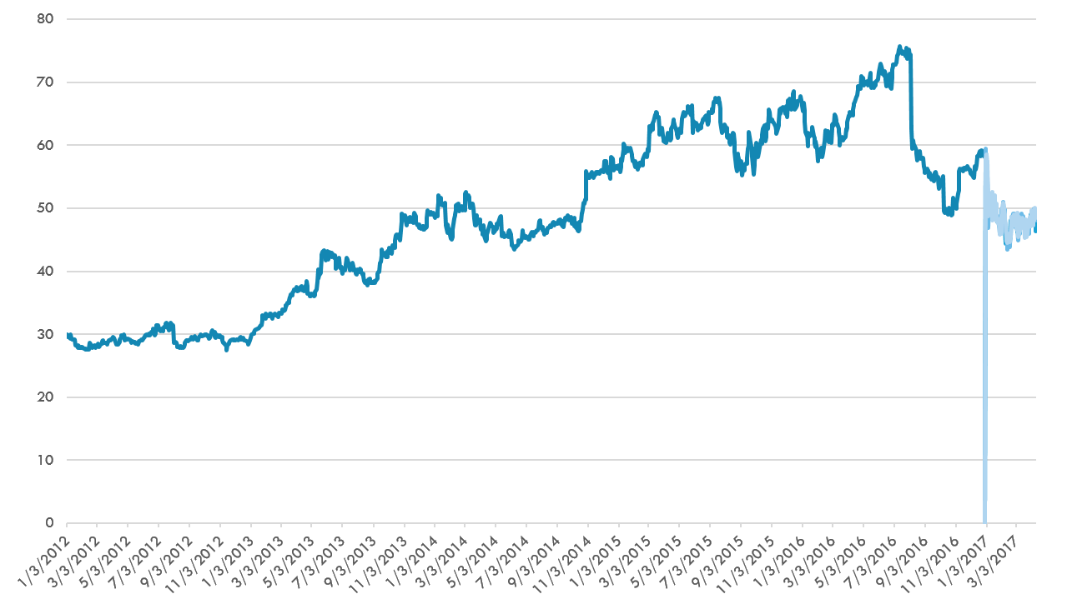
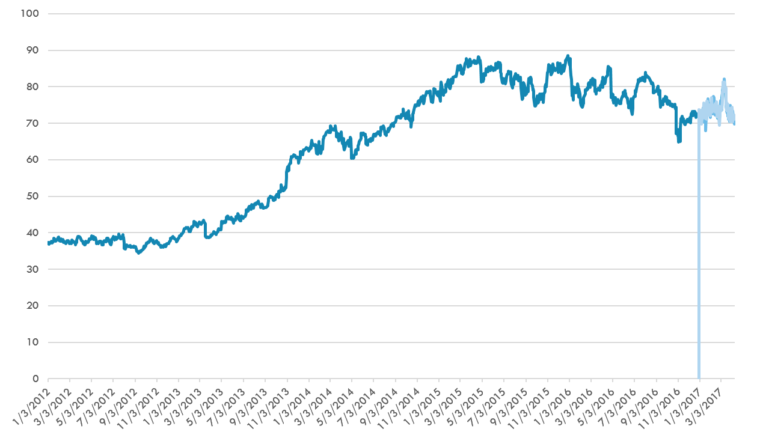

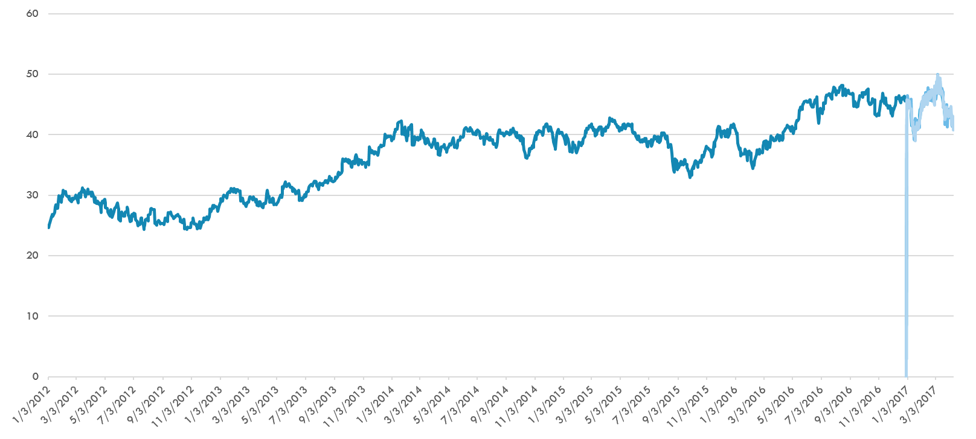
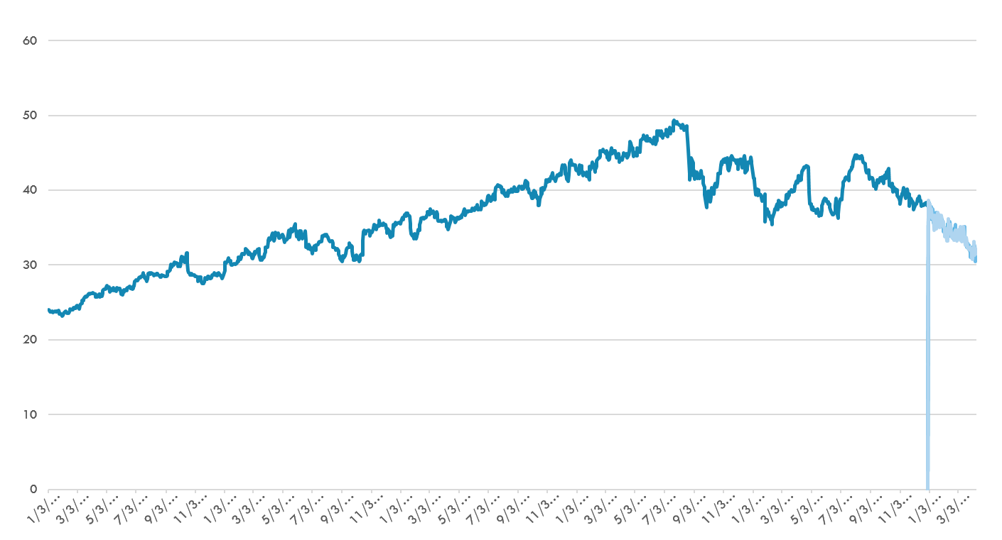

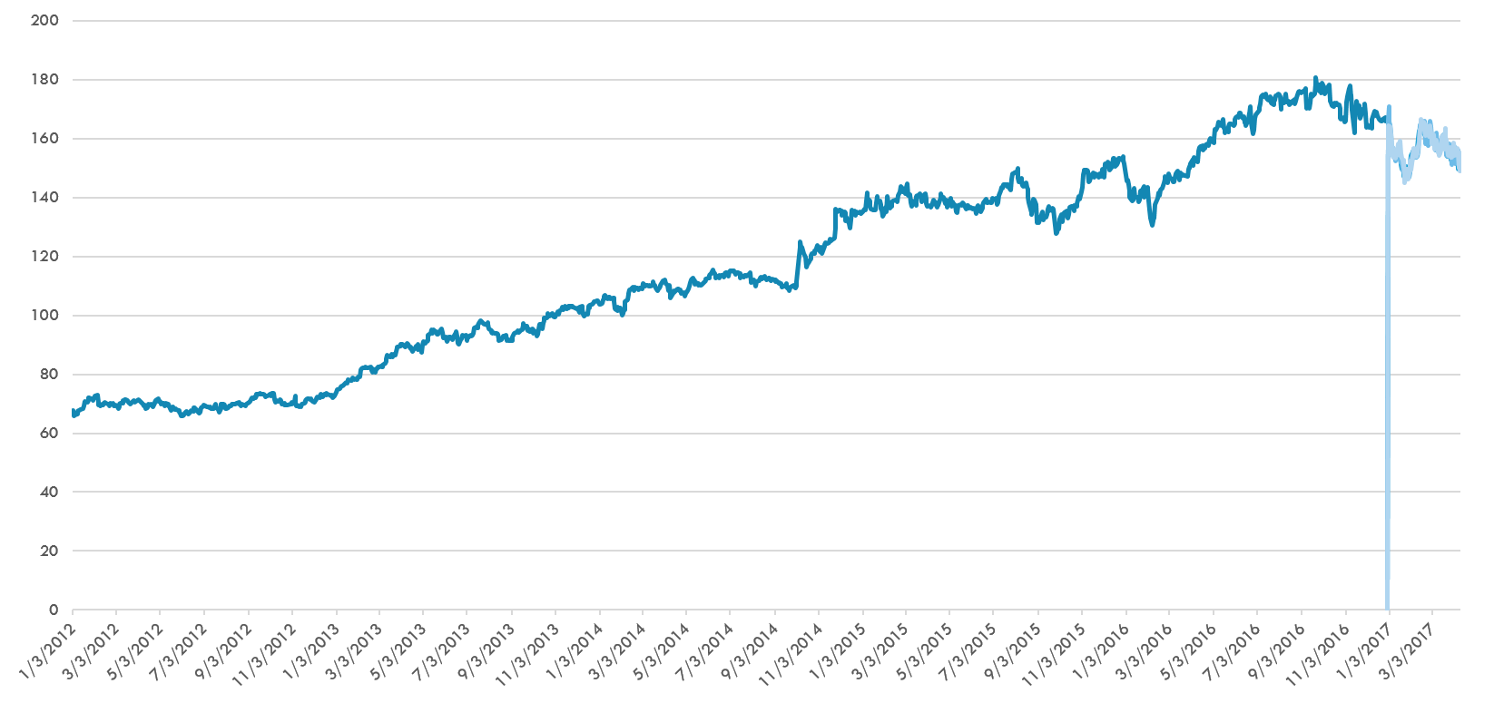

As we can see from the above graphs, most of the stock prices seem to show a steadier rise and fall, while Bristol-Myers Squibb Co. shows significant variation which may be due to the modelling of
historic data which should have been left out to capture the true trend.

Markowitz Model and Optimization

Finally, a Markowitz model was created and two methods were used:
1. Using Solver to create the Efficient Frontier Graph
2. Using ModelRisks OptQuest and simulations using the mean daily change which was then converted to annualized daily returns.

The results of using solver is as follows:

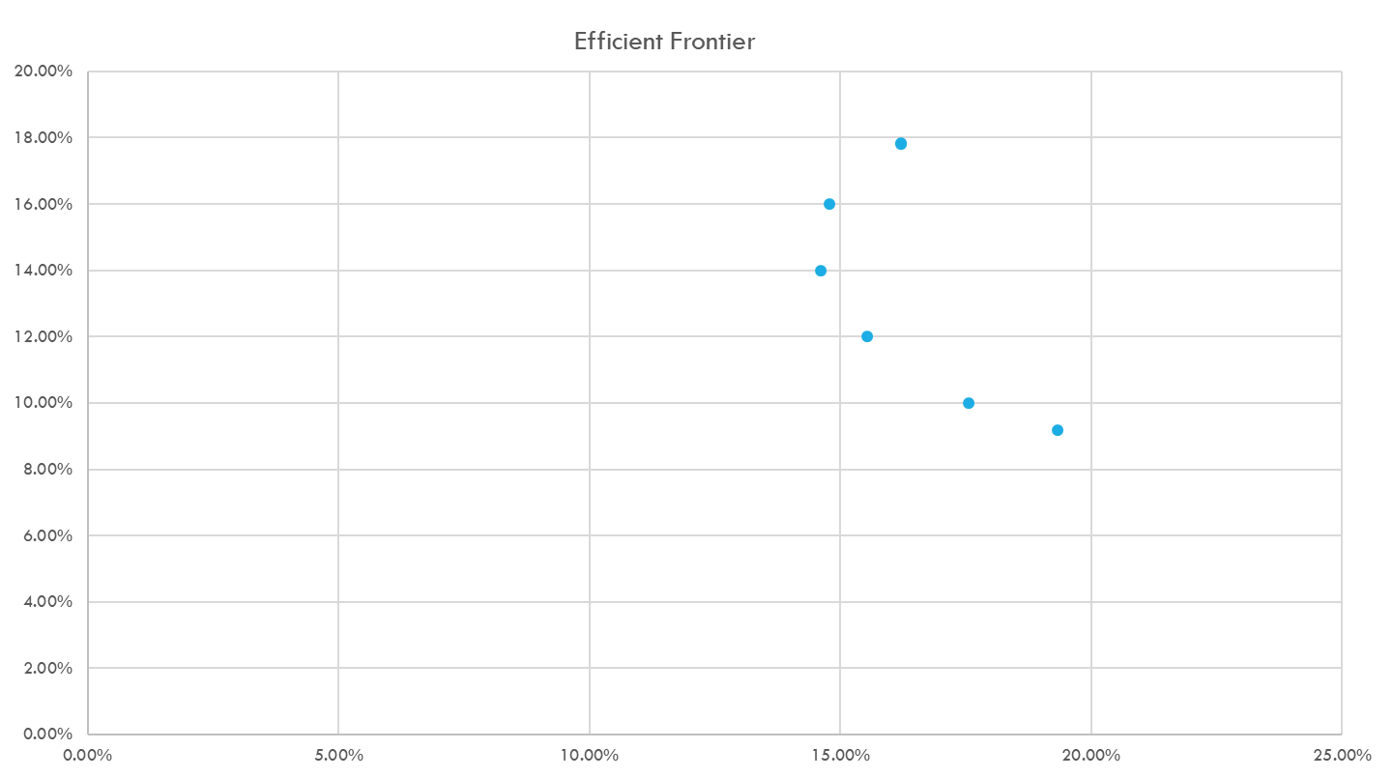

Using OptQuest the recommendations for Investments are as follows:

Agilent | Abott Laboratories | Becton Dickinson | Bristol-Myers Squibb Co. | Cardinal Health
20.00% | 20.00% | 20.00% | 20.00% | 20.00%
0.00% | 25.00% | 25.00% | 25.00% | 25.00%
16.00% | 21.00% | 21.00% | 21.00% | 21.00%

Conclusion

Based on the simulations for net income statements, distribution fitting, Time Series Distribution Fitting and the Markowitz model, we have estimated that Bristol-myers Squibb Co. is doing
as well as it's competitors but may suffer in the future due to failures in the drugs produced. Opvido provides a good example for this. Additionally, a better estimate may be obtained by filtering out
the occurrence of such failure to better understand the trends in the Time Series models.

Based on the Markowitz model and an investment of $1000, the following weightage for investment would be best:

Agilent | Abott Laboratories | Becton Dickinson | Bristol-Myers Squibb Co. | Cardinal Health
16.00% | 21.00% | 21.00% | 21.00% | 21.00%

