All
Date | BMY | CAH | A | ABT | BDX
2016-12-30 | 58.056624 | 71.970001 | 45.560001 | 38.163485 | 165.550003
2016-12-29 | 58.513609 | 72.349998 | 45.639999 | 38.064128 | 166.149994
2016-12-28 | 58.22551 | 72.101005 | 45.588002 | 37.974706 | 165.869995
2016-12-27 | 58.940788 | 72.617783 | 46.375718 | 38.352264 | 167.059998
2016-12-23 | 59.21895 | 72.428957 | 46.066615 | 38.173419 | 166.479996
2016-12-22 | 58.374524 | 71.663726 | 45.83728 | 38.044256 | 165.910004
2016-12-21 | 58.304984 | 72.170571 | 45.907077 | 37.994578 | 165.970001
2016-12-20 | 58.732163 | 72.896049 | 46.076585 | 37.944896 | 166.149994
2016-12-19 | 59.030194 | 73.243882 | 45.298838 | 38.093934 | 166.740005
2016-12-16 | 58.235443 | 73.303516 | 45.777452 | 37.855473 | 167.75
2016-12-15 | 58.265249 | 72.548217 | 46.425577 | 38.680148 | 169.190002
2016-12-14 | 58.116231 | 72.021498 | 46.006787 | 38.570853 | 167.75
2016-12-13 | 56.794955 | 73.293575 | 46.256065 | 39.186873 | 168.119995
2016-12-12 | 56.179023 | 73.02525 | 46.006787 | 38.948416 | 169.399994
2016-12-09 | 56.66581 | 72.58797 | 46.166325 | 38.948416 | 166.509995
2016-12-08 | 54.867683 | 70.669914 | 45.667769 | 38.431752 | 163.639999
2016-12-07 | 54.877619 | 70.063689 | 44.86011 | 38.233035 | 163.990005
2016-12-06 | 55.662434 | 70.977993 | 44.710541 | 38.173419 | 164.020001
2016-12-05 | 55.185583 | 71.653785 | 44.401435 | 38.183357 | 163.681511
2016-12-02 | 55.592893 | 70.391648 | 43.902878 | 37.65676 | 164.796544
2016-12-01 | 55.433943 | 70.491028 | 43.085246 | 37.358682 | 163.890572
2016-11-30 | 56.069744 | 70.570535 | 43.853024 | 37.825667 | 168.350732
2016-11-29 | 55.990271 | 70.550654 | 44.35158 | 38.481431 | 171.964638
2016-11-28 | 56.139284 | 71.127067 | 43.47412 | 38.491369 | 169.555363
2016-11-25 | 56.606202 | 70.669914 | 44.760396 | 38.908671 | 169.933684
2016-11-23 | 56.377712 | 70.113382 | 44.521091 | 38.729826 | 167.733469
2016-11-22 | 56.179023 | 69.695976 | 44.331637 | 37.855473 | 166.927061
2016-11-21 | 56.357842 | 69.815236 | 44.840167 | 39.504819 | 171.307574
2016-11-18 | 56.387644 | 70.332015 | 44.909965 | 39.584307 | 171.098498
2016-11-17 | 56.308171 | 71.196633 | 45.807364 | 40.130777 | 172.651583
2016-11-16 | 55.831321 | 70.391648 | 46.046673 | 39.693602 | 168.510012
2016-11-15 | 56.318104 | 70.94818 | 45.268926 | 39.554501 | 166.041005
2016-11-14 | 56.188959 | 71.902238 | 45.199128 | 38.948416 | 162.078644
2016-11-11 | 56.000203 | 70.928307 | 46.236123 | 39.882381 | 169.605144
2016-11-10 | 56.288302 | 71.27614 | 46.894217 | 40.349366 | 174.831882
2016-11-09 | 55.930663 | 68.821425 | 45.807364 | 39.812831 | 174.035423
2016-11-08 | 52.811262 | 64.94556 | 45.488288 | 39.574373 | 177.918152
2016-11-07 | 52.274804 | 65.591539 | 45.578028 | 39.60418 | 177.101778
2016-11-04 | 50.675365 | 64.766673 | 44.192042 | 38.839121 | 174.214634
2016-11-03 | 49.880614 | 64.975373 | 43.533948 | 38.133679 | 172.412641
2016-11-02 | 50.238253 | 68.23508 | 43.135101 | 38.451625 | 166.130603
2016-11-01 | 50.466744 | 66.47603 | 43.36444 | 38.799377 | 165.632818
2016-10-31 | 50.576023 | 68.264893 | 43.444207 | 38.98816 | 167.166003
2016-10-28 | 50.665433 | 67.082255 | 43.095219 | 39.286234 | 167.046524
2016-10-27 | 51.619134 | 74.33708 | 43.254757 | 40.03142 | 166.508924
2016-10-26 | 48.966651 | 73.939554 | 43.244784 | 39.703536 | 166.807597
2016-10-25 | 49.224944 | 74.4464 | 43.384379 | 39.93206 | 170.222392
2016-10-24 | 48.907044 | 75.142065 | 45.717624 | 40.150649 | 171.397171
2016-10-21 | 49.691862 | 74.684912 | 45.438433 | 40.240071 | 171.556466
2016-10-20 | 50.029632 | 75.112252 | 45.917047 | 40.478533 | 172.263312
2016-10-19 | 49.542844 | 74.744539 | 45.887135 | 39.753215 | 171.456903
2016-10-18 | 49.721664 | 75.261325 | 45.308807 | 40.90577 | 172.02437
2016-10-17 | 49.016323 | 74.496086 | 45.019648 | 40.329494 | 170.779908
2016-10-14 | 49.443502 | 74.804165 | 44.94985 | 40.528211 | 171.16818
2016-10-13 | 49.91042 | 74.873731 | 45.029617 | 40.71699 | 172.094067
2016-10-12 | 49.681925 | 75.320951 | 45.338723 | 40.71699 | 172.701364
2016-10-11 | 49.224944 | 74.853859 | 45.558086 | 40.637502 | 173.199149
2016-10-10 | 49.48324 | 75.996743 | 47.552311 | 42.947798 | 178.396021
2016-10-07 | 55.066371 | 75.927176 | 47.243209 | 42.424527 | 176.613943
2016-10-06 | 54.688863 | 76.235255 | 47.163438 | 42.424527 | 176.325235
2016-10-05 | 54.43057 | 75.41039 | 47.013873 | 42.197447 | 175.867267
2016-10-04 | 54.470306 | 75.221571 | 46.694798 | 41.565568 | 175.2998
2016-10-03 | 53.927675 | 75.320951 | 47.0039 | 42.009857 | 177.619478
2016-09-30 | 53.197588 | 77.219126 | 46.954045 | 41.753159 | 178.933621
2016-09-29 | 53.148259 | 76.424082 | 46.161339 | 40.913947 | 175.658206
2016-09-28 | 54.351915 | 77.329445 | 46.927214 | 41.753159 | 178.376105
2016-09-27 | 54.993208 | 77.210869 | 46.449786 | 41.792652 | 178.176994
2016-09-26 | 54.736689 | 75.965849 | 46.320481 | 41.150902 | 176.225672
2016-09-23 | 55.723291 | 76.73658 | 46.360268 | 41.654426 | 178.704645
2016-09-22 | 55.664094 | 76.637763 | 46.419944 | 41.684048 | 180.745564
2016-09-21 | 55.180661 | 75.936207 | 45.793322 | 41.387853 | 178.585181
2016-09-20 | 54.815619 | 75.05679 | 45.465089 | 41.052173 | 175.11064
2016-09-19 | 54.34205 | 75.659537 | 44.709162 | 41.150902 | 174.881663
2016-09-16 | 54.85508 | 76.084425 | 44.55002 | 41.338489 | 174.423695
2016-09-15 | 55.220126 | 75.689179 | 45.196535 | 40.598009 | 175.240068
2016-09-14 | 54.490038 | 74.365116 | 44.619644 | 40.291947 | 172.034335
2016-09-13 | 54.85508 | 77.16146 | 44.659431 | 40.124103 | 170.341871
2016-09-12 | 55.565435 | 79.028994 | 45.504875 | 40.8942 | 172.522154
2016-09-09 | 54.914278 | 77.8729 | 44.639538 | 40.489405 | 170.242308
2016-09-08 | 56.048872 | 79.75031 | 46.768071 | 41.318742 | 175.867267
2016-09-07 | 55.812085 | 80.194963 | 46.857589 | 41.36811 | 176.972349
2016-09-06 | 56.19686 | 79.849119 | 46.698446 | 41.624808 | 176.43475
2016-09-02 | 55.595032 | 78.781967 | 46.748178 | 41.555697 | 175.879302
2016-09-01 | 55.999538 | 78.752317 | 46.738233 | 41.76303 | 175.581737
2016-08-31 | 56.621099 | 78.722675 | 46.728284 | 41.486586 | 175.770195
2016-08-30 | 56.473111 | 78.772083 | 46.887427 | 42.286305 | 176.285959
2016-08-29 | 57.972743 | 78.821484 | 47.364855 | 42.700972 | 175.809864
2016-08-26 | 57.982611 | 78.40648 | 47.066463 | 42.434399 | 174.044327
2016-08-25 | 57.972743 | 78.416363 | 47.006783 | 42.296176 | 172.725131
2016-08-24 | 57.805022 | 80.115913 | 46.449786 | 42.621985 | 171.842363
2016-08-23 | 59.058008 | 81.04473 | 47.563784 | 43.342722 | 173.488879
2016-08-22 | 58.466044 | 81.17319 | 47.325072 | 43.609291 | 173.042539
2016-08-19 | 58.495645 | 80.748302 | 47.364855 | 43.678406 | 172.437494
2016-08-18 | 57.893817 | 81.439976 | 46.469679 | 43.796881 | 172.288704
2016-08-17 | 57.518907 | 81.795696 | 48.170516 | 44.112819 | 171.703501
2016-08-16 | 58.614036 | 81.696886 | 48.021318 | 44.34977 | 171.376181
2016-08-15 | 59.225728 | 82.200824 | 48.180461 | 44.576854 | 172.79457
2016-08-12 | 59.817692 | 82.605945 | 47.882069 | 44.46825 | 172.566428
2016-08-11 | 60.153137 | 82.615828 | 47.872124 | 44.478121 | 175.274258
2016-08-10 | 59.768362 | 82.556544 | 47.255443 | 44.24117 | 173.54839
2016-08-09 | 60.784561 | 82.803572 | 47.195767 | 44.507743 | 172.735045
2016-08-08 | 59.492111 | 82.783805 | 46.976945 | 44.448503 | 172.110174
2016-08-05 | 62.432185 | 83.35691 | 47.235554 | 44.685454 | 172.318459
2016-08-04 | 74.310876 | 82.586186 | 46.57909 | 44.24117 | 170.136337
2016-08-03 | 73.797847 | 83.63358 | 46.837696 | 44.379392 | 174.351806
2016-08-02 | 74.044497 | 83.910249 | 46.927214 | 44.497868 | 174.996519
2016-08-01 | 75.169223 | 81.4301 | 47.613515 | 44.715076 | 175.343681
2016-07-29 | 73.807707 | 82.605945 | 47.852231 | 44.18193 | 174.57002
2016-07-28 | 73.659723 | 81.57831 | 47.255443 | 43.885739 | 174.530351
2016-07-27 | 75.44547 | 82.349035 | 47.006783 | 43.115638 | 173.111962
2016-07-26 | 74.054358 | 82.64547 | 46.698446 | 43.046527 | 173.6079
2016-07-25 | 74.547659 | 81.874746 | 45.892785 | 42.85894 | 171.376181
2016-07-22 | 74.666054 | 82.003198 | 46.33043 | 42.621985 | 172.258949
2016-07-21 | 74.488465 | 81.627719 | 46.419944 | 42.493638 | 173.439283
2016-07-20 | 74.705519 | 82.299634 | 46.758122 | 42.10859 | 174.351806
2016-07-19 | 74.458868 | 81.835221 | 46.728284 | 41.269378 | 173.102049
2016-07-18 | 74.942301 | 82.220583 | 46.549249 | 41.555697 | 172.983013
2016-07-15 | 74.981766 | 81.380692 | 46.419944 | 41.565568 | 173.657496
2016-07-14 | 75.741447 | 81.983439 | 46.549249 | 41.743284 | 175.095712
2016-07-13 | 75.553997 | 81.301641 | 46.161339 | 41.437221 | 174.51051
2016-07-12 | 75.179084 | 80.797703 | 46.280695 | 41.674174 | 174.272454
2016-07-11 | 74.379938 | 80.096146 | 45.156752 | 41.33073 | 174.917182
2016-07-08 | 74.271411 | 79.424232 | 45.236321 | 41.105041 | 174.212944
2016-07-07 | 73.087492 | 78.495414 | 44.181999 | 40.584973 | 171.763011
2016-07-06 | 72.870438 | 79.03887 | 44.231734 | 40.064906 | 170.671958
2016-07-05 | 72.791508 | 77.299802 | 43.515591 | 38.70095 | 169.818945
2016-07-01 | 72.791508 | 77.359087 | 44.361035 | 38.799078 | 168.261693
2016-06-30 | 72.564594 | 77.082417 | 44.122323 | 38.573388 | 168.212097
2016-06-29 | 72.02196 | 76.370977 | 43.411154 | 37.847253 | 166.803636
2016-06-28 | 70.670317 | 74.08943 | 42.766338 | 36.856181 | 162.74687
2016-06-27 | 69.011755 | 72.380356 | 41.923112 | 36.257611 | 161.685557
2016-06-24 | 69.296361 | 73.892987 | 43.768285 | 37.199621 | 165.355507
2016-06-23 | 71.288593 | 76.731625 | 46.307878 | 38.887392 | 170.790978
2016-06-22 | 70.964731 | 75.670817 | 45.663059 | 38.01407 | 168.589014
2016-06-21 | 69.924454 | 75.523481 | 45.792023 | 37.022993 | 168.638611
2016-06-20 | 69.639848 | 75.120772 | 45.772182 | 37.042619 | 166.664774
2016-06-17 | 69.355242 | 74.16801 | 44.998401 | 36.689364 | 164.442968
2016-06-16 | 70.395527 | 75.179703 | 45.00832 | 36.797304 | 165.940709
2016-06-15 | 71.219896 | 75.317214 | 44.581748 | 36.728616 | 165.405088
2016-06-14 | 71.740034 | 76.544999 | 44.551988 | 36.954305 | 167.636807
2016-06-13 | 70.876409 | 76.810197 | 44.561907 | 37.150558 | 166.982181
2016-06-10 | 71.298409 | 77.134334 | 44.998401 | 37.68044 | 167.914531
2016-06-09 | 71.376923 | 77.880829 | 45.722582 | 38.141631 | 168.846896
2016-06-08 | 72.044272 | 78.244256 | 45.782105 | 38.180882 | 168.757631
2016-06-07 | 72.53497 | 78.57821 | 45.385292 | 38.200508 | 167.249977
2016-06-06 | 72.907898 | 78.990744 | 45.494416 | 38.436009 | 167.944294
2016-06-03 | 71.533942 | 78.371943 | 45.355532 | 38.445823 | 167.203277
2016-06-02 | 71.641896 | 78.470164 | 45.534098 | 38.789263 | 166.729029
2016-06-01 | 70.532922 | 77.32096 | 45.583698 | 38.759827 | 165.039502
2016-05-31 | 70.366079 | 77.546868 | 45.524175 | 38.887392 | 164.456571
2016-05-27 | 69.983335 | 76.76109 | 45.454733 | 38.563574 | 164.990113
2016-05-26 | 69.414131 | 75.916374 | 45.147203 | 38.161256 | 165.187714
2016-05-25 | 69.374874 | 75.366329 | 45.057921 | 37.955192 | 164.999987
2016-05-24 | 69.904829 | 76.083351 | 44.67103 | 37.268309 | 164.081133
2016-05-23 | 69.090269 | 75.376146 | 44.214698 | 36.669739 | 162.184113
2016-05-20 | 69.45338 | 76.034244 | 44.532147 | 36.895428 | 163.02394
2016-05-19 | 69.021571 | 75.955664 | 44.20478 | 36.542177 | 161.976637
2016-05-18 | 69.767427 | 76.446778 | 43.966691 | 37.042619 | 163.468547
2016-05-17 | 69.885197 | 75.729748 | 44.055974 | 37.003368 | 163.448783
2016-05-16 | 71.475061 | 76.014595 | 42.597691 | 37.53325 | 166.551192
2016-05-13 | 69.855756 | 74.894856 | 42.280242 | 36.895428 | 164.298484
2016-05-12 | 69.953894 | 75.631527 | 42.389366 | 37.287934 | 165.148185
2016-05-11 | 69.492637 | 75.592237 | 42.121518 | 37.297745 | 165.049392
2016-05-10 | 70.199243 | 77.075403 | 41.665186 | 37.386059 | 165.632322
2016-05-09 | 70.012776 | 77.075403 | 41.000529 | 37.268309 | 163.992199
2016-05-06 | 69.895013 | 75.484191 | 41.09973 | 37.258498 | 162.865852
2016-05-05 | 69.826316 | 77.153983 | 40.633476 | 37.778565 | 163.231431
2016-05-04 | 69.463196 | 76.132465 | 40.196985 | 37.386059 | 159.664665
2016-05-03 | 69.806683 | 77.831715 | 40.911246 | 37.827627 | 158.508663
2016-05-02 | 70.621244 | 78.087096 | 41.377497 | 38.122005 | 158.973036
2016-04-29 | 70.837152 | 77.065578 | 40.593794 | 38.171071 | 159.328725
2016-04-28 | 70.915666 | 77.114693 | 40.851723 | 39.662585 | 159.990699
2016-04-27 | 68.923433 | 85.001979 | 41.248536 | 43.00869 | 159.516452
2016-04-26 | 69.54171 | 85.041269 | 40.990606 | 43.057753 | 157.639213
2016-04-25 | 69.315986 | 84.815354 | 41.298137 | 43.185314 | 158.340701
2016-04-22 | 69.365058 | 85.365406 | 41.46678 | 43.254006 | 157.965262
2016-04-21 | 68.854736 | 85.277002 | 41.595744 | 43.057753 | 156.829026
2016-04-20 | 67.942037 | 85.650246 | 41.189013 | 43.146066 | 156.819151
2016-04-19 | 67.627991 | 84.068859 | 41.069971 | 43.028312 | 156.097898
2016-04-18 | 67.578918 | 83.06699 | 40.980688 | 43.126441 | 157.570044
2016-04-15 | 66.78399 | 82.752677 | 40.583875 | 42.596559 | 157.243994
2016-04-14 | 66.607338 | 82.418723 | 40.45491 | 42.694683 | 156.2955
2016-04-13 | 66.312917 | 82.379433 | 40.365628 | 42.537682 | 157.076032
2016-04-12 | 65.596494 | 81.09271 | 39.433122 | 41.762487 | 155.781723
2016-04-11 | 64.752501 | 80.739108 | 39.095833 | 41.430883 | 152.066759
2016-04-08 | 64.840823 | 81.524893 | 39.224797 | 41.323599 | 152.788012
2016-04-07 | 65.046915 | 82.271388 | 39.155356 | 41.557674 | 153.17334
2016-04-06 | 65.30208 | 82.566052 | 39.919218 | 41.986806 | 153.558669
2016-04-05 | 64.536593 | 79.864926 | 38.947027 | 41.001751 | 151.02933
2016-04-04 | 64.742685 | 81.65258 | 39.691048 | 41.274835 | 153.064657
2016-04-01 | 63.702408 | 80.699825 | 39.98866 | 41.148045 | 151.65179
2016-03-31 | 62.691567 | 80.493551 | 39.418238 | 40.796939 | 150.001792
2016-03-30 | 62.259751 | 80.326574 | 39.685313 | 40.621384 | 150.713156
2016-03-29 | 62.622871 | 79.985742 | 39.724881 | 40.445829 | 149.705382
2016-03-28 | 61.237537 | 78.959279 | 39.091816 | 39.8704 | 147.245197
2016-03-24 | 60.993641 | 79.653368 | 39.002791 | 39.743609 | 147.344006
2016-03-23 | 60.818035 | 79.457847 | 39.042358 | 39.772867 | 147.452689
2016-03-22 | 61.266804 | 79.340542 | 39.447916 | 40.016693 | 147.758974
2016-03-21 | 61.169246 | 79.037487 | 39.220408 | 39.753361 | 147.38352
2016-03-18 | 61.296074 | 79.047265 | 39.754555 | 39.782622 | 148.440713
2016-03-17 | 59.969276 | 77.952371 | 38.864308 | 39.294971 | 145.941014
2016-03-16 | 61.11071 | 79.281882 | 38.557666 | 39.187687 | 147.986215
2016-03-15 | 62.12532 | 78.626904 | 37.875143 | 38.914603 | 147.502078
2016-03-14 | 62.554581 | 81.735615 | 38.597233 | 39.499783 | 148.954474
2016-03-11 | 63.374069 | 81.999559 | 38.804957 | 39.372993 | 147.986215
2016-03-10 | 63.354561 | 80.474533 | 37.5685 | 38.066086 | 146.731421
2016-03-09 | 63.939911 | 81.315254 | 37.716876 | 38.309912 | 145.348193
2016-03-08 | 64.642334 | 80.85579 | 37.677309 | 38.202628 | 145.427237
2016-03-07 | 64.866715 | 82.26351 | 39.002791 | 38.212383 | 146.24728
2016-03-04 | 63.130173 | 81.637858 | 38.913766 | 38.212383 | 146.709591
2016-03-03 | 63.413094 | 81.735615 | 38.775283 | 37.861274 | 147.05387
2016-03-02 | 63.315537 | 81.295706 | 38.617017 | 38.368432 | 148.25391
2016-03-01 | 62.652138 | 81.021977 | 38.171892 | 38.35868 | 147.663721
2016-02-29 | 60.418045 | 79.86843 | 36.945325 | 37.783251 | 145.03741
2016-02-26 | 60.730232 | 81.168616 | 37.182726 | 38.543987 | 147.191579
2016-02-25 | 61.491188 | 80.816686 | 37.222294 | 38.651271 | 146.237449
2016-02-24 | 60.71072 | 80.298568 | 37.073917 | 38.23189 | 145.057087
2016-02-23 | 60.554626 | 79.379639 | 36.767275 | 37.441893 | 144.063618
2016-02-22 | 62.144833 | 79.633812 | 37.617958 | 38.192877 | 143.296366
2016-02-19 | 62.24239 | 79.017939 | 37.03435 | 37.578435 | 142.52913
2016-02-18 | 61.774109 | 79.184126 | 36.787059 | 37.36387 | 140.837271
2016-02-17 | 62.359459 | 79.164577 | 37.459691 | 37.500412 | 141.752063
2016-02-16 | 60.661941 | 77.981697 | 36.678254 | 37.051774 | 139.794618
2016-02-12 | 58.730281 | 77.082323 | 35.827571 | 36.213012 | 137.522416
2016-02-11 | 58.066883 | 75.391111 | 34.947214 | 35.442522 | 133.115723
2016-02-10 | 59.588798 | 76.46645 | 35.461577 | 36.291035 | 133.912467
2016-02-09 | 59.530262 | 74.931646 | 34.986778 | 36.086222 | 132.141916
2016-02-08 | 59.237587 | 74.452633 | 34.422954 | 36.53486 | 130.705813
2016-02-05 | 58.174198 | 74.892542 | 35.649521 | 36.486096 | 133.03703
2016-02-04 | 58.242488 | 74.882764 | 37.014566 | 37.071277 | 135.65351
2016-02-03 | 58.652233 | 75.596402 | 36.787059 | 37.081032 | 138.771641
2016-02-02 | 57.43275 | 75.987437 | 36.66836 | 36.94449 | 142.676685
2016-02-01 | 59.335144 | 78.011031 | 37.281641 | 37.500412 | 143.630815
2016-01-29 | 60.642429 | 79.545834 | 37.242078 | 36.915228 | 142.991441
2016-01-28 | 59.666843 | 77.228962 | 35.718762 | 35.803383 | 139.952003
2016-01-27 | 60.203415 | 79.917312 | 36.648576 | 39.470525 | 143.650477
2016-01-26 | 61.159489 | 80.85579 | 37.103591 | 39.16818 | 143.12915
2016-01-25 | 61.383873 | 79.379639 | 37.20251 | 38.680528 | 142.52913
2016-01-22 | 62.827744 | 79.760895 | 37.5685 | 39.04139 | 142.391421
2016-01-21 | 61.588749 | 78.284752 | 36.826626 | 38.504974 | 139.332307
2016-01-20 | 61.998493 | 78.480266 | 36.8563 | 38.973119 | 138.555239
2016-01-19 | 61.666794 | 79.751125 | 36.796952 | 39.431512 | 140.168405
2016-01-15 | 61.247291 | 79.418743 | 36.707927 | 39.538796 | 140.099543
2016-01-14 | 61.959469 | 79.946638 | 37.20251 | 40.084964 | 143.030795
2016-01-13 | 59.783912 | 76.417567 | 36.460636 | 39.285215 | 139.066735
2016-01-12 | 61.891178 | 78.099009 | 37.776224 | 40.182495 | 140.11922
2016-01-11 | 61.442409 | 77.492906 | 37.528933 | 39.474989 | 138.840488
2016-01-08 | 62.076542 | 81.98001 | 38.171892 | 39.416837 | 140.030696
2016-01-07 | 63.696015 | 83.094453 | 38.577449 | 40.260032 | 142.165189
2016-01-06 | 65.510605 | 85.284234 | 40.288705 | 41.248603 | 144.53576
2016-01-05 | 66.681305 | 87.669536 | 40.110655 | 41.597508 | 145.99154
2016-01-04 | 65.393532 | 85.978316 | 40.249137 | 41.607202 | 145.529229
2015-12-31 | 67.110566 | 87.268724 | 41.357005 | 43.526192 | 151.568765
2015-12-30 | 67.822739 | 88.510257 | 41.599349 | 43.8751 | 152.886836
2015-12-29 | 67.666647 | 88.43498 | 41.786781 | 44.408152 | 153.968844
2015-12-28 | 67.113593 | 88.084549 | 41.214628 | 43.642493 | 152.82782
2015-12-24 | 66.919542 | 87.325285 | 41.569757 | 43.710336 | 153.358993
2015-12-23 | 66.938944 | 87.266882 | 41.204765 | 43.710336 | 153.319639
2015-12-22 | 66.27916 | 86.507618 | 40.662208 | 43.109441 | 151.844182
2015-12-21 | 66.01719 | 85.709416 | 40.277486 | 42.683 | 151.076946
2015-12-18 | 65.629081 | 84.307692 | 39.557361 | 42.353476 | 150.614635
2015-12-17 | 67.220324 | 85.621804 | 40.22816 | 43.865406 | 153.358993
2015-12-16 | 68.60781 | 85.874895 | 40.869365 | 44.631064 | 153.339316
2015-12-15 | 68.13238 | 84.375831 | 40.257756 | 44.185239 | 150.781852
2015-12-14 | 66.599351 | 84.220081 | 39.705333 | 43.429274 | 150.683497
2015-12-11 | 65.609679 | 83.616566 | 39.646143 | 42.993139 | 149.198194
2015-12-10 | 66.890435 | 84.823602 | 40.691801 | 43.913868 | 151.82452
2015-12-09 | 66.521728 | 85.183769 | 40.425454 | 43.57465 | 150.368725
2015-12-08 | 67.336759 | 86.196124 | 40.612882 | 44.146471 | 152.168785
2015-12-07 | 66.793402 | 86.381069 | 40.149244 | 44.156165 | 150.45726
2015-12-04 | 67.055379 | 86.089048 | 40.543829 | 43.904174 | 151.622763
2015-12-03 | 64.474457 | 84.005935 | 39.606688 | 42.789611 | 146.843228
2015-12-02 | 65.764918 | 84.969616 | 39.873031 | 43.826641 | 148.655146
2015-12-01 | 66.230651 | 86.546555 | 40.504373 | 44.059244 | 149.526822
2015-11-30 | 65.017813 | 84.54131 | 41.254087 | 43.535882 | 147.156647
2015-11-27 | 65.832837 | 84.969616 | 41.402059 | 44.020475 | 148.175229
2015-11-25 | 66.056002 | 84.667859 | 40.780583 | 44.010785 | 147.029319
2015-11-24 | 65.80373 | 84.453706 | 40.119648 | 44.049554 | 147.450474
2015-11-23 | 65.968674 | 85.008554 | 39.488309 | 44.03986 | 147.812851
2015-11-20 | 65.80373 | 85.261637 | 38.748458 | 44.592296 | 148.106678
2015-11-19 | 64.949895 | 85.037755 | 37.979014 | 44.320925 | 146.872624
2015-11-18 | 65.599974 | 86.244791 | 38.807647 | 44.388768 | 148.420082
2015-11-17 | 63.775869 | 84.414769 | 37.860639 | 43.390506 | 147.852036
2015-11-16 | 63.08697 | 83.898858 | 36.824848 | 43.497117 | 147.685523
2015-11-13 | 62.24284 | 83.227198 | 36.272425 | 42.605463 | 145.618963
2015-11-12 | 61.825623 | 83.217462 | 36.982683 | 42.828376 | 145.37411
2015-11-11 | 62.33016 | 84.901477 | 37.150381 | 43.681261 | 148.831448
2015-11-10 | 63.116084 | 85.689943 | 37.46605 | 44.349999 | 148.978354
2015-11-09 | 63.057863 | 85.339512 | 37.406861 | 43.661877 | 149.27218
2015-11-06 | 63.504187 | 86.147451 | 37.623885 | 44.224008 | 149.360324
2015-11-05 | 63.60122 | 85.855422 | 37.78172 | 43.787873 | 149.105682
2015-11-04 | 63.669138 | 84.278491 | 37.821179 | 43.787873 | 147.900995
2015-11-03 | 64.115462 | 84.074074 | 37.752127 | 44.107702 | 143.61118
2015-11-02 | 63.795271 | 83.859921 | 38.067796 | 44.030169 | 141.828643
2015-10-30 | 63.989322 | 80.014917 | 37.249026 | 43.41958 | 139.585797
2015-10-29 | 65.30889 | 80.80339 | 37.189841 | 43.846025 | 140.281171
2015-10-28 | 65.580564 | 80.628175 | 37.012276 | 43.380812 | 139.047117
2015-10-27 | 64.814057 | 79.907841 | 36.548635 | 42.52793 | 137.852233
2015-10-26 | 62.630949 | 78.661867 | 36.331614 | 42.266249 | 137.019727
2015-10-23 | 63.222815 | 78.00968 | 36.607824 | 42.256555 | 137.333146
2015-10-22 | 61.301676 | 75.683212 | 35.601627 | 42.159638 | 135.599583
2015-10-21 | 60.651593 | 75.955768 | 35.414199 | 40.899696 | 136.88261
2015-10-20 | 61.990567 | 76.637165 | 35.828514 | 40.45387 | 136.88261
2015-10-19 | 63.145191 | 78.068082 | 35.739731 | 40.851237 | 137.068701
2015-10-16 | 62.572728 | 77.999943 | 35.29582 | 40.91908 | 136.686731
2015-10-15 | 61.728594 | 77.036262 | 35.09853 | 40.579862 | 134.248004
2015-10-14 | 60.234381 | 76.520352 | 34.575699 | 39.465299 | 132.964962
2015-10-13 | 60.486649 | 77.951277 | 35.147852 | 39.659134 | 134.091295
2015-10-12 | 60.845648 | 77.951277 | 35.502981 | 40.056502 | 135.609387
2015-10-09 | 59.613404 | 76.578755 | 35.739731 | 40.364851 | 134.923786
2015-10-08 | 58.711053 | 75.634538 | 35.522707 | 39.661429 | 134.296963
2015-10-07 | 58.749864 | 75.488532 | 35.05907 | 39.150727 | 134.414503
2015-10-06 | 58.099785 | 76.033643 | 34.427731 | 38.437667 | 131.819052
2015-10-05 | 60.12765 | 77.435367 | 34.861776 | 39.883055 | 134.16965
2015-10-02 | 60.379919 | 76.530088 | 34.20084 | 39.87342 | 132.582992
2015-10-01 | 58.264729 | 75.069962 | 33.283429 | 39.275991 | 129.468469
2015-09-30 | 57.440001 | 74.777934 | 33.865445 | 38.755654 | 129.928794
2015-09-29 | 56.838436 | 74.680593 | 33.283429 | 38.061867 | 128.195231
2015-09-28 | 55.401805 | 74.693248 | 32.918433 | 37.637888 | 127.715314
2015-09-25 | 58.08223 | 77.00804 | 33.98382 | 39.372352 | 133.346932
2015-09-24 | 59.586349 | 78.867621 | 33.983819 | 40.413029 | 135.981553
2015-09-23 | 59.5285 | 79.458427 | 34.377265 | 40.663565 | 136.412497
2015-09-22 | 59.865962 | 78.935418 | 34.475625 | 40.93337 | 135.413492
2015-09-21 | 60.473396 | 80.388218 | 35.105136 | 41.723514 | 136.245998
2015-09-18 | 62.035364 | 80.99839 | 35.15432 | 41.752425 | 135.482058
2015-09-17 | 59.962378 | 82.102517 | 35.803504 | 42.629293 | 136.921795
2015-09-16 | 59.403156 | 82.673955 | 35.921537 | 42.263127 | 136.010934
2015-09-15 | 57.937601 | 82.402767 | 35.557601 | 42.214948 | 134.355725
2015-09-14 | 57.050553 | 81.656993 | 34.967431 | 41.598247 | 133.454668
2015-09-11 | 57.098765 | 82.33497 | 35.370712 | 41.82951 | 133.180434
2015-09-10 | 56.645599 | 80.397905 | 35.272353 | 41.550068 | 132.416494
2015-09-09 | 55.951388 | 78.683598 | 34.957597 | 41.656063 | 133.102079
2015-09-08 | 56.877004 | 79.661818 | 35.616616 | 42.436574 | 135.178443
2015-09-04 | 55.247537 | 78.015315 | 34.485463 | 41.501889 | 131.554622
2015-09-03 | 56.645599 | 78.596433 | 35.164155 | 42.532932 | 133.131465
2015-09-02 | 57.474795 | 79.0807 | 34.947759 | 42.629293 | 133.316738
2015-09-01 | 56.115301 | 77.705385 | 34.180542 | 41.983685 | 131.532289
2015-08-31 | 57.33981 | 79.681185 | 35.714979 | 43.641063 | 137.509705
2015-08-28 | 58.438975 | 80.765945 | 35.911699 | 44.344485 | 139.274647
2015-08-27 | 58.641452 | 81.056507 | 36.039569 | 43.978319 | 139.391655
2015-08-26 | 57.879749 | 80.920913 | 35.036284 | 42.378757 | 136.456586
2015-08-25 | 55.806763 | 76.920869 | 33.796934 | 41.33808 | 134.194329
2015-08-24 | 56.549183 | 76.494719 | 34.111689 | 42.108953 | 134.759893
2015-08-21 | 58.882497 | 78.063737 | 35.636288 | 45.414072 | 138.387296
2015-08-20 | 60.463753 | 79.671505 | 36.895311 | 46.763098 | 140.005978
2015-08-19 | 61.823251 | 82.586784 | 37.77073 | 48.025404 | 142.863037
2015-08-18 | 61.977516 | 82.131579 | 38.380569 | 48.603558 | 143.418855
2015-08-17 | 61.196532 | 81.686048 | 38.183845 | 48.545745 | 144.901023
2015-08-14 | 60.820502 | 81.618251 | 38.016633 | 48.401204 | 144.579236
2015-08-13 | 60.184139 | 81.550454 | 37.928108 | 48.025404 | 143.925916
2015-08-12 | 60.155215 | 82.373713 | 38.252698 | 48.266302 | 144.247688
2015-08-11 | 60.415544 | 83.187277 | 38.774011 | 48.555379 | 144.901023
2015-08-10 | 61.601486 | 83.032315 | 39.806808 | 48.815549 | 146.558704
2015-08-07 | 61.13868 | 82.402767 | 39.334674 | 48.285574 | 145.21305
2015-08-06 | 61.264024 | 82.112205 | 39.462541 | 48.487928 | 146.451441
2015-08-05 | 62.729575 | 83.555316 | 40.052711 | 48.642102 | 150.030085
2015-08-04 | 62.517454 | 83.051683 | 39.954347 | 48.671009 | 148.557678
2015-08-03 | 62.999544 | 83.11948 | 40.328121 | 48.661375 | 148.635673
2015-07-31 | 63.288802 | 82.305916 | 40.278941 | 48.844456 | 148.362644
2015-07-30 | 62.151068 | 80.717515 | 40.298614 | 48.921545 | 148.216384
2015-07-29 | 62.565666 | 81.695735 | 39.737955 | 49.200987 | 148.206638
2015-07-28 | 62.343909 | 81.04682 | 39.787135 | 49.085354 | 146.14916
2015-07-27 | 61.996803 | 79.70056 | 38.9609 | 48.844456 | 142.687525
2015-07-24 | 63.616627 | 80.669093 | 38.665817 | 49.191349 | 143.63338
2015-07-23 | 65.795669 | 81.618251 | 39.590412 | 49.335889 | 144.481719
2015-07-22 | 66.885198 | 84.088012 | 39.669103 | 49.123898 | 144.325698
2015-07-21 | 66.403107 | 83.477839 | 38.921555 | 47.948315 | 143.838145
2015-07-20 | 67.463704 | 83.855566 | 39.403527 | 48.237396 | 144.471974
2015-07-17 | 66.808061 | 84.029903 | 39.295329 | 48.083221 | 144.364711
2015-07-16 | 66.894834 | 84.281716 | 39.678937 | 47.957953 | 144.315953
2015-07-15 | 66.798418 | 83.874934 | 39.472379 | 47.514702 | 143.097068
2015-07-14 | 67.550477 | 83.458465 | 39.826481 | 48.372298 | 143.565116
2015-07-13 | 67.164811 | 83.410042 | 39.305163 | 47.909774 | 142.316979
2015-07-10 | 66.788774 | 82.790182 | 38.754343 | 47.880867 | 140.678805
2015-07-09 | 65.458207 | 81.511719 | 38.282205 | 47.171235 | 138.29954
2015-07-08 | 65.313579 | 80.775632 | 38.114993 | 47.228774 | 137.626713
2015-07-07 | 65.786033 | 82.325283 | 39.137951 | 48.149375 | 139.674445
2015-07-06 | 65.082178 | 81.879759 | 38.714997 | 47.698666 | 139.09912
2015-07-02 | 65.062897 | 81.841017 | 38.931393 | 47.382207 | 139.615926
2015-07-01 | 65.246087 | 82.276853 | 38.616634 | 47.487694 | 139.654939
2015-06-30 | 63.799815 | 81.017765 | 37.94778 | 47.065753 | 138.124012
2015-06-29 | 63.253289 | 81.10493 | 38.105158 | 46.998622 | 138.250781
2015-06-26 | 64.758634 | 82.94805 | 39.364181 | 47.919226 | 138.504304
2015-06-25 | 64.087457 | 83.565122 | 39.295325 | 47.305493 | 138.37755
2015-06-24 | 64.058693 | 83.912226 | 39.432687 | 47.468514 | 138.172771
2015-06-23 | 64.557283 | 86.033417 | 38.853804 | 47.83292 | 139.60618
2015-06-22 | 64.298398 | 86.640845 | 39.05985 | 47.976762 | 139.411162
2015-06-19 | 64.04911 | 86.650489 | 38.74588 | 47.842508 | 138.29954
2015-06-18 | 63.876523 | 86.631201 | 39.148154 | 47.890455 | 137.304925
2015-06-17 | 63.569701 | 86.766185 | 38.853804 | 46.576681 | 136.281059
2015-06-16 | 63.253289 | 85.927357 | 39.040226 | 46.490374 | 135.774014
2015-06-15 | 62.725935 | 85.107802 | 38.775314 | 46.097201 | 135.130439
2015-06-12 | 62.591701 | 85.69595 | 39.089283 | 46.672575 | 136.125053
2015-06-11 | 63.138228 | 86.457649 | 39.76628 | 47.046573 | 137.353684
2015-06-10 | 62.831406 | 85.58989 | 39.75647 | 46.509554 | 136.563849
2015-06-09 | 62.39994 | 84.519661 | 39.364006 | 46.202687 | 134.49661
2015-06-08 | 62.630055 | 84.837834 | 39.197211 | 46.452015 | 136.095801
2015-06-05 | 63.473813 | 84.886045 | 39.550428 | 46.461607 | 136.544343
2015-06-04 | 63.061521 | 84.471449 | 39.776094 | 46.682167 | 136.115295
2015-06-03 | 62.994404 | 84.866758 | 40.325539 | 46.85478 | 136.493958
2015-06-02 | 63.090291 | 84.876402 | 40.335353 | 46.931495 | 136.425986
2015-06-01 | 63.742288 | 85.25243 | 40.148931 | 46.931495 | 136.726988
2015-05-29 | 61.939704 | 85.011386 | 40.413843 | 46.605449 | 136.425986
2015-05-28 | 66.302333 | 84.953537 | 40.963293 | 47.238362 | 137.319244
2015-05-27 | 65.583219 | 85.512761 | 41.807088 | 46.998622 | 137.435766
2015-05-26 | 64.720281 | 84.452162 | 41.267452 | 46.605449 | 136.202675
2015-05-22 | 65.487339 | 85.329565 | 41.69916 | 47.017802 | 137.81443
2015-05-21 | 66.053038 | 85.483837 | 41.522552 | 47.315081 | 138.27077
2015-05-20 | 66.235216 | 84.914969 | 41.807088 | 47.123288 | 137.270709
2015-05-19 | 65.458568 | 84.172557 | 41.571609 | 46.998622 | 137.30954
2015-05-18 | 65.19969 | 84.70285 | 41.826711 | 46.835601 | 137.49402
2015-05-15 | 64.854515 | 84.413601 | 41.247829 | 46.710935 | 137.367793
2015-05-14 | 64.672337 | 84.847477 | 41.257639 | 46.672575 | 136.94058
2015-05-13 | 64.6244 | 83.381933 | 41.022163 | 45.099882 | 134.82395
2015-05-12 | 64.720281 | 83.073397 | 41.120277 | 45.19578 | 135.115233
2015-05-11 | 65.305161 | 83.26623 | 41.816898 | 45.387573 | 137.464893
2015-05-08 | 64.173754 | 83.545841 | 41.69916 | 45.617721 | 137.882388
2015-05-07 | 62.371177 | 81.945306 | 41.01235 | 44.591634 | 138.649434
2015-05-06 | 62.006821 | 81.72355 | 40.806308 | 44.629994 | 136.979426
2015-05-05 | 62.351997 | 81.540354 | 40.806308 | 44.927269 | 137.872684
2015-05-04 | 62.630055 | 82.562378 | 41.149711 | 45.071114 | 139.756299
2015-05-01 | 61.997238 | 82.485249 | 41.041787 | 44.773835 | 138.057163
2015-04-30 | 61.105533 | 81.31859 | 40.590452 | 44.514916 | 136.775523
2015-04-29 | 61.642473 | 85.715237 | 41.169335 | 45.234136 | 138.047445
2015-04-28 | 61.882177 | 87.238637 | 41.38519 | 45.636901 | 139.105774
2015-04-27 | 62.476648 | 86.322665 | 41.188958 | 45.541006 | 137.911514
2015-04-24 | 63.090291 | 88.106389 | 41.68935 | 46.336941 | 140.134962
2015-04-23 | 63.282052 | 88.222093 | 41.816898 | 46.471195 | 140.154385
2015-04-22 | 63.857342 | 88.222093 | 41.905202 | 46.365709 | 140.134962
2015-04-21 | 64.058693 | 87.113289 | 42.081811 | 45.186188 | 141.338926
2015-04-20 | 63.147818 | 86.910813 | 42.376157 | 44.7163 | 140.028159
2015-04-17 | 62.658818 | 86.341953 | 42.170115 | 44.351894 | 137.416343
2015-04-16 | 61.057592 | 86.448013 | 42.31729 | 44.610814 | 138.251347
2015-04-15 | 60.817888 | 86.920457 | 42.562579 | 44.908093 | 136.717269
2015-04-14 | 61.393178 | 87.065085 | 42.258419 | 44.783427 | 137.202736
2015-04-13 | 61.316474 | 86.409445 | 42.228986 | 44.620402 | 138.309601
2015-04-10 | 61.978058 | 87.277197 | 42.729374 | 44.984808 | 139.047521
2015-04-09 | 60.846651 | 86.669769 | 41.68935 | 44.841695 | 138.367855
2015-04-08 | 60.904182 | 86.959025 | 41.463681 | 44.469605 | 137.251286
2015-04-07 | 60.405595 | 86.717981 | 41.640289 | 44.06889 | 136.620185
2015-04-06 | 60.405595 | 86.708337 | 41.139901 | 44.173839 | 137.348385
2015-04-02 | 60.626123 | 86.390157 | 41.257639 | 44.011648 | 137.12506
2015-04-01 | 60.942535 | 85.667025 | 40.610075 | 43.782667 | 137.824134
2015-03-31 | 61.489061 | 87.036153 | 40.76706 | 44.202464 | 139.416466
2015-03-30 | 62.690245 | 87.547173 | 40.933859 | 44.918023 | 141.406884
2015-03-27 | 62.213585 | 86.531887 | 40.335353 | 44.631796 | 140.3874
2015-03-26 | 61.96572 | 85.619411 | 39.834965 | 44.364656 | 139.047521
2015-03-25 | 61.679722 | 85.494548 | 39.942628 | 44.393277 | 138.464954
2015-03-24 | 62.623513 | 85.917165 | 40.216676 | 44.841695 | 140.008736
2015-03-23 | 64.425285 | 86.752807 | 41.303084 | 45.290113 | 141.270954
2015-03-20 | 64.596882 | 87.646077 | 41.31287 | 45.290113 | 140.513626
2015-03-19 | 65.130738 | 86.368603 | 41.31287 | 45.261488 | 140.717514
2015-03-18 | 65.273738 | 86.810435 | 41.224783 | 45.213785 | 140.309724
2015-03-17 | 64.463418 | 86.013221 | 40.696263 | 44.927562 | 137.435766
2015-03-16 | 64.854275 | 86.426239 | 40.921374 | 45.633582 | 138.154248
2015-03-13 | 63.748429 | 84.639699 | 40.00135 | 44.727206 | 137.727049
2015-03-12 | 63.538698 | 84.985481 | 40.226461 | 45.080215 | 138.882449
2015-03-11 | 62.53771 | 83.823264 | 39.981775 | 44.173839 | 136.892045
2015-03-10 | 62.470978 | 83.506303 | 39.766453 | 44.049808 | 138.251347
2015-03-09 | 63.262234 | 84.505229 | 40.852862 | 44.679503 | 140.989389
2015-03-06 | 62.080121 | 83.573538 | 40.647323 | 44.364656 | 140.668979
2015-03-05 | 62.966708 | 85.436912 | 41.32266 | 45.261488 | 144.572133
2015-03-04 | 62.604442 | 85.513754 | 41.107334 | 44.851234 | 143.46971
2015-03-03 | 59.029497 | 84.937453 | 41.361807 | 44.927562 | 141.438925
2015-03-02 | 59.391759 | 85.9844 | 41.792457 | 45.051593 | 143.160251
2015-02-27 | 58.076178 | 84.514828 | 41.31287 | 45.194703 | 141.883769
2015-02-26 | 58.590971 | 84.68772 | 41.459684 | 45.423683 | 143.64377
2015-02-25 | 58.362177 | 84.81259 | 41.303084 | 45.223328 | 143.227951
2015-02-24 | 58.581439 | 85.725067 | 41.16606 | 45.290113 | 143.7985
2015-02-23 | 58.428909 | 84.620485 | 40.843072 | 45.147 | 142.038499
2015-02-20 | 57.694853 | 83.621559 | 41.058398 | 45.299652 | 140.713647
2015-02-19 | 56.770132 | 82.76671 | 40.275402 | 44.469605 | 138.663532
2015-02-18 | 57.208658 | 82.814738 | 40.657112 | 44.278788 | 139.147051
2015-02-17 | 57.294457 | 82.997236 | 39.658791 | 44.278788 | 139.079366
2015-02-13 | 57.23726 | 82.680268 | 39.296656 | 43.973483 | 138.972991
2015-02-12 | 56.7034 | 82.641847 | 39.169418 | 43.143436 | 138.276723
2015-02-11 | 56.541338 | 82.689868 | 38.494084 | 42.866752 | 137.154956
2015-02-10 | 57.037064 | 81.758184 | 38.826854 | 42.85721 | 137.135611
2015-02-09 | 56.102808 | 80.893728 | 38.210247 | 42.47558 | 136.303958
2015-02-06 | 56.88453 | 82.094359 | 38.50387 | 43.410577 | 138.595847
2015-02-05 | 57.418389 | 81.095433 | 38.68983 | 43.55369 | 140.500898
2015-02-04 | 56.474606 | 80.557553 | 38.278759 | 43.095729 | 135.30791
2015-02-03 | 57.065662 | 80.125321 | 38.777918 | 43.725425 | 136.574727
2015-02-02 | 57.418389 | 79.54902 | 37.867684 | 43.152975 | 134.921101
2015-01-30 | 57.456523 | 79.904409 | 36.967239 | 42.704557 | 133.528564
2015-01-29 | 58.285909 | 81.470029 | 37.642572 | 43.181597 | 135.685054
2015-01-28 | 58.467042 | 82.017517 | 37.19235 | 41.416553 | 136.178253
2015-01-27 | 59.096232 | 81.354766 | 37.92641 | 41.674154 | 137.5321
2015-01-26 | 59.54429 | 81.402794 | 38.31791 | 42.122572 | 138.760242
2015-01-23 | 59.172496 | 80.173349 | 37.985136 | 41.845889 | 138.673197
2015-01-22 | 59.191563 | 80.605574 | 38.807283 | 42.446959 | 140.384858
2015-01-21 | 59.058099 | 78.703778 | 37.348949 | 42.036705 | 138.141338
2015-01-20 | 59.534758 | 78.511672 | 37.123838 | 42.189358 | 135.656044
2015-01-16 | 59.401294 | 79.011139 | 37.437037 | 42.446959 | 135.752754
2015-01-15 | 58.753037 | 77.656824 | 37.202136 | 41.931756 | 136.033188
2015-01-14 | 60.011418 | 78.713378 | 38.229822 | 42.2466 | 136.168573
2015-01-13 | 60.17348 | 79.241658 | 38.709406 | 42.561448 | 137.048581
2015-01-12 | 59.277362 | 79.539412 | 39.257505 | 43.257927 | 138.827927
2015-01-09 | 57.504188 | 80.528731 | 39.727303 | 42.897285 | 139.862664
2015-01-08 | 57.885517 | 81.220296 | 40.020926 | 43.352831 | 141.535635
2015-01-07 | 56.474606 | 78.79022 | 38.856219 | 42.479698 | 139.002001
2015-01-06 | 55.750082 | 76.062389 | 38.347271 | 42.138042 | 135.820439
2015-01-05 | 55.845416 | 76.888424 | 38.954092 | 42.622058 | 136.081543
2015-01-02 | 56.731999 | 77.330256 | 39.697941 | 42.612569 | 135.24989
2014-12-31 | 56.274406 | 77.541568 | 39.971985 | 42.726455 | 134.572967
2014-12-30 | 56.617601 | 78.588515 | 40.391818 | 43.36232 | 135.317575
2014-12-29 | 56.66527 | 77.615526 | 40.352767 | 43.276905 | 135.008131
2014-12-26 | 56.447364 | 78.275468 | 40.401584 | 43.514168 | 134.747026
2014-12-24 | 56.039972 | 78.495454 | 40.157495 | 43.371812 | 135.288565
2014-12-23 | 56.049445 | 78.351986 | 40.391818 | 43.390794 | 133.896043
2014-12-22 | 57.849547 | 79.384948 | 40.889762 | 44.007677 | 135.385275
2014-12-19 | 58.076926 | 79.423207 | 40.401584 | 43.70398 | 135.201535
2014-12-18 | 57.593742 | 78.820649 | 39.737662 | 43.438246 | 135.801094
2014-12-17 | 56.077866 | 77.137303 | 38.819886 | 42.005171 | 132.290757
2014-12-16 | 54.656734 | 75.654811 | 37.56039 | 41.188987 | 129.621724
2014-12-15 | 55.471517 | 76.104341 | 37.765424 | 41.245928 | 131.275365
2014-12-12 | 55.661002 | 75.846104 | 38.780834 | 41.46421 | 132.474497
2014-12-11 | 56.542104 | 76.965143 | 39.659552 | 42.194982 | 133.470544
2014-12-10 | 56.163134 | 76.974709 | 39.386174 | 42.109567 | 132.145693
2014-12-09 | 56.816857 | 77.749428 | 40.421111 | 43.125056 | 134.853401
2014-12-08 | 57.480049 | 78.897159 | 40.528507 | 43.381301 | 135.172525
2014-12-05 | 57.461104 | 78.648489 | 41.299829 | 42.992189 | 133.983065
2014-12-04 | 55.793641 | 78.648489 | 41.27054 | 43.172512 | 135.456251
2014-12-03 | 55.926279 | 78.380678 | 41.231484 | 43.352831 | 135.157765
2014-12-02 | 56.12524 | 78.552838 | 40.987396 | 42.916266 | 135.783638
2014-12-01 | 55.945228 | 78.428503 | 40.606618 | 42.062115 | 135.9088
2014-11-28 | 55.945228 | 78.61023 | 41.729428 | 42.242435 | 135.119256
2014-11-26 | 55.765219 | 77.95028 | 41.729428 | 41.995682 | 136.014716
2014-11-25 | 55.443096 | 77.452932 | 41.700135 | 41.910267 | 129.72719
2014-11-24 | 55.774692 | 77.443366 | 41.251012 | 42.062115 | 126.241613
2014-11-21 | 55.708372 | 76.085215 | 41.251012 | 41.578099 | 125.538724
2014-11-20 | 55.528364 | 75.434832 | 40.284419 | 41.549625 | 125.55797
2014-11-19 | 55.717849 | 76.257376 | 39.835296 | 41.217457 | 125.278745
2014-11-18 | 55.613632 | 77.481624 | 39.835296 | 41.473702 | 126.077927
2014-11-17 | 55.357828 | 76.859933 | 40.264895 | 41.483191 | 124.729903
2014-11-14 | 54.903066 | 76.850367 | 40.58709 | 41.578099 | 124.402532
2014-11-13 | 54.760951 | 77.14687 | 40.469929 | 42.318361 | 124.508448
2014-11-12 | 55.528364 | 76.745157 | 40.469929 | 41.9767 | 124.546971
2014-11-11 | 55.632581 | 76.133033 | 40.674962 | 41.995682 | 123.978868
2014-11-10 | 55.717849 | 75.645244 | 40.548035 | 41.843833 | 123.535957
2014-11-07 | 55.253611 | 74.860959 | 39.962223 | 41.160512 | 120.878439
2014-11-06 | 55.386249 | 76.133033 | 40.391818 | 41.46421 | 123.179693
2014-11-05 | 54.7799 | 75.473091 | 39.18114 | 41.435739 | 122.496057
2014-11-04 | 54.798849 | 76.046957 | 39.229957 | 41.388287 | 121.648729
2014-11-03 | 54.760951 | 75.157462 | 39.874351 | 41.08459 | 122.688628
2014-10-31 | 55.130445 | 75.061819 | 38.607239 | 41.369306 | 123.921098
2014-10-30 | 55.878909 | 74.784449 | 37.936781 | 41.274402 | 122.784913
2014-10-29 | 51.312338 | 74.67924 | 38.062494 | 40.56261 | 122.062762
2014-10-28 | 51.350236 | 75.071378 | 38.174236 | 40.334836 | 121.822045
2014-10-27 | 50.715462 | 74.994868 | 37.706312 | 40.088083 | 121.128787
2014-10-24 | 50.810206 | 73.74192 | 37.748217 | 40.296873 | 121.061386
2014-10-23 | 49.739619 | 73.120229 | 37.510761 | 40.268402 | 120.358489
2014-10-22 | 49.114321 | 72.689832 | 37.049821 | 39.471196 | 119.12602
2014-10-21 | 49.218538 | 72.527238 | 37.713296 | 40.230439 | 118.73124
2014-10-20 | 47.901623 | 70.882151 | 36.560943 | 39.347818 | 118.105382
2014-10-17 | 47.768981 | 70.413495 | 36.505072 | 38.778386 | 117.209915
2014-10-16 | 46.632078 | 68.988387 | 36.113973 | 37.952709 | 116.295186
2014-10-15 | 46.385747 | 70.040482 | 36.169844 | 37.971687 | 119.90594
2014-10-14 | 46.347849 | 71.331682 | 36.169844 | 38.968198 | 120.42589
2014-10-13 | 46.508912 | 70.690865 | 36.868237 | 38.835327 | 121.157672
2014-10-10 | 47.636342 | 72.230735 | 37.461873 | 39.423744 | 123.121923
2014-10-09 | 46.897355 | 72.115966 | 38.432642 | 39.300366 | 123.189323
2014-10-08 | 47.570023 | 73.321089 | 39.431344 | 39.781825 | 125.076536
2014-10-07 | 47.153159 | 71.245598 | 38.411688 | 39.139878 | 123.247093
2014-10-06 | 48.422704 | 72.508105 | 39.50817 | 39.989515 | 120.339235
2014-10-03 | 48.176372 | 72.842867 | 39.745621 | 39.451413 | 111.538616
2014-10-02 | 47.570023 | 71.781212 | 38.991358 | 38.903868 | 109.882489
2014-10-01 | 47.873198 | 71.331682 | 39.249764 | 38.875548 | 109.381794
2014-09-30 | 48.147952 | 71.656869 | 39.794509 | 39.262604 | 109.583995
2014-09-29 | 48.646552 | 72.335945 | 39.913239 | 39.555257 | 110.103945
2014-09-26 | 48.072689 | 72.055712 | 39.459282 | 39.659099 | 109.882489
2014-09-25 | 48.561883 | 72.512728 | 39.639469 | 39.64966 | 109.54548
2014-09-24 | 48.881741 | 73.940893 | 40.385019 | 40.244406 | 109.497341
2014-09-23 | 48.251435 | 72.227092 | 39.702178 | 40.12168 | 108.447811
2014-09-22 | 48.60892 | 72.236615 | 40.09934 | 40.971317 | 108.563357
2014-09-19 | 48.458399 | 72.446073 | 40.587084 | 41.150683 | 109.478079
2014-09-18 | 48.091505 | 71.808161 | 40.6916 | 41.245085 | 110.739441
2014-09-17 | 47.865725 | 71.370191 | 41.033017 | 40.952436 | 110.26763
2014-09-16 | 48.11973 | 71.93194 | 40.350179 | 40.499297 | 110.046175
2014-09-15 | 46.990821 | 71.370191 | 40.357146 | 40.32937 | 109.824712
2014-09-12 | 47.282453 | 71.779599 | 40.830952 | 40.168881 | 109.48771
2014-09-11 | 47.677573 | 71.655827 | 40.127213 | 40.178323 | 110.912758
2014-09-10 | 48.053877 | 71.865292 | 40.196889 | 40.499297 | 110.758695
2014-09-09 | 47.489421 | 71.684389 | 40.029664 | 40.433215 | 111.259391
2014-09-08 | 48.157357 | 71.798645 | 40.16902 | 40.414333 | 110.864611
2014-09-05 | 48.091505 | 71.712951 | 40.357146 | 40.546498 | 111.90451
2014-09-04 | 47.555273 | 70.741802 | 40.196889 | 40.499297 | 111.57232
2014-09-03 | 47.536458 | 70.808449 | 40.454695 | 40.367128 | 112.195256
2014-09-02 | 47.583499 | 70.294309 | 40.461662 | 39.866789 | 111.984415
2014-08-29 | 47.649351 | 70.17053 | 39.8276 | 39.876231 | 112.29109
2014-08-28 | 47.545867 | 69.761122 | 39.820632 | 39.980072 | 111.629827
2014-08-27 | 47.273047 | 69.189857 | 39.98089 | 40.216082 | 111.97483
2014-08-26 | 47.762241 | 69.808731 | 40.308372 | 40.404891 | 112.827777
2014-08-25 | 47.72461 | 69.932502 | 40.231729 | 40.112241 | 112.569016
2014-08-22 | 47.207194 | 69.437408 | 40.162049 | 39.753505 | 112.099421
2014-08-21 | 47.028452 | 69.599265 | 40.405921 | 39.951752 | 112.636101
2014-08-20 | 47.075489 | 69.008961 | 40.642825 | 39.781825 | 112.741521
2014-08-19 | 47.320084 | 69.12321 | 40.803083 | 40.159442 | 113.297372
2014-08-18 | 47.028452 | 68.751888 | 40.77521 | 39.866789 | 112.990697
2014-08-15 | 46.736816 | 68.009243 | 40.120246 | 39.706304 | 112.386925
2014-08-14 | 46.868521 | 68.675717 | 38.754567 | 39.961195 | 113.14403
2014-08-13 | 46.257028 | 68.437689 | 38.169279 | 39.800706 | 112.837355
2014-08-12 | 46.078285 | 67.618874 | 37.862698 | 39.243723 | 111.907745
2014-08-11 | 46.181769 | 67.828339 | 38.461921 | 39.696861 | 111.763996
2014-08-08 | 46.275843 | 67.542711 | 38.489794 | 39.357006 | 111.505235
2014-08-07 | 45.767837 | 66.647725 | 38.357405 | 39.20596 | 110.000609
2014-08-06 | 46.548664 | 66.980962 | 38.733666 | 39.432531 | 110.997305
2014-08-05 | 46.435774 | 67.285637 | 38.489794 | 39.44197 | 111.006891
2014-08-04 | 47.019042 | 66.914314 | 39.200504 | 40.017835 | 112.013165
2014-08-01 | 46.859115 | 68.904229 | 39.068115 | 39.67798 | 111.246481
2014-07-31 | 47.621126 | 68.218708 | 39.08205 | 39.762944 | 111.399815
2014-07-30 | 48.091505 | 69.266028 | 39.562826 | 40.461535 | 114.409066
2014-07-29 | 47.988021 | 68.837581 | 39.040243 | 40.35769 | 113.910722
2014-07-28 | 46.849706 | 69.066086 | 39.221406 | 40.527617 | 113.872386
2014-07-25 | 46.463995 | 68.761411 | 39.38863 | 40.631462 | 113.441127
2014-07-24 | 46.529848 | 68.961353 | 39.604633 | 40.489855 | 113.556126
2014-07-23 | 46.398143 | 68.028282 | 40.043599 | 40.565379 | 113.671132
2014-07-22 | 46.20999 | 67.333245 | 40.217791 | 40.678663 | 113.316536
2014-07-21 | 46.021838 | 66.714372 | 39.514052 | 40.555937 | 112.93319
2014-07-18 | 46.20999 | 67.656959 | 39.123857 | 40.338808 | 113.671132
2014-07-17 | 45.55146 | 67.19995 | 38.427085 | 39.555257 | 112.703186
2014-07-16 | 45.908948 | 67.599835 | 39.688244 | 38.752822 | 114.073641
2014-07-15 | 45.82428 | 67.609358 | 39.479212 | 38.866105 | 114.073641
2014-07-14 | 46.172363 | 67.257075 | 39.590695 | 39.479733 | 114.504908
2014-07-11 | 45.739612 | 67.104741 | 39.437405 | 38.988832 | 114.389902
2014-07-10 | 45.636128 | 67.133303 | 39.360761 | 38.724502 | 113.920307
2014-07-09 | 45.081081 | 66.876229 | 39.646437 | 38.752671 | 114.495322
2014-07-08 | 45.024638 | 66.428736 | 39.820632 | 38.546089 | 114.792412
2014-07-07 | 45.165749 | 67.009524 | 40.496502 | 38.97803 | 115.204507
2014-07-03 | 45.570275 | 67.038093 | 40.733407 | 39.334852 | 115.118258
2014-07-02 | 45.382127 | 66.257356 | 40.447728 | 39.240953 | 114.878668
2014-07-01 | 45.269233 | 66.285925 | 40.587084 | 38.668161 | 114.792412
2014-06-30 | 45.297456 | 65.276683 | 40.022697 | 38.405241 | 113.374042
2014-06-27 | 45.801696 | 65.847955 | 40.0645 | 38.067199 | 114.619906
2014-06-26 | 46.268583 | 65.588029 | 40.195497 | 38.142317 | 114.686991
2014-06-25 | 46.436663 | 65.891194 | 40.299774 | 38.217439 | 114.274896
2014-06-24 | 45.101364 | 65.000642 | 40.077317 | 37.982689 | 112.990697
2014-06-23 | 44.821232 | 65.20907 | 40.3971 | 38.245608 | 113.556126
2014-06-20 | 44.62514 | 65.493284 | 40.855921 | 38.358288 | 113.527376
2014-06-19 | 44.671828 | 65.085904 | 40.751644 | 38.49914 | 113.374042
2014-06-18 | 44.87726 | 65.123801 | 41.203513 | 37.907567 | 113.546547
2014-06-17 | 44.316992 | 64.63116 | 40.925438 | 37.428676 | 112.827777
2014-06-16 | 44.139576 | 64.053249 | 40.543089 | 37.466237 | 113.297372
2014-06-13 | 43.971496 | 64.185884 | 40.66822 | 37.362946 | 112.741521
2014-06-12 | 43.775404 | 64.346939 | 40.598703 | 37.381727 | 113.2782
2014-06-11 | 43.850104 | 66.251201 | 40.953247 | 37.560136 | 114.102391
2014-06-10 | 43.803416 | 66.345939 | 40.939341 | 38.057807 | 114.476151
2014-06-09 | 43.504608 | 66.990167 | 41.210465 | 37.682208 | 115.319513
2014-06-06 | 44.1209 | 67.047008 | 41.022764 | 37.607086 | 114.294067
2014-06-05 | 44.083548 | 66.999643 | 40.737737 | 37.700988 | 113.824465
2014-06-04 | 44.37302 | 67.312284 | 39.938279 | 37.325385 | 113.733422
2014-06-03 | 45.736332 | 67.359649 | 39.778387 | 37.391115 | 112.827137
2014-06-02 | 45.839047 | 66.838587 | 39.548975 | 37.372335 | 112.617268
2014-05-30 | 46.446003 | 66.914373 | 39.583735 | 37.569525 | 112.283369
2014-05-29 | 46.240571 | 67.369125 | 39.597638 | 37.184534 | 111.615587
2014-05-28 | 45.409512 | 65.796449 | 39.701915 | 37.250263 | 111.55835
2014-05-27 | 45.652292 | 65.550132 | 39.124914 | 37.165757 | 111.195833
2014-05-23 | 45.558915 | 64.934325 | 39.055397 | 37.184534 | 110.375411
2014-05-22 | 45.568252 | 64.214304 | 38.610479 | 37.231487 | 110.222778
2014-05-21 | 45.484212 | 63.844822 | 38.228126 | 37.146976 | 110.661607
2014-05-20 | 45.5309 | 62.717422 | 37.755402 | 37.128196 | 110.079679
2014-05-19 | 46.072491 | 63.049015 | 38.214223 | 37.212706 | 110.766546
2014-05-16 | 45.549576 | 62.291098 | 38.255935 | 36.677474 | 110.995499
2014-05-15 | 45.689643 | 61.514236 | 37.880537 | 36.846495 | 110.451731
2014-05-14 | 48.668387 | 61.78898 | 38.825985 | 37.494406 | 111.815921
2014-05-13 | 48.733751 | 62.679532 | 39.507263 | 37.240875 | 112.187973
2014-05-12 | 48.565671 | 61.599497 | 39.215289 | 36.874664 | 112.569566
2014-05-09 | 47.790639 | 61.021594 | 38.506201 | 36.611744 | 111.968562
2014-05-08 | 47.379779 | 60.538422 | 38.443636 | 36.367602 | 111.138597
2014-05-07 | 47.407791 | 60.472105 | 38.255935 | 36.330041 | 110.031977
2014-05-06 | 47.557195 | 60.841587 | 38.242032 | 36.226753 | 109.077998
2014-05-05 | 46.716795 | 60.614211 | 38.46449 | 36.470893 | 108.267117
2014-05-02 | 46.502027 | 60.44368 | 37.915294 | 36.207973 | 107.418076
2014-05-01 | 46.240571 | 61.694243 | 37.866631 | 36.31126 | 106.454555
2014-04-30 | 46.772823 | 65.853298 | 37.567701 | 36.376994 | 107.828287
2014-04-29 | 46.053815 | 66.146987 | 37.053266 | 36.189192 | 107.017406
2014-04-28 | 47.024943 | 64.943801 | 37.352195 | 36.02956 | 107.618411
2014-04-25 | 47.155671 | 63.664815 | 37.811017 | 35.710298 | 107.379916
2014-04-24 | 47.351763 | 65.000642 | 38.429729 | 36.085901 | 108.791809
2014-04-23 | 47.575871 | 65.322753 | 38.242032 | 36.24553 | 108.467452
2014-04-22 | 47.613223 | 65.237491 | 38.214223 | 36.24553 | 108.934907
2014-04-21 | 47.165007 | 65.038539 | 38.019571 | 36.348821 | 108.877663
2014-04-17 | 46.184543 | 64.545891 | 37.991766 | 36.555403 | 107.952309
2014-04-16 | 45.857723 | 64.441677 | 37.317439 | 36.038952 | 107.732891
2014-04-15 | 44.979972 | 63.674291 | 36.921183 | 35.653961 | 108.524696
2014-04-14 | 44.78388 | 63.21007 | 36.6014 | 35.43799 | 107.542098
2014-04-11 | 45.596267 | 62.66058 | 36.68482 | 34.761907 | 106.063427
2014-04-10 | 46.025803 | 63.655346 | 37.574657 | 34.780685 | 107.456236
2014-04-09 | 47.221035 | 65.796449 | 38.631333 | 35.126067 | 110.165541
2014-04-08 | 45.811035 | 64.119567 | 37.906953 | 35.11673 | 108.515154
2014-04-07 | 46.950239 | 64.451153 | 37.691967 | 35.630132 | 110.127381
2014-04-04 | 46.586067 | 65.379601 | 38.538041 | 36.059526 | 110.985957
2014-04-03 | 47.501167 | 67.558601 | 39.25235 | 36.078196 | 112.006722
2014-04-02 | 48.173487 | 66.582787 | 39.300896 | 36.012854 | 111.768227
2014-04-01 | 48.098783 | 66.061725 | 39.08591 | 35.910173 | 111.863623
2014-03-31 | 48.172968 | 66.298574 | 38.780768 | 35.947508 | 111.691907
2014-03-28 | 48.052419 | 66.014353 | 37.927756 | 35.76082 | 110.222778
2014-03-27 | 48.525341 | 65.215699 | 37.927756 | 35.891503 | 109.841184
2014-03-26 | 48.831347 | 66.328724 | 38.26064 | 35.994184 | 109.259256
2014-03-25 | 47.32913 | 67.102181 | 38.253706 | 35.844831 | 109.04938
2014-03-24 | 47.32913 | 66.15894 | 38.323055 | 35.872834 | 108.333895
2014-03-21 | 48.274971 | 66.253263 | 38.898663 | 35.835494 | 109.297416
2014-03-20 | 49.869916 | 67.677559 | 39.321703 | 36.283554 | 110.337258
2014-03-19 | 50.760122 | 68.035988 | 39.273157 | 36.824962 | 110.337258
2014-03-18 | 50.750847 | 69.281066 | 39.384117 | 37.08633 | 111.434328
2014-03-17 | 50.741575 | 68.564208 | 38.697546 | 36.880968 | 110.299098
2014-03-14 | 50.073922 | 68.18691 | 38.447884 | 36.376902 | 110.041519
2014-03-13 | 50.240835 | 68.366128 | 38.732222 | 36.6196 | 109.888886
2014-03-12 | 51.223769 | 68.42272 | 39.571361 | 37.020988 | 110.155999
2014-03-11 | 51.770873 | 68.42272 | 39.432663 | 37.06766 | 110.031977
2014-03-10 | 52.058332 | 68.356694 | 40.327282 | 37.170341 | 110.289556
2014-03-07 | 51.770873 | 68.196344 | 40.514529 | 36.936976 | 110.251396
2014-03-06 | 51.520503 | 68.441582 | 40.757257 | 37.08633 | 109.860268
2014-03-05 | 52.494162 | 69.045256 | 40.084558 | 37.142339 | 110.408804
2014-03-04 | 52.317974 | 69.365962 | 40.070685 | 37.450378 | 110.807596
2014-03-03 | 49.601003 | 67.422887 | 39.328637 | 36.712948 | 109.136467
2014-02-28 | 49.860645 | 67.470045 | 39.481208 | 37.133002 | 109.402328
2014-02-27 | 50.027558 | 67.75302 | 39.08591 | 37.142339 | 109.288384
2014-02-26 | 49.675185 | 67.545506 | 39.599103 | 36.768954 | 109.088989
2014-02-25 | 49.777188 | 67.913369 | 39.453467 | 36.63827 | 108.747165
2014-02-24 | 50.361385 | 67.696421 | 39.356376 | 36.386235 | 109.193435
2014-02-21 | 50.203743 | 67.677559 | 39.072041 | 36.236882 | 109.174448
2014-02-20 | 49.934826 | 67.451183 | 39.73087 | 36.358233 | 109.687176
2014-02-19 | 49.573182 | 66.913536 | 38.794637 | 36.180873 | 108.23443
2014-02-18 | 50.658119 | 66.781483 | 38.246771 | 36.339563 | 109.544756
2014-02-14 | 50.41702 | 66.281559 | 38.31612 | 36.227549 | 108.623732
2014-02-13 | 49.601003 | 65.951426 | 41.665748 | 36.143538 | 108.566756
2014-02-12 | 49.007531 | 65.52697 | 41.533981 | 35.714144 | 107.588764
2014-02-11 | 48.794254 | 65.611858 | 41.423021 | 35.424774 | 107.284922
2014-02-10 | 48.330607 | 62.876464 | 40.923697 | 34.68734 | 105.338434
2014-02-07 | 46.670752 | 63.706514 | 41.208035 | 34.70601 | 104.559838
2014-02-06 | 45.418901 | 62.508594 | 40.424373 | 34.211278 | 101.758785
2014-02-05 | 45.010893 | 61.659682 | 39.827961 | 33.931237 | 101.834747
2014-02-04 | 45.381809 | 61.838893 | 40.091493 | 33.837892 | 100.657359
2014-02-03 | 45.103621 | 62.027546 | 38.940274 | 33.464507 | 100.078158
2014-01-31 | 46.336925 | 64.159266 | 40.327282 | 34.220611 | 102.660822
2014-01-30 | 46.819119 | 65.045915 | 41.27045 | 34.09926 | 102.527891
2014-01-29 | 46.568749 | 62.678377 | 39.980532 | 33.464507 | 102.300004
2014-01-28 | 47.356948 | 63.565026 | 40.292609 | 33.949907 | 102.746274
2014-01-27 | 46.105101 | 61.555925 | 40.431307 | 33.884565 | 101.502421
2014-01-24 | 47.236398 | 61.70684 | 40.133103 | 34.145936 | 102.309501
2014-01-23 | 50.027558 | 63.159432 | 41.242708 | 34.939375 | 104.825699
2014-01-22 | 50.825032 | 64.093239 | 42.255225 | 35.536788 | 105.927125
2014-01-21 | 50.621026 | 64.140404 | 42.199745 | 36.516919 | 105.822678
2014-01-17 | 50.407749 | 63.838567 | 42.102654 | 36.77829 | 105.689748
2014-01-16 | 50.815757 | 64.083812 | 41.957017 | 36.908974 | 106.335414
2014-01-15 | 50.537569 | 64.055516 | 41.846057 | 36.899637 | 106.173999
2014-01-14 | 51.631778 | 64.32905 | 41.527046 | 36.936976 | 106.060055
2014-01-13 | 51.390679 | 64.093239 | 40.868217 | 36.507586 | 105.452371
2014-01-10 | 52.095425 | 65.385482 | 40.868217 | 36.731617 | 106.857646
2014-01-09 | 51.029034 | 64.310188 | 40.507595 | 36.453137 | 106.487338
2014-01-08 | 49.536089 | 63.225459 | 40.493726 | 36.388158 | 105.471365
2014-01-07 | 48.738619 | 63.715949 | 39.841831 | 36.063262 | 105.423887
2014-01-06 | 48.8128 | 62.942491 | 39.280092 | 36.341746 | 103.923662
2014-01-03 | 49.007531 | 62.999083 | 39.474274 | 35.868326 | 103.847707
2014-01-02 | 48.469702 | 62.376541 | 38.981884 | 35.487736 | 103.629317
2013-12-31 | 49.285723 | 63.017945 | 39.661518 | 35.580565 | 104.911151
2013-12-30 | 49.202264 | 63.26319 | 39.751674 | 35.654825 | 105.015598
2013-12-27 | 48.953585 | 63.043412 | 39.647649 | 35.617693 | 104.778221
2013-12-26 | 49.368052 | 63.36267 | 39.757224 | 35.599127 | 104.540844
2013-12-24 | 48.999636 | 63.024635 | 39.598085 | 35.450604 | 104.142052
2013-12-23 | 49.119373 | 62.902563 | 39.812577 | 35.682672 | 103.904675
2013-12-20 | 49.156212 | 62.498799 | 39.411268 | 35.125711 | 103.382443
2013-12-19 | 49.589105 | 62.695985 | 39.701872 | 35.302081 | 102.565865
2013-12-18 | 48.437798 | 62.695985 | 40.054747 | 35.385626 | 103.06911
2013-12-17 | 47.065438 | 61.390797 | 39.00304 | 33.983941 | 100.410485
2013-12-16 | 46.86281 | 61.616159 | 38.221182 | 33.909677 | 100.533918
2013-12-13 | 46.724652 | 61.672495 | 38.165829 | 33.789005 | 100.125629
2013-12-12 | 46.558863 | 62.132596 | 38.235019 | 33.686895 | 99.698354
2013-12-11 | 46.65097 | 62.18894 | 37.944415 | 33.956094 | 100.306038
2013-12-10 | 47.185175 | 62.179548 | 38.290371 | 34.448075 | 101.901212
2013-12-09 | 47.166754 | 60.348524 | 38.096636 | 34.53162 | 103.126079
2013-12-06 | 46.6786 | 60.029273 | 37.937496 | 34.837947 | 102.879204
2013-12-05 | 46.789125 | 59.090288 | 37.017255 | 34.271702 | 101.079884
2013-12-04 | 47.04702 | 59.343814 | 37.072607 | 34.680143 | 101.467203
2013-12-03 | 46.936492 | 60.780463 | 36.622864 | 34.902925 | 102.411874
2013-12-02 | 47.415436 | 60.677174 | 36.8166 | 35.404192 | 102.137919
2013-11-29 | 47.323333 | 60.65839 | 37.065689 | 35.450604 | 102.581908
2013-11-27 | 47.590434 | 60.536325 | 37.231746 | 35.57128 | 102.912549
2013-11-26 | 47.783856 | 60.940089 | 37.121041 | 35.339213 | 102.865313
2013-11-25 | 48.677268 | 61.137274 | 36.74741 | 35.413476 | 103.195946
2013-11-22 | 49.193055 | 61.052762 | 37.259425 | 35.506302 | 103.073142
2013-11-21 | 48.216745 | 61.362629 | 37.432401 | 35.339213 | 103.120378
2013-11-20 | 47.700962 | 60.827408 | 37.038014 | 35.441323 | 102.666933
2013-11-19 | 47.875959 | 60.977649 | 37.238665 | 35.933305 | 102.440213
2013-11-18 | 47.765435 | 60.780463 | 37.397808 | 35.218537 | 102.137919
2013-11-15 | 48.281218 | 60.883745 | 38.00669 | 35.320647 | 103.08259
2013-11-14 | 48.575956 | 60.573885 | 34.969198 | 35.051448 | 102.648042
2013-11-13 | 47.765435 | 60.029273 | 35.42586 | 35.060733 | 102.052894
2013-11-12 | 48.391746 | 59.156017 | 35.42586 | 34.782253 | 102.893652
2013-11-11 | 48.428589 | 59.118457 | 35.495049 | 35.181409 | 102.024555
2013-11-08 | 48.216745 | 58.498727 | 35.135256 | 35.385626 | 101.7506
2013-11-07 | 47.249648 | 57.109031 | 34.63016 | 34.940057 | 100.418616
2013-11-06 | 47.931223 | 57.512794 | 35.315154 | 34.865797 | 101.136562
2013-11-05 | 48.373325 | 56.864896 | 35.432778 | 34.680143 | 101.089332
2013-11-04 | 48.852269 | 58.029235 | 35.432778 | 34.327399 | 100.664226
2013-11-01 | 48.336482 | 56.57381 | 35.356666 | 34.308833 | 99.351132
2013-10-31 | 48.373325 | 55.080824 | 35.121419 | 33.928243 | 99.313345
2013-10-30 | 48.935163 | 52.282651 | 35.391263 | 34.290268 | 99.804578
2013-10-29 | 49.110161 | 52.723975 | 35.771816 | 34.605879 | 100.607548
2013-10-28 | 47.912802 | 52.160582 | 35.626514 | 34.605879 | 100.465846
2013-10-25 | 44.919403 | 51.597193 | 35.88944 | 34.578032 | 99.710112
2013-10-24 | 45.472029 | 51.662922 | 35.370507 | 34.540901 | 100.144661
2013-10-23 | 45.094401 | 51.465736 | 35.045306 | 34.559467 | 100.673674
2013-10-22 | 45.803606 | 51.569021 | 35.301314 | 34.364531 | 99.606198
2013-10-21 | 45.379926 | 52.188754 | 35.972471 | 34.216008 | 99.20943
2013-10-18 | 45.794397 | 52.508006 | 36.66438 | 34.615164 | 99.01105
2013-10-17 | 45.748342 | 53.137127 | 36.429132 | 34.503769 | 98.330885
2013-10-16 | 44.947033 | 52.151194 | 35.674948 | 33.32487 | 97.187833
2013-10-15 | 43.648359 | 51.24977 | 35.204449 | 31.291958 | 95.468531
2013-10-14 | 43.906251 | 51.531465 | 35.536565 | 31.561157 | 97.074477
2013-10-11 | 43.915463 | 51.334275 | 35.605755 | 31.338371 | 97.121706
2013-10-10 | 44.06283 | 51.362447 | 35.280558 | 31.22698 | 95.563004
2013-10-09 | 42.745735 | 49.719224 | 34.56097 | 30.660734 | 93.616975
2013-10-08 | 42.920732 | 49.95397 | 34.685513 | 30.512838 | 92.889581
2013-10-07 | 43.307573 | 50.5737 | 35.377426 | 30.965772 | 93.928718
2013-10-04 | 43.768096 | 50.564308 | 35.827169 | 31.021234 | 94.863941
2013-10-03 | 42.883893 | 50.235665 | 35.328992 | 30.771659 | 93.994845
...
 | BMY | CAH | A | ABT | BDX
 | 27.556252 | 37.696623 | 29.999103 | 23.587839 | 69.350836
 | 27.633997 | 37.921651 | 30.644757 | 23.652041 | 69.74106
 | 27.711744 | 38.26369 | 30.563199 | 23.784725 | 69.704759
 | 27.772212 | 38.17368 | 30.311734 | 23.844648 | 70.34001
 | 27.754934 | 37.624613 | 30.352513 | 23.707683 | 73.080645
 | 27.86723 | 37.84964 | 30.773885 | 23.540758 | 72.518002
 | 27.910425 | 38.002661 | 29.713655 | 23.305351 | 72.037023
 | 28.014084 | 38.776756 | 30.033084 | 23.224028 | 72.145925
 | 27.849957 | 38.731748 | 28.864111 | 23.176947 | 71.156758
 | 27.858593 | 38.3447 | 29.33306 | 23.313911 | 71.6831
Closed Adjusted Price
 | BMY | CAH | A | ABT | BDX
12/30/2016 | 58.056624 | 71.970001 | 45.560001 | 38.163485 | 165.550003
12/29/2016 | 58.513609 | 72.349998 | 45.639999 | 38.064128 | 166.149994
12/28/2016 | 58.22551 | 72.101005 | 45.588002 | 37.974706 | 165.869995
12/27/2016 | 58.940788 | 72.617783 | 46.375718 | 38.352264 | 167.059998
12/23/2016 | 59.21895 | 72.428957 | 46.066615 | 38.173419 | 166.479996
12/22/2016 | 58.374524 | 71.663726 | 45.83728 | 38.044256 | 165.910004
12/21/2016 | 58.304984 | 72.170571 | 45.907077 | 37.994578 | 165.970001
12/20/2016 | 58.732163 | 72.896049 | 46.076585 | 37.944896 | 166.149994
12/19/2016 | 59.030194 | 73.243882 | 45.298838 | 38.093934 | 166.740005
12/16/2016 | 58.235443 | 73.303516 | 45.777452 | 37.855473 | 167.75
12/15/2016 | 58.265249 | 72.548217 | 46.425577 | 38.680148 | 169.190002
12/14/2016 | 58.116231 | 72.021498 | 46.006787 | 38.570853 | 167.75
12/13/2016 | 56.794955 | 73.293575 | 46.256065 | 39.186873 | 168.119995
12/12/2016 | 56.179023 | 73.02525 | 46.006787 | 38.948416 | 169.399994
12/9/2016 | 56.66581 | 72.58797 | 46.166325 | 38.948416 | 166.509995
12/8/2016 | 54.867683 | 70.669914 | 45.667769 | 38.431752 | 163.639999
12/7/2016 | 54.877619 | 70.063689 | 44.86011 | 38.233035 | 163.990005
12/6/2016 | 55.662434 | 70.977993 | 44.710541 | 38.173419 | 164.020001
12/5/2016 | 55.185583 | 71.653785 | 44.401435 | 38.183357 | 163.681511
12/2/2016 | 55.592893 | 70.391648 | 43.902878 | 37.65676 | 164.796544
12/1/2016 | 55.433943 | 70.491028 | 43.085246 | 37.358682 | 163.890572
11/30/2016 | 56.069744 | 70.570535 | 43.853024 | 37.825667 | 168.350732
11/29/2016 | 55.990271 | 70.550654 | 44.35158 | 38.481431 | 171.964638
11/28/2016 | 56.139284 | 71.127067 | 43.47412 | 38.491369 | 169.555363
11/25/2016 | 56.606202 | 70.669914 | 44.760396 | 38.908671 | 169.933684
11/23/2016 | 56.377712 | 70.113382 | 44.521091 | 38.729826 | 167.733469
11/22/2016 | 56.179023 | 69.695976 | 44.331637 | 37.855473 | 166.927061
11/21/2016 | 56.357842 | 69.815236 | 44.840167 | 39.504819 | 171.307574
11/18/2016 | 56.387644 | 70.332015 | 44.909965 | 39.584307 | 171.098498
11/17/2016 | 56.308171 | 71.196633 | 45.807364 | 40.130777 | 172.651583
11/16/2016 | 55.831321 | 70.391648 | 46.046673 | 39.693602 | 168.510012
11/15/2016 | 56.318104 | 70.94818 | 45.268926 | 39.554501 | 166.041005
11/14/2016 | 56.188959 | 71.902238 | 45.199128 | 38.948416 | 162.078644
11/11/2016 | 56.000203 | 70.928307 | 46.236123 | 39.882381 | 169.605144
11/10/2016 | 56.288302 | 71.27614 | 46.894217 | 40.349366 | 174.831882
11/9/2016 | 55.930663 | 68.821425 | 45.807364 | 39.812831 | 174.035423
11/8/2016 | 52.811262 | 64.94556 | 45.488288 | 39.574373 | 177.918152
11/7/2016 | 52.274804 | 65.591539 | 45.578028 | 39.60418 | 177.101778
11/4/2016 | 50.675365 | 64.766673 | 44.192042 | 38.839121 | 174.214634
11/3/2016 | 49.880614 | 64.975373 | 43.533948 | 38.133679 | 172.412641
11/2/2016 | 50.238253 | 68.23508 | 43.135101 | 38.451625 | 166.130603
11/1/2016 | 50.466744 | 66.47603 | 43.36444 | 38.799377 | 165.632818
10/31/2016 | 50.576023 | 68.264893 | 43.444207 | 38.98816 | 167.166003
10/28/2016 | 50.665433 | 67.082255 | 43.095219 | 39.286234 | 167.046524
10/27/2016 | 51.619134 | 74.33708 | 43.254757 | 40.03142 | 166.508924
10/26/2016 | 48.966651 | 73.939554 | 43.244784 | 39.703536 | 166.807597
10/25/2016 | 49.224944 | 74.4464 | 43.384379 | 39.93206 | 170.222392
10/24/2016 | 48.907044 | 75.142065 | 45.717624 | 40.150649 | 171.397171
10/21/2016 | 49.691862 | 74.684912 | 45.438433 | 40.240071 | 171.556466
10/20/2016 | 50.029632 | 75.112252 | 45.917047 | 40.478533 | 172.263312
...
 | 27.893148 | 38.110673 | 29.006835 | 23.549318 | 71.773849
 | 28.057274 | 37.912648 | 28.993243 | 23.485116 | 72.027953
 | 28.247319 | 37.876646 | 29.937935 | 23.6392 | 71.919051
 | 27.858593 | 37.669617 | 28.952464 | 23.960211 | 71.047856
 | 28.048638 | 37.804635 | 27.865047 | 23.848927 | 70.412605
 | 28.204128 | 38.380705 | 27.865047 | 23.866049 | 70.920807
 | 28.255956 | 38.443713 | 28.442739 | 23.724804 | 70.70301
 | 29.137065 | 38.065668 | 28.04855 | 23.694842 | 69.405291
 | 29.128428 | 37.579608 | 27.178616 | 23.844648 | 68.289068
 | 29.197533 | 37.129553 | 26.546556 | 23.724804 | 67.980522
 | 29.473959 | 37.67862 | 26.859187 | 23.609241 | 67.780872
 | 29.456682 | 37.426591 | 26.451406 | 23.720523 | 67.826243
 | 29.905875 | 37.26457 | 26.573741 | 23.810411 | 67.354348
 | 29.292555 | 37.120553 | 26.084403 | 23.700079 | 66.564824
 | 29.560344 | 37.408588 | 25.418361 | 23.704323 | 66.274426
 | 29.508513 | 36.814515 | 25.146507 | 23.920743 | 65.96588
 | 29.664003 | 37.084548 | 24.596002 | 23.975908 | 66.410551
 | 29.949066 | 37.336577 | 24.793097 | 24.069266 | 67.563068

BMY
...
Date | BMY | Periodic Daily Return
2016-11-01 | 50.466744 | -0.0021630255356
2016-11-02 | 50.238253 | -0.0045378362325
2016-11-03 | 49.880614 | -0.0071443181872
2016-11-04 | 50.675365 | 0.015807464796
2016-11-07 | 52.274804 | 0.031074600831
2016-11-08 | 52.811262 | 0.010209967517
2016-11-09 | 55.930663 | 0.057388299444
2016-11-10 | 56.288302 | 0.0063739709385
2016-11-11 | 56.000203 | -0.0051314180765
2016-11-14 | 56.188959 | 0.0033649627957
Bristol-Myers Squibb Co. (BMY)
1/3/2012 | 29.949066
1/4/2012 | 29.664003
1/5/2012 | 29.508513
1/6/2012 | 29.560344
1/9/2012 | 29.292555
1/10/2012 | 29.905875
1/11/2012 | 29.456682
1/12/2012 | 29.473959
1/13/2012 | 29.197533
1/17/2012 | 29.128428
1/18/2012 | 29.137065
1/19/2012 | 28.255956
1/20/2012 | 28.204128
1/23/2012 | 28.048638
1/24/2012 | 27.858593
1/25/2012 | 28.247319
1/26/2012 | 28.057274
1/27/2012 | 27.893148
1/30/2012 | 27.858593
1/31/2012 | 27.849957
2/1/2012 | 28.014084
2/2/2012 | 27.910425
2/3/2012 | 27.86723
2/6/2012 | 27.754934
2/7/2012 | 27.772212
2/8/2012 | 27.711744
2/9/2012 | 27.633997
2/10/2012 | 27.556252
2/13/2012 | 27.633997
2/14/2012 | 27.513061
2/15/2012 | 27.530338
2/16/2012 | 27.677189
2/17/2012 | 28.610127
2/21/2012 | 27.919061
2/22/2012 | 27.841316
2/23/2012 | 27.944975
2/24/2012 | 28.160933
2/27/2012 | 28.204128
2/28/2012 | 28.031361
2/29/2012 | 27.789485
3/1/2012 | 28.195488
3/2/2012 | 28.152297
3/5/2012 | 28.43736
3/6/2012 | 27.927702
3/7/2012 | 28.057274
3/8/2012 | 28.316424
3/9/2012 | 28.428723
3/12/2012 | 28.549659
3/13/2012 | 28.869276
3/14/2012 | 28.981575
...
2016-11-15 | 56.318104 | 0.0022957679861
2016-11-16 | 55.831321 | -0.0086810263539
2016-11-17 | 56.308171 | 0.0085046376733
2016-11-18 | 56.387644 | 0.001410398659
2016-11-21 | 56.357842 | -0.00052865975839
2016-11-22 | 56.179023 | -0.0031779657359
2016-11-23 | 56.377712 | 0.0035304721015
2016-11-25 | 56.606202 | 0.0040446520819
2016-11-28 | 56.139284 | -0.0082827381552
2016-11-29 | 55.990271 | -0.0026578735236
2016-11-30 | 56.069744 | 0.0014184009046
2016-12-01 | 55.433943 | -0.011404248737
2016-12-02 | 55.592893 | 0.0028632736791
2016-12-05 | 55.185583 | -0.0073536277114
2016-12-06 | 55.662434 | 0.0086037432956
2016-12-07 | 54.877619 | -0.014199888022
2016-12-08 | 54.867683 | -0.00018107381083
2016-12-09 | 56.66581 | 0.032246507524
2016-12-12 | 56.179023 | -0.0086275996264
2016-12-13 | 56.794955 | 0.010904070365
2016-12-14 | 58.116231 | 0.02299748665
2016-12-15 | 58.265249 | 0.0025608555835
2016-12-16 | 58.235443 | -0.00051168795891
2016-12-19 | 59.030194 | 0.013554920077
2016-12-20 | 58.732163 | -0.0050615772965
...

BMYDistribution Fit
...
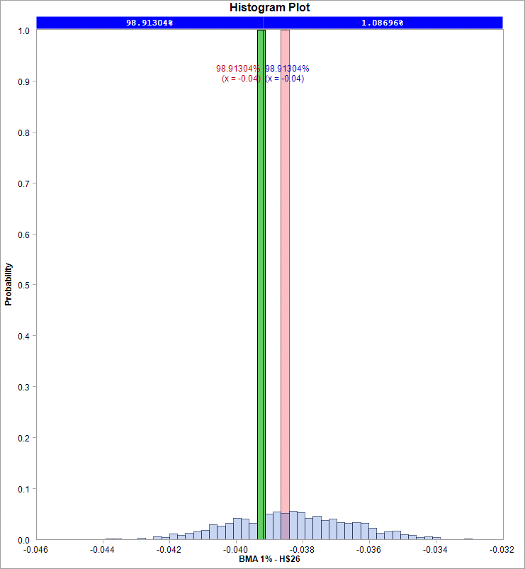
...
 |  |  |  |  |  |  |  | FC I | FC II | FC III
 |  |  |  |  |  |  |  | Error: "object" is not correct or contains invalid arguments | Error: "object" is not correct or contains invalid arguments | Error: the source range are locked. Check workbook is not in Protected View mode and recalculte it.
...
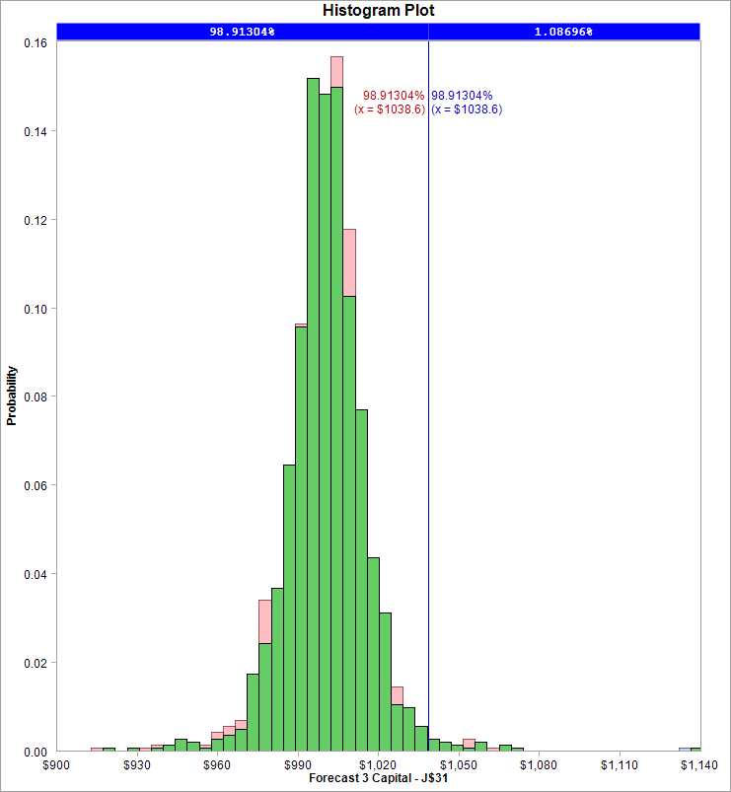
...
Date | BMY | Daily Change | Historic 5% | Historic 1%
2012-03-15 | 28.705149 | -0.0095837689024 |  |  | Excluded | Included
2012-03-16 | 28.661958 | -0.0015057760595 | 1 | The worst? | -11.12% | #VALUE! | #VALUE!
2012-03-19 | 28.636044 | -0.00090453421977 | 2 | Second worst? | -3.15% | #VALUE! | #VALUE!
2012-03-20 | 28.575576 | -0.0021138371022
2012-03-21 | 28.610127 | 0.0012083791015 |  | worst- mean | No simulation results | No simulation results | No simulation results
2012-03-22 | 28.420086 | -0.0066645973571 |  | second worst -mean | No simulation results | No simulation results | No simulation results
2012-03-23 | 28.471914 | 0.0018219789896
2012-03-26 | 29.016129 | 0.018933720102
2012-03-27 | 29.085234 | 0.0023787749209
2012-03-28 | 29.085234 | 0
Adj. Closed Price and Daily Change
 | BMY | Daily Change
1/3/2012 | 29.949066
1/4/2012 | 29.664003 | -0.0095638482502
1/5/2012 | 29.508513 | -0.0052554925293
1/6/2012 | 29.560344 | 0.0017549353732
1/9/2012 | 29.292555 | -0.0091003451879
1/10/2012 | 29.905875 | 0.020721561218
1/11/2012 | 29.456682 | -0.015134171989
1/12/2012 | 29.473959 | 0.00058635033327
1/13/2012 | 29.197533 | -0.0094229083299
1/17/2012 | 29.128428 | -0.0023696148731
1/18/2012 | 29.137065 | 0.00029647050488
1/19/2012 | 28.255956 | -0.030706807807
1/20/2012 | 28.204128 | -0.0018359170191
1/23/2012 | 28.048638 | -0.0055282755698
1/24/2012 | 27.858593 | -0.0067986100763
1/25/2012 | 28.247319 | 0.01385708587
1/26/2012 | 28.057274 | -0.0067506294455
1/27/2012 | 27.893148 | -0.0058668537216
1/30/2012 | 27.858593 | -0.0012396027032
1/31/2012 | 27.849957 | -0.00031004217734
2/1/2012 | 28.014084 | 0.0058759613266
2/2/2012 | 27.910425 | -0.0037071087638
2/3/2012 | 27.86723 | -0.0015488284201
2/6/2012 | 27.754934 | -0.0040378203398
2/7/2012 | 27.772212 | 0.0006223262603
2/8/2012 | 27.711744 | -0.0021796579876
2/9/2012 | 27.633997 | -0.0028095043895
2/10/2012 | 27.556252 | -0.0028173473696
2/13/2012 | 27.633997 | 0.0028173473696
2/14/2012 | 27.513061 | -0.0043859526964
2/15/2012 | 27.530338 | 0.00062775921841
2/16/2012 | 27.677189 | 0.0053199755298
2/17/2012 | 28.610127 | 0.033152173935
2/21/2012 | 27.919061 | -0.024451100536
2/22/2012 | 27.841316 | -0.0027885410595
2/23/2012 | 27.944975 | 0.0037162936429
2/24/2012 | 28.160933 | 0.0076982647364
2/27/2012 | 28.204128 | 0.0015326873666
2/28/2012 | 28.031361 | -0.0061444310924
2/29/2012 | 27.789485 | -0.0086662073807
3/1/2012 | 28.195488 | 0.014504253406
3/2/2012 | 28.152297 | -0.0015330153069
3/5/2012 | 28.43736 | 0.010074823786
3/6/2012 | 27.927702 | -0.018084674171
3/7/2012 | 28.057274 | 0.0046288215378
3/8/2012 | 28.316424 | 0.0091940686777
3/9/2012 | 28.428723 | 0.0039580176471
3/12/2012 | 28.549659 | 0.0042449847595
3/13/2012 | 28.869276 | 0.011132923352
3/14/2012 | 28.981575 | 0.003882367817
...
2012-03-29 | 28.990215 | -0.0032722634581
2012-03-30 | 29.154342 | 0.0056454961353
2012-04-02 | 29.275278 | 0.004139550204
2012-04-03 | 29.554505 | 0.0094927801051
2012-04-04 | 29.406167 | -0.0050317714485
2012-04-05 | 29.388715 | -0.00059365713201
2012-04-09 | 28.83026 | -0.019185227127
2012-04-10 | 28.332886 | -0.017402350531
2012-04-11 | 28.437596 | 0.0036888930674
2012-04-12 | 28.402691 | -0.0012281783302
2012-04-13 | 28.393967 | -0.00030720117612
2012-04-16 | 28.734275 | 0.011913968063
2012-04-17 | 29.135664 | 0.013872329707
2012-04-18 | 29.29273 | 0.005376371575
2012-04-19 | 29.606862 | 0.010666796419
2012-04-20 | 29.868637 | 0.0088028413317
2012-04-23 | 29.615586 | -0.0085082233158
2012-04-24 | 29.641766 | 0.00088360349627
2012-04-25 | 29.920994 | 0.0093759941802
2012-04-26 | 29.45852 | -0.015577202317
2012-04-27 | 29.074584 | -0.013118781684
2012-04-30 | 29.118212 | 0.0014994298667
2012-05-01 | 29.249101 | 0.0044850178183
2012-05-02 | 29.222925 | -0.00089533418078
2012-05-03 | 29.231649 | 0.00029848819238
...
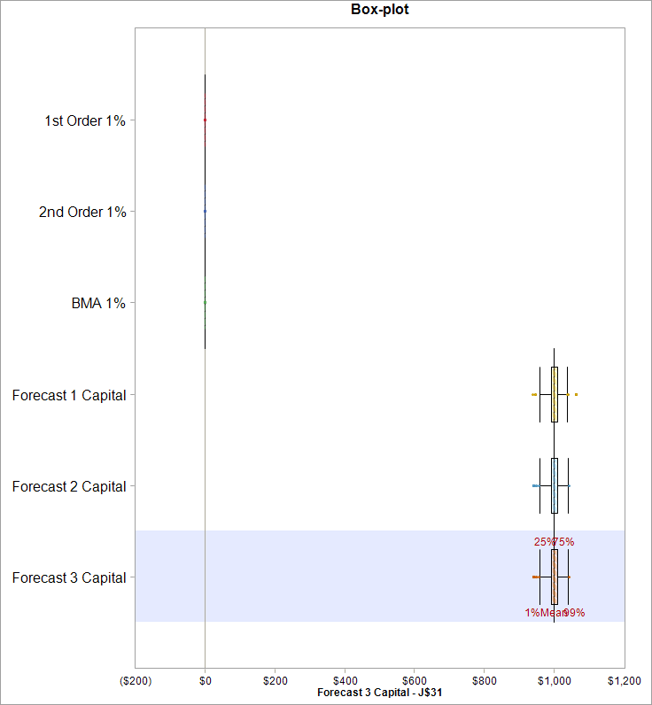
...

BMYTS
...
Date | BMY | % Change | GMAJ | ARCH | APARCH | GMAJ | ARCH | APARCH
2012-01-05 | 29.508513 | 0.53%
2012-01-06 | 29.560344 | -0.18%
2012-01-09 | 29.292555 | 0.91%
2012-01-10 | 29.905875 | -2.07%
2012-01-11 | 29.456682 | 1.51%
2012-01-12 | 29.473959 | -0.06%
2012-01-13 | 29.197533 | 0.94%
2012-01-17 | 29.128428 | 0.24%
2012-01-18 | 29.137065 | -0.03%
2012-01-19 | 28.255956 | 3.07%
 | BMY | GMAJ | ARCH | APARCH
1/3/2012 | 29.949066
1/4/2012 | 29.664003
1/5/2012 | 29.508513
1/6/2012 | 29.560344
1/9/2012 | 29.292555
1/10/2012 | 29.905875
1/11/2012 | 29.456682
1/12/2012 | 29.473959
1/13/2012 | 29.197533
1/17/2012 | 29.128428
1/18/2012 | 29.137065
1/19/2012 | 28.255956
1/20/2012 | 28.204128
1/23/2012 | 28.048638
1/24/2012 | 27.858593
1/25/2012 | 28.247319
1/26/2012 | 28.057274
1/27/2012 | 27.893148
1/30/2012 | 27.858593
1/31/2012 | 27.849957
2/1/2012 | 28.014084
2/2/2012 | 27.910425
2/3/2012 | 27.86723
2/6/2012 | 27.754934
2/7/2012 | 27.772212
2/8/2012 | 27.711744
2/9/2012 | 27.633997
2/10/2012 | 27.556252
2/13/2012 | 27.633997
2/14/2012 | 27.513061
2/15/2012 | 27.530338
2/16/2012 | 27.677189
2/17/2012 | 28.610127
2/21/2012 | 27.919061
2/22/2012 | 27.841316
2/23/2012 | 27.944975
2/24/2012 | 28.160933
2/27/2012 | 28.204128
2/28/2012 | 28.031361
2/29/2012 | 27.789485
3/1/2012 | 28.195488
3/2/2012 | 28.152297
3/5/2012 | 28.43736
3/6/2012 | 27.927702
3/7/2012 | 28.057274
3/8/2012 | 28.316424
3/9/2012 | 28.428723
3/12/2012 | 28.549659
3/13/2012 | 28.869276
3/14/2012 | 28.981575
...
2012-01-20 | 28.204128 | 0.18%
2012-01-23 | 28.048638 | 0.55%
2012-01-24 | 27.858593 | 0.68%
2012-01-25 | 28.247319 | -1.39%
2012-01-26 | 28.057274 | 0.68%
2012-01-27 | 27.893148 | 0.59%
2012-01-30 | 27.858593 | 0.12%
2012-01-31 | 27.849957 | 0.03%
2012-02-01 | 28.014084 | -0.59%
2012-02-02 | 27.910425 | 0.37%
2012-02-03 | 27.86723 | 0.15%
2012-02-06 | 27.754934 | 0.40%
2012-02-07 | 27.772212 | -0.06%
2012-02-08 | 27.711744 | 0.22%
2012-02-09 | 27.633997 | 0.28%
2012-02-10 | 27.556252 | 0.28%
2012-02-13 | 27.633997 | -0.28%
2012-02-14 | 27.513061 | 0.44%
2012-02-15 | 27.530338 | -0.06%
2012-02-16 | 27.677189 | -0.53%
2012-02-17 | 28.610127 | -3.32%
2012-02-21 | 27.919061 | 2.45%
2012-02-22 | 27.841316 | 0.28%
2012-02-23 | 27.944975 | -0.37%
2012-02-24 | 28.160933 | -0.77%
2012-02-27 | 28.204128 | -0.15%
2012-02-28 | 28.031361 | 0.61%
2012-02-29 | 27.789485 | 0.87%
2012-03-01 | 28.195488 | -1.45%
2012-03-02 | 28.152297 | 0.15%
2012-03-05 | 28.43736 | -1.01%
2012-03-06 | 27.927702 | 1.81%
2012-03-07 | 28.057274 | -0.46%
2012-03-08 | 28.316424 | -0.92%
2012-03-09 | 28.428723 | -0.40%
...

CAH
...
Date | CAH | Periodic Daily Return
2012-02-17 | 37.372583 | -0.0067210765784
2012-02-16 | 37.624613 | 0.0072029094121
2012-02-15 | 37.35458 | -0.013403774671
2012-02-14 | 37.858643 | -0.0073433361308
2012-02-13 | 38.137675 | 0.011632123847
2012-02-10 | 37.696623 | -0.0059517006235
2012-02-09 | 37.921651 | -0.0089791892667
2012-02-08 | 38.26369 | 0.0023551318316
2012-02-07 | 38.17368 | 0.014487835602
2012-02-06 | 37.624613 | -0.0059630313078
Cardinal Health Inc.
 | CAH
12/30/2016 | 71.970001
12/29/2016 | 72.349998
12/28/2016 | 72.101005
12/27/2016 | 72.617783
12/23/2016 | 72.428957
12/22/2016 | 71.663726
12/21/2016 | 72.170571
12/20/2016 | 72.896049
12/19/2016 | 73.243882
12/16/2016 | 73.303516
12/15/2016 | 72.548217
12/14/2016 | 72.021498
12/13/2016 | 73.293575
12/12/2016 | 73.02525
12/9/2016 | 72.58797
12/8/2016 | 70.669914
12/7/2016 | 70.063689
12/6/2016 | 70.977993
12/5/2016 | 71.653785
12/2/2016 | 70.391648
12/1/2016 | 70.491028
11/30/2016 | 70.570535
11/29/2016 | 70.550654
11/28/2016 | 71.127067
11/25/2016 | 70.669914
11/23/2016 | 70.113382
11/22/2016 | 69.695976
11/21/2016 | 69.815236
11/18/2016 | 70.332015
11/17/2016 | 71.196633
11/16/2016 | 70.391648
11/15/2016 | 70.94818
11/14/2016 | 71.902238
11/11/2016 | 70.928307
11/10/2016 | 71.27614
11/9/2016 | 68.821425
11/8/2016 | 64.94556
11/7/2016 | 65.591539
11/4/2016 | 64.766673
11/3/2016 | 64.975373
11/2/2016 | 68.23508
11/1/2016 | 66.47603
10/31/2016 | 68.264893
10/28/2016 | 67.082255
10/27/2016 | 74.33708
10/26/2016 | 73.939554
10/25/2016 | 74.4464
10/24/2016 | 75.142065
10/21/2016 | 74.684912
10/20/2016 | 75.112252
...
2012-02-03 | 37.84964 | -0.0040347149808
2012-02-02 | 38.002661 | -0.020164811358
2012-02-01 | 38.776756 | 0.0011613694688
2012-01-31 | 38.731748 | 0.010043308
2012-01-30 | 38.3447 | 0.0061219433436
2012-01-27 | 38.110673 | 0.0052095974041
2012-01-26 | 37.912648 | 0.00095005510166
2012-01-25 | 37.876646 | 0.0054808672207
2012-01-24 | 37.669617 | -0.0035778597456
2012-01-23 | 37.804635 | -0.015123145197
2012-01-20 | 38.380705 | -0.0016403121759
2012-01-19 | 38.443713 | 0.0098823979953
2012-01-18 | 38.065668 | 0.012851210683
2012-01-17 | 37.579608 | 0.012048333517
2012-01-13 | 37.129553 | -0.0146795955
2012-01-12 | 37.67862 | 0.0067113837415
2012-01-11 | 37.426591 | 0.0043384318027
2012-01-10 | 37.26457 | 0.0038722038531
2012-01-09 | 37.120553 | -0.0077294982927
2012-01-06 | 37.408588 | 0.016008106973
2012-01-05 | 36.814515 | -0.0073081901421
2012-01-04 | 37.084548 | -0.0067730758834
2012-01-03 | 37.336577
2012-01-04 | 37.191822412
2012-01-05 | 37.191822412

CAHDistribution Fit
...
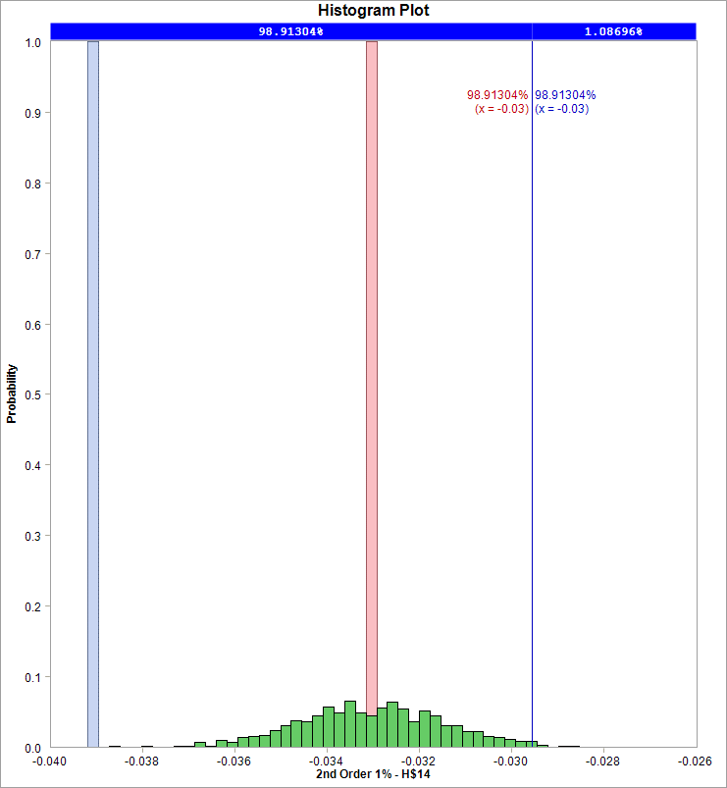
...
 |  |  |  |  |  |  |  | FC I | FC II | FC III
 |  |  |  |  |  |  |  | Error: "object" is not correct or contains invalid arguments | Error: "object" is not correct or contains invalid arguments | Error: the source range are locked. Check workbook is not in Protected View mode and recalculte it.
...
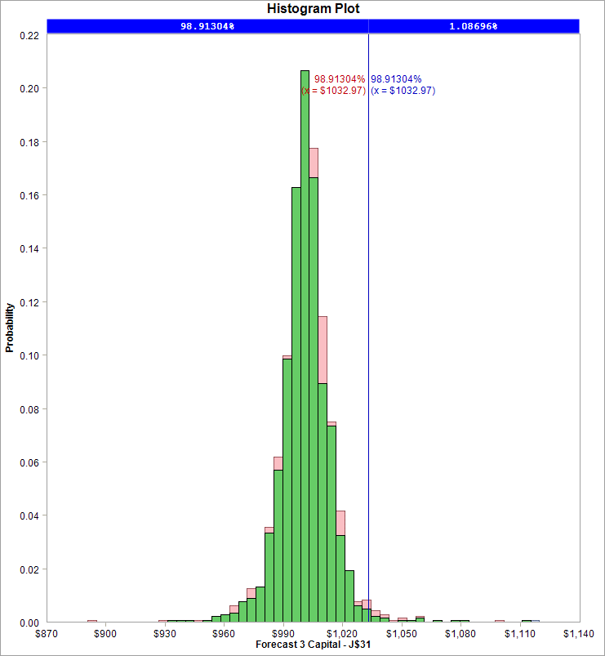
...
Date | CAH | Daily Change | Historic 5% | Historic 1%
2012-03-12 | 37.633616 | -0.0097584900594 |  | What will be the worst return in the next |  | 225 | days.
2012-03-13 | 37.651618 | 0.00047823455907
2012-03-14 | 37.417588 | -0.006235066831 |  |  | Parameter Uncertainty |  | Model Uncertainty
2012-03-15 | 37.534603 | 0.0031223929149 |  |  | Excluded | Included
2012-03-16 | 37.43559 | -0.0026413979638 | 1 | The worst? | -3.94% | #VALUE! | #VALUE!
2012-03-19 | 37.11155 | -0.0086936142924 | 2 | Second worst? | -3.99% | #VALUE! | #VALUE!
2012-03-20 | 36.742505 | -0.009993982637
2012-03-21 | 37.27357 | 0.01435023712 |  | worst- mean | No simulation results | No simulation results | No simulation results
2012-03-22 | 37.381582 | 0.0028936268288 |  | second worst -mean | No simulation results | No simulation results | No simulation results
2012-03-23 | 37.966655 | 0.015530151269
Adj. Closed Price and Daily Change
2012-03-26 | 38.956775 | 0.025744423643
2012-03-27 | 38.983781 | 0.0006929896954
2012-03-28 | 38.825475 | -0.0040690844911
2012-03-29 | 38.988303 | 0.0041850747218
2012-03-30 | 38.997351 | 0.00023204267904
2012-04-02 | 38.680739 | -0.0081519448624
2012-04-03 | 38.192257 | -0.012708977152
2012-04-04 | 38.336993 | 0.0037825059717
2012-04-05 | 37.785186 | -0.014498183655
2012-04-09 | 37.658542 | -0.0033573133861
2012-04-10 | 37.079598 | -0.015492908448
2012-04-11 | 37.323837 | 0.0065652849841
2012-04-12 | 37.360022 | 0.00096901802654
2012-04-13 | 36.663479 | -0.018820065244
2012-04-16 | 36.708712 | 0.0012329741041
2012-04-17 | 37.721864 | 0.027225762214
2012-04-18 | 37.242423 | -0.01279135856
2012-04-19 | 37.242423 | 0
2012-04-20 | 37.586172 | 0.0091877020568
2012-04-23 | 37.450484 | -0.0036165830177
2012-04-24 | 37.305748 | -0.0038722171243
2012-04-25 | 37.64045 | 0.0089318533584
2012-04-26 | 37.911829 | 0.0071839041975
2012-04-27 | 38.273671 | 0.0094990443274
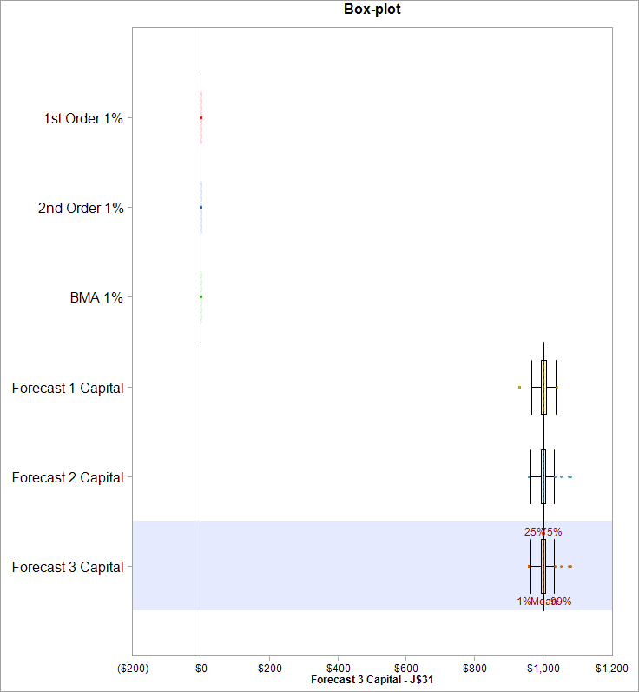
2012-04-30 | 38.237486 | -0.00094587519302
2012-05-01 | 38.400315 | 0.0042493193408
2012-05-02 | 38.373174 | -0.00070704097167
2012-05-03 | 39.196365 | 0.021225391192
2012-05-04 | 38.626465 | -0.014646349604
2012-05-07 | 38.771201 | 0.0037400654618
2012-05-08 | 38.915937 | 0.0037261294774
2012-05-09 | 38.201301 | -0.018534285616
2012-05-10 | 38.210349 | 0.00023682252751
2012-05-11 | 38.4365 | 0.0059011338164
2012-05-14 | 38.680739 | 0.0063342469153
2012-05-15 | 38.201301 | -0.012472203259
2012-05-16 | 38.101795 | -0.0026081787404
2012-05-17 | 37.549988 | -0.014588335248
2012-05-18 | 37.052458 | -0.013338366315
2012-05-21 | 37.405252 | 0.0094764300474
2012-05-22 | 37.314793 | -0.002421279168
2012-05-23 | 37.088643 | -0.0060790390498
2012-05-24 | 37.513806 | 0.011398221071
2012-05-25 | 37.694724 | 0.0048111124888
2012-05-29 | 37.721864 | 0.00071973558845
2012-05-30 | 37.233379 | -0.013034229393
2012-05-31 | 37.432392 | 0.0053307819264
2012-06-01 | 36.663479 | -0.020755288851
2012-06-04 | 36.672527 | 0.00024675464453
2012-06-05 | 37.124827 | 0.012258045553
2012-06-06 | 37.522851 | 0.010664170213
2012-06-07 | 37.739956 | 0.005769266676
2012-06-08 | 37.902785 | 0.0043052181703
2012-06-11 | 37.522851 | -0.010074484846
2012-06-12 | 37.803278 | 0.0074457110504
2012-06-13 | 37.577128 | -0.006000251007
2012-06-14 | 37.830415 | 0.006717841279
2012-06-15 | 38.418407 | 0.015423284987
2012-06-18 | 38.508866 | 0.0023518067953
2012-06-19 | 38.545051 | 0.00093921254282
2012-06-20 | 38.165117 | -0.0099057821574
2012-06-21 | 37.577128 | -0.015526363446
2012-06-22 | 37.703772 | 0.0033645750641
2012-06-25 | 36.790123 | -0.024530730088
2012-06-26 | 36.790123 | 0
2012-06-27 | 36.697312 | -0.0025259025396
2012-06-28 | 37.270563 | 0.015500309489
2012-06-29 | 38.216887 | 0.025073666632
2012-07-02 | 38.580859 | 0.0094787866602
2012-07-03 | 39.02672 | 0.011490267089
2012-07-05 | 38.735544 | -0.0074889116102
2012-07-06 | 38.007604 | -0.01897138316
2012-07-09 | 38.744646 | 0.01920633354
2012-07-10 | 38.835637 | 0.0023457259552
2012-07-11 | 38.526262 | -0.0079981658476
2012-07-12 | 38.225985 | -0.0078246186598
...

A
...
A | Periodic Daily Return
29.03402 | 0.0025782311817
28.95926 | -0.012361717538
29.319468 | -0.015867827293
29.788415 | 0.0043443296575
29.659285 | -0.0032029330244
29.754434 | -0.0013695801211
29.795213 | -0.0068197381913
29.999103 | -0.021294106176
30.644757 | 0.0026649492516
30.563199 | 0.0082617398639
Agilent Technologies Inc.
30.311734 | -0.0013444164614
30.352513 | -0.013787125971
30.773885 | 0.035059736248
29.713655 | -0.010692869566
30.033084 | 0.039700584531
28.864111 | -0.016116218091
29.33306 | 0.011183715714
29.006835 | 0.00046868903345
28.993243 | -0.032063602499
29.937935 | 0.033471092677
28.952464 | 0.038282204936
27.865047 | 0
27.865047 | -0.020519800591
28.442739 | 0.013955971087
28.04855 | 0.031506449595
27.178616 | 0.023530465873
26.546556 | -0.011707900821
26.859187 | 0.015298608789
26.451406 | -0.0046142339616
26.573741 | 0.018585998257
26.084403 | 0.025865762603
25.418361 | 0.010752786672
25.146507 | 0.022135090815
24.596002 | -0.0079813582458
24.793097
...

ADistribution Fit
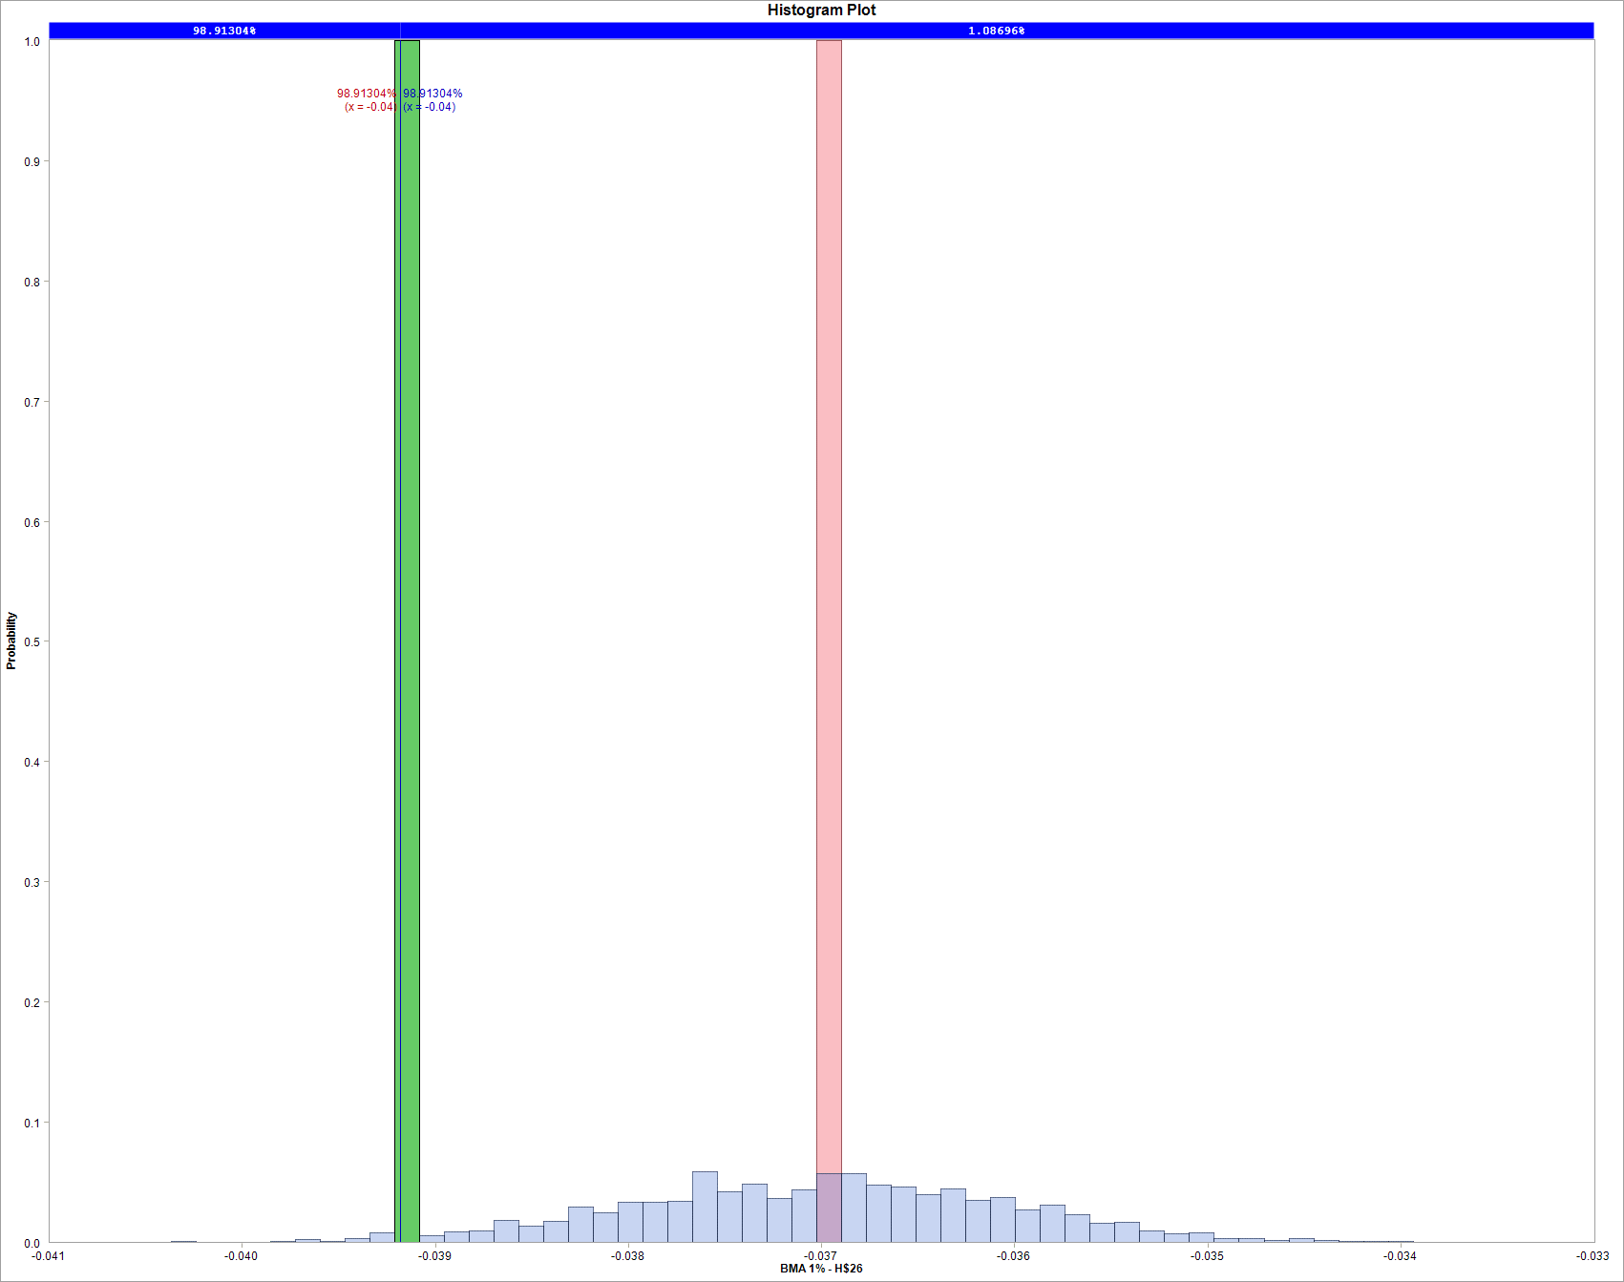
...
 |  |  |  |  | Priors
 |  |  |  |  | 0.09
 |  |  |  |  | 0.06
 |  |  |  |  | 0.66
 |  |  |  |  | 0.3
 |  |  |  |  | 1
...
 |  |  |  |  | Forecast 2 Capital | Forecast 3 Capital
 |  |  |  |  | $1,000 | $1,000 |  | FC I | FC II | FC III
 |  |  |  |  | #VALUE! | #VALUE! |  | Error: "object" is not correct or contains invalid arguments | Error: "object" is not correct or contains invalid arguments | Error: the source range are locked. Check workbook is not in Protected View mode and recalculte it.
...
 |  |  |  |  | No simulation results | No simulation results
 |  |  |  |  | No simulation results | No simulation results
...
 |  |  |  |  | #VALUE! | #VALUE!
 |  |  |  |  | #VALUE! | #VALUE!
...
 |  |  |  |  | #VALUE! | #VALUE!
...
 |  |  |  |  | No simulation results | No simulation results
 |  |  |  |  | No simulation results | No simulation results
...
 |  |  |  |  |  | 1 | year?
 |  |  |  |  |  | 225 | days.
...
 |  |  |  |  | Parameter Uncertainty |  | Model Uncertainty
 |  |  |  |  | Excluded | Included
 |  |  |  |  | -4.24% | #VALUE! | #VALUE!
 |  |  |  |  | -3.13% | #VALUE! | #VALUE!
...
 |  |  |  |  | No simulation results | No simulation results | No simulation results
 |  |  |  |  | No simulation results | No simulation results | No simulation results
...
Date | A | Daily Change | Historic 5% | Historic 1%
2012-03-27 | 31.038946 | 0.013668711368
2012-03-28 | 30.304938 | -0.023932069019
2012-03-29 | 30.216585 | -0.0029197237077
2012-03-30 | 30.31876 | 0.0033757170138
2012-04-02 | 30.563981 | 0.0080555612985
2012-04-03 | 30.536733 | -0.00089190453016
2012-04-04 | 29.794261 | -0.024614528537
2012-04-05 | 30.495862 | 0.023275211206
2012-04-09 | 29.66484 | -0.027628496143
2012-04-10 | 28.813381 | -0.029122608839
Adj. Closed Price and Daily Change
2012-04-11 | 28.929178 | 0.0040108078768
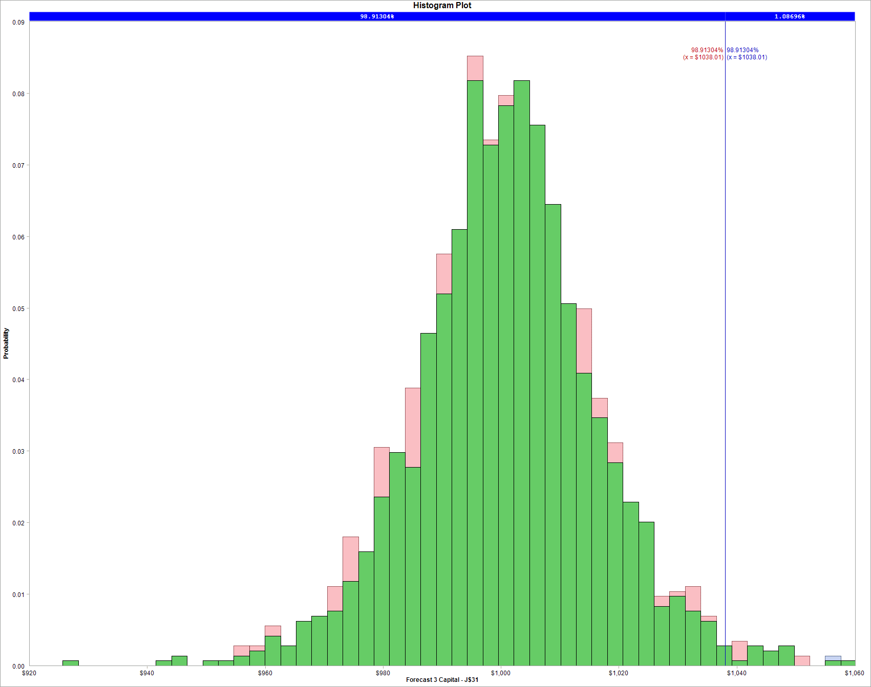
2012-04-12 | 29.651216 | 0.024652431234
2012-04-13 | 28.77251 | -0.030082718993
2012-04-16 | 28.602218 | -0.0059361501482
2012-04-17 | 29.051788 | 0.015595763191
2012-04-18 | 28.827003 | -0.0077674784249
2012-04-19 | 28.554536 | -0.0094967493909
2012-04-20 | 28.677146 | 0.0042846962834
2012-04-23 | 28.111778 | -0.019911864495
2012-04-24 | 27.110462 | -0.036268929383
2012-04-25 | 28.050472 | 0.034085753874
2012-04-26 | 28.602218 | 0.019478808345
2012-04-27 | 28.990484 | 0.01348337094
2012-04-30 | 28.731641 | -0.0089686488513
2012-05-01 | 29.269762 | 0.018555980123
2012-05-02 | 29.317444 | 0.0016277277509
2012-05-03 | 28.752075 | -0.019472758677
2012-05-04 | 27.934675 | -0.028841189859
2012-05-07 | 27.8325 | -0.003664346072
2012-05-08 | 27.430611 | -0.014544823038
2012-05-09 | 27.199013 | -0.0084788937041
2012-05-10 | 27.069591 | -0.0047696913435

2012-05-11 | 26.872053 | -0.0073241699141
2012-05-14 | 26.49741 | -0.014039832255
2012-05-15 | 27.59409 | 0.040554626992
2012-05-16 | 27.083216 | -0.018687419134
2012-05-17 | 26.994663 | -0.0032750204256
2012-05-18 | 26.381613 | -0.022971889572
2012-05-21 | 27.239884 | 0.032014932602
2012-05-22 | 27.580468 | 0.01242561821
2012-05-23 | 27.771194 | 0.0068914553941
2012-05-24 | 27.941486 | 0.0061132413785
2012-05-25 | 27.934675 | -0.00024378911907
2012-05-29 | 28.731641 | 0.028130240662
2012-05-30 | 28.166271 | -0.019873791096
2012-05-31 | 27.696265 | -0.016827631702
2012-06-01 | 26.034218 | -0.061885816882
2012-06-04 | 25.775375 | -0.0099921708957
2012-06-05 | 26.081899 | 0.011821970046
2012-06-06 | 27.090027 | 0.037924103949
2012-06-07 | 27.219448 | 0.004766065037
2012-06-08 | 26.974228 | -0.0090498261683
2012-06-11 | 26.551905 | -0.015780395117
2012-06-12 | 26.885677 | 0.012492194746
2012-06-13 | 26.565528 | -0.011979255791
2012-06-14 | 26.803937 | 0.0089343442309
2012-06-15 | 27.253508 | 0.016633467056
2012-06-18 | 27.34887 | 0.0034929649752
2012-06-19 | 28.030039 | 0.024601544798
2012-06-20 | 27.682643 | -0.012471146247
2012-06-21 | 26.647267 | -0.038119016537
2012-06-22 | 26.585963 | -0.0023032240238
2012-06-25 | 25.652764 | -0.035732045639
2012-06-26 | 25.877549 | 0.008724434715
2012-06-27 | 26.122768 | 0.0094315124176
2012-06-28 | 25.693633 | -0.016564053211
2012-06-29 | 26.800059 | 0.04216087099
2012-07-02 | 26.574676 | -0.0084453567629
2012-07-03 | 27.004952 | 0.016061524351
2012-07-05 | 26.888845 | -0.0043087400069
2012-07-06 | 25.932676 | -0.036207721436
2012-07-09 | 25.693634 | -0.009260538214
2012-07-10 | 25.604846 | -0.0034616264911
2012-07-11 | 25.399953 | -0.008034306817
2012-07-12 | 24.942358 | -0.018179840934
2012-07-13 | 25.297507 | 0.014138370634
2012-07-16 | 25.154081 | -0.0056857035454
2012-07-17 | 25.5024 | 0.013752415599
2012-07-18 | 26.199038 | 0.026950127153
2012-07-19 | 26.267334 | 0.0026034214287
2012-07-20 | 25.652655 | -0.023679038932
2012-07-23 | 25.058463 | -0.023435460246
2012-07-24 | 24.320848 | -0.029877689875
2012-07-25 | 24.682825 | 0.014773732729
...

ABT
...
Date | ABT | Periodic Daily Return
2012-02-10 | 23.587839 | -0.0027181288152
2012-02-09 | 23.652041 | -0.0055941564829
2012-02-08 | 23.784725 | -0.002516221728
2012-02-07 | 23.844648 | 0.0057606168144
2012-02-06 | 23.707683 | 0.0070658709987
2012-02-03 | 23.540758 | 0.010050310967
2012-02-02 | 23.305351 | 0.003495558486
2012-02-01 | 23.224028 | 0.0020293115029
2012-01-31 | 23.176947 | -0.0058921001736
2012-01-30 | 23.313911 | -0.010046639341
Abbott Laboratories
2012-01-27 | 23.549318 | 0.0027300015931
2012-01-26 | 23.485116 | -0.006539492228
2012-01-25 | 23.6392 | -0.013488228535
2012-01-24 | 23.960211 | 0.0046553527479
2012-01-23 | 23.848927 | -0.00071767827086
2012-01-20 | 23.866049 | 0.0059358219412
2012-01-19 | 23.724804 | 0.0012636958103
2012-01-18 | 23.694842 | -0.0063024023127
2012-01-17 | 23.844648 | 0.0050387065025
2012-01-13 | 23.724804 | 0.0048828799486
2012-01-12 | 23.609241 | -0.0047024196048
2012-01-11 | 23.720523 | -0.0037822992142
2012-01-10 | 23.810411 | 0.0046445405357
2012-01-09 | 23.700079 | -0.00017905510173
2012-01-06 | 23.704323 | -0.0090885539023
2012-01-05 | 23.920743 | -0.0023035023636
2012-01-04 | 23.975908 | -0.0038862641022
2012-01-03 | 24.069266
2012-01-04 | 24.175089374
2012-01-05 | 24.175089374

ABTDistribution Fit
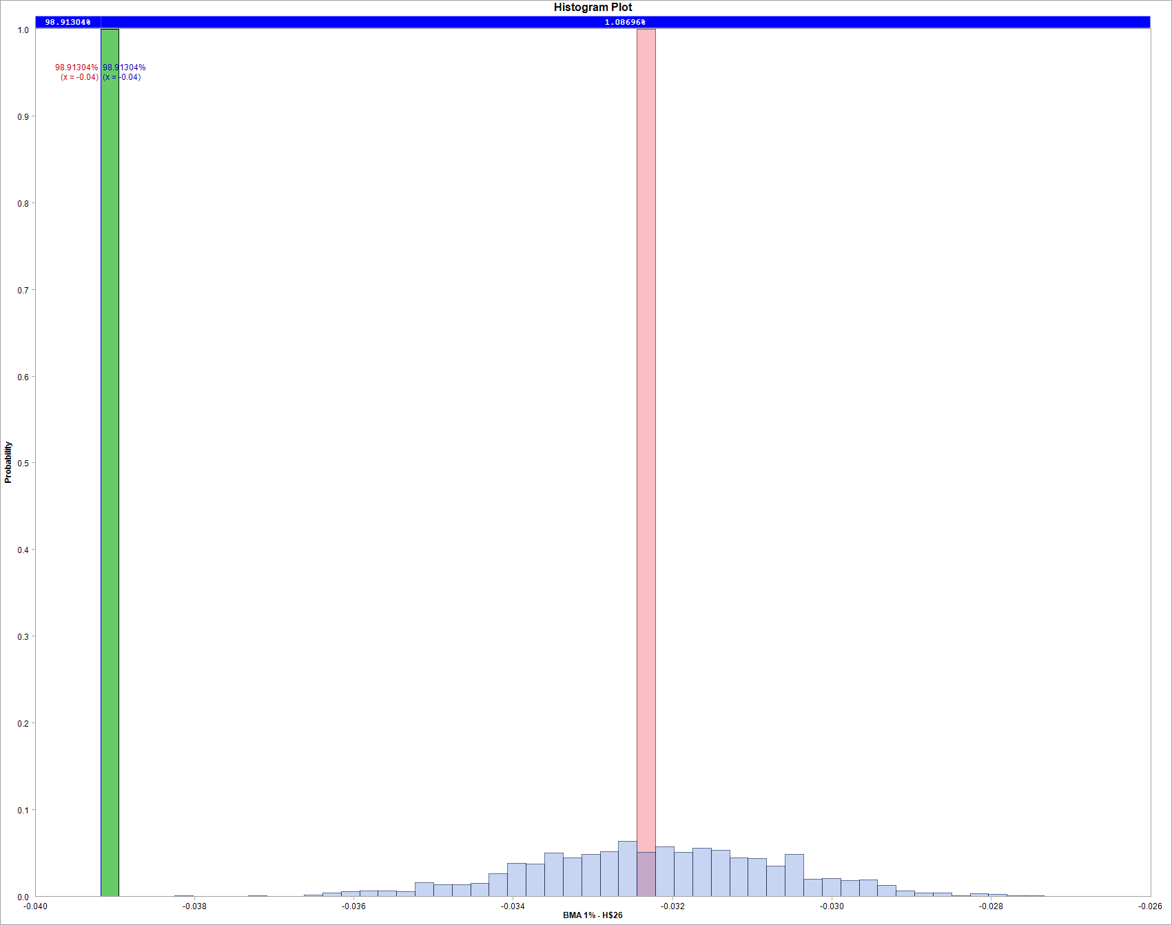
...
 |  |  |  |  |  |  |  | FC I | FC II | FC III
 |  |  |  |  |  |  |  | Error: "object" is not correct or contains invalid arguments | Error: "object" is not correct or contains invalid arguments | Error: the source range are locked. Check workbook is not in Protected View mode and recalculte it.
...
 |  |  |  |  |  |  | year?
 |  |  |  |  |  |  | days.
...
 |  |  |  |  |  |  | Model Uncertainty
2012-03-15 | 25.299894 | 0.0020321509777 |  |  | Excluded | Included
2012-03-16 | 25.432579 | 0.0052307839412 | 1 | The worst? | -5.22% | #VALUE! | #VALUE!
2012-03-19 | 25.77499 | 0.013373651987 | 2 | Second worst? | -3.74% | #VALUE! | #VALUE!
2012-03-20 | 25.852032 | 0.002984563285
2012-03-21 | 25.847752 | -0.00016557129174 |  | worst- mean | No simulation results | No simulation results | No simulation results
2012-03-22 | 25.727908 | -0.0046473168039 |  | second worst -mean | No simulation results | No simulation results | No simulation results
2012-03-23 | 25.852032 | 0.0048128880956
2012-03-26 | 26.104561 | 0.0097208448042
2012-03-27 | 26.250085 | 0.0055591771083
2012-03-28 | 26.160202 | -0.0034299788559
Adj. Closed Price and Daily Change
2012-03-29 | 26.10028 | -0.0022932060313
2012-03-30 | 26.232965 | 0.0050707837555
2012-04-02 | 26.211563 | -0.00081617671106
2012-04-03 | 26.168763 | -0.001634201724
2012-04-04 | 26.305727 | 0.0052202245712
2012-04-05 | 26.237244 | -0.0026067440602
2012-04-09 | 26.096 | -0.0053978821933
2012-04-10 | 25.740748 | -0.013706784304
2012-04-11 | 25.753701 | 0.00050308336237
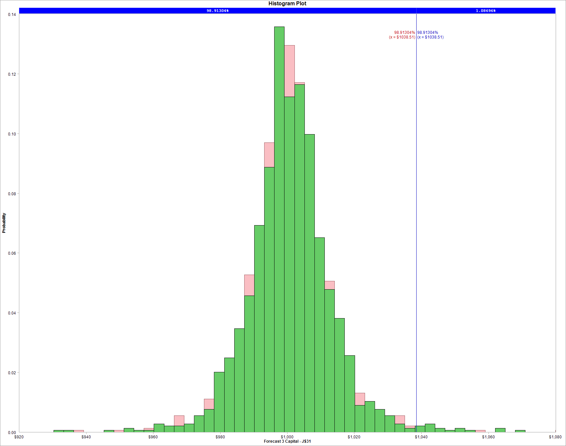
2012-04-12 | 25.779601 | 0.00100517534
2012-04-13 | 25.723483 | -0.0021792101696
2012-04-16 | 25.835719 | 0.0043536817068
2012-04-17 | 26.08609 | 0.0096442302542
2012-04-18 | 26.099039 | 0.00049627165876
2012-04-19 | 25.68895 | -0.015837555375
2012-04-20 | 25.84867 | 0.0061982106019
2012-04-23 | 25.844352 | -0.00016706316802
2012-04-24 | 26.215592 | 0.014262262475
2012-04-25 | 26.591148 | 0.014224030188
2012-04-26 | 26.703384 | 0.0042119204996
2012-04-27 | 26.759502 | 0.0020993262732
2012-04-30 | 26.78972 | 0.0011286066194
2012-05-01 | 26.863104 | 0.0027355147517
2012-05-02 | 27.044407 | 0.0067264720715
2012-05-03 | 27.217078 | 0.0063644252585

2012-05-04 | 26.940806 | -0.010202555051
2012-05-07 | 26.983973 | 0.0016010082942
2012-05-08 | 27.022824 | 0.0014387450788
2012-05-09 | 26.43143 | -0.022128009909
2012-05-10 | 26.858787 | 0.01603919765
2012-05-11 | 26.781086 | -0.002897137894
2012-05-14 | 26.625684 | -0.0058195782516
2012-05-15 | 26.716335 | 0.0033988622466
2012-05-16 | 27.00124 | 0.010607614789
2012-05-17 | 26.863104 | -0.0051290442832
2012-05-18 | 26.578199 | -0.010662453316
2012-05-21 | 26.681801 | 0.0038904292404
2012-05-22 | 26.759502 | 0.0029079027041
2012-05-23 | 26.491864 | -0.010051958237
2012-05-24 | 26.945122 | 0.016964612133
2012-05-25 | 26.871737 | -0.0027272139938
2012-05-29 | 26.824253 | -0.0017686241515
2012-05-30 | 26.673166 | -0.0056483996619
2012-05-31 | 26.673166 | 0
2012-06-01 | 26.124941 | -0.0207675894
2012-06-04 | 25.995439 | -0.0049693523531
2012-06-05 | 26.029972 | 0.0013275437679
2012-06-06 | 26.349411 | 0.012197278472
2012-06-07 | 26.418479 | 0.0026178056179
2012-06-08 | 26.712017 | 0.011049811645
2012-06-11 | 26.552299 | -0.005997203783
2012-06-12 | 26.746553 | 0.0072892699496
2012-06-13 | 26.552299 | -0.0072892699496
2012-06-14 | 26.824253 | 0.010190105695
2012-06-15 | 26.979655 | 0.0057766224765
2012-06-18 | 27.065991 | 0.0031949316857
2012-06-19 | 27.139375 | 0.0027076302679
2012-06-20 | 27.117791 | -0.00079561844932
2012-06-21 | 26.867422 | -0.0092755323592
2012-06-22 | 26.901955 | 0.0012844859537
2012-06-25 | 26.81562 | -0.003214406992
2012-06-26 | 26.914904 | 0.0036956316674
2012-06-27 | 27.139375 | 0.0083054401795
2012-06-28 | 27.156642 | 0.00063603194253
2012-06-29 | 27.830056 | 0.024494930409
2012-07-02 | 27.899123 | 0.0024786668887
2012-07-03 | 27.985458 | 0.0030897634782
2012-07-05 | 27.950925 | -0.0012347242541
2012-07-06 | 27.950925 | 0
2012-07-09 | 28.322163 | 0.013194349162
2012-07-10 | 28.348065 | 0.00091413084852
2012-07-11 | 28.356768 | 0.00030695796488
2012-07-12 | 28.335016 | -0.00076737754689
2012-07-13 | 28.474233 | 0.0049012187677
2012-07-16 | 28.487284 | 0.00045823920835
2012-07-17 | 28.913637 | 0.014855540065
2012-07-18 | 28.683059 | -0.0080066825987
...

BDX
...
BDX | Periodic Daily Return
70.430759 | 0.0045199194279
70.113136 | 0.0072747102967
69.604934 | -0.0020839292249
69.750137 | 0.0057411833745
69.350836 | -0.005611038961
69.74106 | 0.00052064667238
69.704759 | -0.0090721754411
70.34001 | -0.038222788203
73.080645 | 0.0077287229283
72.518002 | 0.0066546392971
Becton Dickinson
72.037023 | -0.0015106088788
72.145925 | 0.013805501612
71.156758 | -0.0073697130426
71.6831 | -0.0012651741549
71.773849 | -0.0035340901288
72.027953 | 0.0015130849236
71.919051 | 0.012187516704
71.047856 | 0.0089813827231
70.412605 | -0.0071915647277
70.920807 | 0.0030757139062
70.70301 | 0.018525042454
69.405291 | 0.016213408599
68.289068 | 0.0045284722333
67.980522 | 0.0029411917194
67.780872 | -0.0006691537047
67.826243 | 0.0069817259026
67.354348 | 0.011791189202
66.564824 | 0.0043721785933
66.274426 | 0.0046664526003
65.96588 | -0.0067183058069
66.410551 | -0.017205557933
67.563068
67.072900438
67.072900438

BDX Distribution Fit
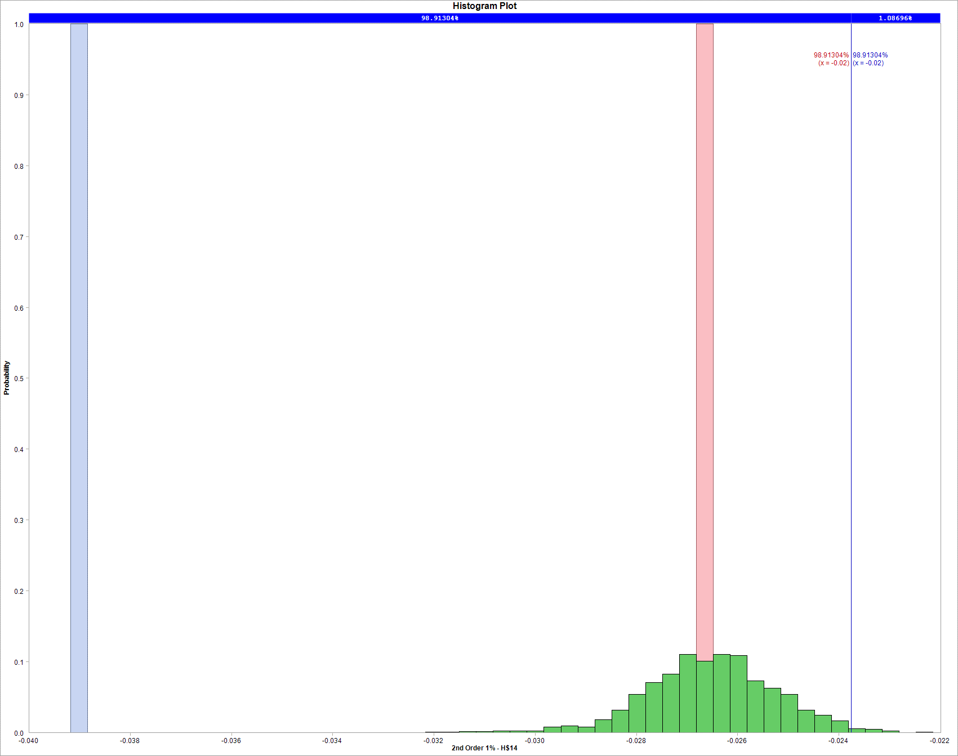
...
 |  |  |  |  | Priors
 |  |  |  |  | 1
 |  |  |  |  | 0.27
 |  |  |  |  | 0
 |  |  |  |  | 0.01
...
 |  |  |  |  | Forecast 2 Capital | Forecast 3 Capital
 |  |  |  |  | $1,000 | $1,000 |  | FC I | FC II | FC III
 |  |  |  |  | #VALUE! | #VALUE! |  | Error: "object" is not correct or contains invalid arguments | Error: "object" is not correct or contains invalid arguments | Error: the source range are locked. Check workbook is not in Protected View mode and recalculte it.
...
 |  |  |  |  | No simulation results | No simulation results
 |  |  |  |  | No simulation results | No simulation results
...
 |  |  |  |  | #VALUE! | #VALUE!
 |  |  |  |  | #VALUE! | #VALUE!
...
 |  |  |  |  | #VALUE! | #VALUE!
...
 |  |  |  |  | No simulation results | No simulation results
 |  |  |  |  | No simulation results | No simulation results
...
Date | BDX | Daily Change | Historic 5% | Historic 1%
2012-03-09 | 70.132176 | 0.0028679582037 |  |  |  | 1 | year?
2012-03-12 | 70.031752 | -0.0014329509542 |  | What will be the worst return in the next |  | 225 | days.
2012-03-13 | 71.026862 | 0.014109404314
2012-03-14 | 70.844269 | -0.0025740698553 |  |  | Parameter Uncertainty |  | Model Uncertainty
2012-03-15 | 71.291609 | 0.0062945609978 |  |  | Excluded | Included
2012-03-16 | 71.309872 | 0.00025614039871 | 1 | The worst? | -3.40% | #VALUE! | #VALUE!
2012-03-19 | 71.072505 | -0.0033342219017 | 2 | Second worst? | -3.50% | #VALUE! | #VALUE!
2012-03-20 | 70.378667 | -0.009810361483
2012-03-21 | 70.141307 | -0.0033783129756 |  | worst- mean | No simulation results | No simulation results | No simulation results
2012-03-22 | 70.18695 | 0.00065051761613 |  | second worst -mean | No simulation results | No simulation results | No simulation results
Adj. Closed Price and Daily Change
2012-03-23 | 69.748742 | -0.0062630116183
2012-03-26 | 70.908175 | 0.016486345439
2012-03-27 | 70.990343 | 0.0011581235709
2012-03-28 | 70.789495 | -0.0028332397214
2012-03-29 | 70.387799 | -0.0056906754996
2012-03-30 | 70.889919 | 0.0071082987659
2012-04-02 | 71.127286 | 0.0033427952766
2012-04-03 | 71.328127 | 0.0028197051813
2012-04-04 | 70.990343 | -0.0047468840028
2012-04-05 | 70.889919 | -0.0014156164551
2012-04-09 | 70.013496 | -0.012440213785
2012-04-10 | 69.392696 | -0.0089064064485
2012-04-11 | 69.429214 | 0.00052611292904
2012-04-12 | 69.639187 | 0.0030197105604
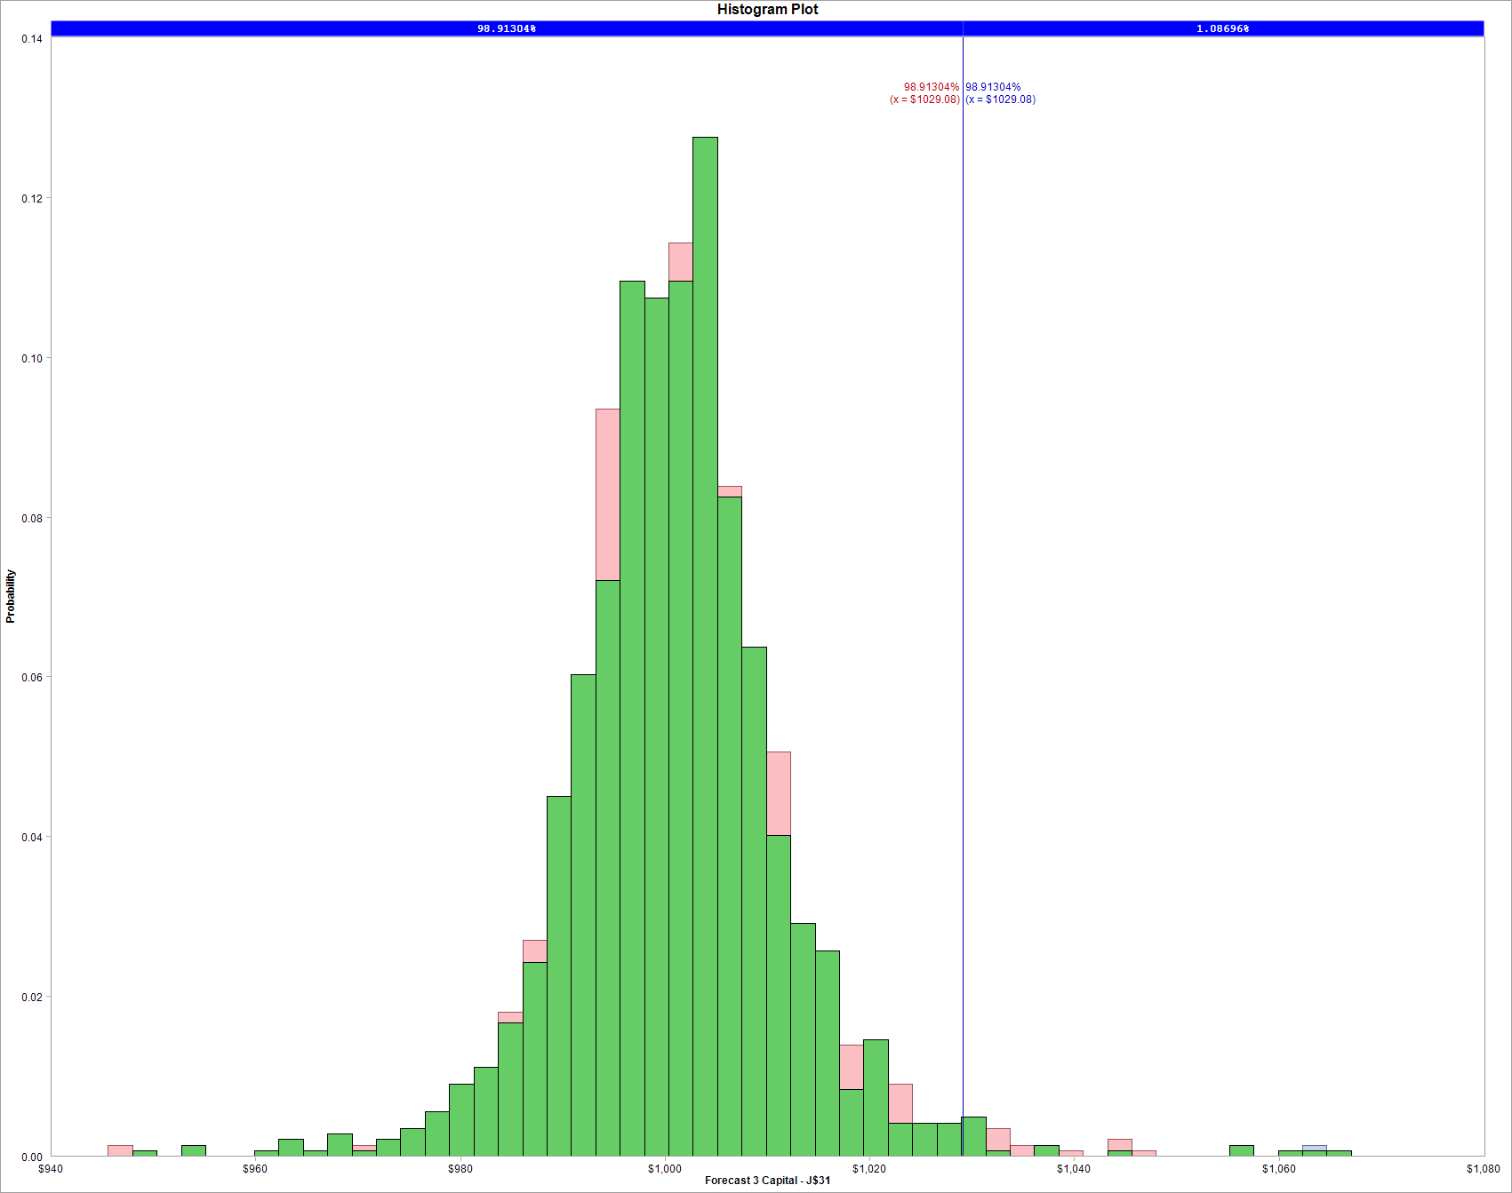
2012-04-13 | 68.278906 | -0.01972656497
2012-04-16 | 68.488878 | 0.0030704915855
2012-04-17 | 69.922196 | 0.020711771055
2012-04-18 | 69.630055 | -0.0041868393332
2012-04-19 | 69.56615 | -0.0009182003847
2012-04-20 | 69.776129 | 0.0030138614131
2012-04-23 | 69.064036 | -0.010257827683
2012-04-24 | 69.438339 | 0.0054050179464
2012-04-25 | 70.196082 | 0.010853347373
2012-04-26 | 70.588647 | 0.0055768266945
2012-04-27 | 71.18206 | 0.0083714961741
2012-04-30 | 71.620268 | 0.0061372861578
2012-05-01 | 70.743845 | -0.012312570262
2012-05-02 | 70.752977 | 0.00012907710412

2012-05-03 | 70.889919 | 0.0019336238743
2012-05-04 | 70.013496 | -0.012440213785
2012-05-07 | 70.040883 | 0.00039109095402
2012-05-08 | 70.050015 | 0.00013037249591
2012-05-09 | 69.40182 | -0.009296394963
2012-05-10 | 69.949591 | 0.007861762108
2012-05-11 | 70.077402 | 0.0018255199623
2012-05-14 | 69.821779 | -0.0036543928656
2012-05-15 | 69.374433 | -0.0064275820973
2012-05-16 | 69.347046 | -0.00039484873652
2012-05-17 | 68.278906 | -0.015522674787
2012-05-18 | 67.731142 | -0.0080548013859
2012-05-21 | 68.826669 | 0.016045226493
2012-05-22 | 68.269774 | -0.0081241796044
2012-05-23 | 67.93199 | -0.004960063403
2012-05-24 | 68.215 | 0.0041574243784
2012-05-25 | 67.941115 | -0.0040231078775
2012-05-29 | 67.822435 | -0.0017483342212
2012-05-30 | 67.046436 | -0.011507585964
2012-05-31 | 66.763419 | -0.0042301431689
2012-06-01 | 65.914383 | -0.012798638158
2012-06-04 | 65.896127 | -0.00027700370959
2012-06-05 | 66.27043 | 0.0056641257699
2012-06-06 | 66.812431 | 0.0081453613576
2012-06-07 | 66.968598 | 0.0023346669121
2012-06-08 | 67.299308 | 0.0049261313239
2012-06-11 | 66.6287 | -0.010014538627
2012-06-12 | 66.913475 | 0.0042649512286
2012-06-13 | 67.051272 | 0.0020572135832
2012-06-14 | 67.189069 | 0.0020529901425
2012-06-15 | 67.602452 | 0.006133683973
2012-06-18 | 67.455474 | -0.0021765188075
2012-06-19 | 68.668074 | 0.017816639284
2012-06-20 | 68.594581 | -0.0010708376145
2012-06-21 | 67.731068 | -0.012668555848
2012-06-22 | 67.969908 | 0.0035200962243
2012-06-25 | 67.097207 | -0.012922659149
2012-06-26 | 66.849171 | -0.0037035160967
2012-06-27 | 67.501409 | 0.0097095691612
2012-06-28 | 67.189069 | -0.0046379011272
2012-06-29 | 68.668074 | 0.02177380445
2012-07-02 | 69.237631 | 0.0082601403386
2012-07-03 | 69.531594 | 0.0042367238084
2012-07-05 | 69.210066 | -0.0046349247314
2012-07-06 | 69.026342 | -0.0026581146144
2012-07-09 | 68.860987 | -0.0023984086205
2012-07-10 | 68.72319 | -0.0020030943831
2012-07-11 | 68.906921 | 0.0026699260476
2012-07-12 | 68.300618 | -0.0088378080502
2012-07-13 | 68.364922 | 0.00094104197365
2012-07-16 | 68.429227 | 0.00094017185979
2012-07-17 | 69.090646 | 0.0096193238945
...

