Bug-reports
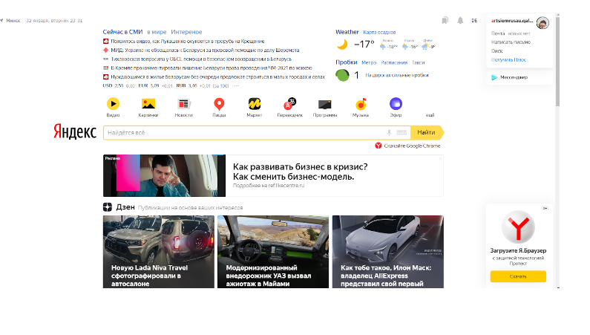
ID | HEADER | ENVIRONMENT | SEVERITY | PRIORITY | STEPS TO REPRODUCE | ACTUAL RESULT | EXPECTED RESULT | ATTACHMENTS
1 | The Date block. A non-existent day of the month is displayed | Google Chtome Version 101.0.4951.54 | Minor | HIgh | 1. Follow the link https://yandex.by/ | A non-existent day is displayed | A current date is displayed
2 | The News block. The "Интереное" button is displayed | Google Chtome Version 101.0.4951.54 | Trivial | High | 1. Follow the link https://yandex.by/ | The "Интереное" button is displayed | The "Интереcное" button is displayed
3 | The traffic jams block. The info text doesn't match the icon | Google Chtome Version 101.0.4951.54 | Minor | High | 1. Follow the link https://yandex.by/ | The icon and the text doesn't match | The icon and the text are displayed accrording to requirements
4 | The Profile block. The "Dиск" button is displayed | Google Chtome Version 101.0.4951.54 | Trivial | High | 1. Follow the link https://yandex.by/ | The "Dиск" button is displayed | The "Диск" button is displayed | 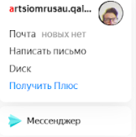
5 | The Weather block. The "Weather" button is displayed | Google Chtome Version 101.0.4951.54 | Minor | High | Precondition: 1. Follow the link https://yandex.by/ Steps: 1.Set up the Russian localization | The "Weather" button is displayed | The "Погода" button is displayed
6 | The Button of navigation.The button with the "Пицца" text is displayed | Google Chtome Version 101.0.4951.54 | Minor | Medium | 1. Follow the link https://yandex.by/ | The button with the "Пицца" text is displayed | The button with the "Карты" text is displayed
7 | The Search line. The "Скачайте Goоgle Chrome" button is displayed under the search line. | Google Chtome Version 101.0.4951.54 | Minor | High | 1. Follow the link https://yandex.by/ | The "Скачайте Goоgle Chrome" button is displayed | The "Скачайте Yandex Browser" button is displayed
8 | The Buttons of navigation block. The "ещё" button is displayed without an icon | Google Chtome Version 101.0.4951.54 | Minor | Medium | 1. Follow the link https://yandex.by/ | The icon of the "ещё" button isn't displayed | The "ещё" button is displayed according to a format: <Icon><Text>
9 | The Weather block.The " ° " sigh is duplicated | Google Chtome Version 101.0.4951.55 | Trivial | Medium | 1. Follow the link https://yandex.by/ | Temperature is displayed with duplicated " ° " sigh | Temperature is displayed with one " ° " sigh
10 | The Header. The "DE" button is displayed with active Russian localization | Google Chtome Version 101.0.4951.56 | Major | High | Precondition: 1. Follow the link https://yandex.by/ Steps: 1.Set up the Russian localization | The "DE" button is displayed | The language selection button is displayed according to the installed localization | Look at picture 1

Picture 1

