Dashboard
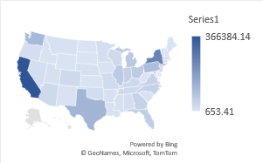
Sales Analytics

Sales By Category
Profit Gained Over Time
Customer Count
 | Furniture | Office Supplies | Technology
2014 | 5469.77 | 22593.4 | 21492.95
2015 | 3015.17 | 25099.55 | 33503.97
2016 | 6959.93 | 35061.24 | 39774.1
2017 | 3018.44 | 39736.69 | 50684.64
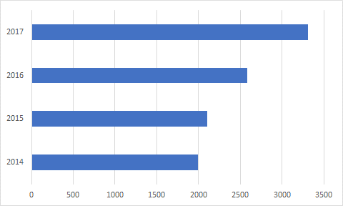

Top 5 customers making Profits
Monthly Sales
Sales By States

Tamara Chand | 8981.32
Raymond Buch | 6976.09
Sanjit Chand | 5757.42
Hunter Lopez | 5622.43
Adrian Barton | 5444.81
 | Total
1 | 94924.87
2 | 59751.26
3 | 205005.51
4 | 137480.79
5 | 155028.83
6 | 152718.72
7 | 147238.11
8 | 159043.99
9 | 307649.96
10 | 200323.03
11 | 352461.09
12 | 325293.54

