DESIGN SHEET
DESIGN SHEET
 | Issued Date :
BRAND : STRAWBERRY LENCERIA |  | STYLE #: 1002
CATEGORY: LADIES WEAR |  | STYLE NAME : MOLDED ENCIRCLED BRA

FRONT |  | BACK

SKIN
BLACK
WHITE
COLOUR DETAILS
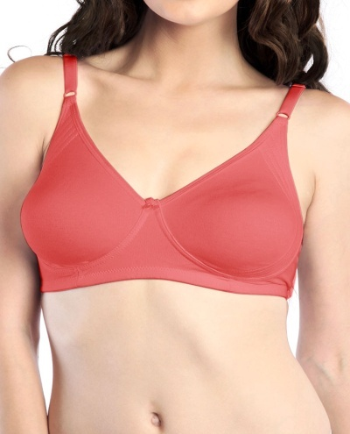 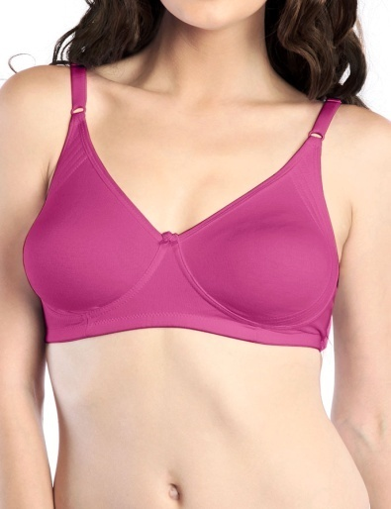 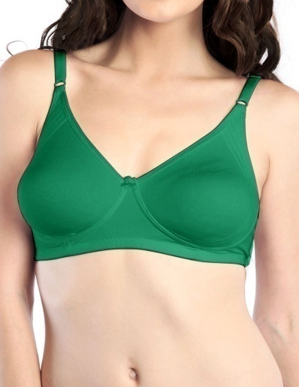

PURPLE
TEAL GREEN
RED

PEPPER GREEN
DEEP SEA CORAL
VERRY BERRY

Final Meas
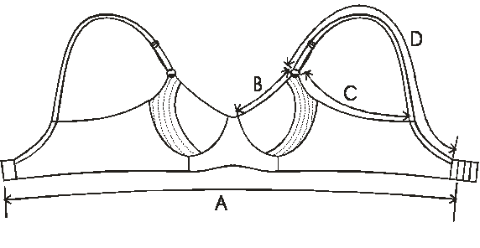
GRADED MEASUREMENT SPECIFICATION
 |  |  |  | Issued Date : |  | 8-Jan-16
BRAND : STRAWBERRY LENCERIA |  | STYLE #: 1002
CATEGORY: LADIES WEAR |  | STYLE NAME : MOLDED ENCIRCLED BRA

KEY | POINTS OF MEASUREMENTS | Tol +/- | 32B | 34B | 36B | 38B | 40B
A | BOTTOM BAND (Excl Hook & Eye) | 1 | 54 | 58 | 62 | 66 | 70
B | NECK LINE | 0.5 | 13.7 | 14.5 | 15.3 | 16.1 | 16.9
C | ARMHOLE | 0.7 | 21.5 | 22.5 | 23.5 | 24.5 | 25.5
D | READY STRAP LENGTH | 1 | 34.5 | 34.5 | 34.5 | 37 | 37
E | CUT STRAP LENGTH | 1 | 42 | 42 | 42 | 44.5 | 44.5
F | HOOK & EYE |  | 2X3 | 2X3 | 2X3 | 3x3 | 3X3
G | SHOULDER STRAP |  | 12 mm | 12mm | 12mm | 14mm | 14mm
 | C- CUP | TOL+/- | 32C | 34C | 36C | 38C | 40C
A | BOTTOM BAND (Excl Hook & Eye) | 1 | 54 | 58 | 62 | 66 | 70
B | NECK LINE | 0.5 | 14.5 | 15.3 | 16.1 | 16.9 | 17.7
C | ARMHOLE | 0.7 | 22.5 | 23.5 | 24.5 | 25.5 | 26.5
D | READY STRAP LENGTH | 1 | 34.5 | 34.5 | 37 | 37 | 37
E | CUT STRAP LENGTH | 1 | 42 | 42 | 44.5 | 44.5 | 44.5
F | HOOK & EYE |  | 2X3 | 2X3 | 3X3 | 3x3 | 3X3
G | SHOULDER STRAP |  | 12 mm | 12 mm | 14 mm | 14mm | 14 mm
 | D - CUP | TOL+/- | 34 D | 36 D
A | BOTTOM BAND (Excl Hook & Eye) | 1 | 58 | 62
B | NECK LINE | 0.5 | 16.1 | 16.9
C | ARMHOLE | 0.7 | 24.5 | 25.5
D | READY STRAP LENGTH | 1 | 37 | 37
E | CUT STRAP LENGTH | 1 | 44.5 | 44.5
F | HOOK & EYE |  | 3X3 | 3X3
G | SHOULDER STRAP |  | 14 mm | 14 mm
HOW TO MEASURE

Folding Details
FOLDING DETAILS
Issued Date :
BRAND : STRAWBERRY LENCERIA |  | STYLE #: 1002
CATEGORY: LADIES WEAR |  | STYLE NAME : MOLDED ENCIRCLED BRA
STEP-1 | 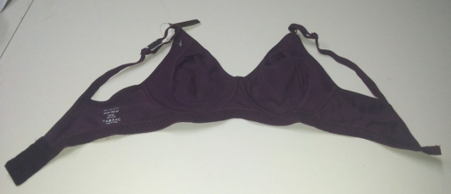 | PLACE THE GARMENT FACING BACK SIDE FLAT ON THE TABLE | 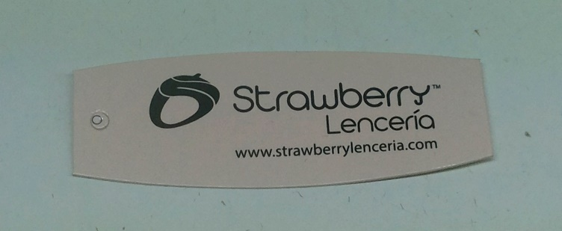
STEP-2 | 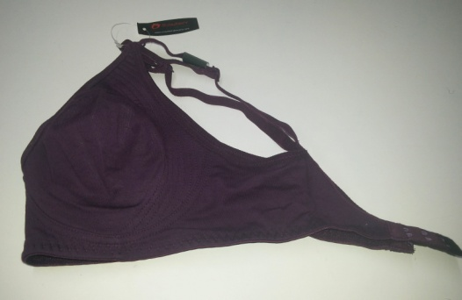 | FOLD THE GARMENT FROM THE LEFT SIDE INTO HALF
STEP-3 | 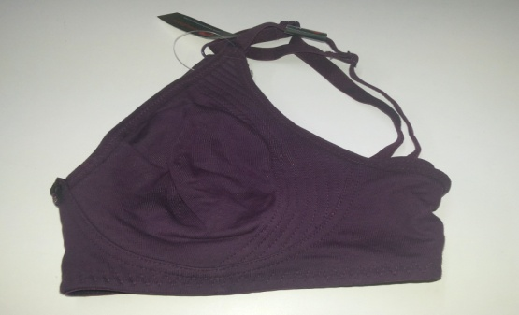 | FOLD BACK SWEEP AT THE CENTER
STEP-4 | 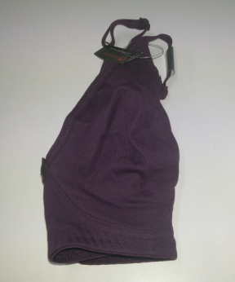 | AGAIN MAKE ONE MORE TILL THE THE BOW
STEP-5 | 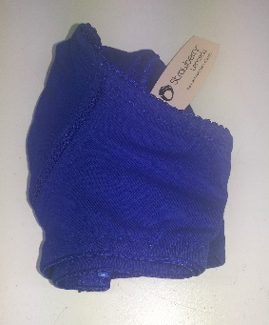 | FOLD THE STRAPS INSIDE
STEP-6 | 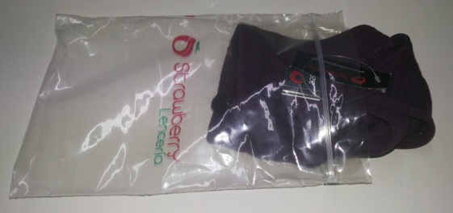 | PUT IT INSIDE THE POLY POCH
STEP-7 | 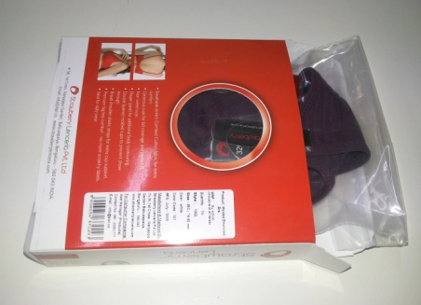 | INSERT THE GARMENT INSIDE THE PET BOX
STEP-8 | 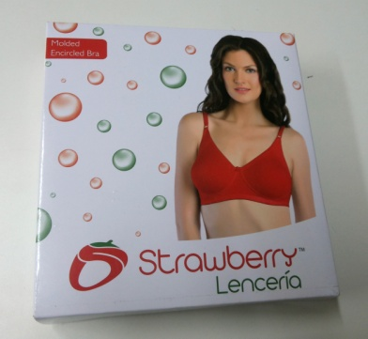 | NOW PLACE THE GARMENT INSIDE THE PET BOX

Packaging Details
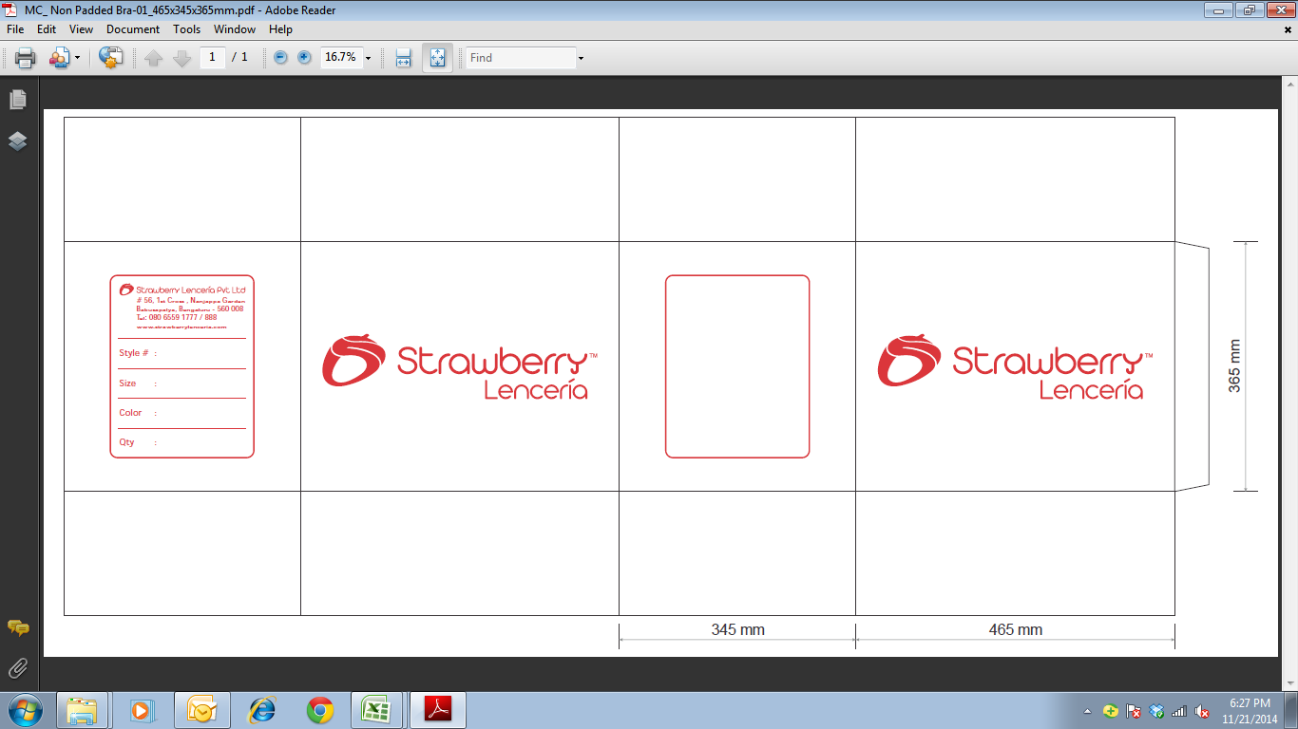
PACKING DETAILS
 | Issued Date :
BRAND : STRAWBERRY LENCERIA |  | STYLE #: 1002
CATEGORY: LADIES WEAR |  | STYLE NAME : MOLDED ENCIRCLED BRA

BARCODE PLACEMENT INSIDE THE WHITE BOX |  | INNER CARTON


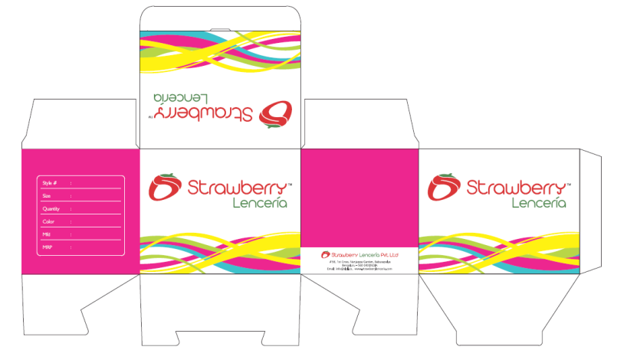

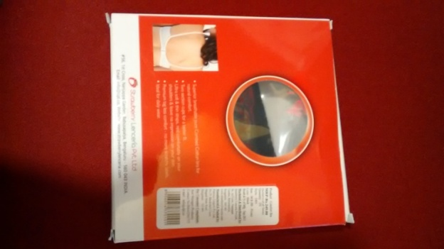

 |  | 1 Inner Carton should have 6 Pet Boxs
 |  | All 6 Pet Boxs Should be Single Color & Single size

MASTER (OUTTER) CARTON
PRINT COLOUR : RED (MANDATORY) QUALITY: 5 PLY 1 Master Carton should have 10 Inner Cartons

