DESIGN SHEET
DESIGN SHEET
Issued Date :
BRAND : STRAWBERRY LENCERIA | STYLE #: 1012
CATEGORY: LADIES WEAR | STYLE NAME : CUT 'N' SEW BRA

FRONT | BACK
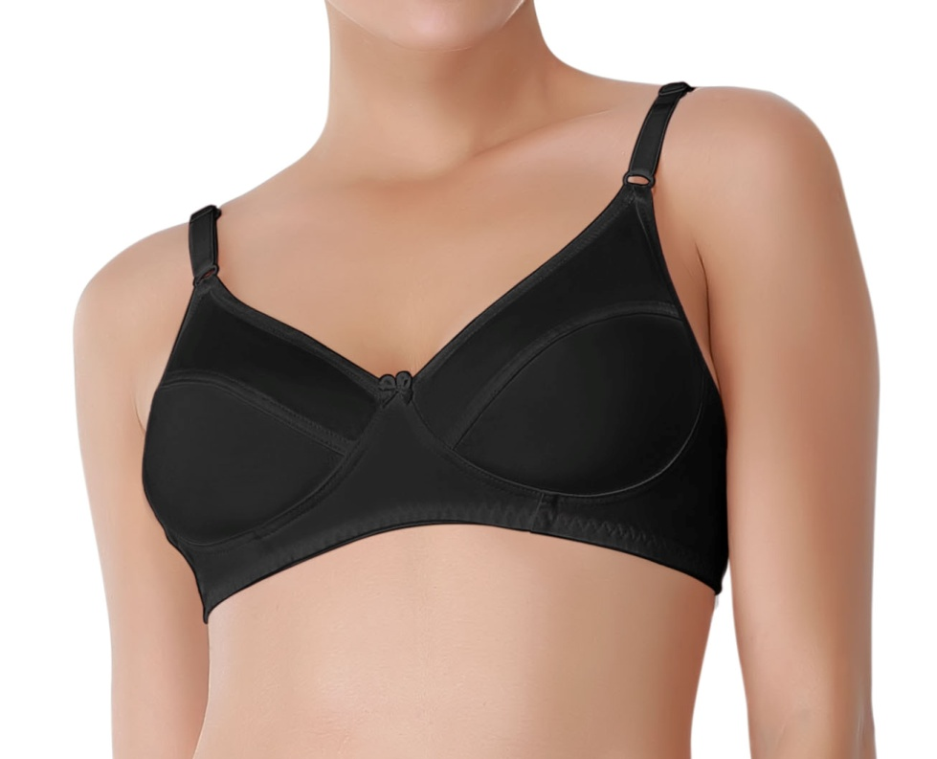 | 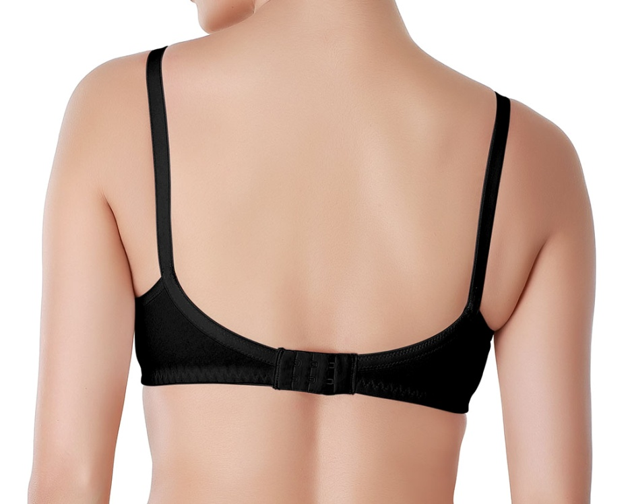

WHITE
BLACK
COLOUR DETAILS
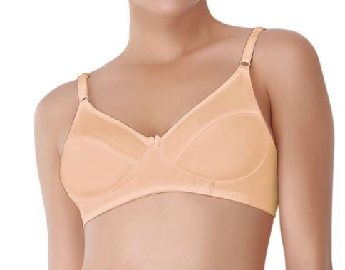  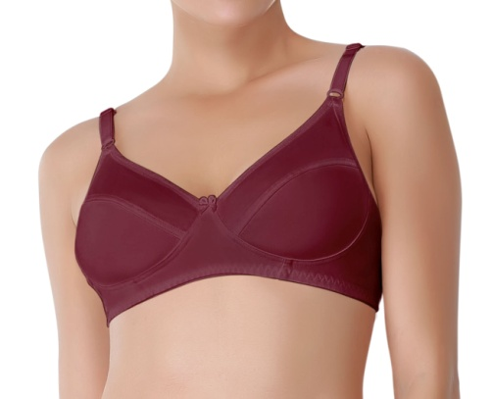 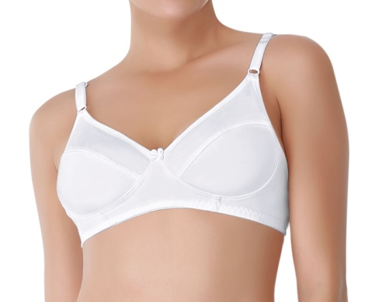

RUMBA RED
SKIN

Folding Details
FOLDING DETAILS
Issued Date :
BRAND : STRAWBERRY LENCERIA |  | STYLE #: 1012
CATEGORY: LADIES WEAR |  | STYLE NAME : CUT 'N' SEW BRA
STEP-1 | 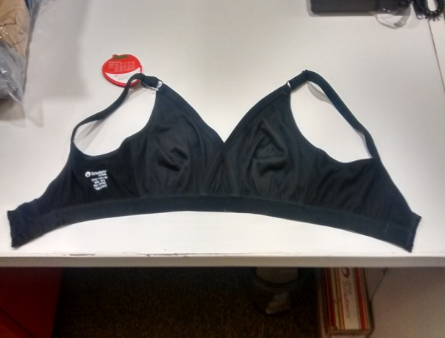 | PLACE THE GARMENT FACING BACK SIDE FLAT ON THE TABLE
STEP-2 | 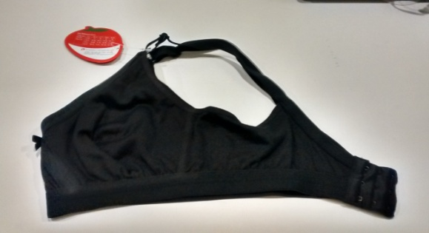 | FOLD THE GARMENT FROM THE LEFT SIDE INTO HALF
STEP-3 | 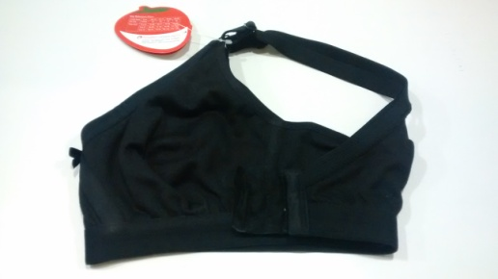 | FOLD BACK SWEEP AT THE CENTER
STEP-4 |  | AGAIN MAKE ONE MORE TILL THE THE BOW
STEP-5 | 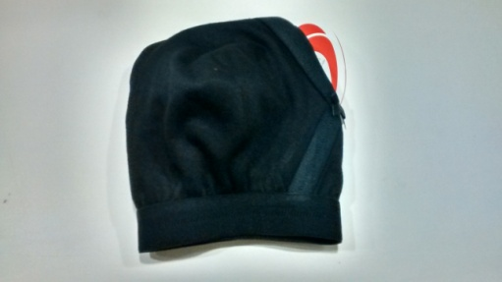 | FOLD THE STRAPS INSIDE
STEP-6 |  | PUT IT INSIDE THE POLY POCH
STEP-7 | 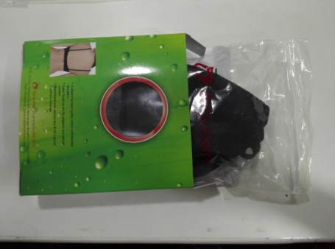 | INSERT THE GARMENT INSIDE THE PET BOX
STEP-8 | 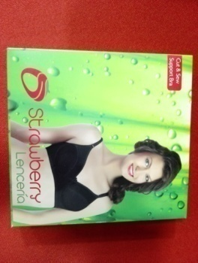 | NOW PLACE THE GARMENT INSIDE THE PET BOX

Packaging Details
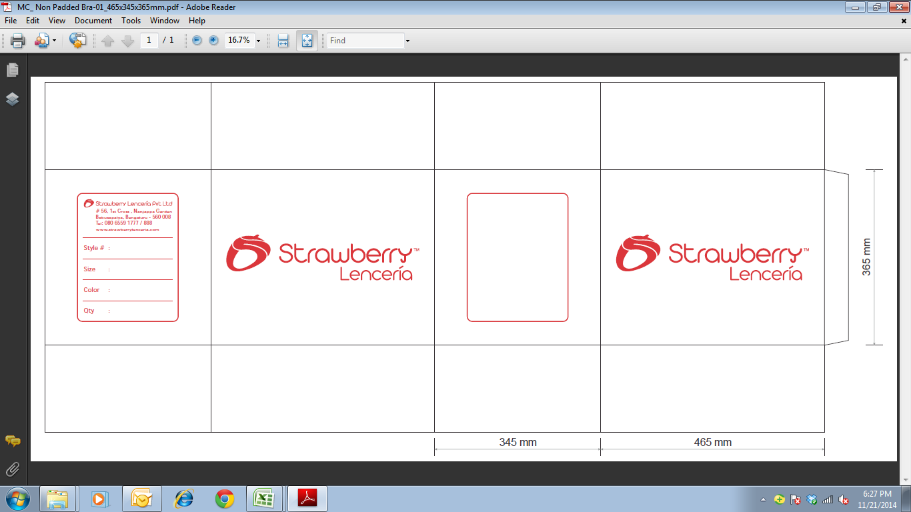
PACKING DETAILS
 | Issued Date :
BRAND : STRAWBERRY LENCERIA |  | STYLE #: 1012
CATEGORY: LADIES WEAR |  | STYLE NAME : CUT 'N' SEW BRA

BARCODE PLACEMENT INSIDE THE WHITE BOX |  | INNER CARTON


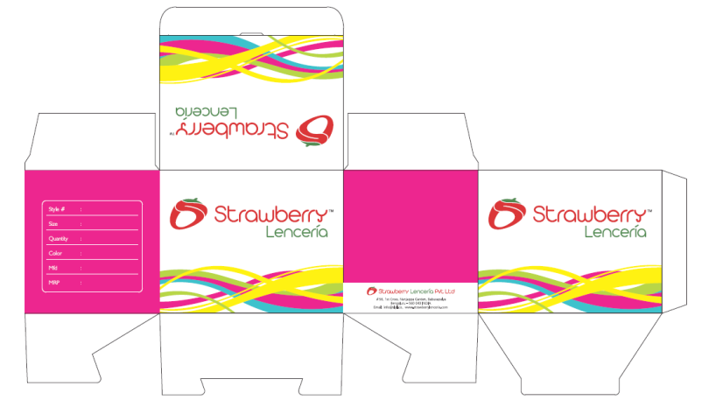

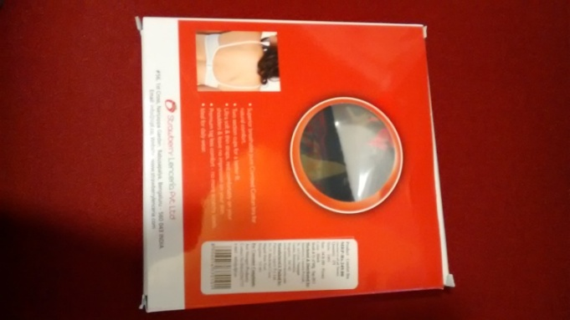

 |  | 1 Inner Carton should have 6 Pet Boxs
 |  | All 6 Pet Boxs Should be Single Color & Single size
MASTER (OUTTER) CARTON
PRINT COLOUR : RED (MANDATORY) QUALITY: 5 PLY 1 Master Carton should have 10 Inner Cartons

