Sheet1
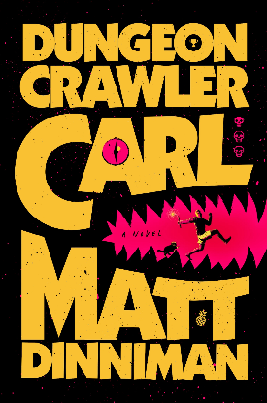
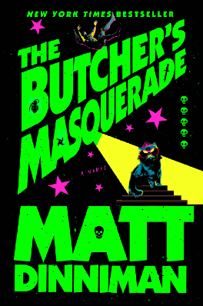
#F9C132 B1 Yellow | #05FF00 b5 green
#FE006F B1 pink | #FF24CC b5 pink
 | #F7FF22 b5 yellow
 | #F7FF22 b5 blue
 | #D40407 b5 red


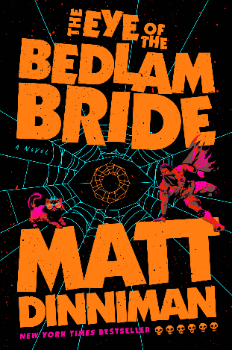
#FE006F B2 Yellow | #FF7D11 b6 orange
#FE006F B2 pink | #09F0F7 b6 blue
#FE0000 b2 orange | #FF00A9 b6 pink
#F30302 b2 red | #F12204 b6 red


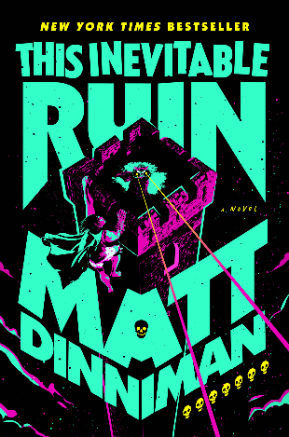
#FF2625 b3 red | #FDFD01 b7 yellow
#FED700 b3 yellow | #33FFC8 b7 blue
#FFFFFF b3 white | #33FFC8 b7 pink
#0D7574 b3 green


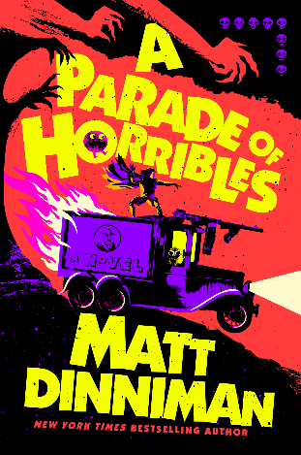
#F7FF20 b4 yellow | #FF3A3B b8 red
#FF099C b4 pink | #8F00FF b8 purple
#02849C b4 blue | #F3FE00 b8 yellow
#E30B02 b4 red | #FF00D0 b8 pink
#016A7E geen

