Sheet1
Sr. No. | Origin | Bug Description | Priority | Screen Shot | Status | comment
1 | Home page | Title -Spell check in highlited box Steps to Reproduce -Go to bottom of any page Actual Result - it is arthoscopy Expected result - it should be arthroscopy |  | 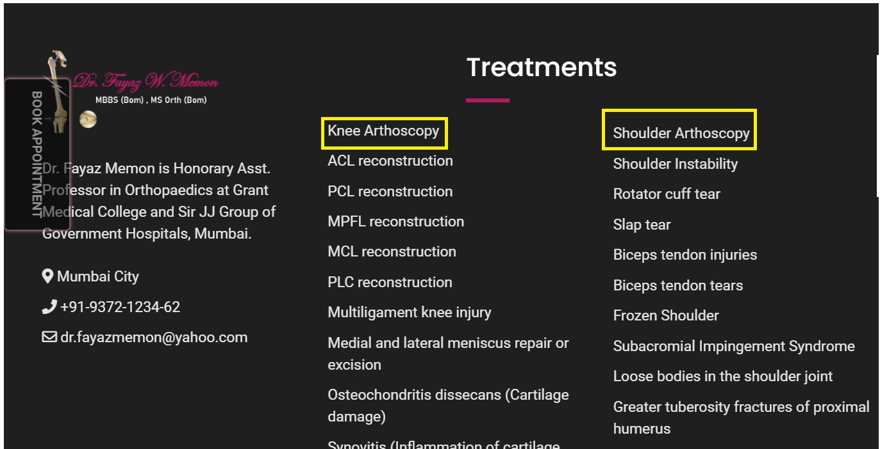
2 | Home page | Title -Email id, locaion & Ph. No. are dead links Steps to Reproduce -It is on the footer of every page. Actual Result -When we click on Email id, locaion & Ph. No. it takes on top of the page Expected result - When we click on Email id, locaion & Ph. No. it should take us to the mail box, map & call on the ph. no. |  | 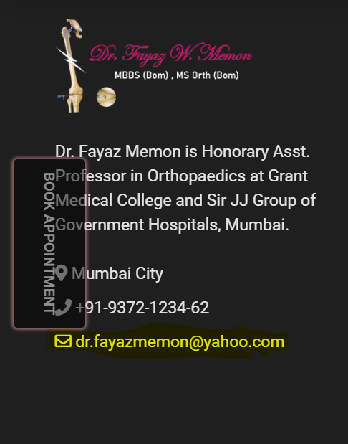
3 | Home page | Title -When we click on make an appointment it is not giving any notification like the appointment has been cancelled or conform Steps to Reproduce -Go to bootom of any page Actual Result - not giving any notification Expected result - When we click on appointment it should have to give notification message |  | 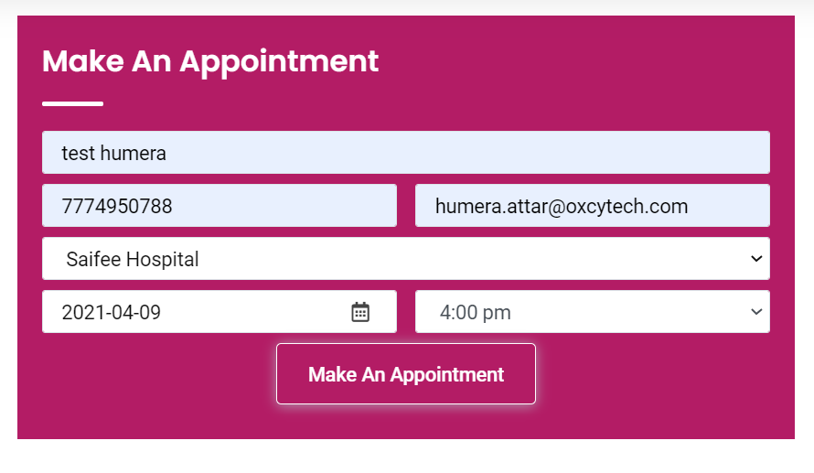
4 | Home page | Title -Oppointment time error Steps to Reproduce -Go to home page Actual Result - If we take an appointment of 4pm at 11 PM night, it is allowing to submit an appointment Expected result - It should not reflect appointment time and date which has already been passed. |  | 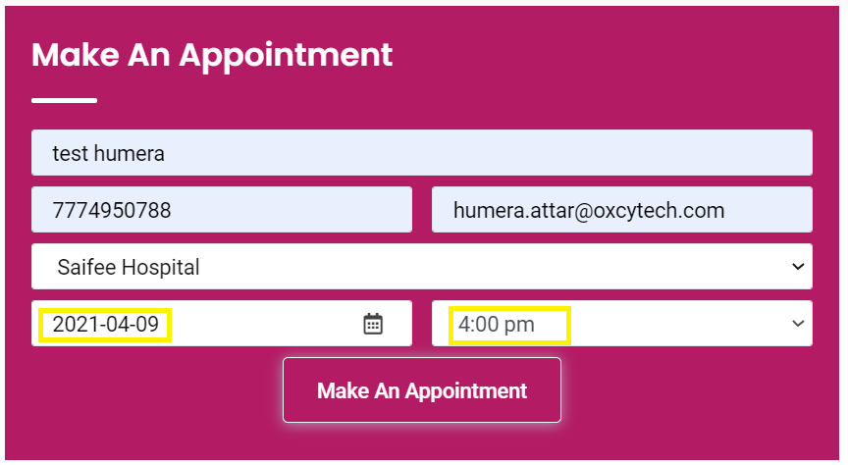
5 | Know your surgeon | Title -Spelling error of highlighted word Steps to Reproduce -GO to know your surgeon Actual Result - it is color Expected result - It should be colours |  | 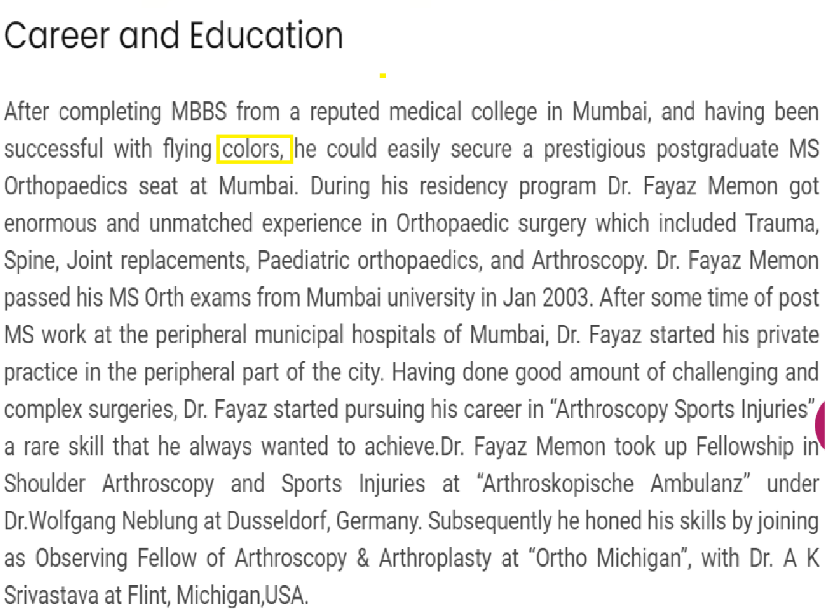
6 | Go knee page | Title -Console error on knee page Steps to Reproduce -Go to knee page Actual Result - Error on console Expected result - tThere should be no error on console |  | 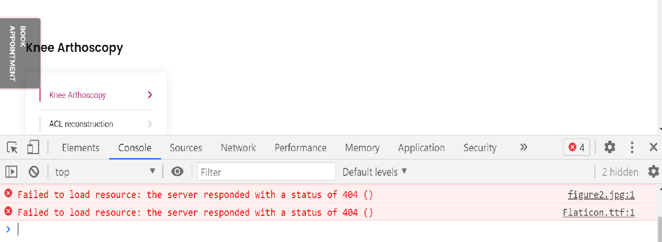
7 |  | Title -Spelling mistake in hilighted box Steps to Reproduce -Go to knee page Actual Result - It is arthoscopy Expected result - It should be arthroscopy |  | 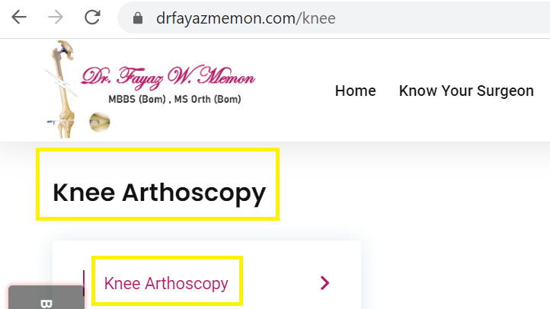
8 |  | Title -Spelling error Steps to Reproduce - Go to knee page Actual Result - it is arthoscopy Expected result - It should be arthroscopy |  | 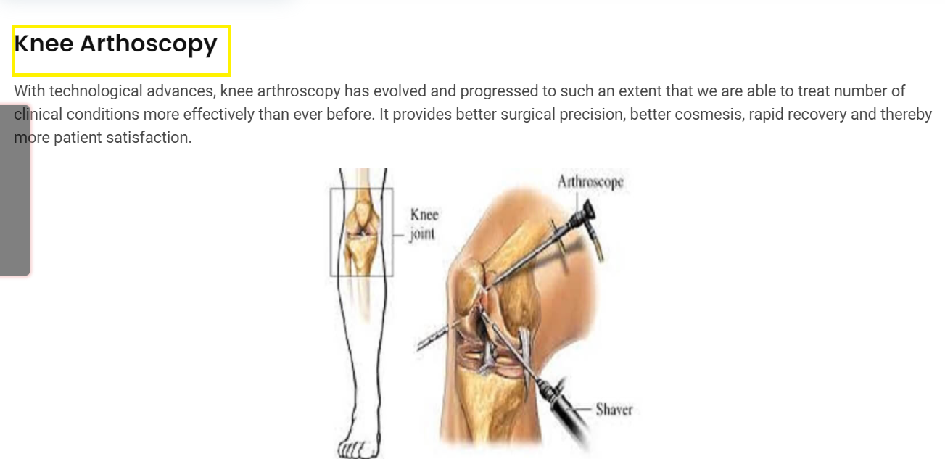
9 | Knee page | Title - Book now error Steps to Reproduce -Go to Knee page Actual Result - When we click book now notification is not showing. Expected result - After clicking book now it should show notification message. |  | 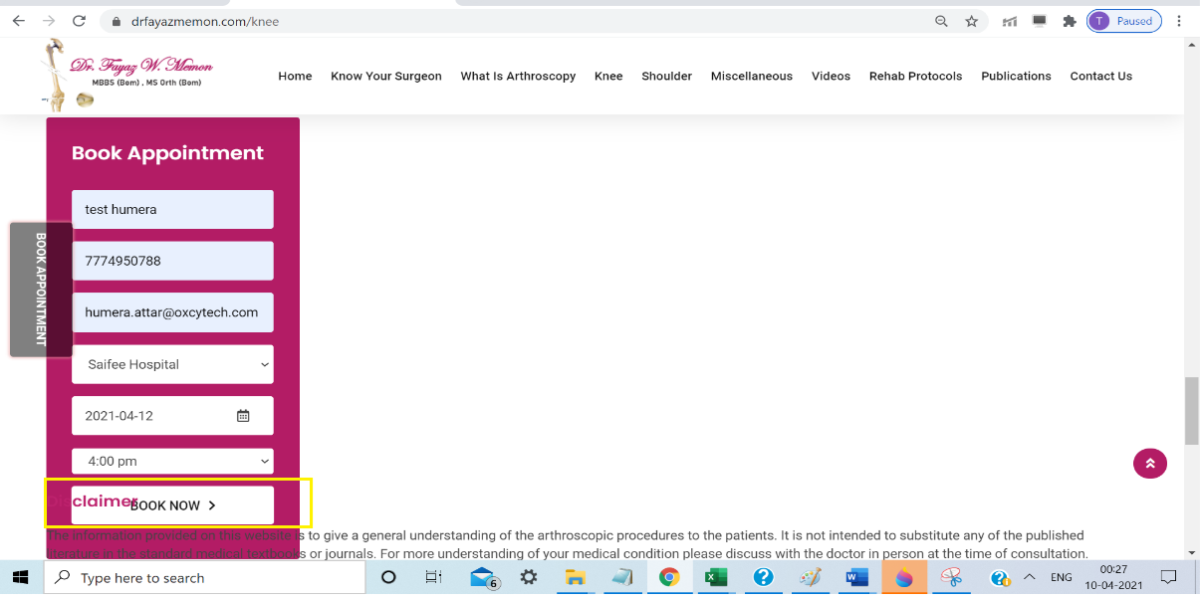
10 | knee page | Title -Overlapping words and wrong message format Steps to Reproduce -Go to knee page Actual Result - When we book then the words are overlapping, also the message half visible. Half of the message is in colour side and the other half is in the white side. Expected result - When we book the words should not overlap each other and also the shoud be clear and visible |  | 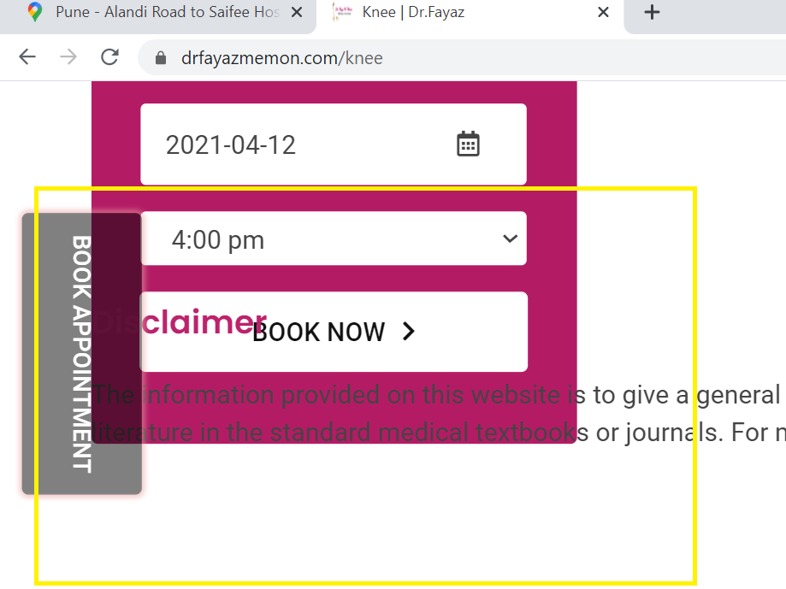
11 | Contact us page | Title -When we click on facebook twitter linkdin link it is not open Steps to Reproduce -Go to contact us page Actual Result - they are dead link Expected result - If they are a link it should have to open when we click on it |  | 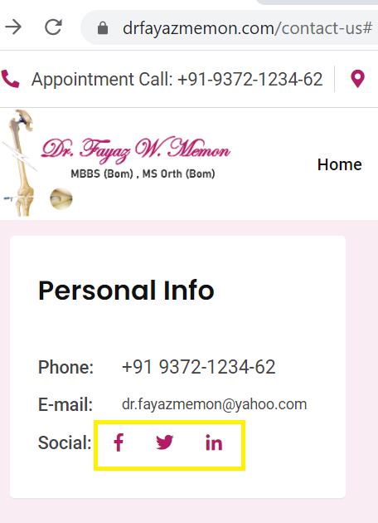
12 | Contact us page | Title -Console error on contact us page Steps to Reproduce -Go to contact us page Actual Result - Error on console Expected result - There should be no error on console |  | 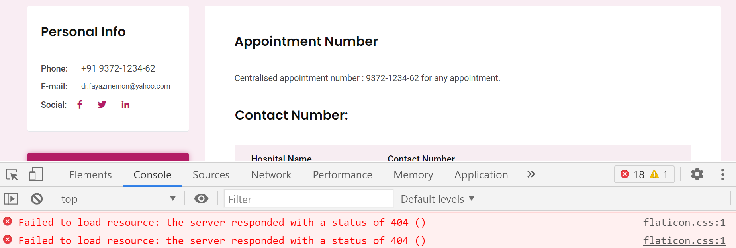
13 | Publication page | Title -Console error on publication page Steps to Reproduce -Go to publication page Actual Result - Error on console Expected result - There should be no error on console |  | 
14 |  | Title -Active button is missing Steps to Reproduce -Go to any page Actual Result - When we click on any link of the header it is not showing which link is open Expected result - When we click on any link of the header it should be active
 |  |  |  | Suggestions:- 1. On home page there should be a full stop after "Dr" in Dr Fayyaz Memon. 2. On every headings there should be underline on the whole headings. There is only half underline now on the site
 |  |  |  | Online responsive checker this website is working in Iphone xs, iphone 8,samsung galaxy s8,samsung galaxy s4. website is wprking in chrome ,firefox and not giving a proper respond on edge,and ie

