SLCO1B1 Implementation Workflow
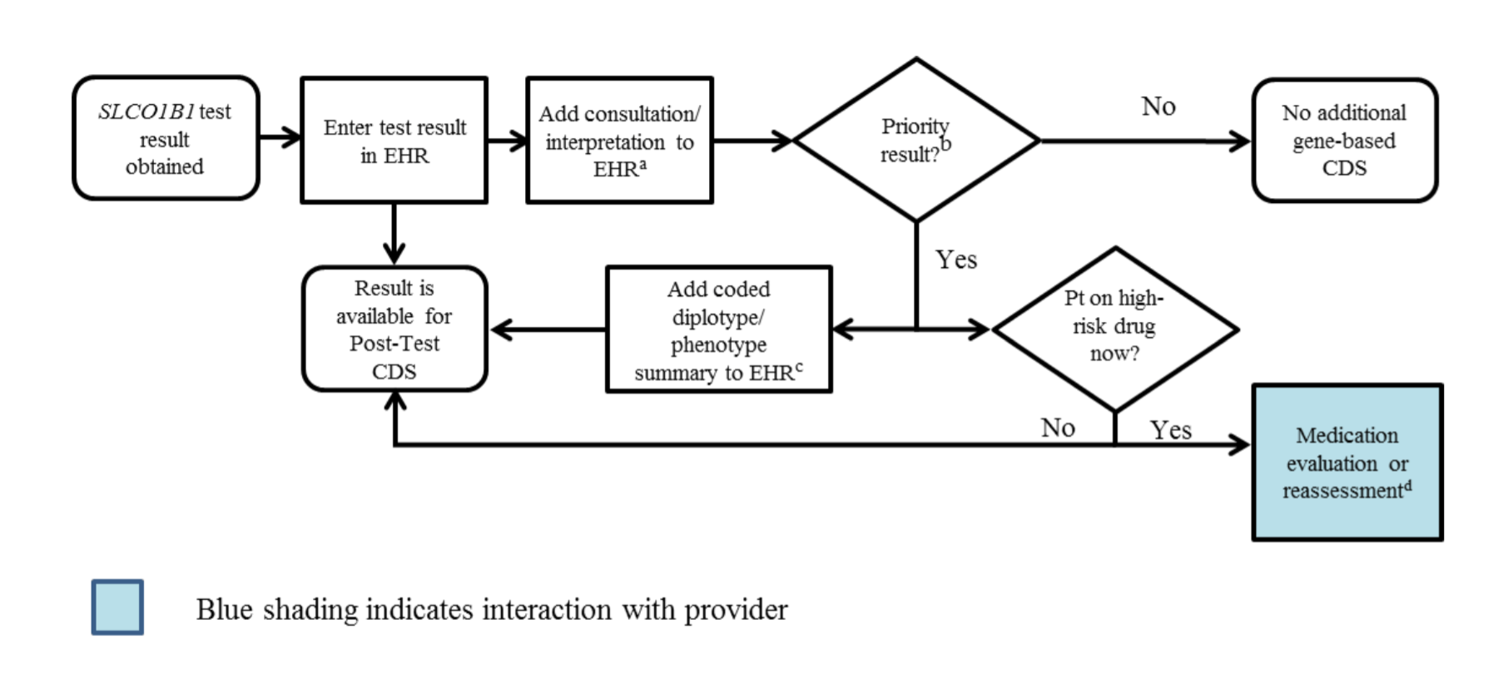

aSee 'Interpretation Consult Note' tab for diplotype/phenotype specific example
b"Priority result" is defined as a genetic test result that necessitates a change in drug, drug dose, or drug monitoring now or potentially in the future.
cDocumentation in the EHR is institution specific. Optimally, the phenotype and/or genotype are available in the EHR to permanently inform prescribing decisions. See "Interpretation Consult Note" tab for genotype/phenotype-specific summaries.
dSee supplement section “Other Considerations” for discussion regarding use of simvastatin using the information of a patient’s SLCO1B1 genotype test result.

