CYP2B6 Implementation Workflow
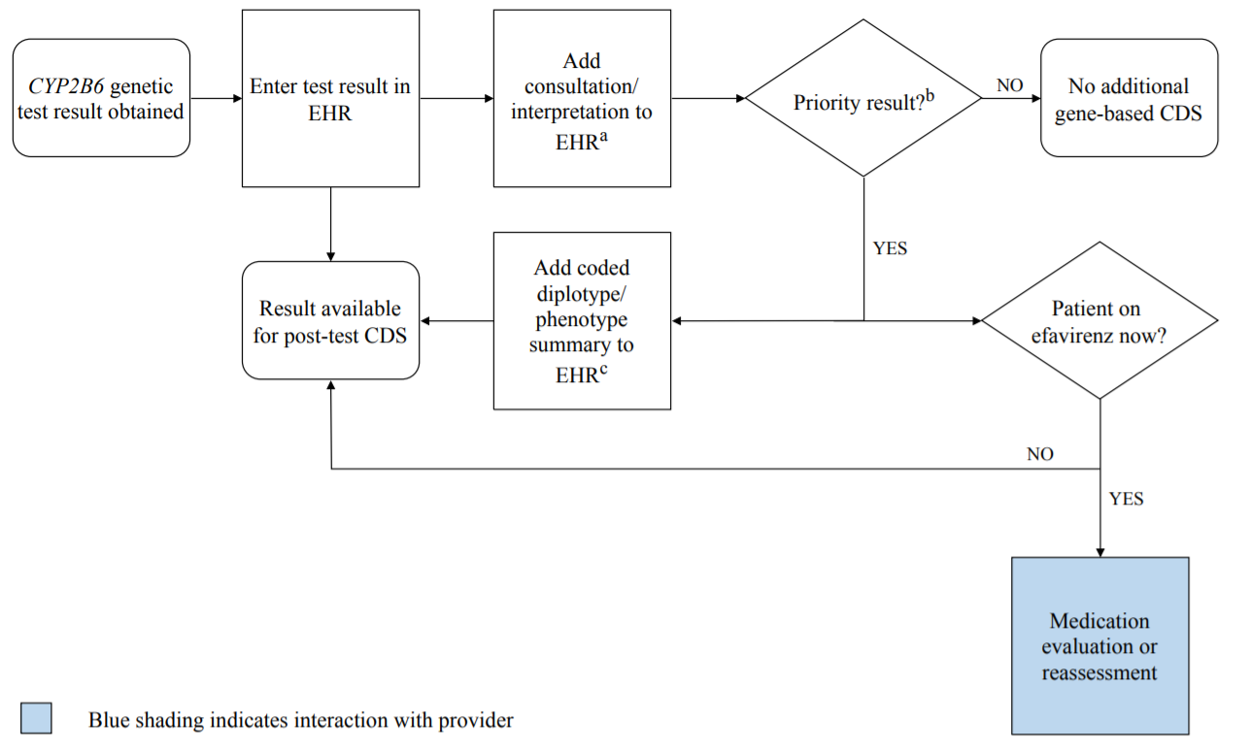

aSee '2B6 Interpretation Consult Note' tab for specific examples.
b"Priority result" is defined as a genetic test result that necessitates a change in drug, drug dose, or drug monitoring.
cDocumentation in the EHR is institution-specific. Optimally, the phenotype and/or genotype are available in the EHR to permanently inform prescribing decisions. See '2B6 Interpretation Consult Note' tab for diplotype/phenotype-specific summaries.

