CYP2C9 Implementation workflow
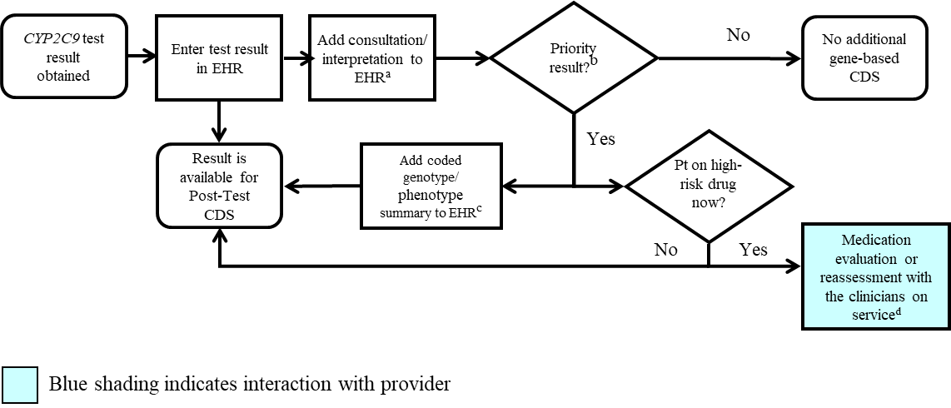

aSee '2C9Interpretation consult note' tab for diplotype/phenotype specific examples
bPriority result is defined as a genetic test result that necessitates a change in drug, drug dose, or drug monitoring now or potentially in the future.
cDocumentation in the EHR is institution specific. Optimally, the phenotype and/or genotype are available in the EHR to permanently inform prescribing decisions. See '2C9Interpretation consult note' tab for genotype/phenotype-specific summaries.

