readMe
 | Car Payment Calculator With Extra Payments | Excel Tutorial
 | https://youtu.be/hSU_llYU5QM

 | How to Copy and Paste Values Without Formula in Excel
 | https://youtu.be/E2qBofQrAXY

Textbook
chapter 2
 | 2.1 Introduction
 | 2.17 Software Development Process
 |  | VideoNote 2.4 Compute Loan Payments
 |  | Live Example 2.9 ComputeLoan.java
 |  | This program lets the user enter the interest rate, number of years, and loan amount, and computes monthly payment and total payment.
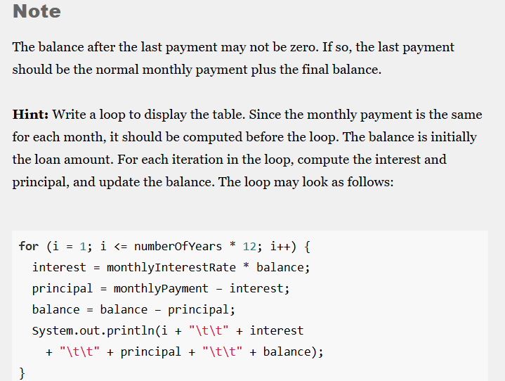

chapter 5
 | Programming Exercises From The Book
 | 5.21 Financial applicaton: compare loans with various interest rates
 | 5.22 Financial application: loan amortization schedule
 |  | VideoNote 5.6 Display Loan Schedule

chapter 10
 | 10.2 Class Abstraction and Encapsulation
 |  | VideoNote 10.1 The Loan Class
 |  | LiveExample 10.1 TestLoanClass.java
 |  | LiveExample 10.2 Loan.java

chapter 15 | (not covered in the class)
 | 15.7 Case Study: Loan Calculator
 |  | LiveExample 15.7 LoanCalculator.java

chapter 17
 | Programming Exercises From The Book
 | 17.6 Store Loan objects
 | 17.7 restore objects from a file

chapter 20
 | 20.6 The Comparator Interface

