Welcome
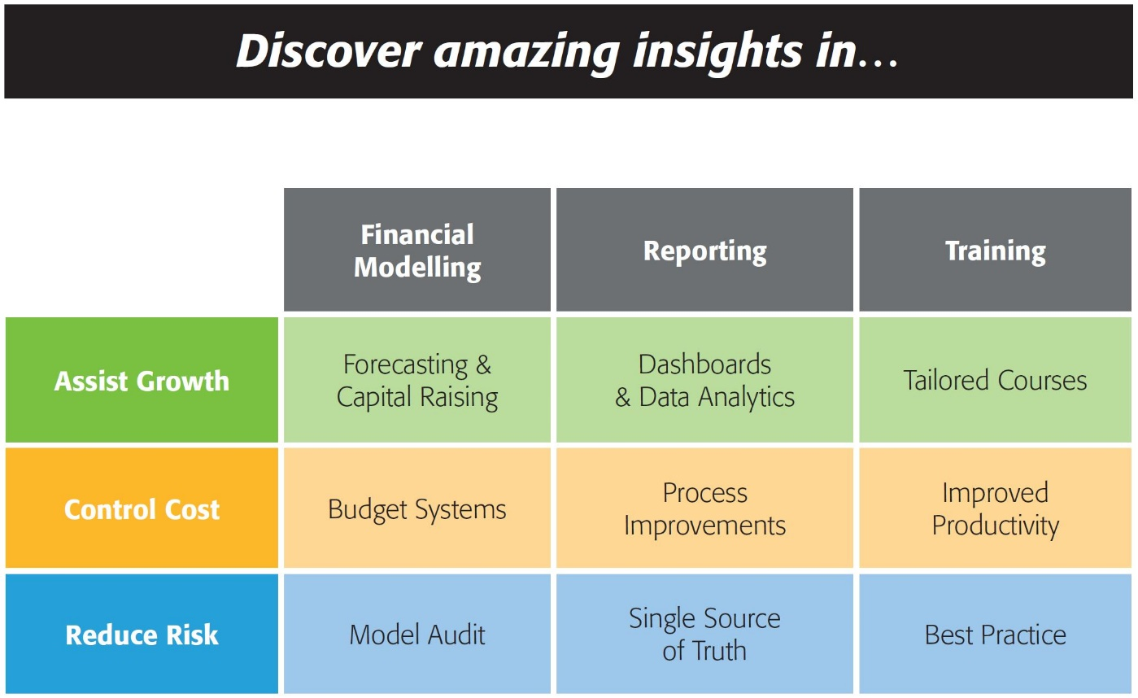


143/580 Hay St
Perth WA 6000
Australia
Ph: +61 8 6210 8500
www.accessanalytic.com.au

Power Query Challenge
by Wyn Hopkins
whopkins@accessanalytic.com.au
Director, Access Analytic accessanalytic.com.au/blog | @AAnalytic | Wyn Hopkins

Challenge
Power Query Challenge
Take the source data in the blue table and turn it into the format shown in the green table.
Your solution needs to automatically handle extra Projects & Allocation columns being added in future.
Assume they're added with the same format as shown here.
If there is more than one project, the Final GL Code needs to show [Code]|A, [Code]|B etc.
If 100% is allocated to just one project, the Final GL Code column should just show the GL code.

SOURCE |  |  |  |  |  |  |  | REQUIRED OUTPUT
 |  | Project 1 Allocation |  | Project 2 Allocation |  | Project 3 Allocation
Team | GL CODE | Project Name 1 | Project % 1 | Project Name 2 | Project % 2 | Project Name 3 | Project % 3 | Team | Final GL Code | Project | Percentage Split
Finance | 1000 | Alpha | 100% |  |  |  |  | Finance | 1000 | Alpha | 100%
Finance | 2000 | Beta | 90% | Delta | 10% |  |  | Finance | 2000|A | Beta | 90%
Finance | 3000 | Alpha | 50% |  |  | Beta | 50% | Finance | 2000|B | Delta | 10%
Operations | 1000 | Gamma | 100% |  |  |  |  | Finance | 3000|A | Alpha | 50%
Operations | 4000 | Beta | 30% | Gamma | 40% | Delta | 30% | Finance | 3000|B | Beta | 50%
Operations | 6000 | Delta | 60% |  |  | Alpha | 40% | Operations | 1000 | Gamma | 100%
Sales | 5000 | Delta | 100% |  |  |  |  | Operations | 4000|A | Beta | 30%
Sales | 5500 |  |  | Alpha | 100% |  |  | Operations | 4000|B | Delta | 30%
Sales | 5700 | Delta | 80% |  |  | Beta | 20% | Operations | 4000|C | Gamma | 40%
 |  |  |  |  |  |  |  | Operations | 6000|A | Alpha | 40%
 | Team | Project Name | Percentage Split | Custom |  |  |  | Operations | 6000|B | Delta | 60%
 | Finance | Alpha | 1 | 1000 |  |  |  | Sales | 5000 | Delta | 100%
 | Finance | Beta | 0.9 | 2000|A |  |  |  | Sales | 5500 | Alpha | 100%
 | Finance | Delta | 0.1 | 2000|B |  |  |  | Sales | 5700|A | Beta | 20%
 | Finance | Alpha | 0.5 | 3000|A |  |  |  | Sales | 5700|B | Delta | 80%
 | Finance | Beta | 0.5 | 3000|B
 | Operations | Gamma | 1 | 1000
 | Operations | Beta | 0.3 | 4000|A
 | Operations | Gamma | 0.4 | 4000|B
 | Operations | Delta | 0.3 | 4000|C
 | Operations | Delta | 0.6 | 6000|A
 | Operations | Alpha | 0.4 | 6000|B
 | Sales | Delta | 1 | 5000
 | Sales | Alpha | 1 | 5500
 | Sales | Delta | 0.8 | 5700|A
 | Sales | Beta | 0.2 | 5700|B

