Summary graphic 2024-25
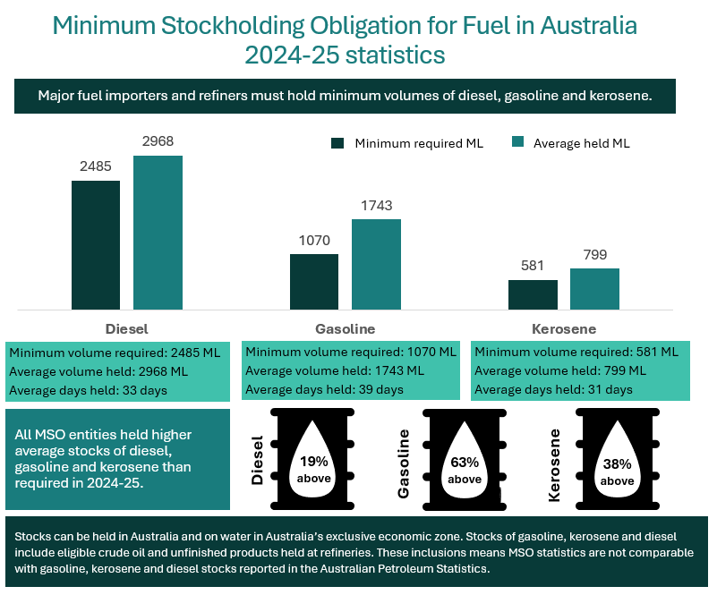
Accessible text for graphic:
Minimum stockholding obligation for fuel in Australia 2024-25 statistics.
Major fuel importers and refiners must hold minimum volumes of diesel, gasoline and kerosene.
Column chart comparing minimum required and average held for diesel, gasoline and kerosene.
Column one: Diesel minimum required 2485 ML, average held 2968 ML.
Column two: Gasoline minimum required 1070 ML, average held 1743 ML.
Column three: Kerosene minimum required 581 ML, average held 799 ML.
All entities held higher average stocks of diesel, gasoline and kerosene than required in 2024-25.
Oil icon showing diesel 19% above, gasoline 63% above and kerosene 38% above required volume.
Stocks can be held in Australia and on water in Australia's exclusive economic zone. Stocks of gasoline, kerosene and diesel include eligible crude oil and unfinished products held at refineries. These inclusions means MSO statistics are not comparable with gasoline, kerosene and diesel stocks reported in the Australian Petroelum Statistics.

