sample
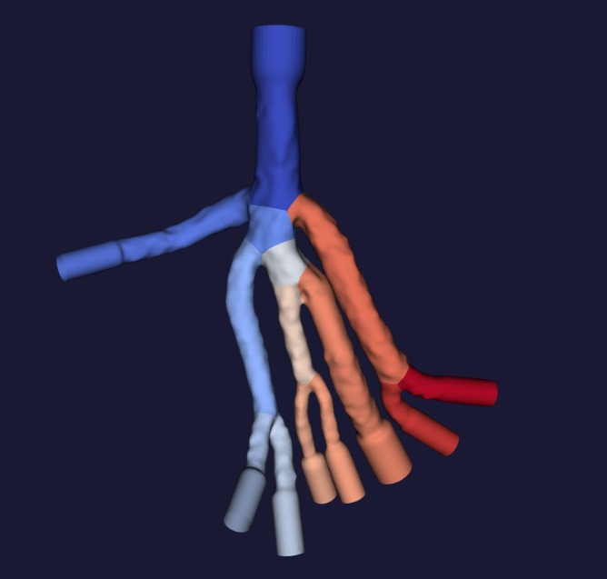
edgeNode0 | edgeNode1 | radius/MISR | length/Abscissas | xyz_edgeNode0 | xyz_edgeNode1
0 | 1 | 1.4594419161 | 25.031635284
2 | 3 | 1.306636044 | 15.057613373
xyz coordinates of edgeNode0 and edgeNode1 will go here .
SAMPLE input is on the right.
The actual geometry will be complex
4 | 3 | 1.3088443753 | 14.126030922
5 | 1 | 2.4745627881 | 20.18529129
6 | 7 | 1.100024274 | 15.447395325
8 | 7 | 1.0608107527 | 16.562004089
9 | 10 | 1.8192608136 | 26.90196991
11 | 12 | 1.3795525021 | 11.74515152
13 | 12 | 1.426475519 | 12.020822525
1 | 14 | 2.8855448066 | 5.1069836617
10 | 14 | 2.2918494275 | 4.4504442215
1 | 12 | 1.7904239687 | 23.226642609
3 | 14 | 1.4945684565 | 18.620006561
7 | 10 | 1.2111303811 | 11.470825195

