Sheet
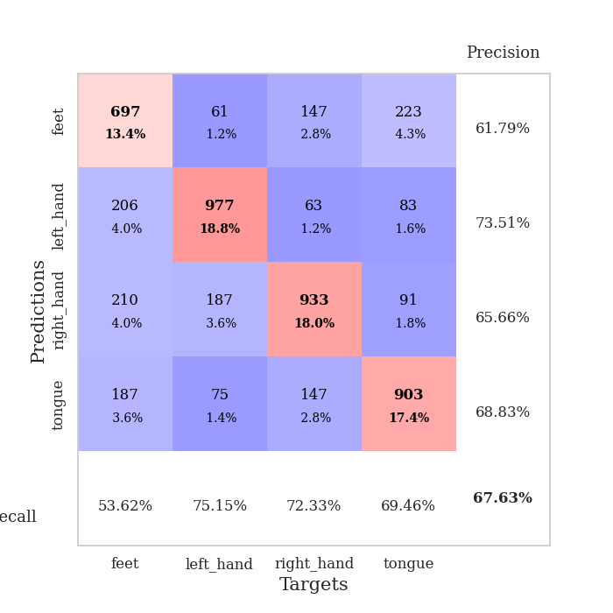
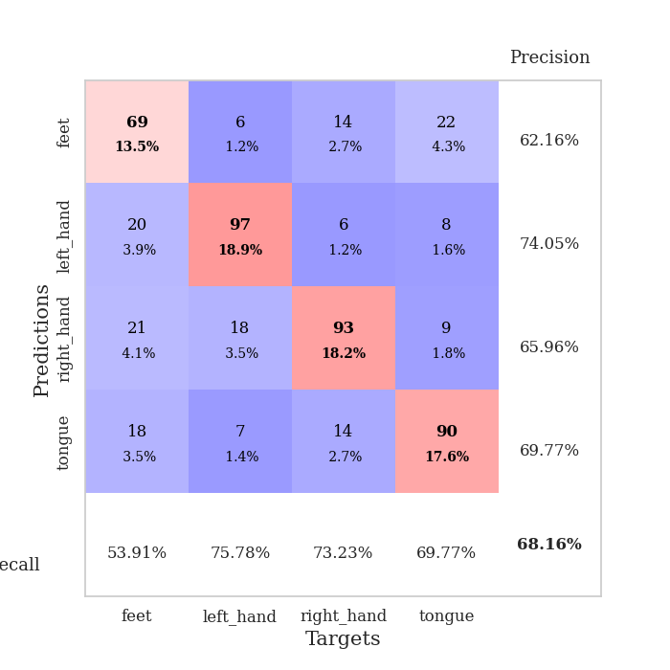
best_val_acc | best_val_los | best_test_acc
0.66281310212 | 0.96126188869 | 0.6483357453
0.66666666667 | 0.96782685429 | 0.65991316932
0.69556840077 | 0.89211550682 | 0.66521948866
0.68015414258 | 0.91594007893 | 0.66087795466
0.66859344894 | 0.96701829305 | 0.65315967197
0.67437379576 | 0.89861497966 | 0.64930053063
0.67630057803 | 0.89022646267 | 0.65798359865
0.67244701349 | 0.93072554785 | 0.64544138929
0.66473988439 | 0.94625297126 | 0.62325132658
0.70134874759 | 0.9320454331 | 0.65894838398

Mean,std Val accuracy is 0.676300578034682 , 0.012909281465794328 and mean, std test accuracy is 0.6522431259044863 , 0.011977960933639316

Sheet1
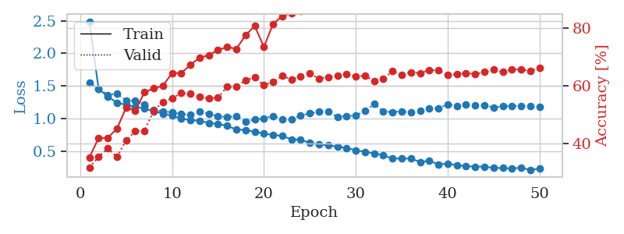
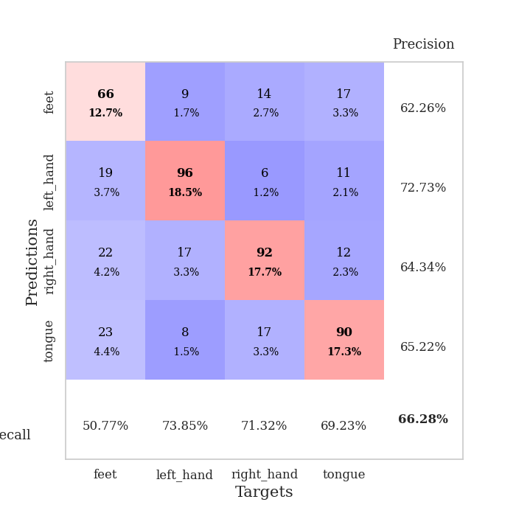
train_loss | valid_loss | train_accuracy | valid_accuracy | dur | train_misclass | valid_misclass
2.4881021793 | 1.5481140843 | 0.35262345679 | 0.31791907514 | 2.4749553204 | 35.262345679 | 31.791907514
1.4578549255 | 1.4588678333 | 0.41975308642 | 0.35452793834 | 0.72906112671 | 41.975308642 | 35.452793834
1.341225095 | 1.3665234795 | 0.42091049383 | 0.38342967245 | 0.76916241646 | 42.091049383 | 38.342967245
1.2482997716 | 1.3831578114 | 0.45216049383 | 0.35452793834 | 0.74162197113 | 45.216049383 | 35.452793834
1.2138841259 | 1.2823666327 | 0.52584876543 | 0.41233140655 | 0.76548600197 | 52.584876543 | 41.233140655
1.1836586223 | 1.2771905681 | 0.51466049383 | 0.44315992293 | 0.73702073097 | 51.466049383 | 44.315992293
1.156393202 | 1.2237577108 | 0.57908950617 | 0.4450867052 | 0.76209640503 | 57.908950617 | 44.50867052
1.1175844647 | 1.1353582555 | 0.59182098765 | 0.51445086705 | 0.72140264511 | 59.182098765 | 51.445086705
1.0787269988 | 1.1172483847 | 0.60108024691 | 0.54527938343 | 0.72189807892 | 60.108024691 | 54.527938343
1.049200668 | 1.0990782815 | 0.64544753086 | 0.55684007707 | 0.75276732445 | 64.544753086 | 55.684007707
1.0025755299 | 1.0702958038 | 0.6450617284 | 0.57610789981 | 0.7679502964 | 64.50617284 | 57.610789981
0.98079524658 | 1.0617802067 | 0.67399691358 | 0.57418111753 | 0.7379450798 | 67.399691358 | 57.418111753
0.97154089459 | 1.1109637736 | 0.6986882716 | 0.56262042389 | 0.72308826447 | 69.86882716 | 56.262042389
0.93707484688 | 1.0781859646 | 0.70717592593 | 0.55684007707 | 0.75822043419 | 70.717592593 | 55.684007707
0.9232856841 | 1.0372973037 | 0.72530864198 | 0.56069364162 | 0.76384282112 | 72.530864198 | 56.069364162
0.89171972724 | 1.0314876868 | 0.73533950617 | 0.59730250482 | 0.77243328094 | 73.533950617 | 59.730250482
0.83819918426 | 1.0344327369 | 0.72955246914 | 0.59730250482 | 0.76339387894 | 72.955246914 | 59.730250482
0.8296084369 | 0.96126188869 | 0.7762345679 | 0.6204238921 | 0.77007913589 | 77.62345679 | 62.04238921
0.80547129114 | 0.98692935326 | 0.80864197531 | 0.63005780347 | 0.7453827858 | 80.864197531 | 63.005780347
0.77465632558 | 1.008598827 | 0.73572530864 | 0.60308285164 | 0.72677874565 | 73.572530864 | 60.308285164
0.75363236758 | 1.0436388332 | 0.81597222222 | 0.61464354528 | 0.75262236595 | 81.597222222 | 61.464354528
0.74091400399 | 0.9883859826 | 0.84297839506 | 0.63583815029 | 0.7622654438 | 84.297839506 | 63.583815029
0.68652006745 | 0.98942418273 | 0.8537808642 | 0.62235067437 | 0.7219645977 | 85.37808642 | 62.235067437
0.68291868251 | 1.0532721033 | 0.86033950617 | 0.63391136802 | 0.73540210724 | 86.033950617 | 63.391136802
0.63071945632 | 1.0829330846 | 0.88155864198 | 0.64354527938 | 0.73429870605 | 88.155864198 | 64.354527938
0.60842940993 | 1.1071082466 | 0.88271604938 | 0.62620423892 | 0.76882839203 | 88.271604938 | 62.620423892
0.59722237611 | 1.1062621818 | 0.90316358025 | 0.63198458574 | 0.7641556263 | 90.316358025 | 63.198458574
0.57336036539 | 1.0334834561 | 0.90277777778 | 0.63583815029 | 0.77233910561 | 90.277777778 | 63.583815029
0.55580296413 | 1.0411412909 | 0.93479938272 | 0.64161849711 | 0.76645374298 | 93.479938272 | 64.161849711
0.52030847976 | 1.0537901586 | 0.93479938272 | 0.63391136802 | 0.75371003151 | 93.479938272 | 63.391136802
0.49624911742 | 1.1191478481 | 0.9525462963 | 0.63583815029 | 0.73527193069 | 95.25462963 | 63.583815029
0.47308497747 | 1.2254751675 | 0.95408950617 | 0.61849710983 | 0.76167321205 | 95.408950617 | 61.849710983
0.44369261459 | 1.112818113 | 0.9737654321 | 0.62620423892 | 0.7347881794 | 97.37654321 | 62.620423892
0.39163878463 | 1.1043074246 | 0.96527777778 | 0.65125240848 | 0.75959086418 | 96.527777778 | 65.125240848
0.39556687339 | 1.1162185159 | 0.97762345679 | 0.63969171484 | 0.73795771599 | 97.762345679 | 63.969171484
0.3923288621 | 1.095956196 | 0.97839506173 | 0.64739884393 | 0.73394823074 | 97.839506173 | 64.739884393
0.34196003892 | 1.1249503217 | 0.98070987654 | 0.64547206166 | 0.74947023392 | 98.070987654 | 64.547206166
0.3577081092 | 1.1615112531 | 0.98186728395 | 0.65510597303 | 0.74375486374 | 98.186728395 | 65.510597303
0.30578844626 | 1.1625305816 | 0.99421296296 | 0.65510597303 | 0.74282312393 | 99.421296296 | 65.510597303
0.31425206041 | 1.2195868685 | 0.98842592593 | 0.63776493256 | 0.74042391777 | 98.842592593 | 63.776493256
0.29418555192 | 1.1949624179 | 0.99344135802 | 0.64161849711 | 0.74664306641 | 99.344135802 | 64.161849711
0.27675800193 | 1.2152217748 | 0.99305555556 | 0.64547206166 | 0.71560502052 | 99.305555556 | 64.547206166
0.27168797933 | 1.2042509784 | 0.99614197531 | 0.64161849711 | 0.73724794388 | 99.614197531 | 64.161849711
0.2691598441 | 1.2058511736 | 0.99652777778 | 0.6493256262 | 0.73847746849 | 99.652777778 | 64.93256262
0.25086739852 | 1.1759553567 | 0.99845679012 | 0.6570327553 | 0.74076843262 | 99.845679012 | 65.70327553
0.24842563559 | 1.1907221752 | 0.99884259259 | 0.6493256262 | 0.74632906914 | 99.884259259 | 64.93256262
0.24151576991 | 1.1984446214 | 0.99884259259 | 0.65895953757 | 0.7603225708 | 99.884259259 | 65.895953757
0.25382857703 | 1.1973193068 | 0.99845679012 | 0.6570327553 | 0.73379874229 | 99.845679012 | 65.70327553
0.22122317638 | 1.1893259569 | 0.99845679012 | 0.65317919075 | 0.75950431824 | 99.845679012 | 65.317919075
0.23979830947 | 1.1794452635 | 0.99922839506 | 0.66281310212 | 0.7717859745 | 99.922839506 | 66.281310212

Best Val accuracy is 0.6628131021194605 and Best test accuracy is 0.6483357452966715

Sheet2
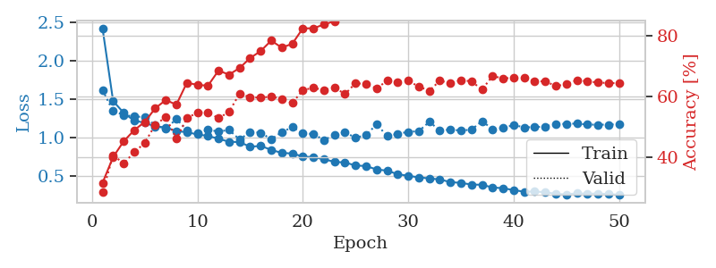
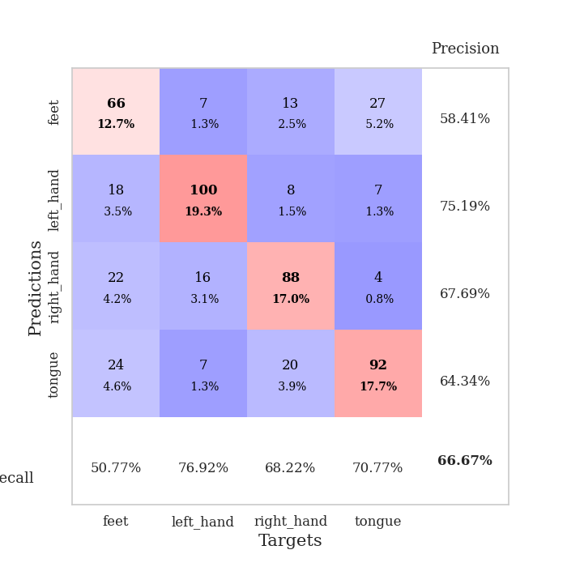
train_loss | valid_loss | train_accuracy | valid_accuracy | dur | train_misclass | valid_misclass
2.4158633031 | 1.6137380127 | 0.31597222222 | 0.28516377649 | 0.75007200241 | 31.597222222 | 28.516377649
1.4726961181 | 1.340551137 | 0.40046296296 | 0.40655105973 | 0.76266026497 | 40.046296296 | 40.655105973
1.3197877834 | 1.2920764675 | 0.45216049383 | 0.3795761079 | 0.76062822342 | 45.216049383 | 37.95761079
1.2164710135 | 1.2710244196 | 0.4888117284 | 0.4161849711 | 0.76029491425 | 48.88117284 | 41.61849711
1.1915158824 | 1.265072393 | 0.51581790123 | 0.44701348748 | 0.76274371147 | 51.581790123 | 44.701348748
1.1411427844 | 1.1569825075 | 0.56095679012 | 0.50674373796 | 0.77477812767 | 56.095679012 | 50.674373796
1.1292468067 | 1.1099584041 | 0.58796296296 | 0.53179190751 | 0.75598287582 | 58.796296296 | 53.179190751
1.0810305403 | 1.239870882 | 0.5725308642 | 0.46050096339 | 0.76962709427 | 57.25308642 | 46.050096339
1.0674052433 | 1.0927850624 | 0.64467592593 | 0.52793834297 | 0.77216506004 | 64.467592593 | 52.793834297
1.0382565278 | 1.0500406679 | 0.63773148148 | 0.5472061657 | 0.75702142715 | 63.773148148 | 54.72061657
1.0186361928 | 1.1002888406 | 0.6350308642 | 0.5472061657 | 0.74833345413 | 63.50308642 | 54.72061657
0.98248273613 | 1.0749590911 | 0.68479938272 | 0.52793834297 | 0.77218127251 | 68.479938272 | 52.793834297
0.942692498 | 1.0968727522 | 0.6712962963 | 0.54913294798 | 0.77105331421 | 67.12962963 | 54.913294798
0.93849571914 | 0.97144277133 | 0.69328703704 | 0.60886319846 | 0.75465631485 | 69.328703704 | 60.886319846
0.87771630471 | 1.0701358876 | 0.72569444444 | 0.59730250482 | 0.72265481949 | 72.569444444 | 59.730250482
0.88900893172 | 1.0608269785 | 0.74884259259 | 0.59537572254 | 0.73298025131 | 74.884259259 | 59.537572254
0.83720228058 | 0.97617415541 | 0.78317901235 | 0.59922928709 | 0.73943972588 | 78.317901235 | 59.922928709
0.79769133528 | 1.0677400517 | 0.7600308642 | 0.591522158 | 0.74313759804 | 76.00308642 | 59.1522158
0.78997815925 | 1.133025199 | 0.77276234568 | 0.57803468208 | 0.78793072701 | 77.276234568 | 57.803468208
0.7511355463 | 1.0570166396 | 0.82330246914 | 0.6204238921 | 0.75638699532 | 82.330246914 | 62.04238921
0.74115655912 | 1.0413778554 | 0.8236882716 | 0.62813102119 | 0.7594499588 | 82.36882716 | 62.813102119
0.71591542956 | 0.96782685429 | 0.83603395062 | 0.6204238921 | 0.76616501808 | 83.603395062 | 62.04238921
0.68121549837 | 1.0277140802 | 0.84722222222 | 0.63005780347 | 0.75290107727 | 84.722222222 | 63.005780347
0.67292912093 | 1.0653902814 | 0.87885802469 | 0.60693641618 | 0.74632763863 | 87.885802469 | 60.693641618
0.63420664326 | 0.99564148569 | 0.88773148148 | 0.64354527938 | 0.74536776543 | 88.773148148 | 64.354527938
0.62669266668 | 1.0290493752 | 0.86959876543 | 0.63969171484 | 0.74624729156 | 86.959876543 | 63.969171484
0.5819961539 | 1.1702599914 | 0.90277777778 | 0.62620423892 | 0.74949407578 | 90.277777778 | 62.620423892
0.56696211013 | 1.0177542692 | 0.92361111111 | 0.65125240848 | 0.75270247459 | 92.361111111 | 65.125240848
0.5205267413 | 1.0465998888 | 0.92091049383 | 0.64547206166 | 0.73840689659 | 92.091049383 | 64.547206166
0.49996020029 | 1.0717720055 | 0.93518518519 | 0.65125240848 | 0.75201010704 | 93.518518519 | 65.125240848
0.47912338353 | 1.0806838575 | 0.9575617284 | 0.63198458574 | 0.74358201027 | 95.75617284 | 63.198458574
0.46582270809 | 1.2016019209 | 0.95447530864 | 0.61849710983 | 0.7434592247 | 95.447530864 | 61.849710983
0.45184239386 | 1.0915937796 | 0.96450617284 | 0.65125240848 | 0.7424030304 | 96.450617284 | 65.125240848
0.417987486 | 1.0996307619 | 0.97106481481 | 0.64354527938 | 0.75332784653 | 97.106481481 | 64.354527938
0.40728126489 | 1.0895450703 | 0.96952160494 | 0.65317919075 | 0.76654934883 | 96.952160494 | 65.317919075
0.3861082715 | 1.099668306 | 0.97453703704 | 0.6493256262 | 0.77583408356 | 97.453703704 | 64.93256262
0.38291120621 | 1.2119273793 | 0.98225308642 | 0.62235067437 | 0.94688987732 | 98.225308642 | 62.235067437
0.34783158212 | 1.1067568728 | 0.9888117284 | 0.66666666667 | 0.82879829407 | 98.88117284 | 66.666666667
0.33832726448 | 1.11967957 | 0.98804012346 | 0.65895953757 | 0.97878336906 | 98.804012346 | 65.895953757
0.31393106404 | 1.1619062587 | 0.99074074074 | 0.66088631985 | 0.89875030518 | 99.074074074 | 66.088631985
0.29278804491 | 1.1297368018 | 0.98958333333 | 0.66088631985 | 0.85405087471 | 98.958333333 | 66.088631985
0.29419741798 | 1.1339191134 | 0.99228395062 | 0.6493256262 | 0.82352304459 | 99.228395062 | 64.93256262
0.28675331631 | 1.1407744161 | 0.99575617284 | 0.6493256262 | 0.94910001755 | 99.575617284 | 64.93256262
0.26419391998 | 1.1760426275 | 0.9949845679 | 0.63391136802 | 0.8958272934 | 99.49845679 | 63.391136802
0.25816305913 | 1.17428334 | 0.99729938272 | 0.63969171484 | 0.8972966671 | 99.729938272 | 63.969171484
0.27122143017 | 1.1801123132 | 0.99652777778 | 0.65317919075 | 0.83634114265 | 99.652777778 | 65.317919075
0.26630498176 | 1.165806763 | 0.99768518519 | 0.6493256262 | 0.77522873878 | 99.768518519 | 64.93256262
0.26906820365 | 1.1649860888 | 0.99691358025 | 0.64547206166 | 0.75860905647 | 99.691358025 | 64.547206166
0.26200655045 | 1.1653765254 | 0.99652777778 | 0.64354527938 | 0.82332491875 | 99.652777778 | 64.354527938
0.25368293697 | 1.1725681997 | 0.99652777778 | 0.64354527938 | 0.77091646194 | 99.652777778 | 64.354527938

Best Val accuracy is 0.6666666666666666 and Best test accuracy is 0.6599131693198264

Sheet3
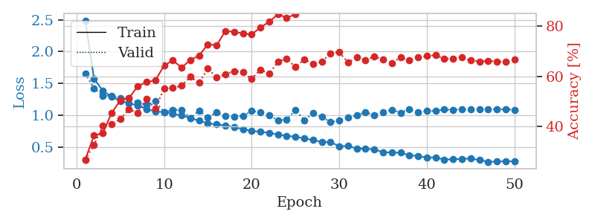
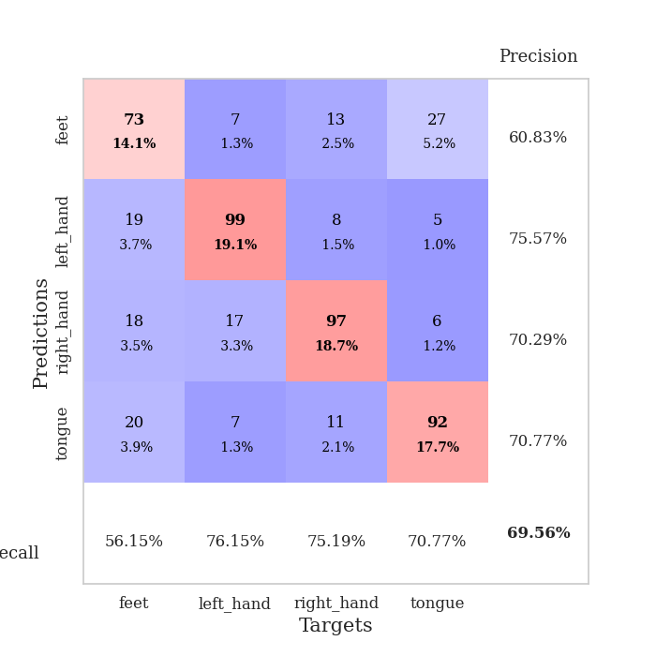
train_loss | valid_loss | train_accuracy | valid_accuracy | dur | train_misclass | valid_misclass
2.4906691408 | 1.6569946017 | 0.26890432099 | 0.26782273603 | 0.76362419128 | 26.890432099 | 26.782273603
1.5774447727 | 1.4187144608 | 0.36419753086 | 0.32755298651 | 0.75418519974 | 36.419753086 | 32.755298651
1.3845470687 | 1.3076392286 | 0.37268518519 | 0.40269749518 | 0.77716112137 | 37.268518519 | 40.269749518
1.290661137 | 1.3028473512 | 0.4537037037 | 0.408477842 | 0.75758576393 | 45.37037037 | 40.8477842
1.2239891338 | 1.2658701373 | 0.50385802469 | 0.42967244701 | 0.78203320503 | 50.385802469 | 42.967244701
1.1865846798 | 1.2700841944 | 0.51388888889 | 0.46820809249 | 0.78020119667 | 51.388888889 | 46.820809249
1.1538910295 | 1.1979703676 | 0.56018518519 | 0.45472061657 | 0.76448655128 | 56.018518519 | 45.472061657
1.0951816719 | 1.1590258008 | 0.57677469136 | 0.50867052023 | 0.76544117928 | 57.677469136 | 50.867052023
1.0590812847 | 1.2250130921 | 0.58333333333 | 0.47206165703 | 0.74623775482 | 58.333333333 | 47.206165703
1.0488873146 | 1.0428109913 | 0.64236111111 | 0.55105973025 | 0.742415905 | 64.236111111 | 55.105973025
1.0184256817 | 1.0863988305 | 0.66319444444 | 0.55298651252 | 0.7618727684 | 66.319444444 | 55.298651252
0.99706674652 | 1.0806544642 | 0.63464506173 | 0.56262042389 | 0.74655652046 | 63.464506173 | 56.262042389
0.95517936036 | 0.95410350407 | 0.66473765432 | 0.59730250482 | 0.75308609009 | 66.473765432 | 59.730250482
0.91247130176 | 1.0720874026 | 0.68209876543 | 0.57418111753 | 0.77962851524 | 68.209876543 | 57.418111753
0.87222006549 | 0.96463574908 | 0.72723765432 | 0.63005780347 | 0.76303529739 | 72.723765432 | 63.005780347
0.85359933053 | 1.0472077813 | 0.72299382716 | 0.59537572254 | 0.77492308617 | 72.299382716 | 59.537572254
0.83786929242 | 0.9854126305 | 0.77970679012 | 0.60886319846 | 0.75227093697 | 77.970679012 | 60.886319846
0.80951706219 | 0.97945626462 | 0.77739197531 | 0.6204238921 | 0.7676589489 | 77.739197531 | 62.04238921
0.78144373092 | 0.98796720381 | 0.76967592593 | 0.61657032755 | 0.77636146545 | 76.967592593 | 61.657032755
0.75153631009 | 1.0646624469 | 0.7662037037 | 0.58959537572 | 0.7733271122 | 76.62037037 | 58.959537572
0.73921722873 | 1.046807415 | 0.79398148148 | 0.62620423892 | 0.78762698174 | 79.398148148 | 62.620423892
0.72275181207 | 0.99918403998 | 0.81635802469 | 0.61078998073 | 0.79388833046 | 81.635802469 | 61.078998073
0.69546281795 | 0.92217693692 | 0.84683641975 | 0.6570327553 | 0.81719732285 | 84.683641975 | 65.70327553
0.67701763559 | 0.92830314733 | 0.8325617284 | 0.67052023121 | 0.79255461693 | 83.25617284 | 67.052023121
0.65987145947 | 1.0833424525 | 0.84645061728 | 0.63583815029 | 0.80093336105 | 84.645061728 | 63.583815029
0.63464020827 | 0.92326985756 | 0.89197530864 | 0.66666666667 | 0.79082655907 | 89.197530864 | 66.666666667
0.60884235523 | 1.031017704 | 0.88310185185 | 0.6493256262 | 0.79996204376 | 88.310185185 | 64.93256262
0.57932634026 | 0.97794754381 | 0.88425925926 | 0.6570327553 | 0.79613828659 | 88.425925926 | 65.70327553
0.57633022587 | 0.89211550682 | 0.92361111111 | 0.69171483622 | 0.7910835743 | 92.361111111 | 69.171483622
0.51182957766 | 0.91743417788 | 0.93441358025 | 0.69556840077 | 0.80024266243 | 93.441358025 | 69.556840077
0.51625358792 | 0.96587212835 | 0.94328703704 | 0.65510597303 | 0.79938578606 | 94.328703704 | 65.510597303
0.47508878252 | 0.99738820991 | 0.94637345679 | 0.67437379576 | 0.80508375168 | 94.637345679 | 67.437379576
0.4729552997 | 1.0460349976 | 0.95486111111 | 0.66473988439 | 0.79556870461 | 95.486111111 | 66.473988439
0.46041317505 | 1.0012901307 | 0.95138888889 | 0.67822736031 | 0.80471134186 | 95.138888889 | 67.822736031
0.41915498071 | 1.0516915381 | 0.97106481481 | 0.66666666667 | 0.80248236656 | 97.106481481 | 66.666666667
0.41115685382 | 1.0859920459 | 0.97762345679 | 0.65317919075 | 0.82735466957 | 97.762345679 | 65.317919075
0.41035940264 | 1.0382582218 | 0.97723765432 | 0.67437379576 | 0.79313993454 | 97.723765432 | 67.437379576
0.36840408677 | 1.0921188508 | 0.97955246914 | 0.66281310212 | 0.79354858398 | 97.955246914 | 66.281310212
0.36090204092 | 1.0460993192 | 0.98456790123 | 0.67437379576 | 0.79552078247 | 98.456790123 | 67.437379576
0.32987697616 | 1.0644074947 | 0.98804012346 | 0.68015414258 | 0.80802154541 | 98.804012346 | 68.015414258
0.33772623429 | 1.0694840575 | 0.98919753086 | 0.68400770713 | 0.79881763458 | 98.919753086 | 68.400770713
0.29764134556 | 1.0890545698 | 0.9899691358 | 0.66859344894 | 0.81863689423 | 98.99691358 | 66.859344894
0.30905027382 | 1.0869330161 | 0.99228395062 | 0.67052023121 | 0.80330729485 | 99.228395062 | 67.052023121
0.31214425391 | 1.0921510823 | 0.99344135802 | 0.67437379576 | 0.81064009666 | 99.344135802 | 67.437379576
0.31736474737 | 1.0874485956 | 0.99344135802 | 0.66281310212 | 0.79707622528 | 99.344135802 | 66.281310212
0.29466594185 | 1.0965095765 | 0.99421296296 | 0.65895953757 | 0.80146217346 | 99.421296296 | 65.895953757
0.2655399226 | 1.0910636703 | 0.99421296296 | 0.66088631985 | 0.81110596657 | 99.421296296 | 66.088631985
0.27020703932 | 1.0907240102 | 0.99459876543 | 0.65895953757 | 0.78997278214 | 99.459876543 | 65.895953757
0.27521612702 | 1.0945540793 | 0.99382716049 | 0.6570327553 | 0.84367895126 | 99.382716049 | 65.70327553
0.27448379878 | 1.0855338642 | 0.99421296296 | 0.66666666667 | 0.81535458565 | 99.421296296 | 66.666666667

Best Val accuracy is 0.6955684007707129 and Best test accuracy is 0.6652194886637723

Sheet4
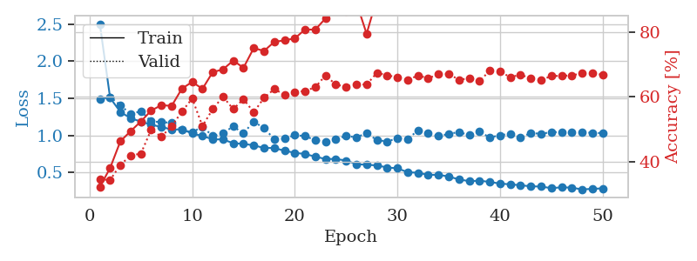
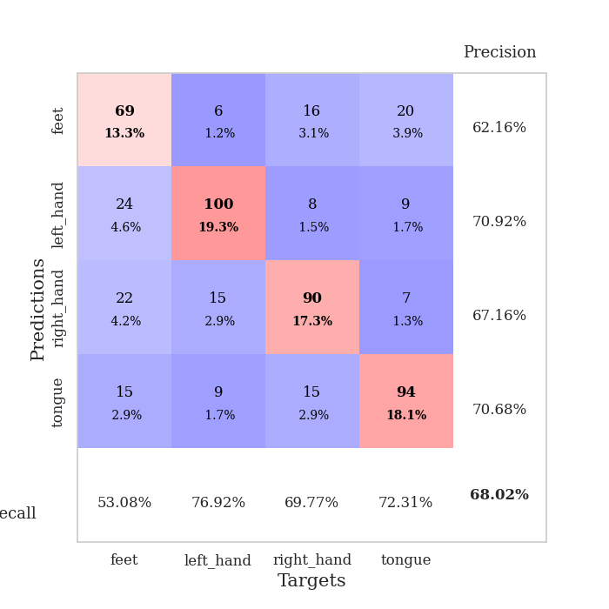
train_loss | valid_loss | train_accuracy | valid_accuracy | dur | train_misclass | valid_misclass
2.5011270157 | 1.4905978437 | 0.3236882716 | 0.34682080925 | 0.82675790787 | 32.36882716 | 34.682080925
1.5048279924 | 1.5152638289 | 0.38155864198 | 0.34489402697 | 0.79769897461 | 38.155864198 | 34.489402697
1.3158873849 | 1.4081233719 | 0.4637345679 | 0.39113680154 | 0.78867340088 | 46.37345679 | 39.113680154
1.2294379513 | 1.2837074772 | 0.4949845679 | 0.42003853565 | 0.81734824181 | 49.49845679 | 42.003853565
1.1862711583 | 1.3272157418 | 0.52469135802 | 0.42581888247 | 0.8038752079 | 52.469135802 | 42.581888247
1.1427383526 | 1.1894986122 | 0.55825617284 | 0.49903660886 | 0.80572104454 | 55.825617284 | 49.903660886
1.1137688061 | 1.1771619109 | 0.57484567901 | 0.47784200385 | 0.79328083992 | 57.484567901 | 47.784200385
1.0779473255 | 1.1700699844 | 0.5725308642 | 0.5105973025 | 0.79689335823 | 57.25308642 | 51.05973025
1.0808797596 | 1.0718946994 | 0.62577160494 | 0.5549132948 | 0.79710245132 | 62.577160494 | 55.49132948
1.0252544453 | 1.041108574 | 0.6462191358 | 0.59537572254 | 0.79699468613 | 64.62191358 | 59.537572254
0.99109465399 | 1.1172381805 | 0.625 | 0.5105973025 | 0.79670810699 | 62.5 | 51.05973025
0.94685109788 | 0.99009491598 | 0.6763117284 | 0.56262042389 | 0.79526662827 | 67.63117284 | 56.262042389
0.94451814761 | 1.0318851312 | 0.68479938272 | 0.60115606936 | 0.78575611115 | 68.479938272 | 60.115606936
0.89435550644 | 1.1186351661 | 0.71180555556 | 0.56262042389 | 0.96161723137 | 71.180555556 | 56.262042389
0.8858402491 | 1.028093169 | 0.68981481481 | 0.59344894027 | 0.77474141121 | 68.981481481 | 59.344894027
0.86474062705 | 1.1859421781 | 0.75038580247 | 0.55298651252 | 0.80451083183 | 75.038580247 | 55.298651252
0.83039142007 | 1.0954182855 | 0.74151234568 | 0.59730250482 | 0.78931260109 | 74.151234568 | 59.730250482
0.82940358273 | 0.95206428769 | 0.76929012346 | 0.62427745665 | 0.78856039047 | 76.929012346 | 62.427745665
0.7925280568 | 0.95392043949 | 0.77430555556 | 0.60693641618 | 0.79945707321 | 77.430555556 | 60.693641618
0.76430019 | 1.0014365 | 0.78009259259 | 0.61464354528 | 0.78957557678 | 78.009259259 | 61.464354528
0.74879218656 | 0.99136654122 | 0.8074845679 | 0.61849710983 | 0.79224467278 | 80.74845679 | 61.849710983
0.71246095866 | 0.93350266514 | 0.80709876543 | 0.63005780347 | 0.78153705597 | 80.709876543 | 63.005780347
0.68138358733 | 0.91594007893 | 0.84182098765 | 0.66666666667 | 0.78915691376 | 84.182098765 | 66.666666667
0.68157531928 | 0.95189918994 | 0.86612654321 | 0.63776493256 | 0.7939221859 | 86.612654321 | 63.776493256
0.66072358357 | 0.99216854549 | 0.86226851852 | 0.63198458574 | 0.80263495445 | 86.226851852 | 63.198458574
0.61176014176 | 0.97244068561 | 0.89081790123 | 0.63969171484 | 0.79746317863 | 89.081790123 | 63.969171484
0.60323846644 | 1.0307060455 | 0.79436728395 | 0.63776493256 | 0.78726863861 | 79.436728395 | 63.776493256
0.59518715702 | 0.93667099977 | 0.90277777778 | 0.67437379576 | 0.78956675529 | 90.277777778 | 67.437379576
0.5668180096 | 0.91663049549 | 0.90046296296 | 0.66666666667 | 0.79241013527 | 90.046296296 | 66.666666667
0.55609995219 | 0.96168622621 | 0.93364197531 | 0.66088631985 | 0.79681825638 | 93.364197531 | 66.088631985
0.5030951109 | 0.94859411629 | 0.94714506173 | 0.65125240848 | 0.79386496544 | 94.714506173 | 65.125240848
0.49608131737 | 1.0676548141 | 0.93595679012 | 0.66666666667 | 0.79518651962 | 93.595679012 | 66.666666667
0.46763908523 | 1.0263128846 | 0.95486111111 | 0.6570327553 | 0.79697155952 | 95.486111111 | 65.70327553
0.4684998267 | 0.98939410019 | 0.95910493827 | 0.67052023121 | 0.79505395889 | 95.910493827 | 67.052023121
0.44542256062 | 1.0189629125 | 0.95987654321 | 0.67052023121 | 0.79992485046 | 95.987654321 | 67.052023121
0.40555598476 | 1.0449143164 | 0.94637345679 | 0.65317919075 | 0.80551171303 | 94.637345679 | 65.317919075
0.38290741531 | 1.0016345064 | 0.97337962963 | 0.6570327553 | 0.81672859192 | 97.337962963 | 65.70327553
0.38836523001 | 1.0487312412 | 0.97723765432 | 0.6493256262 | 0.797747612 | 97.723765432 | 64.93256262
0.37301546087 | 0.97205768615 | 0.98032407407 | 0.68015414258 | 0.80685830116 | 98.032407407 | 68.015414258
0.34951642648 | 1.0006266019 | 0.98572530864 | 0.67822736031 | 0.80056858063 | 98.572530864 | 67.822736031
0.34048755251 | 1.0226288094 | 0.98070987654 | 0.66088631985 | 0.79407858849 | 98.070987654 | 66.088631985
0.3270805975 | 0.97639435886 | 0.9899691358 | 0.66859344894 | 0.79591321945 | 98.99691358 | 66.859344894
0.313756407 | 1.0283976405 | 0.99112654321 | 0.6570327553 | 0.81457042694 | 99.112654321 | 65.70327553
0.30951987911 | 1.0232244627 | 0.98765432099 | 0.65125240848 | 0.78790664673 | 98.765432099 | 65.125240848
0.28858832183 | 1.0411294462 | 0.99112654321 | 0.66473988439 | 0.79515480995 | 99.112654321 | 66.473988439
0.29969283633 | 1.045873913 | 0.98958333333 | 0.66473988439 | 0.79481625557 | 98.958333333 | 66.473988439
0.29528306282 | 1.0361945987 | 0.99035493827 | 0.66666666667 | 0.7963488102 | 99.035493827 | 66.666666667
0.27112351963 | 1.0466993769 | 0.99112654321 | 0.67244701349 | 0.80048489571 | 99.112654321 | 67.244701349
0.27945448651 | 1.0315720998 | 0.99035493827 | 0.67244701349 | 0.80855059624 | 99.035493827 | 67.244701349
0.28537499932 | 1.03143725 | 0.99151234568 | 0.66859344894 | 0.90559101105 | 99.151234568 | 66.859344894

Best Val accuracy is 0.6801541425818882 and Best test accuracy is 0.6608779546550893

Sheet5
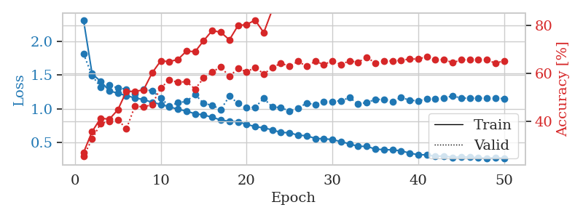
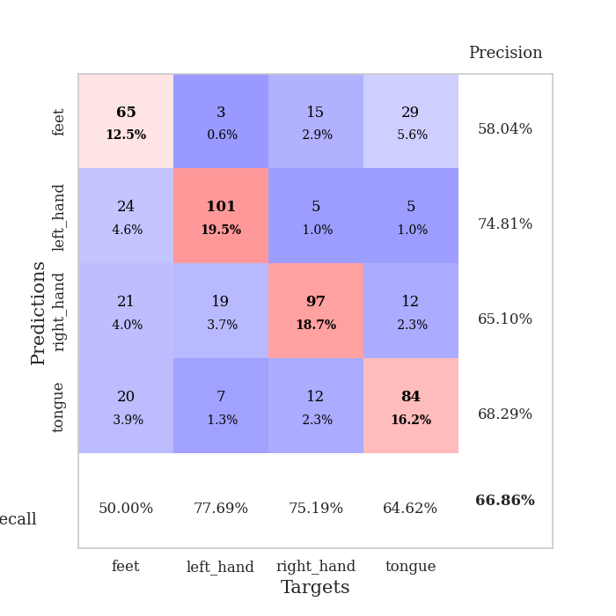
train_loss | valid_loss | train_accuracy | valid_accuracy | dur | train_misclass | valid_misclass
2.3113901806 | 1.812560256 | 0.26929012346 | 0.25433526012 | 0.79546093941 | 26.929012346 | 25.433526012
1.5180694402 | 1.4901997207 | 0.35686728395 | 0.32562620424 | 0.80868554115 | 35.686728395 | 32.562620424
1.4053868276 | 1.3197205182 | 0.41280864198 | 0.39113680154 | 0.81103372574 | 41.280864198 | 39.113680154
1.2671439401 | 1.348877124 | 0.40817901235 | 0.39884393064 | 0.79767417908 | 40.817901235 | 39.884393064
1.2298632279 | 1.3089078031 | 0.4475308642 | 0.40655105973 | 0.79815626144 | 44.75308642 | 40.655105973
1.1961192283 | 1.2893927107 | 0.52469135802 | 0.36801541426 | 0.802952528 | 52.469135802 | 36.801541426
1.1597060307 | 1.2239459507 | 0.52391975309 | 0.46435452794 | 0.79273676872 | 52.391975309 | 46.435452794
1.1383916088 | 1.2847506995 | 0.53086419753 | 0.45857418112 | 0.79496741295 | 53.086419753 | 45.857418112
1.0957119255 | 1.2672513946 | 0.60146604938 | 0.47013487476 | 0.79543352127 | 60.146604938 | 47.013487476
1.0667381386 | 1.1605092299 | 0.6512345679 | 0.53949903661 | 0.80076766014 | 65.12345679 | 53.949903661
1.0296987715 | 1.0400516351 | 0.64814814815 | 0.57032755299 | 0.79745745659 | 64.814814815 | 57.032755299
0.99451405987 | 1.0895056532 | 0.65702160494 | 0.56262042389 | 0.79291653633 | 65.702160494 | 56.262042389
0.96612125709 | 1.1105861953 | 0.69212962963 | 0.56454720617 | 0.79756546021 | 69.212962963 | 56.454720617
0.92760108816 | 1.2141406959 | 0.68942901235 | 0.53371868979 | 0.87817645073 | 68.942901235 | 53.371868979
0.91108737481 | 1.0791569064 | 0.73533950617 | 0.57996146435 | 0.80066013336 | 73.533950617 | 57.996146435
0.87457503286 | 1.0527706693 | 0.77739197531 | 0.60500963391 | 0.79298901558 | 77.739197531 | 60.500963391
0.83635924241 | 0.98941259968 | 0.7700617284 | 0.62620423892 | 0.80656790733 | 77.00617284 | 62.620423892
0.81570744809 | 1.1883136232 | 0.7388117284 | 0.58574181118 | 0.80054092407 | 73.88117284 | 58.574181118
0.80955801352 | 1.0807022759 | 0.79783950617 | 0.6204238921 | 0.78993463516 | 79.783950617 | 62.04238921
0.77245438522 | 1.0196477035 | 0.8024691358 | 0.60500963391 | 0.78663706779 | 80.24691358 | 60.500963391
0.73740292699 | 1.0232344779 | 0.82060185185 | 0.62427745665 | 0.79008460045 | 82.060185185 | 62.427745665
0.71908270522 | 1.1538372394 | 0.76851851852 | 0.59730250482 | 0.78612565994 | 76.851851852 | 59.730250482
0.69032862617 | 1.0273816861 | 0.86419753086 | 0.62235067437 | 0.79924106598 | 86.419753086 | 62.235067437
0.6510008385 | 1.0184120043 | 0.89197530864 | 0.64161849711 | 0.78957343102 | 89.197530864 | 64.161849711
0.648233666 | 0.96701829305 | 0.8962191358 | 0.62813102119 | 0.79316234589 | 89.62191358 | 62.813102119
0.61004404595 | 1.0059498248 | 0.89583333333 | 0.6493256262 | 0.79384350777 | 89.583333333 | 64.93256262
0.60380544946 | 1.0876137457 | 0.90663580247 | 0.62813102119 | 0.79667067528 | 90.663580247 | 62.813102119
0.56323077999 | 1.0591747917 | 0.90354938272 | 0.6493256262 | 0.80607390404 | 90.354938272 | 64.93256262
0.5586770669 | 1.1099059237 | 0.89043209877 | 0.63583815029 | 0.79604625702 | 89.043209877 | 63.583815029
0.54701402645 | 1.1101995994 | 0.92361111111 | 0.65125240848 | 0.78678512573 | 92.361111111 | 65.125240848
0.51554874299 | 1.1200641368 | 0.93711419753 | 0.63583815029 | 0.78696393967 | 93.711419753 | 63.583815029
0.48366856216 | 1.1640494531 | 0.93634259259 | 0.65125240848 | 0.78279304504 | 93.634259259 | 65.125240848
0.4466834927 | 1.0735108315 | 0.95408950617 | 0.64547206166 | 0.796697855 | 95.408950617 | 64.547206166
0.44683102465 | 1.0934488282 | 0.95524691358 | 0.66666666667 | 0.80222725868 | 95.524691358 | 66.666666667
0.40659755662 | 1.1382795841 | 0.96759259259 | 0.64161849711 | 0.80316090584 | 96.759259259 | 64.161849711
0.39745713223 | 1.1412608127 | 0.97530864198 | 0.65125240848 | 0.80845069885 | 97.530864198 | 65.125240848
0.39509578362 | 1.1071170052 | 0.97955246914 | 0.65125240848 | 0.7970700264 | 97.955246914 | 65.125240848
0.38007651026 | 1.1678047185 | 0.98109567901 | 0.65317919075 | 0.76485848427 | 98.109567901 | 65.317919075
0.34725455264 | 1.1291590431 | 0.98533950617 | 0.65895953757 | 0.78869080544 | 98.533950617 | 65.895953757
0.32272200307 | 1.1166954982 | 0.99112654321 | 0.65895953757 | 0.80401921272 | 99.112654321 | 65.895953757
0.32219064801 | 1.1472305287 | 0.99112654321 | 0.66859344894 | 0.80163192749 | 99.112654321 | 66.859344894
0.29854837559 | 1.148846946 | 0.98572530864 | 0.65510597303 | 0.8029050827 | 98.572530864 | 65.510597303
0.30539990157 | 1.1592950614 | 0.99189814815 | 0.6570327553 | 0.80860519409 | 99.189814815 | 65.70327553
0.28386591269 | 1.1904395352 | 0.99074074074 | 0.64354527938 | 0.80034685135 | 99.074074074 | 64.354527938
0.28903959034 | 1.1592978765 | 0.99305555556 | 0.65510597303 | 0.81122016907 | 99.305555556 | 65.510597303
0.28894516674 | 1.1570933467 | 0.9949845679 | 0.6570327553 | 0.7957701683 | 99.49845679 | 65.70327553
0.27816312583 | 1.1595345724 | 0.99421296296 | 0.6570327553 | 0.80591392517 | 99.421296296 | 65.70327553
0.27129689866 | 1.1583183648 | 0.99382716049 | 0.65510597303 | 0.7950527668 | 99.382716049 | 65.510597303
0.28013035128 | 1.1542581368 | 0.99382716049 | 0.64161849711 | 0.81624126434 | 99.382716049 | 64.161849711
0.27168805881 | 1.1530611129 | 0.99459876543 | 0.65125240848 | 0.89204716682 | 99.459876543 | 65.125240848

Best Val accuracy is 0.6685934489402697 and Best test accuracy is 0.653159671972986

Sheet6
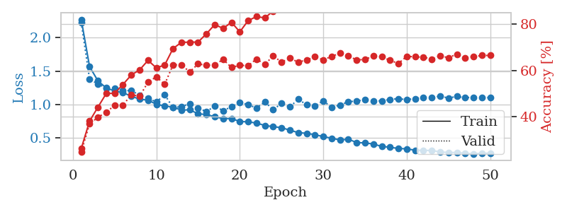
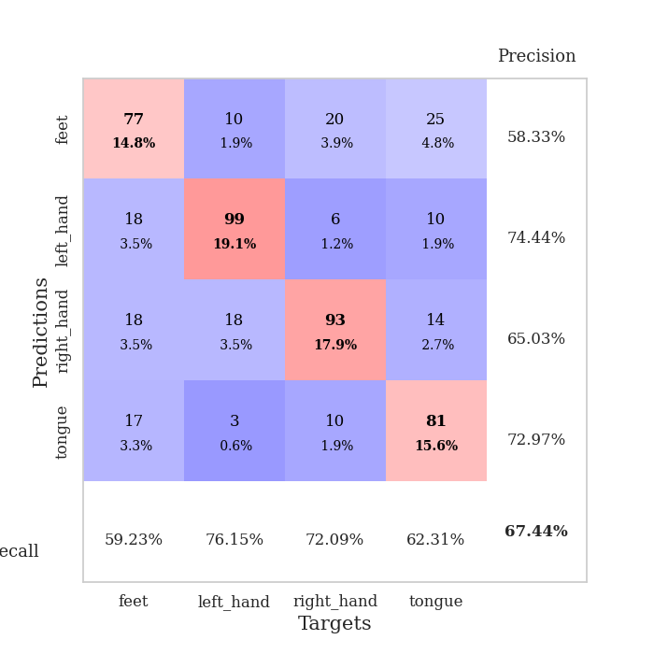
train_loss | valid_loss | train_accuracy | valid_accuracy | dur | train_misclass | valid_misclass
2.2719556071 | 2.2265833116 | 0.2611882716 | 0.24662813102 | 0.81745386124 | 26.11882716 | 24.662813102
1.5677116145 | 1.3811949276 | 0.3800154321 | 0.36801541426 | 0.806858778 | 38.00154321 | 36.801541426
1.3549942411 | 1.3072133142 | 0.44058641975 | 0.39691714836 | 0.8016204834 | 44.058641975 | 39.691714836
1.2485589109 | 1.2491409099 | 0.5 | 0.41811175337 | 0.81654262543 | 50 | 41.811175337
1.2039258164 | 1.2448716226 | 0.50077160494 | 0.44894026975 | 0.80374240875 | 50.077160494 | 44.894026975
1.1773327902 | 1.2081519349 | 0.53896604938 | 0.44894026975 | 0.80974626541 | 53.896604938 | 44.894026975
1.1271388218 | 1.2105429494 | 0.58024691358 | 0.49518304432 | 0.79631447792 | 58.024691358 | 49.518304432
1.0801452284 | 1.1404544662 | 0.60223765432 | 0.48747591522 | 0.79850125313 | 60.223765432 | 48.747591522
1.0676613141 | 1.0975627552 | 0.64351851852 | 0.54913294798 | 0.79445934296 | 64.351851852 | 54.913294798
1.0046315061 | 1.0380893647 | 0.61111111111 | 0.57225433526 | 0.80016112328 | 61.111111111 | 57.225433526
0.98081033392 | 1.1492042659 | 0.62345679012 | 0.53949903661 | 0.78795027733 | 62.345679012 | 53.949903661
0.96174219067 | 0.95340989022 | 0.69483024691 | 0.62427745665 | 0.79070162773 | 69.483024691 | 62.427745665
0.91859957539 | 0.9711705692 | 0.72145061728 | 0.62427745665 | 0.79574322701 | 72.145061728 | 62.427745665
0.92224998459 | 1.0138097524 | 0.72260802469 | 0.59344894027 | 0.91797232628 | 72.260802469 | 59.344894027
0.86335588164 | 0.94625998049 | 0.72260802469 | 0.62813102119 | 0.80651903152 | 72.260802469 | 62.813102119
0.85261554115 | 0.89861497966 | 0.75887345679 | 0.62235067437 | 0.80944085121 | 75.887345679 | 62.235067437
0.81894552892 | 0.97561907584 | 0.79861111111 | 0.62427745665 | 0.79274272919 | 79.861111111 | 62.427745665
0.79269115259 | 0.91082992375 | 0.78202160494 | 0.64739884393 | 0.81009984016 | 78.202160494 | 64.739884393
0.79134052201 | 0.96736954081 | 0.80864197531 | 0.61271676301 | 0.81242728233 | 80.864197531 | 61.271676301
0.74887180494 | 1.0374969458 | 0.76697530864 | 0.62235067437 | 0.78999829292 | 76.697530864 | 62.235067437
0.74262786942 | 0.99791054275 | 0.81597222222 | 0.6204238921 | 0.79749369621 | 81.597222222 | 62.04238921
0.72499194171 | 0.94994987803 | 0.83333333333 | 0.6493256262 | 0.80017566681 | 83.333333333 | 64.93256262
0.68899639172 | 1.0401107126 | 0.8275462963 | 0.62620423892 | 0.79580950737 | 82.75462963 | 62.620423892
0.67134590392 | 0.92435731571 | 0.85763888889 | 0.66281310212 | 0.79064679146 | 85.763888889 | 66.281310212
0.65553457603 | 1.0184855374 | 0.88387345679 | 0.63583815029 | 0.79528284073 | 88.387345679 | 63.583815029
0.61888448692 | 0.96450329608 | 0.87885802469 | 0.65317919075 | 0.79596710205 | 87.885802469 | 65.317919075
0.58232377184 | 1.0834389946 | 0.87422839506 | 0.63583815029 | 0.80130529404 | 87.422839506 | 63.583815029
0.57190262949 | 0.99567189704 | 0.91165123457 | 0.64547206166 | 0.82334685326 | 91.165123457 | 64.547206166
0.55163302328 | 0.98309954375 | 0.92399691358 | 0.65895953757 | 0.8305618763 | 92.399691358 | 65.895953757
0.52219879526 | 1.0561713267 | 0.93364197531 | 0.64547206166 | 0.78354144096 | 93.364197531 | 64.547206166
0.49897808646 | 0.95992246184 | 0.94675925926 | 0.66088631985 | 0.78545379639 | 94.675925926 | 66.088631985
0.47231026665 | 0.99319607881 | 0.93518518519 | 0.67437379576 | 0.81178951263 | 93.518518519 | 67.437379576
0.48290267219 | 1.0426186868 | 0.95138888889 | 0.66281310212 | 0.78511404991 | 95.138888889 | 66.281310212
0.43497424711 | 1.054716322 | 0.96604938272 | 0.64547206166 | 0.78709030151 | 96.604938272 | 64.547206166
0.42748056771 | 1.0730915547 | 0.97222222222 | 0.64739884393 | 0.79115891457 | 97.222222222 | 64.739884393
0.41271344485 | 1.0563548539 | 0.97800925926 | 0.66281310212 | 0.79247450829 | 97.800925926 | 66.281310212
0.37544767809 | 1.0558206764 | 0.98263888889 | 0.65895953757 | 0.7961769104 | 98.263888889 | 65.895953757
0.36438853445 | 1.0782032266 | 0.98263888889 | 0.64354527938 | 0.80956244469 | 98.263888889 | 64.354527938
0.34461542785 | 1.0885293454 | 0.98726851852 | 0.63005780347 | 0.79903864861 | 98.726851852 | 63.005780347
0.34065831811 | 1.0753098508 | 0.98919753086 | 0.66088631985 | 0.788615942 | 98.919753086 | 66.088631985
0.31907765186 | 1.0900027251 | 0.99112654321 | 0.65895953757 | 0.78200483322 | 99.112654321 | 65.895953757
0.31804293238 | 1.1075896567 | 0.99151234568 | 0.6570327553 | 0.792334795 | 99.151234568 | 65.70327553
0.31501773809 | 1.1060591396 | 0.9949845679 | 0.6493256262 | 0.7881128788 | 99.49845679 | 64.93256262
0.29355718688 | 1.1268149952 | 0.99421296296 | 0.66281310212 | 0.8045899868 | 99.421296296 | 66.281310212
0.28540207427 | 1.0987321414 | 0.99768518519 | 0.65510597303 | 0.80442786217 | 99.768518519 | 65.510597303
0.28578019899 | 1.1221522107 | 0.99652777778 | 0.67052023121 | 0.78376531601 | 99.652777778 | 67.052023121
0.27299196252 | 1.1030898216 | 0.99691358025 | 0.65510597303 | 0.7881166935 | 99.691358025 | 65.510597303
0.26481157429 | 1.1108068825 | 0.99691358025 | 0.65895953757 | 0.78766417503 | 99.691358025 | 65.895953757
0.27556075363 | 1.1057860743 | 0.99691358025 | 0.66473988439 | 0.80398106575 | 99.691358025 | 66.473988439
0.27353426763 | 1.1041641495 | 0.99691358025 | 0.66473988439 | 0.87032151222 | 99.691358025 | 66.473988439

Best Val accuracy is 0.674373795761079 and Best test accuracy is 0.6493005306319344

Sheet7
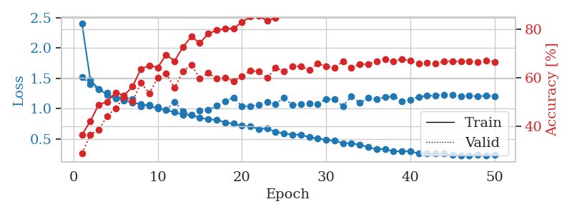
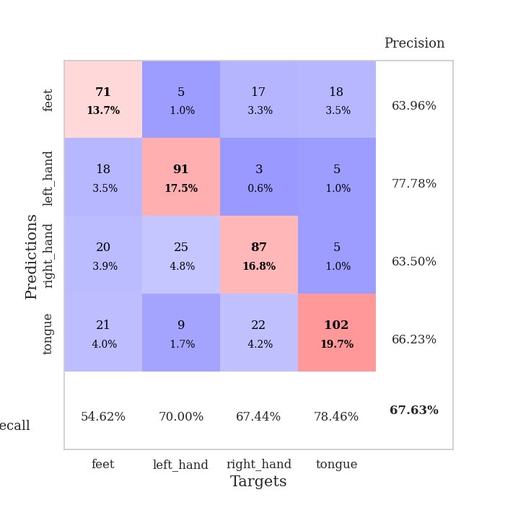
train_loss | valid_loss | train_accuracy | valid_accuracy | dur | train_misclass | valid_misclass
2.4047772715 | 1.5156912053 | 0.36342592593 | 0.28709055877 | 0.80005788803 | 36.342592593 | 28.709055877
1.4701385785 | 1.3977281735 | 0.42052469136 | 0.36416184971 | 0.79128551483 | 42.052469136 | 36.416184971
1.3234268695 | 1.3220552771 | 0.4888117284 | 0.38535645472 | 0.79428958893 | 48.88117284 | 38.535645472
1.2267021158 | 1.2624696376 | 0.50038580247 | 0.44123314066 | 0.79352140427 | 50.038580247 | 44.123314066
1.1689686286 | 1.1806294348 | 0.53780864198 | 0.47398843931 | 0.79277515411 | 53.780864198 | 47.398843931
1.1364292311 | 1.1827133786 | 0.52584876543 | 0.5183044316 | 0.78906536102 | 52.584876543 | 51.83044316
1.0956251277 | 1.1599943119 | 0.5625 | 0.50096339114 | 0.78974318504 | 56.25 | 50.096339114
1.073070255 | 1.0329690221 | 0.6350308642 | 0.57803468208 | 0.78662729263 | 63.50308642 | 57.803468208
1.0442388278 | 1.0645262274 | 0.64969135802 | 0.53564547206 | 0.79097032547 | 64.969135802 | 53.564547206
1.0015167208 | 1.0305395827 | 0.6412037037 | 0.59922928709 | 0.79355788231 | 64.12037037 | 59.922928709
0.97499201327 | 0.97791160508 | 0.69405864198 | 0.61657032755 | 0.79342079163 | 69.405864198 | 61.657032755
0.93941934076 | 1.1100916529 | 0.66820987654 | 0.55684007707 | 0.78791427612 | 66.820987654 | 55.684007707
0.89694215302 | 0.9554690203 | 0.72608024691 | 0.62620423892 | 0.7958176136 | 72.608024691 | 62.620423892
0.89075459797 | 0.89022646267 | 0.76890432099 | 0.65125240848 | 0.90749168396 | 76.890432099 | 65.125240848
0.84932504944 | 0.96453627019 | 0.74189814815 | 0.59730250482 | 0.79664683342 | 74.189814815 | 59.730250482
0.81876314569 | 0.97205000944 | 0.78047839506 | 0.61849710983 | 0.79084444046 | 78.047839506 | 61.849710983
0.81406169302 | 1.0458761817 | 0.79513888889 | 0.59537572254 | 0.79185318947 | 79.513888889 | 59.537572254
0.76889283146 | 1.1249126878 | 0.80054012346 | 0.59922928709 | 0.79102659225 | 80.054012346 | 59.922928709
0.74879173475 | 1.1785992538 | 0.8024691358 | 0.58574181118 | 0.79068684578 | 80.24691358 | 58.574181118
0.71266287271 | 1.0386744919 | 0.8275462963 | 0.60500963391 | 0.79631137848 | 82.75462963 | 60.500963391
0.70091950102 | 1.041020064 | 0.85069444444 | 0.62813102119 | 0.79352355003 | 85.069444444 | 62.813102119
0.66343816793 | 1.0569514103 | 0.85455246914 | 0.62427745665 | 0.79225683212 | 85.455246914 | 62.427745665
0.66876966166 | 1.1089678858 | 0.83333333333 | 0.59922928709 | 0.79438686371 | 83.333333333 | 59.922928709
0.61530893204 | 1.0719623313 | 0.84567901235 | 0.63969171484 | 0.82476425171 | 84.567901235 | 63.969171484
0.58839972878 | 1.1750473122 | 0.90007716049 | 0.62620423892 | 0.78390240669 | 90.007716049 | 62.620423892
0.56808396898 | 1.0592825946 | 0.9263117284 | 0.64547206166 | 0.79266762733 | 92.63117284 | 64.547206166
0.56781664987 | 1.0694861619 | 0.92554012346 | 0.64739884393 | 0.79588365555 | 92.554012346 | 64.739884393
0.52505667784 | 1.0785169399 | 0.94791666667 | 0.63005780347 | 0.78952264786 | 94.791666667 | 63.005780347
0.50692427333 | 1.0761196471 | 0.90586419753 | 0.6570327553 | 0.79424333572 | 90.586419753 | 65.70327553
0.48129622132 | 1.1578826652 | 0.95023148148 | 0.64739884393 | 0.790122509 | 95.023148148 | 64.739884393
0.46878195154 | 1.1486738289 | 0.95717592593 | 0.63969171484 | 0.79198861122 | 95.717592593 | 63.969171484
0.42780549075 | 1.0391707728 | 0.97608024691 | 0.66666666667 | 0.78996968269 | 97.608024691 | 66.666666667
0.42366761636 | 1.203259893 | 0.97145061728 | 0.64161849711 | 0.79155921936 | 97.145061728 | 64.161849711
0.40224813707 | 1.0903328595 | 0.98456790123 | 0.65510597303 | 0.79365134239 | 98.456790123 | 65.510597303
0.36014737872 | 1.1802720854 | 0.98341049383 | 0.65510597303 | 0.79740715027 | 98.341049383 | 65.510597303
0.32495524877 | 1.15037003 | 0.98649691358 | 0.66666666667 | 0.79659986496 | 98.649691358 | 66.666666667
0.33202355567 | 1.1913354052 | 0.99189814815 | 0.67437379576 | 0.78687286377 | 99.189814815 | 67.437379576
0.28877971515 | 1.1986547628 | 0.99729938272 | 0.66666666667 | 0.79378962517 | 99.729938272 | 66.666666667
0.29810995289 | 1.124830771 | 0.9949845679 | 0.67630057803 | 0.80426263809 | 99.49845679 | 67.630057803
0.29181966705 | 1.1468865963 | 0.99807098765 | 0.66859344894 | 0.80089783669 | 99.807098765 | 66.859344894
0.25749219646 | 1.193974986 | 0.99691358025 | 0.65895953757 | 0.80896115303 | 99.691358025 | 65.895953757
0.25431023405 | 1.2101788314 | 0.99807098765 | 0.66088631985 | 0.80519008636 | 99.807098765 | 66.088631985
0.25364926007 | 1.2136069607 | 0.99807098765 | 0.6570327553 | 0.80401277542 | 99.807098765 | 65.70327553
0.25409398078 | 1.2289850275 | 0.99922839506 | 0.66666666667 | 0.81261897087 | 99.922839506 | 66.666666667
0.23009543882 | 1.2228543051 | 0.99884259259 | 0.66666666667 | 0.82208752632 | 99.884259259 | 66.666666667
0.2286046592 | 1.2029738541 | 0.99884259259 | 0.66666666667 | 0.79857110977 | 99.884259259 | 66.666666667
0.22664716011 | 1.2091787762 | 0.99922839506 | 0.66666666667 | 0.80106759071 | 99.922839506 | 66.666666667
0.23525978413 | 1.2022298218 | 0.99884259259 | 0.66473988439 | 0.80666565895 | 99.884259259 | 66.473988439
0.22337596962 | 1.2090318938 | 0.99922839506 | 0.66859344894 | 0.79157066345 | 99.922839506 | 66.859344894
0.23648757869 | 1.2042214342 | 0.99961419753 | 0.66473988439 | 0.89735245705 | 99.961419753 | 66.473988439

Best Val accuracy is 0.6763005780346821 and Best test accuracy is 0.6579835986493006

Sheet8
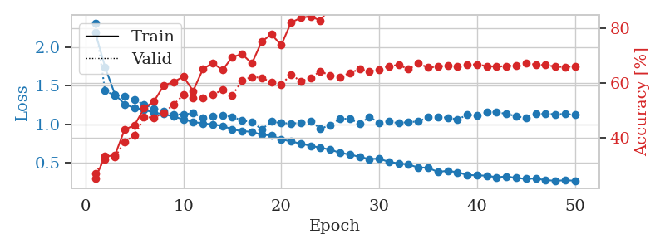
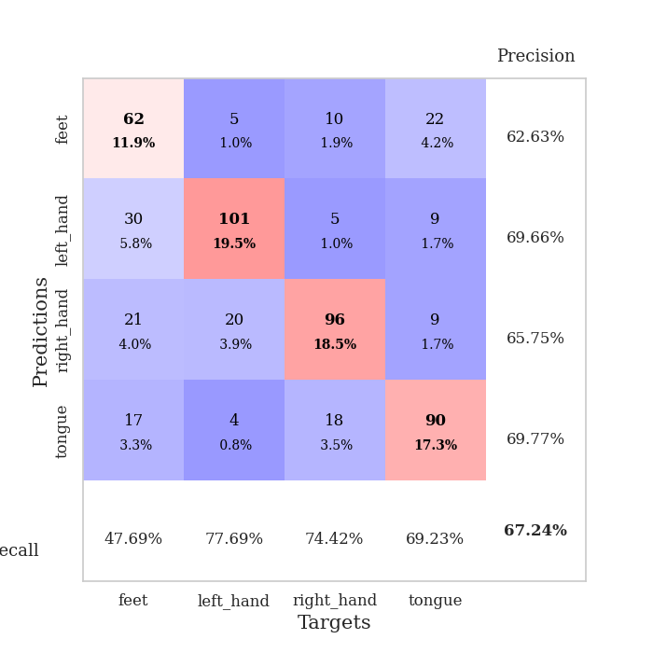
train_loss | valid_loss | train_accuracy | valid_accuracy | dur | train_misclass | valid_misclass
2.1966908397 | 2.3199942778 | 0.25115740741 | 0.2697495183 | 0.81176185608 | 25.115740741 | 26.97495183
1.7451177232 | 1.4337879426 | 0.3325617284 | 0.32177263969 | 0.80130958557 | 33.25617284 | 32.177263969
1.3894826016 | 1.3727710431 | 0.33526234568 | 0.32947976879 | 0.79850387573 | 33.526234568 | 32.947976879
1.2589232936 | 1.3680400614 | 0.43016975309 | 0.38535645472 | 0.82275462151 | 43.016975309 | 38.535645472
1.2109234826 | 1.317894273 | 0.44598765432 | 0.408477842 | 0.80286002159 | 44.598765432 | 40.8477842
1.1882055126 | 1.255698954 | 0.50848765432 | 0.47591522158 | 0.81632375717 | 50.848765432 | 47.591522158
1.1484548273 | 1.2058503922 | 0.53395061728 | 0.47398843931 | 0.79677653313 | 53.395061728 | 47.398843931
1.1309104098 | 1.1732572852 | 0.59143518519 | 0.49132947977 | 0.82319188118 | 59.143518519 | 49.132947977
1.0983977844 | 1.1235292842 | 0.6049382716 | 0.52215799615 | 0.8181784153 | 60.49382716 | 52.215799615
1.0626917264 | 1.1282399369 | 0.62384259259 | 0.55684007707 | 0.79558873177 | 62.384259259 | 55.684007707
1.0277767726 | 1.1415308645 | 0.57175925926 | 0.54527938343 | 0.79406452179 | 57.175925926 | 54.527938343
1.0104044933 | 1.0862066911 | 0.65162037037 | 0.54527938343 | 0.79970383644 | 65.162037037 | 54.527938343
0.99505766325 | 1.1077320471 | 0.67438271605 | 0.55684007707 | 0.79912781715 | 67.438271605 | 55.684007707
0.97766832915 | 1.1090090886 | 0.64814814815 | 0.57610789981 | 0.96667289734 | 64.814814815 | 57.610789981
0.9322257397 | 1.0976319329 | 0.69598765432 | 0.5549132948 | 0.82005524635 | 69.598765432 | 55.49132948
0.90794855117 | 1.0450770923 | 0.70640432099 | 0.61078998073 | 0.79605531693 | 70.640432099 | 61.078998073
0.90132717991 | 1.0325638584 | 0.6724537037 | 0.62235067437 | 0.80473542213 | 67.24537037 | 62.235067437
0.86109202751 | 0.93072554785 | 0.75270061728 | 0.6204238921 | 0.80259871483 | 75.270061728 | 62.04238921
0.85412989373 | 1.0357919304 | 0.77893518519 | 0.60308285164 | 0.80661153793 | 77.893518519 | 60.308285164
0.80056663667 | 1.0122159467 | 0.73958333333 | 0.59537572254 | 0.81310176849 | 73.958333333 | 59.537572254
0.77550302391 | 1.0109688949 | 0.8225308642 | 0.63198458574 | 0.80801534653 | 82.25308642 | 63.198458574
0.74490433481 | 1.0139487164 | 0.83950617284 | 0.60693641618 | 0.79539275169 | 83.950617284 | 60.693641618
0.7186219236 | 1.0376372206 | 0.84529320988 | 0.6204238921 | 0.81127214432 | 84.529320988 | 62.04238921
0.69193844828 | 0.94155544743 | 0.82908950617 | 0.64354527938 | 0.81038379669 | 82.908950617 | 64.354527938
0.66865958972 | 0.98675124631 | 0.88078703704 | 0.62813102119 | 0.80767679214 | 88.078703704 | 62.813102119
0.6254179371 | 1.0694770549 | 0.89043209877 | 0.62235067437 | 0.80389714241 | 89.043209877 | 62.235067437
0.60498421842 | 1.0705663855 | 0.88233024691 | 0.63776493256 | 0.79912042618 | 88.233024691 | 63.776493256
0.57228032739 | 1.0029818134 | 0.92785493827 | 0.65125240848 | 0.81314086914 | 92.785493827 | 65.125240848
0.54619311895 | 1.0917417415 | 0.91512345679 | 0.64354527938 | 0.80097937584 | 91.512345679 | 64.354527938
0.54914240548 | 1.0203508835 | 0.93827160494 | 0.6493256262 | 0.80688333511 | 93.827160494 | 64.93256262
0.50765642837 | 1.0346007947 | 0.92939814815 | 0.66281310212 | 0.80336427689 | 92.939814815 | 66.281310212
0.48835711121 | 1.013025548 | 0.93479938272 | 0.66666666667 | 0.81173110008 | 93.479938272 | 66.666666667
0.47288497634 | 1.0280818622 | 0.94058641975 | 0.65125240848 | 0.79975199699 | 94.058641975 | 65.125240848
0.43481534333 | 1.0338662828 | 0.96296296296 | 0.67244701349 | 0.79994559288 | 96.296296296 | 67.244701349
0.43184670967 | 1.0920160106 | 0.97222222222 | 0.6570327553 | 0.80607748032 | 97.222222222 | 65.70327553
0.37582110241 | 1.087301308 | 0.97685185185 | 0.66088631985 | 0.79876089096 | 97.685185185 | 66.088631985
0.3927997863 | 1.0870098094 | 0.97723765432 | 0.66473988439 | 0.80683135986 | 97.723765432 | 66.473988439
0.37171356109 | 1.0606721849 | 0.98456790123 | 0.66088631985 | 0.81036090851 | 98.456790123 | 66.088631985
0.33755147834 | 1.121924477 | 0.98418209877 | 0.66859344894 | 0.81470060349 | 98.418209877 | 66.859344894
0.33151914639 | 1.1134935353 | 0.99035493827 | 0.66859344894 | 0.80836486816 | 99.035493827 | 66.859344894
0.32797224932 | 1.1545960242 | 0.98842592593 | 0.66281310212 | 0.80590391159 | 98.842592593 | 66.281310212
0.30631456979 | 1.158605927 | 0.98919753086 | 0.66088631985 | 0.8121073246 | 98.919753086 | 66.088631985
0.31877575251 | 1.1321036026 | 0.99035493827 | 0.66281310212 | 0.80292224884 | 99.035493827 | 66.281310212
0.29776432894 | 1.1050034534 | 0.99189814815 | 0.66473988439 | 0.81132245064 | 99.189814815 | 66.473988439
0.28689854217 | 1.0769183222 | 0.99228395062 | 0.67244701349 | 0.80500650406 | 99.228395062 | 67.244701349
0.29093709022 | 1.132253102 | 0.99228395062 | 0.66859344894 | 0.80521273613 | 99.228395062 | 66.859344894
0.26909258005 | 1.1374173027 | 0.99228395062 | 0.66666666667 | 0.80007266998 | 99.228395062 | 66.666666667
0.26247368341 | 1.1290766614 | 0.99344135802 | 0.66088631985 | 0.79634213448 | 99.344135802 | 66.088631985
0.26704007058 | 1.1337362195 | 0.99305555556 | 0.65895953757 | 0.77939295769 | 99.305555556 | 65.895953757
0.26324248459 | 1.1197424431 | 0.99228395062 | 0.66281310212 | 0.89460277557 | 99.228395062 | 66.281310212

Best Val accuracy is 0.6724470134874759 and Best test accuracy is 0.6454413892908828

Sheet9
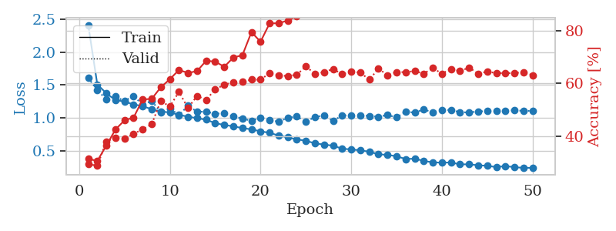
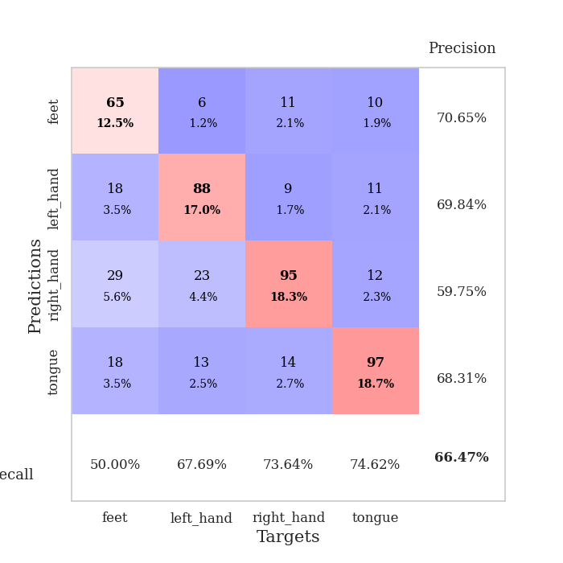
train_loss | valid_loss | train_accuracy | valid_accuracy | dur | train_misclass | valid_misclass
2.4096366071 | 1.6097202607 | 0.31327160494 | 0.29287090559 | 0.8159532547 | 31.327160494 | 29.287090559
1.5099670453 | 1.4200726267 | 0.30516975309 | 0.28709055877 | 0.81275415421 | 30.516975309 | 28.709055877
1.374513182 | 1.2852657069 | 0.3638117284 | 0.3795761079 | 0.79993486404 | 36.38117284 | 37.95761079
1.2721524022 | 1.3247504108 | 0.42476851852 | 0.39306358382 | 0.81008720398 | 42.476851852 | 39.306358382
1.2502352283 | 1.258126345 | 0.45987654321 | 0.39113680154 | 0.8014061451 | 45.987654321 | 39.113680154
1.2060005069 | 1.336116454 | 0.47029320988 | 0.408477842 | 0.79888319969 | 47.029320988 | 40.8477842
1.1814485902 | 1.2009075012 | 0.53935185185 | 0.42581888247 | 0.79202890396 | 53.935185185 | 42.581888247
1.1331016167 | 1.2600671023 | 0.54166666667 | 0.4450867052 | 0.79518723488 | 54.166666667 | 44.50867052
1.0990507684 | 1.0863291475 | 0.58564814815 | 0.53371868979 | 0.79352736473 | 58.564814815 | 53.371868979
1.0857085608 | 1.1488196829 | 0.61651234568 | 0.51252408478 | 0.79558610916 | 61.651234568 | 51.252408478
1.0486146031 | 1.0442316576 | 0.65162037037 | 0.56840077071 | 0.79751324654 | 65.162037037 | 56.840077071
1.0209892628 | 1.186955488 | 0.64043209877 | 0.50674373796 | 0.77730035782 | 64.043209877 | 50.674373796
0.99826387675 | 1.0963983239 | 0.64737654321 | 0.55298651252 | 0.77766537666 | 64.737654321 | 55.298651252
0.97465485187 | 1.0958476016 | 0.68672839506 | 0.53757225434 | 0.93690752983 | 68.672839506 | 53.757225434
0.92312152021 | 1.0648245051 | 0.68364197531 | 0.57803468208 | 0.79104685783 | 68.364197531 | 57.803468208
0.8954752404 | 1.0735834699 | 0.66396604938 | 0.59537572254 | 0.80080080032 | 66.396604938 | 59.537572254
0.87445153351 | 1.0228582177 | 0.69907407407 | 0.60500963391 | 0.77431750298 | 69.907407407 | 60.500963391
0.84800813228 | 0.99553968291 | 0.70794753086 | 0.60693641618 | 0.78523731232 | 70.794753086 | 60.693641618
0.82865238116 | 0.95574276663 | 0.79591049383 | 0.61464354528 | 0.78601288795 | 79.591049383 | 61.464354528
0.79925039208 | 1.0085170802 | 0.75925925926 | 0.61464354528 | 0.79855942726 | 75.925925926 | 61.464354528
0.77605805003 | 0.96633163353 | 0.82908950617 | 0.63969171484 | 0.77723574638 | 82.908950617 | 63.969171484
0.73502357911 | 0.94633296758 | 0.82986111111 | 0.63198458574 | 0.78919911385 | 82.986111111 | 63.198458574
0.70716362253 | 1.0017497994 | 0.83989197531 | 0.62813102119 | 0.77821040154 | 83.989197531 | 62.813102119
0.67685630862 | 1.0228654888 | 0.85570987654 | 0.63391136802 | 0.78351354599 | 85.570987654 | 63.391136802
0.65660581167 | 0.94625297126 | 0.86805555556 | 0.66473988439 | 0.79001379013 | 86.805555556 | 66.473988439
0.6159386541 | 1.0132326363 | 0.90162037037 | 0.63776493256 | 0.78144145012 | 90.162037037 | 63.776493256
0.598805739 | 1.042156479 | 0.89429012346 | 0.64354527938 | 0.781427145 | 89.429012346 | 64.354527938
0.58071595614 | 0.95308363851 | 0.92322530864 | 0.65510597303 | 0.77665257454 | 92.322530864 | 65.510597303
0.53619655852 | 1.0426341863 | 0.92515432099 | 0.63583815029 | 0.7816798687 | 92.515432099 | 63.583815029
0.52437727337 | 1.0355576752 | 0.93981481481 | 0.64547206166 | 0.781062603 | 93.981481481 | 64.547206166
0.51115603671 | 1.0442240638 | 0.94521604938 | 0.64161849711 | 0.78323125839 | 94.521604938 | 64.161849711
0.48954164683 | 1.0304927893 | 0.95216049383 | 0.61464354528 | 0.78027534485 | 95.216049383 | 61.464354528
0.45124962383 | 1.0210003132 | 0.96604938272 | 0.6570327553 | 0.7774078846 | 96.604938272 | 65.70327553
0.44099921761 | 1.0447304515 | 0.97222222222 | 0.63198458574 | 0.78415036201 | 97.222222222 | 63.198458574
0.42157955408 | 1.0110821062 | 0.97685185185 | 0.64354527938 | 0.77913928032 | 97.685185185 | 64.354527938
0.37900483314 | 1.0956216947 | 0.96643518519 | 0.64354527938 | 0.78462386131 | 96.643518519 | 64.354527938
0.38460430301 | 1.083353016 | 0.98186728395 | 0.64739884393 | 0.78598809242 | 98.186728395 | 64.739884393
0.34973859796 | 1.1305747763 | 0.97492283951 | 0.63776493256 | 0.78484487534 | 97.492283951 | 63.776493256
0.32860296371 | 1.0863076157 | 0.9888117284 | 0.65895953757 | 0.78079295158 | 98.88117284 | 65.895953757
0.32389736511 | 1.1253136955 | 0.99151234568 | 0.63776493256 | 0.78096365929 | 99.151234568 | 63.776493256
0.32676370145 | 1.1198422459 | 0.99035493827 | 0.65510597303 | 0.7889778614 | 99.035493827 | 65.510597303
0.29782736242 | 1.0904997663 | 0.99691358025 | 0.64739884393 | 0.79367208481 | 99.691358025 | 64.739884393
0.2991292688 | 1.084181736 | 0.99421296296 | 0.66088631985 | 0.78026771545 | 99.421296296 | 66.088631985
0.28407283123 | 1.101785273 | 0.99537037037 | 0.63776493256 | 0.78192877769 | 99.537037037 | 63.776493256
0.27661398796 | 1.1039434761 | 0.99575617284 | 0.64547206166 | 0.77232241631 | 99.575617284 | 64.547206166
0.25638655532 | 1.1091344334 | 0.99652777778 | 0.63969171484 | 0.78170609474 | 99.652777778 | 63.969171484
0.27277818525 | 1.1144592247 | 0.99614197531 | 0.63969171484 | 0.77936601639 | 99.614197531 | 63.969171484
0.25525652146 | 1.1157930274 | 0.99614197531 | 0.63969171484 | 0.78209638596 | 99.614197531 | 63.969171484
0.24521187387 | 1.1096991827 | 0.99691358025 | 0.64354527938 | 0.81301593781 | 99.691358025 | 64.354527938
0.24565723361 | 1.1073251864 | 0.99614197531 | 0.63198458574 | 0.88116049767 | 99.614197531 | 63.198458574

Best Val accuracy is 0.6647398843930635 and Best test accuracy is 0.623251326579836

Sheet10
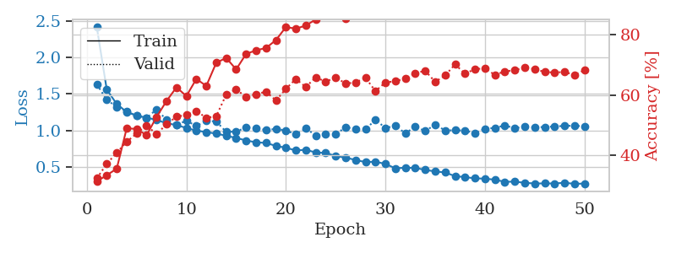
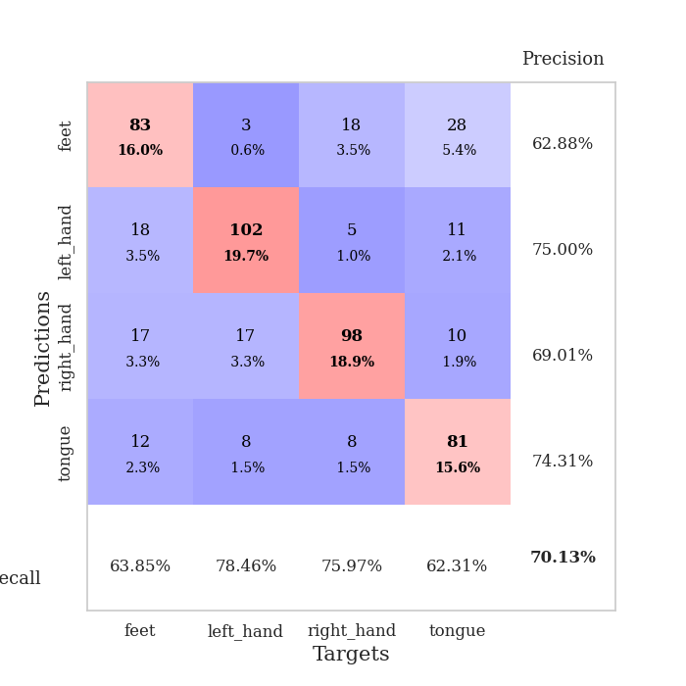
train_loss | valid_loss | train_accuracy | valid_accuracy | dur | train_misclass | valid_misclass
2.4111789627 | 1.6311370382 | 0.31365740741 | 0.32369942197 | 0.78458499908 | 31.365740741 | 32.369942197
1.5571924661 | 1.4190720191 | 0.33410493827 | 0.37186897881 | 0.76761293411 | 33.410493827 | 37.186897881
1.362282558 | 1.322115761 | 0.35570987654 | 0.408477842 | 0.77468037605 | 35.570987654 | 40.8477842
1.2522521442 | 1.2593058876 | 0.48958333333 | 0.4450867052 | 0.77838420868 | 48.958333333 | 44.50867052
1.2023524142 | 1.2014519872 | 0.48726851852 | 0.47206165703 | 0.78829741478 | 48.726851852 | 47.206165703
1.1743289004 | 1.1695698438 | 0.46682098765 | 0.49903660886 | 0.77953457832 | 46.682098765 | 49.903660886
1.1443987018 | 1.2886324154 | 0.52700617284 | 0.47013487476 | 0.77765512466 | 52.700617284 | 47.013487476
1.097708265 | 1.1453365455 | 0.57986111111 | 0.50289017341 | 0.78084230423 | 57.986111111 | 50.289017341
1.0747468004 | 1.0792564558 | 0.62538580247 | 0.52793834297 | 0.77934861183 | 62.538580247 | 52.793834297
1.032558528 | 1.1309083592 | 0.59645061728 | 0.53371868979 | 0.76966190338 | 59.645061728 | 53.371868979
0.9978448377 | 1.0619651637 | 0.65316358025 | 0.5472061657 | 0.77233791351 | 65.316358025 | 54.72061657
0.97679216295 | 1.1290420207 | 0.6300154321 | 0.52408477842 | 0.77815079689 | 63.00154321 | 52.408477842
0.95634472885 | 1.1238880256 | 0.70679012346 | 0.52986512524 | 0.78406667709 | 70.679012346 | 52.986512524
0.92710172817 | 0.97862057764 | 0.72299382716 | 0.60115606936 | 0.86966514587 | 72.299382716 | 60.115606936
0.89668419608 | 0.98475413401 | 0.68479938272 | 0.61849710983 | 0.7809484005 | 68.479938272 | 61.849710983
0.86288478235 | 1.0391948797 | 0.73611111111 | 0.59344894027 | 0.78549933434 | 73.611111111 | 59.344894027
0.83663541152 | 1.0352373116 | 0.74807098765 | 0.60308285164 | 0.78005051613 | 74.807098765 | 60.308285164
0.82907224069 | 1.0030198577 | 0.75578703704 | 0.61078998073 | 0.77672934532 | 75.578703704 | 61.078998073
0.78711885195 | 1.0221220599 | 0.78202160494 | 0.58188824663 | 0.78917551041 | 78.202160494 | 58.188824663
0.7631453938 | 0.99792916031 | 0.82523148148 | 0.6204238921 | 0.78575158119 | 82.523148148 | 62.04238921
0.724736155 | 0.94817409809 | 0.81983024691 | 0.65317919075 | 0.79039096832 | 81.983024691 | 65.317919075
0.73549253576 | 1.0268071231 | 0.83024691358 | 0.62620423892 | 0.77684020996 | 83.024691358 | 62.620423892
0.69691762135 | 0.9320454331 | 0.85030864198 | 0.65895953757 | 0.78150200844 | 85.030864198 | 65.895953757
0.69259447264 | 0.94414169802 | 0.88348765432 | 0.64354527938 | 0.78816819191 | 88.348765432 | 64.354527938
0.64902603645 | 0.94635161407 | 0.87885802469 | 0.65895953757 | 0.77992224693 | 87.885802469 | 65.895953757
0.62697602652 | 1.0441080123 | 0.8537808642 | 0.63776493256 | 0.78362321854 | 85.37808642 | 63.776493256
0.59545861755 | 1.0207102097 | 0.89930555556 | 0.64161849711 | 0.77912306786 | 89.930555556 | 64.161849711
0.56566370325 | 1.0172889945 | 0.91280864198 | 0.6570327553 | 0.77767157555 | 91.280864198 | 65.70327553
0.57186149907 | 1.1437689619 | 0.90586419753 | 0.61271676301 | 0.78634500504 | 90.586419753 | 61.271676301
0.54063324124 | 1.0348657574 | 0.92978395062 | 0.64161849711 | 0.77874779701 | 92.978395062 | 64.161849711
0.481439661 | 1.0609886141 | 0.93865740741 | 0.64547206166 | 0.79012584686 | 93.865740741 | 64.547206166
0.48873055239 | 0.96152714636 | 0.9587191358 | 0.65510597303 | 0.78902006149 | 95.87191358 | 65.510597303
0.48666324692 | 1.0503319968 | 0.94791666667 | 0.67244701349 | 0.7801027298 | 94.791666667 | 67.244701349
0.45874598006 | 0.9912056413 | 0.96489197531 | 0.68015414258 | 0.78947710991 | 96.489197531 | 68.015414258
0.43814061095 | 1.0793548595 | 0.95563271605 | 0.64354527938 | 0.7721555233 | 95.563271605 | 64.354527938
0.42433296139 | 0.99887737741 | 0.97415123457 | 0.66473988439 | 0.78054666519 | 97.415123457 | 66.473988439
0.37333576641 | 1.0027015113 | 0.97685185185 | 0.70134874759 | 0.77061319351 | 97.685185185 | 70.134874759
0.36091788141 | 0.9977111527 | 0.98765432099 | 0.67052023121 | 0.77709531784 | 98.765432099 | 67.052023121
0.34308438173 | 0.96260152938 | 0.9899691358 | 0.6859344894 | 0.77863359451 | 98.99691358 | 68.59344894
0.33946577738 | 1.0246107234 | 0.98919753086 | 0.68786127168 | 0.7801232338 | 98.919753086 | 68.786127168
0.32485419834 | 1.033198482 | 0.99459876543 | 0.66666666667 | 0.77826213837 | 99.459876543 | 66.666666667
0.2958351224 | 1.0691579482 | 0.99189814815 | 0.67822736031 | 0.7798242569 | 99.189814815 | 67.822736031
0.29849992051 | 1.0283706289 | 0.99266975309 | 0.68208092486 | 0.77828288078 | 99.266975309 | 68.208092486
0.28214123854 | 1.056980286 | 0.99228395062 | 0.69171483622 | 0.78223800659 | 99.228395062 | 69.171483622
0.27325122224 | 1.0419204644 | 0.99344135802 | 0.6859344894 | 0.77092051506 | 99.344135802 | 68.59344894
0.27387158483 | 1.0470857528 | 0.99421296296 | 0.67630057803 | 0.78033041954 | 99.421296296 | 67.630057803
0.27331827273 | 1.053916905 | 0.99614197531 | 0.67437379576 | 0.77649950981 | 99.614197531 | 67.437379576
0.2831506283 | 1.0624397444 | 0.99459876543 | 0.67630057803 | 0.77541470528 | 99.459876543 | 67.630057803
0.2682564104 | 1.0635997937 | 0.9949845679 | 0.66666666667 | 0.76932001114 | 99.49845679 | 66.666666667
0.27213938941 | 1.0567999543 | 0.99459876543 | 0.68208092486 | 0.8113386631 | 99.459876543 | 68.208092486

Best Val accuracy is 0.7013487475915221 and Best test accuracy is 0.6589483839845635

