Sheet
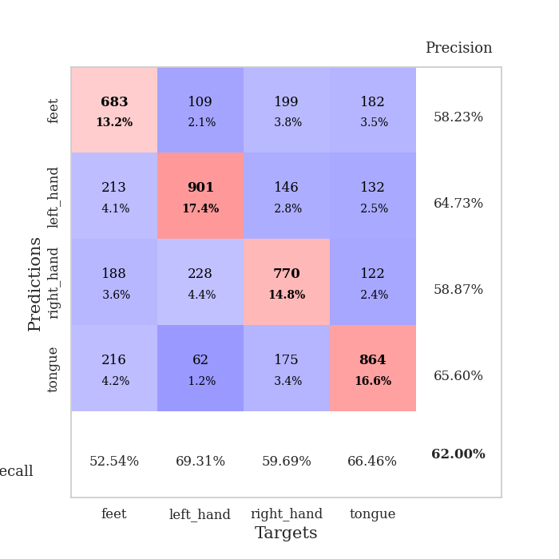
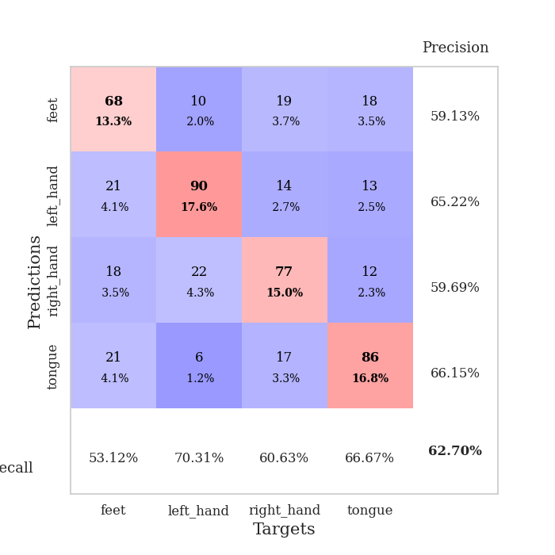
best_val_acc | best_val_los | best_test_acc
0.57225433526 | 1.1881229207 | 0.51230101302
0.62813102119 | 1.2306034797 | 0.54510371442
0.61078998073 | 1.1925052809 | 0.47563917028
0.62427745665 | 1.0881080223 | 0.54172696575
0.64354527938 | 1.0936279901 | 0.53014954173
0.61464354528 | 1.1934334203 | 0.54606849976
0.60308285164 | 1.1328106002 | 0.51616015437
0.65317919075 | 1.1309878769 | 0.56054027979
0.62235067437 | 1.1743350994 | 0.53159671973
0.62813102119 | 1.1570213096 | 0.51953690304

Mean,std Val accuracy is 0.6200385356454721 , 0.022337382267729366 and mean, std test accuracy is 0.527882296189098 , 0.023766564151061504

Sheet1
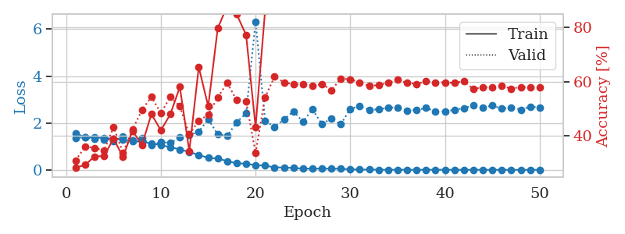
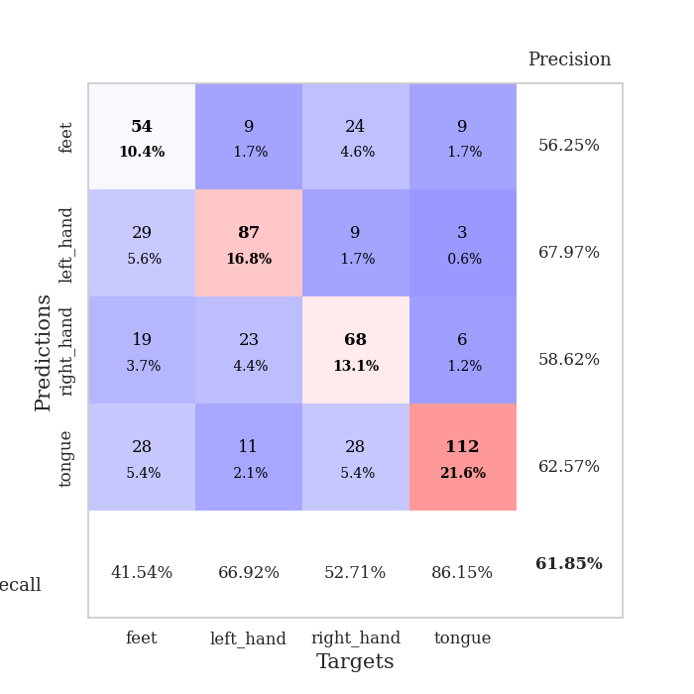
train_loss | valid_loss | train_accuracy | valid_accuracy | dur | train_misclass | valid_misclass
1.5124089924 | 1.408548746 | 0.25925925926 | 0.27360308285 | 14.102643251 | 25.925925926 | 27.360308285
1.415448648 | 1.4110322449 | 0.25848765432 | 0.26782273603 | 17.492053986 | 25.848765432 | 26.782273603
1.3939224231 | 1.3787662641 | 0.27353395062 | 0.29672447013 | 19.963345289 | 27.353395062 | 29.672447013
1.3795731612 | 1.3650484577 | 0.28935185185 | 0.31984585742 | 24.961975813 | 28.935185185 | 31.984585742
1.346059989 | 1.3806617899 | 0.37808641975 | 0.33140655106 | 26.555912733 | 37.808641975 | 33.140655106
1.2959595153 | 2.0701559835 | 0.32484567901 | 0.28901734104 | 26.464263916 | 32.484567901 | 28.901734104
1.2564451448 | 1.3760039407 | 0.42978395062 | 0.33333333333 | 27.002215385 | 42.978395062 | 33.333333333
1.2350134842 | 1.2765466981 | 0.43402777778 | 0.40269749518 | 26.942990541 | 43.402777778 | 40.269749518
1.1903768237 | 1.3018883129 | 0.4737654321 | 0.39306358382 | 26.412229061 | 47.37654321 | 39.306358382
1.17120685 | 1.5381225033 | 0.3800154321 | 0.3506743738 | 26.969862938 | 38.00154321 | 35.06743738
1.1144931151 | 1.392978642 | 0.43441358025 | 0.3429672447 | 27.042987108 | 43.441358025 | 34.29672447
1.086188401 | 1.2543361612 | 0.54976851852 | 0.45086705202 | 26.661231518 | 54.976851852 | 45.086705202
1.0247353753 | 1.1881229207 | 0.59567901235 | 0.48747591522 | 26.395804644 | 59.567901235 | 48.747591522
0.98857552475 | 1.2575167755 | 0.55054012346 | 0.49132947977 | 26.968139887 | 55.054012346 | 49.132947977
0.9206608486 | 1.2187984679 | 0.62191358025 | 0.47206165703 | 26.774857283 | 62.191358025 | 47.206165703
0.85743890574 | 1.466074746 | 0.66358024691 | 0.46435452794 | 26.981284142 | 66.358024691 | 46.435452794
0.79885312289 | 1.3878737695 | 0.65046296296 | 0.50289017341 | 26.614835739 | 65.046296296 | 50.289017341
0.68215671476 | 1.3223589427 | 0.69020061728 | 0.47398843931 | 26.935151815 | 69.020061728 | 47.398843931
0.62029934353 | 1.7516721907 | 0.72415123457 | 0.46820809249 | 26.898614168 | 72.415123457 | 46.820809249
0.49765061293 | 1.6429209962 | 0.87885802469 | 0.49903660886 | 27.460823298 | 87.885802469 | 49.903660886
0.37203013253 | 2.1743807912 | 0.85339506173 | 0.48747591522 | 27.349807739 | 85.339506173 | 48.747591522
0.32544833964 | 2.2699063527 | 0.88464506173 | 0.4894026975 | 27.658663034 | 88.464506173 | 48.94026975
0.22760580756 | 2.2338371598 | 0.9486882716 | 0.5105973025 | 27.734587193 | 94.86882716 | 51.05973025
0.21331654189 | 2.1451719574 | 0.85609567901 | 0.52986512524 | 27.617181063 | 85.609567901 | 52.986512524
0.1169939764 | 2.2381360535 | 0.9849537037 | 0.52023121387 | 27.662423134 | 98.49537037 | 52.023121387
0.12782965851 | 2.0679427921 | 0.98186728395 | 0.54335260116 | 27.225925922 | 98.186728395 | 54.335260116
0.084729856147 | 2.3438234862 | 0.9637345679 | 0.5472061657 | 27.674544096 | 96.37345679 | 54.72061657
0.056405454917 | 2.2689207965 | 0.91280864198 | 0.53949903661 | 27.64033699 | 91.280864198 | 53.949903661
0.041866797876 | 2.4087360066 | 0.99729938272 | 0.54335260116 | 27.670666218 | 99.729938272 | 54.335260116
0.037810920254 | 2.8825062465 | 0.97569444444 | 0.51445086705 | 27.674917221 | 97.569444444 | 51.445086705
0.037974180642 | 2.4010610231 | 0.99807098765 | 0.56454720617 | 27.616582155 | 99.807098765 | 56.454720617
0.034986024471 | 2.6452227043 | 0.98649691358 | 0.54142581888 | 27.64569211 | 98.649691358 | 54.142581888
0.023419099971 | 2.5396087661 | 0.99614197531 | 0.55876685934 | 27.728876591 | 99.614197531 | 55.876685934
0.0097755694095 | 2.5089089673 | 1 | 0.56069364162 | 27.618894577 | 100 | 56.069364162
0.006181270543 | 2.6284842831 | 1 | 0.56262042389 | 27.909894943 | 100 | 56.262042389
0.009336667333 | 2.6377707695 | 0.99922839506 | 0.55684007707 | 27.818009377 | 99.922839506 | 55.684007707
0.0035826356419 | 2.5806912328 | 1 | 0.54913294798 | 27.910074472 | 100 | 54.913294798
0.0062267626498 | 2.5803990539 | 1 | 0.57225433526 | 27.833331347 | 100 | 57.225433526
0.0045760923628 | 2.6678228654 | 0.99922839506 | 0.56647398844 | 27.856758118 | 99.922839506 | 56.647398844
0.002691186732 | 2.635863373 | 1 | 0.56069364162 | 27.938851118 | 100 | 56.069364162
0.0021027853981 | 2.6738666523 | 1 | 0.55105973025 | 27.777185202 | 100 | 55.105973025
0.0019401724702 | 2.710901367 | 0.99922839506 | 0.5549132948 | 27.864123106 | 99.922839506 | 55.49132948
0.0021781679933 | 2.7724567314 | 0.99961419753 | 0.55298651252 | 27.87864399 | 99.961419753 | 55.298651252
0.0022943489908 | 2.7271210518 | 1 | 0.54335260116 | 27.723626375 | 100 | 54.335260116
0.0020431028074 | 2.7051896498 | 1 | 0.5549132948 | 27.709686279 | 100 | 55.49132948
0.0019563518267 | 2.7886586786 | 1 | 0.55298651252 | 27.656535387 | 100 | 55.298651252
0.00278294375 | 2.7978486078 | 0.99961419753 | 0.5549132948 | 27.71611166 | 99.961419753 | 55.49132948
0.0014786111739 | 2.7677312164 | 0.99961419753 | 0.56647398844 | 27.679858685 | 99.961419753 | 56.647398844
0.0015913361139 | 2.7079473075 | 0.99961419753 | 0.56647398844 | 27.675947905 | 99.961419753 | 56.647398844
0.0012061630809 | 2.7974548836 | 1 | 0.5549132948 | 27.62616539 | 100 | 55.49132948

Best Val accuracy is 0.5722543352601156 and Best test accuracy is 0.5123010130246021

Sheet2
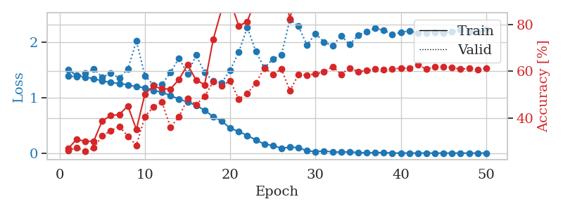
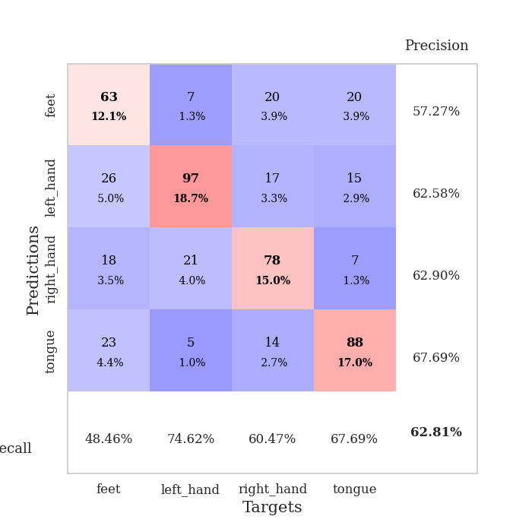
train_loss | valid_loss | train_accuracy | valid_accuracy | dur | train_misclass | valid_misclass
1.5072950684 | 1.3852563026 | 0.27044753086 | 0.26396917148 | 11.250855446 | 27.044753086 | 26.396917148
1.3992154878 | 1.3827061302 | 0.31134259259 | 0.27360308285 | 11.853461981 | 31.134259259 | 27.360308285
1.3712695889 | 1.439570752 | 0.3013117284 | 0.26011560694 | 11.159887791 | 30.13117284 | 26.011560694
1.3408693649 | 1.5229557323 | 0.30324074074 | 0.27360308285 | 11.265137672 | 30.324074074 | 27.360308285
1.3032987942 | 1.3675769816 | 0.38966049383 | 0.32562620424 | 11.220319748 | 38.966049383 | 32.562620424
1.2742482516 | 1.4431672772 | 0.4112654321 | 0.34682080925 | 11.359655619 | 41.12654321 | 34.682080925
1.2569965102 | 1.3540031395 | 0.41666666667 | 0.36608863198 | 11.317979813 | 41.666666667 | 36.608863198
1.2311204554 | 1.5161321958 | 0.4525462963 | 0.32369942197 | 20.380669594 | 45.25462963 | 32.369942197
1.1973677723 | 2.0189365256 | 0.35262345679 | 0.28516377649 | 26.392412186 | 35.262345679 | 28.516377649
1.1810293933 | 1.3967192219 | 0.50385802469 | 0.40655105973 | 26.724443674 | 50.385802469 | 40.655105973
1.1294262645 | 1.2306034797 | 0.53703703704 | 0.44894026975 | 26.741523743 | 53.703703704 | 44.894026975
1.1017145091 | 1.2402834509 | 0.52546296296 | 0.46820809249 | 27.030019522 | 52.546296296 | 46.820809249
1.0347620683 | 1.4550534259 | 0.52469135802 | 0.36223506744 | 26.47986722 | 52.469135802 | 36.223506744
0.97736257646 | 1.7142257139 | 0.56635802469 | 0.40655105973 | 26.68555069 | 56.635802469 | 40.655105973
0.9208140984 | 1.4272491029 | 0.62770061728 | 0.48362235067 | 27.303833961 | 62.770061728 | 48.362235067
0.86244290938 | 1.7677092704 | 0.56327160494 | 0.45857418112 | 27.455584288 | 56.327160494 | 45.857418112
0.77248314557 | 1.4494098294 | 0.54282407407 | 0.49325626204 | 27.730617285 | 54.282407407 | 49.325626204
0.65986113876 | 1.3021826429 | 0.73533950617 | 0.5549132948 | 27.426064968 | 73.533950617 | 55.49132948
0.57761929846 | 1.2696325634 | 0.86458333333 | 0.53949903661 | 27.295715332 | 86.458333333 | 53.949903661
0.44910525715 | 1.4944931377 | 0.89930555556 | 0.55876685934 | 27.321278811 | 89.930555556 | 55.876685934
0.39119394328 | 1.8190198105 | 0.79359567901 | 0.4816955684 | 27.597704172 | 79.359567901 | 48.16955684
0.31942047422 | 2.2698343939 | 0.81211419753 | 0.50674373796 | 27.557910919 | 81.211419753 | 50.674373796
0.24023746135 | 1.8313291799 | 0.90972222222 | 0.54913294798 | 27.645014524 | 90.972222222 | 54.913294798
0.16277224001 | 1.5371518875 | 0.91898148148 | 0.61464354528 | 27.616709232 | 91.898148148 | 61.464354528
0.1388792674 | 1.6957330731 | 0.98611111111 | 0.58766859345 | 27.606253624 | 98.611111111 | 58.766859345
0.087670830797 | 1.7695366757 | 0.98225308642 | 0.60886319846 | 27.607402086 | 98.225308642 | 60.886319846
0.11041453862 | 2.4109576559 | 0.8236882716 | 0.5183044316 | 27.588063955 | 82.36882716 | 51.83044316
0.10112830376 | 2.2844964663 | 0.98958333333 | 0.58574181118 | 27.571322918 | 98.958333333 | 58.574181118
0.043492465347 | 1.9476781943 | 0.99807098765 | 0.5838150289 | 27.358453989 | 99.807098765 | 58.38150289
0.028028285438 | 2.1538628292 | 0.99729938272 | 0.58959537572 | 27.518696785 | 99.729938272 | 58.959537572
0.041831967185 | 2.0016767326 | 0.99922839506 | 0.59730250482 | 27.402920485 | 99.922839506 | 59.730250482
0.022798494014 | 1.9313142525 | 1 | 0.6204238921 | 26.916790485 | 100 | 62.04238921
0.01958384347 | 2.1156645423 | 0.99961419753 | 0.58766859345 | 26.980605841 | 99.961419753 | 58.766859345
0.024168619479 | 1.95853568 | 0.99922839506 | 0.61464354528 | 27.040183067 | 99.922839506 | 61.464354528
0.011857301207 | 2.1219722274 | 1 | 0.59922928709 | 27.0146873 | 100 | 59.922928709
0.0072996921593 | 2.1952269413 | 1 | 0.60308285164 | 26.749423981 | 100 | 60.308285164
0.0091879708897 | 2.2516395086 | 1 | 0.60886319846 | 27.053893566 | 100 | 60.886319846
0.012082596044 | 2.2116846956 | 1 | 0.60693641618 | 26.736855507 | 100 | 60.693641618
0.0035411113624 | 2.1425799212 | 1 | 0.60886319846 | 27.006155491 | 100 | 60.886319846
0.0024067556645 | 2.1714165564 | 1 | 0.61464354528 | 26.732942581 | 100 | 61.464354528
0.002425124747 | 2.2070029944 | 1 | 0.61271676301 | 27.25383091 | 100 | 61.271676301
0.0030885952098 | 2.1582148199 | 1 | 0.62813102119 | 27.321708202 | 100 | 62.813102119
0.0020904377302 | 2.1692230164 | 1 | 0.60886319846 | 27.210656404 | 100 | 60.886319846
0.0021759613495 | 2.1817353723 | 1 | 0.6204238921 | 27.385130167 | 100 | 62.04238921
0.0012671340738 | 2.1642082009 | 1 | 0.61849710983 | 27.361858845 | 100 | 61.849710983
0.0020124087571 | 2.1919379363 | 1 | 0.61657032755 | 27.280992508 | 100 | 61.657032755
0.0021076977623 | 2.2300241706 | 1 | 0.60886319846 | 27.65547061 | 100 | 60.886319846
0.0017532442564 | 2.1940961729 | 1 | 0.61271676301 | 27.58665967 | 100 | 61.271676301
0.002497270662 | 2.1905608094 | 1 | 0.60693641618 | 27.570207596 | 100 | 60.693641618
0.0022468881133 | 2.225156242 | 1 | 0.61271676301 | 27.617959976 | 100 | 61.271676301

Best Val accuracy is 0.628131021194605 and Best test accuracy is 0.5451037144235408

Sheet3
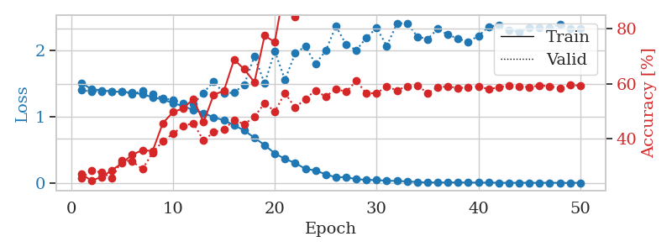
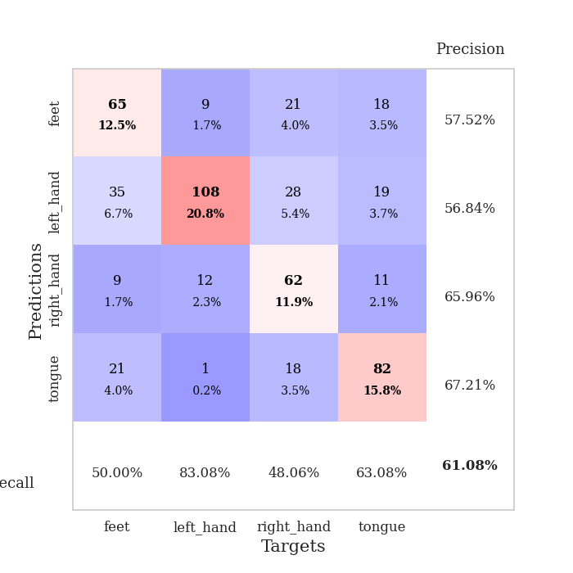
train_loss | valid_loss | train_accuracy | valid_accuracy | dur | train_misclass | valid_misclass
1.511894271 | 1.4026617039 | 0.2712191358 | 0.25626204239 | 27.60344553 | 27.12191358 | 25.626204239
1.4200531355 | 1.3860306365 | 0.24768518519 | 0.28323699422 | 27.675363064 | 24.768518519 | 28.323699422
1.4016107343 | 1.3846370163 | 0.26080246914 | 0.2774566474 | 27.308428526 | 26.080246914 | 27.74566474
1.3864844331 | 1.3835197251 | 0.28510802469 | 0.25626204239 | 16.065635443 | 28.510802469 | 25.626204239
1.3766214781 | 1.3775725119 | 0.31134259259 | 0.32177263969 | 11.474756479 | 31.134259259 | 32.177263969
1.3695541782 | 1.3472356746 | 0.34182098765 | 0.31791907514 | 11.747149944 | 34.182098765 | 31.791907514
1.3401351888 | 1.3910289828 | 0.35841049383 | 0.28901734104 | 11.478446484 | 35.841049383 | 28.901734104
1.2980633113 | 1.3462837806 | 0.35532407407 | 0.34874759152 | 11.44662261 | 35.532407407 | 34.874759152
1.2626559469 | 1.2810508819 | 0.45640432099 | 0.39113680154 | 11.498384237 | 45.640432099 | 39.113680154
1.2101667608 | 1.2574872543 | 0.49691358025 | 0.41811175337 | 11.621785164 | 49.691358025 | 41.811175337
1.1609802654 | 1.2098326026 | 0.51041666667 | 0.44701348748 | 11.429821253 | 51.041666667 | 44.701348748
1.1052984036 | 1.1925052809 | 0.54513888889 | 0.45664739884 | 11.404840231 | 54.513888889 | 45.664739884
1.0581001746 | 1.3631882421 | 0.46026234568 | 0.39306358382 | 11.587602615 | 46.026234568 | 39.306358382
0.99286640132 | 1.5397204907 | 0.56057098765 | 0.42389210019 | 11.225166082 | 56.057098765 | 42.389210019
0.94859876309 | 1.3528399966 | 0.57407407407 | 0.43352601156 | 11.376930475 | 57.407407407 | 43.352601156
0.87445730872 | 1.3691891207 | 0.68827160494 | 0.46820809249 | 12.678279638 | 68.827160494 | 46.820809249
0.7944680651 | 1.487658359 | 0.65277777778 | 0.4527938343 | 26.476709127 | 65.277777778 | 45.27938343
0.68332080359 | 1.9176461958 | 0.60570987654 | 0.47976878613 | 26.624219656 | 60.570987654 | 47.976878613
0.5728789246 | 1.5040699351 | 0.77507716049 | 0.52986512524 | 26.665055752 | 77.507716049 | 52.986512524
0.44710848228 | 1.9952356774 | 0.75192901235 | 0.49903660886 | 26.96753931 | 75.192901235 | 49.903660886
0.36393242992 | 1.5598638756 | 0.96141975309 | 0.56647398844 | 26.663835764 | 96.141975309 | 56.647398844
0.30274198234 | 1.961955658 | 0.84375 | 0.51252408478 | 27.007909298 | 84.375 | 51.252408478
0.21338052044 | 2.0666921676 | 0.88927469136 | 0.54527938343 | 26.632122278 | 88.927469136 | 54.527938343
0.18846061661 | 1.8011735607 | 0.97646604938 | 0.57610789981 | 26.965584993 | 97.646604938 | 57.610789981
0.13064931491 | 2.0003324308 | 0.9837962963 | 0.55298651252 | 26.822702885 | 98.37962963 | 55.298651252
0.085979354401 | 2.3711729716 | 0.98919753086 | 0.58188824663 | 27.398581982 | 98.919753086 | 58.188824663
0.088007544659 | 2.0970961326 | 0.98225308642 | 0.57032755299 | 27.337304831 | 98.225308642 | 57.032755299
0.056952686463 | 2.0082677265 | 0.96412037037 | 0.61078998073 | 27.234121799 | 96.412037037 | 61.078998073
0.046408470169 | 2.1989707446 | 0.99729938272 | 0.56454720617 | 27.422183037 | 99.729938272 | 56.454720617
0.042932530151 | 2.3446887582 | 0.99807098765 | 0.56647398844 | 27.61977005 | 99.807098765 | 56.647398844
0.033827471592 | 2.0739245479 | 0.99922839506 | 0.58959537572 | 27.595499039 | 99.922839506 | 58.959537572
0.030132478554 | 2.4129000955 | 0.99922839506 | 0.57610789981 | 27.611609221 | 99.922839506 | 57.610789981
0.023467873886 | 2.4185737484 | 0.99922839506 | 0.591522158 | 27.634275913 | 99.922839506 | 59.1522158
0.014469789968 | 2.2143740433 | 1 | 0.59344894027 | 27.562052488 | 100 | 59.344894027
0.0070217667748 | 2.1768768224 | 1 | 0.56647398844 | 27.638833523 | 100 | 56.647398844
0.0075342359115 | 2.3319323564 | 1 | 0.58574181118 | 27.445079803 | 100 | 58.574181118
0.0070971742202 | 2.2413265999 | 0.99961419753 | 0.591522158 | 27.031178474 | 99.961419753 | 59.1522158
0.0085856497387 | 2.1853120157 | 1 | 0.5838150289 | 27.104477882 | 100 | 58.38150289
0.0064852826975 | 2.132222952 | 0.99884259259 | 0.58766859345 | 26.910370111 | 99.884259259 | 58.766859345
0.0051393949386 | 2.2261092295 | 1 | 0.591522158 | 26.990175247 | 100 | 59.1522158
0.0054917906003 | 2.3631313212 | 1 | 0.57996146435 | 26.753971338 | 100 | 57.996146435
0.0032782266132 | 2.3909088977 | 1 | 0.58766859345 | 27.083782911 | 100 | 58.766859345
0.0014405979493 | 2.3163500976 | 1 | 0.59344894027 | 27.022791147 | 100 | 59.344894027
0.0033284974926 | 2.2884952044 | 1 | 0.591522158 | 27.05164361 | 100 | 59.1522158
0.00278623595 | 2.3461749926 | 1 | 0.58766859345 | 26.739367723 | 100 | 58.766859345
0.0018965659877 | 2.3532713452 | 1 | 0.59344894027 | 26.95091939 | 100 | 59.344894027
0.0034858023879 | 2.3453511673 | 1 | 0.591522158 | 26.924072027 | 100 | 59.1522158
0.0015920377715 | 2.3958382037 | 1 | 0.5838150289 | 26.9403584 | 100 | 58.38150289
0.00071502192771 | 2.3344304415 | 1 | 0.59537572254 | 26.626903772 | 100 | 59.537572254
0.0032222762134 | 2.3329952397 | 1 | 0.59344894027 | 27.128314734 | 100 | 59.344894027

Best Val accuracy is 0.6107899807321773 and Best test accuracy is 0.47563917028461167

Sheet4
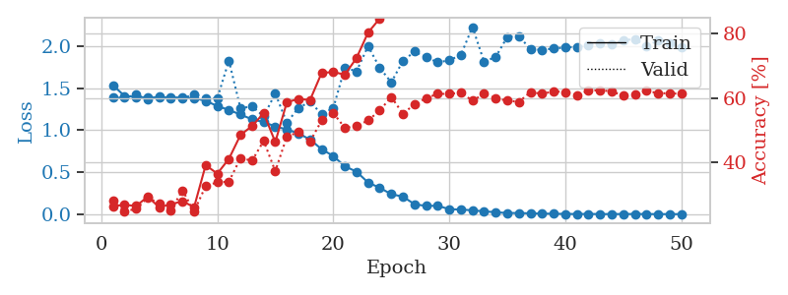
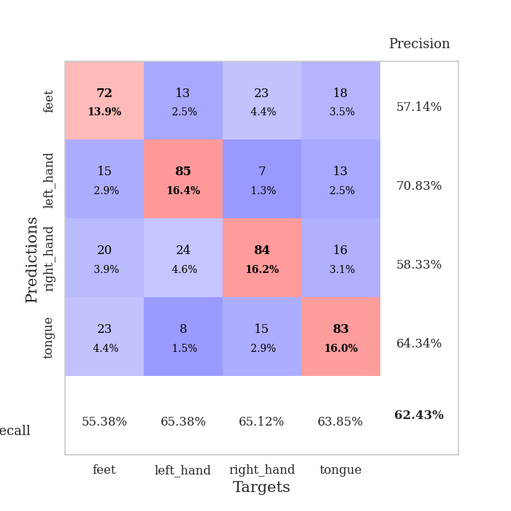
train_loss | valid_loss | train_accuracy | valid_accuracy | dur | train_misclass | valid_misclass
1.5336293674 | 1.3834601815 | 0.26311728395 | 0.27938342967 | 27.327062607 | 26.311728395 | 27.938342967
1.406432664 | 1.3860446555 | 0.26697530864 | 0.24662813102 | 27.273245096 | 26.697530864 | 24.662813102
1.394724166 | 1.4189972133 | 0.26350308642 | 0.25433526012 | 27.477585077 | 26.350308642 | 25.433526012
1.3880026701 | 1.370946612 | 0.29205246914 | 0.28901734104 | 27.597713232 | 29.205246914 | 28.901734104
1.3884833036 | 1.4026829751 | 0.25964506173 | 0.27167630058 | 27.580675602 | 25.964506173 | 27.167630058
1.3887418663 | 1.3819535684 | 0.26851851852 | 0.25048169557 | 27.637934685 | 26.851851852 | 25.048169557
1.3864815066 | 1.3725752723 | 0.27854938272 | 0.31213872832 | 27.61412406 | 27.854938272 | 31.213872832
1.3787932102 | 1.4287680562 | 0.25964506173 | 0.24662813102 | 27.595028162 | 25.964506173 | 24.662813102
1.3475476665 | 1.3770019356 | 0.39081790123 | 0.32562620424 | 27.574464321 | 39.081790123 | 32.562620424
1.2863447548 | 1.3762152604 | 0.36419753086 | 0.33718689788 | 27.597415686 | 36.419753086 | 33.718689788
1.2393206825 | 1.8259743372 | 0.41010802469 | 0.33911368015 | 27.588028431 | 41.010802469 | 33.911368015
1.1849174544 | 1.2596945655 | 0.48456790123 | 0.41233140655 | 24.395518064 | 48.456790123 | 41.233140655
1.1276519229 | 1.2818761088 | 0.51273148148 | 0.40462427746 | 11.430989265 | 51.273148148 | 40.462427746
1.0959350382 | 1.163346 | 0.5524691358 | 0.46628131021 | 11.451775074 | 55.24691358 | 46.628131021
1.0431222724 | 1.4351869996 | 0.46257716049 | 0.37186897881 | 11.208872795 | 46.257716049 | 37.186897881
1.0076725347 | 1.0881080223 | 0.58680555556 | 0.47976878613 | 11.536930084 | 58.680555556 | 47.976878613
0.9600413254 | 1.264451281 | 0.59683641975 | 0.49325626204 | 11.296174526 | 59.683641975 | 49.325626204
0.88781486856 | 1.3366560022 | 0.59375 | 0.46435452794 | 11.589411736 | 59.375 | 46.435452794
0.77286255985 | 1.1893453837 | 0.67824074074 | 0.52986512524 | 11.275034428 | 67.824074074 | 52.986512524
0.69187348327 | 1.2606019547 | 0.68055555556 | 0.55298651252 | 11.368769169 | 68.055555556 | 55.298651252
0.56971731681 | 1.7442536832 | 0.67283950617 | 0.50674373796 | 11.427045822 | 67.283950617 | 50.674373796
0.50650067848 | 1.6978480389 | 0.72415123457 | 0.51252408478 | 11.397830486 | 72.415123457 | 51.252408478
0.37701885991 | 1.9976989107 | 0.80362654321 | 0.52986512524 | 11.393326759 | 80.362654321 | 52.986512524
0.31511757817 | 1.7419660445 | 0.84722222222 | 0.56069364162 | 11.5820117 | 84.722222222 | 56.069364162
0.23844814199 | 1.5675169319 | 0.93788580247 | 0.60308285164 | 21.011869192 | 93.788580247 | 60.308285164
0.20960540551 | 1.8205438358 | 0.875 | 0.55105973025 | 26.387925148 | 87.5 | 55.105973025
0.11973417148 | 1.9326827145 | 0.91975308642 | 0.57996146435 | 26.45555377 | 91.975308642 | 57.996146435
0.098616514654 | 1.8675909171 | 0.98765432099 | 0.59922928709 | 26.719837189 | 98.765432099 | 59.922928709
0.10184633553 | 1.8046751482 | 0.98186728395 | 0.61271676301 | 26.690716505 | 98.186728395 | 61.271676301
0.059664701585 | 1.8291755591 | 0.99922839506 | 0.61271676301 | 26.666139603 | 99.922839506 | 61.271676301
0.05662013618 | 1.893333826 | 0.99459876543 | 0.61657032755 | 26.919737339 | 99.459876543 | 61.657032755
0.046315223592 | 2.2245360654 | 0.97067901235 | 0.591522158 | 26.967993259 | 97.067901235 | 59.1522158
0.034620790562 | 1.8129008005 | 0.99189814815 | 0.61271676301 | 26.32572484 | 99.189814815 | 61.271676301
0.024176844168 | 1.8685767605 | 0.99922839506 | 0.59922928709 | 26.747327089 | 99.922839506 | 59.922928709
0.014657409452 | 2.1060804958 | 0.99922839506 | 0.591522158 | 27.462282419 | 99.922839506 | 59.1522158
0.014841096242 | 2.1173041689 | 0.99961419753 | 0.58766859345 | 27.403054953 | 99.961419753 | 58.766859345
0.010800650822 | 1.9610862502 | 1 | 0.61849710983 | 27.408283472 | 100 | 61.849710983
0.0082949827968 | 1.9527138497 | 0.99961419753 | 0.61271676301 | 27.650621653 | 99.961419753 | 61.271676301
0.005951551917 | 1.9696697693 | 1 | 0.6204238921 | 27.646557093 | 100 | 62.04238921
0.0043432073536 | 1.98127786 | 1 | 0.61849710983 | 27.319606304 | 100 | 61.849710983
0.0028930987309 | 1.9902790865 | 1 | 0.60886319846 | 27.701830626 | 100 | 60.886319846
0.0038777232382 | 2.0113598101 | 1 | 0.62235067437 | 27.634426594 | 100 | 62.235067437
0.0024444955012 | 2.0363827882 | 1 | 0.62427745665 | 27.212019444 | 100 | 62.427745665
0.0025429776176 | 2.0192489918 | 1 | 0.6204238921 | 27.75018549 | 100 | 62.04238921
0.0029003442803 | 2.0703075295 | 1 | 0.60693641618 | 27.607567549 | 100 | 60.693641618
0.003146637599 | 2.0797321608 | 1 | 0.61078998073 | 27.558398724 | 100 | 61.078998073
0.0028878450527 | 1.9959544318 | 1 | 0.62235067437 | 27.594187737 | 100 | 62.235067437
0.0018823275421 | 2.0671770991 | 1 | 0.61464354528 | 27.614785194 | 100 | 61.464354528
0.0017273344892 | 2.0299166723 | 1 | 0.61464354528 | 27.569453001 | 100 | 61.464354528
0.0017700708838 | 1.9887453559 | 1 | 0.61271676301 | 27.659066439 | 100 | 61.271676301

Best Val accuracy is 0.6242774566473989 and Best test accuracy is 0.5417269657501206

Sheet5
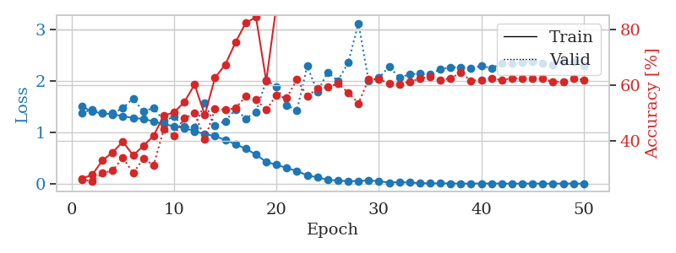
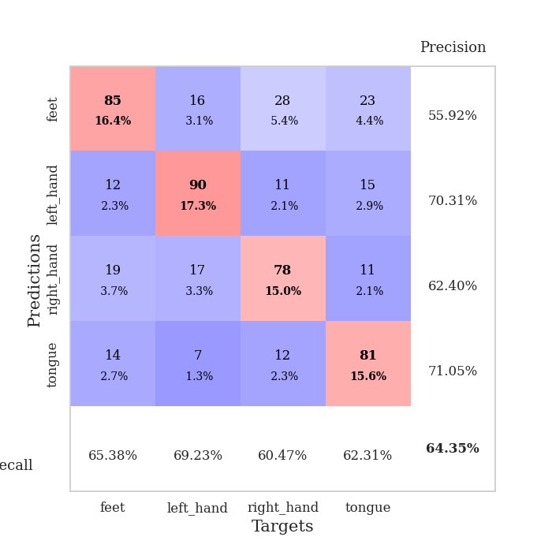
train_loss | valid_loss | train_accuracy | valid_accuracy | dur | train_misclass | valid_misclass
1.4981995593 | 1.3793130493 | 0.26388888889 | 0.26011560694 | 27.669285059 | 26.388888889 | 26.011560694
1.3981266978 | 1.4336853466 | 0.27739197531 | 0.25433526012 | 27.562378168 | 27.739197531 | 25.433526012
1.3699951091 | 1.3797439321 | 0.3287037037 | 0.28323699422 | 27.753984451 | 32.87037037 | 28.323699422
1.3471152341 | 1.3675702463 | 0.35841049383 | 0.29287090559 | 27.634382963 | 35.841049383 | 29.287090559
1.3117186118 | 1.4675076159 | 0.3962191358 | 0.33911368015 | 27.605252266 | 39.62191358 | 33.911368015
1.2767144692 | 1.6555323791 | 0.34722222222 | 0.28323699422 | 27.663844347 | 34.722222222 | 28.323699422
1.2573755398 | 1.3981095082 | 0.38078703704 | 0.33526011561 | 27.600061893 | 38.078703704 | 33.526011561
1.2107207816 | 1.4756069059 | 0.41782407407 | 0.31213872832 | 27.628968239 | 41.782407407 | 31.213872832
1.1539963995 | 1.2172187211 | 0.4899691358 | 0.44123314066 | 27.711352348 | 48.99691358 | 44.123314066
1.1160395995 | 1.3010478036 | 0.50154320988 | 0.41811175337 | 27.671882153 | 50.154320988 | 41.811175337
1.0808382755 | 1.1028395822 | 0.53858024691 | 0.47976878613 | 27.958914518 | 53.858024691 | 47.976878613
1.0179709023 | 1.0936279901 | 0.60108024691 | 0.49903660886 | 27.591080189 | 60.108024691 | 49.903660886
0.96447123826 | 1.5713561109 | 0.49189814815 | 0.40462427746 | 27.595959187 | 49.189814815 | 40.462427746
0.92271193678 | 1.129997317 | 0.62615740741 | 0.51445086705 | 27.63821578 | 62.615740741 | 51.445086705
0.84820052908 | 1.2159210602 | 0.67283950617 | 0.5105973025 | 27.621309519 | 67.283950617 | 51.05973025
0.76576631176 | 1.4448305362 | 0.75231481481 | 0.51637764933 | 27.691616774 | 75.231481481 | 51.637764933
0.67717396404 | 1.2647397279 | 0.82291666667 | 0.55876685934 | 27.851858377 | 82.291666667 | 55.876685934
0.56600978317 | 1.3923843601 | 0.84259259259 | 0.5472061657 | 27.612352371 | 84.259259259 | 54.72061657
0.4210939188 | 2.0066215347 | 0.61342592593 | 0.5105973025 | 27.660175562 | 61.342592593 | 51.05973025
0.367904913 | 1.8876801667 | 0.88773148148 | 0.56262042389 | 27.778869867 | 88.773148148 | 56.262042389
0.30359786737 | 1.5219931276 | 0.88927469136 | 0.55298651252 | 11.280596018 | 88.927469136 | 55.298651252
0.24539619758 | 1.4238319728 | 0.94791666667 | 0.6204238921 | 11.386783361 | 94.791666667 | 62.04238921
0.16061677315 | 2.2835251316 | 0.92476851852 | 0.55876685934 | 11.165845633 | 92.476851852 | 55.876685934
0.12350227016 | 1.780105408 | 0.97106481481 | 0.58766859345 | 11.355033398 | 97.106481481 | 58.766859345
0.075055224249 | 2.1641479687 | 0.99305555556 | 0.591522158 | 11.248616219 | 99.305555556 | 59.1522158
0.060382385785 | 1.9977045813 | 0.99691358025 | 0.60500963391 | 11.335668564 | 99.691358025 | 60.500963391
0.048965371286 | 2.3497820093 | 0.95833333333 | 0.57225433526 | 11.107186317 | 95.833333333 | 57.225433526
0.051713048867 | 3.1161504536 | 0.96643518519 | 0.53371868979 | 11.256638765 | 96.643518519 | 53.371868979
0.062594061036 | 1.9892328332 | 0.98572530864 | 0.6204238921 | 11.252583027 | 98.572530864 | 62.04238921
0.048291891878 | 2.0532152317 | 0.99691358025 | 0.6204238921 | 11.230214357 | 99.691358025 | 62.04238921
0.020118503249 | 2.2786052599 | 0.99768518519 | 0.60500963391 | 11.454828978 | 99.768518519 | 60.500963391
0.031329044368 | 2.0550106458 | 0.99961419753 | 0.60308285164 | 11.400722027 | 99.961419753 | 60.308285164
0.021452511262 | 2.1254272498 | 0.99807098765 | 0.61078998073 | 11.607067347 | 99.807098765 | 61.078998073
0.012139726163 | 2.1368456668 | 1 | 0.62235067437 | 25.856378317 | 100 | 62.235067437
0.0052087778837 | 2.1187288913 | 1 | 0.63005780347 | 27.172598362 | 100 | 63.005780347
0.0078587169697 | 2.2255244071 | 1 | 0.61657032755 | 27.525218487 | 100 | 61.657032755
0.0042563777632 | 2.2597873574 | 1 | 0.62427745665 | 27.336315632 | 100 | 62.427745665
0.0026768993351 | 2.2613686982 | 1 | 0.64354527938 | 26.877464771 | 100 | 64.354527938
0.0021567313391 | 2.2389285955 | 1 | 0.61464354528 | 26.928025484 | 100 | 61.464354528
0.0046293649234 | 2.2875104796 | 1 | 0.61849710983 | 26.807984352 | 100 | 61.849710983
0.0042876546438 | 2.2408317146 | 1 | 0.62427745665 | 26.702010632 | 100 | 62.427745665
0.002374636084 | 2.3414518066 | 1 | 0.61657032755 | 26.815172434 | 100 | 61.657032755
0.0013457200932 | 2.3321511851 | 1 | 0.62427745665 | 26.77469039 | 100 | 62.427745665
0.0017473664987 | 2.3610766361 | 1 | 0.62235067437 | 26.71427989 | 100 | 62.235067437
0.0026890836801 | 2.3746218957 | 1 | 0.62235067437 | 27.034047604 | 100 | 62.235067437
0.0014855140139 | 2.3311873447 | 1 | 0.62235067437 | 26.696715593 | 100 | 62.235067437
0.0012065749878 | 2.3028268979 | 1 | 0.61078998073 | 26.926697969 | 100 | 61.078998073
0.0014273617966 | 2.377174812 | 1 | 0.61078998073 | 26.533497572 | 100 | 61.078998073
0.0014722895152 | 2.3640363359 | 1 | 0.62235067437 | 26.994029284 | 100 | 62.235067437
0.0010553114065 | 2.2950133423 | 1 | 0.61849710983 | 26.633486986 | 100 | 61.849710983

Best Val accuracy is 0.6435452793834296 and Best test accuracy is 0.5301495417269657

Sheet6
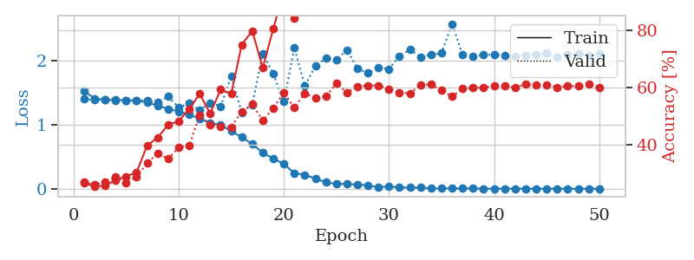
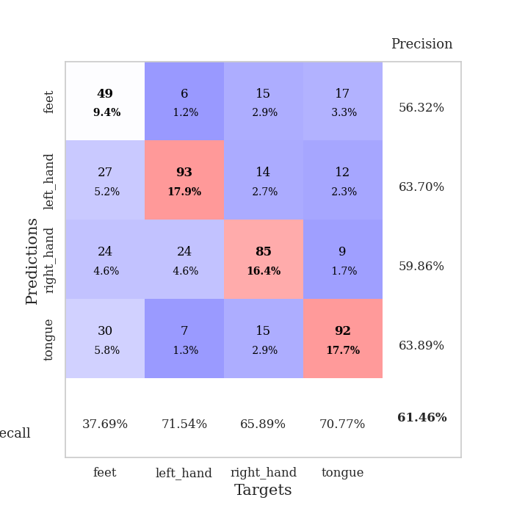
train_loss | valid_loss | train_accuracy | valid_accuracy | dur | train_misclass | valid_misclass
1.5301611409 | 1.4093642111 | 0.26697530864 | 0.27167630058 | 26.914961815 | 26.697530864 | 27.167630058
1.4160597552 | 1.3908018855 | 0.25655864198 | 0.26204238921 | 26.54495883 | 25.655864198 | 26.204238921
1.3930386989 | 1.3953244895 | 0.25810185185 | 0.27167630058 | 27.006314039 | 25.810185185 | 27.167630058
1.3905200237 | 1.3816966907 | 0.27816358025 | 0.29094412331 | 27.224194765 | 27.816358025 | 29.094412331
1.3872592802 | 1.3808472588 | 0.29050925926 | 0.2697495183 | 27.197748184 | 29.050925926 | 26.97495183
1.3823540034 | 1.3787835046 | 0.30516975309 | 0.28901734104 | 27.37479496 | 30.516975309 | 28.901734104
1.3535573291 | 1.3862560296 | 0.39776234568 | 0.33718689788 | 27.574201345 | 39.776234568 | 33.718689788
1.3001038598 | 1.3498174455 | 0.42592592593 | 0.36994219653 | 27.29395318 | 42.592592593 | 36.994219653
1.2531978576 | 1.4441583239 | 0.47067901235 | 0.35260115607 | 27.499866486 | 47.067901235 | 35.260115607
1.2118966848 | 1.276527533 | 0.48263888889 | 0.39113680154 | 27.668560982 | 48.263888889 | 39.113680154
1.1605303935 | 1.3356278393 | 0.52507716049 | 0.39691714836 | 27.662287951 | 52.507716049 | 39.691714836
1.1015917924 | 1.2330043107 | 0.5775462963 | 0.50481695568 | 27.538511038 | 57.75462963 | 50.481695568
1.0312613028 | 1.3481363515 | 0.5100308642 | 0.47013487476 | 27.51860261 | 51.00308642 | 47.013487476
1.0007786585 | 1.290289552 | 0.59259259259 | 0.46435452794 | 27.595413446 | 59.259259259 | 46.435452794
0.9020024711 | 1.7625443191 | 0.57831790123 | 0.46242774566 | 27.615756035 | 57.831790123 | 46.242774566
0.80908794149 | 1.1934334203 | 0.74884259259 | 0.51637764933 | 27.611274004 | 74.884259259 | 51.637764933
0.69969874804 | 1.3205421389 | 0.79668209877 | 0.54142581888 | 27.602842569 | 79.668209877 | 54.142581888
0.56472906342 | 2.115417881 | 0.66820987654 | 0.48554913295 | 27.5941751 | 66.820987654 | 48.554913295
0.47240098285 | 1.8004653086 | 0.80478395062 | 0.52793834297 | 27.575759649 | 80.478395062 | 52.793834297
0.39001979329 | 1.3650085696 | 0.93364197531 | 0.58188824663 | 27.590970039 | 93.364197531 | 58.188824663
0.24407645874 | 2.2081084499 | 0.83950617284 | 0.52986512524 | 27.517071486 | 83.950617284 | 52.986512524
0.22016404474 | 1.6142890564 | 0.96836419753 | 0.57996146435 | 27.601575375 | 96.836419753 | 57.996146435
0.15924751901 | 1.9190889847 | 0.97646604938 | 0.56454720617 | 27.586166859 | 97.646604938 | 56.454720617
0.10145006928 | 2.0477508024 | 0.96103395062 | 0.56840077071 | 27.566377878 | 96.103395062 | 56.840077071
0.076399110634 | 2.0235144408 | 0.96952160494 | 0.61464354528 | 27.561901331 | 96.952160494 | 61.464354528
0.077052617594 | 2.1752694595 | 0.97337962963 | 0.58188824663 | 27.633714676 | 97.337962963 | 58.188824663
0.064846755678 | 1.8830450642 | 0.99614197531 | 0.60308285164 | 27.549456358 | 99.614197531 | 60.308285164
0.054221593325 | 1.8121736045 | 0.99382716049 | 0.60693641618 | 27.572467327 | 99.382716049 | 60.693641618
0.024540892595 | 1.8992884788 | 0.99807098765 | 0.60693641618 | 26.255604982 | 99.807098765 | 60.693641618
0.036556197327 | 1.8760280738 | 0.99614197531 | 0.59344894027 | 11.312517881 | 99.614197531 | 59.344894027
0.021011361964 | 2.0808542395 | 0.99768518519 | 0.58188824663 | 11.231651783 | 99.768518519 | 58.188824663
0.018542935938 | 2.1767693898 | 0.99961419753 | 0.57996146435 | 11.394274473 | 99.961419753 | 57.996146435
0.019006974765 | 2.0676012967 | 1 | 0.60886319846 | 11.381280661 | 100 | 60.886319846
0.0059040985377 | 2.0977885443 | 1 | 0.61078998073 | 11.348165989 | 100 | 61.078998073
0.0053937526387 | 2.1238894766 | 1 | 0.58959537572 | 11.352867842 | 100 | 58.959537572
0.0063830118921 | 2.5833126621 | 0.99189814815 | 0.56840077071 | 11.362665415 | 99.189814815 | 56.840077071
0.0060020222579 | 2.0953568539 | 1 | 0.59537572254 | 11.410018682 | 100 | 59.537572254
0.005082625452 | 2.0687963747 | 1 | 0.59922928709 | 11.339046478 | 100 | 59.922928709
0.0023338868798 | 2.0973964335 | 1 | 0.59922928709 | 11.422093868 | 100 | 59.922928709
0.0016779894743 | 2.0993029672 | 1 | 0.60693641618 | 11.365117788 | 100 | 60.693641618
0.0032241729769 | 2.0874040618 | 1 | 0.60500963391 | 11.432443619 | 100 | 60.500963391
0.0028991432841 | 2.07855702 | 1 | 0.59922928709 | 11.482375622 | 100 | 59.922928709
0.0023254866876 | 2.0915461404 | 1 | 0.61271676301 | 26.924543142 | 100 | 61.271676301
0.0016466849731 | 2.0973827494 | 1 | 0.60886319846 | 27.461988211 | 100 | 60.886319846
0.001191309452 | 2.1324341293 | 1 | 0.60886319846 | 27.345164537 | 100 | 60.886319846
0.0020984527576 | 2.0672869646 | 1 | 0.60115606936 | 27.456396341 | 100 | 60.115606936
0.0011747778356 | 2.0949841235 | 1 | 0.60500963391 | 27.295789242 | 100 | 60.500963391
0.0014869991099 | 2.1148120902 | 1 | 0.60500963391 | 27.222634077 | 100 | 60.500963391
0.0014086607354 | 2.0838718791 | 1 | 0.61078998073 | 26.437054157 | 100 | 61.078998073
0.0014919616562 | 2.12193439 | 1 | 0.60115606936 | 26.684325933 | 100 | 60.115606936

Best Val accuracy is 0.6146435452793835 and Best test accuracy is 0.5460684997588037

Sheet7
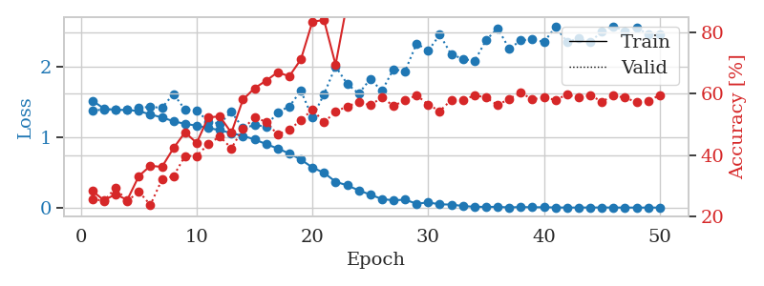
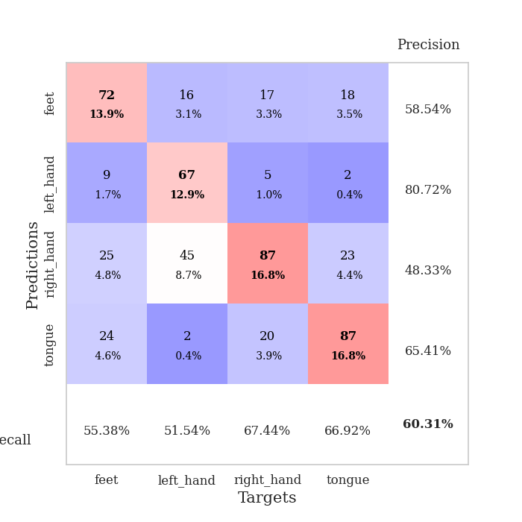
train_loss | valid_loss | train_accuracy | valid_accuracy | dur | train_misclass | valid_misclass
1.5211933336 | 1.3831503779 | 0.28240740741 | 0.25626204239 | 26.810165405 | 28.240740741 | 25.626204239
1.4094557218 | 1.3945727978 | 0.25192901235 | 0.25048169557 | 27.099056005 | 25.192901235 | 25.048169557
1.3920943141 | 1.3882096301 | 0.27237654321 | 0.29287090559 | 26.747461796 | 27.237654321 | 29.287090559
1.3901934741 | 1.3909753641 | 0.25308641975 | 0.24855491329 | 26.790758371 | 25.308641975 | 24.855491329
1.3744047108 | 1.4219720359 | 0.33101851852 | 0.28131021195 | 27.041179657 | 33.101851852 | 28.131021195
1.3268209733 | 1.4344375184 | 0.3649691358 | 0.23699421965 | 26.715070963 | 36.49691358 | 23.699421965
1.2834016651 | 1.4205990164 | 0.36111111111 | 0.31984585742 | 26.651046991 | 36.111111111 | 31.984585742
1.2301606315 | 1.618277536 | 0.4224537037 | 0.33140655106 | 27.091565132 | 42.24537037 | 33.140655106
1.1917585683 | 1.3934982664 | 0.47415123457 | 0.39691714836 | 27.113801718 | 47.415123457 | 39.691714836
1.1676682204 | 1.3847349489 | 0.43942901235 | 0.39691714836 | 27.088137627 | 43.942901235 | 39.691714836
1.1326135761 | 1.2237797489 | 0.52314814815 | 0.43545279383 | 27.080260992 | 52.314814815 | 43.545279383
1.10361169 | 1.1961956304 | 0.52584876543 | 0.46050096339 | 27.094388485 | 52.584876543 | 46.050096339
1.0599754022 | 1.361259191 | 0.47260802469 | 0.42196531792 | 27.06076479 | 47.260802469 | 42.196531792
1.0218050101 | 1.1328106002 | 0.58101851852 | 0.48554913295 | 27.172472239 | 58.101851852 | 48.554913295
0.97111976459 | 1.1734213549 | 0.61805555556 | 0.52215799615 | 27.176706314 | 61.805555556 | 52.215799615
0.90502077783 | 1.1557021784 | 0.64274691358 | 0.50867052023 | 27.134813309 | 64.274691358 | 50.867052023
0.84203626565 | 1.3596032601 | 0.67013888889 | 0.46628131021 | 27.119337559 | 67.013888889 | 46.628131021
0.77111498828 | 1.4386980469 | 0.65702160494 | 0.48362235067 | 27.127739906 | 65.702160494 | 48.362235067
0.68583062953 | 1.6632736271 | 0.71180555556 | 0.51252408478 | 27.149725199 | 71.180555556 | 51.252408478
0.57160293348 | 1.2824530762 | 0.83526234568 | 0.54913294798 | 27.111138582 | 83.526234568 | 54.913294798
0.49645821345 | 1.613748092 | 0.84066358025 | 0.50674373796 | 27.1652143 | 84.066358025 | 50.674373796
0.36990868935 | 2.0085353743 | 0.69483024691 | 0.54142581888 | 27.127018213 | 69.483024691 | 54.142581888
0.31807520611 | 1.7621765261 | 0.8962191358 | 0.55876685934 | 27.132708788 | 89.62191358 | 55.876685934
0.24741980238 | 1.6223004158 | 0.95949074074 | 0.57225433526 | 27.080404282 | 95.949074074 | 57.225433526
0.18596095155 | 1.8295197744 | 0.87345679012 | 0.56262042389 | 27.15120244 | 87.345679012 | 56.262042389
0.12389183665 | 1.6611403849 | 0.98649691358 | 0.58766859345 | 26.80578804 | 98.649691358 | 58.766859345
0.10522535472 | 1.9681438554 | 0.98919753086 | 0.56069364162 | 27.051888227 | 98.919753086 | 56.069364162
0.11461477215 | 1.9411727064 | 0.99112654321 | 0.57803468208 | 27.060283899 | 99.112654321 | 57.803468208
0.056830411878 | 2.3354584298 | 0.98109567901 | 0.59537572254 | 27.047525167 | 98.109567901 | 59.537572254
0.075557963708 | 2.2319420629 | 0.99575617284 | 0.56454720617 | 27.036111832 | 99.575617284 | 56.454720617
0.048506880666 | 2.4593574339 | 0.99421296296 | 0.54335260116 | 26.993294716 | 99.421296296 | 54.335260116
0.044793988707 | 2.1776529213 | 0.99884259259 | 0.57996146435 | 26.954412937 | 99.884259259 | 57.996146435
0.024899622597 | 2.1183795663 | 1 | 0.57803468208 | 27.071076155 | 100 | 57.803468208
0.013188479355 | 2.0831561461 | 1 | 0.59537572254 | 26.749415636 | 100 | 59.537572254
0.012730051832 | 2.3816527328 | 1 | 0.58766859345 | 26.913679361 | 100 | 58.766859345
0.012279852774 | 2.5529792929 | 1 | 0.56262042389 | 26.626153231 | 100 | 56.262042389
0.0048020930885 | 2.2603368915 | 1 | 0.5838150289 | 26.990065813 | 100 | 58.38150289
0.010473153774 | 2.3785917718 | 1 | 0.60308285164 | 20.249384165 | 100 | 60.308285164
0.0067322790787 | 2.3951634323 | 1 | 0.58188824663 | 11.648850203 | 100 | 58.188824663
0.0070282633083 | 2.3553257163 | 1 | 0.58766859345 | 11.630763292 | 100 | 58.766859345
0.0043153861285 | 2.5704916208 | 1 | 0.57996146435 | 11.549346924 | 100 | 57.996146435
0.0022656993917 | 2.3595044425 | 1 | 0.59730250482 | 11.360793829 | 100 | 59.730250482
0.0027113630132 | 2.4056231962 | 1 | 0.58766859345 | 11.367693901 | 100 | 58.766859345
0.003383844516 | 2.3510014179 | 1 | 0.59537572254 | 11.478662968 | 100 | 59.537572254
0.0034392226541 | 2.5111507497 | 1 | 0.57418111753 | 11.29569149 | 100 | 57.418111753
0.0029370582204 | 2.5804968634 | 1 | 0.59344894027 | 11.360683203 | 100 | 59.344894027
0.0024880794885 | 2.5093088527 | 1 | 0.58766859345 | 11.256919384 | 100 | 58.766859345
0.0022632340364 | 2.5639086339 | 1 | 0.57225433526 | 11.412493467 | 100 | 57.225433526
0.0020811092011 | 2.462362045 | 1 | 0.57610789981 | 11.286811352 | 100 | 57.610789981
0.0023446175291 | 2.4698253211 | 1 | 0.59537572254 | 11.21581769 | 100 | 59.537572254

Best Val accuracy is 0.603082851637765 and Best test accuracy is 0.5161601543656537

Sheet8
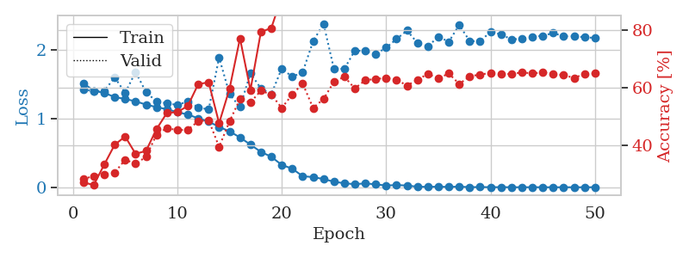
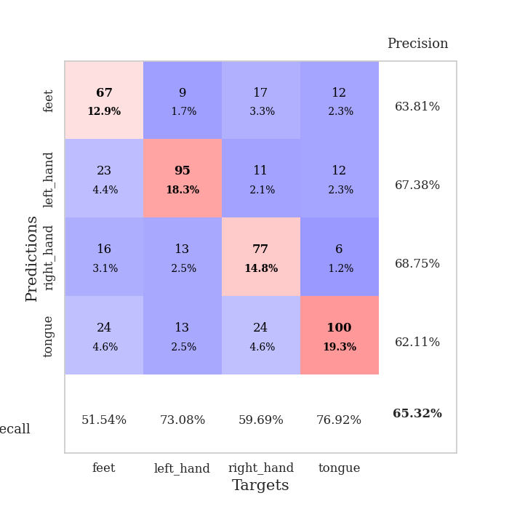
train_loss | valid_loss | train_accuracy | valid_accuracy | dur | train_misclass | valid_misclass
1.5144638713 | 1.4194873174 | 0.2712191358 | 0.28323699422 | 26.538321495 | 27.12191358 | 28.323699422
1.4035468955 | 1.4009970006 | 0.26388888889 | 0.29479768786 | 26.722668886 | 26.388888889 | 29.479768786
1.374126491 | 1.4039133156 | 0.33410493827 | 0.30057803468 | 26.977642298 | 33.410493827 | 30.057803468
1.3131438369 | 1.598403836 | 0.40277777778 | 0.3063583815 | 26.322944164 | 40.277777778 | 30.63583815
1.2848765283 | 1.3737615046 | 0.43094135802 | 0.3506743738 | 26.659026384 | 43.094135802 | 35.06743738
1.2513631866 | 1.678639762 | 0.37114197531 | 0.33718689788 | 27.060543776 | 37.114197531 | 33.718689788
1.2028519471 | 1.3836723541 | 0.38117283951 | 0.36030828516 | 26.817611933 | 38.117283951 | 36.030828516
1.1671367354 | 1.2490955885 | 0.45640432099 | 0.43737957611 | 26.761314869 | 45.640432099 | 43.737957611
1.1361185298 | 1.2217670748 | 0.51273148148 | 0.46050096339 | 26.619294882 | 51.273148148 | 46.050096339
1.0936777919 | 1.1982562544 | 0.51543209877 | 0.4527938343 | 26.891009808 | 51.543209877 | 45.27938343
1.058724102 | 1.2484554702 | 0.53703703704 | 0.45472061657 | 26.892457485 | 53.703703704 | 45.472061657
1.0040982601 | 1.1636719508 | 0.61226851852 | 0.48362235067 | 26.696147442 | 61.226851852 | 48.362235067
0.95565234474 | 1.1309878769 | 0.61882716049 | 0.48747591522 | 26.895082712 | 61.882716049 | 48.747591522
0.87869353464 | 1.8883870969 | 0.47723765432 | 0.39499036609 | 26.935166121 | 47.723765432 | 39.499036609
0.81322829848 | 1.3552857653 | 0.59645061728 | 0.48362235067 | 26.954838276 | 59.645061728 | 48.362235067
0.72602088529 | 1.167930278 | 0.77083333333 | 0.56069364162 | 26.633016825 | 77.083333333 | 56.069364162
0.62092886184 | 1.6575776956 | 0.59182098765 | 0.54913294798 | 26.612858295 | 59.182098765 | 54.913294798
0.51559091304 | 1.4393832238 | 0.79282407407 | 0.58959537572 | 26.911791086 | 79.282407407 | 58.959537572
0.44429086898 | 1.3543506833 | 0.80671296296 | 0.57610789981 | 26.918939352 | 80.671296296 | 57.610789981
0.32590861839 | 1.7285568232 | 0.91435185185 | 0.52986512524 | 26.958286762 | 91.435185185 | 52.986512524
0.27161919181 | 1.6078166879 | 0.94791666667 | 0.57610789981 | 26.996221542 | 94.791666667 | 57.610789981
0.16242050305 | 1.674284347 | 0.9425154321 | 0.61464354528 | 27.008994579 | 94.25154321 | 61.464354528
0.14809685222 | 2.1227125331 | 0.93402777778 | 0.52986512524 | 26.944848061 | 93.402777778 | 52.986512524
0.12072186967 | 2.380832334 | 0.88734567901 | 0.56069364162 | 27.236199141 | 88.734567901 | 56.069364162
0.081391816664 | 1.7220856298 | 0.98418209877 | 0.6204238921 | 27.262963533 | 98.418209877 | 62.04238921
0.05890582916 | 1.7243401164 | 0.99228395062 | 0.63776493256 | 27.107109785 | 99.228395062 | 63.776493256
0.045417732502 | 1.9891970856 | 0.97955246914 | 0.59730250482 | 27.063920736 | 97.955246914 | 59.730250482
0.057321825531 | 1.9819432559 | 0.99652777778 | 0.62620423892 | 27.252931356 | 99.652777778 | 62.620423892
0.043030289428 | 1.9375293027 | 0.99807098765 | 0.63005780347 | 27.519732237 | 99.807098765 | 63.005780347
0.026078150017 | 2.0316926735 | 0.99961419753 | 0.63391136802 | 27.580112934 | 99.961419753 | 63.391136802
0.033130978639 | 2.1578739507 | 0.99266975309 | 0.62813102119 | 27.603981972 | 99.266975309 | 62.813102119
0.025974552975 | 2.2812411528 | 0.99537037037 | 0.60693641618 | 27.753685236 | 99.537037037 | 60.693641618
0.0085071871163 | 2.0992720729 | 1 | 0.62813102119 | 27.6890769 | 100 | 62.813102119
0.0071483285417 | 2.0496225348 | 1 | 0.64739884393 | 27.794822216 | 100 | 64.739884393
0.0089090044382 | 2.1922106187 | 1 | 0.63198458574 | 27.599567413 | 100 | 63.198458574
0.0059678847326 | 2.1177797584 | 1 | 0.6493256262 | 27.709719419 | 100 | 64.93256262
0.010109701332 | 2.3615391737 | 0.99845679012 | 0.61271676301 | 27.679508924 | 99.845679012 | 61.271676301
0.0024895832664 | 2.1283905841 | 1 | 0.63969171484 | 27.575013876 | 100 | 63.969171484
0.003925884148 | 2.122504696 | 1 | 0.64547206166 | 27.810514688 | 100 | 64.547206166
0.0022065431158 | 2.2641343524 | 1 | 0.65125240848 | 27.962456942 | 100 | 65.125240848
0.0023262079043 | 2.2249390293 | 1 | 0.64739884393 | 27.709835052 | 100 | 64.739884393
0.0014322395937 | 2.1525693114 | 1 | 0.64739884393 | 27.933315516 | 100 | 64.739884393
0.001464836637 | 2.1609269259 | 1 | 0.65317919075 | 28.170702934 | 100 | 65.317919075
0.0014967768413 | 2.1924449052 | 1 | 0.6493256262 | 28.083886147 | 100 | 64.93256262
0.0012915932737 | 2.2034905439 | 1 | 0.65317919075 | 28.321718454 | 100 | 65.317919075
0.00085571351234 | 2.2449171874 | 1 | 0.64739884393 | 28.335251331 | 100 | 64.739884393
0.0012041226182 | 2.1973268522 | 1 | 0.64354527938 | 11.4800632 | 100 | 64.354527938
0.0011120744306 | 2.1987243199 | 1 | 0.63391136802 | 11.370031834 | 100 | 63.391136802
0.001037772109 | 2.1838691464 | 1 | 0.64739884393 | 11.337506294 | 100 | 64.739884393
0.0016812632836 | 2.1724804633 | 1 | 0.6493256262 | 11.431910515 | 100 | 64.93256262

Best Val accuracy is 0.653179190751445 and Best test accuracy is 0.5605402797877472

Sheet9
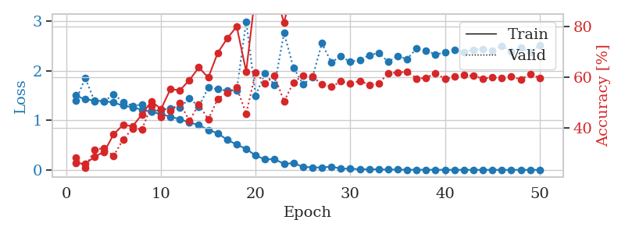
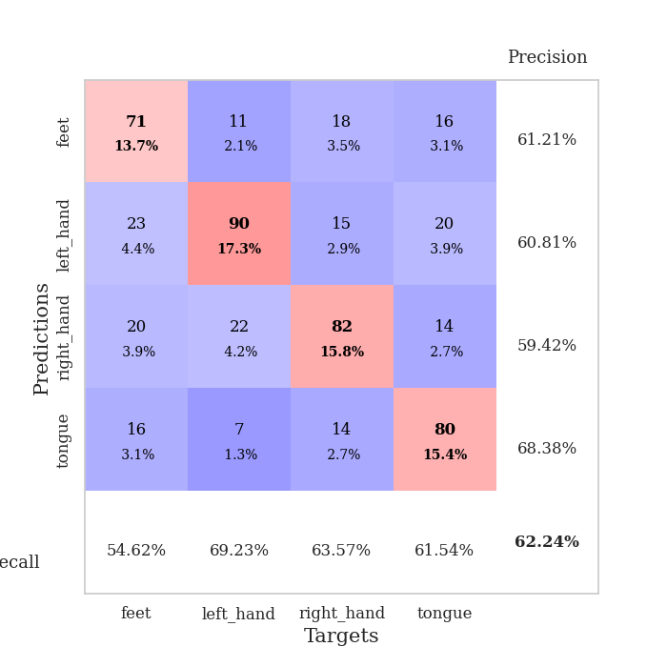
train_loss | valid_loss | train_accuracy | valid_accuracy | dur | train_misclass | valid_misclass
1.4980131152 | 1.3888112791 | 0.26195987654 | 0.28323699422 | 27.423143148 | 26.195987654 | 28.323699422
1.421245182 | 1.8525640868 | 0.25771604938 | 0.24277456647 | 27.384563208 | 25.771604938 | 24.277456647
1.3978602062 | 1.3756354193 | 0.28665123457 | 0.3140655106 | 27.604597092 | 28.665123457 | 31.40655106
1.3856068621 | 1.3729832285 | 0.30516975309 | 0.31984585742 | 27.618091345 | 30.516975309 | 31.984585742
1.3562912389 | 1.5263587262 | 0.37461419753 | 0.28901734104 | 27.412334204 | 37.461419753 | 28.901734104
1.293922361 | 1.3684505066 | 0.41203703704 | 0.35452793834 | 27.202861071 | 41.203703704 | 35.452793834
1.2611661259 | 1.291803852 | 0.40625 | 0.39691714836 | 27.195249557 | 40.625 | 39.691714836
1.2114811477 | 1.3166039909 | 0.45331790123 | 0.39499036609 | 27.342888117 | 45.331790123 | 39.499036609
1.1707388512 | 1.1743350994 | 0.50617283951 | 0.48747591522 | 27.186609745 | 50.617283951 | 48.747591522
1.1233743462 | 1.2073637576 | 0.47415123457 | 0.44315992293 | 27.250639677 | 47.415123457 | 44.315992293
1.0710756643 | 1.2401705794 | 0.55285493827 | 0.46820809249 | 27.459291458 | 55.285493827 | 46.820809249
1.0203728886 | 1.2503439245 | 0.54899691358 | 0.49903660886 | 27.509217024 | 54.899691358 | 49.903660886
0.95363871477 | 1.4436382476 | 0.58834876543 | 0.42774566474 | 27.697348595 | 58.834876543 | 42.774566474
0.90475544444 | 1.2708342337 | 0.63888888889 | 0.49325626204 | 27.764182568 | 63.888888889 | 49.325626204
0.80444389435 | 1.6597077686 | 0.5987654321 | 0.43352601156 | 27.902759075 | 59.87654321 | 43.352601156
0.73792697416 | 1.6277056439 | 0.69675925926 | 0.51445086705 | 27.610494137 | 69.675925926 | 51.445086705
0.6048024672 | 1.5940534108 | 0.75385802469 | 0.53949903661 | 27.401067495 | 75.385802469 | 53.949903661
0.51005438862 | 1.601982294 | 0.80054012346 | 0.55876685934 | 27.497986317 | 80.054012346 | 55.876685934
0.42234979837 | 2.989940477 | 0.62307098765 | 0.45664739884 | 27.756896973 | 62.307098765 | 45.664739884
0.28807156827 | 1.4932488366 | 0.9375 | 0.61849710983 | 27.672700405 | 93.75 | 61.849710983
0.21153821436 | 1.9512960272 | 0.90470679012 | 0.57610789981 | 27.798419952 | 90.470679012 | 57.610789981
0.21640576697 | 1.7080229583 | 0.94212962963 | 0.60500963391 | 27.631440878 | 94.212962963 | 60.500963391
0.11981523345 | 2.7586423767 | 0.81558641975 | 0.50481695568 | 27.838294268 | 81.558641975 | 50.481695568
0.13662603707 | 2.0577175934 | 0.97337962963 | 0.57996146435 | 27.949647903 | 97.337962963 | 57.996146435
0.060999368912 | 1.7254835232 | 0.98688271605 | 0.60693641618 | 28.099058151 | 98.688271605 | 60.693641618
0.049085455774 | 1.8628750068 | 0.99459876543 | 0.60308285164 | 28.094769478 | 99.459876543 | 60.308285164
0.049433550335 | 2.5507124035 | 0.96836419753 | 0.57225433526 | 28.171528339 | 96.836419753 | 57.225433526
0.067011943572 | 2.1652833731 | 0.97723765432 | 0.56262042389 | 28.055578947 | 97.723765432 | 56.262042389
0.024379111356 | 2.2889042323 | 0.99459876543 | 0.5838150289 | 27.89150548 | 99.459876543 | 58.38150289
0.025305839319 | 2.1735188993 | 1 | 0.57418111753 | 27.557920933 | 100 | 57.418111753
0.011647429041 | 2.2155217141 | 0.99845679012 | 0.58574181118 | 27.757514238 | 99.845679012 | 58.574181118
0.013104486533 | 2.3064030305 | 0.99961419753 | 0.57032755299 | 27.750712633 | 99.961419753 | 57.032755299
0.010730944155 | 2.3574862002 | 0.99228395062 | 0.57418111753 | 27.811501265 | 99.228395062 | 57.418111753
0.0057471669705 | 2.1751438345 | 1 | 0.61657032755 | 27.705821037 | 100 | 61.657032755
0.0076263862075 | 2.2945764685 | 1 | 0.61849710983 | 27.715878487 | 100 | 61.849710983
0.0027892650091 | 2.2316279825 | 1 | 0.62235067437 | 27.727231264 | 100 | 62.235067437
0.0041336799476 | 2.4491161969 | 1 | 0.59537572254 | 27.768986225 | 100 | 59.537572254
0.0024901964938 | 2.408014337 | 1 | 0.59730250482 | 27.763346434 | 100 | 59.730250482
0.0031891620355 | 2.3207253757 | 1 | 0.61657032755 | 27.718722105 | 100 | 61.657032755
0.001790745746 | 2.3701853173 | 1 | 0.59344894027 | 27.787394524 | 100 | 59.344894027
0.0021583697248 | 2.4103419795 | 1 | 0.60308285164 | 27.723913908 | 100 | 60.308285164
0.0011320573091 | 2.3735627788 | 1 | 0.60886319846 | 27.839751244 | 100 | 60.886319846
0.0013808004015 | 2.423902315 | 1 | 0.60500963391 | 27.74337697 | 100 | 60.500963391
0.00085862313036 | 2.4347897972 | 1 | 0.59537572254 | 27.779666662 | 100 | 59.537572254
0.00087604021994 | 2.4014607863 | 1 | 0.59922928709 | 27.836499214 | 100 | 59.922928709
0.00080440243765 | 2.5002112343 | 1 | 0.59730250482 | 27.71389842 | 100 | 59.730250482
0.00080125753267 | 2.3847128991 | 1 | 0.60308285164 | 27.552107334 | 100 | 60.308285164
0.0010169415746 | 2.460621108 | 1 | 0.591522158 | 27.455049038 | 100 | 59.1522158
0.00091450385043 | 2.3695226276 | 1 | 0.61271676301 | 27.390345335 | 100 | 61.271676301
0.00076138571758 | 2.5052979135 | 1 | 0.59730250482 | 14.592134476 | 100 | 59.730250482

Best Val accuracy is 0.6223506743737958 and Best test accuracy is 0.5315967197298601

Sheet10
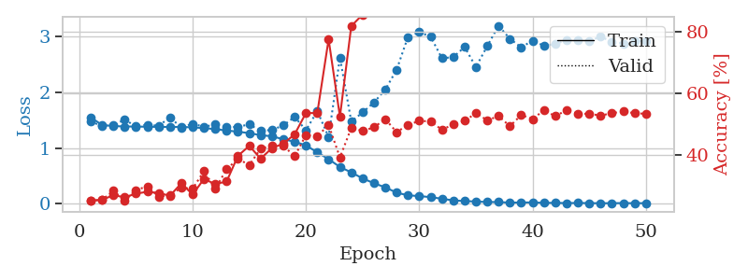
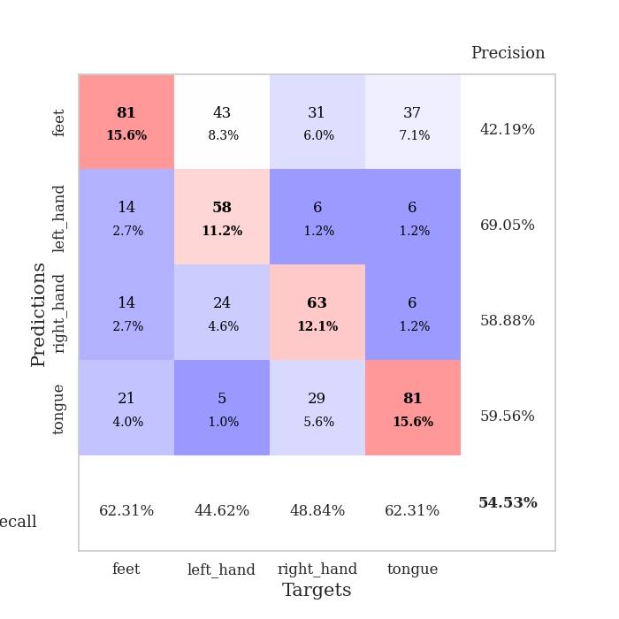
train_loss | valid_loss | train_accuracy | valid_accuracy | dur | train_misclass | valid_misclass
1.5290638378 | 1.4020600296 | 0.25038580247 | 0.24855491329 | 14.415967703 | 25.038580247 | 24.855491329
1.3980242058 | 1.3871672018 | 0.26851851852 | 0.26589595376 | 26.190142632 | 26.851851852 | 26.589595376
1.3892988143 | 1.4616013345 | 0.24537037037 | 0.25240847784 | 26.608902216 | 24.537037037 | 25.240847784
1.3899640191 | 1.3734327711 | 0.27160493827 | 0.25433526012 | 26.607296228 | 27.160493827 | 25.433526012
1.3861047743 | 1.3749446554 | 0.30555555556 | 0.27552986513 | 26.877216578 | 30.555555556 | 27.552986513
1.3762411887 | 1.4478787069 | 0.27044753086 | 0.26011560694 | 27.082514286 | 27.044753086 | 26.011560694
1.3481405326 | 1.3628023126 | 0.39583333333 | 0.32755298651 | 27.170517206 | 39.583333333 | 32.755298651
1.2888617203 | 1.3922028803 | 0.39313271605 | 0.3506743738 | 27.604927778 | 39.313271605 | 35.06743738
1.2347219259 | 1.3095632123 | 0.46141975309 | 0.41233140655 | 27.288851976 | 46.141975309 | 41.233140655
1.1854690619 | 1.2406556705 | 0.4837962963 | 0.4161849711 | 27.077308416 | 48.37962963 | 41.61849711
1.1466690247 | 1.25110212 | 0.48109567901 | 0.42774566474 | 27.228039026 | 48.109567901 | 42.774566474
1.1037326102 | 1.1570213096 | 0.53819444444 | 0.46242774566 | 27.072123528 | 53.819444444 | 46.242774566
1.0499574914 | 1.1613036872 | 0.56905864198 | 0.48554913295 | 26.911051989 | 56.905864198 | 48.554913295
0.99020046548 | 1.311609242 | 0.53935185185 | 0.4527938343 | 27.03218627 | 53.935185185 | 45.27938343
0.92552488233 | 1.508597509 | 0.52314814815 | 0.42196531792 | 27.463280201 | 52.314814815 | 42.196531792
0.89711383868 | 1.5098647175 | 0.64699074074 | 0.44894026975 | 27.635356426 | 64.699074074 | 44.894026975
0.78768271042 | 1.2400519205 | 0.73533950617 | 0.48554913295 | 27.608127356 | 73.533950617 | 48.554913295
0.69612161318 | 1.2735176073 | 0.78587962963 | 0.56262042389 | 27.605894089 | 78.587962963 | 56.262042389
0.58928693859 | 2.3886570315 | 0.64390432099 | 0.40269749518 | 27.670110226 | 64.390432099 | 40.269749518
0.4897326759 | 1.8106092832 | 0.82407407407 | 0.51445086705 | 27.588560581 | 82.407407407 | 51.445086705
0.40744454575 | 1.5270859253 | 0.83641975309 | 0.52408477842 | 27.60108757 | 83.641975309 | 52.408477842
0.30112759185 | 1.6032245917 | 0.92669753086 | 0.57032755299 | 27.610466719 | 92.669753086 | 57.032755299
0.26152371494 | 2.1395592928 | 0.89814814815 | 0.52023121387 | 27.311861753 | 89.814814815 | 52.023121387
0.18696288476 | 2.6346507656 | 0.78356481481 | 0.50481695568 | 27.557137012 | 78.356481481 | 50.481695568
0.14643543029 | 2.1866601859 | 0.93171296296 | 0.55298651252 | 27.614344358 | 93.171296296 | 55.298651252
0.091613039636 | 2.195844009 | 0.99305555556 | 0.591522158 | 27.641956568 | 99.305555556 | 59.1522158
0.08046452642 | 2.1799021585 | 0.98070987654 | 0.57225433526 | 27.59319067 | 98.070987654 | 57.225433526
0.065273838815 | 2.1172296923 | 0.99729938272 | 0.57225433526 | 28.090188265 | 99.729938272 | 57.225433526
0.063615905852 | 2.2032444794 | 0.99537037037 | 0.58959537572 | 26.215391397 | 99.537037037 | 58.959537572
0.035561160756 | 1.9794217194 | 0.99961419753 | 0.61849710983 | 23.546792746 | 99.961419753 | 61.849710983
0.033180099488 | 2.3324153584 | 0.99768518519 | 0.56840077071 | 23.200929403 | 99.768518519 | 56.840077071
0.0258015753 | 2.4800701481 | 0.99729938272 | 0.58574181118 | 23.806322575 | 99.729938272 | 58.574181118
0.029070012687 | 2.2150211895 | 0.99537037037 | 0.59344894027 | 23.673921108 | 99.537037037 | 59.344894027
0.012421612886 | 2.2632152175 | 1 | 0.60693641618 | 23.250119209 | 100 | 60.693641618
0.0064189740633 | 2.2602467427 | 1 | 0.60500963391 | 23.824952602 | 100 | 60.500963391
0.0084073091611 | 2.2620518129 | 0.99768518519 | 0.61078998073 | 23.757302523 | 99.768518519 | 61.078998073
0.0072666041296 | 2.1268017866 | 1 | 0.62813102119 | 23.372018814 | 100 | 62.813102119
0.011449727583 | 2.4911231976 | 0.99961419753 | 0.59922928709 | 23.520843983 | 99.961419753 | 59.922928709
0.0037797911447 | 2.3720709216 | 1 | 0.60500963391 | 23.54282093 | 100 | 60.500963391
0.0036536267339 | 2.3789559651 | 1 | 0.59537572254 | 23.236373186 | 100 | 59.537572254
0.0032219878492 | 2.3494479716 | 1 | 0.59922928709 | 23.884658813 | 100 | 59.922928709
0.0031241787279 | 2.2601737168 | 1 | 0.61657032755 | 23.617627382 | 100 | 61.657032755
0.0014704792515 | 2.3863303519 | 1 | 0.60115606936 | 23.333896399 | 100 | 60.115606936
0.0015923429589 | 2.299263063 | 1 | 0.61271676301 | 23.380620241 | 100 | 61.271676301
0.0014290174694 | 2.3316082706 | 1 | 0.62427745665 | 23.396463394 | 100 | 62.427745665
0.0024408416693 | 2.3248166432 | 1 | 0.60693641618 | 23.399463654 | 100 | 60.693641618
0.0023264519449 | 2.36823672 | 1 | 0.61078998073 | 23.3259902 | 100 | 61.078998073
0.0011414812434 | 2.2915525537 | 1 | 0.61271676301 | 23.350225925 | 100 | 61.271676301
0.00095865244641 | 2.3099373347 | 1 | 0.60886319846 | 23.62865448 | 100 | 60.886319846
0.0022544607921 | 2.372134736 | 1 | 0.59922928709 | 23.364896774 | 100 | 59.922928709

Best Val accuracy is 0.628131021194605 and Best test accuracy is 0.5195369030390738

