Sheet
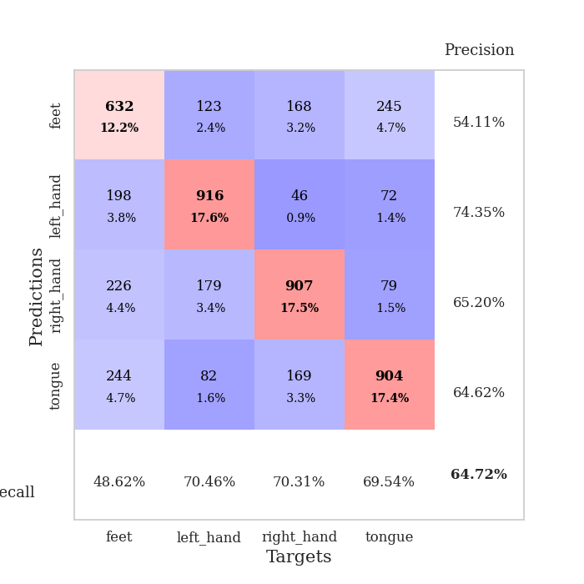
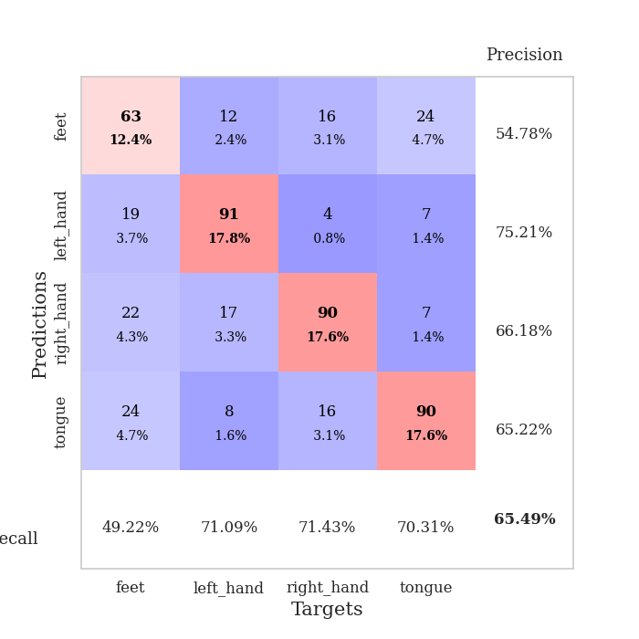
best_val_acc | best_val_los | best_test_acc
0.64739884393 | 0.95380949561 | 0.67727930535
0.68208092486 | 0.94434100952 | 0.67969126869
0.63969171484 | 0.97537081067 | 0.64640617463
0.66859344894 | 0.91357852085 | 0.66280752533
0.6204238921 | 1.0037055445 | 0.67534973468
0.65125240848 | 0.9201684113 | 0.66907863
0.65125240848 | 0.93172013139 | 0.7004341534
0.59537572254 | 1.0546362706 | 0.63000482393
0.64354527938 | 0.94708754378 | 0.66521948866
0.67244701349 | 0.8819891529 | 0.63724071394

Mean,std Val accuracy is 0.6472061657032755 , 0.025423306173480913 and mean, std test accuracy is 0.6643511818620357 , 0.021311348821742238

Sheet1
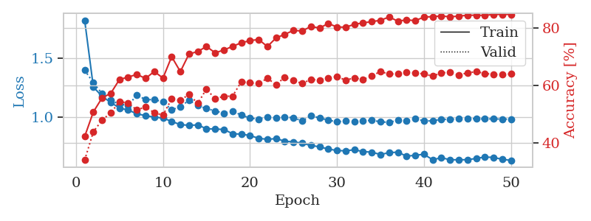
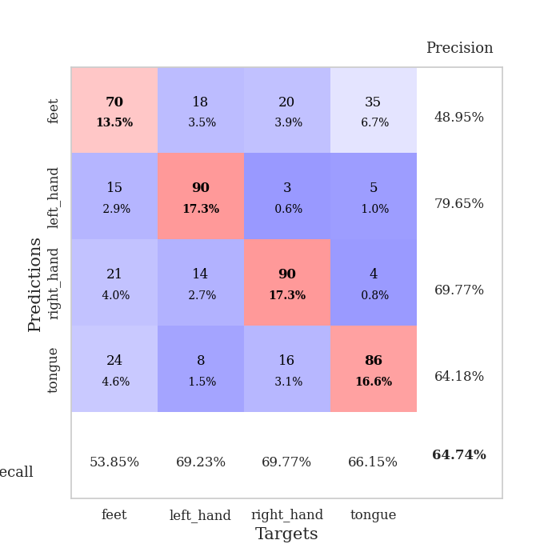
train_loss | valid_loss | train_accuracy | valid_accuracy | dur | train_misclass | valid_misclass
1.8217372556 | 1.3968404304 | 0.42283950617 | 0.34104046243 | 2.1913690567 | 42.283950617 | 34.104046243
1.2536916343 | 1.2907137278 | 0.50810185185 | 0.43930635838 | 0.56095600128 | 50.810185185 | 43.930635838
1.1751168102 | 1.1974994119 | 0.55671296296 | 0.47976878613 | 0.58081698418 | 55.671296296 | 47.976878613
1.1225267575 | 1.1409047385 | 0.5725308642 | 0.50481695568 | 0.57901835442 | 57.25308642 | 50.481695568
1.0751221412 | 1.1084647227 | 0.62037037037 | 0.54335260116 | 0.56611275673 | 62.037037037 | 54.335260116
1.0581137027 | 1.0974109338 | 0.62885802469 | 0.53949903661 | 0.90638518333 | 62.885802469 | 53.949903661
1.0264163488 | 1.1852102349 | 0.63811728395 | 0.51445086705 | 1.3558440208 | 63.811728395 | 51.445086705
1.0098092757 | 1.147026167 | 0.62422839506 | 0.52601156069 | 1.0552031994 | 62.422839506 | 52.601156069
0.99826450499 | 1.1463325122 | 0.64814814815 | 0.50481695568 | 1.1469407082 | 64.814814815 | 50.481695568
0.98975852389 | 1.1290726836 | 0.62538580247 | 0.49710982659 | 1.09020257 | 62.538580247 | 49.710982659
0.96162050521 | 1.0595259324 | 0.69945987654 | 0.55298651252 | 1.151622057 | 69.945987654 | 55.298651252
0.93368418791 | 1.0862114785 | 0.64776234568 | 0.54913294798 | 1.2239768505 | 64.776234568 | 54.913294798
0.92849264689 | 1.1418503819 | 0.70910493827 | 0.56840077071 | 1.0145223141 | 70.910493827 | 56.840077071
0.93105590454 | 1.0954395365 | 0.71720679012 | 0.53757225434 | 0.98022675514 | 71.720679012 | 53.757225434
0.89892184569 | 1.0706246012 | 0.7349537037 | 0.58766859345 | 1.0214715004 | 73.49537037 | 58.766859345
0.89649966966 | 1.0501145538 | 0.71296296296 | 0.55298651252 | 1.1559848785 | 71.296296296 | 55.298651252
0.89286567105 | 1.0310973806 | 0.72260802469 | 0.56262042389 | 1.0083186626 | 72.260802469 | 56.262042389
0.85669020701 | 1.0485146622 | 0.73533950617 | 0.56262042389 | 1.0561592579 | 73.533950617 | 56.262042389
0.85307500465 | 1.0153337097 | 0.74768518519 | 0.61271676301 | 1.0362603664 | 74.768518519 | 61.271676301
0.84110989596 | 0.9896017313 | 0.7550154321 | 0.60886319846 | 0.9830160141 | 75.50154321 | 60.886319846
0.81774666666 | 0.98114453299 | 0.75925925926 | 0.60693641618 | 0.9569671154 | 75.925925926 | 60.693641618
0.80893240409 | 0.99948601399 | 0.73456790123 | 0.62427745665 | 0.94523453712 | 73.456790123 | 62.427745665
0.81515229852 | 0.99264065562 | 0.76466049383 | 0.60308285164 | 0.99619174004 | 76.466049383 | 60.308285164
0.79290717141 | 0.99829565996 | 0.77700617284 | 0.62813102119 | 0.96362352371 | 77.700617284 | 62.813102119
0.78732288896 | 0.99313150252 | 0.79050925926 | 0.61657032755 | 0.96141219139 | 79.050925926 | 61.657032755
0.77634021603 | 0.96453823967 | 0.78858024691 | 0.60693641618 | 0.8957862854 | 78.858024691 | 60.693641618
0.75680067142 | 1.0099842606 | 0.80401234568 | 0.6204238921 | 0.9384534359 | 80.401234568 | 62.04238921
0.7451810375 | 0.99115554469 | 0.79899691358 | 0.61849710983 | 0.95476722717 | 79.899691358 | 61.849710983
0.72619106409 | 0.97251673149 | 0.81442901235 | 0.62620423892 | 1.2036991119 | 81.442901235 | 62.620423892
0.71394587115 | 0.95709902841 | 0.8024691358 | 0.63005780347 | 0.56488370895 | 80.24691358 | 63.005780347
0.71070138853 | 0.96511632675 | 0.80169753086 | 0.61849710983 | 0.55802297592 | 80.169753086 | 61.849710983
0.72056447402 | 0.96025050054 | 0.81172839506 | 0.62620423892 | 0.56373429298 | 81.172839506 | 62.620423892
0.70426861261 | 0.96405873547 | 0.81674382716 | 0.6204238921 | 0.56154513359 | 81.674382716 | 62.04238921
0.70003987978 | 0.97145659386 | 0.82098765432 | 0.63391136802 | 0.56414842606 | 82.098765432 | 63.391136802
0.67953729593 | 0.95739749401 | 0.82561728395 | 0.64739884393 | 0.55935978889 | 82.561728395 | 64.739884393
0.6957929666 | 0.95380949561 | 0.83719135802 | 0.63969171484 | 0.55750393867 | 83.719135802 | 63.969171484
0.69976840214 | 0.97068795234 | 0.8225308642 | 0.63969171484 | 0.55771446228 | 82.25308642 | 63.969171484
0.66539732008 | 0.96923218251 | 0.82716049383 | 0.64547206166 | 0.56097984314 | 82.716049383 | 64.547206166
0.67361747795 | 0.98457747158 | 0.82445987654 | 0.64354527938 | 0.55990004539 | 82.445987654 | 64.354527938
0.6815517094 | 0.96563404856 | 0.83680555556 | 0.63969171484 | 0.55875277519 | 83.680555556 | 63.969171484
0.6351920427 | 0.96603086505 | 0.83834876543 | 0.63198458574 | 0.56054067612 | 83.834876543 | 63.198458574
0.65245891206 | 0.98003520649 | 0.84066358025 | 0.64354527938 | 0.56074428558 | 84.066358025 | 64.354527938
0.63520504222 | 0.97733982703 | 0.83757716049 | 0.64547206166 | 0.56656885147 | 83.757716049 | 64.547206166
0.63480054642 | 0.98763001218 | 0.84027777778 | 0.63583815029 | 0.55856633186 | 84.027777778 | 63.583815029
0.63552931687 | 0.98635646879 | 0.84297839506 | 0.64354527938 | 0.56296491623 | 84.297839506 | 64.354527938
0.64626796645 | 0.98397751833 | 0.84336419753 | 0.64739884393 | 0.56196379662 | 84.336419753 | 64.739884393
0.65828606569 | 0.98216915912 | 0.84259259259 | 0.64161849711 | 0.5593187809 | 84.259259259 | 64.161849711
0.6551160495 | 0.98320786319 | 0.84606481481 | 0.63776493256 | 0.56097888947 | 84.606481481 | 63.776493256
0.63897301974 | 0.98017942515 | 0.84606481481 | 0.63776493256 | 0.55672645569 | 84.606481481 | 63.776493256
0.62961836104 | 0.98154542556 | 0.84606481481 | 0.63969171484 | 0.5539586544 | 84.606481481 | 63.969171484

Best Val accuracy is 0.6473988439306358 and Best test accuracy is 0.6772793053545586

Sheet2
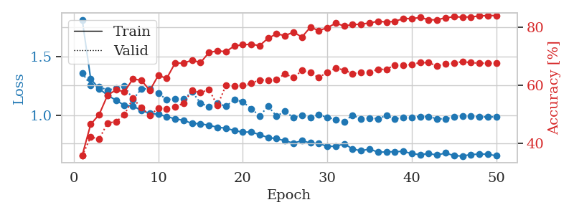
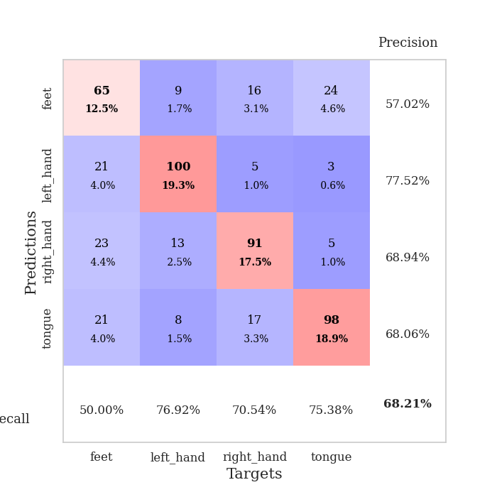
train_loss | valid_loss | train_accuracy | valid_accuracy | dur | train_misclass | valid_misclass
1.8197354211 | 1.3618502867 | 0.35802469136 | 0.35645472062 | 0.55745649338 | 35.802469136 | 35.645472062
1.3112482108 | 1.2570646335 | 0.46527777778 | 0.42196531792 | 0.55286121368 | 46.527777778 | 42.196531792
1.2277110672 | 1.2469800042 | 0.49884259259 | 0.41425818882 | 0.55535793304 | 49.884259259 | 41.425818882
1.1701787581 | 1.2125325692 | 0.56597222222 | 0.47013487476 | 0.56110191345 | 56.597222222 | 47.013487476
1.1280688894 | 1.2329506284 | 0.58410493827 | 0.47398843931 | 0.55976319313 | 58.410493827 | 47.398843931
1.0829002982 | 1.2521140502 | 0.57831790123 | 0.49903660886 | 0.58646345139 | 57.831790123 | 49.903660886
1.0785159428 | 1.1338077306 | 0.62191358025 | 0.5549132948 | 0.55370044708 | 62.191358025 | 55.49132948
1.0395324815 | 1.2249361784 | 0.61728395062 | 0.52215799615 | 0.55379247665 | 61.728395062 | 52.215799615
1.0150307292 | 1.2257546694 | 0.5825617284 | 0.49710982659 | 0.55672645569 | 58.25617284 | 49.710982659
1.007106462 | 1.1887429018 | 0.63387345679 | 0.52023121387 | 0.56021976471 | 63.387345679 | 52.023121387
0.98718475725 | 1.1326837234 | 0.62422839506 | 0.5183044316 | 0.56059527397 | 62.422839506 | 51.83044316
0.96810384959 | 1.140024563 | 0.67708333333 | 0.52601156069 | 0.58135890961 | 67.708333333 | 52.601156069
0.95527529036 | 1.1366273029 | 0.6763117284 | 0.53757225434 | 0.56460285187 | 67.63117284 | 53.757225434
0.92840687323 | 1.2020774012 | 0.68711419753 | 0.58188824663 | 0.5600092411 | 68.711419753 | 58.188824663
0.92555145864 | 1.1025869178 | 0.67824074074 | 0.57418111753 | 0.57144856453 | 67.824074074 | 57.418111753
0.91214916754 | 1.0727812196 | 0.71334876543 | 0.58574181118 | 0.59488892555 | 71.334876543 | 58.574181118
0.89575947729 | 1.1033260684 | 0.71875 | 0.52986512524 | 0.75114250183 | 71.875 | 52.986512524
0.88776280979 | 1.0746139263 | 0.71643518519 | 0.59922928709 | 0.96299600601 | 71.643518519 | 59.922928709
0.86734687988 | 1.1335025146 | 0.73572530864 | 0.59730250482 | 1.1635923386 | 73.572530864 | 59.730250482
0.85333883192 | 1.1138817501 | 0.74035493827 | 0.59922928709 | 1.0400893688 | 74.035493827 | 59.922928709
0.85503311051 | 1.0559816156 | 0.74151234568 | 0.60693641618 | 1.0658447742 | 74.151234568 | 60.693641618
0.83199953536 | 0.99358849764 | 0.73726851852 | 0.61849710983 | 1.0893232822 | 73.726851852 | 61.849710983
0.80687271059 | 1.076137772 | 0.76273148148 | 0.61849710983 | 1.1592490673 | 76.273148148 | 61.849710983
0.7981636355 | 0.99096407757 | 0.77739197531 | 0.6204238921 | 1.0381126404 | 77.739197531 | 62.04238921
0.77898535831 | 1.0332406803 | 0.77160493827 | 0.63969171484 | 1.0659401417 | 77.160493827 | 63.969171484
0.75960558119 | 0.97714163412 | 0.78356481481 | 0.62620423892 | 1.2789208889 | 78.356481481 | 62.620423892
0.779413878 | 0.99940587491 | 0.76658950617 | 0.65125240848 | 1.1145730019 | 76.658950617 | 65.125240848
0.76081507257 | 0.98186235713 | 0.80054012346 | 0.64354527938 | 0.9553592205 | 80.054012346 | 64.354527938
0.75616509661 | 1.0023499893 | 0.78896604938 | 0.62620423892 | 0.93471837044 | 78.896604938 | 62.620423892
0.73155529429 | 0.98114984366 | 0.79861111111 | 0.64547206166 | 0.96640539169 | 79.861111111 | 64.547206166
0.73199333471 | 0.96204056813 | 0.81442901235 | 0.65895953757 | 1.1659498215 | 81.442901235 | 65.895953757
0.75315899632 | 0.94434100952 | 0.80478395062 | 0.65317919075 | 0.99149227142 | 80.478395062 | 65.317919075
0.70950797163 | 0.99983290073 | 0.80979938272 | 0.63969171484 | 1.0431263447 | 80.979938272 | 63.969171484
0.69275949877 | 0.96494293144 | 0.81095679012 | 0.64547206166 | 0.98849892616 | 81.095679012 | 64.547206166
0.70887678963 | 0.97390021088 | 0.81520061728 | 0.64547206166 | 1.0242798328 | 81.520061728 | 64.547206166
0.68136142286 | 0.96941730489 | 0.82098765432 | 0.65510597303 | 0.88571095467 | 82.098765432 | 65.510597303
0.68325944015 | 0.99503624439 | 0.81867283951 | 0.65510597303 | 0.95325255394 | 81.867283951 | 65.510597303
0.68589687559 | 0.96911781372 | 0.82060185185 | 0.67052023121 | 1.0292987823 | 82.060185185 | 67.052023121
0.6885246399 | 0.97660495941 | 0.83063271605 | 0.66859344894 | 1.0907402039 | 83.063271605 | 66.859344894
0.66909576419 | 0.97923112536 | 0.83024691358 | 0.67244701349 | 0.89604234695 | 83.024691358 | 67.244701349
0.65984723947 | 0.98828786899 | 0.83410493827 | 0.67822736031 | 0.57327532768 | 83.410493827 | 67.822736031
0.66958212659 | 0.98715864441 | 0.82638888889 | 0.67822736031 | 0.5505053997 | 82.638888889 | 67.822736031
0.65675108429 | 0.96732188649 | 0.82600308642 | 0.66666666667 | 0.54658102989 | 82.600308642 | 66.666666667
0.6744166918 | 0.96851272918 | 0.83333333333 | 0.67437379576 | 0.54684758186 | 83.333333333 | 67.437379576
0.6515036585 | 0.98427302874 | 0.83641975309 | 0.67630057803 | 0.55665612221 | 83.641975309 | 67.630057803
0.64812123582 | 0.98882344302 | 0.83564814815 | 0.68208092486 | 0.5401160717 | 83.564814815 | 68.208092486
0.66128638847 | 0.9887408443 | 0.83603395062 | 0.67822736031 | 0.54042434692 | 83.603395062 | 67.822736031
0.6647199247 | 0.98588723002 | 0.83950617284 | 0.67630057803 | 0.54024028778 | 83.950617284 | 67.630057803
0.66450262548 | 0.9833101273 | 0.84104938272 | 0.67630057803 | 0.54065847397 | 84.104938272 | 67.630057803
0.65009615947 | 0.98544357232 | 0.84066358025 | 0.67630057803 | 0.54712772369 | 84.066358025 | 67.630057803

Best Val accuracy is 0.6820809248554913 and Best test accuracy is 0.6796912686927159

Sheet3
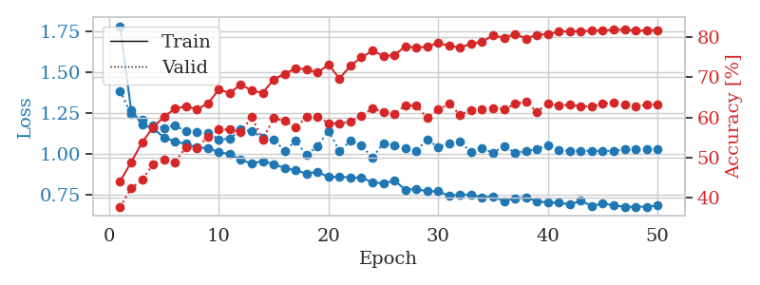
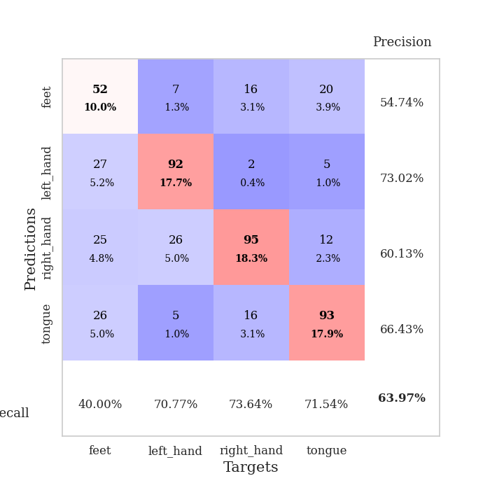
train_loss | valid_loss | train_accuracy | valid_accuracy | dur | train_misclass | valid_misclass
1.7803294357 | 1.385428931 | 0.44135802469 | 0.37764932563 | 0.54128217697 | 44.135802469 | 37.764932563
1.2692930113 | 1.241644786 | 0.4888117284 | 0.42389210019 | 0.54793310165 | 48.88117284 | 42.389210019
1.1787419356 | 1.2069421285 | 0.53780864198 | 0.4450867052 | 0.54715466499 | 53.780864198 | 44.50867052
1.1553817259 | 1.171289076 | 0.57561728395 | 0.48362235067 | 0.54747533798 | 57.561728395 | 48.362235067
1.1008420141 | 1.1576474494 | 0.60185185185 | 0.49518304432 | 0.5450720787 | 60.185185185 | 49.518304432
1.0749352118 | 1.1755187861 | 0.62229938272 | 0.4894026975 | 0.55004167557 | 62.229938272 | 48.94026975
1.0609046074 | 1.1358909917 | 0.62808641975 | 0.52601156069 | 0.5463643074 | 62.808641975 | 52.601156069
1.039822329 | 1.1305925515 | 0.62114197531 | 0.52408477842 | 0.54628252983 | 62.114197531 | 52.408477842
1.0336757115 | 1.1287947367 | 0.63464506173 | 0.55298651252 | 0.54647302628 | 63.464506173 | 55.298651252
1.0101327462 | 1.0875421999 | 0.67013888889 | 0.57032755299 | 0.54797410965 | 67.013888889 | 57.032755299
0.99803605529 | 1.0932258834 | 0.66087962963 | 0.57032755299 | 0.54465579987 | 66.087962963 | 57.032755299
0.9637752558 | 1.1474351865 | 0.68287037037 | 0.56454720617 | 0.54285478592 | 68.287037037 | 56.454720617
0.94010454637 | 1.1384510594 | 0.66705246914 | 0.60115606936 | 0.54321503639 | 66.705246914 | 60.115606936
0.95576250001 | 1.0977482966 | 0.66165123457 | 0.54527938343 | 0.54384899139 | 66.165123457 | 54.527938343
0.93668209439 | 1.0871625622 | 0.69483024691 | 0.59922928709 | 0.54285097122 | 69.483024691 | 59.922928709
0.91366147406 | 1.0181935445 | 0.70910493827 | 0.591522158 | 0.54278039932 | 70.910493827 | 59.1522158
0.89820896107 | 1.0782989624 | 0.72222222222 | 0.57610789981 | 0.54295420647 | 72.222222222 | 57.610789981
0.87970763684 | 0.99185658098 | 0.72029320988 | 0.60115606936 | 0.54275965691 | 72.029320988 | 60.115606936
0.8897778631 | 1.0477785184 | 0.71180555556 | 0.60308285164 | 0.54286289215 | 71.180555556 | 60.308285164
0.85741624806 | 1.1408339507 | 0.73186728395 | 0.58574181118 | 0.54408359528 | 73.186728395 | 58.574181118
0.86103792305 | 1.0169149633 | 0.69714506173 | 0.58574181118 | 0.54450368881 | 69.714506173 | 58.574181118
0.85446344666 | 1.0792747274 | 0.72916666667 | 0.58959537572 | 0.54295635223 | 72.916666667 | 58.959537572
0.85367526795 | 1.0534800045 | 0.74961419753 | 0.60500963391 | 0.54329013824 | 74.961419753 | 60.500963391
0.82555293743 | 0.97537081067 | 0.7662037037 | 0.62235067437 | 0.54324913025 | 76.62037037 | 62.235067437
0.8186436152 | 1.0656741327 | 0.75385802469 | 0.61464354528 | 0.54424524307 | 75.385802469 | 61.464354528
0.83757381914 | 1.049383479 | 0.75462962963 | 0.60886319846 | 0.54405379295 | 75.462962963 | 60.886319846
0.78056973053 | 1.0359989301 | 0.77777777778 | 0.63005780347 | 0.55659627914 | 77.777777778 | 63.005780347
0.78392412688 | 1.0177430388 | 0.77353395062 | 0.63005780347 | 0.5431830883 | 77.353395062 | 63.005780347
0.77034490491 | 1.0878125875 | 0.77662037037 | 0.59922928709 | 0.54412508011 | 77.662037037 | 59.922928709
0.77040202934 | 1.0395076849 | 0.78587962963 | 0.6204238921 | 0.54571127892 | 78.587962963 | 62.04238921
0.74439674597 | 1.066016364 | 0.77816358025 | 0.63391136802 | 0.54584693909 | 77.816358025 | 63.391136802
0.74906108298 | 1.0728561403 | 0.77469135802 | 0.60693641618 | 0.54676127434 | 77.469135802 | 60.693641618
0.75017959615 | 1.0089169483 | 0.78356481481 | 0.61849710983 | 0.54786992073 | 78.356481481 | 61.849710983
0.73321743779 | 1.0360277257 | 0.78858024691 | 0.6204238921 | 0.57018351555 | 78.858024691 | 62.04238921
0.73877921719 | 1.0048321828 | 0.80478395062 | 0.62427745665 | 0.56003046036 | 80.478395062 | 62.427745665
0.71016540406 | 1.0471136115 | 0.79822530864 | 0.6204238921 | 0.56382012367 | 79.822530864 | 62.04238921
0.72879962292 | 1.0064619249 | 0.80787037037 | 0.63391136802 | 0.56544494629 | 80.787037037 | 63.391136802
0.73062769958 | 1.0155930078 | 0.79668209877 | 0.63969171484 | 0.57345604897 | 79.668209877 | 63.969171484
0.71139463102 | 1.0295415223 | 0.80594135802 | 0.61464354528 | 0.56965446472 | 80.594135802 | 61.464354528
0.70082456407 | 1.0518629884 | 0.8074845679 | 0.63583815029 | 0.61159110069 | 80.74845679 | 63.583815029
0.70148134655 | 1.0220876707 | 0.81365740741 | 0.63005780347 | 0.90392065048 | 81.365740741 | 63.005780347
0.69076403773 | 1.0181672858 | 0.81481481481 | 0.63198458574 | 1.2911062241 | 81.481481481 | 63.198458574
0.71203211925 | 1.0179429911 | 0.81481481481 | 0.62813102119 | 1.030203104 | 81.481481481 | 62.813102119
0.68185744628 | 1.0191616961 | 0.81635802469 | 0.62813102119 | 1.2601051331 | 81.635802469 | 62.813102119
0.69641281793 | 1.0162430496 | 0.81674382716 | 0.63391136802 | 1.0469150543 | 81.674382716 | 63.391136802
0.68472126531 | 1.0186225952 | 0.81867283951 | 0.63776493256 | 1.1785571575 | 81.867283951 | 63.776493256
0.67564099015 | 1.0260013725 | 0.81905864198 | 0.63198458574 | 1.1209368706 | 81.905864198 | 63.198458574
0.67639612342 | 1.0268651557 | 0.81635802469 | 0.62813102119 | 1.1988871098 | 81.635802469 | 62.813102119
0.67695422084 | 1.0267152495 | 0.81635802469 | 0.63198458574 | 1.0874431133 | 81.635802469 | 63.198458574
0.68291026979 | 1.0272387142 | 0.81790123457 | 0.63198458574 | 1.0483765602 | 81.790123457 | 63.198458574

Best Val accuracy is 0.6396917148362236 and Best test accuracy is 0.6464061746261457

Sheet4
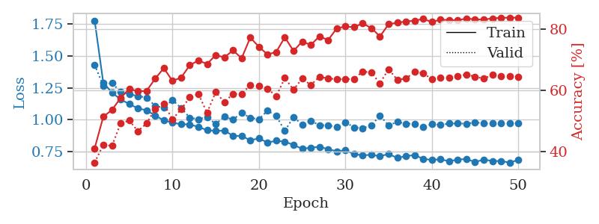
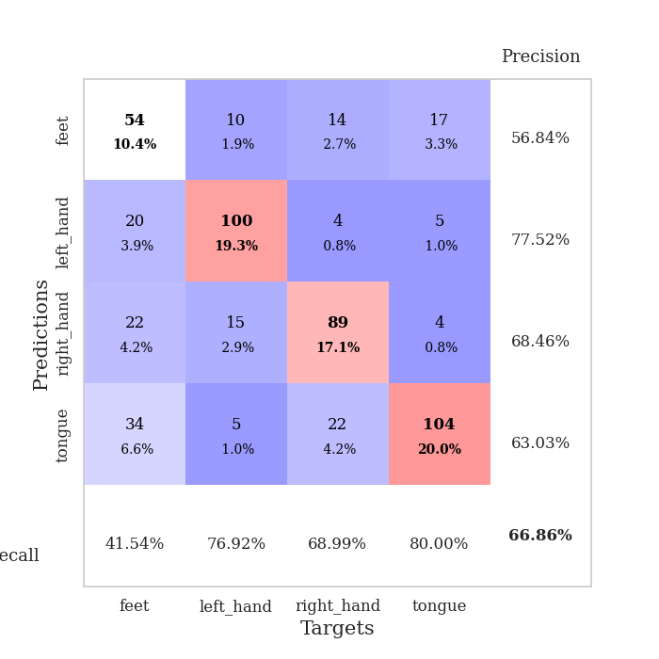
train_loss | valid_loss | train_accuracy | valid_accuracy | dur | train_misclass | valid_misclass
1.7784604607 | 1.4311645415 | 0.41049382716 | 0.36416184971 | 0.93268156052 | 41.049382716 | 36.416184971
1.2892167682 | 1.2657424492 | 0.51311728395 | 0.42196531792 | 0.95884633064 | 51.311728395 | 42.196531792
1.2143066614 | 1.2904621955 | 0.53549382716 | 0.41811175337 | 1.083302021 | 53.549382716 | 41.811175337
1.1590671491 | 1.2170759851 | 0.57407407407 | 0.49132947977 | 0.99422597885 | 57.407407407 | 49.132947977
1.1242821912 | 1.2010370252 | 0.60416666667 | 0.50096339114 | 0.99955630302 | 60.416666667 | 50.096339114
1.0888450039 | 1.1860871219 | 0.59606481481 | 0.46628131021 | 1.0955233574 | 59.606481481 | 46.628131021
1.0751523295 | 1.1743609209 | 0.59722222222 | 0.49132947977 | 0.97104883194 | 59.722222222 | 49.132947977
1.0319497497 | 1.1085840363 | 0.63734567901 | 0.53757225434 | 0.97534584999 | 63.734567901 | 53.757225434
0.99582204995 | 1.0943198654 | 0.67168209877 | 0.5549132948 | 0.95951294899 | 67.168209877 | 55.49132948
0.97726601454 | 1.155839372 | 0.6300154321 | 0.50481695568 | 0.96396589279 | 63.00154321 | 50.481695568
0.96478229393 | 1.0921341314 | 0.64081790123 | 0.53757225434 | 0.91054582596 | 64.081790123 | 53.757225434
0.96406454179 | 1.0168295752 | 0.68094135802 | 0.57610789981 | 0.99674296379 | 68.094135802 | 57.610789981
0.94332689415 | 1.0044709042 | 0.69675925926 | 0.58766859345 | 1.1658689976 | 69.675925926 | 58.766859345
0.91898322529 | 1.0222785138 | 0.68518518519 | 0.52601156069 | 0.57210564613 | 68.518518519 | 52.601156069
0.9116846954 | 0.96587786371 | 0.71412037037 | 0.59344894027 | 0.5476706028 | 71.412037037 | 59.344894027
0.91510419345 | 1.0248140604 | 0.70679012346 | 0.56069364162 | 0.54865860939 | 70.679012346 | 56.069364162
0.87475078323 | 1.0013579509 | 0.72955246914 | 0.58766859345 | 0.55014514923 | 72.955246914 | 58.766859345
0.87192598243 | 1.0541480835 | 0.70408950617 | 0.58766859345 | 0.54731440544 | 70.408950617 | 58.766859345
0.83989088716 | 1.0165245981 | 0.7712191358 | 0.61657032755 | 0.55511116982 | 77.12191358 | 61.657032755
0.85343017622 | 1.0044983423 | 0.74112654321 | 0.61464354528 | 0.55159759521 | 74.112654321 | 61.464354528
0.8211000926 | 1.0723732232 | 0.71604938272 | 0.60500963391 | 0.55067968369 | 71.604938272 | 60.500963391
0.83547131055 | 1.0289376597 | 0.72453703704 | 0.57996146435 | 0.55060696602 | 72.453703704 | 57.996146435
0.82790258821 | 0.91357852085 | 0.77237654321 | 0.63969171484 | 0.55143237114 | 77.237654321 | 63.969171484
0.80280709009 | 1.0208689771 | 0.72762345679 | 0.60115606936 | 0.55203723907 | 72.762345679 | 60.115606936
0.7721150523 | 0.96221150713 | 0.75848765432 | 0.63776493256 | 0.55135726929 | 75.848765432 | 63.776493256
0.78047346002 | 0.99270372836 | 0.74729938272 | 0.61657032755 | 0.55089879036 | 74.729938272 | 61.657032755
0.7879370348 | 0.9568437138 | 0.77546296296 | 0.64354527938 | 0.55118322372 | 77.546296296 | 64.354527938
0.7695487366 | 0.95829938717 | 0.76311728395 | 0.63776493256 | 0.5512714386 | 76.311728395 | 63.776493256
0.75295258378 | 0.94267174125 | 0.8013117284 | 0.63583815029 | 0.5509531498 | 80.13117284 | 63.583815029
0.76087247038 | 0.98041262976 | 0.8074845679 | 0.63583815029 | 0.55401587486 | 80.74845679 | 63.583815029
0.73103594357 | 0.94047406345 | 0.80516975309 | 0.63583815029 | 0.55333065987 | 80.516975309 | 63.583815029
0.7207320235 | 0.93436258652 | 0.8175154321 | 0.66088631985 | 0.55360388756 | 81.75154321 | 66.088631985
0.72544940681 | 0.95594369825 | 0.8024691358 | 0.6570327553 | 0.54843616486 | 80.24691358 | 65.70327553
0.71412637756 | 1.0324004002 | 0.77507716049 | 0.62235067437 | 0.54811429977 | 77.507716049 | 62.235067437
0.73145772222 | 0.95577922883 | 0.81481481481 | 0.66859344894 | 0.54747843742 | 81.481481481 | 66.859344894
0.70101700502 | 0.98345419644 | 0.81983024691 | 0.63391136802 | 0.55218815804 | 81.983024691 | 63.391136802
0.71408129401 | 0.96897948661 | 0.8236882716 | 0.63776493256 | 0.55560421944 | 82.36882716 | 63.776493256
0.72355434326 | 0.9698230793 | 0.82677469136 | 0.65895953757 | 0.549888134 | 82.677469136 | 65.895953757
0.69322332777 | 0.94578527807 | 0.83179012346 | 0.65510597303 | 0.55001831055 | 83.179012346 | 65.510597303
0.68498588942 | 0.96465245906 | 0.82214506173 | 0.63583815029 | 0.54951858521 | 82.214506173 | 63.583815029
0.69004331658 | 0.9591998002 | 0.82986111111 | 0.63969171484 | 0.55227971077 | 82.986111111 | 63.969171484
0.67455343304 | 0.97064950655 | 0.82831790123 | 0.63969171484 | 0.55261659622 | 82.831790123 | 63.969171484
0.68776109024 | 0.97075877576 | 0.8275462963 | 0.64547206166 | 0.55347776413 | 82.75462963 | 64.547206166
0.6917261508 | 0.9695789102 | 0.8337191358 | 0.65125240848 | 0.55187439919 | 83.37191358 | 65.125240848
0.66831813385 | 0.97920410803 | 0.83063271605 | 0.64354527938 | 0.55188441277 | 83.063271605 | 64.354527938
0.68738184336 | 0.97376318267 | 0.82986111111 | 0.63776493256 | 0.55270314217 | 82.986111111 | 63.776493256
0.67698094019 | 0.97013416548 | 0.83410493827 | 0.6493256262 | 0.55210828781 | 83.410493827 | 64.93256262
0.67606634196 | 0.97132472381 | 0.83564814815 | 0.64547206166 | 0.55156373978 | 83.564814815 | 64.547206166
0.66404390629 | 0.97228495624 | 0.83641975309 | 0.64547206166 | 0.55193400383 | 83.641975309 | 64.547206166
0.68474378188 | 0.97256576647 | 0.83641975309 | 0.64354527938 | 0.55104517937 | 83.641975309 | 64.354527938

Best Val accuracy is 0.6685934489402697 and Best test accuracy is 0.662807525325615

Sheet5
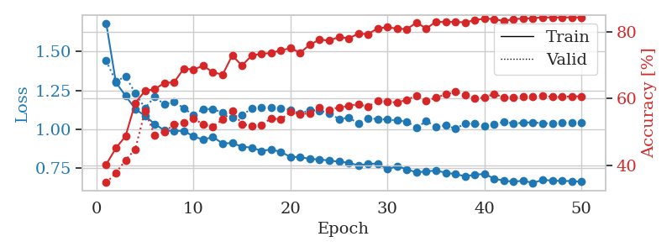
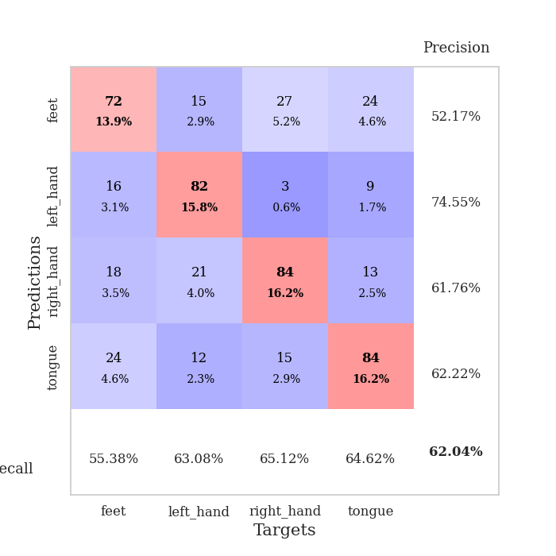
train_loss | valid_loss | train_accuracy | valid_accuracy | dur | train_misclass | valid_misclass
1.6825081949 | 1.4400456225 | 0.40316358025 | 0.34874759152 | 0.54975199699 | 40.316358025 | 34.874759152
1.3016110725 | 1.3066834809 | 0.45177469136 | 0.37764932563 | 0.5482442379 | 45.177469136 | 37.764932563
1.2141902741 | 1.3403628026 | 0.48804012346 | 0.4161849711 | 0.54892492294 | 48.804012346 | 41.61849711
1.1308753825 | 1.2315525173 | 0.58719135802 | 0.44894026975 | 0.55143022537 | 58.719135802 | 44.894026975
1.0850854663 | 1.1357963731 | 0.62345679012 | 0.56262042389 | 0.54812955856 | 62.345679012 | 56.262042389
1.0339267028 | 1.2092069339 | 0.62808641975 | 0.49132947977 | 0.54769444466 | 62.808641975 | 49.132947977
0.99166708302 | 1.1585707081 | 0.64737654321 | 0.50096339114 | 0.54800605774 | 64.737654321 | 50.096339114
0.98848833512 | 1.1789662183 | 0.64891975309 | 0.52215799615 | 0.54753184319 | 64.891975309 | 52.215799615
0.98950901995 | 1.134026334 | 0.69020061728 | 0.52793834297 | 0.54769921303 | 69.020061728 | 52.793834297
0.95367119047 | 1.0917995197 | 0.68711419753 | 0.54142581888 | 0.55236506462 | 68.711419753 | 54.142581888
0.93256570638 | 1.129449806 | 0.6986882716 | 0.52215799615 | 0.55141496658 | 69.86882716 | 52.215799615
0.94997802211 | 1.1298772693 | 0.67901234568 | 0.51637764933 | 0.55075144768 | 67.901234568 | 51.637764933
0.90849155022 | 1.1071277794 | 0.67206790123 | 0.53757225434 | 0.55609178543 | 67.206790123 | 53.757225434
0.91057889403 | 1.0762782416 | 0.72916666667 | 0.56262042389 | 0.55176830292 | 72.916666667 | 56.262042389
0.88779704144 | 1.0883881934 | 0.69907407407 | 0.52408477842 | 0.55282974243 | 69.907407407 | 52.408477842
0.8815239701 | 1.1342196274 | 0.72916666667 | 0.5183044316 | 0.55449318886 | 72.916666667 | 51.83044316
0.86086579182 | 1.1368621335 | 0.73456790123 | 0.52023121387 | 0.54843401909 | 73.456790123 | 52.023121387
0.86928008239 | 1.1386947742 | 0.73649691358 | 0.54142581888 | 0.54834914207 | 73.649691358 | 54.142581888
0.85448287961 | 1.1325250967 | 0.7449845679 | 0.53757225434 | 0.55027627945 | 74.49845679 | 53.757225434
0.82152144519 | 1.1246246126 | 0.75077160494 | 0.56069364162 | 0.55155849457 | 75.077160494 | 56.069364162
0.82069215436 | 1.1002057965 | 0.73804012346 | 0.55298651252 | 0.55150914192 | 73.804012346 | 55.298651252
0.80854437841 | 1.1227371601 | 0.7611882716 | 0.55684007707 | 0.5517013073 | 76.11882716 | 55.684007707
0.80533583002 | 1.1195573676 | 0.77700617284 | 0.57418111753 | 0.55247712135 | 77.700617284 | 57.418111753
0.79813659872 | 1.1025113986 | 0.77353395062 | 0.56647398844 | 0.55239987373 | 77.353395062 | 56.647398844
0.79113848323 | 1.065508884 | 0.78472222222 | 0.57418111753 | 0.55197548866 | 78.472222222 | 57.418111753
0.78419851503 | 1.0737112524 | 0.78047839506 | 0.57803468208 | 0.55418658257 | 78.047839506 | 57.803468208
0.76697791966 | 1.0381027191 | 0.79436728395 | 0.5838150289 | 0.55242443085 | 79.436728395 | 58.38150289
0.77644165173 | 1.0711682355 | 0.79320987654 | 0.57610789981 | 0.55226182938 | 79.320987654 | 57.610789981
0.77945258901 | 1.0649294348 | 0.81057098765 | 0.59344894027 | 0.55207967758 | 81.057098765 | 59.344894027
0.74277186044 | 1.0619018659 | 0.81404320988 | 0.591522158 | 0.55255055428 | 81.404320988 | 59.1522158
0.76198470427 | 1.0556666711 | 0.80941358025 | 0.58766859345 | 0.55339336395 | 80.941358025 | 58.766859345
0.74186346524 | 1.0496944325 | 0.80825617284 | 0.59730250482 | 0.55207061768 | 80.825617284 | 59.730250482
0.72184233754 | 1.0092974084 | 0.82793209877 | 0.60886319846 | 0.5524263382 | 82.793209877 | 60.886319846
0.72902260242 | 1.0521194466 | 0.80979938272 | 0.59344894027 | 0.55334615707 | 80.979938272 | 59.344894027
0.73379017891 | 1.0167797703 | 0.83024691358 | 0.60308285164 | 0.56549477577 | 83.024691358 | 60.308285164
0.72030696788 | 1.024195483 | 0.82908950617 | 0.61271676301 | 0.56837916374 | 82.908950617 | 61.271676301
0.71106820912 | 1.0037055445 | 0.83024691358 | 0.6204238921 | 0.58307504654 | 83.024691358 | 62.04238921
0.69725181714 | 1.0343628212 | 0.82793209877 | 0.61078998073 | 0.56811904907 | 82.793209877 | 61.078998073
0.7065255492 | 1.0374712292 | 0.83526234568 | 0.60115606936 | 0.57025742531 | 83.526234568 | 60.115606936
0.71291561278 | 1.0208866036 | 0.83950617284 | 0.60308285164 | 0.57522749901 | 83.950617284 | 60.308285164
0.68166037768 | 1.0308388042 | 0.83834876543 | 0.61464354528 | 0.58230423927 | 83.834876543 | 61.464354528
0.66884555419 | 1.0483343861 | 0.83217592593 | 0.60308285164 | 0.92588305473 | 83.217592593 | 60.308285164
0.66230147516 | 1.0367294876 | 0.83834876543 | 0.60308285164 | 1.1138951778 | 83.834876543 | 60.308285164
0.66856077001 | 1.0413887271 | 0.83950617284 | 0.60500963391 | 1.2226500511 | 83.950617284 | 60.500963391
0.65438250949 | 1.044733226 | 0.84066358025 | 0.60693641618 | 1.1157941818 | 84.066358025 | 60.693641618
0.67420140442 | 1.0376239751 | 0.84336419753 | 0.60886319846 | 1.1164066792 | 84.336419753 | 60.886319846
0.6692630552 | 1.0378084605 | 0.84297839506 | 0.60500963391 | 1.0565462112 | 84.297839506 | 60.500963391
0.66707978591 | 1.0403408182 | 0.84297839506 | 0.60500963391 | 1.1729297638 | 84.297839506 | 60.500963391
0.66598765166 | 1.0419343347 | 0.84336419753 | 0.60693641618 | 1.0558242798 | 84.336419753 | 60.693641618
0.6620857699 | 1.0405390619 | 0.84297839506 | 0.60693641618 | 1.0248091221 | 84.297839506 | 60.693641618

Best Val accuracy is 0.6204238921001927 and Best test accuracy is 0.6753497346840328

Sheet6
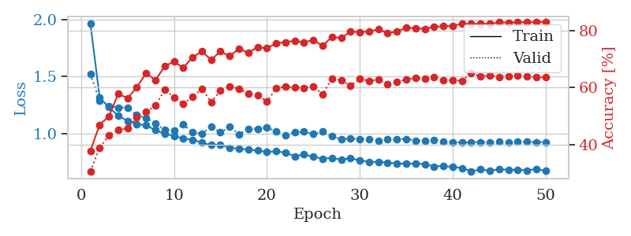
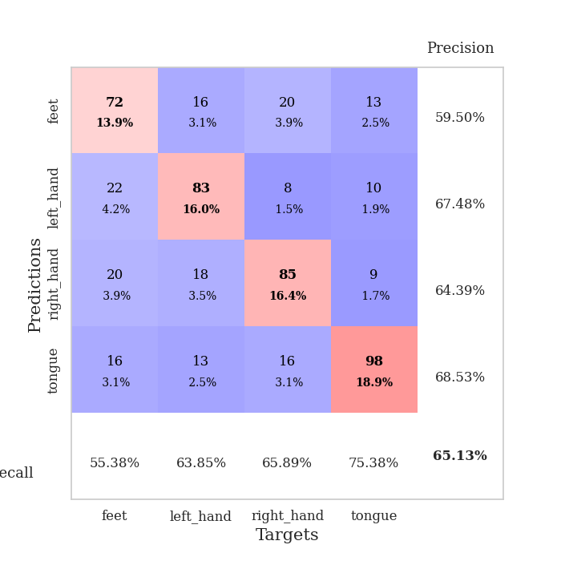
train_loss | valid_loss | train_accuracy | valid_accuracy | dur | train_misclass | valid_misclass
1.9611194686 | 1.5204588485 | 0.37847222222 | 0.3063583815 | 1.1057312489 | 37.847222222 | 30.63583815
1.3133586531 | 1.287613879 | 0.46990740741 | 0.38921001927 | 1.205496788 | 46.990740741 | 38.921001927
1.2308852868 | 1.2398305536 | 0.49922839506 | 0.43352601156 | 1.0747408867 | 49.922839506 | 43.352601156
1.1555789363 | 1.2283640611 | 0.57831790123 | 0.4527938343 | 1.1702785492 | 57.831790123 | 45.27938343
1.1118775823 | 1.2284111703 | 0.56288580247 | 0.45664739884 | 1.0340263844 | 56.288580247 | 45.664739884
1.0844655611 | 1.1607855106 | 0.60069444444 | 0.49518304432 | 0.93702554703 | 60.069444444 | 49.518304432
1.072606687 | 1.1354642978 | 0.6512345679 | 0.51445086705 | 0.89483261108 | 65.12345679 | 51.445086705
1.0306053338 | 1.0897524623 | 0.62615740741 | 0.53757225434 | 0.91704630852 | 62.615740741 | 53.757225434
0.99662204032 | 1.0318712217 | 0.67476851852 | 0.591522158 | 0.87511372566 | 67.476851852 | 59.1522158
0.98086945823 | 1.0289489111 | 0.69174382716 | 0.56647398844 | 0.98877859116 | 69.174382716 | 56.647398844
0.95621979788 | 1.0812977865 | 0.66898148148 | 0.54335260116 | 0.99282741547 | 66.898148148 | 54.335260116
0.94650033484 | 1.0096135365 | 0.70679012346 | 0.56840077071 | 0.99781155586 | 70.679012346 | 56.840077071
0.92024852667 | 1.0000957816 | 0.72685185185 | 0.59537572254 | 0.95920586586 | 72.685185185 | 59.537572254
0.89953765807 | 1.0582100589 | 0.69791666667 | 0.54913294798 | 1.0838191509 | 69.791666667 | 54.913294798
0.90486045016 | 1.0114012862 | 0.72685185185 | 0.58959537572 | 0.59690856934 | 72.685185185 | 58.959537572
0.87400979742 | 1.0587594801 | 0.71026234568 | 0.60500963391 | 0.56490969658 | 71.026234568 | 60.500963391
0.86995781333 | 0.99433197865 | 0.73688271605 | 0.59537572254 | 0.55933666229 | 73.688271605 | 59.537572254
0.85920983314 | 1.0394712105 | 0.72222222222 | 0.57996146435 | 0.55845880508 | 72.222222222 | 57.996146435
0.85089730922 | 1.0431344755 | 0.74228395062 | 0.57418111753 | 0.55887556076 | 74.228395062 | 57.418111753
0.83929090202 | 1.0543067947 | 0.73804012346 | 0.55105973025 | 0.56475496292 | 73.804012346 | 55.105973025
0.84400355687 | 1.0198183025 | 0.75540123457 | 0.59730250482 | 0.55865764618 | 75.540123457 | 59.730250482
0.83397152597 | 0.98374436173 | 0.75964506173 | 0.60308285164 | 0.55886530876 | 75.964506173 | 60.308285164
0.80155418409 | 1.0096411597 | 0.76466049383 | 0.60115606936 | 0.55909347534 | 76.466049383 | 60.115606936
0.81675900427 | 1.0163007648 | 0.75887345679 | 0.59922928709 | 0.56199121475 | 75.887345679 | 59.922928709
0.79738054305 | 0.99564783399 | 0.76736111111 | 0.60500963391 | 0.55916619301 | 76.736111111 | 60.500963391
0.78029162943 | 1.0165819568 | 0.74652777778 | 0.57610789981 | 0.55997943878 | 74.652777778 | 57.610789981
0.78722068888 | 0.97657808587 | 0.77816358025 | 0.63198458574 | 0.56112217903 | 77.816358025 | 63.198458574
0.77293485421 | 0.9509751466 | 0.77430555556 | 0.62620423892 | 0.55936574936 | 77.430555556 | 62.620423892
0.78410755061 | 0.95654593405 | 0.79591049383 | 0.60693641618 | 0.56009864807 | 79.591049383 | 60.693641618
0.76601900878 | 0.95203637388 | 0.79552469136 | 0.63005780347 | 0.55900526047 | 79.552469136 | 63.005780347
0.75352243812 | 0.95191285215 | 0.7962962963 | 0.62427745665 | 0.55801701546 | 79.62962963 | 62.427745665
0.75193655344 | 0.936438501 | 0.80478395062 | 0.62813102119 | 0.55760526657 | 80.478395062 | 62.813102119
0.74616006734 | 0.94957730329 | 0.79166666667 | 0.61078998073 | 0.56171059608 | 79.166666667 | 61.078998073
0.73818232119 | 0.94925178843 | 0.79668209877 | 0.6204238921 | 0.55983042717 | 79.668209877 | 62.04238921
0.73823742302 | 0.95396568688 | 0.81018518519 | 0.62813102119 | 0.5582613945 | 81.018518519 | 62.813102119
0.73774056909 | 0.93940748438 | 0.80825617284 | 0.63391136802 | 0.56038308144 | 80.825617284 | 63.391136802
0.73292967907 | 0.93724018301 | 0.80671296296 | 0.63005780347 | 0.56525182724 | 80.671296296 | 63.005780347
0.71261478593 | 0.94626985832 | 0.81327160494 | 0.63583815029 | 0.56020998955 | 81.327160494 | 63.583815029
0.71677345847 | 0.92706838141 | 0.81520061728 | 0.62620423892 | 0.56032514572 | 81.520061728 | 62.620423892
0.70769922932 | 0.92634611897 | 0.8175154321 | 0.62620423892 | 0.56083297729 | 81.75154321 | 62.620423892
0.69907884226 | 0.9201684113 | 0.82330246914 | 0.62427745665 | 0.55889582634 | 82.330246914 | 62.427745665
0.66923070947 | 0.92539037239 | 0.82330246914 | 0.65125240848 | 0.559060812 | 82.330246914 | 65.125240848
0.68701887977 | 0.92416532536 | 0.82407407407 | 0.63969171484 | 0.55974340439 | 82.407407407 | 63.969171484
0.67364226079 | 0.92641365597 | 0.8236882716 | 0.64161849711 | 0.56190776825 | 82.36882716 | 64.161849711
0.68953730589 | 0.92767717246 | 0.82908950617 | 0.63776493256 | 0.56884932518 | 82.908950617 | 63.776493256
0.68254122267 | 0.92504539334 | 0.8287037037 | 0.63969171484 | 0.56411361694 | 82.87037037 | 63.969171484
0.68381640241 | 0.92651671458 | 0.82947530864 | 0.64354527938 | 0.56609225273 | 82.947530864 | 64.354527938
0.67793287079 | 0.92670023993 | 0.82947530864 | 0.63969171484 | 0.56896233559 | 82.947530864 | 63.969171484
0.69088204867 | 0.92603447235 | 0.83024691358 | 0.63583815029 | 0.57125401497 | 83.024691358 | 63.583815029
0.67313119512 | 0.9263067466 | 0.83101851852 | 0.63583815029 | 0.57751441002 | 83.101851852 | 63.583815029

Best Val accuracy is 0.651252408477842 and Best test accuracy is 0.6690786300048239

Sheet7
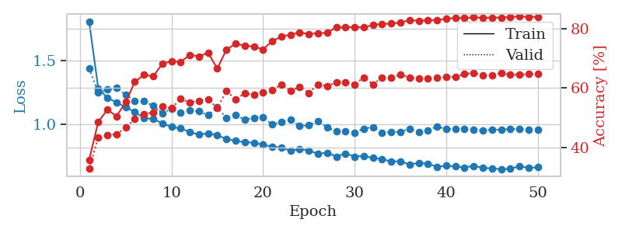
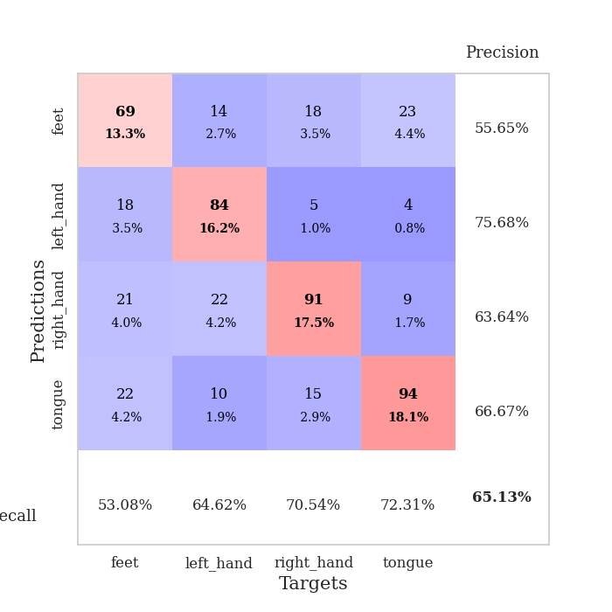
train_loss | valid_loss | train_accuracy | valid_accuracy | dur | train_misclass | valid_misclass
1.8085190256 | 1.4386216629 | 0.35725308642 | 0.32755298651 | 0.77025604248 | 35.725308642 | 32.755298651
1.281822535 | 1.2494333188 | 0.48611111111 | 0.43352601156 | 1.1995434761 | 48.611111111 | 43.352601156
1.2075173708 | 1.2717431209 | 0.52700617284 | 0.44123314066 | 1.2722642422 | 52.700617284 | 44.123314066
1.1712633618 | 1.2854241787 | 0.50540123457 | 0.4450867052 | 0.96799373627 | 50.540123457 | 44.50867052
1.1333455234 | 1.2312112224 | 0.55285493827 | 0.46628131021 | 0.97438764572 | 55.285493827 | 46.628131021
1.0959911689 | 1.1824148135 | 0.62114197531 | 0.49710982659 | 1.0078845024 | 62.114197531 | 49.710982659
1.0476934229 | 1.1797069176 | 0.6450617284 | 0.51252408478 | 1.1158394814 | 64.50617284 | 51.252408478
1.041578762 | 1.145180713 | 0.63927469136 | 0.5183044316 | 0.97326374054 | 63.927469136 | 51.83044316
1.0061113095 | 1.0876767991 | 0.68209876543 | 0.53757225434 | 1.1667587757 | 68.209876543 | 53.757225434
0.97914243554 | 1.1212886834 | 0.69058641975 | 0.53179190751 | 1.1314797401 | 69.058641975 | 53.179190751
0.96652482763 | 1.0911723189 | 0.68865740741 | 0.56454720617 | 1.1325902939 | 68.865740741 | 56.454720617
0.93865803933 | 1.1081005401 | 0.71180555556 | 0.55105973025 | 1.0262644291 | 71.180555556 | 55.105973025
0.91763387823 | 1.1027058843 | 0.70717592593 | 0.55684007707 | 1.0101289749 | 70.717592593 | 55.684007707
0.92868062596 | 1.0701758189 | 0.71913580247 | 0.56069364162 | 1.0992600918 | 71.913580247 | 56.069364162
0.91231163564 | 1.1359540144 | 0.66550925926 | 0.53371868979 | 1.0687651634 | 66.550925926 | 53.371868979
0.88455850861 | 1.046955922 | 0.7299382716 | 0.58959537572 | 1.0142138004 | 72.99382716 | 58.959537572
0.86865288479 | 1.0712885209 | 0.74922839506 | 0.56262042389 | 1.0101327896 | 74.922839506 | 56.262042389
0.85857626244 | 1.0358066508 | 0.74344135802 | 0.58188824663 | 1.0228073597 | 74.344135802 | 58.188824663
0.85462144164 | 1.051031417 | 0.7399691358 | 0.57803468208 | 0.95569586754 | 73.99691358 | 57.803468208
0.83810387883 | 1.0534052259 | 0.73070987654 | 0.58574181118 | 0.96870064735 | 73.070987654 | 58.574181118
0.82422863389 | 0.99738097903 | 0.75848765432 | 0.59344894027 | 0.97638177872 | 75.848765432 | 59.344894027
0.81532140941 | 1.0188865363 | 0.77391975309 | 0.61271676301 | 1.0767400265 | 77.391975309 | 61.271676301
0.79058560766 | 1.0334921168 | 0.78047839506 | 0.58959537572 | 1.0048458576 | 78.047839506 | 58.959537572
0.80425424285 | 0.98630391885 | 0.78742283951 | 0.60500963391 | 1.1334614754 | 78.742283951 | 60.500963391
0.79305642954 | 0.9912639962 | 0.78279320988 | 0.5838150289 | 0.58683991432 | 78.279320988 | 58.38150289
0.76754194296 | 1.022858381 | 0.78510802469 | 0.61271676301 | 0.55594205856 | 78.510802469 | 61.271676301
0.77602152398 | 0.97791156672 | 0.78665123457 | 0.60693641618 | 0.54485297203 | 78.665123457 | 60.693641618
0.74596489046 | 0.94184589156 | 0.80555555556 | 0.6204238921 | 0.55097126961 | 80.555555556 | 62.04238921
0.76931675312 | 0.94312069228 | 0.80478395062 | 0.6204238921 | 0.54957747459 | 80.478395062 | 62.04238921
0.74600851637 | 0.93500919448 | 0.80632716049 | 0.61271676301 | 0.54907655716 | 80.632716049 | 61.271676301
0.7496287774 | 0.96571058575 | 0.80439814815 | 0.63583815029 | 0.5490334034 | 80.439814815 | 63.583815029
0.73435043479 | 0.97720023846 | 0.81327160494 | 0.61271676301 | 0.54936742783 | 81.327160494 | 61.271676301
0.72699690859 | 0.93172013139 | 0.81597222222 | 0.63583815029 | 0.54893779755 | 81.597222222 | 63.583815029
0.70542598893 | 0.93957607595 | 0.81790123457 | 0.63583815029 | 0.54940509796 | 81.790123457 | 63.583815029
0.70897304773 | 0.94016585759 | 0.82098765432 | 0.64547206166 | 0.5496108532 | 82.098765432 | 64.547206166
0.6831488028 | 0.9634580789 | 0.82947530864 | 0.63583815029 | 0.54932904243 | 82.947530864 | 63.583815029
0.69581628398 | 0.9374189448 | 0.82716049383 | 0.63198458574 | 0.55122232437 | 82.716049383 | 63.198458574
0.68986444065 | 0.95196517079 | 0.82947530864 | 0.63198458574 | 0.54946994781 | 82.947530864 | 63.198458574
0.6642885714 | 0.98268232686 | 0.82908950617 | 0.63583815029 | 0.54634022713 | 82.908950617 | 63.583815029
0.6735207513 | 0.96127184347 | 0.83410493827 | 0.63776493256 | 0.54526615143 | 83.410493827 | 63.776493256
0.66783525749 | 0.96172555862 | 0.83680555556 | 0.63776493256 | 0.54799842834 | 83.680555556 | 63.776493256
0.65996244954 | 0.96532547818 | 0.83603395062 | 0.64739884393 | 0.5471496582 | 83.603395062 | 64.739884393
0.67236371228 | 0.95604055649 | 0.83834876543 | 0.65125240848 | 0.54779052734 | 83.834876543 | 65.125240848
0.65770146425 | 0.95328596263 | 0.83719135802 | 0.64354527938 | 0.54800415039 | 83.719135802 | 64.354527938
0.65136496079 | 0.95617762972 | 0.83757716049 | 0.64354527938 | 0.54753518105 | 83.757716049 | 64.354527938
0.64686746767 | 0.95724737346 | 0.83796296296 | 0.65125240848 | 0.55326843262 | 83.796296296 | 65.125240848
0.64919783718 | 0.96302998342 | 0.83989197531 | 0.64547206166 | 0.55202436447 | 83.989197531 | 64.547206166
0.66964982422 | 0.96000098861 | 0.84143518519 | 0.64547206166 | 0.55154371262 | 84.143518519 | 64.547206166
0.65608640107 | 0.95920345802 | 0.83989197531 | 0.64739884393 | 0.55346298218 | 83.989197531 | 64.739884393
0.66103641082 | 0.95855025887 | 0.84027777778 | 0.6493256262 | 0.5518348217 | 84.027777778 | 64.93256262

Best Val accuracy is 0.651252408477842 and Best test accuracy is 0.7004341534008683

Sheet8
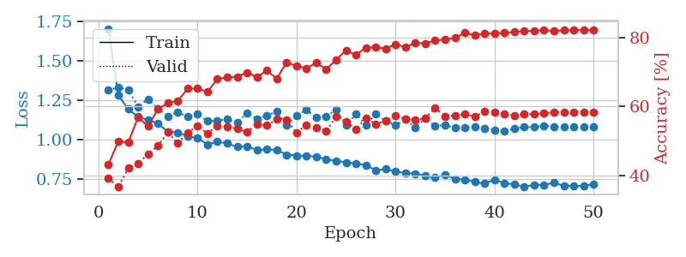
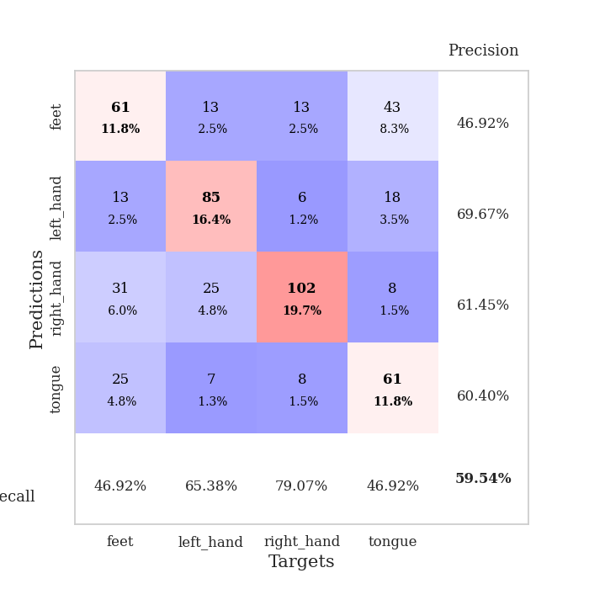
train_loss | valid_loss | train_accuracy | valid_accuracy | dur | train_misclass | valid_misclass
1.7029913693 | 1.312542967 | 0.43055555556 | 0.39113680154 | 0.55284404755 | 43.055555556 | 39.113680154
1.2805561434 | 1.3312699289 | 0.49922839506 | 0.36608863198 | 0.55150032043 | 49.922839506 | 36.608863198
1.1917550825 | 1.3139722724 | 0.49537037037 | 0.42003853565 | 0.54684352875 | 49.537037037 | 42.003853565
1.1437699935 | 1.2066603437 | 0.56944444444 | 0.43352601156 | 0.5464682579 | 56.944444444 | 43.352601156
1.1235173536 | 1.2566930717 | 0.5424382716 | 0.46242774566 | 0.55131411552 | 54.24382716 | 46.242774566
1.1015949547 | 1.1957867194 | 0.59259259259 | 0.48554913295 | 0.55280399323 | 59.259259259 | 48.554913295
1.048255196 | 1.1475205727 | 0.61072530864 | 0.52601156069 | 0.63927793503 | 61.072530864 | 52.601156069
1.0443706189 | 1.1748988764 | 0.61651234568 | 0.49325626204 | 0.5478618145 | 61.651234568 | 49.325626204
1.0198899191 | 1.1433012233 | 0.65239197531 | 0.52408477842 | 0.54659986496 | 65.239197531 | 52.408477842
1.0090866405 | 1.1602562204 | 0.65239197531 | 0.54335260116 | 0.54796051979 | 65.239197531 | 54.335260116
0.96755250534 | 1.115980867 | 0.64313271605 | 0.52215799615 | 0.54562997818 | 64.313271605 | 52.215799615
0.98601287125 | 1.1188726949 | 0.68016975309 | 0.54335260116 | 0.54105615616 | 68.016975309 | 54.335260116
0.97408506936 | 1.1294245513 | 0.68557098765 | 0.54142581888 | 0.55054116249 | 68.557098765 | 54.142581888
0.95260341484 | 1.1071731155 | 0.68711419753 | 0.53564547206 | 0.55486655235 | 68.711419753 | 53.564547206
0.95744083638 | 1.1682883193 | 0.69945987654 | 0.52601156069 | 0.547529459 | 69.945987654 | 52.601156069
0.93220469484 | 1.1308918298 | 0.68595679012 | 0.54913294798 | 0.547123909 | 68.595679012 | 54.913294798
0.93625884328 | 1.1509352438 | 0.70524691358 | 0.54527938343 | 0.54583573341 | 70.524691358 | 54.527938343
0.93310889657 | 1.1780430186 | 0.68132716049 | 0.56262042389 | 0.54721927643 | 68.132716049 | 56.262042389
0.9032624064 | 1.0924917372 | 0.72916666667 | 0.56069364162 | 0.54718875885 | 72.916666667 | 56.069364162
0.89678336054 | 1.1508336207 | 0.71797839506 | 0.52408477842 | 0.54638433456 | 71.797839506 | 52.408477842
0.89469133262 | 1.1880655799 | 0.71180555556 | 0.5472061657 | 0.5465734005 | 71.180555556 | 54.72061657
0.89164438881 | 1.1397495176 | 0.72762345679 | 0.53757225434 | 0.5438117981 | 72.762345679 | 53.757225434
0.87257727337 | 1.1480141508 | 0.70833333333 | 0.52986512524 | 0.55047035217 | 70.833333333 | 52.986512524
0.86517588831 | 1.1872481978 | 0.73688271605 | 0.57032755299 | 0.54901862144 | 73.688271605 | 57.032755299
0.85392162829 | 1.0908766661 | 0.76388888889 | 0.55684007707 | 0.54987835884 | 76.388888889 | 55.684007707
0.84735449523 | 1.1608410024 | 0.75038580247 | 0.53371868979 | 0.54984641075 | 75.038580247 | 53.371868979
0.83732852137 | 1.0927500318 | 0.77199074074 | 0.56647398844 | 0.54951405525 | 77.199074074 | 56.647398844
0.80310931949 | 1.1593657707 | 0.77276234568 | 0.54913294798 | 0.55018424988 | 77.276234568 | 54.913294798
0.81205910978 | 1.117436743 | 0.76929012346 | 0.55876685934 | 0.54884529114 | 76.929012346 | 55.876685934
0.79520356416 | 1.0906440327 | 0.78163580247 | 0.57418111753 | 0.54841089249 | 78.163580247 | 57.418111753
0.78683404275 | 1.1271850647 | 0.77353395062 | 0.56454720617 | 0.5476462841 | 77.353395062 | 56.454720617
0.78339157079 | 1.0742715632 | 0.78549382716 | 0.56069364162 | 0.54302144051 | 78.549382716 | 56.069364162
0.76981496296 | 1.1354456867 | 0.78433641975 | 0.56647398844 | 0.54639267921 | 78.433641975 | 56.647398844
0.75709382785 | 1.0835026096 | 0.79282407407 | 0.59537572254 | 0.54613113403 | 79.282407407 | 59.537572254
0.77618006828 | 1.0904885034 | 0.79552469136 | 0.57225433526 | 0.5508146286 | 79.552469136 | 57.225433526
0.74797514762 | 1.0725003044 | 0.80015432099 | 0.57418111753 | 0.54437422752 | 80.015432099 | 57.418111753
0.74520626388 | 1.0721990548 | 0.81520061728 | 0.57803468208 | 0.54554009438 | 81.520061728 | 57.803468208
0.73034659654 | 1.0797453145 | 0.8074845679 | 0.57032755299 | 0.54856061935 | 80.74845679 | 57.032755299
0.71920069647 | 1.0672004159 | 0.8125 | 0.58574181118 | 0.56504631042 | 81.25 | 58.574181118
0.74450311175 | 1.0591095649 | 0.81327160494 | 0.5838150289 | 0.55064129829 | 81.327160494 | 58.38150289
0.72179715262 | 1.0546362706 | 0.81520061728 | 0.57803468208 | 0.54514479637 | 81.520061728 | 57.803468208
0.71493233078 | 1.0667022023 | 0.81712962963 | 0.57418111753 | 0.54824733734 | 81.712962963 | 57.418111753
0.69910405337 | 1.0786696218 | 0.82060185185 | 0.57803468208 | 0.54597640038 | 82.060185185 | 57.803468208
0.71221294944 | 1.0782088459 | 0.82098765432 | 0.57803468208 | 0.55205011368 | 82.098765432 | 57.803468208
0.71000730476 | 1.0878906 | 0.82330246914 | 0.57996146435 | 0.55110359192 | 82.330246914 | 57.996146435
0.7256839211 | 1.0811264074 | 0.81983024691 | 0.5838150289 | 0.60914683342 | 81.983024691 | 58.38150289
0.70372286218 | 1.0802570558 | 0.82291666667 | 0.5838150289 | 0.54863524437 | 82.291666667 | 58.38150289
0.70578765805 | 1.0790111513 | 0.82214506173 | 0.5838150289 | 0.55171179771 | 82.214506173 | 58.38150289
0.70319344425 | 1.0790512661 | 0.8236882716 | 0.5838150289 | 0.5512945652 | 82.36882716 | 58.38150289
0.717516251 | 1.0790926905 | 0.82291666667 | 0.5838150289 | 0.55257201195 | 82.291666667 | 58.38150289

Best Val accuracy is 0.5953757225433526 and Best test accuracy is 0.6300048239266763

Sheet9
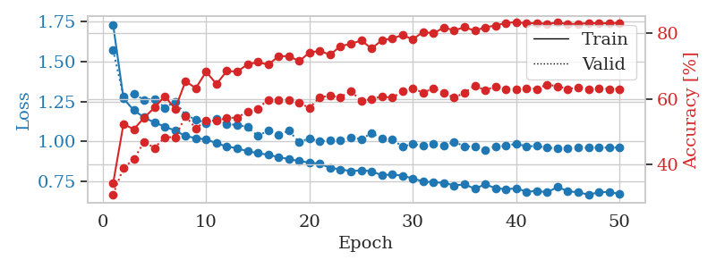
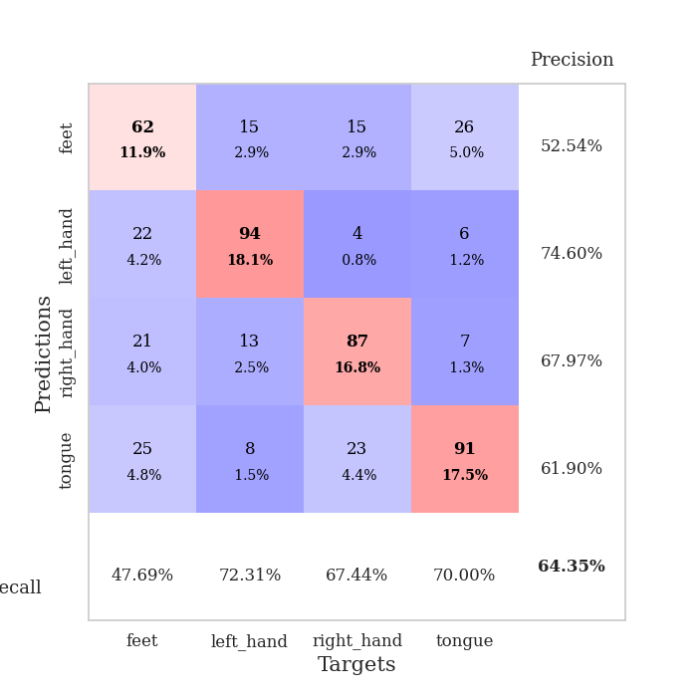
train_loss | valid_loss | train_accuracy | valid_accuracy | dur | train_misclass | valid_misclass
1.7308143664 | 1.5721044993 | 0.34413580247 | 0.31021194605 | 0.57065224648 | 34.413580247 | 31.021194605
1.2682173436 | 1.2826282521 | 0.52353395062 | 0.39113680154 | 0.57057285309 | 52.353395062 | 39.113680154
1.1946628601 | 1.296506378 | 0.50771604938 | 0.4161849711 | 0.57221293449 | 50.771604938 | 41.61849711
1.1495266704 | 1.2607371015 | 0.54282407407 | 0.47013487476 | 0.56765699387 | 54.282407407 | 47.013487476
1.1176192554 | 1.2667545889 | 0.57330246914 | 0.45086705202 | 0.58896994591 | 57.330246914 | 45.086705202
1.0919227663 | 1.2103350144 | 0.60802469136 | 0.48362235067 | 0.5778939724 | 60.802469136 | 48.362235067
1.0670750406 | 1.2490890959 | 0.56983024691 | 0.48362235067 | 0.59284949303 | 56.983024691 | 48.362235067
1.0332994207 | 1.1657457005 | 0.65316358025 | 0.5472061657 | 0.81270265579 | 65.316358025 | 54.72061657
1.0198052794 | 1.1359400352 | 0.63233024691 | 0.5105973025 | 1.1699285507 | 63.233024691 | 51.05973025
1.0116622739 | 1.1152121194 | 0.68209876543 | 0.53371868979 | 1.0365660191 | 68.209876543 | 53.371868979
0.98821339158 | 1.1401129088 | 0.64467592593 | 0.53371868979 | 1.1588602066 | 64.467592593 | 53.371868979
0.96657162537 | 1.1059705327 | 0.68441358025 | 0.54142581888 | 0.96731424332 | 68.441358025 | 54.142581888
0.95707826831 | 1.1036930647 | 0.6824845679 | 0.54335260116 | 1.2237038612 | 68.24845679 | 54.335260116
0.93676915654 | 1.0894266326 | 0.70408950617 | 0.56069364162 | 0.92899918556 | 70.408950617 | 56.069364162
0.92677337833 | 1.0326852971 | 0.71141975309 | 0.57032755299 | 0.95210051537 | 71.141975309 | 57.032755299
0.91451741001 | 1.0682223716 | 0.70331790123 | 0.59730250482 | 1.0748608112 | 70.331790123 | 59.730250482
0.90146515564 | 1.0406351514 | 0.7287808642 | 0.59537572254 | 1.1018648148 | 72.87808642 | 59.537572254
0.88807939674 | 1.0657691074 | 0.72955246914 | 0.59537572254 | 1.0945177078 | 72.955246914 | 59.537572254
0.87578866511 | 0.99488710817 | 0.71412037037 | 0.58766859345 | 1.0540409088 | 71.412037037 | 58.766859345
0.86665274975 | 1.0185780509 | 0.74035493827 | 0.57225433526 | 1.0994036198 | 74.035493827 | 57.225433526
0.85836080728 | 0.99904583093 | 0.74537037037 | 0.60500963391 | 1.052314043 | 74.537037037 | 60.500963391
0.83394220186 | 1.0058073788 | 0.73341049383 | 0.60886319846 | 0.99016165733 | 73.341049383 | 60.886319846
0.82353389153 | 1.0079719232 | 0.7600308642 | 0.60500963391 | 0.9986269474 | 76.00308642 | 60.500963391
0.81285121172 | 1.0239571253 | 0.7662037037 | 0.62427745665 | 1.0827054977 | 76.62037037 | 62.427745665
0.81743142119 | 1.0125594462 | 0.77700617284 | 0.59344894027 | 0.98280644417 | 77.700617284 | 59.344894027
0.81292369465 | 1.0505857998 | 0.75270061728 | 0.59922928709 | 0.93209767342 | 75.270061728 | 59.922928709
0.7864658805 | 1.0194954907 | 0.77700617284 | 0.60693641618 | 1.0619413853 | 77.700617284 | 60.693641618
0.79193324752 | 1.010230315 | 0.78356481481 | 0.60308285164 | 1.1601238251 | 78.356481481 | 60.308285164
0.78443040285 | 0.96746372556 | 0.79282407407 | 0.62235067437 | 1.0661654472 | 79.282407407 | 62.235067437
0.76601084037 | 0.98300473274 | 0.78047839506 | 0.63198458574 | 0.963367939 | 78.047839506 | 63.198458574
0.74825248693 | 0.97293358915 | 0.80285493827 | 0.61849710983 | 1.0322229862 | 80.285493827 | 61.849710983
0.7422697912 | 0.98437582918 | 0.79822530864 | 0.63198458574 | 0.59397387505 | 79.822530864 | 63.198458574
0.73971774751 | 0.97095259881 | 0.81635802469 | 0.61849710983 | 0.5522685051 | 81.635802469 | 61.849710983
0.72270864386 | 0.9968544587 | 0.8074845679 | 0.60308285164 | 0.55741453171 | 80.74845679 | 60.308285164
0.7294547648 | 0.96831995444 | 0.81712962963 | 0.61849710983 | 0.55113148689 | 81.712962963 | 61.849710983
0.70302774417 | 0.96677873475 | 0.80632716049 | 0.63969171484 | 0.55090999603 | 80.632716049 | 63.969171484
0.72932064202 | 0.94708754378 | 0.81674382716 | 0.62620423892 | 0.56368541718 | 81.674382716 | 62.620423892
0.7062999091 | 0.96844696861 | 0.82214506173 | 0.63776493256 | 0.55132389069 | 82.214506173 | 63.776493256
0.69857312003 | 0.97094312913 | 0.83024691358 | 0.63005780347 | 0.55153369904 | 83.024691358 | 63.005780347
0.70483643552 | 0.98499614196 | 0.83217592593 | 0.62813102119 | 0.55783343315 | 83.217592593 | 62.813102119
0.68393914494 | 0.96813371829 | 0.8287037037 | 0.63198458574 | 0.55947709084 | 82.87037037 | 63.198458574
0.68775542927 | 0.97086878342 | 0.82986111111 | 0.63005780347 | 0.55277371407 | 82.986111111 | 63.005780347
0.68047620466 | 0.95981469664 | 0.82716049383 | 0.64354527938 | 0.55269742012 | 82.716049383 | 64.354527938
0.7127080499 | 0.95711283188 | 0.83101851852 | 0.63776493256 | 0.55301690102 | 83.101851852 | 63.776493256
0.68717949663 | 0.9532849474 | 0.82677469136 | 0.63005780347 | 0.55290913582 | 82.677469136 | 63.005780347
0.67898186535 | 0.95987984234 | 0.82716049383 | 0.63391136802 | 0.55349612236 | 82.716049383 | 63.391136802
0.66583622716 | 0.95974698025 | 0.82947530864 | 0.63005780347 | 0.55355548859 | 82.947530864 | 63.005780347
0.67912741401 | 0.96061667059 | 0.8287037037 | 0.63198458574 | 0.55563807487 | 82.87037037 | 63.198458574
0.6828654701 | 0.95982690078 | 0.82908950617 | 0.63005780347 | 0.55422639847 | 82.908950617 | 63.005780347
0.66900091444 | 0.96101935291 | 0.83024691358 | 0.63005780347 | 0.55615711212 | 83.024691358 | 63.005780347

Best Val accuracy is 0.6435452793834296 and Best test accuracy is 0.6652194886637723

Sheet10
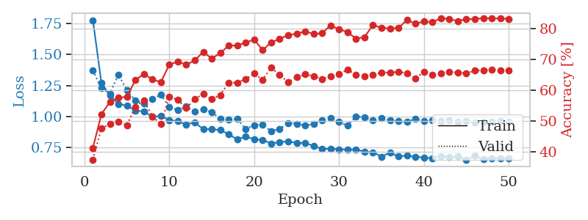
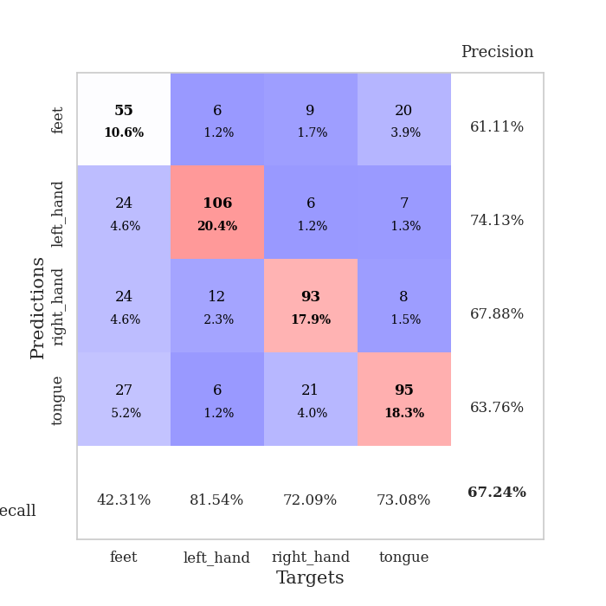
train_loss | valid_loss | train_accuracy | valid_accuracy | dur | train_misclass | valid_misclass
1.7752911555 | 1.3711212161 | 0.41203703704 | 0.37379576108 | 0.56945586205 | 41.203703704 | 37.379576108
1.2709704156 | 1.2278723712 | 0.5212191358 | 0.47591522158 | 0.56346273422 | 52.12191358 | 47.591522158
1.1717930922 | 1.1849404847 | 0.56134259259 | 0.4894026975 | 0.56394314766 | 56.134259259 | 48.94026975
1.1018989564 | 1.3384042213 | 0.57523148148 | 0.49710982659 | 0.55980944633 | 57.523148148 | 49.710982659
1.0872860039 | 1.2117650396 | 0.5775462963 | 0.48554913295 | 0.57212114334 | 57.75462963 | 48.554913295
1.0491502675 | 1.1309178723 | 0.63233024691 | 0.54527938343 | 0.5755751133 | 63.233024691 | 54.527938343
1.0427604042 | 1.1072524885 | 0.65239197531 | 0.56647398844 | 0.62699961662 | 65.239197531 | 56.647398844
0.99928451394 | 1.1422169071 | 0.6350308642 | 0.51445086705 | 0.92965316772 | 63.50308642 | 51.445086705
1.0036414564 | 1.1752183665 | 0.62538580247 | 0.4894026975 | 1.3104448318 | 62.538580247 | 48.94026975
0.9731275167 | 1.0793052517 | 0.6824845679 | 0.57803468208 | 1.0901544094 | 68.24845679 | 57.803468208
0.9625726184 | 1.0521930275 | 0.69290123457 | 0.56840077071 | 1.1811289787 | 69.290123457 | 56.840077071
0.93600722706 | 1.0798655119 | 0.6824845679 | 0.54142581888 | 1.2299113274 | 68.24845679 | 54.142581888
0.95405238683 | 1.0402751596 | 0.69637345679 | 0.57032755299 | 0.99602127075 | 69.637345679 | 57.032755299
0.89820291102 | 1.0566152316 | 0.72415123457 | 0.58766859345 | 1.0211467743 | 72.415123457 | 58.766859345
0.89961234618 | 1.0375781057 | 0.70216049383 | 0.57032755299 | 1.0075166225 | 70.216049383 | 57.032755299
0.89111483226 | 0.97956013932 | 0.72029320988 | 0.5838150289 | 1.0507371426 | 72.029320988 | 58.38150289
0.85979185722 | 0.97936722171 | 0.74459876543 | 0.62427745665 | 1.1442351341 | 74.459876543 | 62.427745665
0.81637440806 | 0.98076093013 | 0.7449845679 | 0.62427745665 | 1.1103155613 | 74.49845679 | 62.427745665
0.83990590035 | 0.90185699918 | 0.75424382716 | 0.63583815029 | 0.9223048687 | 75.424382716 | 63.583815029
0.81777913059 | 0.92935309704 | 0.76466049383 | 0.65317919075 | 1.0972020626 | 76.466049383 | 65.317919075
0.81412054727 | 0.93794245091 | 0.72955246914 | 0.63391136802 | 1.0128009319 | 72.955246914 | 63.391136802
0.78331728114 | 0.8819891529 | 0.75540123457 | 0.67244701349 | 0.9327237606 | 75.540123457 | 67.244701349
0.79537920635 | 0.90273895107 | 0.7662037037 | 0.6493256262 | 1.0524961948 | 76.62037037 | 64.93256262
0.80163079795 | 0.94692577585 | 0.77932098765 | 0.62620423892 | 0.94986128807 | 77.932098765 | 62.620423892
0.78814759906 | 0.94344687737 | 0.78279320988 | 0.64161849711 | 1.1073331833 | 78.279320988 | 64.161849711
0.78835607973 | 0.92760058887 | 0.7912808642 | 0.65125240848 | 1.0331139565 | 79.12808642 | 65.125240848
0.76406571527 | 0.94061543877 | 0.78240740741 | 0.64547206166 | 1.0591394901 | 78.240740741 | 64.547206166
0.73986179188 | 0.97236080528 | 0.78510802469 | 0.63583815029 | 0.8939063549 | 78.510802469 | 63.583815029
0.74174547103 | 0.98638536659 | 0.81057098765 | 0.64547206166 | 1.1519868374 | 81.057098765 | 64.547206166
0.73622972031 | 0.95682829216 | 0.7974537037 | 0.65125240848 | 1.0382900238 | 79.74537037 | 65.125240848
0.73425964901 | 0.9293692971 | 0.78896604938 | 0.66666666667 | 0.98306870461 | 78.896604938 | 66.666666667
0.73563665115 | 1.0006712071 | 0.76697530864 | 0.6493256262 | 0.59270477295 | 76.697530864 | 64.93256262
0.71816316762 | 0.99420789878 | 0.77237654321 | 0.64547206166 | 0.54811954498 | 77.237654321 | 64.547206166
0.71360205758 | 0.96971677356 | 0.81172839506 | 0.6493256262 | 0.54776287079 | 81.172839506 | 64.93256262
0.67783773221 | 0.98698681811 | 0.8024691358 | 0.6570327553 | 0.55061984062 | 80.24691358 | 65.70327553
0.70956896687 | 0.96803519721 | 0.80015432099 | 0.6570327553 | 0.55567550659 | 80.015432099 | 65.70327553
0.67902152774 | 0.96248492914 | 0.80208333333 | 0.65895953757 | 0.55486392975 | 80.208333333 | 65.895953757
0.68640972674 | 0.95780669425 | 0.82793209877 | 0.65510597303 | 0.55595707893 | 82.793209877 | 65.510597303
0.67799181482 | 0.98259156472 | 0.81597222222 | 0.63776493256 | 0.55444478989 | 81.597222222 | 63.776493256
0.67064697507 | 0.96524623019 | 0.8236882716 | 0.65895953757 | 0.55406069756 | 82.36882716 | 65.895953757
0.66621705485 | 0.97012826841 | 0.82021604938 | 0.6493256262 | 0.55430388451 | 82.021604938 | 64.93256262
0.68254796443 | 0.96359415918 | 0.8337191358 | 0.65317919075 | 0.55487298965 | 83.37191358 | 65.317919075
0.6731100465 | 0.97290940092 | 0.83140432099 | 0.65895953757 | 0.55471777916 | 83.140432099 | 65.895953757
0.67929067821 | 0.95718845352 | 0.82407407407 | 0.6570327553 | 0.55017614365 | 82.407407407 | 65.70327553
0.65371636255 | 0.96454500141 | 0.83140432099 | 0.65510597303 | 0.54734039307 | 83.140432099 | 65.510597303
0.68646598433 | 0.95223209739 | 0.83024691358 | 0.66281310212 | 0.54729175568 | 83.024691358 | 66.281310212
0.65705918732 | 0.95833651569 | 0.83449074074 | 0.66473988439 | 0.55334591866 | 83.449074074 | 66.473988439
0.6666330628 | 0.96134254606 | 0.83294753086 | 0.66666666667 | 0.55588197708 | 83.294753086 | 66.666666667
0.66531497774 | 0.96195984185 | 0.83294753086 | 0.66281310212 | 0.55364823341 | 83.294753086 | 66.281310212
0.66521754934 | 0.96088323841 | 0.83179012346 | 0.66281310212 | 0.55883216858 | 83.179012346 | 66.281310212

Best Val accuracy is 0.6724470134874759 and Best test accuracy is 0.6372407139411481

