Sheet
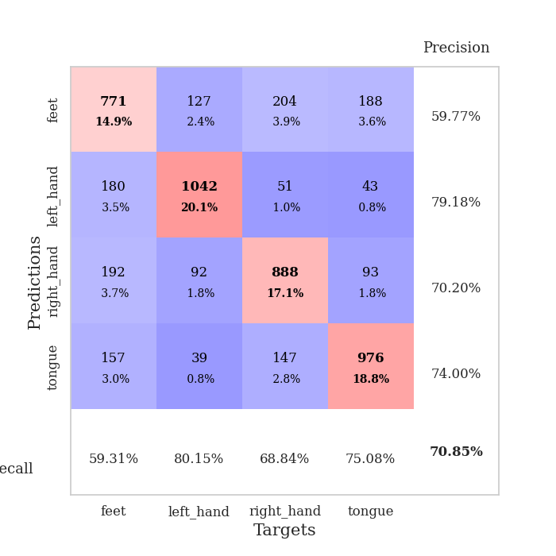
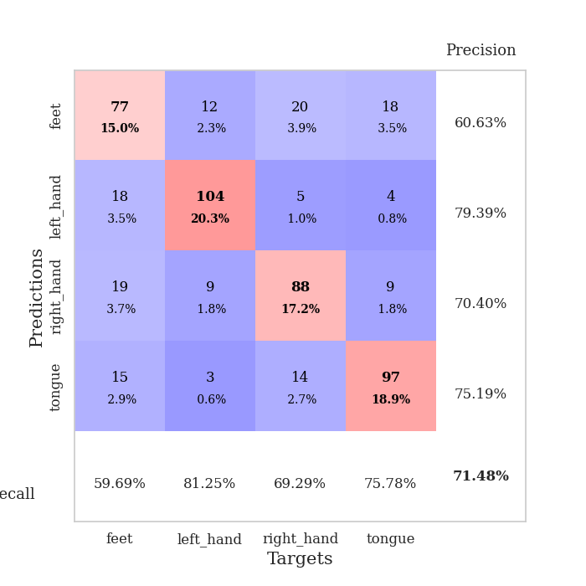
best_val_acc | best_val_los | best_test_acc
0.69749518304 | 0.89548729357 | 0.70911722142
0.73410404624 | 0.86044883016 | 0.70718765075
0.73988439306 | 0.76713918261 | 0.68355041003
0.70905587669 | 0.83700850818 | 0.71104679209
0.72061657033 | 0.84974832916 | 0.70091654607
0.68786127168 | 0.9191895535 | 0.66811384467
0.72447013487 | 0.8547353462 | 0.67969126869
0.70327552987 | 0.85546185401 | 0.65026531597
0.68015414258 | 0.91945606505 | 0.66666666667
0.68786127168 | 0.8753692463 | 0.68789194404

Mean,std Val accuracy is 0.7084778420038537 , 0.020673415071157903 and mean, std test accuracy is 0.6864447660395563 , 0.020686091542480467

Sheet1
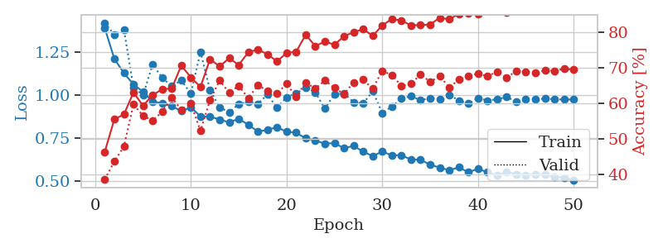
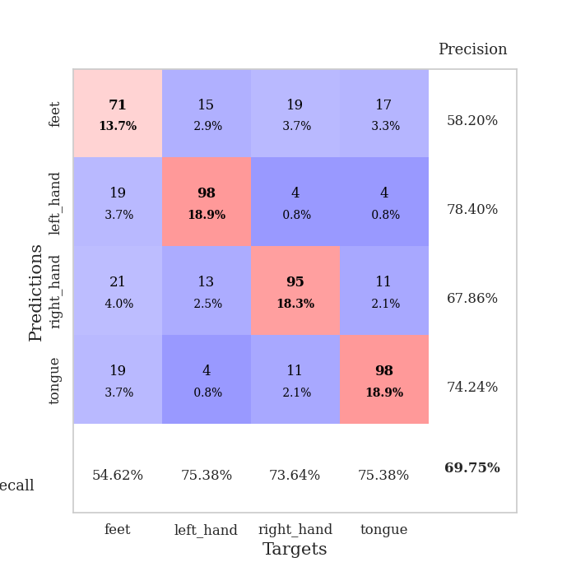
train_loss | valid_loss | train_accuracy | valid_accuracy | dur | train_misclass | valid_misclass
1.402935293 | 1.5935600619 | 0.4174382716 | 0.39113680154 | 1.1885535717 | 41.74382716 | 39.113680154
1.2413033854 | 1.3362942397 | 0.4849537037 | 0.43545279383 | 1.1484992504 | 48.49537037 | 43.545279383
1.1593138737 | 1.0812772627 | 0.59992283951 | 0.52986512524 | 1.1616835594 | 59.992283951 | 52.986512524
1.058905578 | 1.1602471688 | 0.57484567901 | 0.52986512524 | 1.1667916775 | 57.484567901 | 52.986512524
1.0188218201 | 1.0711505751 | 0.63040123457 | 0.54335260116 | 1.1724126339 | 63.040123457 | 54.335260116
0.98217709859 | 1.0857930369 | 0.68479938272 | 0.59537572254 | 1.1280612946 | 68.479938272 | 59.537572254
1.0008032083 | 0.97266424897 | 0.69328703704 | 0.60500963391 | 1.1464197636 | 69.328703704 | 60.500963391
0.97792713914 | 1.0694252944 | 0.67901234568 | 0.57803468208 | 1.1829600334 | 67.901234568 | 57.803468208
0.97261066164 | 1.0978828958 | 0.63233024691 | 0.58574181118 | 1.1338899136 | 63.233024691 | 58.574181118
0.95037475044 | 0.9606875636 | 0.68402777778 | 0.6204238921 | 1.1277296543 | 68.402777778 | 62.04238921
0.92409909765 | 0.94804164072 | 0.68209876543 | 0.63005780347 | 1.1501851082 | 68.209876543 | 63.005780347
0.89354395498 | 1.0993596621 | 0.69212962963 | 0.60115606936 | 1.1443800926 | 69.212962963 | 60.115606936
0.91381301335 | 0.92039705402 | 0.6712962963 | 0.63969171484 | 1.1624734402 | 67.12962963 | 63.969171484
0.88727767821 | 0.97659152873 | 0.71412037037 | 0.63583815029 | 1.2909066677 | 71.412037037 | 63.583815029
0.89400998383 | 1.0279496169 | 0.6986882716 | 0.58959537572 | 1.2727091312 | 69.86882716 | 58.959537572
0.84514699931 | 1.0844693124 | 0.71296296296 | 0.64547206166 | 1.2973957062 | 71.296296296 | 64.547206166
0.8542493992 | 1.051808583 | 0.72839506173 | 0.60115606936 | 1.3184072971 | 72.839506173 | 60.115606936
0.85028888773 | 1.1007399146 | 0.65200617284 | 0.57610789981 | 1.291560173 | 65.200617284 | 57.610789981
0.84177231807 | 1.0469493521 | 0.72067901235 | 0.58959537572 | 1.2723546028 | 72.067901235 | 58.959537572
0.81383087385 | 0.93653503548 | 0.76041666667 | 0.63005780347 | 1.2948331833 | 76.041666667 | 63.005780347
0.76710604168 | 0.93421897539 | 0.76195987654 | 0.64739884393 | 1.3505065441 | 76.195987654 | 64.739884393
0.77179843445 | 0.97749189926 | 0.72955246914 | 0.65510597303 | 1.3026585579 | 72.955246914 | 65.510597303
0.77530623568 | 0.97967962458 | 0.76195987654 | 0.65317919075 | 1.3141527176 | 76.195987654 | 65.317919075
0.74282562402 | 0.96230890434 | 0.77546296296 | 0.6493256262 | 1.3336968422 | 77.546296296 | 64.93256262
0.76434451268 | 0.92119224705 | 0.78665123457 | 0.65125240848 | 1.3583931923 | 78.665123457 | 65.125240848
0.72696863501 | 0.94993738632 | 0.78395061728 | 0.64547206166 | 1.3162462711 | 78.395061728 | 64.547206166
0.76038513553 | 0.93136618592 | 0.78279320988 | 0.64739884393 | 1.2923259735 | 78.279320988 | 64.739884393
0.70970546123 | 1.0105734459 | 0.74768518519 | 0.6204238921 | 1.2607493401 | 74.768518519 | 62.04238921
0.69622361494 | 0.96449864163 | 0.78009259259 | 0.63969171484 | 1.3124041557 | 78.009259259 | 63.969171484
0.6726013698 | 0.94317446945 | 0.80362654321 | 0.67822736031 | 1.2813026905 | 80.362654321 | 67.822736031
0.6540727734 | 0.99326907279 | 0.79861111111 | 0.65317919075 | 1.3107755184 | 79.861111111 | 65.317919075
0.66236621601 | 0.94462335776 | 0.77893518519 | 0.67437379576 | 1.2815768719 | 77.893518519 | 67.437379576
0.63851102442 | 0.92806484015 | 0.82484567901 | 0.68208092486 | 1.3056998253 | 82.484567901 | 68.208092486
0.61746956132 | 0.95406066407 | 0.82445987654 | 0.67052023121 | 1.3184957504 | 82.445987654 | 67.052023121
0.60973530373 | 0.9551302229 | 0.83333333333 | 0.67052023121 | 1.2907516956 | 83.333333333 | 67.052023121
0.62157585831 | 0.96021085553 | 0.84104938272 | 0.67244701349 | 1.2315831184 | 84.104938272 | 67.244701349
0.61450984964 | 0.98081625381 | 0.83564814815 | 0.67437379576 | 1.1767773628 | 83.564814815 | 67.437379576
0.59479133794 | 0.95904020377 | 0.8287037037 | 0.67437379576 | 1.1631085873 | 82.87037037 | 67.437379576
0.59355220116 | 0.96335093663 | 0.84413580247 | 0.68208092486 | 1.1615803242 | 84.413580247 | 68.208092486
0.56665400158 | 0.96368898776 | 0.83950617284 | 0.6859344894 | 1.1713137627 | 83.950617284 | 68.59344894
0.57944740318 | 0.96885467035 | 0.85262345679 | 0.6859344894 | 1.1623370647 | 85.262345679 | 68.59344894
0.58135472542 | 0.99760822478 | 0.84837962963 | 0.68208092486 | 1.1565608978 | 84.837962963 | 68.208092486
0.55323321124 | 0.95387390216 | 0.85455246914 | 0.68015414258 | 1.1667516232 | 85.455246914 | 68.015414258
0.53614075316 | 0.95947901316 | 0.85262345679 | 0.68786127168 | 1.1474781036 | 85.262345679 | 68.786127168
0.55190592581 | 0.96719853405 | 0.8549382716 | 0.68400770713 | 1.1367294788 | 85.49382716 | 68.400770713
0.5371826109 | 0.97805764588 | 0.84915123457 | 0.68978805395 | 1.1867437363 | 84.915123457 | 68.978805395
0.54749626096 | 0.96392327444 | 0.85648148148 | 0.68978805395 | 1.1487560272 | 85.648148148 | 68.978805395
0.541319456 | 0.96370120568 | 0.85570987654 | 0.69171483622 | 1.2951519489 | 85.570987654 | 69.171483622
0.51640303212 | 0.96468467152 | 0.85455246914 | 0.69171483622 | 1.3335018158 | 85.455246914 | 69.171483622
0.5367742202 | 0.96782453625 | 0.85455246914 | 0.68978805395 | 1.2986783981 | 85.455246914 | 68.978805395

Best Val accuracy is 0.6917148362235067 and Best test accuracy is 0.25180897250361794
train_loss | valid_loss | train_accuracy | valid_accuracy | dur | train_misclass | valid_misclass
1.3872387601 | 1.4185448276 | 0.46296296296 | 0.38535645472 | 1.0493211746 | 46.296296296 | 38.535645472
1.2096841836 | 1.3498729759 | 0.55478395062 | 0.43545279383 | 1.0462691784 | 55.478395062 | 43.545279383
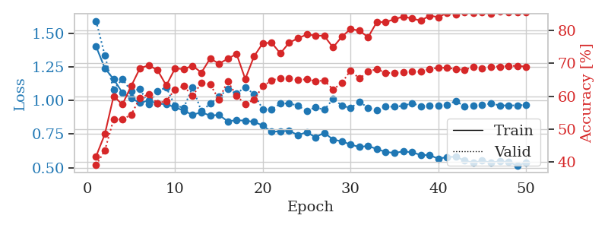
1.1260632082 | 1.3786976937 | 0.56867283951 | 0.47784200385 | 1.0310139656 | 56.867283951 | 47.784200385
1.061446826 | 1.0435531831 | 0.63078703704 | 0.59730250482 | 1.0153987408 | 63.078703704 | 59.730250482
1.0181991094 | 0.99791916292 | 0.59336419753 | 0.56454720617 | 1.0282838345 | 59.336419753 | 56.454720617
0.96168368172 | 1.1768948499 | 0.62345679012 | 0.55105973025 | 1.0099294186 | 62.345679012 | 55.105973025
0.95162139171 | 1.0996305194 | 0.63966049383 | 0.57610789981 | 1.0576612949 | 63.966049383 | 57.610789981
0.93501574537 | 1.0508948292 | 0.64236111111 | 0.61657032755 | 1.0332911015 | 64.236111111 | 61.657032755
0.90558874184 | 1.0838511112 | 0.70679012346 | 0.58188824663 | 1.0189201832 | 70.679012346 | 58.188824663
0.92702768026 | 1.0069568635 | 0.67322530864 | 0.59922928709 | 1.0222353935 | 67.322530864 | 59.922928709
0.87586331 | 1.249491925 | 0.6462191358 | 0.52215799615 | 0.99701714516 | 64.62191358 | 52.215799615
0.87444962212 | 1.0280967317 | 0.72492283951 | 0.60886319846 | 1.0076770782 | 72.492283951 | 60.886319846
0.85717619256 | 0.92792545761 | 0.70447530864 | 0.66473988439 | 0.99797415733 | 70.447530864 | 66.473988439
0.84081842447 | 0.8991170212 | 0.72762345679 | 0.63005780347 | 1.0396029949 | 72.762345679 | 63.005780347
0.86152399396 | 0.94613272514 | 0.70833333333 | 0.6493256262 | 1.0332860947 | 70.833333333 | 64.93256262
0.82679044133 | 0.95851030102 | 0.74459876543 | 0.61464354528 | 1.0262930393 | 74.459876543 | 61.464354528
0.78701253934 | 0.94814992686 | 0.75192901235 | 0.65125240848 | 1.0272758007 | 75.192901235 | 65.125240848
0.79757707722 | 1.0022259914 | 0.7388117284 | 0.63583815029 | 1.0523591042 | 73.88117284 | 63.583815029
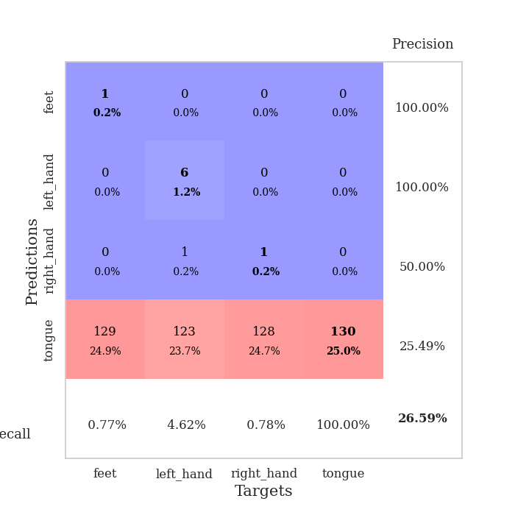
0.81297299956 | 0.92470525248 | 0.71875 | 0.62813102119 | 1.0125374794 | 71.875 | 62.813102119
0.78561495327 | 0.9867384583 | 0.74228395062 | 0.65510597303 | 1.0453538895 | 74.228395062 | 65.510597303
0.78077335509 | 1.0091749372 | 0.74575617284 | 0.61849710983 | 1.0303573608 | 74.575617284 | 61.849710983
0.7474434981 | 1.0416391973 | 0.79398148148 | 0.65895953757 | 1.0180909634 | 79.398148148 | 65.895953757
0.73554843646 | 1.0145323249 | 0.76157407407 | 0.64161849711 | 1.0629923344 | 76.157407407 | 64.161849711
0.71691766308 | 0.92103970372 | 0.77507716049 | 0.66473988439 | 1.0144507885 | 77.507716049 | 66.473988439
0.72029727863 | 1.0034715707 | 0.76543209877 | 0.64354527938 | 1.0271525383 | 76.543209877 | 64.354527938
0.69033846931 | 1.0087584055 | 0.78973765432 | 0.62620423892 | 1.0281307697 | 78.973765432 | 62.620423892
0.70449892717 | 0.95817499951 | 0.80092592593 | 0.65895953757 | 1.0372142792 | 80.092592593 | 65.895953757
0.67063917174 | 0.95040366737 | 0.80941358025 | 0.66666666667 | 1.0414328575 | 80.941358025 | 66.666666667
0.64537117042 | 1.0209933425 | 0.79089506173 | 0.64161849711 | 1.051450491 | 79.089506173 | 64.161849711
0.67130029275 | 0.89548729357 | 0.82021604938 | 0.69171483622 | 1.011341095 | 82.021604938 | 69.171483622
0.6490901544 | 0.9314548565 | 0.8387345679 | 0.68015414258 | 1.0095601082 | 83.87345679 | 68.015414258
0.65055234804 | 0.97982483034 | 0.8337191358 | 0.6493256262 | 0.68886041641 | 83.37191358 | 64.93256262
0.62396496074 | 0.99276351814 | 0.82060185185 | 0.65510597303 | 1.0315318108 | 82.060185185 | 65.510597303
0.62450060791 | 0.96863435619 | 0.82137345679 | 0.68208092486 | 1.0372200012 | 82.137345679 | 68.208092486
0.59424304659 | 0.98185149461 | 0.82291666667 | 0.66088631985 | 1.0058012009 | 82.291666667 | 66.088631985
0.57852463102 | 0.9745877423 | 0.84182098765 | 0.67630057803 | 0.99196124077 | 84.182098765 | 67.630057803
0.56283044263 | 0.99924945418 | 0.83757716049 | 0.64547206166 | 1.0286800861 | 83.757716049 | 64.547206166
0.57960907922 | 0.96762530836 | 0.85300925926 | 0.66666666667 | 1.0621562004 | 85.300925926 | 66.666666667
0.55125519624 | 0.94939028091 | 0.85455246914 | 0.67822736031 | 1.0116758347 | 85.455246914 | 67.822736031
0.57132049457 | 0.98189550466 | 0.85146604938 | 0.68400770713 | 0.9834883213 | 85.146604938 | 68.400770713
0.55078213515 | 0.96738163148 | 0.86265432099 | 0.67630057803 | 1.02399683 | 86.265432099 | 67.630057803
0.53166149469 | 0.97516324134 | 0.86959876543 | 0.68978805395 | 1.0163767338 | 86.959876543 | 68.978805395
0.55454212749 | 0.98718996383 | 0.85763888889 | 0.67244701349 | 1.0124754906 | 85.763888889 | 67.244701349
0.53991349345 | 0.96215211197 | 0.86574074074 | 0.69171483622 | 1.0143945217 | 86.574074074 | 69.171483622
0.53526165162 | 0.97275624064 | 0.8699845679 | 0.68978805395 | 1.02023983 | 86.99845679 | 68.978805395
0.53978075611 | 0.97477815055 | 0.86959876543 | 0.6859344894 | 1.0219120979 | 86.959876543 | 68.59344894
0.53679508192 | 0.97755141892 | 0.8699845679 | 0.6936416185 | 1.030633688 | 86.99845679 | 69.36416185
0.52640370969 | 0.97497158542 | 0.87114197531 | 0.69171483622 | 1.018610239 | 87.114197531 | 69.171483622
0.51905712642 | 0.97273714189 | 0.87152777778 | 0.69749518304 | 1.0020670891 | 87.152777778 | 69.749518304
0.50622383312 | 0.97368358877 | 0.87037037037 | 0.69556840077 | 1.0529017448 | 87.037037037 | 69.556840077

Best Val accuracy is 0.697495183044316 and Best test accuracy is 0.7091172214182344

Sheet2
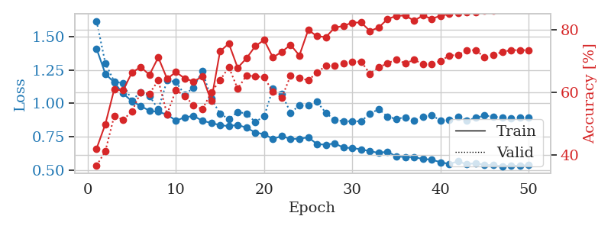
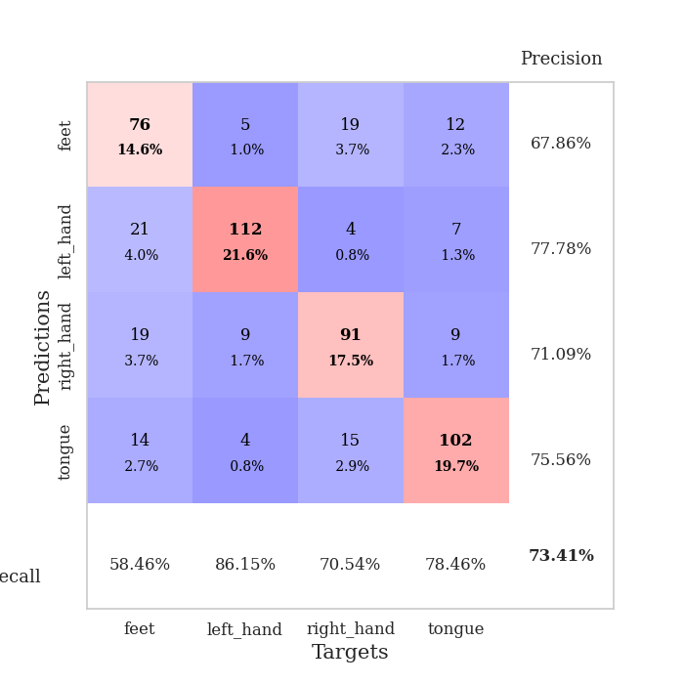
train_loss | valid_loss | train_accuracy | valid_accuracy | dur | train_misclass | valid_misclass
1.353894921 | 1.5931382787 | 0.46527777778 | 0.37379576108 | 1.2978897095 | 46.527777778 | 37.379576108
1.1994614303 | 1.3462610497 | 0.54359567901 | 0.45664739884 | 1.3187806606 | 54.359567901 | 45.664739884
1.1087301962 | 1.2572815526 | 0.53858024691 | 0.43352601156 | 1.393289566 | 53.858024691 | 43.352601156
1.0828292127 | 1.287424308 | 0.59027777778 | 0.48747591522 | 1.3305354118 | 59.027777778 | 48.747591522
1.0743218447 | 1.1571244116 | 0.60416666667 | 0.48554913295 | 1.3394863605 | 60.416666667 | 48.554913295
1.0292481563 | 1.1993542156 | 0.625 | 0.50289017341 | 1.3087186813 | 62.5 | 50.289017341
1.0296741069 | 1.201799073 | 0.61612654321 | 0.48554913295 | 1.2734079361 | 61.612654321 | 48.554913295
0.99937404379 | 1.15789209 | 0.65779320988 | 0.5472061657 | 1.3432946205 | 65.779320988 | 54.72061657
0.99738172653 | 1.1751877194 | 0.625 | 0.52215799615 | 1.3190567493 | 62.5 | 52.215799615
0.97510407129 | 1.1015852687 | 0.65084876543 | 0.53949903661 | 1.2911212444 | 65.084876543 | 53.949903661
0.98098913277 | 1.1495614555 | 0.64930555556 | 0.52215799615 | 1.2964885235 | 64.930555556 | 52.215799615
0.94466429746 | 1.0713554343 | 0.66473765432 | 0.56840077071 | 1.2237262726 | 66.473765432 | 56.840077071
0.95560434387 | 1.0836542284 | 0.68788580247 | 0.57032755299 | 1.4012730122 | 68.788580247 | 57.032755299
0.93491735503 | 1.4099716159 | 0.5775462963 | 0.48362235067 | 1.2966170311 | 57.75462963 | 48.362235067
0.92243751111 | 1.1282832453 | 0.6774691358 | 0.53949903661 | 1.2312026024 | 67.74691358 | 53.949903661
0.91242893794 | 1.1696435327 | 0.64158950617 | 0.56262042389 | 1.3318562508 | 64.158950617 | 56.262042389
0.89966316024 | 1.1299702779 | 0.6925154321 | 0.55876685934 | 1.2933695316 | 69.25154321 | 55.876685934
0.91771917707 | 1.1270467907 | 0.71219135802 | 0.54527938343 | 1.3229341507 | 71.219135802 | 54.527938343
0.8887976362 | 1.0675283829 | 0.72106481481 | 0.61078998073 | 1.2964279652 | 72.106481481 | 61.078998073
0.85120433679 | 1.0972424858 | 0.69405864198 | 0.5838150289 | 1.3322734833 | 69.405864198 | 58.38150289
0.85561591203 | 1.0610825455 | 0.70293209877 | 0.591522158 | 1.2975888252 | 70.293209877 | 59.1522158
0.83063239503 | 1.2303438625 | 0.63425925926 | 0.58574181118 | 1.2875983715 | 63.425925926 | 58.574181118
0.82658390517 | 1.140457434 | 0.70717592593 | 0.56262042389 | 1.3734271526 | 70.717592593 | 56.262042389
0.82207204162 | 1.046649318 | 0.7388117284 | 0.58188824663 | 1.3114306927 | 73.88117284 | 58.188824663
0.81545717278 | 1.0523148858 | 0.73765432099 | 0.61271676301 | 1.3134543896 | 73.765432099 | 61.271676301
0.79647845232 | 1.0230036404 | 0.74228395062 | 0.63391136802 | 1.2970499992 | 74.228395062 | 63.391136802
0.77987334739 | 1.0118490035 | 0.75578703704 | 0.60886319846 | 1.2891566753 | 75.578703704 | 60.886319846
0.76699384642 | 1.0276928015 | 0.7700617284 | 0.62427745665 | 1.3049712181 | 77.00617284 | 62.427745665
0.73081175247 | 1.0226944791 | 0.75192901235 | 0.61464354528 | 1.3231527805 | 75.192901235 | 61.464354528
0.75147292919 | 0.99959435674 | 0.77353395062 | 0.64161849711 | 1.3316743374 | 77.353395062 | 64.161849711
0.72458399041 | 0.95820297442 | 0.79320987654 | 0.63583815029 | 1.344502449 | 79.320987654 | 63.583815029
0.72162297405 | 0.93651007917 | 0.79822530864 | 0.64354527938 | 1.3301792145 | 79.822530864 | 64.354527938
0.68405095755 | 1.0068086264 | 0.75077160494 | 0.64739884393 | 1.2871336937 | 75.077160494 | 64.739884393
0.69037947427 | 0.98126046552 | 0.80555555556 | 0.65125240848 | 1.3235399723 | 80.555555556 | 65.125240848
0.66768694457 | 0.99242744143 | 0.79398148148 | 0.6570327553 | 1.351000309 | 79.398148148 | 65.70327553
0.64721847188 | 0.95603651371 | 0.81712962963 | 0.68208092486 | 1.3863704205 | 81.712962963 | 68.208092486
0.6370829594 | 0.98477764672 | 0.78510802469 | 0.66666666667 | 1.2984244823 | 78.510802469 | 66.666666667
0.63335378634 | 0.97362156916 | 0.80671296296 | 0.66666666667 | 1.3270750046 | 80.671296296 | 66.666666667
0.64021912971 | 0.95939084813 | 0.82060185185 | 0.67630057803 | 1.3554913998 | 82.060185185 | 67.630057803
0.60311001852 | 0.95783330365 | 0.82600308642 | 0.67437379576 | 1.3008947372 | 82.600308642 | 67.437379576
0.61255355805 | 0.9325014215 | 0.83449074074 | 0.68786127168 | 1.3140079975 | 83.449074074 | 68.786127168
0.58213560173 | 0.94786960541 | 0.83834876543 | 0.6859344894 | 1.3031225204 | 83.834876543 | 68.59344894
0.5876472768 | 0.94757630738 | 0.84220679012 | 0.68786127168 | 1.3590965271 | 84.220679012 | 68.786127168
0.57689031609 | 0.94513690104 | 0.84529320988 | 0.69171483622 | 1.3083508015 | 84.529320988 | 69.171483622
0.57189655175 | 0.97572610259 | 0.84336419753 | 0.68400770713 | 1.3232271671 | 84.336419753 | 68.400770713
0.56406333169 | 0.96605825746 | 0.84259259259 | 0.68786127168 | 1.2934908867 | 84.259259259 | 68.786127168
0.57629766821 | 0.96477704769 | 0.83757716049 | 0.6859344894 | 1.4656245708 | 83.757716049 | 68.59344894
0.57354950399 | 0.96024316101 | 0.84143518519 | 0.68400770713 | 1.4132781029 | 84.143518519 | 68.400770713
0.55409830275 | 0.96171474686 | 0.84066358025 | 0.68400770713 | 1.4461398125 | 84.066358025 | 68.400770713
0.56148847188 | 0.9569042356 | 0.84220679012 | 0.68786127168 | 1.295345068 | 84.220679012 | 68.786127168

Best Val accuracy is 0.6917148362235067 and Best test accuracy is 0.3314037626628075
train_loss | valid_loss | train_accuracy | valid_accuracy | dur | train_misclass | valid_misclass
1.4103634983 | 1.6185151566 | 0.42013888889 | 0.36608863198 | 1.0289039612 | 42.013888889 | 36.608863198
1.2215898743 | 1.3005878544 | 0.49845679012 | 0.41233140655 | 1.0308845043 | 49.845679012 | 41.233140655
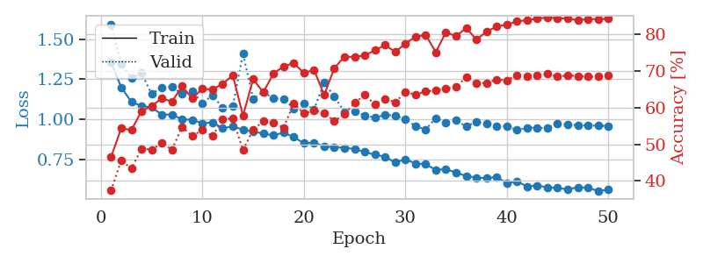
1.1568592695 | 1.1646002193 | 0.6087962963 | 0.52408477842 | 1.0123205185 | 60.87962963 | 52.408477842
1.0740383326 | 1.1506366358 | 0.60570987654 | 0.51252408478 | 1.0417852402 | 60.570987654 | 51.252408478
1.0160797696 | 1.0214104838 | 0.66203703704 | 0.53757225434 | 1.0216100216 | 66.203703704 | 53.757225434
0.9798463881 | 1.084220239 | 0.68055555556 | 0.59922928709 | 1.024356842 | 68.055555556 | 59.922928709
0.94422559238 | 1.0552357307 | 0.65547839506 | 0.59537572254 | 1.0351047516 | 65.547839506 | 59.537572254
0.93616527577 | 0.95475452001 | 0.71103395062 | 0.63776493256 | 1.0326340199 | 71.103395062 | 63.776493256
0.91545829103 | 1.1718806667 | 0.64274691358 | 0.52986512524 | 1.0444712639 | 64.274691358 | 52.986512524
0.87010282664 | 1.1604219939 | 0.66435185185 | 0.60693641618 | 1.0366940498 | 66.435185185 | 60.693641618
0.89438542374 | 1.0645303807 | 0.64390432099 | 0.58766859345 | 1.0130171776 | 64.390432099 | 58.766859345
0.90573538435 | 1.1194029789 | 0.63425925926 | 0.55876685934 | 1.01821661 | 63.425925926 | 55.876685934
0.86871412507 | 1.2439104082 | 0.64969135802 | 0.54527938343 | 1.0301516056 | 64.969135802 | 54.527938343
0.8527167778 | 1.0351830353 | 0.57214506173 | 0.59922928709 | 1.0301041603 | 57.214506173 | 59.922928709
0.83607209741 | 0.92319859613 | 0.7299382716 | 0.63776493256 | 1.0407717228 | 72.99382716 | 63.776493256
0.82848810966 | 0.88088350351 | 0.7550154321 | 0.68015414258 | 1.039993763 | 75.50154321 | 68.015414258
0.838443615 | 0.93583498869 | 0.67785493827 | 0.61078998073 | 1.0316712856 | 67.785493827 | 61.078998073
0.81630531579 | 0.92266512836 | 0.70794753086 | 0.65317919075 | 1.0286369324 | 70.794753086 | 65.317919075
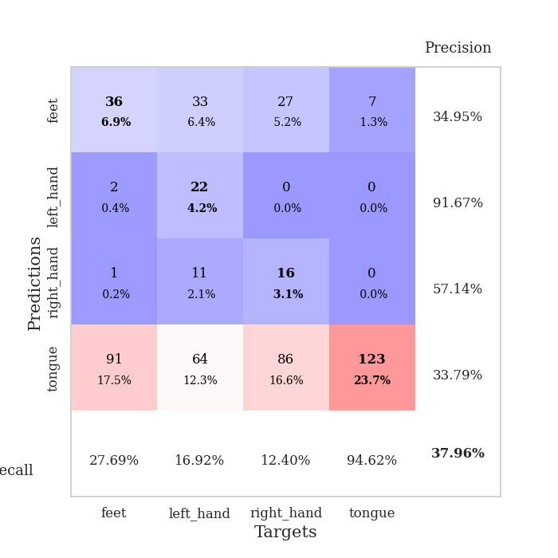
0.78111545999 | 0.86044883016 | 0.74691358025 | 0.65125240848 | 1.0129163265 | 74.691358025 | 65.125240848
0.76784911568 | 0.90209857209 | 0.7662037037 | 0.64739884393 | 1.0319521427 | 76.62037037 | 64.739884393
0.73285018331 | 1.1095788056 | 0.71064814815 | 0.60115606936 | 1.0106508732 | 71.064814815 | 60.115606936
0.75355301871 | 1.069920273 | 0.7287808642 | 0.58188824663 | 1.0095965862 | 72.87808642 | 58.188824663
0.73208984585 | 0.93024289011 | 0.75077160494 | 0.65317919075 | 1.0394449234 | 75.077160494 | 65.317919075
0.7342056656 | 0.98293648267 | 0.71720679012 | 0.64547206166 | 0.98453617096 | 71.720679012 | 64.547206166
0.74452134452 | 0.98689641842 | 0.79822530864 | 0.63776493256 | 1.0154876709 | 79.822530864 | 63.776493256
0.6940075665 | 1.0107472184 | 0.77854938272 | 0.66281310212 | 1.0143535137 | 77.854938272 | 66.281310212
0.68898740319 | 0.92908979519 | 0.77546296296 | 0.68400770713 | 0.99071645737 | 77.546296296 | 68.400770713
0.69926089821 | 0.87325842463 | 0.80555555556 | 0.68400770713 | 1.0322213173 | 80.555555556 | 68.400770713
0.66692456985 | 0.86655544132 | 0.81134259259 | 0.69171483622 | 1.0200088024 | 81.134259259 | 69.171483622
0.66431033832 | 0.86456906083 | 0.82175925926 | 0.69749518304 | 1.0204503536 | 82.175925926 | 69.749518304
0.65412967551 | 0.86559751107 | 0.82214506173 | 0.69749518304 | 1.0020389557 | 82.214506173 | 69.749518304
0.6399885852 | 0.92202900807 | 0.79513888889 | 0.65895953757 | 1.0223553181 | 79.513888889 | 65.895953757
0.6277652232 | 0.95653503479 | 0.80632716049 | 0.68015414258 | 1.0386071205 | 80.632716049 | 68.015414258
0.6366543114 | 0.89861789329 | 0.83333333333 | 0.69171483622 | 1.0213384628 | 83.333333333 | 69.171483622
0.59998698284 | 0.88279734227 | 0.84297839506 | 0.70520231214 | 1.0378994942 | 84.297839506 | 70.520231214
0.59726963275 | 0.89550967988 | 0.84452160494 | 0.69171483622 | 1.0121431351 | 84.452160494 | 69.171483622
0.59550644503 | 0.87112773498 | 0.82793209877 | 0.70327552987 | 1.0632350445 | 82.793209877 | 70.327552987
0.581915252 | 0.89765883595 | 0.84413580247 | 0.68978805395 | 1.0072188377 | 84.413580247 | 68.978805395
0.57702228712 | 0.9124524823 | 0.83410493827 | 0.68978805395 | 1.045779705 | 83.410493827 | 68.978805395
0.55726500389 | 0.86924175812 | 0.84336419753 | 0.69942196532 | 1.0208013058 | 84.336419753 | 69.942196532
0.54487526913 | 0.8736209975 | 0.84915123457 | 0.71676300578 | 1.0196840763 | 84.915123457 | 71.676300578
0.56388817884 | 0.89666616986 | 0.85300925926 | 0.71868978805 | 1.0744249821 | 85.300925926 | 71.868978805
0.54125223576 | 0.87145209175 | 0.85570987654 | 0.73410404624 | 1.020796299 | 85.570987654 | 73.410404624
0.55148578325 | 0.89094757804 | 0.85532407407 | 0.73410404624 | 1.0041773319 | 85.532407407 | 73.410404624
0.53619437104 | 0.90852597086 | 0.85956790123 | 0.71098265896 | 1.0315368176 | 85.956790123 | 71.098265896
0.53545169381 | 0.89870129752 | 0.8587962963 | 0.71868978805 | 1.0135297775 | 85.87962963 | 71.868978805
0.52748373556 | 0.89458721773 | 0.86342592593 | 0.72832369942 | 1.0084929466 | 86.342592593 | 72.832369942
0.5334390848 | 0.88821435985 | 0.8649691358 | 0.73410404624 | 1.0174400806 | 86.49691358 | 73.410404624
0.52944499558 | 0.89074924594 | 0.86419753086 | 0.73410404624 | 0.98949885368 | 86.419753086 | 73.410404624
0.53761116912 | 0.89338209036 | 0.86226851852 | 0.73410404624 | 0.99720740318 | 86.226851852 | 73.410404624

Best Val accuracy is 0.7341040462427746 and Best test accuracy is 0.7071876507477086

Sheet3
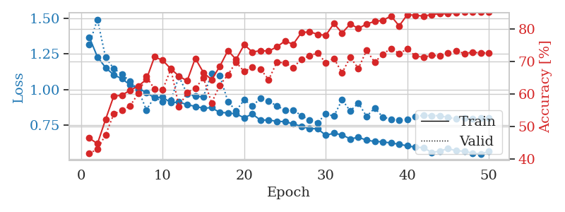
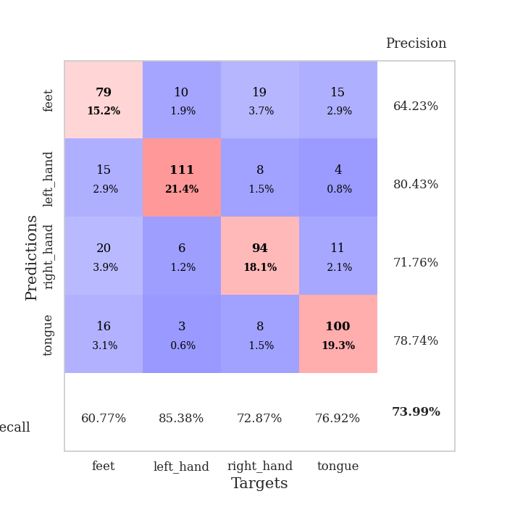
train_loss | valid_loss | train_accuracy | valid_accuracy | dur | train_misclass | valid_misclass
1.381470586 | 1.4109549876 | 0.46412037037 | 0.40269749518 | 1.351988554 | 46.412037037 | 40.269749518
1.2241124537 | 1.3195885687 | 0.54552469136 | 0.44123314066 | 1.3249022961 | 54.552469136 | 44.123314066
1.1508191062 | 1.2384671941 | 0.57793209877 | 0.4816955684 | 1.3267655373 | 57.793209877 | 48.16955684
1.0997396016 | 1.2338066381 | 0.56288580247 | 0.46435452794 | 1.307806015 | 56.288580247 | 46.435452794
1.0543122325 | 1.0806456802 | 0.60108024691 | 0.56262042389 | 1.334113121 | 60.108024691 | 56.262042389
1.0339297531 | 1.0953255726 | 0.65702160494 | 0.55105973025 | 1.3012070656 | 65.702160494 | 55.105973025
0.99732469924 | 1.0859875916 | 0.63888888889 | 0.55876685934 | 1.3014535904 | 63.888888889 | 55.876685934
0.95892432258 | 1.1011535283 | 0.65895061728 | 0.56454720617 | 1.3499026299 | 65.895061728 | 56.454720617
0.94178926871 | 1.026304505 | 0.70177469136 | 0.58766859345 | 1.3557977676 | 70.177469136 | 58.766859345
0.91092561296 | 0.90409446521 | 0.66473765432 | 0.62427745665 | 1.3217811584 | 66.473765432 | 62.427745665
0.93677500001 | 0.94399480484 | 0.70524691358 | 0.59537572254 | 1.5280880928 | 70.524691358 | 59.537572254
0.89334274037 | 1.0449860803 | 0.62731481481 | 0.61464354528 | 2.4250965118 | 62.731481481 | 61.464354528
0.8926732128 | 1.0076235055 | 0.71527777778 | 0.62813102119 | 2.2229607105 | 71.527777778 | 62.813102119
0.8496409478 | 0.93878942785 | 0.72299382716 | 0.62813102119 | 2.1904416084 | 72.299382716 | 62.813102119
0.84966679984 | 0.86697722836 | 0.69907407407 | 0.66859344894 | 2.1207559109 | 69.907407407 | 66.859344894
0.82917075963 | 0.93393274447 | 0.75154320988 | 0.64739884393 | 1.3669495583 | 75.154320988 | 64.739884393
0.80674059505 | 1.0519384272 | 0.68479938272 | 0.6204238921 | 2.2833707333 | 68.479938272 | 62.04238921
0.82427927392 | 0.82311776286 | 0.74035493827 | 0.65125240848 | 2.2922091484 | 74.035493827 | 65.125240848
0.81484564237 | 0.9081851894 | 0.74344135802 | 0.63005780347 | 2.2898335457 | 74.344135802 | 63.005780347
0.82695553958 | 0.86145418699 | 0.75810185185 | 0.67630057803 | 2.1746072769 | 75.810185185 | 67.630057803
0.76768396648 | 0.85480159601 | 0.76736111111 | 0.66666666667 | 1.8594789505 | 76.736111111 | 66.666666667
0.77539218171 | 0.84223815403 | 0.77083333333 | 0.67630057803 | 2.3335907459 | 77.083333333 | 67.630057803
0.74285596407 | 0.87333423761 | 0.75887345679 | 0.66088631985 | 2.3056328297 | 75.887345679 | 66.088631985
0.71763135934 | 1.0148959426 | 0.72492283951 | 0.63969171484 | 2.2991774082 | 72.492283951 | 63.969171484
0.74441692914 | 0.87041527573 | 0.79552469136 | 0.68400770713 | 2.253651619 | 79.552469136 | 68.400770713
0.72229094159 | 0.90090663906 | 0.79205246914 | 0.67244701349 | 1.5623281002 | 79.205246914 | 67.244701349
0.72298569425 | 0.89997251002 | 0.78742283951 | 0.6570327553 | 2.3948853016 | 78.742283951 | 65.70327553
0.72550517394 | 0.94289152103 | 0.80555555556 | 0.64739884393 | 2.3721857071 | 80.555555556 | 64.739884393
0.65740197511 | 0.90058039447 | 0.8125 | 0.68786127168 | 2.3885550499 | 81.25 | 68.786127168
0.69526396885 | 0.85714666899 | 0.81288580247 | 0.67630057803 | 2.3039345741 | 81.288580247 | 67.630057803
0.66924870584 | 0.85781702876 | 0.78279320988 | 0.6859344894 | 1.8674302101 | 78.279320988 | 68.59344894
0.65359060586 | 0.8716856131 | 0.82214506173 | 0.68208092486 | 2.3688263893 | 82.214506173 | 68.208092486
0.6404803777 | 0.95910028685 | 0.79976851852 | 0.66473988439 | 2.365860939 | 79.976851852 | 66.473988439
0.63049665655 | 0.93186889885 | 0.81944444444 | 0.68015414258 | 2.3569738865 | 81.944444444 | 68.015414258
0.61950899044 | 0.9443774205 | 0.82137345679 | 0.67052023121 | 2.3511366844 | 82.137345679 | 67.052023121
0.61952639518 | 0.99143487387 | 0.80555555556 | 0.66281310212 | 2.0007696152 | 80.555555556 | 66.281310212
0.59172481216 | 0.92414956332 | 0.8236882716 | 0.67052023121 | 2.3610451221 | 82.36882716 | 67.052023121
0.60392875546 | 0.88222708155 | 0.84722222222 | 0.68978805395 | 2.368055582 | 84.722222222 | 68.978805395
0.57622278638 | 0.937671971 | 0.84104938272 | 0.67437379576 | 2.39193964 | 84.104938272 | 67.437379576
0.59073046687 | 0.89580033763 | 0.84452160494 | 0.68786127168 | 2.4403839111 | 84.452160494 | 68.786127168
0.57380113512 | 0.88077575324 | 0.84799382716 | 0.69171483622 | 1.8285343647 | 84.799382716 | 69.171483622
0.56405340595 | 0.95042715964 | 0.84143518519 | 0.67244701349 | 2.4221229553 | 84.143518519 | 67.244701349
0.5394951175 | 0.94494648889 | 0.84143518519 | 0.6859344894 | 2.4072399139 | 84.143518519 | 68.59344894
0.55014723806 | 0.91948812706 | 0.85532407407 | 0.68978805395 | 2.4102509022 | 85.532407407 | 68.978805395
0.56211590454 | 0.88874678093 | 0.85570987654 | 0.69749518304 | 3.530714035 | 85.570987654 | 69.749518304
0.56060075668 | 0.91611943998 | 0.85648148148 | 0.6859344894 | 3.1527645588 | 85.648148148 | 68.59344894
0.53648653387 | 0.90823048916 | 0.8587962963 | 0.68978805395 | 3.3613190651 | 85.87962963 | 68.978805395
0.5549092187 | 0.9115488017 | 0.86111111111 | 0.6859344894 | 3.3165884018 | 86.111111111 | 68.59344894
0.54412833417 | 0.90725063244 | 0.8587962963 | 0.68400770713 | 3.3309733868 | 85.87962963 | 68.400770713
0.52800085809 | 0.90684856891 | 0.8587962963 | 0.6859344894 | 3.345580101 | 85.87962963 | 68.59344894

Best Val accuracy is 0.697495183044316 and Best test accuracy is 0.46792088760250844
train_loss | valid_loss | train_accuracy | valid_accuracy | dur | train_misclass | valid_misclass
1.3664018975 | 1.3169835776 | 0.4637345679 | 0.4161849711 | 1.0614602566 | 46.37345679 | 41.61849711
1.2285843142 | 1.4912605208 | 0.44637345679 | 0.42967244701 | 1.0374293327 | 44.637345679 | 42.967244701
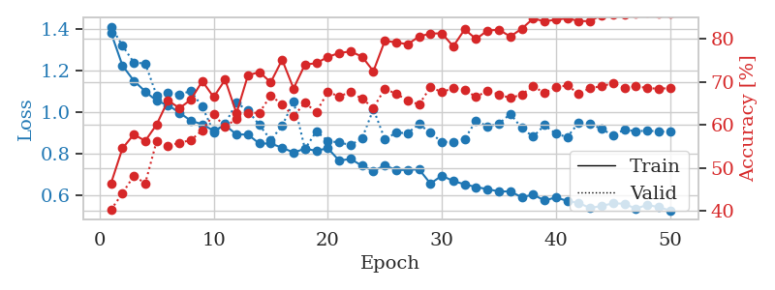
1.1536282566 | 1.224442776 | 0.5212191358 | 0.47398843931 | 1.0463006496 | 52.12191358 | 47.398843931
1.1022577341 | 1.1467518313 | 0.59297839506 | 0.53757225434 | 1.0295367241 | 59.297839506 | 53.757225434
1.0762711016 | 1.1080539438 | 0.59567901235 | 0.54913294798 | 0.99863171577 | 59.567901235 | 54.913294798
1.0315441088 | 1.0564522791 | 0.61111111111 | 0.56262042389 | 1.0146327019 | 61.111111111 | 56.262042389
1.0080430824 | 1.0003035597 | 0.62384259259 | 0.60115606936 | 1.048293829 | 62.384259259 | 60.115606936
0.97868064285 | 0.8566726306 | 0.64429012346 | 0.65317919075 | 1.0205309391 | 64.429012346 | 65.317919075
0.94159368232 | 0.94704214985 | 0.71412037037 | 0.61464354528 | 1.0165376663 | 71.412037037 | 61.464354528
0.94668414048 | 0.9141390721 | 0.70331790123 | 0.61271676301 | 1.0244753361 | 70.331790123 | 61.271676301
0.90689474786 | 0.926263955 | 0.67708333333 | 0.67630057803 | 1.0202929974 | 67.708333333 | 67.630057803
0.91208355442 | 1.0901271911 | 0.65470679012 | 0.56069364162 | 1.0370252132 | 65.470679012 | 56.069364162
0.89376118742 | 0.97002482185 | 0.6400462963 | 0.60500963391 | 1.0240368843 | 64.00462963 | 60.500963391
0.88150600647 | 0.95181646926 | 0.70949074074 | 0.61657032755 | 1.0286393166 | 70.949074074 | 61.657032755
0.86896950338 | 0.94844526179 | 0.66550925926 | 0.6493256262 | 1.0236423016 | 66.550925926 | 64.93256262
0.87253693022 | 1.1119717727 | 0.64351851852 | 0.57225433526 | 1.0409171581 | 64.351851852 | 57.225433526
0.83880860607 | 1.0987450072 | 0.68441358025 | 0.62620423892 | 1.0148706436 | 68.441358025 | 62.620423892
0.83654556929 | 0.91446614059 | 0.73341049383 | 0.65895953757 | 1.0433704853 | 73.341049383 | 65.895953757
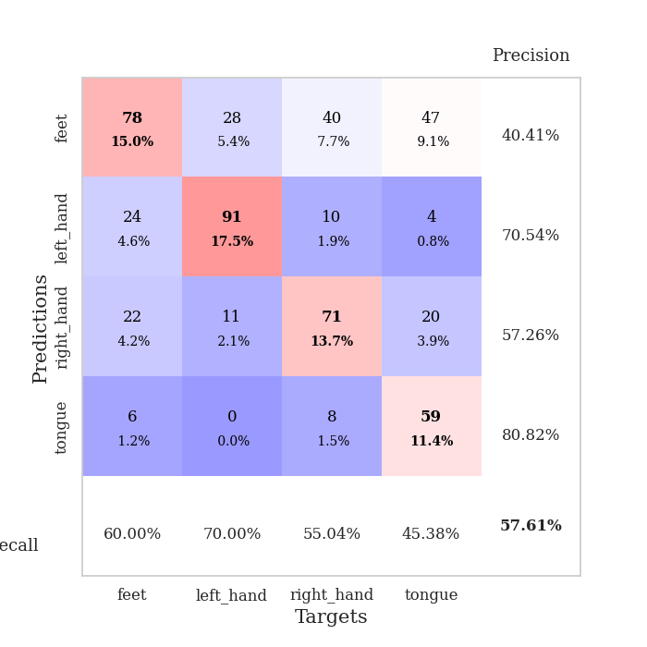
0.82881599922 | 0.85092000764 | 0.70601851852 | 0.69749518304 | 1.0290572643 | 70.601851852 | 69.749518304
0.80177629215 | 0.9269426712 | 0.75154320988 | 0.66859344894 | 1.0136070251 | 75.154320988 | 66.859344894
0.82789979949 | 0.88634061446 | 0.7287808642 | 0.68208092486 | 1.0269062519 | 72.87808642 | 68.208092486
0.78484732244 | 0.93640097878 | 0.73341049383 | 0.67630057803 | 1.0352516174 | 73.341049383 | 67.630057803
0.78656387826 | 0.91682841897 | 0.73148148148 | 0.64354527938 | 1.0207359791 | 73.148148148 | 64.354527938
0.77641287115 | 0.88613039427 | 0.7449845679 | 0.69749518304 | 1.0138232708 | 74.49845679 | 69.749518304
0.77508557671 | 0.85417919168 | 0.76273148148 | 0.69556840077 | 1.0442147255 | 76.273148148 | 69.556840077
0.75883629881 | 0.85686560943 | 0.75270061728 | 0.68015414258 | 1.0473105907 | 75.270061728 | 68.015414258
0.74170744566 | 0.8169125245 | 0.78819444444 | 0.70712909441 | 1.0166139603 | 78.819444444 | 70.712909441
0.72573589488 | 0.78639249374 | 0.79166666667 | 0.71676300578 | 1.0163855553 | 79.166666667 | 71.676300578
0.72478174096 | 0.76713918261 | 0.78317901235 | 0.72639691715 | 1.0416371822 | 78.317901235 | 72.639691715
0.67864930998 | 0.82876916864 | 0.78047839506 | 0.69556840077 | 1.0270376205 | 78.047839506 | 69.556840077
0.6937859831 | 0.81354670878 | 0.81674382716 | 0.70905587669 | 1.0322012901 | 81.674382716 | 70.905587669
0.68169473627 | 0.92816741664 | 0.78742283951 | 0.66473988439 | 1.0464234352 | 78.742283951 | 66.473988439
0.65353139941 | 0.84962795488 | 0.81520061728 | 0.71290944123 | 1.0257072449 | 81.520061728 | 71.290944123
0.6646428581 | 0.90444334555 | 0.80169753086 | 0.67822736031 | 1.0611634254 | 80.169753086 | 67.822736031
0.6448855596 | 0.81140163202 | 0.81520061728 | 0.73410404624 | 1.02952528 | 81.520061728 | 73.410404624
0.63549567014 | 0.86956052284 | 0.82330246914 | 0.69749518304 | 1.0201015472 | 82.330246914 | 69.749518304
0.63319836253 | 0.80653967747 | 0.82638888889 | 0.7225433526 | 1.0081436634 | 82.638888889 | 72.25433526
0.62459620585 | 0.79226800128 | 0.83989197531 | 0.73988439306 | 1.0252377987 | 83.989197531 | 73.988439306
0.61619060606 | 0.78503986705 | 0.80941358025 | 0.72447013487 | 0.99968695641 | 80.941358025 | 72.447013487
0.60459793975 | 0.78868168466 | 0.84413580247 | 0.73795761079 | 1.0368263721 | 84.413580247 | 73.795761079
0.5954424806 | 0.81117075877 | 0.84220679012 | 0.71676300578 | 1.0478682518 | 84.220679012 | 71.676300578
0.5920591152 | 0.81852406596 | 0.83950617284 | 0.71290944123 | 1.0148189068 | 83.950617284 | 71.290944123
0.55762010325 | 0.8173260907 | 0.84452160494 | 0.71868978805 | 1.0393428802 | 84.452160494 | 71.868978805
0.56857769237 | 0.8163263258 | 0.84683641975 | 0.71676300578 | 1.044978857 | 84.683641975 | 71.676300578
0.58601125918 | 0.80300706889 | 0.84683641975 | 0.72639691715 | 1.0429010391 | 84.683641975 | 72.639691715
0.57032029211 | 0.79603157039 | 0.85030864198 | 0.73217726397 | 1.0176012516 | 85.030864198 | 73.217726397
0.56761519252 | 0.80022473579 | 0.85185185185 | 0.72447013487 | 1.053437233 | 85.185185185 | 72.447013487
0.55347598335 | 0.79651650367 | 0.85146604938 | 0.72832369942 | 1.0248260498 | 85.146604938 | 72.832369942
0.54856676636 | 0.79959486927 | 0.85185185185 | 0.72639691715 | 1.044672966 | 85.185185185 | 72.639691715
0.56545015664 | 0.79881506136 | 0.85262345679 | 0.72639691715 | 1.016064167 | 85.262345679 | 72.639691715

Best Val accuracy is 0.7398843930635838 and Best test accuracy is 0.6835504100337675

Sheet4
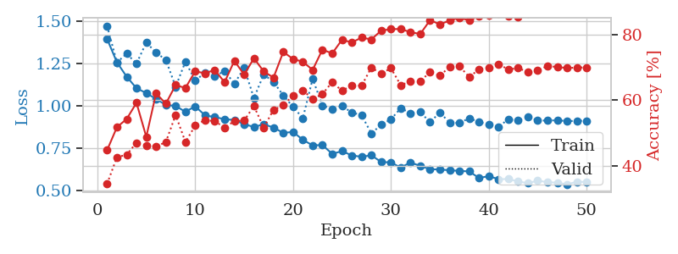
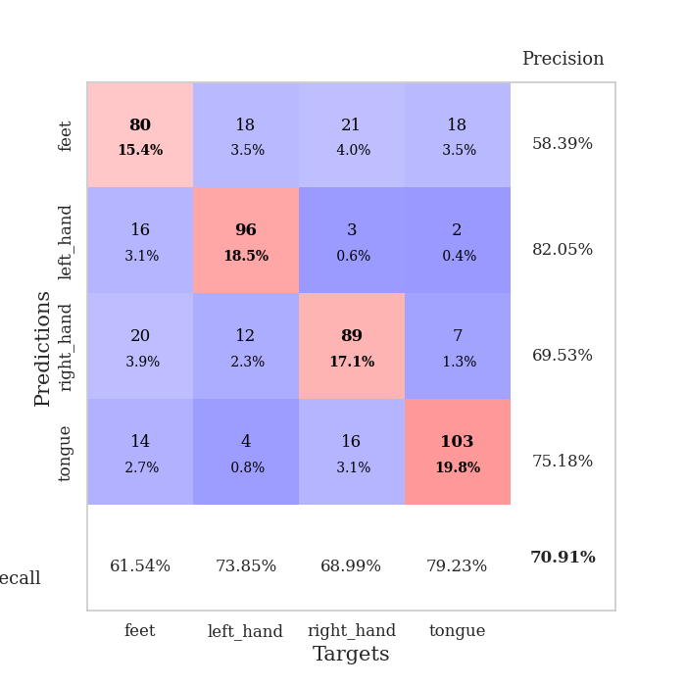
train_loss | valid_loss | train_accuracy | valid_accuracy | dur | train_misclass | valid_misclass
1.3929851114 | 1.4694283367 | 0.4475308642 | 0.34489402697 | 1.1715426445 | 44.75308642 | 34.489402697
1.2557408747 | 1.2555261749 | 0.51736111111 | 0.42581888247 | 1.1794259548 | 51.736111111 | 42.581888247
1.1709968083 | 1.3065083851 | 0.5424382716 | 0.43352601156 | 1.1483008862 | 54.24382716 | 43.352601156
1.1029170446 | 1.2480782344 | 0.59182098765 | 0.47013487476 | 1.1729528904 | 59.182098765 | 47.013487476
1.0749217561 | 1.3723153579 | 0.48804012346 | 0.46242774566 | 1.1490628719 | 48.804012346 | 46.242774566
1.0392883545 | 1.3130709824 | 0.62075617284 | 0.45857418112 | 1.1547727585 | 62.075617284 | 45.857418112
1.0047526006 | 1.269985962 | 0.58912037037 | 0.47206165703 | 1.1736814976 | 58.912037037 | 47.206165703
0.99866576677 | 1.1114785306 | 0.64583333333 | 0.5549132948 | 1.1908521652 | 64.583333333 | 55.49132948
0.96432056986 | 1.2600787014 | 0.63695987654 | 0.47206165703 | 1.2016913891 | 63.695987654 | 47.206165703
0.99685485256 | 1.1484555461 | 0.68788580247 | 0.52215799615 | 1.1798677444 | 68.788580247 | 52.215799615
0.94345943023 | 1.1938072854 | 0.68171296296 | 0.53949903661 | 1.1372692585 | 68.171296296 | 53.949903661
0.93315889971 | 1.1719908967 | 0.69212962963 | 0.53564547206 | 1.1869673729 | 69.212962963 | 53.564547206
0.92078477144 | 1.2061900337 | 0.65432098765 | 0.51637764933 | 1.1910948753 | 65.432098765 | 51.637764933
0.91619303307 | 1.129337566 | 0.71990740741 | 0.53564547206 | 1.2676370144 | 71.990740741 | 53.564547206
0.89114759292 | 1.2234940522 | 0.6774691358 | 0.53757225434 | 1.2952446938 | 67.74691358 | 53.757225434
0.87502889538 | 1.0447660873 | 0.72762345679 | 0.58188824663 | 1.3268165588 | 72.762345679 | 58.188824663
0.89019199157 | 1.1839976173 | 0.6875 | 0.51637764933 | 1.3215863705 | 68.75 | 51.637764933
0.87196574884 | 1.1403332618 | 0.66859567901 | 0.57032755299 | 1.3163442612 | 66.859567901 | 57.032755299
0.83951683821 | 1.0607888219 | 0.74691358025 | 0.5838150289 | 1.3323686123 | 74.691358025 | 58.38150289
0.84617201616 | 0.99301558653 | 0.72530864198 | 0.61464354528 | 1.299803257 | 72.530864198 | 61.464354528
0.7989895857 | 0.92683365373 | 0.71682098765 | 0.63005780347 | 1.3039126396 | 71.682098765 | 63.005780347
0.76656968321 | 1.1581792712 | 0.69212962963 | 0.60308285164 | 1.2988059521 | 69.212962963 | 60.308285164
0.76839617189 | 1.0017989026 | 0.75385802469 | 0.61849710983 | 1.2844679356 | 75.385802469 | 61.849710983
0.71652903748 | 0.98076480868 | 0.74228395062 | 0.65510597303 | 1.3202879429 | 74.228395062 | 65.510597303
0.73258873176 | 0.9974412693 | 0.78395061728 | 0.62813102119 | 1.3170795441 | 78.395061728 | 62.813102119
0.70754353674 | 0.96036232643 | 0.77584876543 | 0.64547206166 | 1.3402738571 | 77.584876543 | 64.547206166
0.69914925052 | 0.94443448844 | 0.79050925926 | 0.64354527938 | 1.3141956329 | 79.050925926 | 64.354527938
0.70804365743 | 0.83700850818 | 0.78510802469 | 0.69942196532 | 1.3483474255 | 78.510802469 | 69.942196532
0.66892094073 | 0.88726929915 | 0.81172839506 | 0.68015414258 | 1.3374323845 | 81.172839506 | 68.015414258
0.66592770254 | 0.91990148079 | 0.81635802469 | 0.69749518304 | 1.3671708107 | 81.635802469 | 69.749518304
0.63605903126 | 0.98555121854 | 0.81674382716 | 0.64547206166 | 1.3373911381 | 81.674382716 | 64.547206166
0.66583377978 | 0.95643267949 | 0.80709876543 | 0.6570327553 | 1.3238623142 | 80.709876543 | 65.70327553
0.64512390653 | 0.96330985949 | 0.80169753086 | 0.6570327553 | 1.3269689083 | 80.169753086 | 65.70327553
0.62663491144 | 0.90214247511 | 0.84375 | 0.6859344894 | 1.3202674389 | 84.375 | 68.59344894
0.62425809896 | 0.96125649051 | 0.83101851852 | 0.67437379576 | 1.3275313377 | 83.101851852 | 67.437379576
0.62013053259 | 0.89923589997 | 0.84259259259 | 0.70134874759 | 1.3174338341 | 84.259259259 | 70.134874759
0.61619428812 | 0.8983292242 | 0.85146604938 | 0.70327552987 | 1.3140027523 | 85.146604938 | 70.327552987
0.61319405319 | 0.92648921353 | 0.84259259259 | 0.67052023121 | 1.3348088264 | 84.259259259 | 67.052023121
0.57437211045 | 0.90436042251 | 0.85648148148 | 0.6936416185 | 1.3399980068 | 85.648148148 | 69.36416185
0.58526359581 | 0.88905302201 | 0.85763888889 | 0.69942196532 | 1.3375408649 | 85.763888889 | 69.942196532
0.5671907162 | 0.87581969548 | 0.86342592593 | 0.70905587669 | 1.273509264 | 86.342592593 | 70.905587669
0.56849554025 | 0.92118602773 | 0.85725308642 | 0.6936416185 | 1.3236379623 | 85.725308642 | 69.36416185
0.55402230793 | 0.91348048809 | 0.85455246914 | 0.69749518304 | 1.2970249653 | 85.455246914 | 69.749518304
0.54382300119 | 0.93292260354 | 0.86342592593 | 0.6859344894 | 1.3127784729 | 86.342592593 | 68.59344894
0.55909026653 | 0.91365175486 | 0.86689814815 | 0.69171483622 | 1.2952930927 | 86.689814815 | 69.171483622
0.54939533531 | 0.91228720632 | 0.87075617284 | 0.70327552987 | 1.3180713654 | 87.075617284 | 70.327552987
0.54729379198 | 0.91473696411 | 0.87114197531 | 0.70134874759 | 1.2817623615 | 87.114197531 | 70.134874759
0.53615416881 | 0.90925063379 | 0.87037037037 | 0.69749518304 | 1.2806735039 | 87.037037037 | 69.749518304
0.55279291725 | 0.9110441998 | 0.87037037037 | 0.69942196532 | 1.3008241653 | 87.037037037 | 69.942196532
0.55079964502 | 0.91198843063 | 0.87152777778 | 0.69942196532 | 1.2650675774 | 87.152777778 | 69.942196532

Best Val accuracy is 0.7090558766859345 and Best test accuracy is 0.7110467920887602

Sheet5
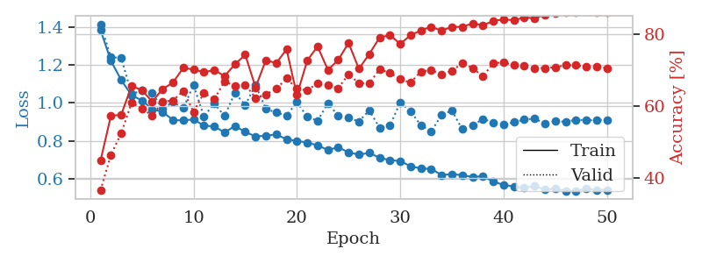
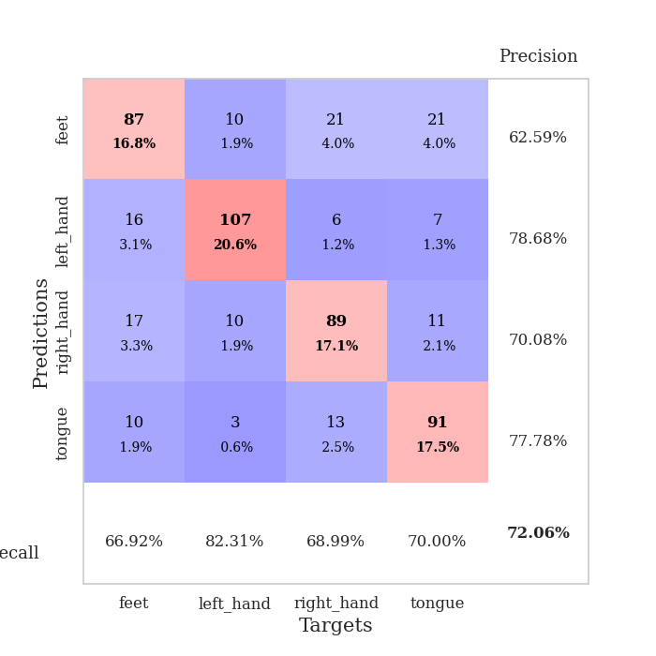
train_loss | valid_loss | train_accuracy | valid_accuracy | dur | train_misclass | valid_misclass
1.3856749983 | 1.417457669 | 0.4486882716 | 0.36608863198 | 1.3022449017 | 44.86882716 | 36.608863198
1.2230794787 | 1.2413147973 | 0.5725308642 | 0.46435452794 | 1.317990303 | 57.25308642 | 46.435452794
1.1212517553 | 1.2393073165 | 0.57561728395 | 0.52408477842 | 1.2962031364 | 57.561728395 | 52.408477842
1.0408804928 | 1.0466837561 | 0.65547839506 | 0.60886319846 | 1.3454749584 | 65.547839506 | 60.886319846
1.0135430591 | 1.0657889255 | 0.64390432099 | 0.59344894027 | 1.2879431248 | 64.390432099 | 59.344894027
0.9670004313 | 1.0545159872 | 0.61188271605 | 0.57225433526 | 1.2955839634 | 61.188271605 | 57.225433526
0.95274306429 | 0.96751306558 | 0.64699074074 | 0.61271676301 | 1.2762594223 | 64.699074074 | 61.271676301
0.91001169034 | 1.0045294587 | 0.66435185185 | 0.61464354528 | 1.3110685349 | 66.435185185 | 61.464354528
0.90724557601 | 0.97232950446 | 0.70563271605 | 0.64161849711 | 1.3008737564 | 70.563271605 | 64.161849711
0.91312190302 | 1.0940245376 | 0.70100308642 | 0.5838150289 | 1.3155391216 | 70.100308642 | 58.38150289
0.87969237584 | 0.92817422076 | 0.69367283951 | 0.63583815029 | 1.2812914848 | 69.367283951 | 63.583815029
0.8760743029 | 0.99680203464 | 0.69945987654 | 0.61849710983 | 1.2910060883 | 69.945987654 | 61.849710983
0.84381767942 | 0.93049845438 | 0.68287037037 | 0.66859344894 | 1.3372764587 | 68.287037037 | 66.859344894
0.87803708698 | 1.0533031995 | 0.71527777778 | 0.65510597303 | 1.2722070217 | 71.527777778 | 65.510597303
0.8467683724 | 0.98913377076 | 0.74189814815 | 0.65895953757 | 1.302873373 | 74.189814815 | 65.895953757
0.8225419961 | 1.0941760852 | 0.65162037037 | 0.62235067437 | 1.291428566 | 65.162037037 | 62.235067437
0.8268181448 | 0.96773583719 | 0.72723765432 | 0.63198458574 | 1.3078260422 | 72.723765432 | 63.198458574
0.83320769999 | 0.94953679441 | 0.71875 | 0.64739884393 | 1.311340332 | 71.875 | 64.739884393
0.80760401064 | 0.93288958854 | 0.75694444444 | 0.67630057803 | 1.3044641018 | 75.694444444 | 67.630057803
0.79932229331 | 1.0048713898 | 0.6300154321 | 0.64739884393 | 1.324586153 | 63.00154321 | 64.739884393
0.79001424986 | 0.92654174762 | 0.72569444444 | 0.64354527938 | 1.3360042572 | 72.569444444 | 64.354527938
0.77545322073 | 0.90544891771 | 0.7650462963 | 0.66281310212 | 1.3096954823 | 76.50462963 | 66.281310212
0.75091654853 | 0.99910525619 | 0.69984567901 | 0.6570327553 | 1.2779884338 | 69.984567901 | 65.70327553
0.76566185793 | 0.93154006427 | 0.72762345679 | 0.6493256262 | 1.36039114 | 72.762345679 | 64.93256262
0.73801929623 | 0.9219323376 | 0.77469135802 | 0.68786127168 | 1.3327455521 | 77.469135802 | 68.786127168
0.72631911198 | 0.90212365474 | 0.70293209877 | 0.66281310212 | 1.2736957073 | 70.293209877 | 66.281310212
0.73560410793 | 0.96064145028 | 0.74382716049 | 0.66281310212 | 1.3170213699 | 74.382716049 | 66.281310212
0.70933342973 | 0.86870669767 | 0.78935185185 | 0.70134874759 | 1.3221178055 | 78.935185185 | 70.134874759
0.6975709807 | 0.87978863946 | 0.79668209877 | 0.69171483622 | 1.315196991 | 79.668209877 | 69.171483622
0.69204720579 | 1.0034434809 | 0.77199074074 | 0.67437379576 | 1.308293581 | 77.199074074 | 67.437379576
0.66490644943 | 0.95500359668 | 0.7962962963 | 0.66473988439 | 1.337199688 | 79.62962963 | 66.473988439
0.65318271297 | 0.88129958482 | 0.80941358025 | 0.69556840077 | 1.3094651699 | 80.941358025 | 69.556840077
0.65093347035 | 0.84974832916 | 0.81944444444 | 0.69942196532 | 1.3434083462 | 81.944444444 | 69.942196532
0.6182795339 | 0.9365826186 | 0.80864197531 | 0.68786127168 | 1.2830836773 | 80.864197531 | 68.786127168
0.62302135612 | 0.96015824748 | 0.81944444444 | 0.69749518304 | 1.3055384159 | 81.944444444 | 69.749518304
0.61777101816 | 0.86055009213 | 0.81905864198 | 0.71868978805 | 1.2734277248 | 81.905864198 | 71.868978805
0.60835614699 | 0.87998079519 | 0.82908950617 | 0.70520231214 | 1.2981245518 | 82.908950617 | 70.520231214
0.61207835404 | 0.91547399955 | 0.8236882716 | 0.68208092486 | 1.2901670933 | 82.36882716 | 68.208092486
0.58382207413 | 0.89685585825 | 0.83564814815 | 0.71868978805 | 1.2761301994 | 83.564814815 | 71.868978805
0.56600416047 | 0.88676098339 | 0.83989197531 | 0.72061657033 | 1.3213653564 | 83.989197531 | 72.061657033
0.55781594259 | 0.89781955166 | 0.83757716049 | 0.71290944123 | 1.2957041264 | 83.757716049 | 71.290944123
0.54971399259 | 0.91196126837 | 0.84529320988 | 0.71098265896 | 1.2990543842 | 84.529320988 | 71.098265896
0.56066987185 | 0.91720350905 | 0.84297839506 | 0.70520231214 | 1.2747738361 | 84.297839506 | 70.520231214
0.54138269745 | 0.89113304932 | 0.85339506173 | 0.70520231214 | 1.2762348652 | 85.339506173 | 70.520231214
0.54558571125 | 0.9042253508 | 0.85648148148 | 0.70712909441 | 1.3667867184 | 85.648148148 | 70.712909441
0.5343528917 | 0.9002292905 | 0.8599537037 | 0.71290944123 | 1.3493335247 | 85.99537037 | 71.290944123
0.53447988832 | 0.91034574591 | 0.8587962963 | 0.71290944123 | 1.334369421 | 85.87962963 | 71.290944123
0.54548842957 | 0.90918005087 | 0.86111111111 | 0.70905587669 | 1.3097724915 | 86.111111111 | 70.905587669
0.53905938888 | 0.90728009184 | 0.86033950617 | 0.70905587669 | 1.3340220451 | 86.033950617 | 70.905587669
0.540028787 | 0.90951041817 | 0.85956790123 | 0.70520231214 | 1.2647461891 | 85.956790123 | 70.520231214

Best Val accuracy is 0.720616570327553 and Best test accuracy is 0.7009165460684997

Sheet6
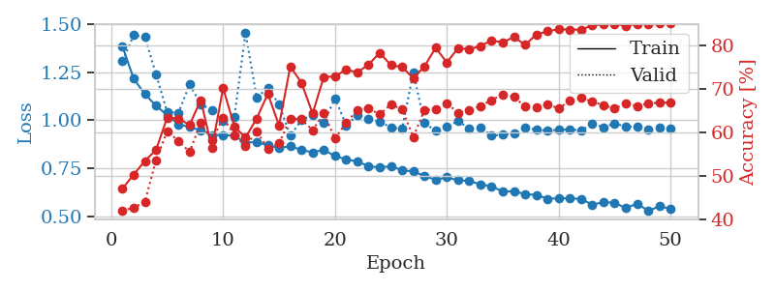
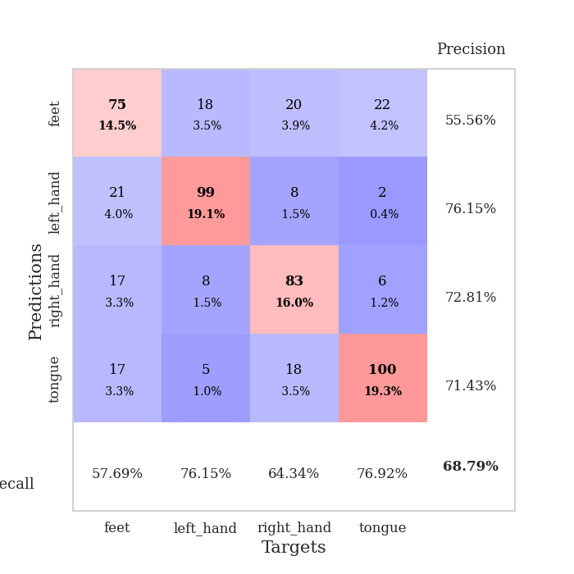
train_loss | valid_loss | train_accuracy | valid_accuracy | dur | train_misclass | valid_misclass
1.3850340678 | 1.3078441432 | 0.47029320988 | 0.42003853565 | 1.2934281826 | 47.029320988 | 42.003853565
1.2160473381 | 1.4426769778 | 0.50231481481 | 0.42581888247 | 1.2863826752 | 50.231481481 | 42.581888247
1.1356930023 | 1.4342179393 | 0.53395061728 | 0.43930635838 | 1.324709177 | 53.395061728 | 43.930635838
1.0750802457 | 1.2393502642 | 0.55941358025 | 0.53564547206 | 1.3155426979 | 55.941358025 | 53.564547206
1.0263192862 | 1.0419657157 | 0.63425925926 | 0.60308285164 | 1.2758338451 | 63.425925926 | 60.308285164
0.97887587529 | 1.0382440083 | 0.63194444444 | 0.57996146435 | 1.3250424862 | 63.194444444 | 57.996146435
0.96420259829 | 1.1855891778 | 0.61728395062 | 0.5549132948 | 1.3198006153 | 61.728395062 | 55.49132948
0.94739014499 | 1.0840497058 | 0.67438271605 | 0.62235067437 | 1.2648158073 | 67.438271605 | 62.235067437
0.92259233013 | 1.0515593805 | 0.56404320988 | 0.58188824663 | 1.2938728333 | 56.404320988 | 58.188824663
0.92290987718 | 0.99542892025 | 0.70216049383 | 0.63391136802 | 1.2717604637 | 70.216049383 | 63.391136802
0.91889671613 | 1.0155073232 | 0.6138117284 | 0.59344894027 | 1.2555110455 | 61.38117284 | 59.344894027
0.88322826263 | 1.4544777257 | 0.58796296296 | 0.56840077071 | 1.2976191044 | 58.796296296 | 56.840077071
0.88637945001 | 1.1180441662 | 0.63194444444 | 0.60115606936 | 1.350099802 | 63.194444444 | 60.115606936
0.86925651004 | 1.1681186923 | 0.68904320988 | 0.56262042389 | 1.2621824741 | 68.904320988 | 56.262042389
0.85531197396 | 1.0817315319 | 0.61574074074 | 0.57418111753 | 1.2412965298 | 61.574074074 | 57.418111753
0.86419580196 | 0.9191895535 | 0.75192901235 | 0.63198458574 | 1.2521848679 | 75.192901235 | 63.198458574
0.84519300545 | 1.0006527448 | 0.71450617284 | 0.63005780347 | 1.2133359909 | 71.450617284 | 63.005780347
0.83237244373 | 1.0282746576 | 0.64351851852 | 0.60500963391 | 1.2974610329 | 64.351851852 | 60.500963391
0.8459360973 | 0.9865143662 | 0.72800925926 | 0.64354527938 | 1.2956409454 | 72.800925926 | 64.354527938
0.81294845854 | 1.1145141763 | 0.7287808642 | 0.58574181118 | 1.3401944637 | 72.87808642 | 58.574181118
0.79625518307 | 0.97333929373 | 0.7449845679 | 0.62235067437 | 1.313434124 | 74.49845679 | 62.235067437
0.78452370178 | 1.0265103059 | 0.73804012346 | 0.65125240848 | 1.3142278194 | 73.804012346 | 65.125240848
0.7612258676 | 1.00573759 | 0.75655864198 | 0.65510597303 | 1.3032224178 | 75.655864198 | 65.510597303
0.75371347717 | 0.99286998053 | 0.78356481481 | 0.64161849711 | 1.335703373 | 78.356481481 | 64.161849711
0.76076773398 | 0.96164047741 | 0.7550154321 | 0.66473988439 | 1.3055536747 | 75.50154321 | 66.473988439
0.73902523628 | 0.95461508787 | 0.75077160494 | 0.65317919075 | 1.3304026127 | 75.077160494 | 65.317919075
0.73346319703 | 1.2489296462 | 0.72492283951 | 0.58959537572 | 1.3181540966 | 72.492283951 | 58.959537572
0.70974027485 | 0.98469240174 | 0.75231481481 | 0.65125240848 | 1.323725462 | 75.231481481 | 65.125240848
0.68975681011 | 0.94417080346 | 0.79513888889 | 0.65317919075 | 1.2585399151 | 79.513888889 | 65.317919075
0.70231920849 | 0.96520836023 | 0.7611882716 | 0.66666666667 | 1.3289022446 | 76.11882716 | 66.666666667
0.68713618649 | 0.9958769903 | 0.79436728395 | 0.64547206166 | 1.292324543 | 79.436728395 | 64.547206166
0.68373970227 | 0.956593471 | 0.79166666667 | 0.65125240848 | 1.3307447433 | 79.166666667 | 65.125240848
0.66565570143 | 0.96216634358 | 0.79938271605 | 0.66088631985 | 1.2988328934 | 79.938271605 | 66.088631985
0.65633224264 | 0.9193931083 | 0.81211419753 | 0.67437379576 | 1.3022065163 | 81.211419753 | 67.437379576
0.62789848143 | 0.92463936535 | 0.8074845679 | 0.68786127168 | 1.3446860313 | 80.74845679 | 68.786127168
0.63040707279 | 0.93105727583 | 0.82021604938 | 0.68208092486 | 1.3622605801 | 82.021604938 | 68.208092486
0.61458160783 | 0.96031842801 | 0.80169753086 | 0.65895953757 | 1.3226029873 | 80.169753086 | 65.895953757
0.61119815293 | 0.95067856307 | 0.82600308642 | 0.6570327553 | 1.3160505295 | 82.600308642 | 65.70327553
0.59134905813 | 0.94627884036 | 0.83294753086 | 0.66473988439 | 1.3086504936 | 83.294753086 | 66.473988439
0.59316827881 | 0.94972664428 | 0.83796296296 | 0.65510597303 | 1.3276000023 | 83.796296296 | 65.510597303
0.59317489134 | 0.95232898858 | 0.83719135802 | 0.67244701349 | 1.336933136 | 83.719135802 | 67.244701349
0.58988548962 | 0.94615278906 | 0.83680555556 | 0.68015414258 | 1.3038094044 | 83.680555556 | 68.015414258
0.56005285653 | 0.98208787607 | 0.84683641975 | 0.67052023121 | 1.3366587162 | 84.683641975 | 67.052023121
0.57339157357 | 0.96379838697 | 0.84915123457 | 0.66281310212 | 1.3285210133 | 84.915123457 | 66.281310212
0.57019274691 | 0.98246261977 | 0.85069444444 | 0.65510597303 | 1.3210499287 | 85.069444444 | 65.510597303
0.54208436093 | 0.96700835687 | 0.84529320988 | 0.66666666667 | 1.2677292824 | 84.529320988 | 66.666666667
0.56578097548 | 0.96546785588 | 0.85030864198 | 0.66088631985 | 1.3141856194 | 85.030864198 | 66.088631985
0.52832002156 | 0.95302535114 | 0.84953703704 | 0.66666666667 | 1.2896151543 | 84.953703704 | 66.666666667
0.55150435552 | 0.95989771294 | 0.85108024691 | 0.66859344894 | 1.266153574 | 85.108024691 | 66.859344894
0.53839602073 | 0.95756935798 | 0.85108024691 | 0.66859344894 | 1.2101070881 | 85.108024691 | 66.859344894

Best Val accuracy is 0.6878612716763006 and Best test accuracy is 0.668113844669561

Sheet7
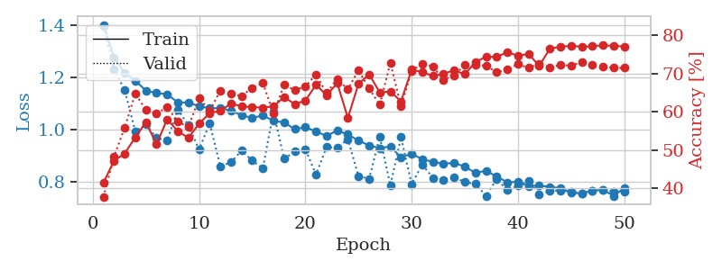
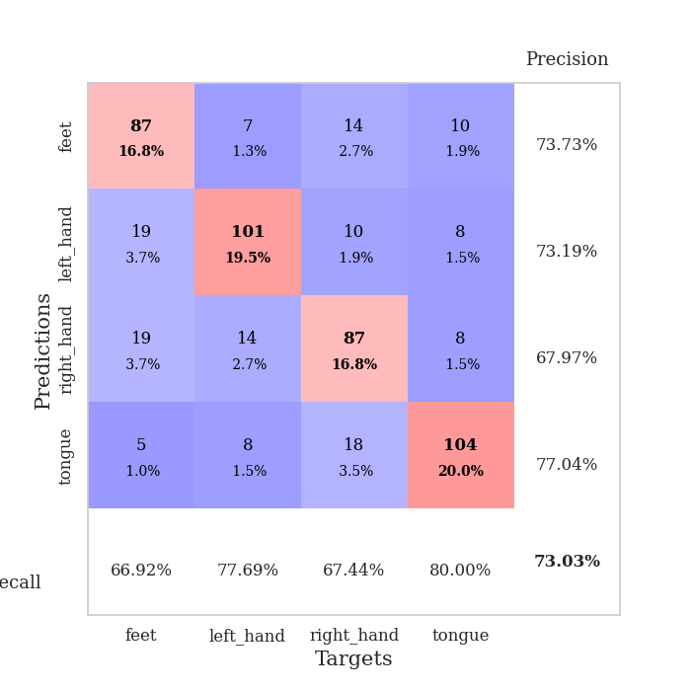
train_loss | valid_loss | train_accuracy | valid_accuracy | dur | train_misclass | valid_misclass
1.3803737083 | 1.4529577772 | 0.41242283951 | 0.37186897881 | 1.3559672832 | 41.242283951 | 37.186897881
1.2048968426 | 1.0855361332 | 0.56520061728 | 0.55105973025 | 1.3364183903 | 56.520061728 | 55.105973025
1.0948061023 | 1.0854068216 | 0.61419753086 | 0.58574181118 | 1.2946469784 | 61.419753086 | 58.574181118
1.041563264 | 1.0357130819 | 0.68981481481 | 0.60308285164 | 1.3022818565 | 68.981481481 | 60.308285164
1.0129906927 | 1.1050036872 | 0.60455246914 | 0.5838150289 | 1.310510397 | 60.455246914 | 58.38150289
0.98737910923 | 1.0618626042 | 0.59220679012 | 0.58766859345 | 1.3390796185 | 59.220679012 | 58.766859345
0.93767625572 | 1.1881054663 | 0.65046296296 | 0.60308285164 | 1.2795672417 | 65.046296296 | 60.308285164
0.94039690071 | 1.082578419 | 0.64853395062 | 0.57803468208 | 1.3015351295 | 64.853395062 | 57.803468208
0.94359599587 | 1.0127804821 | 0.69097222222 | 0.62235067437 | 1.3047297001 | 69.097222222 | 62.235067437
0.94252585003 | 0.95483761693 | 0.72530864198 | 0.64354527938 | 1.3007233143 | 72.530864198 | 64.354527938
0.9128736734 | 1.0567393852 | 0.71257716049 | 0.59537572254 | 1.2760896683 | 71.257716049 | 59.537572254
0.9076000303 | 0.97557821187 | 0.67901234568 | 0.61657032755 | 1.3112802505 | 67.901234568 | 61.657032755
0.88283444076 | 0.87409933569 | 0.71141975309 | 0.66281310212 | 1.5166618824 | 71.141975309 | 66.281310212
0.88337381258 | 1.0078715959 | 0.70331790123 | 0.63391136802 | 1.3041441441 | 70.331790123 | 63.391136802
0.8833874407 | 0.87375655661 | 0.70679012346 | 0.67630057803 | 1.3613183498 | 70.679012346 | 67.630057803
0.84588439855 | 0.97510369504 | 0.66435185185 | 0.63969171484 | 1.3274505138 | 66.435185185 | 63.969171484
0.8075893284 | 0.99018036998 | 0.71643518519 | 0.65125240848 | 1.3078763485 | 71.643518519 | 65.125240848
0.81513541238 | 0.89408512612 | 0.68557098765 | 0.65895953757 | 1.3378846645 | 68.557098765 | 65.895953757
0.78583386007 | 1.0481834997 | 0.66087962963 | 0.63391136802 | 1.3056161404 | 66.087962963 | 63.391136802
0.77182975448 | 0.93269428697 | 0.74691358025 | 0.66473988439 | 1.3298699856 | 74.691358025 | 66.473988439
0.78536263899 | 0.8547353462 | 0.76350308642 | 0.68978805395 | 1.3772671223 | 76.350308642 | 68.978805395
0.74765706219 | 1.0485234855 | 0.7399691358 | 0.65125240848 | 1.3024029732 | 73.99691358 | 65.125240848
0.73208046419 | 0.92157922269 | 0.78510802469 | 0.66088631985 | 1.3400640488 | 78.510802469 | 66.088631985
0.73944013023 | 1.0238946182 | 0.75077160494 | 0.64161849711 | 1.3062531948 | 75.077160494 | 64.161849711
0.72546681339 | 0.94602020306 | 0.76658950617 | 0.69171483622 | 1.3473937511 | 76.658950617 | 69.171483622
0.71862084704 | 0.88527840479 | 0.77507716049 | 0.70327552987 | 1.3375051022 | 77.507716049 | 70.327552987
0.68702713244 | 0.92383112062 | 0.81404320988 | 0.68015414258 | 1.3604047298 | 81.404320988 | 68.015414258
0.69639993744 | 0.92851047525 | 0.7862654321 | 0.66859344894 | 1.3368828297 | 78.62654321 | 66.859344894
0.67078910032 | 0.93509281302 | 0.79398148148 | 0.68208092486 | 1.2956254482 | 79.398148148 | 68.208092486
0.65975434554 | 0.94242015004 | 0.80979938272 | 0.67052023121 | 1.3179943562 | 80.979938272 | 67.052023121
0.65133011028 | 0.91470593501 | 0.80632716049 | 0.69556840077 | 1.3034973145 | 80.632716049 | 69.556840077
0.63793620338 | 0.87446547244 | 0.81983024691 | 0.72447013487 | 1.2899725437 | 81.983024691 | 72.447013487
0.63409334495 | 1.0001964218 | 0.80632716049 | 0.6570327553 | 1.2995767593 | 80.632716049 | 65.70327553
0.63214850223 | 0.89382549977 | 0.83641975309 | 0.71868978805 | 1.3151094913 | 83.641975309 | 71.868978805
0.6060486985 | 0.91095030492 | 0.8387345679 | 0.70520231214 | 1.3391828537 | 83.87345679 | 70.520231214
0.6022751198 | 0.93363315935 | 0.8225308642 | 0.71483622351 | 1.3344497681 | 82.25308642 | 71.483622351
0.61016029699 | 0.90426230706 | 0.82600308642 | 0.70905587669 | 1.3079135418 | 82.600308642 | 70.905587669
0.58269821144 | 0.91519822321 | 0.83410493827 | 0.71098265896 | 1.3144118786 | 83.410493827 | 71.098265896
0.5647349238 | 0.89979933268 | 0.8549382716 | 0.71868978805 | 1.3330988884 | 85.49382716 | 71.868978805
0.57222882778 | 0.89253726607 | 0.83564814815 | 0.71868978805 | 1.3207097054 | 83.564814815 | 71.868978805
0.55698126435 | 0.90017258983 | 0.84722222222 | 0.71868978805 | 1.2753696442 | 84.722222222 | 71.868978805
0.54853253885 | 0.89996479816 | 0.85918209877 | 0.71868978805 | 1.2619867325 | 85.918209877 | 71.868978805
0.53750521671 | 0.92106903518 | 0.86304012346 | 0.70520231214 | 1.2889428139 | 86.304012346 | 70.520231214
0.54572405956 | 0.94020290136 | 0.86072530864 | 0.71098265896 | 1.2964818478 | 86.072530864 | 71.098265896
0.52701036862 | 0.91766054506 | 0.85686728395 | 0.70712909441 | 1.33639884 | 85.686728395 | 70.712909441
0.51629250451 | 0.92256196363 | 0.86188271605 | 0.71483622351 | 1.2978284359 | 86.188271605 | 71.483622351
0.52740380619 | 0.91527070384 | 0.86265432099 | 0.71098265896 | 1.3343653679 | 86.265432099 | 71.098265896
0.52392065148 | 0.92203587443 | 0.8599537037 | 0.72447013487 | 1.3485794067 | 85.99537037 | 72.447013487
0.52705332306 | 0.91665238199 | 0.8599537037 | 0.71868978805 | 1.3195798397 | 85.99537037 | 71.868978805
0.53838715307 | 0.91566406142 | 0.86111111111 | 0.71676300578 | 1.2821302414 | 86.111111111 | 71.676300578

Best Val accuracy is 0.7244701348747592 and Best test accuracy is 0.6796912686927159

Sheet8
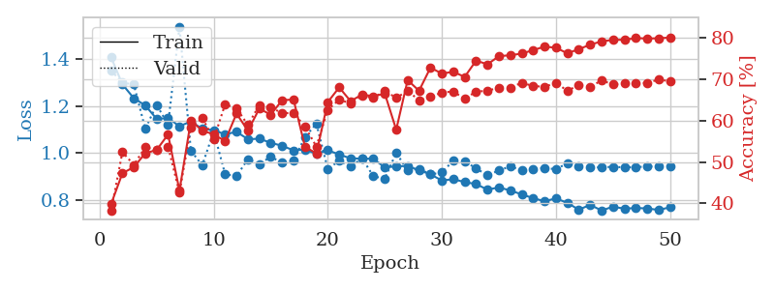

train_loss | valid_loss | train_accuracy | valid_accuracy | dur | train_misclass | valid_misclass
1.3631554908 | 1.6183032137 | 0.44637345679 | 0.35452793834 | 1.4862217903 | 44.637345679 | 35.452793834
1.2035640662 | 1.2073325334 | 0.56211419753 | 0.45472061657 | 1.3197748661 | 56.211419753 | 45.472061657
1.1329032816 | 1.1852305606 | 0.59953703704 | 0.47976878613 | 1.2887656689 | 59.953703704 | 47.976878613
1.0842543988 | 1.2972390677 | 0.55401234568 | 0.4894026975 | 1.3277332783 | 55.401234568 | 48.94026975
1.0828887592 | 1.2162327061 | 0.6037808642 | 0.49903660886 | 1.3431761265 | 60.37808642 | 49.903660886
1.0353143379 | 1.155456603 | 0.62345679012 | 0.49903660886 | 1.3247826099 | 62.345679012 | 49.903660886
1.0021177405 | 1.1113406191 | 0.66203703704 | 0.5549132948 | 1.2829408646 | 66.203703704 | 55.49132948
1.0242190482 | 1.0969070481 | 0.65277777778 | 0.53564547206 | 1.3055796623 | 65.277777778 | 53.564547206
1.0123175324 | 1.0735739672 | 0.67476851852 | 0.53949903661 | 1.3253998756 | 67.476851852 | 53.949903661
0.98969166588 | 1.0404768835 | 0.67708333333 | 0.57996146435 | 1.3124372959 | 67.708333333 | 57.996146435
0.96713869366 | 1.1570316158 | 0.61766975309 | 0.52408477842 | 1.2804296017 | 61.766975309 | 52.408477842
0.95519023876 | 1.1660503576 | 0.63541666667 | 0.52986512524 | 1.2275664806 | 63.541666667 | 52.986512524
0.94666973032 | 1.0691303095 | 0.65547839506 | 0.52986512524 | 1.4972753525 | 65.547839506 | 52.986512524
0.93189518926 | 1.1638587132 | 0.63464506173 | 0.51252408478 | 1.2536845207 | 63.464506173 | 51.252408478
0.91791373454 | 1.0505051847 | 0.67052469136 | 0.57418111753 | 1.243070364 | 67.052469136 | 57.418111753
0.88869230394 | 1.0079374885 | 0.67939814815 | 0.59537572254 | 1.2659912109 | 67.939814815 | 59.537572254
0.90277222847 | 1.0132369869 | 0.72299382716 | 0.58574181118 | 1.2919962406 | 72.299382716 | 58.574181118
0.87892738445 | 1.0046481847 | 0.7337962963 | 0.58766859345 | 1.2777805328 | 73.37962963 | 58.766859345
0.84230368373 | 1.22325987 | 0.67052469136 | 0.55298651252 | 1.2723863125 | 67.052469136 | 55.298651252
0.84855484079 | 1.1493948673 | 0.69714506173 | 0.55876685934 | 1.2954871655 | 69.714506173 | 55.876685934
0.84271748382 | 0.90639113484 | 0.7287808642 | 0.6570327553 | 1.3145411015 | 72.87808642 | 65.70327553
0.82520548705 | 0.91365248551 | 0.67901234568 | 0.64354527938 | 1.3172616959 | 67.901234568 | 64.354527938
0.81536153897 | 0.95590558573 | 0.72415123457 | 0.62813102119 | 1.3693540096 | 72.415123457 | 62.813102119
0.78162484754 | 0.89675681003 | 0.7600308642 | 0.66473988439 | 1.3515441418 | 76.00308642 | 66.473988439
0.80308501036 | 0.9796551551 | 0.74652777778 | 0.63005780347 | 1.3067548275 | 74.652777778 | 63.005780347
0.76677352668 | 0.9299988301 | 0.7399691358 | 0.64739884393 | 1.3257520199 | 73.99691358 | 64.739884393
0.7482240419 | 1.0666654558 | 0.74189814815 | 0.59537572254 | 1.3170742989 | 74.189814815 | 59.537572254
0.74973303907 | 0.9438258104 | 0.73842592593 | 0.65895953757 | 1.3047509193 | 73.842592593 | 65.895953757
0.69218630583 | 1.0503631465 | 0.75308641975 | 0.62620423892 | 1.2821521759 | 75.308641975 | 62.620423892
0.73368500412 | 0.85731370578 | 0.76658950617 | 0.68400770713 | 1.2690525055 | 76.658950617 | 68.400770713
0.69300587696 | 0.87753085709 | 0.7924382716 | 0.68786127168 | 1.2842764854 | 79.24382716 | 68.786127168
0.67274129014 | 0.91537830848 | 0.78472222222 | 0.67630057803 | 1.2967288494 | 78.472222222 | 67.630057803
0.6751184206 | 0.91182949777 | 0.82175925926 | 0.66859344894 | 1.3055377007 | 82.175925926 | 66.859344894
0.65981991019 | 0.90884698655 | 0.81712962963 | 0.66859344894 | 1.2999417782 | 81.712962963 | 66.859344894
0.65787484837 | 0.85546185401 | 0.7862654321 | 0.70327552987 | 1.2954895496 | 78.62654321 | 70.327552987
0.65195113531 | 0.89939321098 | 0.83101851852 | 0.67052023121 | 1.2903156281 | 83.101851852 | 67.052023121
0.63548685316 | 0.92160170386 | 0.82291666667 | 0.67244701349 | 1.2823369503 | 82.291666667 | 67.244701349
0.6105511768 | 0.88753122746 | 0.83989197531 | 0.66859344894 | 1.2873232365 | 83.989197531 | 66.859344894
0.59803327578 | 0.91995826254 | 0.81481481481 | 0.66088631985 | 1.3142392635 | 81.481481481 | 66.088631985
0.61269772467 | 0.89236057287 | 0.8225308642 | 0.68786127168 | 1.3047521114 | 82.25308642 | 68.786127168
0.60267675502 | 0.87857094803 | 0.84297839506 | 0.69749518304 | 1.2822473049 | 84.297839506 | 69.749518304
0.60204967295 | 0.87954024864 | 0.84953703704 | 0.67244701349 | 1.309322834 | 84.953703704 | 67.244701349
0.57031143631 | 0.87893072259 | 0.84606481481 | 0.6859344894 | 1.3739337921 | 84.606481481 | 68.59344894
0.5647388854 | 0.88601970121 | 0.84799382716 | 0.67630057803 | 1.3142580986 | 84.799382716 | 67.630057803
0.57667676773 | 0.88838056838 | 0.84567901235 | 0.68786127168 | 1.2785754204 | 84.567901235 | 68.786127168
0.55147916824 | 0.88082600421 | 0.84915123457 | 0.6936416185 | 1.3001897335 | 84.915123457 | 69.36416185
0.56433936117 | 0.90227154822 | 0.85069444444 | 0.68400770713 | 1.2979447842 | 85.069444444 | 68.400770713
0.57382504964 | 0.87889726268 | 0.85416666667 | 0.6936416185 | 1.3102674484 | 85.416666667 | 69.36416185
0.57231754515 | 0.88463649309 | 0.85532407407 | 0.6859344894 | 1.286190033 | 85.532407407 | 68.59344894
0.57770056627 | 0.88773842997 | 0.85416666667 | 0.6859344894 | 1.3001842499 | 85.416666667 | 68.59344894

Best Val accuracy is 0.7032755298651252 and Best test accuracy is 0.6502653159671973

Sheet9
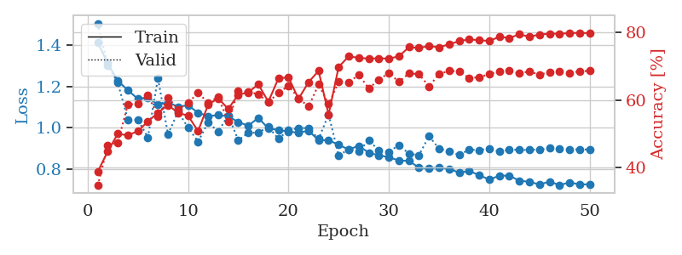
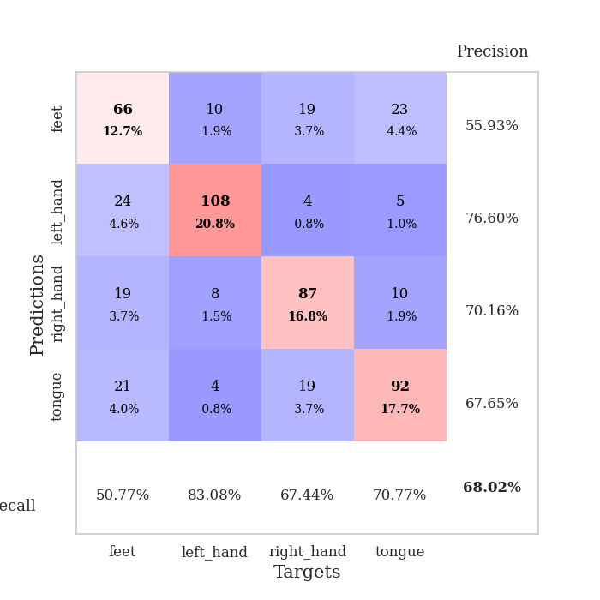
train_loss | valid_loss | train_accuracy | valid_accuracy | dur | train_misclass | valid_misclass
1.4081311461 | 1.7910855912 | 0.38271604938 | 0.35645472062 | 1.4731972218 | 38.271604938 | 35.645472062
1.2483634607 | 1.4554832689 | 0.53703703704 | 0.44123314066 | 1.3705058098 | 53.703703704 | 44.123314066
1.124894545 | 1.1306051514 | 0.60223765432 | 0.55298651252 | 1.3207406998 | 60.223765432 | 55.298651252
1.0400018721 | 1.060211242 | 0.66165123457 | 0.57803468208 | 1.2907645702 | 66.165123457 | 57.803468208
1.00412927 | 1.2206336268 | 0.64274691358 | 0.5838150289 | 1.2986159325 | 64.274691358 | 58.38150289
0.96209795313 | 1.1885580732 | 0.60223765432 | 0.53564547206 | 1.3014988899 | 60.223765432 | 53.564547206
0.95303021316 | 1.2251433285 | 0.56905864198 | 0.55298651252 | 1.3224368095 | 56.905864198 | 55.298651252
0.97631350086 | 0.98136275444 | 0.67708333333 | 0.61464354528 | 1.2911372185 | 67.708333333 | 61.464354528
0.90202816217 | 1.053811594 | 0.67939814815 | 0.60308285164 | 1.3380281925 | 67.939814815 | 60.308285164
0.88832109063 | 1.0056664767 | 0.69058641975 | 0.61657032755 | 1.3221492767 | 69.058641975 | 61.657032755
0.89551487915 | 0.98527959845 | 0.71489197531 | 0.62427745665 | 1.2707872391 | 71.489197531 | 62.427745665
0.84943718086 | 0.98108892588 | 0.69444444444 | 0.63969171484 | 1.3370661736 | 69.444444444 | 63.969171484
0.86792791368 | 1.0033543013 | 0.70987654321 | 0.60308285164 | 1.4801790714 | 70.987654321 | 60.308285164
0.84354828096 | 1.0255301364 | 0.72800925926 | 0.63391136802 | 1.2597262859 | 72.800925926 | 63.391136802
0.84470883067 | 0.98568789394 | 0.71257716049 | 0.63776493256 | 1.2638647556 | 71.257716049 | 63.776493256
0.82688612702 | 0.96207987688 | 0.68055555556 | 0.63969171484 | 1.227720499 | 68.055555556 | 63.969171484
0.83380243366 | 0.97258569441 | 0.72530864198 | 0.6493256262 | 1.2434322834 | 72.530864198 | 64.93256262
0.82158352747 | 1.0186346586 | 0.7037037037 | 0.63969171484 | 1.2852199078 | 70.37037037 | 63.969171484
0.79416693214 | 0.99867635196 | 0.75038580247 | 0.62427745665 | 1.3785755634 | 75.038580247 | 62.427745665
0.77564528584 | 1.023497663 | 0.69483024691 | 0.59922928709 | 1.3049633503 | 69.483024691 | 59.922928709
0.75275683605 | 1.0180042399 | 0.72415123457 | 0.62813102119 | 1.3041744232 | 72.415123457 | 62.813102119
0.74087530227 | 1.2134172361 | 0.72569444444 | 0.58766859345 | 1.2888624668 | 72.569444444 | 58.766859345
0.76392949547 | 1.1936891342 | 0.73418209877 | 0.60886319846 | 1.2909457684 | 73.418209877 | 60.886319846
0.73454215552 | 1.078776728 | 0.74421296296 | 0.62427745665 | 1.3266458511 | 74.421296296 | 62.427745665
0.73749008021 | 1.113389716 | 0.69907407407 | 0.63005780347 | 1.2917249203 | 69.907407407 | 63.005780347
0.70692114716 | 1.0668007204 | 0.78510802469 | 0.64354527938 | 1.2670094967 | 78.510802469 | 64.354527938
0.71698785012 | 1.0751742549 | 0.72723765432 | 0.59537572254 | 1.2915029526 | 72.723765432 | 59.537572254
0.70300843153 | 0.92615917032 | 0.80169753086 | 0.68015414258 | 1.3909835815 | 80.169753086 | 68.015414258
0.69774711169 | 1.0212522575 | 0.78433641975 | 0.65125240848 | 1.2943634987 | 78.433641975 | 65.125240848
0.68464603615 | 1.0197254245 | 0.75655864198 | 0.64739884393 | 1.3156783581 | 75.655864198 | 64.739884393
0.68695405273 | 1.0070670687 | 0.75385802469 | 0.65895953757 | 1.3096625805 | 75.385802469 | 65.895953757
0.65076043199 | 0.97439304643 | 0.80169753086 | 0.66088631985 | 1.3056695461 | 80.169753086 | 66.088631985
0.65908721549 | 0.96334683757 | 0.81404320988 | 0.65895953757 | 1.3178613186 | 81.404320988 | 65.895953757
0.65906803089 | 1.0429542823 | 0.81095679012 | 0.63198458574 | 1.3228669167 | 81.095679012 | 63.198458574
0.63833932201 | 0.91945606505 | 0.81520061728 | 0.67052023121 | 1.3249621391 | 81.520061728 | 67.052023121
0.6157269923 | 0.98040351036 | 0.82137345679 | 0.64161849711 | 1.2717835903 | 82.137345679 | 64.161849711
0.62255384653 | 1.0267935934 | 0.83294753086 | 0.64354527938 | 1.2888674736 | 83.294753086 | 64.354527938
0.59495653985 | 0.96285279799 | 0.83333333333 | 0.66088631985 | 1.3118736744 | 83.333333333 | 66.088631985
0.59714660996 | 0.95502725847 | 0.84375 | 0.65510597303 | 1.3391666412 | 84.375 | 65.510597303
0.58911576554 | 0.94781172988 | 0.81712962963 | 0.67630057803 | 1.3334107399 | 81.712962963 | 67.630057803
0.58340665036 | 0.97885044278 | 0.84066358025 | 0.66473988439 | 1.2883517742 | 84.066358025 | 66.473988439
0.56645428472 | 0.95631227948 | 0.84375 | 0.66088631985 | 1.2770936489 | 84.375 | 66.088631985
0.56664177311 | 0.97174465358 | 0.8487654321 | 0.66666666667 | 1.2945568562 | 84.87654321 | 66.666666667
0.58354147597 | 0.97907289191 | 0.85339506173 | 0.66088631985 | 1.2996723652 | 85.339506173 | 66.088631985
0.56392168217 | 0.95621385418 | 0.85339506173 | 0.66666666667 | 1.2970516682 | 85.339506173 | 66.666666667
0.5546520873 | 0.96471065019 | 0.85146604938 | 0.67630057803 | 1.2852995396 | 85.146604938 | 67.630057803
0.54670442889 | 0.97133618352 | 0.85725308642 | 0.67437379576 | 1.3130083084 | 85.725308642 | 67.437379576
0.571275854 | 0.97680131181 | 0.8537808642 | 0.67052023121 | 1.3102207184 | 85.37808642 | 67.052023121
0.56548488021 | 0.97226282788 | 0.85686728395 | 0.67244701349 | 1.335116148 | 85.686728395 | 67.244701349
0.53481061554 | 0.96977576424 | 0.8549382716 | 0.67244701349 | 1.3314642906 | 85.49382716 | 67.244701349

Best Val accuracy is 0.6801541425818882 and Best test accuracy is 0.6666666666666666

Sheet10
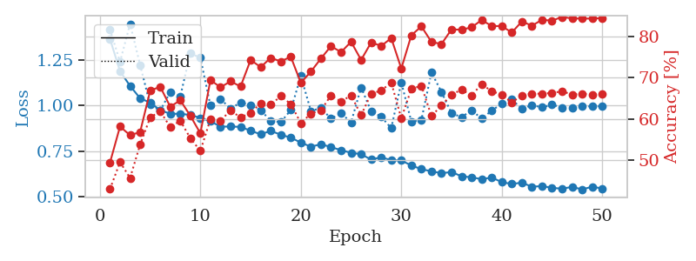
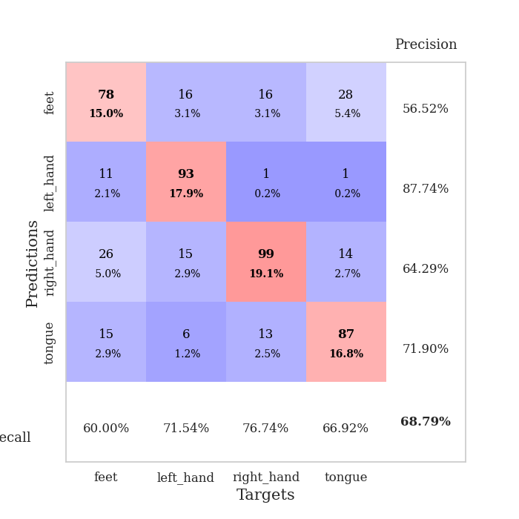
train_loss | valid_loss | train_accuracy | valid_accuracy | dur | train_misclass | valid_misclass
1.3665885797 | 1.4202082084 | 0.49382716049 | 0.42967244701 | 1.4164958 | 49.382716049 | 42.967244701
1.1888535968 | 1.239973693 | 0.58140432099 | 0.49518304432 | 1.3726160526 | 58.140432099 | 49.518304432
1.1083111329 | 1.4491745302 | 0.56018518519 | 0.45664739884 | 1.3323755264 | 56.018518519 | 45.664739884
1.0399735397 | 1.2235374671 | 0.56790123457 | 0.53757225434 | 1.2982900143 | 56.790123457 | 53.757225434
1.0161325266 | 1.0040076358 | 0.66820987654 | 0.60308285164 | 1.3069009781 | 66.820987654 | 60.308285164
0.97443423006 | 0.9723625399 | 0.67785493827 | 0.61849710983 | 1.3204102516 | 67.785493827 | 61.849710983
0.95470683405 | 1.0740544268 | 0.62924382716 | 0.57996146435 | 1.2964282036 | 62.924382716 | 57.996146435
0.95479453769 | 1.0509725497 | 0.6450617284 | 0.59537572254 | 1.2658464909 | 64.50617284 | 59.537572254
0.94823889122 | 1.2880133248 | 0.60725308642 | 0.55298651252 | 1.3047699928 | 60.725308642 | 55.298651252
0.93211529652 | 1.2625918595 | 0.56481481481 | 0.52215799615 | 1.2864744663 | 56.481481481 | 52.215799615
0.91323815433 | 0.99978340453 | 0.69405864198 | 0.59922928709 | 1.3074202538 | 69.405864198 | 59.922928709
0.88424208429 | 1.0362356653 | 0.6763117284 | 0.59537572254 | 1.3251218796 | 67.63117284 | 59.537572254
0.88434380642 | 0.98316101486 | 0.69097222222 | 0.6204238921 | 1.4425442219 | 69.097222222 | 62.04238921
0.88286979956 | 1.0171750579 | 0.67824074074 | 0.60308285164 | 1.2972114086 | 67.824074074 | 60.308285164
0.86127899054 | 1.0019071674 | 0.74266975309 | 0.61464354528 | 1.2970221043 | 74.266975309 | 61.464354528
0.84199214699 | 0.97362755006 | 0.72530864198 | 0.63776493256 | 1.3511843681 | 72.530864198 | 63.776493256
0.86058529991 | 0.91683670896 | 0.74768518519 | 0.63391136802 | 1.3139688969 | 74.768518519 | 63.391136802
0.83974377149 | 0.90822641905 | 0.73919753086 | 0.65510597303 | 1.3327095509 | 73.919753086 | 65.510597303
0.82336757396 | 0.97532773477 | 0.75038580247 | 0.63583815029 | 1.3199181557 | 75.038580247 | 63.583815029
0.79617673839 | 1.1621851002 | 0.68711419753 | 0.58959537572 | 1.3212814331 | 68.711419753 | 58.959537572
0.7735501307 | 0.96978876288 | 0.71450617284 | 0.61271676301 | 1.3458094597 | 71.450617284 | 61.271676301
0.78726763913 | 0.98676746314 | 0.74614197531 | 0.6204238921 | 1.3155972958 | 74.614197531 | 62.04238921
0.77163672558 | 0.92755964542 | 0.7762345679 | 0.6570327553 | 1.3189041615 | 77.62345679 | 65.70327553
0.75435997178 | 0.95773073658 | 0.76157407407 | 0.64161849711 | 1.338103056 | 76.157407407 | 64.161849711
0.74023500986 | 0.90769269126 | 0.78665123457 | 0.6570327553 | 1.2913105488 | 78.665123457 | 65.70327553
0.73220050059 | 1.099637892 | 0.74266975309 | 0.60886319846 | 1.2752006054 | 74.266975309 | 60.886319846
0.70252055298 | 0.96870680443 | 0.78510802469 | 0.66088631985 | 1.3248236179 | 78.510802469 | 66.088631985
0.71594760595 | 0.9382380486 | 0.77662037037 | 0.66859344894 | 1.3148829937 | 77.662037037 | 66.859344894
0.69879251111 | 0.8753692463 | 0.79552469136 | 0.68786127168 | 1.3312077522 | 79.552469136 | 68.786127168
0.6975599417 | 1.1273652478 | 0.72183641975 | 0.60115606936 | 1.3098227978 | 72.183641975 | 60.115606936
0.67054770464 | 0.91171092817 | 0.8024691358 | 0.67244701349 | 1.2945694923 | 80.24691358 | 67.244701349
0.64977961429 | 0.92130617507 | 0.82407407407 | 0.68015414258 | 1.2917590141 | 82.407407407 | 68.015414258
0.63839972093 | 1.1821582464 | 0.7862654321 | 0.60693641618 | 1.2862961292 | 78.62654321 | 60.693641618
0.62740571723 | 1.0748121839 | 0.78125 | 0.63198458574 | 1.3133552074 | 78.125 | 63.198458574
0.63457149571 | 0.95726836026 | 0.81674382716 | 0.65895953757 | 1.2841675282 | 81.674382716 | 65.895953757
0.61050636597 | 0.93635589516 | 0.81597222222 | 0.67052023121 | 1.3161950111 | 81.597222222 | 67.052023121
0.60534920249 | 0.97409771679 | 0.82175925926 | 0.6570327553 | 1.3170859814 | 82.175925926 | 65.70327553
0.59462195791 | 0.92796919617 | 0.83950617284 | 0.68400770713 | 1.312104702 | 83.950617284 | 68.400770713
0.60407747402 | 0.9722375245 | 0.82484567901 | 0.66666666667 | 1.2884287834 | 82.484567901 | 66.666666667
0.57857382252 | 1.0102098893 | 0.82484567901 | 0.65895953757 | 1.2658865452 | 82.484567901 | 65.895953757
0.56845926981 | 1.0329763347 | 0.80902777778 | 0.63969171484 | 1.2889053822 | 80.902777778 | 63.969171484
0.57571724462 | 0.98162456147 | 0.83603395062 | 0.6570327553 | 1.2901222706 | 83.603395062 | 65.70327553
0.55325918001 | 1.0027104816 | 0.82561728395 | 0.66088631985 | 1.2873971462 | 82.561728395 | 66.088631985
0.55689960244 | 0.98963016168 | 0.83989197531 | 0.66088631985 | 1.3025615215 | 83.989197531 | 66.088631985
0.54734778202 | 1.0049286775 | 0.83796296296 | 0.66281310212 | 1.3219101429 | 83.796296296 | 66.281310212
0.54233234146 | 0.9894554955 | 0.84683641975 | 0.66666666667 | 1.3309764862 | 84.683641975 | 66.666666667
0.55246522544 | 0.98748531369 | 0.84336419753 | 0.65895953757 | 1.2760579586 | 84.336419753 | 65.895953757
0.53838244412 | 0.99549569376 | 0.84297839506 | 0.66088631985 | 1.2980849743 | 84.297839506 | 66.088631985
0.55341596304 | 0.99601519452 | 0.84297839506 | 0.65895953757 | 1.3226351738 | 84.297839506 | 65.895953757
0.54354948219 | 0.99710051173 | 0.84413580247 | 0.66088631985 | 1.3361201286 | 84.413580247 | 66.088631985

Best Val accuracy is 0.6878612716763006 and Best test accuracy is 0.6878919440424506

