Sheet
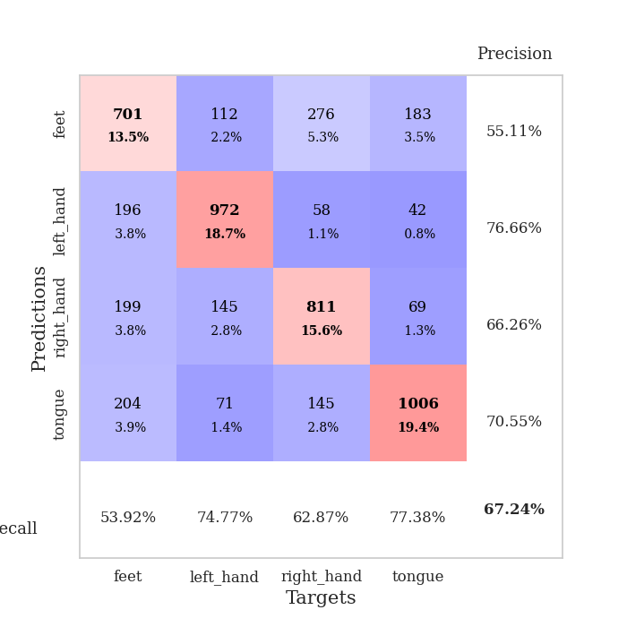
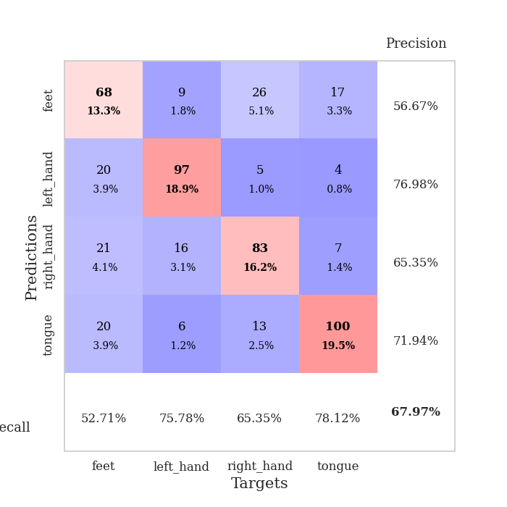
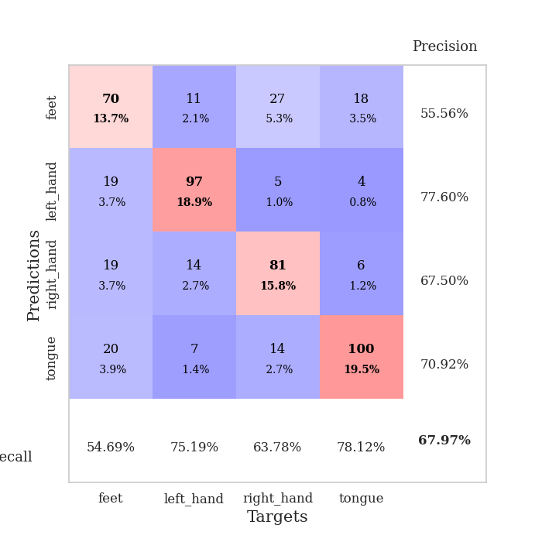
best_val_acc | best_val_los | best_test_acc
0.67244701349 | 1.0478347898 | 0.65605402798
0.67052023121 | 1.1076545026 | 0.65364206464
0.66473988439 | 1.0700679877 | 0.66666666667
0.68208092486 | 0.96108811853 | 0.66425470333
0.67630057803 | 1.0075647011 | 0.62566328992
0.67630057803 | 1.0184885847 | 0.666184274
0.64354527938 | 1.0746748323 | 0.64302942595
0.68786127168 | 1.0048235317 | 0.667631452
0.69171483622 | 0.96645433917 | 0.64158224795
0.67437379576 | 1.0335493147 | 0.6333815726

Mean,std Val accuracy is 0.6739884393063584 , 0.013373836952930386 and mean, std test accuracy is 0.6518089725036179 , 0.01512488854962693
best_val_acc | best_val_los | best_test_acc
0.67822736031 | 1.0562173944 | 0.666184274
0.6570327553 | 1.061408441 | 0.65315967197

0.6570327553 | 1.0352674417 | 0.6483357453
0.66281310212 | 1.0204832416 | 0.65267727931
0.67244701349 | 1.0272324386 | 0.667631452
0.69556840077 | 1.001718243 | 0.66280752533
0.66473988439 | 1.0135652523 | 0.65026531597
0.6859344894 | 1.0050585552 | 0.66811384467
0.68786127168 | 0.92350432179 | 0.67390255668
0.66281310212 | 1.0510655396 | 0.65171249397

Mean,std Val accuracy is 0.6724470134874759 , 0.013774958631680944 and mean, std test accuracy is 0.6594790159189581 , 0.00919348688269908

Sheet1
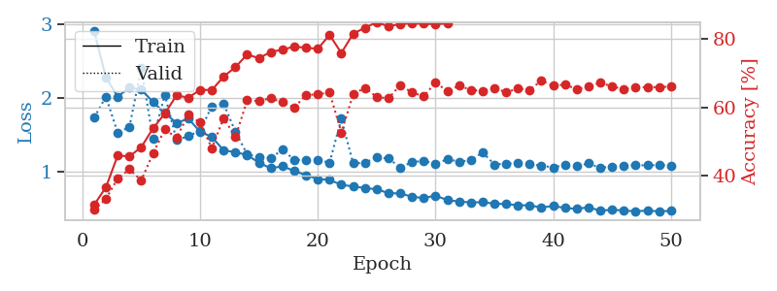
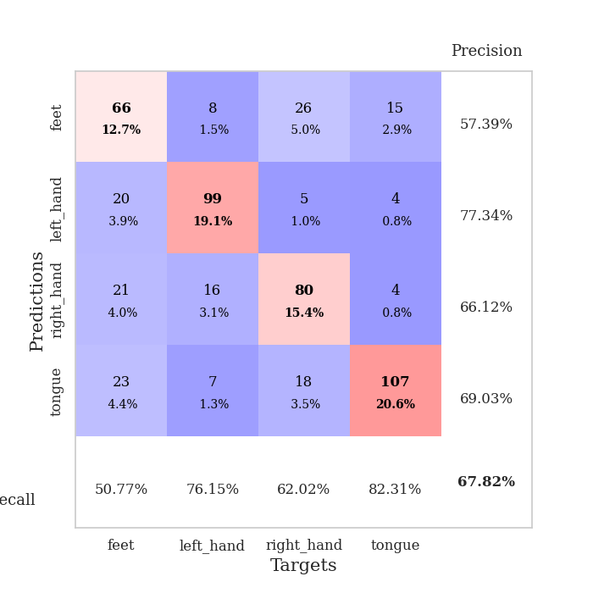
train_loss | valid_loss | train_accuracy | valid_accuracy | dur | train_misclass | valid_misclass
51.47000916 | 13.989435358 | 0.25 | 0.25048169557 | 3.4760305882 | 25 | 25.048169557
4.8319410384 | 4.773949941 | 0.25308641975 | 0.25240847784 | 0.39742946625 | 25.308641975 | 25.240847784
2.8711278617 | 38.528243489 | 0.25 | 0.25048169557 | 0.39941191673 | 25 | 25.048169557
2.3108093381 | 79.433947605 | 0.25 | 0.25048169557 | 0.37536048889 | 25 | 25.048169557
2.1787273884 | 119.36139664 | 0.25 | 0.25048169557 | 0.3746573925 | 25 | 25.048169557
1.5742690623 | 104.82106052 | 0.25 | 0.25048169557 | 0.3808567524 | 25 | 25.048169557
1.2728981853 | 114.48598417 | 0.25 | 0.25048169557 | 0.39293336868 | 25 | 25.048169557
1.2572605699 | 160.31514612 | 0.25 | 0.25048169557 | 0.39713120461 | 25 | 25.048169557
1.0576003559 | 114.06234715 | 0.25 | 0.25048169557 | 0.37497210503 | 25 | 25.048169557
0.99766618684 | 102.20953591 | 0.25 | 0.25048169557 | 0.39513039589 | 25 | 25.048169557
0.95795141794 | 107.83542618 | 0.25 | 0.25048169557 | 0.36763238907 | 25 | 25.048169557
0.71452194154 | 162.43044312 | 0.25 | 0.25048169557 | 0.38305354118 | 25 | 25.048169557
0.9965491809 | 131.7765175 | 0.25 | 0.25048169557 | 0.36636018753 | 25 | 25.048169557
0.61321014985 | 129.25607897 | 0.25 | 0.25048169557 | 0.39342665672 | 25 | 25.048169557
0.53392301127 | 144.23234858 | 0.25 | 0.25048169557 | 0.37399578094 | 25 | 25.048169557
0.52754194103 | 159.57182081 | 0.25 | 0.25048169557 | 0.38561677933 | 25 | 25.048169557
0.53564989567 | 181.64495219 | 0.25 | 0.25048169557 | 0.38396477699 | 25 | 25.048169557
0.49154150225 | 138.17293496 | 0.25 | 0.25048169557 | 0.37771725655 | 25 | 25.048169557
0.41788663771 | 173.5872295 | 0.25 | 0.25048169557 | 0.38080072403 | 25 | 25.048169557
0.34742737636 | 197.18110992 | 0.25 | 0.25048169557 | 0.37072563171 | 25 | 25.048169557
0.4172639329 | 188.24247709 | 0.25 | 0.25048169557 | 0.37189626694 | 25 | 25.048169557
0.40541811623 | 189.72922348 | 0.25 | 0.25048169557 | 0.39134764671 | 25 | 25.048169557
0.35331372134 | 166.81435197 | 0.25 | 0.25048169557 | 0.37966156006 | 25 | 25.048169557
0.31800596453 | 180.30824346 | 0.25 | 0.25048169557 | 0.37634205818 | 25 | 25.048169557
0.35187274888 | 235.11891016 | 0.25 | 0.25048169557 | 0.38825488091 | 25 | 25.048169557
0.33932317644 | 245.0288427 | 0.25 | 0.25048169557 | 0.37846922874 | 25 | 25.048169557
0.31598288156 | 220.4005964 | 0.25 | 0.25048169557 | 0.37101483345 | 25 | 25.048169557
0.35589902364 | 243.77561883 | 0.25 | 0.25048169557 | 0.37673401833 | 25 | 25.048169557
0.38953433726 | 257.79036597 | 0.25 | 0.25048169557 | 0.3655629158 | 25 | 25.048169557
0.3642662134 | 218.74348432 | 0.25 | 0.25048169557 | 0.36245346069 | 25 | 25.048169557
0.32764233202 | 210.52032677 | 0.25 | 0.25048169557 | 0.39068770409 | 25 | 25.048169557
0.30416629296 | 199.0227356 | 0.25 | 0.25048169557 | 0.36928534508 | 25 | 25.048169557
0.31835962106 | 202.76430911 | 0.25 | 0.25048169557 | 0.39776158333 | 25 | 25.048169557
0.30099474583 | 224.75477271 | 0.25 | 0.25048169557 | 0.39519619942 | 25 | 25.048169557
0.33144855499 | 230.86701698 | 0.25 | 0.25048169557 | 0.37313604355 | 25 | 25.048169557
0.30705026742 | 187.32958927 | 0.25 | 0.25048169557 | 0.38434267044 | 25 | 25.048169557
0.28862866424 | 185.0224425 | 0.25 | 0.25048169557 | 0.38745832443 | 25 | 25.048169557
0.26548527479 | 157.39134121 | 0.25 | 0.25048169557 | 0.37791490555 | 25 | 25.048169557
0.28561996948 | 172.35483511 | 0.25 | 0.25048169557 | 0.392329216 | 25 | 25.048169557
0.26872340441 | 180.85807971 | 0.25 | 0.25048169557 | 0.38877224922 | 25 | 25.048169557
0.24616096392 | 170.32961263 | 0.25 | 0.25048169557 | 0.39117074013 | 25 | 25.048169557
0.2709337905 | 162.03902568 | 0.25 | 0.25048169557 | 0.37894892693 | 25 | 25.048169557
0.22686650883 | 136.66625174 | 0.25 | 0.25048169557 | 0.37487149239 | 25 | 25.048169557
0.22370507922 | 136.22361301 | 0.25 | 0.25048169557 | 0.36279225349 | 25 | 25.048169557
0.24329950027 | 112.47271609 | 0.25 | 0.25048169557 | 0.37420511246 | 25 | 25.048169557
0.22701089028 | 64.120688084 | 0.25 | 0.25048169557 | 0.3833220005 | 25 | 25.048169557
0.24915849864 | 89.532274081 | 0.25 | 0.25048169557 | 0.3864607811 | 25 | 25.048169557
0.25315914061 | 72.041676832 | 0.25 | 0.25048169557 | 0.37728381157 | 25 | 25.048169557
0.24228953086 | 62.442126463 | 0.25 | 0.25048169557 | 0.36222958565 | 25 | 25.048169557
0.25194506347 | 7.2737451721 | 0.25192901235 | 0.25240847784 | 0.38081240654 | 25.192901235 | 25.240847784

Best Val accuracy is 0.2524084778420039 and Best test accuracy is 0.25180897250361794
train_loss | valid_loss | train_accuracy | valid_accuracy | dur | train_misclass | valid_misclass
2.9366486162 | 2.1147673001 | 0.31288580247 | 0.30250481696 | 0.39387226105 | 31.288580247 | 30.250481696
2.2580198735 | 1.8005655212 | 0.3487654321 | 0.36030828516 | 0.37009358406 | 34.87654321 | 36.030828516
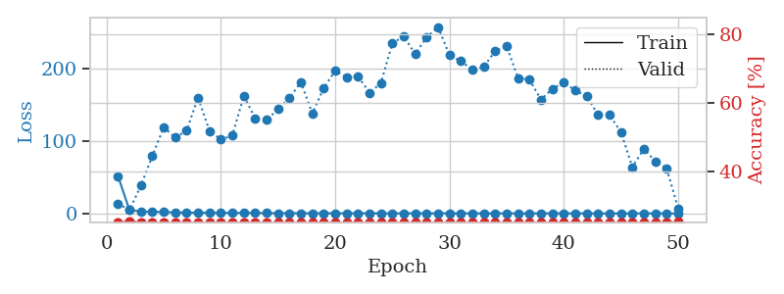
2.2895564854 | 2.6523479382 | 0.35339506173 | 0.2774566474 | 0.38246583939 | 35.339506173 | 27.74566474
2.2086174637 | 2.5482045396 | 0.39544753086 | 0.35452793834 | 0.36882209778 | 39.544753086 | 35.452793834
2.1713475734 | 1.8342463375 | 0.49074074074 | 0.38342967245 | 0.36878919601 | 49.074074074 | 38.342967245
1.8373172849 | 1.3701134284 | 0.5736882716 | 0.50867052023 | 0.38106656075 | 57.36882716 | 50.867052023
1.5888647348 | 1.5496264528 | 0.61805555556 | 0.49325626204 | 0.37362241745 | 61.805555556 | 49.325626204
1.568205452 | 1.6820597387 | 0.59992283951 | 0.50481695568 | 0.37109971046 | 59.992283951 | 50.481695568
1.5559439659 | 2.1598439437 | 0.60069444444 | 0.44701348748 | 0.36982011795 | 60.069444444 | 44.701348748
1.3859972194 | 1.8344112623 | 0.63580246914 | 0.48362235067 | 0.37752842903 | 63.580246914 | 48.362235067
1.3197804406 | 1.5441251679 | 0.70331790123 | 0.53949903661 | 0.35730266571 | 70.331790123 | 53.949903661
1.1504399955 | 1.4793901499 | 0.70331790123 | 0.52023121387 | 0.36885666847 | 70.331790123 | 52.023121387
1.122660628 | 1.1936552784 | 0.71412037037 | 0.61464354528 | 0.3584856987 | 71.412037037 | 61.464354528
1.0355336249 | 1.1724311446 | 0.75038580247 | 0.61271676301 | 0.35250496864 | 75.038580247 | 61.271676301
0.93132335842 | 1.1761870313 | 0.76967592593 | 0.59922928709 | 0.36104106903 | 76.967592593 | 59.922928709
0.93786828518 | 1.3399971707 | 0.74768518519 | 0.61271676301 | 0.34989976883 | 74.768518519 | 61.271676301
0.93502051234 | 1.1722616736 | 0.79706790123 | 0.61271676301 | 0.3637714386 | 79.706790123 | 61.271676301
0.85683785751 | 1.3472655752 | 0.79166666667 | 0.56840077071 | 0.35723924637 | 79.166666667 | 56.840077071
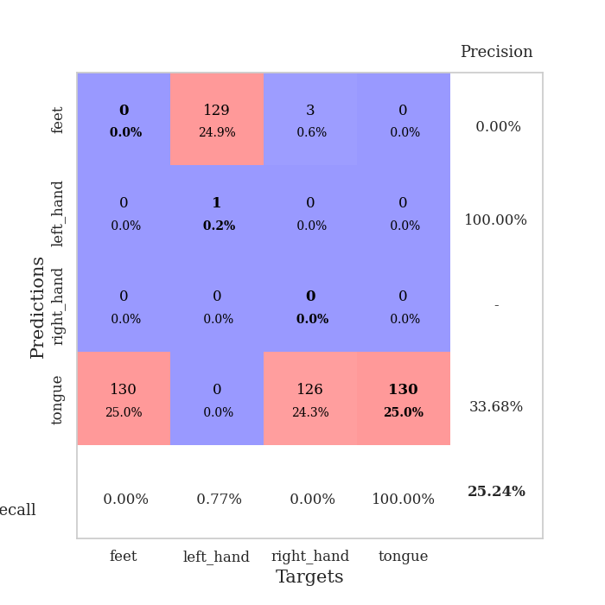
0.84324549735 | 1.1654969975 | 0.7962962963 | 0.59922928709 | 0.37640714645 | 79.62962963 | 59.922928709
0.78774724752 | 1.1566811345 | 0.80902777778 | 0.61464354528 | 0.3750936985 | 80.902777778 | 61.464354528
0.78668989837 | 1.1302534013 | 0.80208333333 | 0.61078998073 | 0.36761331558 | 80.208333333 | 61.078998073
0.74193775505 | 1.2179912047 | 0.79166666667 | 0.65125240848 | 0.37581825256 | 79.166666667 | 65.125240848
0.79671569616 | 1.132184027 | 0.84027777778 | 0.63583815029 | 0.38163018227 | 84.027777778 | 63.583815029
0.68687344119 | 1.0478347898 | 0.82484567901 | 0.6570327553 | 0.3859140873 | 82.484567901 | 65.70327553
0.71263902783 | 1.148217396 | 0.81905864198 | 0.60115606936 | 0.36365938187 | 81.905864198 | 60.115606936
0.67840381265 | 1.2522170884 | 0.82561728395 | 0.60115606936 | 0.36208152771 | 82.561728395 | 60.115606936
0.66494786143 | 1.0675433082 | 0.84413580247 | 0.66281310212 | 0.36535358429 | 84.413580247 | 66.281310212
0.65773322359 | 1.1015570788 | 0.8537808642 | 0.65895953757 | 0.37275195122 | 85.37808642 | 65.895953757
0.63620814383 | 1.0762993106 | 0.85648148148 | 0.6570327553 | 0.37677502632 | 85.648148148 | 65.70327553
0.61852496713 | 1.1522479834 | 0.86033950617 | 0.63776493256 | 0.36843037605 | 86.033950617 | 63.776493256
0.60538343266 | 1.0871978555 | 0.86689814815 | 0.65125240848 | 0.36094236374 | 86.689814815 | 65.125240848
0.58549128547 | 1.1409914889 | 0.86728395062 | 0.6570327553 | 0.38126683235 | 86.728395062 | 65.70327553
0.59943595231 | 1.0823401222 | 0.87808641975 | 0.66281310212 | 0.37959527969 | 87.808641975 | 66.281310212
0.56952317059 | 1.0844285424 | 0.88078703704 | 0.67244701349 | 0.3672683239 | 88.078703704 | 67.244701349
0.56880053282 | 1.0648081101 | 0.88425925926 | 0.66281310212 | 0.37995934486 | 88.425925926 | 66.281310212
0.54489623904 | 1.0759598614 | 0.88811728395 | 0.64547206166 | 0.35514450073 | 88.811728395 | 64.547206166
0.53421976715 | 1.0936375872 | 0.8850308642 | 0.66859344894 | 0.37663292885 | 88.50308642 | 66.859344894
0.53983314559 | 1.0775375419 | 0.88541666667 | 0.65125240848 | 0.38246273994 | 88.541666667 | 65.125240848
0.53023184091 | 1.098757103 | 0.8950617284 | 0.66281310212 | 0.36042284966 | 89.50617284 | 66.281310212
0.52298590839 | 1.0900648132 | 0.8900462963 | 0.66859344894 | 0.36313700676 | 89.00462963 | 66.859344894
0.51323732063 | 1.079032518 | 0.90509259259 | 0.66859344894 | 0.37271523476 | 90.509259259 | 66.859344894
0.50923825949 | 1.0702360094 | 0.90239197531 | 0.66666666667 | 0.38368964195 | 90.239197531 | 66.666666667
0.50193150714 | 1.0731348725 | 0.90354938272 | 0.6570327553 | 0.36974596977 | 90.354938272 | 65.70327553
0.49900169671 | 1.05916286 | 0.90316358025 | 0.65510597303 | 0.36488199234 | 90.316358025 | 65.510597303
0.5005888097 | 1.0647049292 | 0.90200617284 | 0.65125240848 | 0.3661005497 | 90.200617284 | 65.125240848
0.49496688992 | 1.0647736179 | 0.90509259259 | 0.65895953757 | 0.36239075661 | 90.509259259 | 65.895953757
0.47731411979 | 1.0729154502 | 0.90625 | 0.66088631985 | 0.35663676262 | 90.625 | 66.088631985
0.50531459153 | 1.0712893062 | 0.90470679012 | 0.66088631985 | 0.35724401474 | 90.470679012 | 66.088631985
0.46849623024 | 1.0659416305 | 0.90509259259 | 0.65895953757 | 0.37866806984 | 90.509259259 | 65.895953757
0.48799133748 | 1.0636212493 | 0.90393518519 | 0.65895953757 | 0.36746072769 | 90.393518519 | 65.895953757

Best Val accuracy is 0.6724470134874759 and Best test accuracy is 0.6560540279787748
train_loss | valid_loss | train_accuracy | valid_accuracy | dur | train_misclass | valid_misclass
2.9048661321 | 1.7354683405 | 0.31365740741 | 0.29865125241 | 0.35196375847 | 31.365740741 | 29.865125241
2.2776102632 | 2.0194955534 | 0.36535493827 | 0.33140655106 | 0.35506725311 | 36.535493827 | 33.140655106
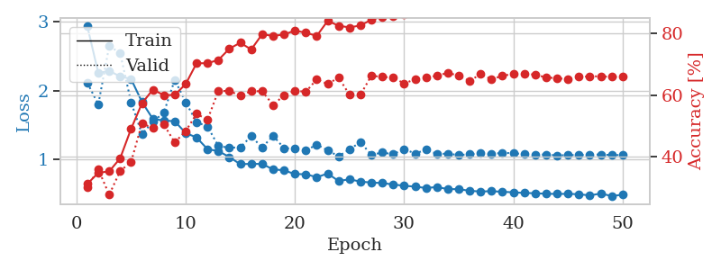
2.019668138 | 1.528327104 | 0.45833333333 | 0.39113680154 | 0.34468865395 | 45.833333333 | 39.113680154
2.1409845173 | 1.6115305525 | 0.45601851852 | 0.41811175337 | 0.35974407196 | 45.601851852 | 41.811175337
2.1161060303 | 2.4026061965 | 0.48263888889 | 0.38535645472 | 0.34747552872 | 48.263888889 | 38.535645472
1.9459633052 | 1.4500636907 | 0.53819444444 | 0.46435452794 | 0.3529355526 | 53.819444444 | 46.435452794
1.7984753549 | 2.0429404255 | 0.58140432099 | 0.53564547206 | 0.34886550903 | 58.140432099 | 53.564547206
1.6627700239 | 1.4343442568 | 0.6350308642 | 0.5105973025 | 0.33653950691 | 63.50308642 | 51.05973025
1.7240590781 | 1.4848802903 | 0.62808641975 | 0.57803468208 | 0.35039138794 | 62.808641975 | 57.803468208
1.5446723491 | 1.561763296 | 0.6512345679 | 0.5549132948 | 0.36305212975 | 65.12345679 | 55.49132948
1.4755567163 | 1.8894136563 | 0.65046296296 | 0.47976878613 | 0.33174467087 | 65.046296296 | 47.976878613
1.2941215202 | 1.9248041721 | 0.69020061728 | 0.56840077071 | 0.34039664268 | 69.020061728 | 56.840077071
1.2696606547 | 1.5457772418 | 0.71759259259 | 0.51252408478 | 0.35356688499 | 71.759259259 | 51.252408478
1.2312585667 | 1.2414094915 | 0.7550154321 | 0.6204238921 | 0.35527920723 | 75.50154321 | 62.04238921
1.1274206638 | 1.2043405209 | 0.74382716049 | 0.61849710983 | 0.34470653534 | 74.382716049 | 61.849710983
1.0522910848 | 1.1908202353 | 0.76234567901 | 0.62620423892 | 0.3462305069 | 76.234567901 | 62.620423892
1.0790442556 | 1.3032172153 | 0.76890432099 | 0.61464354528 | 0.36298274994 | 76.890432099 | 61.464354528
1.0161613598 | 1.1652450088 | 0.77816358025 | 0.59922928709 | 0.36284470558 | 77.816358025 | 59.922928709
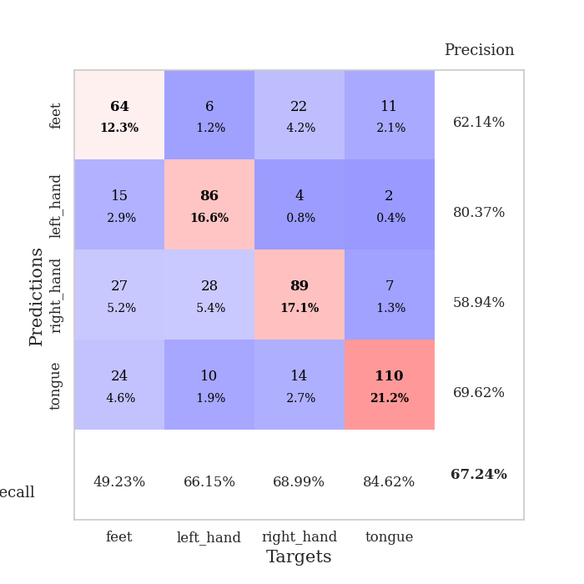
0.95931154191 | 1.1635045486 | 0.77430555556 | 0.63583815029 | 0.35649394989 | 77.430555556 | 63.583815029
0.9067535758 | 1.1628751364 | 0.77160493827 | 0.63776493256 | 0.34905099869 | 77.160493827 | 63.776493256
0.89498486221 | 1.128464097 | 0.81211419753 | 0.64354527938 | 0.35249900818 | 81.211419753 | 64.354527938
0.82929139435 | 1.7208622712 | 0.75925925926 | 0.52601156069 | 0.34308362007 | 75.925925926 | 52.601156069
0.80682109445 | 1.1176862177 | 0.81558641975 | 0.63776493256 | 0.35792422295 | 81.558641975 | 63.776493256
0.78569824994 | 1.1256369272 | 0.83333333333 | 0.6570327553 | 0.37483787537 | 83.333333333 | 65.70327553
0.76891063452 | 1.2015889573 | 0.84915123457 | 0.63005780347 | 0.36428952217 | 84.915123457 | 63.005780347
0.71721583232 | 1.1847335622 | 0.83757716049 | 0.62620423892 | 0.34307765961 | 83.757716049 | 62.620423892
0.71158608198 | 1.0640451945 | 0.84413580247 | 0.66473988439 | 0.34628987312 | 84.413580247 | 66.473988439
0.66851616949 | 1.1335398209 | 0.84683641975 | 0.64354527938 | 0.35661125183 | 84.683641975 | 64.354527938
0.64888268486 | 1.1536800958 | 0.84490740741 | 0.63198458574 | 0.37338995934 | 84.490740741 | 63.198458574
0.68441991359 | 1.1098775473 | 0.84413580247 | 0.67244701349 | 0.35664343834 | 84.413580247 | 67.244701349
0.62194357663 | 1.1747670215 | 0.84606481481 | 0.64739884393 | 0.35972499847 | 84.606481481 | 64.739884393
0.60381374732 | 1.1429111714 | 0.86651234568 | 0.66281310212 | 0.35047268867 | 86.651234568 | 66.281310212
0.59008961692 | 1.1596138119 | 0.8800154321 | 0.65125240848 | 0.34566283226 | 88.00154321 | 65.125240848
0.59492026046 | 1.2665811536 | 0.87229938272 | 0.64739884393 | 0.36536979675 | 87.229938272 | 64.739884393
0.57438244 | 1.1032984882 | 0.88310185185 | 0.6570327553 | 0.35892367363 | 88.310185185 | 65.70327553
0.56982190534 | 1.1156287299 | 0.88773148148 | 0.64354527938 | 0.35161232948 | 88.773148148 | 64.354527938
0.55244733468 | 1.1178508347 | 0.89197530864 | 0.65510597303 | 0.36044335365 | 89.197530864 | 65.510597303
0.5518878825 | 1.1062113302 | 0.88888888889 | 0.65125240848 | 0.35612106323 | 88.888888889 | 65.125240848
0.52194101289 | 1.0888969641 | 0.89891975309 | 0.67822736031 | 0.36285114288 | 89.891975309 | 67.822736031
0.54405256212 | 1.063420157 | 0.89776234568 | 0.66281310212 | 0.35964488983 | 89.776234568 | 66.281310212
0.51584385112 | 1.0988554532 | 0.9012345679 | 0.66666666667 | 0.34374284744 | 90.12345679 | 66.666666667
0.50440414548 | 1.0801727611 | 0.90393518519 | 0.65317919075 | 0.35774445534 | 90.393518519 | 65.317919075
0.52566013411 | 1.1176096144 | 0.90393518519 | 0.66088631985 | 0.34403753281 | 90.393518519 | 66.088631985
0.47950120419 | 1.0562173944 | 0.90817901235 | 0.67244701349 | 0.37528419495 | 90.817901235 | 67.244701349
0.49279045388 | 1.0768137938 | 0.90933641975 | 0.66088631985 | 0.35025548935 | 90.933641975 | 66.088631985
0.4821325101 | 1.0829421321 | 0.90856481481 | 0.65317919075 | 0.39385581017 | 90.856481481 | 65.317919075
0.47060203776 | 1.0936855172 | 0.9112654321 | 0.65895953757 | 0.36236047745 | 91.12654321 | 65.895953757
0.48206176311 | 1.0914793809 | 0.91010802469 | 0.65895953757 | 0.35192036629 | 91.010802469 | 65.895953757
0.46967104822 | 1.0958018877 | 0.90972222222 | 0.65895953757 | 0.33861541748 | 90.972222222 | 65.895953757
0.47835935056 | 1.0895896817 | 0.90895061728 | 0.66088631985 | 0.3418905735 | 90.895061728 | 66.088631985

Best Val accuracy is 0.6782273603082851 and Best test accuracy is 0.6661842739990352

Sheet2
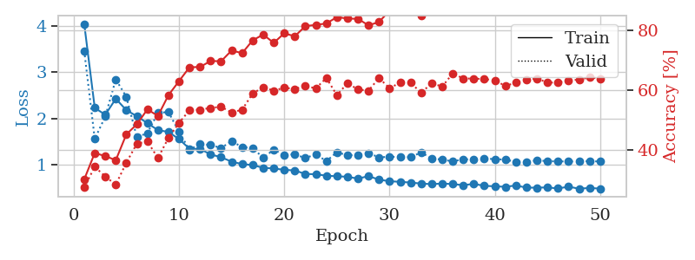
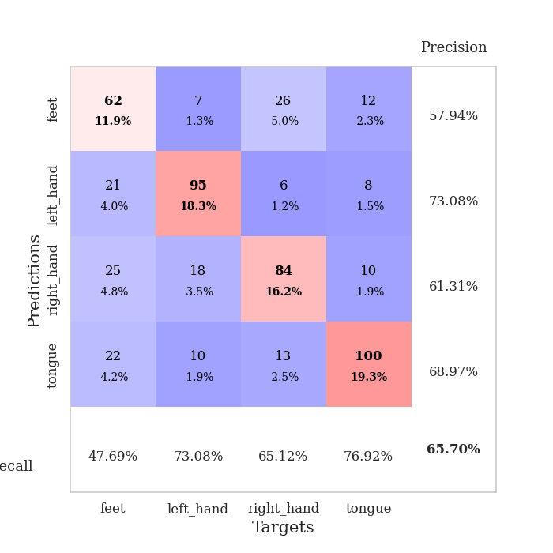
train_loss | valid_loss | train_accuracy | valid_accuracy | dur | train_misclass | valid_misclass
3.2303908527 | 1.8315175622 | 0.31211419753 | 0.26589595376 | 0.36440396309 | 31.211419753 | 26.589595376
2.386171627 | 2.5089049675 | 0.34143518519 | 0.28901734104 | 0.37371945381 | 34.143518519 | 28.901734104
2.2624934465 | 1.6937540296 | 0.39853395062 | 0.38921001927 | 0.37600302696 | 39.853395062 | 38.921001927
2.1561839014 | 1.8773268128 | 0.43441358025 | 0.28709055877 | 0.36727023125 | 43.441358025 | 28.709055877
2.2100435168 | 1.5153715241 | 0.47723765432 | 0.39691714836 | 0.37517046928 | 47.723765432 | 39.691714836
1.875909251 | 2.5262370087 | 0.4949845679 | 0.38535645472 | 0.36778473854 | 49.49845679 | 38.535645472
1.8320573509 | 1.7004192041 | 0.55401234568 | 0.42389210019 | 0.37989711761 | 55.401234568 | 42.389210019
1.6189016819 | 1.6252676067 | 0.61149691358 | 0.4894026975 | 0.36929821968 | 61.149691358 | 48.94026975
1.4682147339 | 1.5752644769 | 0.60455246914 | 0.47591522158 | 0.36829280853 | 60.455246914 | 47.591522158
1.4185952038 | 1.4603485524 | 0.66010802469 | 0.55298651252 | 0.37655186653 | 66.010802469 | 55.298651252
1.3129685685 | 1.8351962208 | 0.61419753086 | 0.51445086705 | 0.37672066689 | 61.419753086 | 51.445086705
1.2111213446 | 1.2162567198 | 0.72337962963 | 0.58959537572 | 0.37601613998 | 72.337962963 | 58.959537572
1.1944009304 | 1.6316763367 | 0.69483024691 | 0.53757225434 | 0.39155244827 | 69.483024691 | 53.757225434
1.1045221627 | 1.3065209111 | 0.71913580247 | 0.61271676301 | 0.36329865456 | 71.913580247 | 61.271676301
1.0504550353 | 1.3506773549 | 0.75231481481 | 0.55876685934 | 0.34651851654 | 75.231481481 | 55.876685934
1.0147919133 | 1.349775539 | 0.75077160494 | 0.56262042389 | 0.36729383469 | 75.077160494 | 56.262042389
0.93644031584 | 1.3192420033 | 0.78202160494 | 0.59537572254 | 0.37570548058 | 78.202160494 | 59.537572254
0.90610943735 | 1.1431363357 | 0.79359567901 | 0.63776493256 | 0.37493991852 | 79.359567901 | 63.776493256
0.82133855969 | 1.250707636 | 0.80362654321 | 0.591522158 | 0.36839461327 | 80.362654321 | 59.1522158
0.82390296906 | 1.2915353472 | 0.76273148148 | 0.60308285164 | 0.36434173584 | 76.273148148 | 60.308285164
0.81123986393 | 1.2742151667 | 0.79591049383 | 0.57803468208 | 0.35143780708 | 79.591049383 | 57.803468208
0.79570778161 | 1.2659718765 | 0.80362654321 | 0.60115606936 | 0.37013292313 | 80.362654321 | 60.115606936
0.74932798445 | 1.2265189002 | 0.81674382716 | 0.62620423892 | 0.37606549263 | 81.674382716 | 62.620423892
0.6938176915 | 1.1076545026 | 0.83950617284 | 0.63198458574 | 0.37225103378 | 83.950617284 | 63.198458574
0.66784149036 | 1.1650795505 | 0.82908950617 | 0.65125240848 | 0.38019371033 | 82.908950617 | 65.125240848
0.68479327932 | 1.2588868412 | 0.81674382716 | 0.6204238921 | 0.35536003113 | 81.674382716 | 62.04238921
0.6701071173 | 1.1458203921 | 0.84027777778 | 0.63583815029 | 0.35038709641 | 84.027777778 | 63.583815029
0.66324181557 | 1.1982654694 | 0.82561728395 | 0.62620423892 | 0.36267733574 | 82.561728395 | 62.620423892
0.67387355641 | 1.3145890309 | 0.81481481481 | 0.61271676301 | 0.35894227028 | 81.481481481 | 61.271676301
0.62829705477 | 1.1143203512 | 0.85300925926 | 0.66666666667 | 0.35913324356 | 85.300925926 | 66.666666667
0.60993706062 | 1.1277479455 | 0.86458333333 | 0.67052023121 | 0.35508441925 | 86.458333333 | 67.052023121
0.61864535883 | 1.1788498356 | 0.86072530864 | 0.66281310212 | 0.34990668297 | 86.072530864 | 66.281310212
0.61233119816 | 1.1084560103 | 0.87307098765 | 0.64739884393 | 0.36278271675 | 87.307098765 | 64.739884393
0.56698224247 | 1.2800176663 | 0.85918209877 | 0.61464354528 | 0.37226486206 | 85.918209877 | 61.464354528
0.56591740549 | 1.2093751881 | 0.86651234568 | 0.62427745665 | 0.37253403664 | 86.651234568 | 62.427745665
0.55163303316 | 1.143337665 | 0.88233024691 | 0.65895953757 | 0.3723859787 | 88.233024691 | 65.895953757
0.55903500617 | 1.1534912106 | 0.88078703704 | 0.6493256262 | 0.35316944122 | 88.078703704 | 64.93256262
0.56723592356 | 1.1423862376 | 0.88194444444 | 0.64739884393 | 0.35567688942 | 88.194444444 | 64.739884393
0.5080839619 | 1.1525672001 | 0.8861882716 | 0.6570327553 | 0.36294221878 | 88.61882716 | 65.70327553
0.50220278427 | 1.136009554 | 0.88695987654 | 0.6493256262 | 0.37454342842 | 88.695987654 | 64.93256262
0.51550596058 | 1.1270329314 | 0.88927469136 | 0.65125240848 | 0.36715173721 | 88.927469136 | 65.125240848
0.49914231598 | 1.1428152794 | 0.89467592593 | 0.66088631985 | 0.36556077003 | 89.467592593 | 66.088631985
0.47881786898 | 1.1515900707 | 0.89583333333 | 0.6493256262 | 0.36098742485 | 89.583333333 | 64.93256262
0.50263163224 | 1.1402807929 | 0.89390432099 | 0.66281310212 | 0.36790251732 | 89.390432099 | 66.281310212
0.48179702088 | 1.1223629334 | 0.89853395062 | 0.66281310212 | 0.37257099152 | 89.853395062 | 66.281310212
0.47869857997 | 1.1276052554 | 0.89699074074 | 0.65895953757 | 0.36411857605 | 89.699074074 | 65.895953757
0.48667535558 | 1.1268507952 | 0.90084876543 | 0.66473988439 | 0.35815787315 | 90.084876543 | 66.473988439
0.4795095101 | 1.1427330902 | 0.89891975309 | 0.66473988439 | 0.36495089531 | 89.891975309 | 66.473988439
0.47652653083 | 1.1349328552 | 0.89969135802 | 0.66281310212 | 0.3683488369 | 89.969135802 | 66.281310212
0.47942845002 | 1.1304323301 | 0.90007716049 | 0.66088631985 | 0.38952755928 | 90.007716049 | 66.088631985

Best Val accuracy is 0.6705202312138728 and Best test accuracy is 0.6536420646406175
train_loss | valid_loss | train_accuracy | valid_accuracy | dur | train_misclass | valid_misclass
4.0489041686 | 3.46722247 | 0.3024691358 | 0.27552986513 | 0.36690211296 | 30.24691358 | 27.552986513
2.2303021401 | 1.55748204 | 0.39081790123 | 0.34489402697 | 0.3523068428 | 39.081790123 | 34.489402697
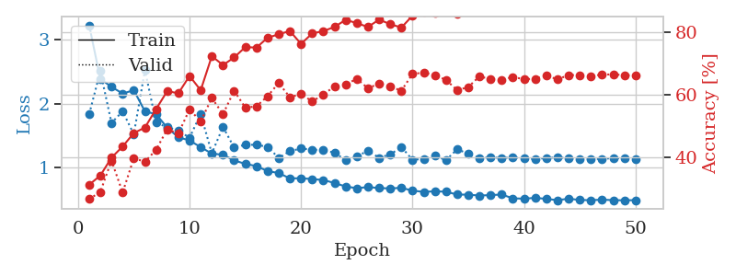
2.0803121001 | 2.0411617721 | 0.38040123457 | 0.31213872832 | 0.3371515274 | 38.040123457 | 31.213872832
2.4266671509 | 2.847071559 | 0.36689814815 | 0.28516377649 | 0.35494065285 | 36.689814815 | 28.516377649
2.1802304208 | 2.4679716649 | 0.45293209877 | 0.35838150289 | 0.34130477905 | 45.293209877 | 35.838150289
2.0493866205 | 1.5957092518 | 0.48688271605 | 0.42196531792 | 0.35069274902 | 48.688271605 | 42.196531792
1.8981446922 | 1.6823447977 | 0.53665123457 | 0.42967244701 | 0.36334848404 | 53.665123457 | 42.967244701
1.747963047 | 2.1197675046 | 0.51466049383 | 0.37379576108 | 0.36223340034 | 51.466049383 | 37.379576108
1.7086621404 | 2.140635733 | 0.58410493827 | 0.44123314066 | 0.35165500641 | 58.410493827 | 44.123314066
1.5540996581 | 1.71168963 | 0.63078703704 | 0.49132947977 | 0.35816454887 | 63.078703704 | 49.132947977
1.3442927718 | 1.3185513631 | 0.6774691358 | 0.53371868979 | 0.344840765 | 67.74691358 | 53.371868979
1.3396829978 | 1.4530200774 | 0.67824074074 | 0.53564547206 | 0.3702750206 | 67.824074074 | 53.564547206
1.2221477628 | 1.4220711647 | 0.69830246914 | 0.54142581888 | 0.37174534798 | 69.830246914 | 54.142581888
1.1607304633 | 1.3636576036 | 0.6975308642 | 0.54527938343 | 0.36505579948 | 69.75308642 | 54.527938343
1.0643915161 | 1.5062718254 | 0.73341049383 | 0.52601156069 | 0.35463118553 | 73.341049383 | 52.601156069
1.0124098524 | 1.3817881348 | 0.72453703704 | 0.53564547206 | 0.34910345078 | 72.453703704 | 53.564547206
0.99104883373 | 1.3586102869 | 0.76736111111 | 0.58959537572 | 0.34303569794 | 76.736111111 | 58.959537572
0.93201589584 | 1.1486931945 | 0.78665123457 | 0.61078998073 | 0.36643075943 | 78.665123457 | 61.078998073
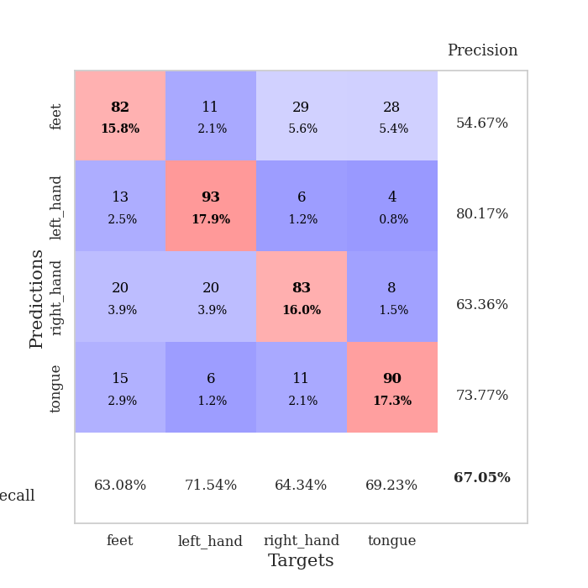
0.9170137614 | 1.3236852184 | 0.75887345679 | 0.59922928709 | 0.359385252 | 75.887345679 | 59.922928709
0.88851567358 | 1.2144736504 | 0.79089506173 | 0.60886319846 | 0.3643488884 | 79.089506173 | 60.886319846
0.87399701327 | 1.222554024 | 0.78086419753 | 0.60500963391 | 0.36318278313 | 78.086419753 | 60.500963391
0.79878520072 | 1.1421928994 | 0.81481481481 | 0.61464354528 | 0.34965372086 | 81.481481481 | 61.464354528
0.79226472229 | 1.2253047529 | 0.81905864198 | 0.60693641618 | 0.36488485336 | 81.905864198 | 60.693641618
0.76108341143 | 1.0765395858 | 0.8236882716 | 0.64161849711 | 0.35397219658 | 82.36882716 | 64.161849711
0.74817096069 | 1.2703551548 | 0.84490740741 | 0.5838150289 | 0.36159300804 | 84.490740741 | 58.38150289
0.73781088516 | 1.2006269833 | 0.84027777778 | 0.62427745665 | 0.33732151985 | 84.027777778 | 62.427745665
0.69731477126 | 1.2115346324 | 0.83912037037 | 0.60308285164 | 0.3658914566 | 83.912037037 | 60.308285164
0.75231806189 | 1.2515008234 | 0.8175154321 | 0.59922928709 | 0.36419987679 | 81.75154321 | 59.922928709
0.6749060519 | 1.1577384605 | 0.8287037037 | 0.64161849711 | 0.36198782921 | 82.87037037 | 64.161849711
0.64136657119 | 1.1707190558 | 0.86651234568 | 0.60693641618 | 0.36666226387 | 86.651234568 | 60.693641618
0.62800105885 | 1.1678316258 | 0.86728395062 | 0.62620423892 | 0.37157011032 | 86.728395062 | 62.620423892
0.61262199208 | 1.1603972636 | 0.86766975309 | 0.62620423892 | 0.34710812569 | 86.766975309 | 62.620423892
0.59024746343 | 1.2657792678 | 0.85069444444 | 0.591522158 | 0.36681365967 | 85.069444444 | 59.1522158
0.57819686905 | 1.1306509512 | 0.88348765432 | 0.62427745665 | 0.35060214996 | 88.348765432 | 62.427745665
0.59106841385 | 1.1106069906 | 0.88310185185 | 0.61271676301 | 0.35512948036 | 88.310185185 | 61.271676301
0.57949431837 | 1.0685544965 | 0.87847222222 | 0.6570327553 | 0.36170983315 | 87.847222222 | 65.70327553
0.55533897132 | 1.118570857 | 0.88233024691 | 0.63969171484 | 0.36153197289 | 88.233024691 | 63.969171484
0.58398774192 | 1.1088649331 | 0.88657407407 | 0.63969171484 | 0.35539126396 | 88.657407407 | 63.969171484
0.54111050814 | 1.1303958576 | 0.88811728395 | 0.63776493256 | 0.35773277283 | 88.811728395 | 63.776493256
0.53164864182 | 1.1205800554 | 0.89313271605 | 0.63391136802 | 0.34793448448 | 89.313271605 | 63.391136802
0.52037795335 | 1.1080732295 | 0.89197530864 | 0.61464354528 | 0.35192394257 | 89.197530864 | 61.464354528
0.5491742447 | 1.061408441 | 0.89390432099 | 0.62620423892 | 0.34532833099 | 89.390432099 | 62.620423892
0.50239926502 | 1.0625684006 | 0.90046296296 | 0.63583815029 | 0.35145378113 | 90.046296296 | 63.583815029
0.50166085437 | 1.093841799 | 0.90586419753 | 0.63969171484 | 0.3701775074 | 90.586419753 | 63.969171484
0.50726649165 | 1.0753863809 | 0.90084876543 | 0.62620423892 | 0.367582798 | 90.084876543 | 62.620423892
0.48453210816 | 1.0704437308 | 0.90393518519 | 0.62620423892 | 0.35188698769 | 90.393518519 | 62.620423892
0.52320169508 | 1.0692625638 | 0.90740740741 | 0.63391136802 | 0.34897542 | 90.740740741 | 63.391136802
0.47900219411 | 1.0680862314 | 0.90779320988 | 0.63583815029 | 0.35484862328 | 90.779320988 | 63.583815029
0.49602474049 | 1.0755896398 | 0.90817901235 | 0.64354527938 | 0.34977030754 | 90.817901235 | 64.354527938
0.48060120791 | 1.0679907904 | 0.90663580247 | 0.63969171484 | 0.37227845192 | 90.663580247 | 63.969171484

Best Val accuracy is 0.6570327552986512 and Best test accuracy is 0.653159671972986

Sheet3
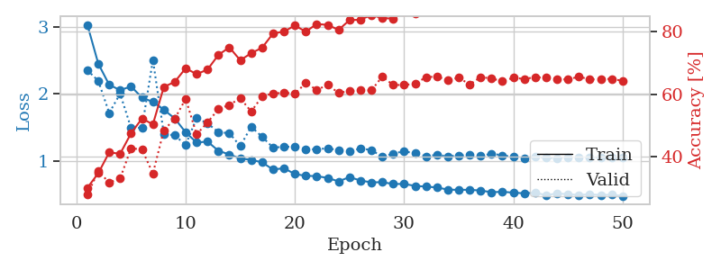
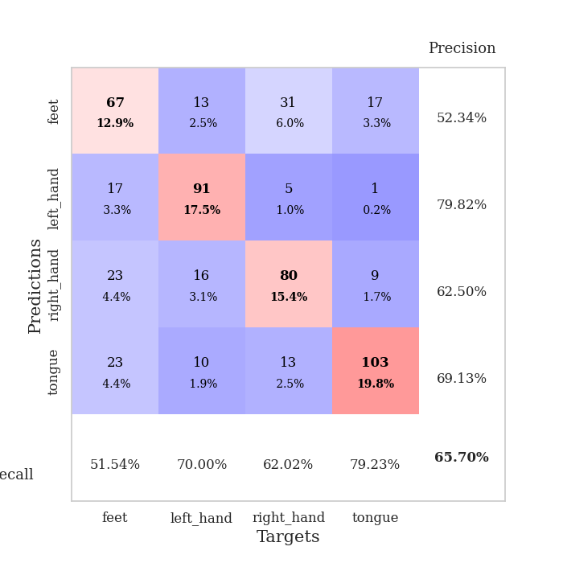
train_loss | valid_loss | train_accuracy | valid_accuracy | dur | train_misclass | valid_misclass
3.2185412884 | 3.3484579858 | 0.30555555556 | 0.26011560694 | 0.34205412865 | 30.555555556 | 26.011560694
2.4482607692 | 1.966126186 | 0.35570987654 | 0.31791907514 | 0.35561156273 | 35.570987654 | 31.791907514
2.2118831217 | 2.0320088225 | 0.37037037037 | 0.34874759152 | 0.35055279732 | 37.037037037 | 34.874759152
2.2018983334 | 1.7826609855 | 0.44675925926 | 0.39113680154 | 0.36541056633 | 44.675925926 | 39.113680154
2.0167445838 | 1.8694965832 | 0.46141975309 | 0.34874759152 | 0.34848976135 | 46.141975309 | 34.874759152
1.9511568815 | 2.0461340302 | 0.48225308642 | 0.37764932563 | 0.37274217606 | 48.225308642 | 37.764932563
1.7915388972 | 1.6718407784 | 0.57445987654 | 0.46435452794 | 0.37909555435 | 57.445987654 | 46.435452794
1.5792916477 | 1.4635097652 | 0.61728395062 | 0.52601156069 | 0.35363674164 | 61.728395062 | 52.601156069
1.4876767576 | 1.8813335108 | 0.6300154321 | 0.48747591522 | 0.34948706627 | 63.00154321 | 48.747591522
1.4070944726 | 1.5725149801 | 0.64853395062 | 0.51445086705 | 0.37230062485 | 64.853395062 | 51.445086705
1.3476627856 | 1.3086355943 | 0.71219135802 | 0.53949903661 | 0.36493086815 | 71.219135802 | 53.949903661
1.2091700345 | 1.4030501277 | 0.72299382716 | 0.55105973025 | 0.35622525215 | 72.299382716 | 55.105973025
1.1917404592 | 1.1953947353 | 0.69830246914 | 0.59922928709 | 0.36524653435 | 69.830246914 | 59.922928709
1.1174242198 | 1.5234256622 | 0.72530864198 | 0.5183044316 | 0.35151076317 | 72.530864198 | 51.83044316
1.0355120659 | 1.3249680527 | 0.75771604938 | 0.57418111753 | 0.35311460495 | 75.771604938 | 57.418111753
0.92790277302 | 1.18707923 | 0.78703703704 | 0.63391136802 | 0.37051296234 | 78.703703704 | 63.391136802
0.93060704768 | 1.2180781782 | 0.74729938272 | 0.57225433526 | 0.36314272881 | 74.729938272 | 57.225433526
0.91989882588 | 1.2153822305 | 0.78279320988 | 0.57996146435 | 0.36591482162 | 78.279320988 | 57.996146435
0.84469420165 | 1.3128400306 | 0.78356481481 | 0.61849710983 | 0.35287261009 | 78.356481481 | 61.849710983
0.80430954099 | 1.1707856639 | 0.78125 | 0.64354527938 | 0.36069154739 | 78.125 | 64.354527938
0.77275876403 | 1.2179117037 | 0.82137345679 | 0.63198458574 | 0.36904478073 | 82.137345679 | 63.198458574
0.79245750159 | 1.0954310446 | 0.81944444444 | 0.64547206166 | 0.35629725456 | 81.944444444 | 64.547206166
0.73965745792 | 1.3120923134 | 0.81828703704 | 0.61464354528 | 0.35690331459 | 81.828703704 | 61.464354528
0.71556383967 | 1.1853066141 | 0.82561728395 | 0.63198458574 | 0.35770392418 | 82.561728395 | 63.198458574
0.71080918163 | 1.1050043251 | 0.83101851852 | 0.64161849711 | 0.34721899033 | 83.101851852 | 64.161849711
0.69893782809 | 1.1140000836 | 0.82908950617 | 0.62620423892 | 0.36059737206 | 82.908950617 | 62.620423892
0.6929715462 | 1.1731052752 | 0.8287037037 | 0.64547206166 | 0.35751152039 | 82.87037037 | 64.547206166
0.67848692983 | 1.1210721164 | 0.8587962963 | 0.65510597303 | 0.37684893608 | 85.87962963 | 65.510597303
0.6523336716 | 1.1663743584 | 0.85300925926 | 0.63198458574 | 0.36113500595 | 85.300925926 | 63.198458574
0.64633008242 | 1.0902784286 | 0.84683641975 | 0.6570327553 | 0.36778926849 | 84.683641975 | 65.70327553
0.62349750623 | 1.2289229092 | 0.84375 | 0.61464354528 | 0.37833976746 | 84.375 | 61.464354528
0.60669958219 | 1.0967290548 | 0.85532407407 | 0.65125240848 | 0.34775447845 | 85.532407407 | 65.125240848
0.57852647603 | 1.1174005785 | 0.87692901235 | 0.64161849711 | 0.35676980019 | 87.692901235 | 64.161849711
0.5924641706 | 1.0931568738 | 0.88078703704 | 0.63198458574 | 0.35034871101 | 88.078703704 | 63.198458574
0.5532705918 | 1.1332213263 | 0.88078703704 | 0.63583815029 | 0.34271383286 | 88.078703704 | 63.583815029
0.58561736122 | 1.0986276364 | 0.8900462963 | 0.65317919075 | 0.36582064629 | 89.00462963 | 65.317919075
0.52636286095 | 1.1083181387 | 0.88927469136 | 0.6570327553 | 0.36069750786 | 88.927469136 | 65.70327553
0.55747863352 | 1.103028854 | 0.89197530864 | 0.65317919075 | 0.35831046104 | 89.197530864 | 65.317919075
0.54263511822 | 1.1212398942 | 0.8900462963 | 0.64547206166 | 0.36842513084 | 89.00462963 | 64.547206166
0.50310665593 | 1.0778310161 | 0.89737654321 | 0.64547206166 | 0.35723352432 | 89.737654321 | 64.547206166
0.52082702518 | 1.0952648855 | 0.90200617284 | 0.65895953757 | 0.36912226677 | 90.200617284 | 65.895953757
0.50475404635 | 1.1138709779 | 0.8950617284 | 0.66473988439 | 0.37498927116 | 89.50617284 | 66.473988439
0.51004553586 | 1.0778850492 | 0.90663580247 | 0.6570327553 | 0.37300086021 | 90.663580247 | 65.70327553
0.47648391128 | 1.0834463738 | 0.90547839506 | 0.65317919075 | 0.3704764843 | 90.547839506 | 65.317919075
0.47493095994 | 1.0785651122 | 0.90239197531 | 0.65317919075 | 0.36740422249 | 90.239197531 | 65.317919075
0.45917079523 | 1.0700679877 | 0.90547839506 | 0.65125240848 | 0.37713384628 | 90.547839506 | 65.125240848
0.47362256348 | 1.0810310115 | 0.90432098765 | 0.6493256262 | 0.35623550415 | 90.432098765 | 64.93256262
0.49030314907 | 1.0735061159 | 0.90702160494 | 0.65125240848 | 0.36656975746 | 90.702160494 | 65.125240848
0.47968797386 | 1.0791626532 | 0.90625 | 0.6570327553 | 0.37407016754 | 90.625 | 65.70327553
0.48579810858 | 1.0802198612 | 0.90663580247 | 0.6570327553 | 0.36742401123 | 90.663580247 | 65.70327553

Best Val accuracy is 0.6647398843930635 and Best test accuracy is 0.6666666666666666
train_loss | valid_loss | train_accuracy | valid_accuracy | dur | train_misclass | valid_misclass
3.0314749718 | 2.351946811 | 0.3013117284 | 0.27938342967 | 0.34748101234 | 30.13117284 | 27.938342967
2.449644503 | 2.1933960028 | 0.34799382716 | 0.35452793834 | 0.34765028954 | 34.799382716 | 35.452793834
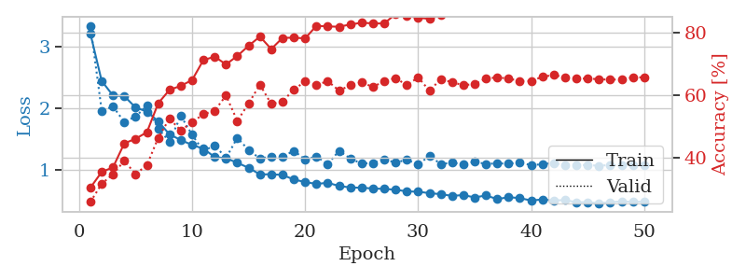
2.1340351611 | 1.7130009293 | 0.41473765432 | 0.31791907514 | 0.35383319855 | 41.473765432 | 31.791907514
2.0546953529 | 2.0012517067 | 0.41010802469 | 0.33140655106 | 0.36195349693 | 41.010802469 | 33.140655106
2.1097236007 | 1.4885937081 | 0.47569444444 | 0.42774566474 | 0.34942126274 | 47.569444444 | 42.774566474
1.9437946945 | 1.4920110119 | 0.52276234568 | 0.42389210019 | 0.3604054451 | 52.276234568 | 42.389210019
1.8770586938 | 2.5068477459 | 0.50424382716 | 0.34682080925 | 0.34728765488 | 50.424382716 | 34.682080925
1.76178675 | 1.4024456394 | 0.62384259259 | 0.48554913295 | 0.35766005516 | 62.384259259 | 48.554913295
1.6309339345 | 1.377686337 | 0.6400462963 | 0.52215799615 | 0.38074922562 | 64.00462963 | 52.215799615
1.4238073349 | 1.2351362896 | 0.68364197531 | 0.58574181118 | 0.35774445534 | 68.364197531 | 58.574181118
1.2713874787 | 1.6375421453 | 0.66473765432 | 0.47206165703 | 0.350679636 | 66.473765432 | 47.206165703
1.2857864708 | 1.5572596979 | 0.67939814815 | 0.5105973025 | 0.36341977119 | 67.939814815 | 51.05973025
1.1481095344 | 1.4270730913 | 0.72646604938 | 0.55298651252 | 0.35388684273 | 72.646604938 | 55.298651252
1.0929461285 | 1.410809651 | 0.75038580247 | 0.56647398844 | 0.35492968559 | 75.038580247 | 56.647398844
1.0319103613 | 1.2176166394 | 0.70910493827 | 0.58766859345 | 0.35860109329 | 70.910493827 | 58.766859345
1.0137359515 | 1.5093630311 | 0.73186728395 | 0.54527938343 | 0.36004257202 | 73.186728395 | 54.527938343
0.97459214926 | 1.3564276378 | 0.74922839506 | 0.59344894027 | 0.3511300087 | 74.922839506 | 59.344894027
0.86747572124 | 1.1958319121 | 0.79475308642 | 0.60308285164 | 0.35014462471 | 79.475308642 | 60.308285164
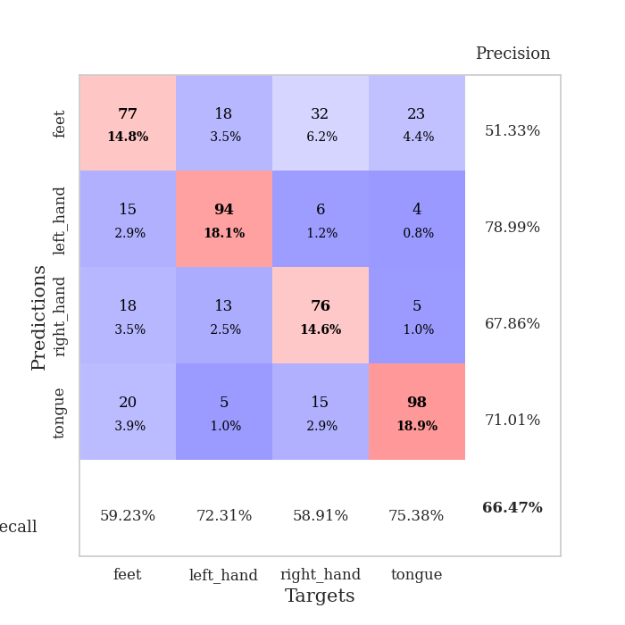
0.88828706741 | 1.2077546997 | 0.80092592593 | 0.60500963391 | 0.35051107407 | 80.092592593 | 60.500963391
0.79968938529 | 1.2088993762 | 0.82021604938 | 0.60308285164 | 0.35377907753 | 82.021604938 | 60.308285164
0.77448119372 | 1.1740021595 | 0.80054012346 | 0.63583815029 | 0.35594511032 | 80.054012346 | 63.583815029
0.7690311268 | 1.1680286062 | 0.82523148148 | 0.61464354528 | 0.35544919968 | 82.523148148 | 61.464354528
0.74269140363 | 1.1883731104 | 0.82214506173 | 0.63005780347 | 0.38137459755 | 82.214506173 | 63.005780347
0.69051834643 | 1.1546559145 | 0.80632716049 | 0.60500963391 | 0.35285997391 | 80.632716049 | 60.500963391
0.75530985892 | 1.1394115689 | 0.83757716049 | 0.61078998073 | 0.34209990501 | 83.757716049 | 61.078998073
0.70325541571 | 1.1817045288 | 0.8387345679 | 0.61271676301 | 0.36864972115 | 83.87345679 | 61.271676301
0.67656575963 | 1.1603388175 | 0.8537808642 | 0.61271676301 | 0.34356808662 | 85.37808642 | 61.271676301
0.67841123566 | 1.0565100764 | 0.84375 | 0.6570327553 | 0.34928011894 | 84.375 | 65.70327553
0.65213436708 | 1.1075329294 | 0.84259259259 | 0.63005780347 | 0.35373711586 | 84.259259259 | 63.005780347
0.6520964697 | 1.1406391889 | 0.86304012346 | 0.63005780347 | 0.33606934547 | 86.304012346 | 63.005780347
0.62392129526 | 1.1094034306 | 0.85763888889 | 0.63391136802 | 0.34946775436 | 85.763888889 | 63.391136802
0.6124416627 | 1.0662214251 | 0.86728395062 | 0.65510597303 | 0.35383415222 | 86.728395062 | 65.510597303
0.60052255392 | 1.0873800307 | 0.875 | 0.6570327553 | 0.35615229607 | 87.5 | 65.70327553
0.56747175008 | 1.0648388876 | 0.88271604938 | 0.64547206166 | 0.34761357307 | 88.271604938 | 64.547206166
0.56432640776 | 1.077491859 | 0.87654320988 | 0.65317919075 | 0.34988951683 | 87.654320988 | 65.317919075
0.5653638646 | 1.0833481171 | 0.8850308642 | 0.63198458574 | 0.33984279633 | 88.50308642 | 63.198458574
0.5537480481 | 1.0719471244 | 0.88425925926 | 0.65510597303 | 0.35523629189 | 88.425925926 | 65.510597303
0.52948294953 | 1.1034080277 | 0.88580246914 | 0.65125240848 | 0.35030508041 | 88.580246914 | 65.125240848
0.53488986641 | 1.0806819318 | 0.89274691358 | 0.64161849711 | 0.35712456703 | 89.274691358 | 64.161849711
0.52296179309 | 1.0564792567 | 0.89583333333 | 0.65317919075 | 0.35922026634 | 89.583333333 | 65.317919075
0.51185206175 | 1.0352674417 | 0.90007716049 | 0.6493256262 | 0.35363006592 | 90.007716049 | 64.93256262
0.52248104066 | 1.0595154213 | 0.89814814815 | 0.65510597303 | 0.34459447861 | 89.814814815 | 65.510597303
0.48442027196 | 1.044646055 | 0.90200617284 | 0.65317919075 | 0.36789917946 | 90.200617284 | 65.317919075
0.51082673892 | 1.0367718005 | 0.90162037037 | 0.6493256262 | 0.36984395981 | 90.162037037 | 64.93256262
0.49933013022 | 1.0449819546 | 0.90239197531 | 0.64739884393 | 0.36984467506 | 90.239197531 | 64.739884393
0.48718173765 | 1.0481708234 | 0.90933641975 | 0.6570327553 | 0.36210513115 | 90.933641975 | 65.70327553
0.49800259471 | 1.0484951356 | 0.90663580247 | 0.64739884393 | 0.36699128151 | 90.663580247 | 64.739884393
0.48605070934 | 1.0506132494 | 0.90856481481 | 0.6493256262 | 0.34111571312 | 90.856481481 | 64.93256262
0.49229813442 | 1.0470269337 | 0.90779320988 | 0.6493256262 | 0.35255479813 | 90.779320988 | 64.93256262
0.47275442854 | 1.041262266 | 0.90779320988 | 0.64354527938 | 0.35307860374 | 90.779320988 | 64.354527938

Best Val accuracy is 0.6570327552986512 and Best test accuracy is 0.6483357452966715

Sheet4
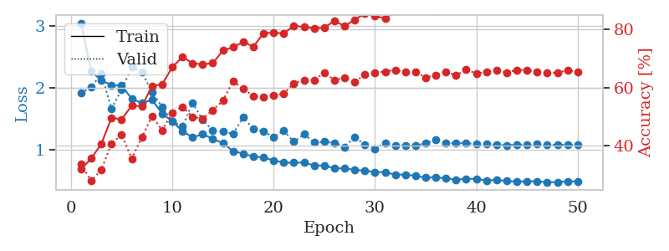
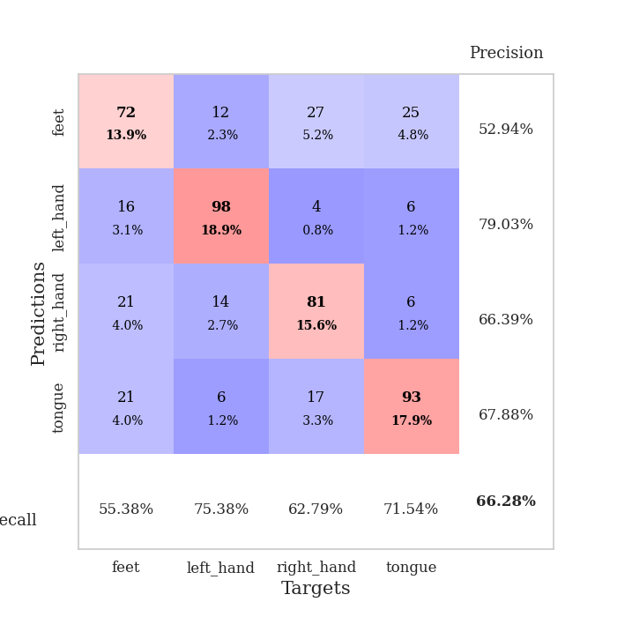
train_loss | valid_loss | train_accuracy | valid_accuracy | dur | train_misclass | valid_misclass
2.9523179144 | 2.7650409884 | 0.29938271605 | 0.29287090559 | 0.34216547012 | 29.938271605 | 29.287090559
2.2349679053 | 2.0689201318 | 0.36458333333 | 0.30443159923 | 0.36240267754 | 36.458333333 | 30.443159923
2.3544695228 | 1.9031947955 | 0.38850308642 | 0.35452793834 | 0.36113858223 | 38.850308642 | 35.452793834
2.1930757582 | 1.620074659 | 0.44521604938 | 0.41233140655 | 0.36186861992 | 44.521604938 | 41.233140655
2.0526213348 | 2.0177159886 | 0.42476851852 | 0.37186897881 | 0.35619044304 | 42.476851852 | 37.186897881
1.9973856509 | 1.4440650568 | 0.5362654321 | 0.44894026975 | 0.37356162071 | 53.62654321 | 44.894026975
1.8000630438 | 2.1313827208 | 0.51350308642 | 0.42196531792 | 0.38114690781 | 51.350308642 | 42.196531792
1.5869704127 | 1.2545630918 | 0.63117283951 | 0.5549132948 | 0.36047244072 | 63.117283951 | 55.49132948
1.5188859552 | 1.3377183379 | 0.62461419753 | 0.5105973025 | 0.37402892113 | 62.461419753 | 51.05973025
1.4536580741 | 1.5716927708 | 0.625 | 0.54142581888 | 0.3556201458 | 62.5 | 54.142581888
1.3858488947 | 1.0973461977 | 0.71643518519 | 0.60886319846 | 0.3692138195 | 71.643518519 | 60.886319846
1.1742016464 | 1.1845183903 | 0.72260802469 | 0.5838150289 | 0.38494300842 | 72.260802469 | 58.38150289
1.1346530974 | 1.1551529902 | 0.71566358025 | 0.60693641618 | 0.36882758141 | 71.566358025 | 60.693641618
1.0460421383 | 1.1154003185 | 0.75192901235 | 0.62620423892 | 0.3691906929 | 75.192901235 | 62.620423892
0.97275104821 | 1.1170187258 | 0.74459876543 | 0.66088631985 | 0.36928606033 | 74.459876543 | 66.088631985
0.92428611368 | 1.0096245513 | 0.77700617284 | 0.65125240848 | 0.35734605789 | 77.700617284 | 65.125240848
0.9387009874 | 1.0741622995 | 0.78472222222 | 0.65125240848 | 0.37669038773 | 78.472222222 | 65.125240848
0.82460898757 | 1.3705459371 | 0.78433641975 | 0.61849710983 | 0.35600304604 | 78.433641975 | 61.849710983
0.8345933646 | 1.0696854279 | 0.80362654321 | 0.65125240848 | 0.36935782433 | 80.362654321 | 65.125240848
0.81939928606 | 1.1491624629 | 0.79783950617 | 0.66088631985 | 0.38022994995 | 79.783950617 | 66.088631985
0.82625356466 | 0.99554011794 | 0.78047839506 | 0.66859344894 | 0.39785981178 | 78.047839506 | 66.859344894
0.77035728991 | 0.97245049752 | 0.83641975309 | 0.66859344894 | 0.36842560768 | 83.641975309 | 66.859344894
0.74824594632 | 1.0702985337 | 0.83294753086 | 0.62813102119 | 0.38722753525 | 83.294753086 | 62.813102119
0.7143391706 | 0.96108811853 | 0.84529320988 | 0.6570327553 | 0.36966729164 | 84.529320988 | 65.70327553
0.70108945891 | 1.1709920163 | 0.82175925926 | 0.66281310212 | 0.36856389046 | 82.175925926 | 66.281310212
0.68121224195 | 1.048671959 | 0.84220679012 | 0.64354527938 | 0.38071084023 | 84.220679012 | 64.354527938
0.67566862106 | 1.1000248373 | 0.84027777778 | 0.66859344894 | 0.37088418007 | 84.027777778 | 66.859344894
0.64157600179 | 1.1071502097 | 0.8487654321 | 0.67437379576 | 0.36582064629 | 84.87654321 | 67.437379576
0.64070768803 | 1.0855806839 | 0.8549382716 | 0.63776493256 | 0.36700057983 | 85.49382716 | 63.776493256
0.61465910077 | 1.03529578 | 0.84722222222 | 0.67437379576 | 0.36164855957 | 84.722222222 | 67.437379576
0.58956412598 | 1.0086347797 | 0.86265432099 | 0.65895953757 | 0.3706715107 | 86.265432099 | 65.895953757
0.59956065491 | 1.0342273749 | 0.87615740741 | 0.65317919075 | 0.37571525574 | 87.615740741 | 65.317919075
0.57383953482 | 1.0105104428 | 0.87731481481 | 0.67822736031 | 0.38258576393 | 87.731481481 | 67.822736031
0.57707812041 | 1.0478228429 | 0.88310185185 | 0.66859344894 | 0.37643623352 | 88.310185185 | 66.859344894
0.5534811914 | 1.0380545866 | 0.88464506173 | 0.66666666667 | 0.35345721245 | 88.464506173 | 66.666666667
0.58400813416 | 1.0337464286 | 0.88310185185 | 0.67630057803 | 0.36783576012 | 88.310185185 | 67.630057803
0.55409677699 | 1.0647938261 | 0.88155864198 | 0.6493256262 | 0.37149691582 | 88.155864198 | 64.93256262
0.55548306704 | 1.039361301 | 0.88580246914 | 0.66859344894 | 0.37298345566 | 88.580246914 | 66.859344894
0.51845798045 | 1.0080179833 | 0.89351851852 | 0.67244701349 | 0.36320471764 | 89.351851852 | 67.244701349
0.5074659586 | 1.0302154733 | 0.89236111111 | 0.68015414258 | 0.36497974396 | 89.236111111 | 68.015414258
0.48256587312 | 1.0223253201 | 0.89544753086 | 0.68208092486 | 0.35745072365 | 89.544753086 | 68.208092486
0.50483391657 | 1.0080240857 | 0.90007716049 | 0.67630057803 | 0.36664104462 | 90.007716049 | 67.630057803
0.50761695877 | 1.0085063109 | 0.90046296296 | 0.67822736031 | 0.3669090271 | 90.046296296 | 67.822736031
0.50435592756 | 1.0349956997 | 0.90162037037 | 0.66859344894 | 0.37013483047 | 90.162037037 | 66.859344894
0.48501510248 | 1.0144349582 | 0.90470679012 | 0.67822736031 | 0.37225413322 | 90.470679012 | 67.822736031
0.47830113173 | 1.0234066108 | 0.90625 | 0.68015414258 | 0.36073684692 | 90.625 | 68.015414258
0.46568108127 | 1.0252780166 | 0.90470679012 | 0.67437379576 | 0.37309098244 | 90.470679012 | 67.437379576
0.46223574281 | 1.0247510826 | 0.90432098765 | 0.67822736031 | 0.36905097961 | 90.432098765 | 67.822736031
0.46739363521 | 1.0229130365 | 0.90663580247 | 0.67630057803 | 0.36382579803 | 90.663580247 | 67.630057803
0.47723905295 | 1.0215243255 | 0.90625 | 0.67822736031 | 0.36168956757 | 90.625 | 67.822736031

Best Val accuracy is 0.6820809248554913 and Best test accuracy is 0.6642547033285094
train_loss | valid_loss | train_accuracy | valid_accuracy | dur | train_misclass | valid_misclass
3.0492868006 | 1.9167466951 | 0.31828703704 | 0.33526011561 | 0.3498647213 | 31.828703704 | 33.526011561
2.2733607799 | 2.0156661311 | 0.35532407407 | 0.2774566474 | 0.35927152634 | 35.532407407 | 27.74566474
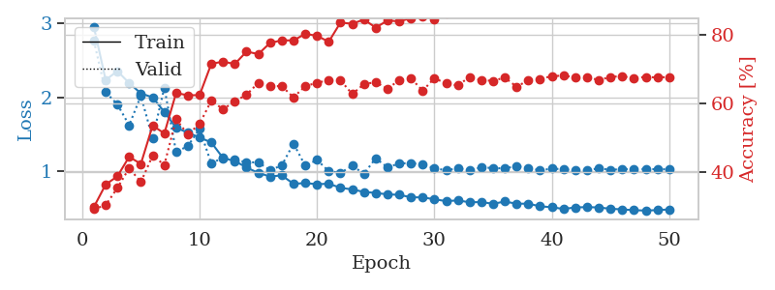
2.1218600065 | 2.2282449354 | 0.40547839506 | 0.31599229287 | 0.33522367477 | 40.547839506 | 31.599229287
2.0487446725 | 1.667379897 | 0.49575617284 | 0.40655105973 | 0.35916352272 | 49.575617284 | 40.655105973
2.0373611003 | 1.9725381855 | 0.4899691358 | 0.43737957611 | 0.34371685982 | 48.99691358 | 43.737957611
1.8281176895 | 2.336874186 | 0.53780864198 | 0.35452793834 | 0.35820436478 | 53.780864198 | 35.452793834
1.7541500092 | 2.2568618144 | 0.53472222222 | 0.42774566474 | 0.36557149887 | 53.472222222 | 42.774566474
1.810452795 | 1.9367373477 | 0.60532407407 | 0.50096339114 | 0.36293506622 | 60.532407407 | 50.096339114
1.5887790173 | 1.6964854693 | 0.61111111111 | 0.4527938343 | 0.34735226631 | 61.111111111 | 45.27938343
1.4607130468 | 1.4630493879 | 0.67013888889 | 0.51252408478 | 0.34923315048 | 67.013888889 | 51.252408478
1.3067066878 | 1.3770699246 | 0.70563271605 | 0.53371868979 | 0.36888051033 | 70.563271605 | 53.371868979
1.2006936252 | 1.7593292777 | 0.68364197531 | 0.49903660886 | 0.34562373161 | 68.364197531 | 49.903660886
1.2573800713 | 1.4876239518 | 0.67978395062 | 0.49325626204 | 0.3477101326 | 67.978395062 | 49.325626204
1.1786938816 | 1.311389608 | 0.68402777778 | 0.52215799615 | 0.35298418999 | 68.402777778 | 52.215799615
1.1095539913 | 1.2969576596 | 0.72762345679 | 0.5549132948 | 0.33314800262 | 72.762345679 | 55.49132948
0.98182627261 | 1.2580688156 | 0.73919753086 | 0.62235067437 | 0.35311675072 | 73.919753086 | 62.235067437
0.93997785598 | 1.5317722644 | 0.75694444444 | 0.59537572254 | 0.3484518528 | 75.694444444 | 59.537572254
0.89407807291 | 1.3387705441 | 0.74112654321 | 0.57032755299 | 0.3410820961 | 74.112654321 | 57.032755299
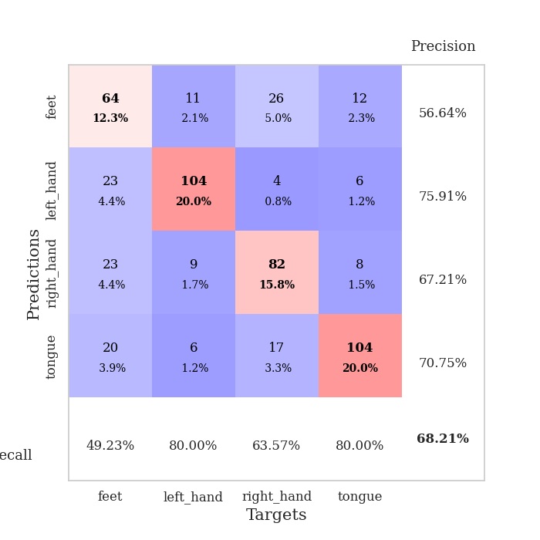
0.87879879624 | 1.2998985505 | 0.78703703704 | 0.56647398844 | 0.35709524155 | 78.703703704 | 56.647398844
0.8317043066 | 1.2093629203 | 0.78973765432 | 0.57418111753 | 0.34967517853 | 78.973765432 | 57.418111753
0.7961828351 | 1.3088983842 | 0.7862654321 | 0.57803468208 | 0.3422832489 | 78.62654321 | 57.803468208
0.79448230863 | 1.1321014715 | 0.81365740741 | 0.61464354528 | 0.34866166115 | 81.365740741 | 61.464354528
0.79807216674 | 1.2539187346 | 0.80864197531 | 0.62620423892 | 0.34535288811 | 80.864197531 | 62.620423892
0.74957502633 | 1.1202132789 | 0.80478395062 | 0.62620423892 | 0.33585309982 | 80.478395062 | 62.620423892
0.7487019524 | 1.1322425459 | 0.80632716049 | 0.65125240848 | 0.34126019478 | 80.632716049 | 65.125240848
0.70293259099 | 1.113177283 | 0.82986111111 | 0.62620423892 | 0.34089326859 | 82.986111111 | 62.620423892
0.70341428667 | 1.0490210268 | 0.81172839506 | 0.63391136802 | 0.36434412003 | 81.172839506 | 63.391136802
0.68074705526 | 1.2120753024 | 0.83410493827 | 0.61849710983 | 0.37074518204 | 83.410493827 | 61.849710983
0.66298911422 | 1.0836114962 | 0.85532407407 | 0.64547206166 | 0.35747647285 | 85.532407407 | 64.547206166
0.64494674131 | 1.0204832416 | 0.84567901235 | 0.65125240848 | 0.37789058685 | 84.567901235 | 65.125240848
0.64172932208 | 1.1133488456 | 0.83950617284 | 0.65510597303 | 0.355291605 | 83.950617284 | 65.510597303
0.6020187512 | 1.0712640818 | 0.8638117284 | 0.66088631985 | 0.36276221275 | 86.38117284 | 66.088631985
0.60401106104 | 1.0768011673 | 0.86766975309 | 0.65317919075 | 0.36525893211 | 86.766975309 | 65.317919075
0.58169214353 | 1.0701180676 | 0.87345679012 | 0.65510597303 | 0.35421323776 | 87.345679012 | 65.510597303
0.55389500186 | 1.1094228923 | 0.87268518519 | 0.63391136802 | 0.36088633537 | 87.268518519 | 63.391136802
0.56072924584 | 1.1590793987 | 0.8638117284 | 0.64354527938 | 0.35501623154 | 86.38117284 | 64.354527938
0.54255277961 | 1.1061032383 | 0.88425925926 | 0.65510597303 | 0.3611946106 | 88.425925926 | 65.510597303
0.52272521406 | 1.1136643786 | 0.88927469136 | 0.64161849711 | 0.36124444008 | 88.927469136 | 64.161849711
0.53353265971 | 1.1105897133 | 0.88927469136 | 0.66281310212 | 0.35095596313 | 88.927469136 | 66.281310212
0.53453027159 | 1.0928602816 | 0.89158950617 | 0.64739884393 | 0.3578877449 | 89.158950617 | 64.739884393
0.50735047907 | 1.0927184698 | 0.8950617284 | 0.65510597303 | 0.36248278618 | 89.50617284 | 65.510597303
0.51726402491 | 1.0824252232 | 0.8962191358 | 0.65895953757 | 0.34901213646 | 89.62191358 | 65.895953757
0.49850558862 | 1.0769074216 | 0.89891975309 | 0.65125240848 | 0.35810852051 | 89.891975309 | 65.125240848
0.49016447365 | 1.088373503 | 0.90702160494 | 0.66088631985 | 0.35714578629 | 90.702160494 | 66.088631985
0.49393881187 | 1.0822365633 | 0.90509259259 | 0.66088631985 | 0.35282874107 | 90.509259259 | 66.088631985
0.49564076513 | 1.0912335599 | 0.90509259259 | 0.65317919075 | 0.36426329613 | 90.509259259 | 65.317919075
0.48117948696 | 1.081494963 | 0.90547839506 | 0.65125240848 | 0.3562233448 | 90.547839506 | 65.125240848
0.48025923073 | 1.0826115824 | 0.90470679012 | 0.65125240848 | 0.35803723335 | 90.470679012 | 65.125240848
0.49602475017 | 1.0855263364 | 0.90509259259 | 0.65895953757 | 0.35568189621 | 90.509259259 | 65.895953757
0.49009247348 | 1.0855799282 | 0.90547839506 | 0.65510597303 | 0.35858511925 | 90.547839506 | 65.510597303

Best Val accuracy is 0.6628131021194605 and Best test accuracy is 0.6526772793053546

Sheet5
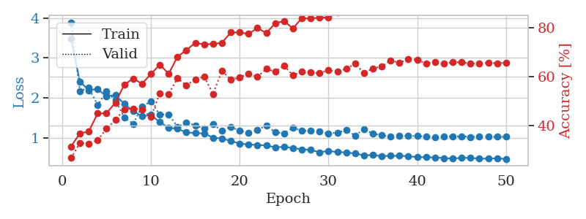
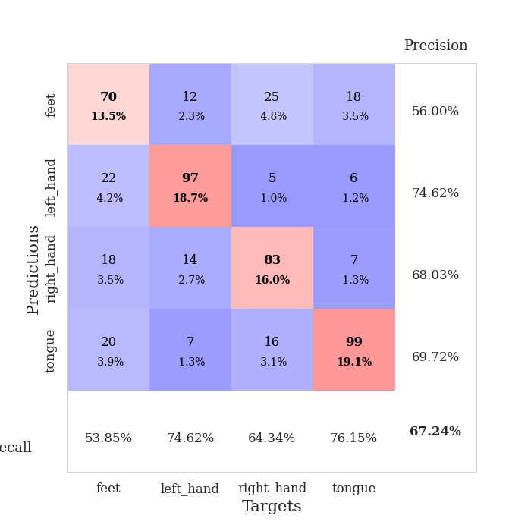
train_loss | valid_loss | train_accuracy | valid_accuracy | dur | train_misclass | valid_misclass
3.0555523187 | 2.0443216089 | 0.28433641975 | 0.24855491329 | 0.36150717735 | 28.433641975 | 24.855491329
2.417912659 | 2.6518844111 | 0.33950617284 | 0.2697495183 | 0.36337995529 | 33.950617284 | 26.97495183
2.375638172 | 4.0258700962 | 0.34837962963 | 0.28323699422 | 0.36957383156 | 34.837962963 | 28.323699422
2.5395930588 | 2.4721172968 | 0.37615740741 | 0.2697495183 | 0.37201690674 | 37.615740741 | 26.97495183
2.0650355101 | 1.5936475517 | 0.47762345679 | 0.41040462428 | 0.3588283062 | 47.762345679 | 41.040462428
1.9467233419 | 1.6880766482 | 0.52662037037 | 0.40077071291 | 0.3852994442 | 52.662037037 | 40.077071291
1.8855461657 | 2.1379250885 | 0.49845679012 | 0.38150289017 | 0.36452722549 | 49.845679012 | 38.150289017
1.756948176 | 1.7470894328 | 0.56905864198 | 0.43352601156 | 0.37397766113 | 56.905864198 | 43.352601156
1.5578954369 | 1.3751877303 | 0.64814814815 | 0.49325626204 | 0.37718391418 | 64.814814815 | 49.325626204
1.3985651746 | 1.7648271079 | 0.62075617284 | 0.48362235067 | 0.3657810688 | 62.075617284 | 48.362235067
1.4857920438 | 1.3148931166 | 0.67669753086 | 0.53179190751 | 0.35831069946 | 67.669753086 | 53.179190751
1.2716603622 | 1.2750775254 | 0.6875 | 0.54335260116 | 0.37033557892 | 68.75 | 54.335260116
1.1616836116 | 1.5757666098 | 0.7037037037 | 0.47784200385 | 0.37641644478 | 70.37037037 | 47.784200385
1.0777201146 | 1.21793149 | 0.71682098765 | 0.58188824663 | 0.36452555656 | 71.682098765 | 58.188824663
1.0154720664 | 1.5544116217 | 0.70679012346 | 0.52793834297 | 0.35579395294 | 70.679012346 | 52.793834297
1.0418136999 | 1.5221925342 | 0.74074074074 | 0.55876685934 | 0.37739276886 | 74.074074074 | 55.876685934
0.94610001594 | 1.1034534033 | 0.78163580247 | 0.62620423892 | 0.37403154373 | 78.163580247 | 62.620423892
0.90593699813 | 1.097317363 | 0.77546296296 | 0.60693641618 | 0.36663818359 | 77.546296296 | 60.693641618
0.88253735602 | 1.1844935312 | 0.7399691358 | 0.61849710983 | 0.36059951782 | 73.99691358 | 61.849710983
0.83684256375 | 1.0845894164 | 0.80709876543 | 0.59344894027 | 0.35276389122 | 80.709876543 | 59.344894027
0.81759443432 | 1.1116396926 | 0.80787037037 | 0.63776493256 | 0.37256121635 | 80.787037037 | 63.776493256
0.8006432943 | 1.0297029299 | 0.81867283951 | 0.64739884393 | 0.36030673981 | 81.867283951 | 64.739884393
0.76108134687 | 1.1504252655 | 0.81442901235 | 0.66473988439 | 0.37531924248 | 81.442901235 | 66.473988439
0.75889150798 | 1.1706366332 | 0.81790123457 | 0.59537572254 | 0.37599086761 | 81.790123457 | 59.537572254
0.74087793827 | 1.141700814 | 0.82908950617 | 0.62620423892 | 0.36059737206 | 82.908950617 | 62.620423892
0.74511737674 | 1.1421086898 | 0.81327160494 | 0.63583815029 | 0.38726043701 | 81.327160494 | 63.583815029
0.72647100687 | 1.0566082008 | 0.82793209877 | 0.63391136802 | 0.36564445496 | 82.793209877 | 63.391136802
0.71187833846 | 1.0944877259 | 0.84027777778 | 0.65895953757 | 0.35750937462 | 84.027777778 | 65.895953757
0.65672745407 | 1.0958723264 | 0.86149691358 | 0.63776493256 | 0.36510634422 | 86.149691358 | 63.776493256
0.64509343803 | 1.0075647011 | 0.85802469136 | 0.65510597303 | 0.38276147842 | 85.802469136 | 65.510597303
0.63137454763 | 1.0889121875 | 0.84529320988 | 0.6493256262 | 0.36814880371 | 84.529320988 | 64.93256262
0.63668909892 | 1.1437392189 | 0.85918209877 | 0.64547206166 | 0.34662079811 | 85.918209877 | 64.547206166
0.61533005908 | 1.1041009509 | 0.86188271605 | 0.6570327553 | 0.35712599754 | 86.188271605 | 65.70327553
0.5749672547 | 1.0114379772 | 0.86728395062 | 0.67437379576 | 0.37312674522 | 86.728395062 | 67.437379576
0.57861684561 | 1.0791760042 | 0.87615740741 | 0.67630057803 | 0.36887192726 | 87.615740741 | 67.630057803
0.58579042926 | 1.0517703816 | 0.87615740741 | 0.66666666667 | 0.35685634613 | 87.615740741 | 66.666666667
0.56807329655 | 1.1212290587 | 0.87191358025 | 0.66473988439 | 0.37996125221 | 87.191358025 | 66.473988439
0.54208398461 | 1.0362242444 | 0.88348765432 | 0.66281310212 | 0.38194537163 | 88.348765432 | 66.281310212
0.5493877843 | 1.0593138375 | 0.89043209877 | 0.67244701349 | 0.34790754318 | 89.043209877 | 67.244701349
0.52687140405 | 1.0457834821 | 0.88387345679 | 0.65510597303 | 0.36359643936 | 88.387345679 | 65.510597303
0.53865952343 | 1.030757921 | 0.89660493827 | 0.65125240848 | 0.35575127602 | 89.660493827 | 65.125240848
0.50093110129 | 1.0422419872 | 0.8962191358 | 0.67052023121 | 0.3664598465 | 89.62191358 | 67.052023121
0.51060410663 | 1.0469783524 | 0.90162037037 | 0.66666666667 | 0.37156414986 | 90.162037037 | 66.666666667
0.51287169904 | 1.0471937004 | 0.89776234568 | 0.66473988439 | 0.36522245407 | 89.776234568 | 66.473988439
0.4793303296 | 1.0353863441 | 0.90046296296 | 0.66666666667 | 0.37538814545 | 90.046296296 | 66.666666667
0.49934785366 | 1.0346083898 | 0.90200617284 | 0.65895953757 | 0.36134290695 | 90.200617284 | 65.895953757
0.48528080806 | 1.0206064778 | 0.90354938272 | 0.65895953757 | 0.36000084877 | 90.354938272 | 65.895953757
0.48956343085 | 1.0202790625 | 0.90316358025 | 0.66473988439 | 0.36537003517 | 90.316358025 | 66.473988439
0.48978018984 | 1.0266361503 | 0.90316358025 | 0.66473988439 | 0.35429501534 | 90.316358025 | 66.473988439
0.49131362364 | 1.0352658706 | 0.90162037037 | 0.66666666667 | 0.38059687614 | 90.162037037 | 66.666666667

Best Val accuracy is 0.6763005780346821 and Best test accuracy is 0.6256632899179932
train_loss | valid_loss | train_accuracy | valid_accuracy | dur | train_misclass | valid_misclass
3.4766930491 | 3.891086472 | 0.31520061728 | 0.26782273603 | 0.36242985725 | 31.520061728 | 26.782273603
2.4121313453 | 2.176232498 | 0.36844135802 | 0.32947976879 | 0.35977053642 | 36.844135802 | 32.947976879
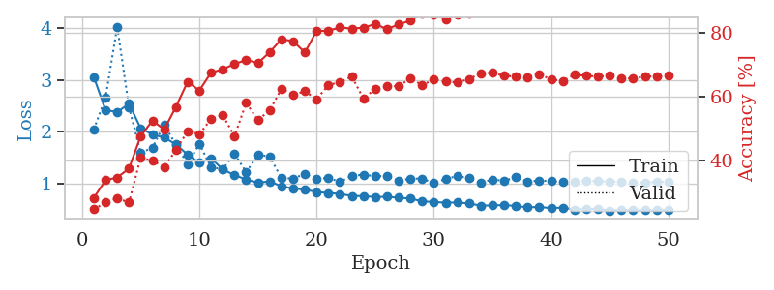
2.1952327579 | 2.2535220855 | 0.37654320988 | 0.32562620424 | 0.3626229763 | 37.654320988 | 32.562620424
2.2275824666 | 1.8253909671 | 0.44984567901 | 0.34104046243 | 0.3654229641 | 44.984567901 | 34.104046243
2.0368745863 | 2.162739394 | 0.45100308642 | 0.38728323699 | 0.36651039124 | 45.100308642 | 38.728323699
2.0771350443 | 1.9522499707 | 0.49421296296 | 0.42389210019 | 0.3511800766 | 49.421296296 | 42.389210019
1.8532182246 | 1.5142652334 | 0.5675154321 | 0.46628131021 | 0.34598588943 | 56.75154321 | 46.628131021
1.6754061908 | 1.3575827483 | 0.59220679012 | 0.47013487476 | 0.35061383247 | 59.220679012 | 47.013487476
1.5423252001 | 1.785035327 | 0.57137345679 | 0.46628131021 | 0.34872508049 | 57.137345679 | 46.628131021
1.5794894516 | 1.9197498659 | 0.61072530864 | 0.43545279383 | 0.35239648819 | 61.072530864 | 43.545279383
1.3985443547 | 1.5800280626 | 0.64930555556 | 0.53179190751 | 0.34933280945 | 64.930555556 | 53.179190751
1.2571885511 | 1.5935667953 | 0.61226851852 | 0.52986512524 | 0.36069202423 | 61.226851852 | 52.986512524
1.2330451801 | 1.2795203384 | 0.68171296296 | 0.59344894027 | 0.37146282196 | 68.171296296 | 59.344894027
1.1424407706 | 1.3869153695 | 0.7087191358 | 0.56454720617 | 0.35684633255 | 70.87191358 | 56.454720617
1.1274043009 | 1.3184512043 | 0.73842592593 | 0.58959537572 | 0.3673915863 | 73.842592593 | 58.959537572
1.1133523628 | 1.2340874543 | 0.73186728395 | 0.59922928709 | 0.34794163704 | 73.186728395 | 59.922928709
1.0111472413 | 1.343365282 | 0.7337962963 | 0.52986512524 | 0.37553930283 | 73.37962963 | 52.986512524
0.9898555696 | 1.1820202237 | 0.73842592593 | 0.62427745665 | 0.34226560593 | 73.842592593 | 62.427745665
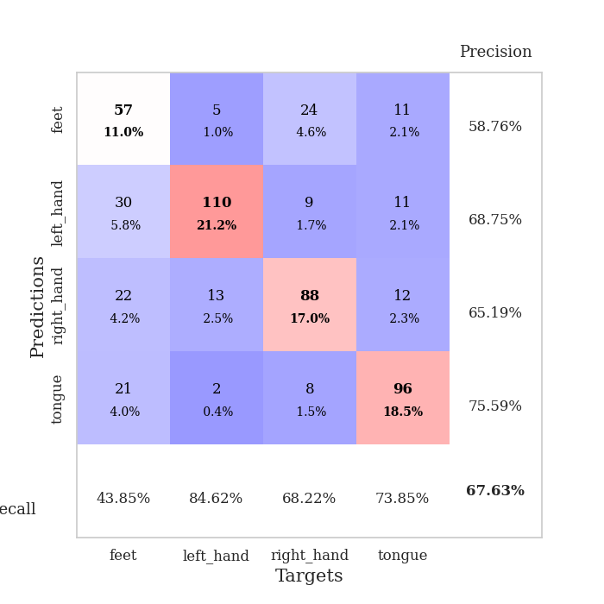
0.9282994017 | 1.2822433 | 0.78086419753 | 0.58766859345 | 0.35039567947 | 78.086419753 | 58.766859345
0.86446274966 | 1.1854586225 | 0.78086419753 | 0.59730250482 | 0.35492920876 | 78.086419753 | 59.730250482
0.84002162367 | 1.1387513378 | 0.77469135802 | 0.61271676301 | 0.34132027626 | 77.469135802 | 61.271676301
0.82792074755 | 1.1996406962 | 0.79938271605 | 0.59922928709 | 0.36638331413 | 79.938271605 | 59.922928709
0.81544271484 | 1.3151482447 | 0.77777777778 | 0.63198458574 | 0.36381340027 | 77.777777778 | 63.198458574
0.77211492062 | 1.1434060342 | 0.81905864198 | 0.6204238921 | 0.34151148796 | 81.905864198 | 62.04238921
0.77989536673 | 1.1135526595 | 0.82716049383 | 0.64547206166 | 0.35776615143 | 82.716049383 | 64.547206166
0.75308741704 | 1.2567509739 | 0.79706790123 | 0.60500963391 | 0.35762166977 | 79.706790123 | 60.500963391
0.7196068354 | 1.1846546626 | 0.83912037037 | 0.6204238921 | 0.36164975166 | 83.912037037 | 62.04238921
0.7053173393 | 1.1799451423 | 0.83719135802 | 0.61849710983 | 0.37766385078 | 83.719135802 | 61.849710983
0.64670021906 | 1.1670346522 | 0.84182098765 | 0.61464354528 | 0.3520386219 | 84.182098765 | 61.464354528
0.68196226433 | 1.116589695 | 0.84143518519 | 0.62620423892 | 0.37848496437 | 84.143518519 | 62.620423892
0.64917791858 | 1.1372244349 | 0.86111111111 | 0.6204238921 | 0.35926985741 | 86.111111111 | 62.04238921
0.64405585229 | 1.194508078 | 0.86766975309 | 0.63198458574 | 0.3377661705 | 86.766975309 | 63.198458574
0.6119644165 | 1.0664688856 | 0.87152777778 | 0.65317919075 | 0.3774266243 | 87.152777778 | 65.317919075
0.57094901577 | 1.2209387432 | 0.86844135802 | 0.61464354528 | 0.37163496017 | 86.844135802 | 61.464354528
0.5763538532 | 1.1103293983 | 0.88387345679 | 0.63391136802 | 0.35891699791 | 88.387345679 | 63.391136802
0.54928619117 | 1.073058851 | 0.88425925926 | 0.64161849711 | 0.36749386787 | 88.425925926 | 64.161849711
0.55638427585 | 1.0311266999 | 0.8950617284 | 0.66666666667 | 0.34587478638 | 89.50617284 | 66.666666667
0.55796927512 | 1.0641201746 | 0.88580246914 | 0.6570327553 | 0.34606313705 | 88.580246914 | 65.70327553
0.54660109729 | 1.0556282292 | 0.89583333333 | 0.67244701349 | 0.36310887337 | 89.583333333 | 67.244701349
0.52498074844 | 1.0509826962 | 0.89891975309 | 0.66859344894 | 0.35652756691 | 89.891975309 | 66.859344894
0.5211505048 | 1.0435832913 | 0.89891975309 | 0.65317919075 | 0.36072158813 | 89.891975309 | 65.317919075
0.51638176441 | 1.0272324386 | 0.90779320988 | 0.66088631985 | 0.34717583656 | 90.779320988 | 66.088631985
0.50111048371 | 1.0457252597 | 0.89969135802 | 0.65317919075 | 0.35973620415 | 89.969135802 | 65.317919075
0.48697205484 | 1.0370236674 | 0.90663580247 | 0.65895953757 | 0.35834860802 | 90.663580247 | 65.895953757
0.50983878225 | 1.045450008 | 0.90972222222 | 0.65895953757 | 0.37258243561 | 90.972222222 | 65.895953757
0.50332451202 | 1.0287489089 | 0.90663580247 | 0.65317919075 | 0.34340405464 | 90.663580247 | 65.317919075
0.49087085351 | 1.0404319958 | 0.90933641975 | 0.65510597303 | 0.35287427902 | 90.933641975 | 65.510597303
0.48462989852 | 1.0312338507 | 0.90702160494 | 0.6570327553 | 0.36887836456 | 90.702160494 | 65.70327553
0.49897355139 | 1.0329503774 | 0.90779320988 | 0.65510597303 | 0.3582816124 | 90.779320988 | 65.510597303
0.47642590553 | 1.0307812266 | 0.90740740741 | 0.6570327553 | 0.34361600876 | 90.740740741 | 65.70327553

Best Val accuracy is 0.6724470134874759 and Best test accuracy is 0.6676314520019295

Sheet6
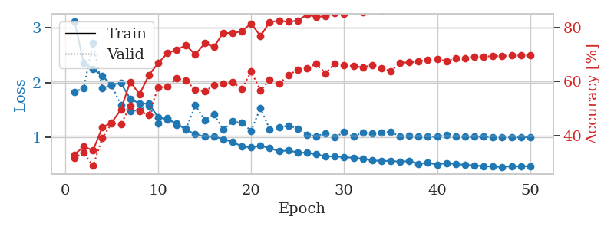
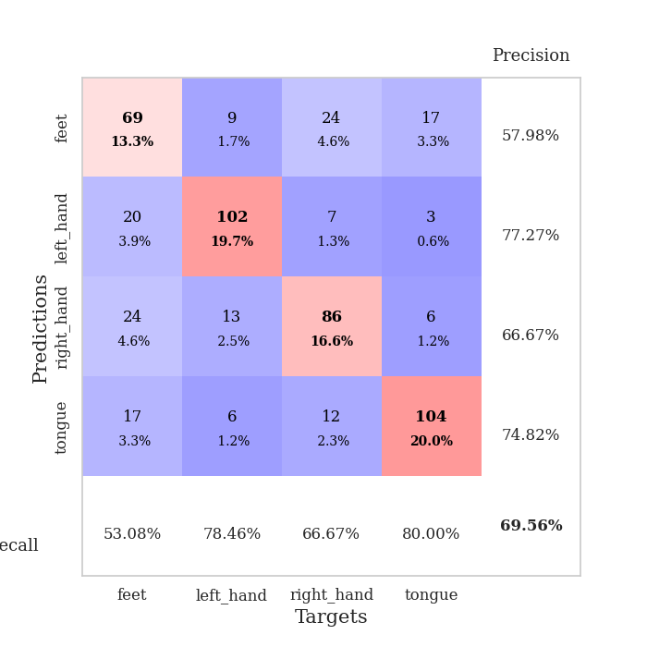
train_loss | valid_loss | train_accuracy | valid_accuracy | dur | train_misclass | valid_misclass
2.9088097841 | 3.3159216879 | 0.2650462963 | 0.25240847784 | 0.34046077728 | 26.50462963 | 25.240847784
2.2559851587 | 1.616920671 | 0.33487654321 | 0.34489402697 | 0.34962272644 | 33.487654321 | 34.489402697
2.253008613 | 1.7738219001 | 0.40509259259 | 0.36801541426 | 0.36252236366 | 40.509259259 | 36.801541426
2.0539280325 | 2.2627973648 | 0.42978395062 | 0.32947976879 | 0.35232234001 | 42.978395062 | 32.947976879
2.1047151983 | 1.6923307017 | 0.48765432099 | 0.39499036609 | 0.35916352272 | 48.765432099 | 39.499036609
1.9171438605 | 1.9833468796 | 0.54089506173 | 0.40269749518 | 0.37067937851 | 54.089506173 | 40.269749518
1.7175577998 | 1.5980877821 | 0.59915123457 | 0.53564547206 | 0.35516238213 | 59.915123457 | 53.564547206
1.5918134212 | 2.5059015349 | 0.55401234568 | 0.41233140655 | 0.3701107502 | 55.401234568 | 41.233140655
1.5382377654 | 1.5945791307 | 0.64776234568 | 0.5183044316 | 0.36354184151 | 64.776234568 | 51.83044316
1.4705615163 | 1.344590448 | 0.70023148148 | 0.57996146435 | 0.36203742027 | 70.023148148 | 57.996146435
1.3841966555 | 1.5864881815 | 0.64390432099 | 0.52793834297 | 0.35649490356 | 64.390432099 | 52.793834297
1.2551758751 | 1.7769555614 | 0.68711419753 | 0.54527938343 | 0.36183595657 | 68.711419753 | 54.527938343
1.1376120582 | 1.2148176939 | 0.74807098765 | 0.56454720617 | 0.36980962753 | 74.807098765 | 56.454720617
1.118597886 | 1.3707957449 | 0.71566358025 | 0.52793834297 | 0.37498569489 | 71.566358025 | 52.793834297
1.0701477796 | 1.2278678537 | 0.71952160494 | 0.54335260116 | 0.37075901031 | 71.952160494 | 54.335260116
0.9686372593 | 1.1586102764 | 0.76466049383 | 0.59922928709 | 0.36448931694 | 76.466049383 | 59.922928709
0.97157633752 | 1.2672074569 | 0.76543209877 | 0.60308285164 | 0.35534667969 | 76.543209877 | 60.308285164
0.87167023271 | 1.1541365171 | 0.80401234568 | 0.59922928709 | 0.35137605667 | 80.401234568 | 59.922928709
0.83210423589 | 1.3056644929 | 0.75964506173 | 0.56840077071 | 0.35118770599 | 75.964506173 | 56.840077071
0.83421149701 | 1.2623395102 | 0.79513888889 | 0.59537572254 | 0.36663866043 | 79.513888889 | 59.537572254
0.81668234468 | 1.0713219608 | 0.79938271605 | 0.64547206166 | 0.35103559494 | 79.938271605 | 64.547206166
0.76325211823 | 1.1281500915 | 0.81983024691 | 0.63391136802 | 0.3745162487 | 81.983024691 | 63.391136802
0.752452185 | 1.1452423036 | 0.81558641975 | 0.63969171484 | 0.36366891861 | 81.558641975 | 63.969171484
0.74030505419 | 1.1300855298 | 0.82291666667 | 0.62813102119 | 0.34479403496 | 82.291666667 | 62.813102119
0.68044097349 | 1.0498746792 | 0.83487654321 | 0.66666666667 | 0.35487222672 | 83.487654321 | 66.666666667
0.66571255326 | 1.0659553332 | 0.85185185185 | 0.64354527938 | 0.37305045128 | 85.185185185 | 64.354527938
0.6507857509 | 1.0879947354 | 0.86419753086 | 0.62813102119 | 0.35553455353 | 86.419753086 | 62.813102119
0.624692031 | 1.0876016582 | 0.85763888889 | 0.63583815029 | 0.35204267502 | 85.763888889 | 63.583815029
0.68598840833 | 1.1383258513 | 0.81095679012 | 0.63969171484 | 0.34828209877 | 81.095679012 | 63.969171484
0.64936869517 | 1.3537023077 | 0.83449074074 | 0.5838150289 | 0.36185717583 | 83.449074074 | 58.38150289
0.62549797893 | 1.1012778553 | 0.87114197531 | 0.63969171484 | 0.36785173416 | 87.114197531 | 63.969171484
0.56737444252 | 1.0184885847 | 0.88695987654 | 0.66473988439 | 0.36173915863 | 88.695987654 | 66.473988439
0.58575651869 | 1.0637680988 | 0.88194444444 | 0.65317919075 | 0.35530948639 | 88.194444444 | 65.317919075
0.54362938404 | 1.0341850423 | 0.88927469136 | 0.64354527938 | 0.36164832115 | 88.927469136 | 64.354527938
0.55941037983 | 1.0803912593 | 0.88773148148 | 0.63198458574 | 0.3722743988 | 88.773148148 | 63.198458574
0.54957497865 | 1.0411227202 | 0.8950617284 | 0.66473988439 | 0.36728239059 | 89.50617284 | 66.473988439
0.5633020103 | 1.0635334391 | 0.89776234568 | 0.66281310212 | 0.36254882812 | 89.776234568 | 66.281310212
0.52391971052 | 1.0469805092 | 0.89814814815 | 0.6493256262 | 0.34347701073 | 89.814814815 | 64.93256262
0.49165181071 | 1.0394736749 | 0.89660493827 | 0.6570327553 | 0.35428857803 | 89.660493827 | 65.70327553
0.50784937441 | 1.0450241614 | 0.89969135802 | 0.65510597303 | 0.36492180824 | 89.969135802 | 65.510597303
0.48831189647 | 1.0348586363 | 0.89891975309 | 0.65510597303 | 0.37044048309 | 89.891975309 | 65.510597303
0.50785033628 | 1.0477207019 | 0.89776234568 | 0.65895953757 | 0.35348367691 | 89.776234568 | 65.895953757
0.47207218334 | 1.0409541165 | 0.90663580247 | 0.6493256262 | 0.3768684864 | 90.663580247 | 64.93256262
0.49687936604 | 1.0382748342 | 0.90972222222 | 0.66666666667 | 0.35663747787 | 90.972222222 | 66.666666667
0.47498979419 | 1.0388023387 | 0.91242283951 | 0.66473988439 | 0.35137987137 | 91.242283951 | 66.473988439
0.45361034274 | 1.0482722339 | 0.91319444444 | 0.67630057803 | 0.36125206947 | 91.319444444 | 67.630057803
0.48162701204 | 1.0305565681 | 0.91165123457 | 0.66666666667 | 0.37290740013 | 91.165123457 | 66.666666667
0.43605582193 | 1.0307849411 | 0.91280864198 | 0.66281310212 | 0.35314393044 | 91.280864198 | 66.281310212
0.44850139022 | 1.0402902879 | 0.91550925926 | 0.66473988439 | 0.34947276115 | 91.550925926 | 66.473988439
0.47364911288 | 1.0363746934 | 0.91396604938 | 0.66473988439 | 0.36216688156 | 91.396604938 | 66.473988439

Best Val accuracy is 0.6763005780346821 and Best test accuracy is 0.6661842739990352
train_loss | valid_loss | train_accuracy | valid_accuracy | dur | train_misclass | valid_misclass
3.1221272528 | 1.8280178325 | 0.32908950617 | 0.31599229287 | 0.36164855957 | 32.908950617 | 31.599229287
2.3642298073 | 1.89937163 | 0.35841049383 | 0.33526011561 | 0.36417078972 | 35.841049383 | 33.526011561
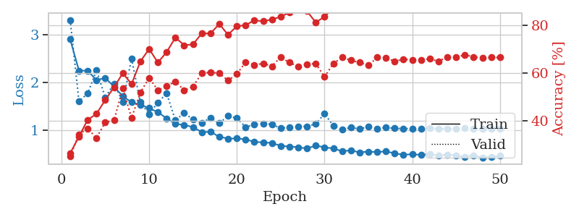
2.2528014034 | 2.7181436535 | 0.34452160494 | 0.28709055877 | 0.34888124466 | 34.452160494 | 28.709055877
2.1192264199 | 1.9038165332 | 0.42978395062 | 0.38921001927 | 0.34595584869 | 42.978395062 | 38.921001927
1.9617095351 | 1.95320522 | 0.44714506173 | 0.4450867052 | 0.33434081078 | 44.714506173 | 44.50867052
1.9926384389 | 1.5909977207 | 0.49537037037 | 0.44123314066 | 0.36092090607 | 49.537037037 | 44.123314066
1.7073881537 | 1.4850295477 | 0.59837962963 | 0.50867052023 | 0.34390568733 | 59.837962963 | 50.867052023
1.6177104533 | 1.4988143646 | 0.55208333333 | 0.4894026975 | 0.34330439568 | 55.208333333 | 48.94026975
1.6174652249 | 1.5827113445 | 0.62307098765 | 0.47591522158 | 0.3485724926 | 62.307098765 | 47.591522158
1.3688356221 | 1.259205356 | 0.6674382716 | 0.57803468208 | 0.34795856476 | 66.74382716 | 57.803468208
1.3292323127 | 1.3557168849 | 0.70447530864 | 0.57996146435 | 0.35484528542 | 70.447530864 | 57.996146435
1.2527998373 | 1.2332109601 | 0.71759259259 | 0.61078998073 | 0.36231613159 | 71.759259259 | 61.078998073
1.1441654906 | 1.1564518558 | 0.73341049383 | 0.60308285164 | 0.34961366653 | 73.341049383 | 60.308285164
1.0548900202 | 1.5898656271 | 0.6986882716 | 0.56840077071 | 0.34730434418 | 69.86882716 | 56.840077071
1.0203415751 | 1.3162383399 | 0.74112654321 | 0.56262042389 | 0.34206867218 | 74.112654321 | 56.262042389
1.0205044523 | 1.4203497147 | 0.72762345679 | 0.58574181118 | 0.35653162003 | 72.762345679 | 58.574181118
0.96810846627 | 1.1422657833 | 0.78009259259 | 0.591522158 | 0.35675239563 | 78.009259259 | 59.1522158
0.91815343797 | 1.2917776936 | 0.77777777778 | 0.59730250482 | 0.3370988369 | 77.777777778 | 59.730250482
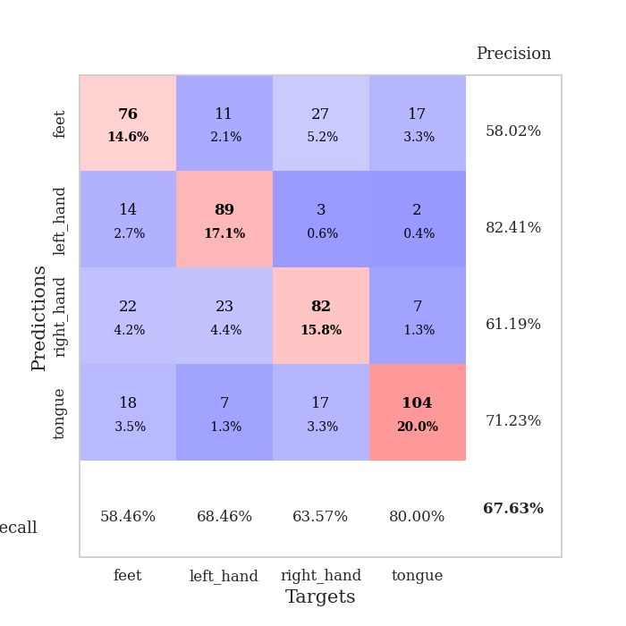
0.83723576665 | 1.2673889033 | 0.78587962963 | 0.57225433526 | 0.34490680695 | 78.587962963 | 57.225433526
0.81914261729 | 1.1212940659 | 0.81442901235 | 0.63583815029 | 0.35932946205 | 81.442901235 | 63.583815029
0.84856573194 | 1.5393169565 | 0.76774691358 | 0.56647398844 | 0.3582804203 | 76.774691358 | 56.647398844
0.80455467701 | 1.144950043 | 0.81944444444 | 0.60500963391 | 0.34070491791 | 81.944444444 | 60.500963391
0.74931067377 | 1.1828992964 | 0.82484567901 | 0.591522158 | 0.35337495804 | 82.484567901 | 59.1522158
0.76391475126 | 1.2140094951 | 0.82021604938 | 0.62235067437 | 0.34438300133 | 82.021604938 | 62.235067437
0.72648094893 | 1.1646653691 | 0.82523148148 | 0.64354527938 | 0.35229921341 | 82.523148148 | 64.354527938
0.72058292776 | 1.0522577368 | 0.84683641975 | 0.6493256262 | 0.3452694416 | 84.683641975 | 64.93256262
0.69434226602 | 1.021251842 | 0.83834876543 | 0.66473988439 | 0.34783673286 | 83.834876543 | 66.473988439
0.65203487799 | 1.0787135434 | 0.84143518519 | 0.63005780347 | 0.36530947685 | 84.143518519 | 63.005780347
0.65978429392 | 1.001718243 | 0.85300925926 | 0.66666666667 | 0.35021305084 | 85.300925926 | 66.666666667
0.63731188849 | 1.0984203309 | 0.85108024691 | 0.65895953757 | 0.35498714447 | 85.108024691 | 65.895953757
0.63268830553 | 1.0117890731 | 0.86728395062 | 0.6570327553 | 0.37358188629 | 86.728395062 | 65.70327553
0.61166817099 | 1.0918298666 | 0.8549382716 | 0.65125240848 | 0.33116340637 | 85.49382716 | 65.125240848
0.58251231238 | 1.0716922083 | 0.86651234568 | 0.66088631985 | 0.34176039696 | 86.651234568 | 66.088631985
0.57085987404 | 1.0887556829 | 0.8599537037 | 0.6493256262 | 0.35173892975 | 85.99537037 | 64.93256262
0.57545928136 | 1.1038990868 | 0.875 | 0.63776493256 | 0.34510064125 | 87.5 | 63.776493256
0.55638921931 | 1.0206163598 | 0.88734567901 | 0.66859344894 | 0.36395692825 | 88.734567901 | 66.859344894
0.57171614617 | 1.031585008 | 0.88464506173 | 0.67052023121 | 0.36308264732 | 88.464506173 | 67.052023121
0.52134905681 | 1.0161469148 | 0.88541666667 | 0.67437379576 | 0.36698555946 | 88.541666667 | 67.437379576
0.53751206696 | 1.0138213212 | 0.88657407407 | 0.68015414258 | 0.35865473747 | 88.657407407 | 68.015414258
0.50723178014 | 1.0166508981 | 0.8900462963 | 0.68400770713 | 0.35143065453 | 89.00462963 | 68.400770713
0.53440289646 | 1.043233535 | 0.87885802469 | 0.67437379576 | 0.34562635422 | 87.885802469 | 67.437379576
0.51702256426 | 1.0118568247 | 0.88966049383 | 0.6859344894 | 0.35734891891 | 88.966049383 | 68.59344894
0.49830469191 | 1.02077919 | 0.9012345679 | 0.6859344894 | 0.34167647362 | 90.12345679 | 68.59344894
0.48855379373 | 1.0162353382 | 0.89737654321 | 0.69171483622 | 0.36143279076 | 89.737654321 | 69.171483622
0.47774203718 | 1.0189471497 | 0.89776234568 | 0.69171483622 | 0.35358071327 | 89.776234568 | 69.171483622
0.46866181716 | 1.0060601028 | 0.89891975309 | 0.6936416185 | 0.35458397865 | 89.891975309 | 69.36416185
0.46282872707 | 1.0092296805 | 0.90162037037 | 0.6936416185 | 0.35157966614 | 90.162037037 | 69.36416185
0.47648561895 | 1.0043586853 | 0.90046296296 | 0.69556840077 | 0.34795761108 | 90.046296296 | 69.556840077
0.47167077512 | 1.0074271359 | 0.90084876543 | 0.69556840077 | 0.35862660408 | 90.084876543 | 69.556840077
0.47759582885 | 1.0041019294 | 0.90007716049 | 0.69556840077 | 0.35146284103 | 90.007716049 | 69.556840077

Best Val accuracy is 0.6955684007707129 and Best test accuracy is 0.662807525325615

Sheet7
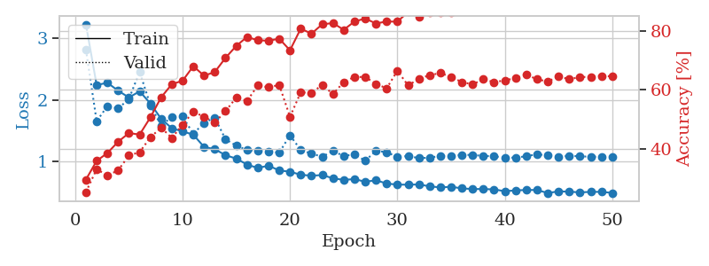
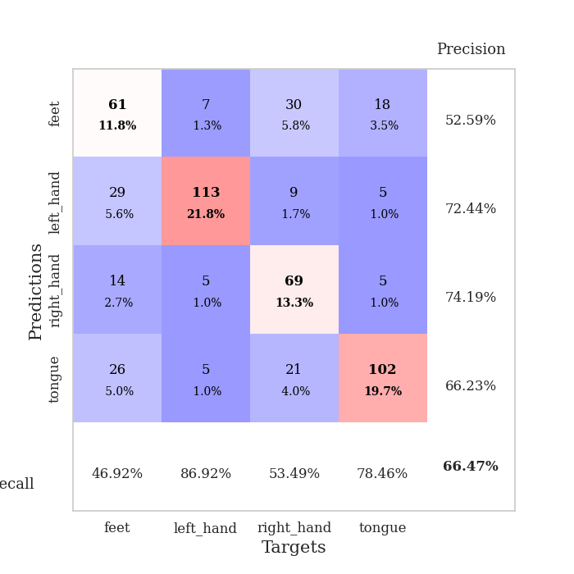
train_loss | valid_loss | train_accuracy | valid_accuracy | dur | train_misclass | valid_misclass
3.1787230074 | 2.2431370392 | 0.28356481481 | 0.29865125241 | 0.36432623863 | 28.356481481 | 29.865125241
2.3278265625 | 2.2300407896 | 0.34837962963 | 0.28709055877 | 0.36727690697 | 34.837962963 | 28.709055877
2.1724956989 | 1.6205803071 | 0.40933641975 | 0.36030828516 | 0.35531425476 | 40.933641975 | 36.030828516
2.0768016189 | 1.7642499082 | 0.45987654321 | 0.39113680154 | 0.38130283356 | 45.987654321 | 39.113680154
2.0366833359 | 2.5677941034 | 0.42554012346 | 0.35645472062 | 0.36405277252 | 42.554012346 | 35.645472062
2.024151504 | 1.8779228942 | 0.51929012346 | 0.41425818882 | 0.35288906097 | 51.929012346 | 41.425818882
1.8201586425 | 2.0123077326 | 0.5725308642 | 0.40269749518 | 0.34656643867 | 57.25308642 | 40.269749518
1.6837807477 | 2.0156786607 | 0.60956790123 | 0.42774566474 | 0.35509872437 | 60.956790123 | 42.774566474
1.5998639703 | 2.0386859383 | 0.59375 | 0.44894026975 | 0.35574293137 | 59.375 | 44.894026975
1.503453058 | 1.5693517189 | 0.65547839506 | 0.50867052023 | 0.36717700958 | 65.547839506 | 50.867052023
1.4111657768 | 1.6359114918 | 0.66782407407 | 0.47784200385 | 0.36016511917 | 66.782407407 | 47.784200385
1.2984773606 | 1.3886614337 | 0.69290123457 | 0.5183044316 | 0.37054896355 | 69.290123457 | 51.83044316
1.198352693 | 1.2636106265 | 0.72067901235 | 0.56069364162 | 0.34984397888 | 72.067901235 | 56.069364162
1.1174485087 | 1.6141953229 | 0.71489197531 | 0.53757225434 | 0.36796450615 | 71.489197531 | 53.757225434
1.0947169781 | 1.2052571243 | 0.76350308642 | 0.5838150289 | 0.37046694756 | 76.350308642 | 58.38150289
1.023616381 | 1.8806058529 | 0.72145061728 | 0.55298651252 | 0.36264967918 | 72.145061728 | 55.298651252
0.97614052296 | 1.3788371872 | 0.77237654321 | 0.55105973025 | 0.35049033165 | 77.237654321 | 55.105973025
0.9548522383 | 1.0940537816 | 0.79205246914 | 0.63005780347 | 0.36827111244 | 79.205246914 | 63.005780347
0.90247631595 | 1.4264722261 | 0.77854938272 | 0.54335260116 | 0.36144995689 | 77.854938272 | 54.335260116
0.89915951341 | 1.9266158381 | 0.75964506173 | 0.4894026975 | 0.3543343544 | 75.964506173 | 48.94026975
0.85863219947 | 1.2836524388 | 0.80632716049 | 0.61271676301 | 0.35324382782 | 80.632716049 | 61.271676301
0.79937265068 | 1.2381265668 | 0.8175154321 | 0.61849710983 | 0.35801553726 | 81.75154321 | 61.849710983
0.7692535311 | 1.2343525188 | 0.79282407407 | 0.58574181118 | 0.36891937256 | 79.282407407 | 58.574181118
0.75971561521 | 1.2525588446 | 0.78163580247 | 0.62813102119 | 0.36481761932 | 78.163580247 | 62.813102119
0.75268515125 | 1.1904950808 | 0.83449074074 | 0.61849710983 | 0.33781671524 | 83.449074074 | 61.849710983
0.7136978738 | 1.2144558744 | 0.83294753086 | 0.60886319846 | 0.36110901833 | 83.294753086 | 60.886319846
0.69314073399 | 1.0925920876 | 0.85648148148 | 0.62620423892 | 0.35856795311 | 85.648148148 | 62.620423892
0.66424063146 | 1.1635202585 | 0.85686728395 | 0.62813102119 | 0.3741569519 | 85.686728395 | 62.813102119
0.67460617796 | 1.0970421104 | 0.86265432099 | 0.64161849711 | 0.35926556587 | 86.265432099 | 64.161849711
0.6458578296 | 1.1863182207 | 0.8549382716 | 0.6204238921 | 0.34752130508 | 85.49382716 | 62.04238921
0.64294175059 | 1.1245820757 | 0.87422839506 | 0.62620423892 | 0.36524438858 | 87.422839506 | 62.620423892
0.61268352643 | 1.2405948198 | 0.86921296296 | 0.61078998073 | 0.35852527618 | 86.921296296 | 61.078998073
0.61487090811 | 1.1707667216 | 0.88040123457 | 0.62235067437 | 0.34658169746 | 88.040123457 | 62.235067437
0.55117286369 | 1.1100843203 | 0.88541666667 | 0.64354527938 | 0.35690546036 | 88.541666667 | 64.354527938
0.59065309688 | 1.0746748323 | 0.88695987654 | 0.64161849711 | 0.36004161835 | 88.695987654 | 64.161849711
0.56898540482 | 1.134814894 | 0.88734567901 | 0.63198458574 | 0.36029553413 | 88.734567901 | 63.198458574
0.53700156361 | 1.104596415 | 0.89660493827 | 0.63005780347 | 0.36603713036 | 89.660493827 | 63.005780347
0.53243514597 | 1.1187486823 | 0.90277777778 | 0.62813102119 | 0.34499931335 | 90.277777778 | 62.813102119
0.51929633468 | 1.1068811251 | 0.90316358025 | 0.63776493256 | 0.36330842972 | 90.316358025 | 63.776493256
0.51690538377 | 1.1103641991 | 0.90239197531 | 0.63969171484 | 0.35934495926 | 90.239197531 | 63.969171484
0.51698022559 | 1.1432762068 | 0.91049382716 | 0.63583815029 | 0.34888696671 | 91.049382716 | 63.583815029
0.5090789862 | 1.1153610607 | 0.91049382716 | 0.63198458574 | 0.34717988968 | 91.049382716 | 63.198458574
0.48788565025 | 1.1199823101 | 0.91473765432 | 0.63198458574 | 0.36285042763 | 91.473765432 | 63.198458574
0.47663946748 | 1.1528586418 | 0.91550925926 | 0.63583815029 | 0.34792804718 | 91.550925926 | 63.583815029
0.49260903299 | 1.114629929 | 0.91705246914 | 0.63776493256 | 0.36115169525 | 91.705246914 | 63.776493256
0.4823353298 | 1.1178446602 | 0.91550925926 | 0.63005780347 | 0.35513424873 | 91.550925926 | 63.005780347
0.47806880549 | 1.1167883535 | 0.9174382716 | 0.63198458574 | 0.3483839035 | 91.74382716 | 63.198458574
0.48102727979 | 1.1160104394 | 0.91666666667 | 0.62813102119 | 0.354139328 | 91.666666667 | 62.813102119
0.4772088185 | 1.1104589662 | 0.92013888889 | 0.63005780347 | 0.36433076859 | 92.013888889 | 63.005780347
0.47485879585 | 1.1144442733 | 0.91975308642 | 0.63391136802 | 0.35061693192 | 91.975308642 | 63.391136802

Best Val accuracy is 0.6435452793834296 and Best test accuracy is 0.6430294259527255
train_loss | valid_loss | train_accuracy | valid_accuracy | dur | train_misclass | valid_misclass
3.2220155448 | 2.8147307375 | 0.2962962963 | 0.25433526012 | 0.36671590805 | 29.62962963 | 25.433526012
2.2386619955 | 1.6525492429 | 0.35956790123 | 0.33140655106 | 0.35676169395 | 35.956790123 | 33.140655106
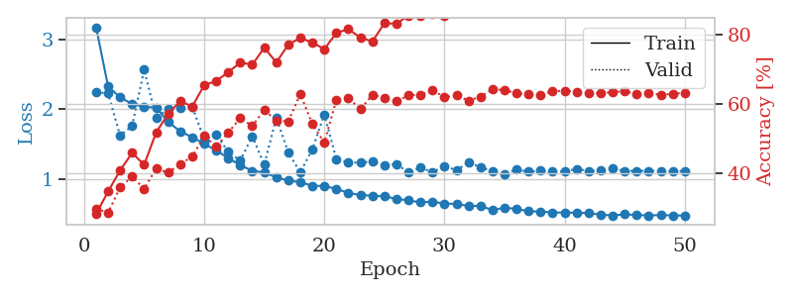
2.276685977 | 1.8980982676 | 0.3861882716 | 0.31021194605 | 0.38247680664 | 38.61882716 | 31.021194605
2.1478185445 | 1.8598440667 | 0.42438271605 | 0.32755298651 | 0.36429333687 | 42.438271605 | 32.755298651
2.0372174054 | 2.0116850053 | 0.4537037037 | 0.37764932563 | 0.36973953247 | 45.37037037 | 37.764932563
2.1371023953 | 2.4540824913 | 0.4486882716 | 0.38921001927 | 0.36913061142 | 44.86882716 | 38.921001927
1.9414110839 | 1.9139992185 | 0.50655864198 | 0.43930635838 | 0.35595536232 | 50.655864198 | 43.930635838
1.6928034663 | 1.5835244679 | 0.57445987654 | 0.47206165703 | 0.3490049839 | 57.445987654 | 47.206165703
1.538486892 | 1.7229333925 | 0.61921296296 | 0.43737957611 | 0.35784959793 | 61.921296296 | 43.737957611
1.4894903824 | 1.728880297 | 0.63078703704 | 0.4816955684 | 0.35396552086 | 63.078703704 | 48.16955684
1.434214887 | 1.4484340152 | 0.68016975309 | 0.52601156069 | 0.34940886497 | 68.016975309 | 52.601156069
1.2369757786 | 1.6268921101 | 0.64776234568 | 0.50867052023 | 0.37379860878 | 64.776234568 | 50.867052023
1.1994514689 | 1.7107619091 | 0.66049382716 | 0.4894026975 | 0.36599731445 | 66.049382716 | 48.94026975
1.102324976 | 1.3595414538 | 0.70833333333 | 0.52793834297 | 0.35694670677 | 70.833333333 | 52.793834297
1.04724482 | 1.2576288479 | 0.74884259259 | 0.57418111753 | 0.37349128723 | 74.884259259 | 57.418111753
0.95095902681 | 1.1874512845 | 0.77893518519 | 0.56262042389 | 0.36383652687 | 77.893518519 | 56.262042389
0.89552440494 | 1.1711045832 | 0.76774691358 | 0.61464354528 | 0.36310791969 | 76.774691358 | 61.464354528
0.933034724 | 1.1571193398 | 0.7662037037 | 0.60886319846 | 0.35008120537 | 76.62037037 | 60.886319846
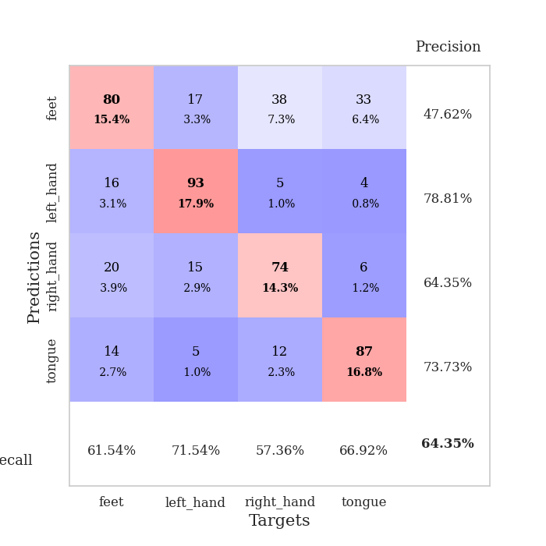
0.85492274091 | 1.1453773985 | 0.77314814815 | 0.61657032755 | 0.37881326675 | 77.314814815 | 61.657032755
0.83606211692 | 1.4248659537 | 0.7337962963 | 0.50867052023 | 0.3736410141 | 73.37962963 | 50.867052023
0.78501486033 | 1.1874727399 | 0.80709876543 | 0.591522158 | 0.37261247635 | 80.709876543 | 59.1522158
0.77059115171 | 1.1273964545 | 0.79012345679 | 0.58959537572 | 0.35735344887 | 79.012345679 | 58.959537572
0.78044704497 | 1.0788327982 | 0.82175925926 | 0.61657032755 | 0.36402845383 | 82.175925926 | 61.657032755
0.72931885496 | 1.1693383876 | 0.82600308642 | 0.58574181118 | 0.37492108345 | 82.600308642 | 58.574181118
0.70182209164 | 1.0907075819 | 0.80324074074 | 0.62620423892 | 0.37318491936 | 80.324074074 | 62.620423892
0.71620549262 | 1.1167509758 | 0.83101851852 | 0.64354527938 | 0.37055873871 | 83.101851852 | 64.354527938
0.67202086076 | 1.0135652523 | 0.84143518519 | 0.64354527938 | 0.36428880692 | 84.143518519 | 64.354527938
0.6966362834 | 1.1722071332 | 0.82445987654 | 0.6204238921 | 0.36331343651 | 82.445987654 | 62.04238921
0.64360421076 | 1.1530433712 | 0.83140432099 | 0.60500963391 | 0.37844133377 | 83.140432099 | 60.500963391
0.62573003769 | 1.0717699629 | 0.83063271605 | 0.66473988439 | 0.37988638878 | 83.063271605 | 66.473988439
0.6252276592 | 1.0906054693 | 0.8638117284 | 0.61464354528 | 0.3750500679 | 86.38117284 | 61.464354528
0.6282216005 | 1.0544352054 | 0.84799382716 | 0.63776493256 | 0.35348725319 | 84.799382716 | 63.776493256
0.59856506586 | 1.0628276992 | 0.86265432099 | 0.6493256262 | 0.36282277107 | 86.265432099 | 64.93256262
0.5799349986 | 1.091126917 | 0.86342592593 | 0.6570327553 | 0.37492656708 | 86.342592593 | 65.70327553
0.59144852683 | 1.0839894071 | 0.86265432099 | 0.64354527938 | 0.37953782082 | 86.265432099 | 64.354527938
0.56460532174 | 1.1081404576 | 0.87962962963 | 0.62620423892 | 0.36638975143 | 87.962962963 | 62.620423892
0.55439352691 | 1.1061602971 | 0.87924382716 | 0.61849710983 | 0.36709427834 | 87.924382716 | 61.849710983
0.55431327671 | 1.0913967994 | 0.88040123457 | 0.63583815029 | 0.36091327667 | 88.040123457 | 63.583815029
0.54854176641 | 1.0839793999 | 0.8861882716 | 0.62620423892 | 0.3628821373 | 88.61882716 | 62.620423892
0.51879329309 | 1.064381305 | 0.88695987654 | 0.63198458574 | 0.36800289154 | 88.695987654 | 63.198458574
0.53272848204 | 1.0618241348 | 0.88850308642 | 0.63969171484 | 0.36238074303 | 88.850308642 | 63.969171484
0.53882025555 | 1.0862514123 | 0.8861882716 | 0.65125240848 | 0.3649020195 | 88.61882716 | 65.125240848
0.53900459558 | 1.1172190282 | 0.88657407407 | 0.63583815029 | 0.36106157303 | 88.657407407 | 63.583815029
0.48901065588 | 1.0993840309 | 0.88773148148 | 0.62813102119 | 0.36432600021 | 88.773148148 | 62.813102119
0.51731911749 | 1.0771209114 | 0.89313271605 | 0.64547206166 | 0.36442613602 | 89.313271605 | 64.547206166
0.51150476485 | 1.0917591925 | 0.89390432099 | 0.63583815029 | 0.35621619225 | 89.390432099 | 63.583815029
0.50040082633 | 1.0855061438 | 0.89737654321 | 0.64354527938 | 0.3635160923 | 89.737654321 | 64.354527938
0.50836035013 | 1.0763929474 | 0.89390432099 | 0.64354527938 | 0.36283111572 | 89.390432099 | 64.354527938
0.50853312016 | 1.0797599088 | 0.89390432099 | 0.64739884393 | 0.37011861801 | 89.390432099 | 64.739884393
0.49185968712 | 1.0811610948 | 0.89429012346 | 0.64547206166 | 0.35706186295 | 89.429012346 | 64.547206166

Best Val accuracy is 0.6647398843930635 and Best test accuracy is 0.6502653159671973

Sheet8
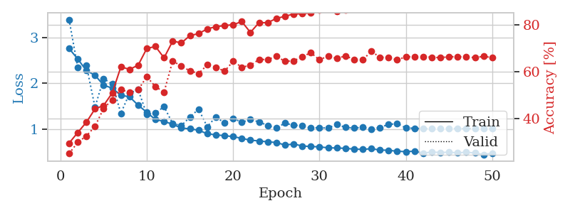
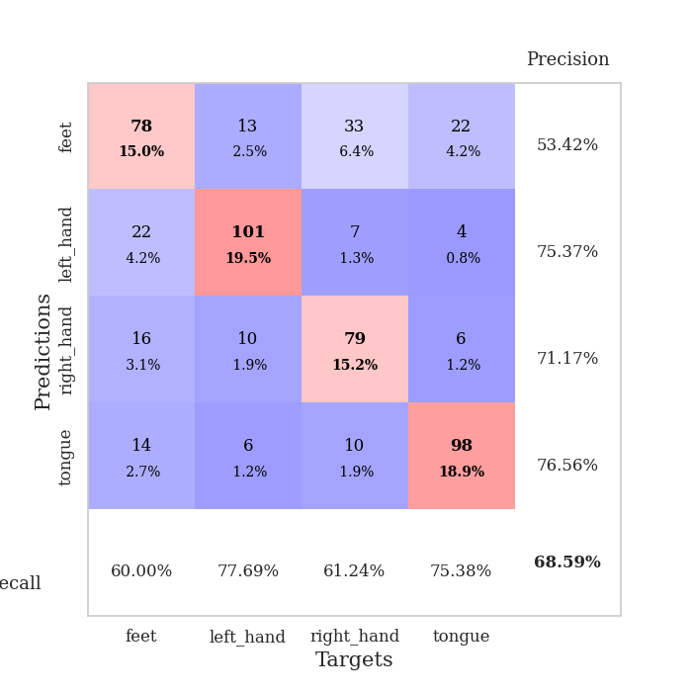
train_loss | valid_loss | train_accuracy | valid_accuracy | dur | train_misclass | valid_misclass
3.5152271032 | 2.2806920817 | 0.30324074074 | 0.27552986513 | 0.35645079613 | 30.324074074 | 27.552986513
2.2883342534 | 1.8993858267 | 0.35686728395 | 0.33526011561 | 0.35657858849 | 35.686728395 | 33.526011561
2.3000377119 | 2.7514002259 | 0.33834876543 | 0.26782273603 | 0.3630065918 | 33.834876543 | 26.782273603
2.2027356982 | 2.9432628897 | 0.375 | 0.28709055877 | 0.36991453171 | 37.5 | 28.709055877
2.1469826698 | 2.1933438523 | 0.4587191358 | 0.37764932563 | 0.37273597717 | 45.87191358 | 37.764932563
1.9277183264 | 1.4244736977 | 0.52160493827 | 0.44123314066 | 0.37499070168 | 52.160493827 | 44.123314066
1.6713441759 | 1.4398445977 | 0.57484567901 | 0.51637764933 | 0.36674523354 | 57.484567901 | 51.637764933
1.5327802196 | 1.4772549725 | 0.62847222222 | 0.52601156069 | 0.35711741447 | 62.847222222 | 52.601156069
1.5245979816 | 2.0071181155 | 0.59413580247 | 0.44894026975 | 0.36093139648 | 59.413580247 | 44.894026975
1.3570678473 | 1.3103256046 | 0.64776234568 | 0.5472061657 | 0.35508966446 | 64.776234568 | 54.72061657
1.2519289896 | 1.2214429277 | 0.69560185185 | 0.58574181118 | 0.366751194 | 69.560185185 | 58.574181118
1.1210601747 | 1.2020874685 | 0.71296296296 | 0.57803468208 | 0.36118459702 | 71.296296296 | 57.803468208
1.1054385424 | 1.5307241443 | 0.69945987654 | 0.53179190751 | 0.3574078083 | 69.945987654 | 53.179190751
1.0655570015 | 1.2787289585 | 0.73533950617 | 0.57803468208 | 0.37588953972 | 73.533950617 | 57.803468208
1.0328549981 | 1.4535276201 | 0.71257716049 | 0.55298651252 | 0.35844349861 | 71.257716049 | 55.298651252
0.91819328368 | 1.1167900167 | 0.7611882716 | 0.6204238921 | 0.36283612251 | 76.11882716 | 62.04238921
0.88136640936 | 1.1198686152 | 0.78510802469 | 0.61078998073 | 0.36531376839 | 78.510802469 | 61.078998073
0.80120494068 | 1.1791482608 | 0.79938271605 | 0.63583815029 | 0.35905146599 | 79.938271605 | 63.583815029
0.82812899202 | 1.1740683172 | 0.79282407407 | 0.60115606936 | 0.37428855896 | 79.282407407 | 60.115606936
0.77504127547 | 1.1473495992 | 0.81635802469 | 0.64354527938 | 0.36267781258 | 81.635802469 | 64.354527938
0.79673890397 | 1.03628346 | 0.8074845679 | 0.6570327553 | 0.36146616936 | 80.74845679 | 65.70327553
0.76103940234 | 1.0614465689 | 0.82561728395 | 0.66088631985 | 0.3593711853 | 82.561728395 | 66.088631985
0.72498429939 | 1.1007620461 | 0.82947530864 | 0.65125240848 | 0.3839366436 | 82.947530864 | 65.125240848
0.67808986828 | 1.1676966522 | 0.82060185185 | 0.64739884393 | 0.35463023186 | 82.060185185 | 64.739884393
0.70754174441 | 1.0959112582 | 0.84953703704 | 0.65510597303 | 0.36115670204 | 84.953703704 | 65.510597303
0.68219636679 | 1.0865183635 | 0.84645061728 | 0.62813102119 | 0.35537409782 | 84.645061728 | 62.813102119
0.6430723235 | 1.1352305449 | 0.84259259259 | 0.64739884393 | 0.37813186646 | 84.259259259 | 64.739884393
0.63885929585 | 1.0089998714 | 0.85763888889 | 0.67244701349 | 0.36598849297 | 85.763888889 | 67.244701349
0.62651566789 | 1.0662568378 | 0.8649691358 | 0.65125240848 | 0.35596418381 | 86.49691358 | 65.125240848
0.61520475522 | 1.0649845063 | 0.86342592593 | 0.63969171484 | 0.35230660439 | 86.342592593 | 63.969171484
0.59212463498 | 1.0924320067 | 0.87152777778 | 0.6493256262 | 0.36214447021 | 87.152777778 | 64.93256262
0.57806506231 | 1.0141218329 | 0.88541666667 | 0.67630057803 | 0.36593079567 | 88.541666667 | 67.630057803
0.60505144 | 1.0859630528 | 0.85339506173 | 0.66666666667 | 0.3461151123 | 85.339506173 | 66.666666667
0.55171672031 | 1.1201205281 | 0.86805555556 | 0.6570327553 | 0.35793089867 | 86.805555556 | 65.70327553
0.5570450902 | 1.0661229302 | 0.89660493827 | 0.65895953757 | 0.36816334724 | 89.660493827 | 65.895953757
0.55523011908 | 1.0305289225 | 0.89776234568 | 0.68015414258 | 0.37064623833 | 89.776234568 | 68.015414258
0.54231399596 | 1.0229102998 | 0.89930555556 | 0.68015414258 | 0.36045980453 | 89.930555556 | 68.015414258
0.49942288697 | 1.0599748532 | 0.89699074074 | 0.67052023121 | 0.37254953384 | 89.699074074 | 67.052023121
0.50313347355 | 1.0104858365 | 0.90663580247 | 0.68208092486 | 0.3685438633 | 90.663580247 | 68.208092486
0.50670535639 | 1.0048235317 | 0.90972222222 | 0.68786127168 | 0.37657523155 | 90.972222222 | 68.786127168
0.49294959828 | 1.0241255944 | 0.91049382716 | 0.66859344894 | 0.36162400246 | 91.049382716 | 66.859344894
0.47482218929 | 1.0457952473 | 0.91165123457 | 0.68015414258 | 0.36310267448 | 91.165123457 | 68.015414258
0.47501114756 | 1.0379643969 | 0.91396604938 | 0.6859344894 | 0.37602186203 | 91.396604938 | 68.59344894
0.44897577986 | 1.0305411315 | 0.91319444444 | 0.68400770713 | 0.36338734627 | 91.319444444 | 68.400770713
0.49530649185 | 1.0514785265 | 0.9162808642 | 0.67822736031 | 0.34690260887 | 91.62808642 | 67.822736031
0.47828804255 | 1.0296866903 | 0.91435185185 | 0.68786127168 | 0.36721968651 | 91.435185185 | 68.786127168
0.47025732435 | 1.0309160968 | 0.91705246914 | 0.6859344894 | 0.3490922451 | 91.705246914 | 68.59344894
0.44459039979 | 1.0353237871 | 0.91435185185 | 0.68208092486 | 0.37776565552 | 91.435185185 | 68.208092486
0.44959852472 | 1.038474071 | 0.91358024691 | 0.68208092486 | 0.38961791992 | 91.358024691 | 68.208092486
0.45375802442 | 1.0336507952 | 0.91550925926 | 0.68400770713 | 0.36154842377 | 91.550925926 | 68.400770713

Best Val accuracy is 0.6878612716763006 and Best test accuracy is 0.6676314520019295
train_loss | valid_loss | train_accuracy | valid_accuracy | dur | train_misclass | valid_misclass
2.7567277879 | 3.386668565 | 0.29513888889 | 0.25048169557 | 0.36841535568 | 29.513888889 | 25.048169557
2.5313019484 | 2.3453646361 | 0.34027777778 | 0.29865125241 | 0.35151195526 | 34.027777778 | 29.865125241
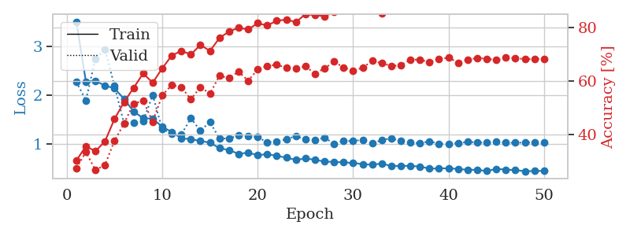
2.2776550531 | 2.3954963652 | 0.38387345679 | 0.32562620424 | 0.37251400948 | 38.387345679 | 32.562620424
2.1761613965 | 1.4827696041 | 0.44058641975 | 0.36608863198 | 0.35684251785 | 44.058641975 | 36.608863198
1.9608614713 | 2.1024629693 | 0.45563271605 | 0.44315992293 | 0.36316013336 | 45.563271605 | 44.315992293
1.8960504323 | 1.9873879259 | 0.50848765432 | 0.47976878613 | 0.34886789322 | 50.848765432 | 47.976878613
1.7404294968 | 1.3504829669 | 0.6199845679 | 0.52215799615 | 0.36541414261 | 61.99845679 | 52.215799615
1.7079568118 | 1.7840234177 | 0.60918209877 | 0.51252408478 | 0.35399794579 | 60.918209877 | 51.252408478
1.5253980726 | 1.8644111777 | 0.62692901235 | 0.52215799615 | 0.34891939163 | 62.692901235 | 52.215799615
1.3724875227 | 1.3240876832 | 0.69791666667 | 0.57803468208 | 0.36795401573 | 69.791666667 | 57.803468208
1.2125439152 | 1.3558546564 | 0.70679012346 | 0.53564547206 | 0.36115574837 | 70.679012346 | 53.564547206
1.1752147928 | 1.4937822451 | 0.65817901235 | 0.51252408478 | 0.36313843727 | 65.817901235 | 51.252408478
1.1087429181 | 1.1269771462 | 0.72955246914 | 0.64547206166 | 0.35913610458 | 72.955246914 | 64.547206166
1.030375126 | 1.0809680226 | 0.72183641975 | 0.62235067437 | 0.36400842667 | 72.183641975 | 62.235067437
1.0117779478 | 1.2696814521 | 0.75270061728 | 0.60308285164 | 0.33366155624 | 75.270061728 | 60.308285164
0.98204614669 | 1.4392940789 | 0.76157407407 | 0.591522158 | 0.35728979111 | 76.157407407 | 59.1522158
0.90504376739 | 1.0572355616 | 0.78125 | 0.62813102119 | 0.34364509583 | 78.125 | 62.813102119
0.8816846177 | 1.2717424512 | 0.79089506173 | 0.61849710983 | 0.3742249012 | 79.089506173 | 61.849710983
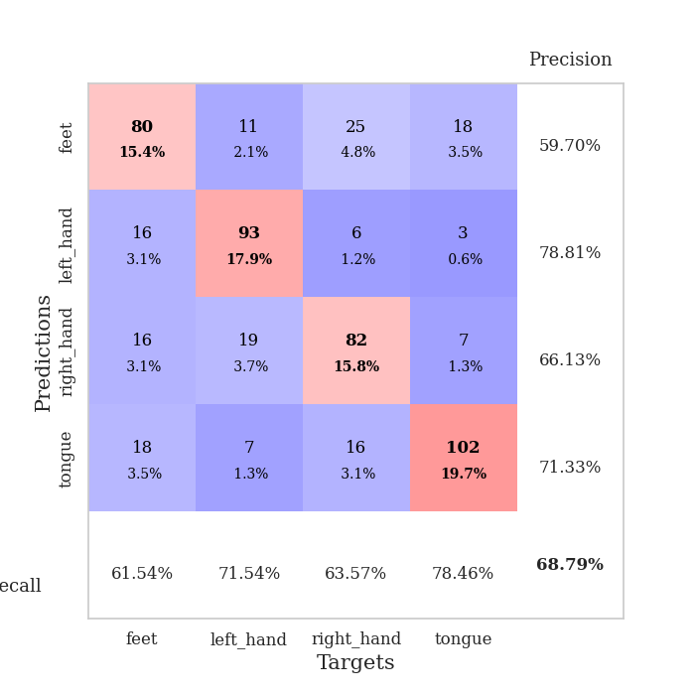
0.86367512196 | 1.1374386193 | 0.79552469136 | 0.60115606936 | 0.34576368332 | 79.552469136 | 60.115606936
0.84350752085 | 1.237965878 | 0.79938271605 | 0.64354527938 | 0.37400102615 | 79.938271605 | 64.354527938
0.80512129217 | 1.1550915241 | 0.8125 | 0.61849710983 | 0.35778427124 | 81.25 | 61.849710983
0.76596115232 | 1.2159285623 | 0.76658950617 | 0.62620423892 | 0.35991501808 | 76.658950617 | 62.620423892
0.74913968146 | 1.162134097 | 0.80787037037 | 0.65125240848 | 0.3462767601 | 80.787037037 | 65.125240848
0.73026831001 | 1.0857895484 | 0.80787037037 | 0.65125240848 | 0.35247015953 | 80.787037037 | 65.125240848
0.71559404209 | 1.0309199586 | 0.82600308642 | 0.66473988439 | 0.3773753643 | 82.600308642 | 66.473988439
0.660049209 | 1.135994721 | 0.83487654321 | 0.64354527938 | 0.35516238213 | 83.487654321 | 64.354527938
0.6829694882 | 1.0886476026 | 0.84490740741 | 0.64547206166 | 0.35572290421 | 84.490740741 | 64.547206166
0.63962229192 | 1.0832397083 | 0.84606481481 | 0.66281310212 | 0.36499643326 | 84.606481481 | 66.281310212
0.62814689353 | 1.0317801099 | 0.84992283951 | 0.68015414258 | 0.36811828613 | 84.992283951 | 68.015414258
0.62100343928 | 1.0361547286 | 0.86342592593 | 0.6493256262 | 0.36539888382 | 86.342592593 | 64.93256262
0.60001069978 | 1.0288052793 | 0.87538580247 | 0.66666666667 | 0.34679484367 | 87.538580247 | 66.666666667
0.59636692479 | 1.1137820967 | 0.85532407407 | 0.65510597303 | 0.3732779026 | 85.532407407 | 65.510597303
0.58829732761 | 1.0422758785 | 0.86342592593 | 0.66666666667 | 0.35866546631 | 86.342592593 | 66.666666667
0.57207531258 | 1.0305314404 | 0.87885802469 | 0.65125240848 | 0.35652971268 | 87.885802469 | 65.125240848
0.56624900401 | 1.0434398688 | 0.87654320988 | 0.6493256262 | 0.37751507759 | 87.654320988 | 64.93256262
0.58009239212 | 1.0050585552 | 0.88233024691 | 0.6859344894 | 0.34242010117 | 88.233024691 | 68.59344894
0.55241032094 | 1.0407159705 | 0.88695987654 | 0.66088631985 | 0.36785912514 | 88.695987654 | 66.088631985
0.5465606682 | 1.1086781852 | 0.89390432099 | 0.65895953757 | 0.37655711174 | 89.390432099 | 65.895953757
0.52468905225 | 1.1233216678 | 0.8850308642 | 0.6493256262 | 0.3586602211 | 88.50308642 | 64.93256262
0.51726353317 | 1.0345531824 | 0.89853395062 | 0.66281310212 | 0.35130023956 | 89.853395062 | 66.281310212
0.52662235126 | 1.0221347942 | 0.8962191358 | 0.66281310212 | 0.39324140549 | 89.62191358 | 66.281310212
0.4864298217 | 1.0172073611 | 0.89776234568 | 0.66281310212 | 0.35339021683 | 89.776234568 | 66.281310212
0.50682834834 | 1.0145880776 | 0.90200617284 | 0.66088631985 | 0.35589361191 | 90.200617284 | 66.088631985
0.49855705872 | 1.0237019733 | 0.90239197531 | 0.65895953757 | 0.35212993622 | 90.239197531 | 65.895953757
0.503455659 | 1.0198087701 | 0.90200617284 | 0.66281310212 | 0.3603117466 | 90.200617284 | 66.281310212
0.49077171236 | 1.0154562079 | 0.90239197531 | 0.66281310212 | 0.36296367645 | 90.239197531 | 66.281310212
0.50280647203 | 1.0139738466 | 0.90470679012 | 0.66281310212 | 0.36312103271 | 90.470679012 | 66.281310212
0.48846654519 | 1.019556153 | 0.90586419753 | 0.65895953757 | 0.38436961174 | 90.586419753 | 65.895953757
0.45243207738 | 1.0247698974 | 0.90470679012 | 0.66473988439 | 0.35643219948 | 90.470679012 | 66.473988439
0.48359372467 | 1.0191727103 | 0.90432098765 | 0.65895953757 | 0.36383891106 | 90.432098765 | 65.895953757

Best Val accuracy is 0.6859344894026975 and Best test accuracy is 0.668113844669561

Sheet9
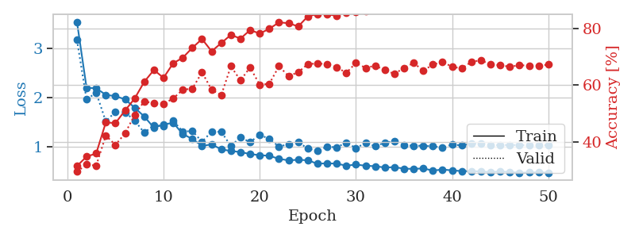
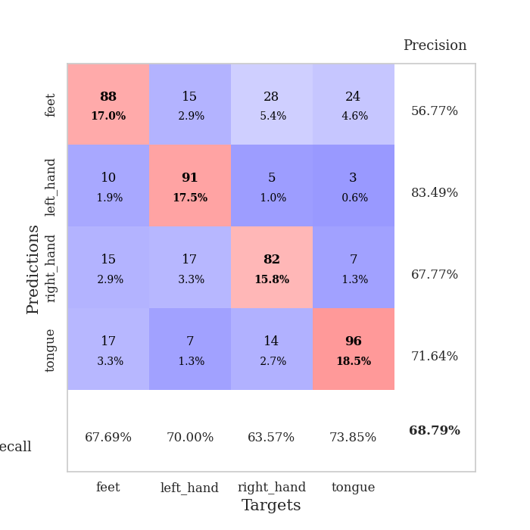
train_loss | valid_loss | train_accuracy | valid_accuracy | dur | train_misclass | valid_misclass
3.3718863636 | 1.6975416976 | 0.31095679012 | 0.33526011561 | 0.34720635414 | 31.095679012 | 33.526011561
2.2080718964 | 2.0414345299 | 0.3599537037 | 0.3140655106 | 0.34299707413 | 35.99537037 | 31.40655106
2.2008586437 | 2.1718204283 | 0.36535493827 | 0.29094412331 | 0.35783219337 | 36.535493827 | 29.094412331
2.2282690525 | 2.2112939142 | 0.40046296296 | 0.31984585742 | 0.35206079483 | 40.046296296 | 31.984585742
1.9661031008 | 1.6648531424 | 0.46219135802 | 0.40462427746 | 0.35417079926 | 46.219135802 | 40.462427746
2.0743404865 | 1.9524254519 | 0.48302469136 | 0.40269749518 | 0.37112498283 | 48.302469136 | 40.269749518
1.8652751207 | 1.7440945059 | 0.55979938272 | 0.45857418112 | 0.34654736519 | 55.979938272 | 45.857418112
1.5448061436 | 2.301660828 | 0.56211419753 | 0.43930635838 | 0.3584189415 | 56.211419753 | 43.930635838
1.6145033449 | 1.5476944874 | 0.63966049383 | 0.53564547206 | 0.33979272842 | 63.966049383 | 53.564547206
1.4030139446 | 1.8443690403 | 0.6350308642 | 0.47784200385 | 0.33183598518 | 63.50308642 | 47.784200385
1.3716918811 | 1.5961038598 | 0.66358024691 | 0.55684007707 | 0.35753631592 | 66.358024691 | 55.684007707
1.2914337873 | 1.38550841 | 0.72916666667 | 0.591522158 | 0.36763238907 | 72.916666667 | 59.1522158
1.1985600084 | 1.535168255 | 0.69444444444 | 0.54335260116 | 0.36634969711 | 69.444444444 | 54.335260116
1.2007848904 | 1.2622907495 | 0.72222222222 | 0.60886319846 | 0.35464334488 | 72.222222222 | 60.886319846
1.0129670575 | 1.2596641363 | 0.75848765432 | 0.61657032755 | 0.35423660278 | 75.848765432 | 61.657032755
1.0738327339 | 1.486578131 | 0.71990740741 | 0.54913294798 | 0.34209918976 | 71.990740741 | 54.913294798
1.0214566082 | 1.258535601 | 0.76658950617 | 0.56840077071 | 0.34813165665 | 76.658950617 | 56.840077071
0.90342662036 | 1.1335210042 | 0.75115740741 | 0.57610789981 | 0.35021471977 | 75.115740741 | 57.610789981
0.90889136195 | 1.2644180402 | 0.78819444444 | 0.58959537572 | 0.34627246857 | 78.819444444 | 58.959537572
0.84684213996 | 1.2132744265 | 0.78510802469 | 0.63776493256 | 0.34031820297 | 78.510802469 | 63.776493256
0.85417439789 | 1.1169046207 | 0.81481481481 | 0.6204238921 | 0.34838247299 | 81.481481481 | 62.04238921
0.82637080103 | 1.2104621154 | 0.80208333333 | 0.65895953757 | 0.35760760307 | 80.208333333 | 65.895953757
0.74337717369 | 1.0365230509 | 0.78009259259 | 0.64354527938 | 0.34308743477 | 78.009259259 | 64.354527938
0.80529419929 | 1.3332246962 | 0.78125 | 0.60115606936 | 0.34329724312 | 78.125 | 60.115606936
0.72323266268 | 1.1373912108 | 0.80864197531 | 0.60308285164 | 0.35611605644 | 80.864197531 | 60.308285164
0.70674457848 | 1.1331397093 | 0.83834876543 | 0.64739884393 | 0.35107254982 | 83.834876543 | 64.739884393
0.7099850826 | 1.0025293046 | 0.83294753086 | 0.64739884393 | 0.3556163311 | 83.294753086 | 64.739884393
0.69645096809 | 1.2427741203 | 0.81597222222 | 0.61657032755 | 0.35772538185 | 81.597222222 | 61.657032755
0.65592259541 | 1.033527765 | 0.86844135802 | 0.64547206166 | 0.34716916084 | 86.844135802 | 64.547206166
0.6318968609 | 0.96964547377 | 0.85069444444 | 0.69171483622 | 0.35907506943 | 85.069444444 | 69.171483622
0.64755986854 | 1.0756042401 | 0.84375 | 0.64739884393 | 0.37036824226 | 84.375 | 64.739884393
0.65128441229 | 1.0064653955 | 0.86766975309 | 0.6493256262 | 0.36091923714 | 86.766975309 | 64.93256262
0.59612276554 | 1.0703111044 | 0.87345679012 | 0.62620423892 | 0.36022686958 | 87.345679012 | 62.620423892
0.59831015319 | 1.0513903079 | 0.8638117284 | 0.68400770713 | 0.35617995262 | 86.38117284 | 68.400770713
0.58413793668 | 1.0427285398 | 0.86766975309 | 0.65125240848 | 0.36617159843 | 86.766975309 | 65.125240848
0.56242590174 | 1.0342792955 | 0.87615740741 | 0.63005780347 | 0.35345363617 | 87.615740741 | 63.005780347
0.56294924244 | 1.0191600952 | 0.88117283951 | 0.65895953757 | 0.36108160019 | 88.117283951 | 65.895953757
0.54447310939 | 1.0179770135 | 0.87654320988 | 0.65895953757 | 0.34976196289 | 87.654320988 | 65.895953757
0.53227340579 | 1.0308321028 | 0.87962962963 | 0.64354527938 | 0.35909795761 | 87.962962963 | 64.354527938
0.53339349031 | 0.99410191575 | 0.89274691358 | 0.65510597303 | 0.34928822517 | 89.274691358 | 65.510597303
0.51533707753 | 0.99012701635 | 0.89043209877 | 0.66473988439 | 0.35890674591 | 89.043209877 | 66.473988439
0.51269097626 | 0.96645433917 | 0.88888888889 | 0.66281310212 | 0.36122608185 | 88.888888889 | 66.281310212
0.51481488347 | 0.98170290333 | 0.8962191358 | 0.66473988439 | 0.35776090622 | 89.62191358 | 66.473988439
0.4922690399 | 0.98164836267 | 0.89429012346 | 0.66859344894 | 0.34787559509 | 89.429012346 | 66.859344894
0.48922691867 | 0.99003526471 | 0.89814814815 | 0.66473988439 | 0.34265136719 | 89.814814815 | 66.473988439
0.50354391634 | 0.99675030768 | 0.89583333333 | 0.67244701349 | 0.3344810009 | 89.583333333 | 67.244701349
0.49433505908 | 0.99594714164 | 0.8962191358 | 0.66473988439 | 0.35259342194 | 89.62191358 | 66.473988439
0.47748044878 | 0.9944978369 | 0.89737654321 | 0.67244701349 | 0.34668183327 | 89.737654321 | 67.244701349
0.48596358821 | 0.99532317196 | 0.89737654321 | 0.66859344894 | 0.35683226585 | 89.737654321 | 66.859344894
0.4889833957 | 0.99073885424 | 0.89891975309 | 0.66473988439 | 0.37046289444 | 89.891975309 | 66.473988439

Best Val accuracy is 0.6917148362235067 and Best test accuracy is 0.6415822479498312
train_loss | valid_loss | train_accuracy | valid_accuracy | dur | train_misclass | valid_misclass
3.537738359 | 3.1690771189 | 0.31442901235 | 0.29479768786 | 0.35995221138 | 31.442901235 | 29.479768786
2.1959144205 | 1.9580515396 | 0.34799382716 | 0.31984585742 | 0.35983514786 | 34.799382716 | 31.984585742
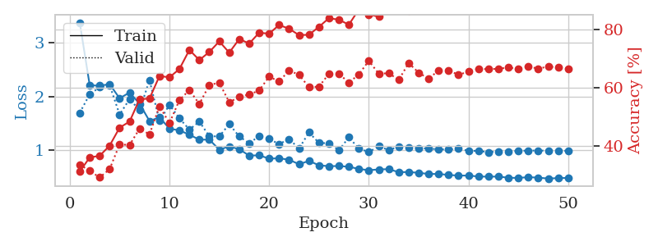
2.1895316482 | 2.0995442821 | 0.3587962963 | 0.31599229287 | 0.38924884796 | 35.87962963 | 31.599229287
2.0534928858 | 1.5131250328 | 0.46836419753 | 0.42196531792 | 0.36241412163 | 46.836419753 | 42.196531792
2.0272389293 | 1.7112623249 | 0.46604938272 | 0.38921001927 | 0.35818123817 | 46.604938272 | 38.921001927
1.9628721058 | 1.6994855307 | 0.51041666667 | 0.42967244701 | 0.36661458015 | 51.041666667 | 42.967244701
1.7924161345 | 1.5321853877 | 0.55285493827 | 0.49518304432 | 0.36363792419 | 55.285493827 | 49.518304432
1.6129491925 | 1.2830341721 | 0.61188271605 | 0.54335260116 | 0.35054731369 | 61.188271605 | 54.335260116
1.3851719022 | 1.4397381282 | 0.65354938272 | 0.53564547206 | 0.36990523338 | 65.354938272 | 53.564547206
1.4495494545 | 1.4192516599 | 0.62577160494 | 0.53371868979 | 0.36346197128 | 62.577160494 | 53.371868979
1.4870885581 | 1.5276935909 | 0.67708333333 | 0.55298651252 | 0.37116074562 | 67.708333333 | 55.298651252
1.2583982483 | 1.3099618845 | 0.69675925926 | 0.5838150289 | 0.37268543243 | 69.675925926 | 58.38150289
1.1564628035 | 1.3163497953 | 0.73186728395 | 0.58766859345 | 0.36953997612 | 73.186728395 | 58.766859345
1.0178344876 | 1.1020553231 | 0.76273148148 | 0.64547206166 | 0.34093856812 | 76.273148148 | 64.547206166
1.0450602129 | 1.3042479871 | 0.71952160494 | 0.5838150289 | 0.3737680912 | 71.952160494 | 58.38150289
0.94759049416 | 1.3024759297 | 0.74845679012 | 0.56454720617 | 0.37408041954 | 74.845679012 | 56.454720617
0.91154693216 | 1.0140573873 | 0.77739197531 | 0.66666666667 | 0.35379290581 | 77.739197531 | 66.666666667
0.89163405001 | 1.1898057419 | 0.76427469136 | 0.61657032755 | 0.37567067146 | 76.427469136 | 61.657032755
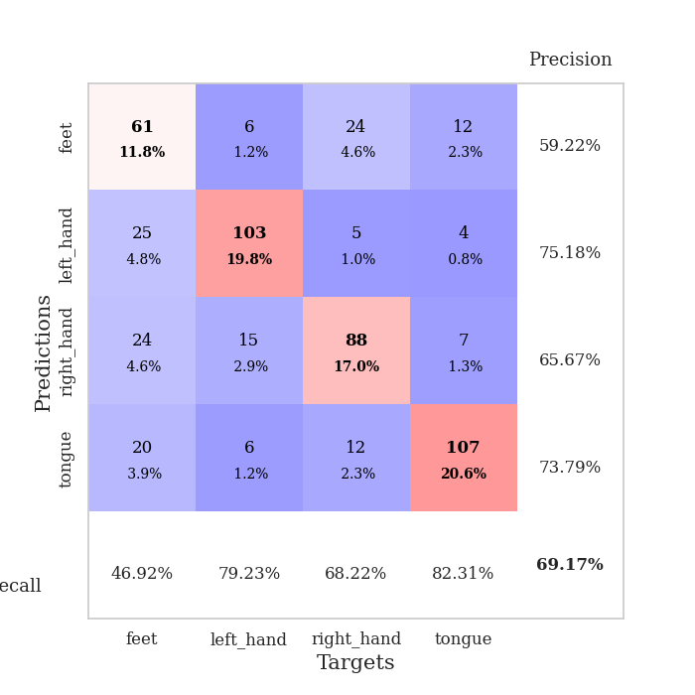
0.85030283332 | 1.0921980561 | 0.79436728395 | 0.66281310212 | 0.36065673828 | 79.436728395 | 66.281310212
0.82743918002 | 1.2445876706 | 0.78202160494 | 0.60115606936 | 0.36909866333 | 78.202160494 | 60.115606936
0.8153679654 | 1.154779069 | 0.79899691358 | 0.60500963391 | 0.38987803459 | 79.899691358 | 60.500963391
0.75299307033 | 1.0043916374 | 0.82137345679 | 0.66666666667 | 0.36238598824 | 82.137345679 | 66.666666667
0.72232533321 | 1.0476122004 | 0.81867283951 | 0.63198458574 | 0.35368847847 | 81.867283951 | 63.198458574
0.73421876132 | 1.0980032813 | 0.80709876543 | 0.64547206166 | 0.38179945946 | 80.709876543 | 64.547206166
0.72382863164 | 0.95816137703 | 0.84259259259 | 0.67437379576 | 0.37177228928 | 84.259259259 | 67.437379576
0.65310780481 | 0.92350432179 | 0.85108024691 | 0.67630057803 | 0.38250398636 | 85.108024691 | 67.630057803
0.66369742304 | 0.99666398247 | 0.84915123457 | 0.67437379576 | 0.37360501289 | 84.915123457 | 67.437379576
0.65451219901 | 0.98930822264 | 0.84567901235 | 0.66281310212 | 0.35846996307 | 84.567901235 | 66.281310212
0.61481265351 | 1.0802247157 | 0.85686728395 | 0.64354527938 | 0.38802075386 | 85.686728395 | 64.354527938
0.63565564379 | 0.97319757456 | 0.85725308642 | 0.67822736031 | 0.36181759834 | 85.725308642 | 67.822736031
0.61400183141 | 1.0739086731 | 0.86149691358 | 0.66088631985 | 0.35358905792 | 86.149691358 | 66.088631985
0.60328887701 | 1.0126933941 | 0.8699845679 | 0.66859344894 | 0.36934351921 | 86.99845679 | 66.859344894
0.57681541592 | 1.0793553598 | 0.87538580247 | 0.65317919075 | 0.3586397171 | 87.538580247 | 65.317919075
0.58421046212 | 1.1106034768 | 0.87268518519 | 0.63969171484 | 0.36263871193 | 87.268518519 | 63.969171484
0.55391112715 | 1.0312691029 | 0.87075617284 | 0.66088631985 | 0.36853957176 | 87.075617284 | 66.088631985
0.54879579768 | 1.0183052994 | 0.8800154321 | 0.67822736031 | 0.37708711624 | 88.00154321 | 67.822736031
0.55866145119 | 1.0200120934 | 0.88233024691 | 0.65125240848 | 0.38143348694 | 88.233024691 | 65.125240848
0.51441927627 | 1.0092270792 | 0.89081790123 | 0.67244701349 | 0.36040997505 | 89.081790123 | 67.244701349
0.53568521142 | 0.97794454406 | 0.8861882716 | 0.68208092486 | 0.37393522263 | 88.61882716 | 68.208092486
0.51842111647 | 1.0439387571 | 0.88541666667 | 0.66473988439 | 0.35416221619 | 88.541666667 | 66.473988439
0.50408475474 | 1.0255363892 | 0.89891975309 | 0.65895953757 | 0.36331748962 | 89.891975309 | 65.895953757
0.50233426318 | 1.0628204167 | 0.89737654321 | 0.68208092486 | 0.38123512268 | 89.737654321 | 68.208092486
0.4976096794 | 1.0585707817 | 0.88811728395 | 0.68786127168 | 0.3679087162 | 88.811728395 | 68.786127168
0.48258664832 | 1.0291657287 | 0.89814814815 | 0.67244701349 | 0.37370467186 | 89.814814815 | 67.244701349
0.49814554751 | 1.0344005674 | 0.90007716049 | 0.67052023121 | 0.3655962944 | 90.007716049 | 67.052023121
0.48360451162 | 1.0345724957 | 0.90084876543 | 0.66473988439 | 0.34899449348 | 90.084876543 | 66.473988439
0.47050172985 | 1.0331834805 | 0.90277777778 | 0.67052023121 | 0.35678076744 | 90.277777778 | 67.052023121
0.47445942089 | 1.0312631773 | 0.90239197531 | 0.66859344894 | 0.3619146347 | 90.239197531 | 66.859344894
0.47951016575 | 1.0326409758 | 0.90277777778 | 0.66859344894 | 0.37948465347 | 90.277777778 | 66.859344894
0.47172334939 | 1.0314799549 | 0.90470679012 | 0.67244701349 | 0.37340974808 | 90.470679012 | 67.244701349

Best Val accuracy is 0.6878612716763006 and Best test accuracy is 0.6739025566811384

Sheet10
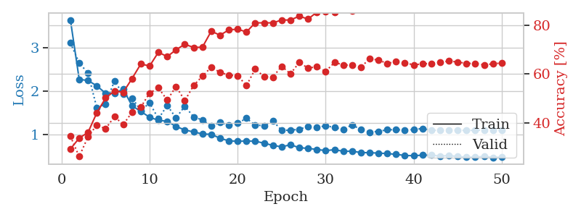
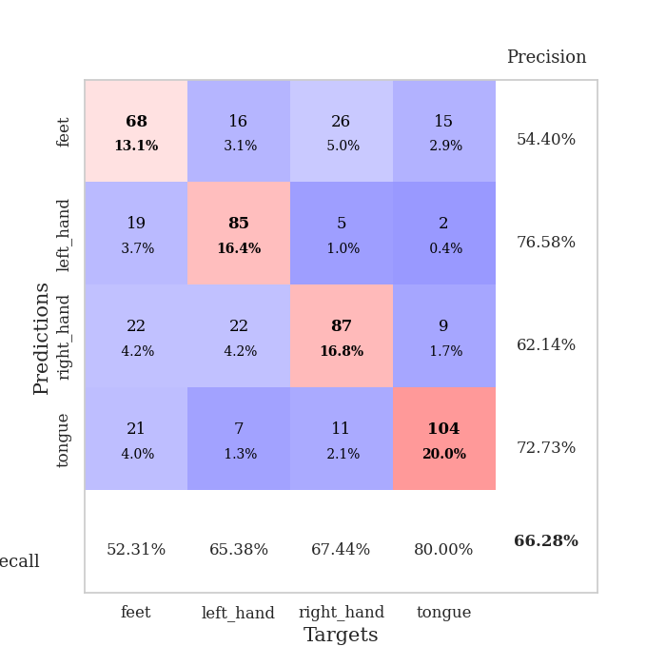
train_loss | valid_loss | train_accuracy | valid_accuracy | dur | train_misclass | valid_misclass
3.2588336051 | 2.7862749777 | 0.30362654321 | 0.25433526012 | 0.3503074646 | 30.362654321 | 25.433526012
2.2144095719 | 1.8550993794 | 0.3861882716 | 0.36608863198 | 0.36345934868 | 38.61882716 | 36.608863198
2.157156989 | 1.5202285618 | 0.42939814815 | 0.40462427746 | 0.34500551224 | 42.939814815 | 40.462427746
2.2429178506 | 2.1130975836 | 0.43827160494 | 0.38150289017 | 0.36576247215 | 43.827160494 | 38.150289017
2.2545980215 | 1.7606823031 | 0.49691358025 | 0.4161849711 | 0.35106348991 | 49.691358025 | 41.61849711
1.9538545728 | 1.7746421185 | 0.53163580247 | 0.43159922929 | 0.3601038456 | 53.163580247 | 43.159922929
1.8581271648 | 1.3760254985 | 0.59683641975 | 0.52023121387 | 0.35896372795 | 59.683641975 | 52.023121387
1.6576300085 | 1.8304272975 | 0.59606481481 | 0.4161849711 | 0.35589170456 | 59.606481481 | 41.61849711
1.6436596423 | 2.3946557252 | 0.59606481481 | 0.49132947977 | 0.34814524651 | 59.606481481 | 49.132947977
1.4969529569 | 1.6221314979 | 0.66203703704 | 0.53179190751 | 0.33920884132 | 66.203703704 | 53.179190751
1.410750556 | 1.5214284675 | 0.6712962963 | 0.46242774566 | 0.36788964272 | 67.12962963 | 46.242774566
1.2643070996 | 1.3034597961 | 0.72299382716 | 0.56647398844 | 0.3690431118 | 72.299382716 | 56.647398844
1.2382680118 | 1.4489867958 | 0.74382716049 | 0.56647398844 | 0.38168549538 | 74.382716049 | 56.647398844
1.1552158237 | 1.3011633633 | 0.73263888889 | 0.61078998073 | 0.36133742332 | 73.263888889 | 61.078998073
1.0786771506 | 1.3438470931 | 0.70717592593 | 0.56840077071 | 0.35619258881 | 70.717592593 | 56.840077071
1.0764243335 | 1.2400796315 | 0.76041666667 | 0.5838150289 | 0.37350058556 | 76.041666667 | 58.38150289
0.96418603212 | 1.436733657 | 0.7611882716 | 0.61271676301 | 0.35255765915 | 76.11882716 | 61.271676301
0.92388888597 | 1.3264221479 | 0.77816358025 | 0.59537572254 | 0.33812212944 | 77.816358025 | 59.537572254
0.94414488375 | 1.1832922787 | 0.81172839506 | 0.58766859345 | 0.34710407257 | 81.172839506 | 58.766859345
0.88028777093 | 1.3892046668 | 0.75655864198 | 0.58766859345 | 0.36797308922 | 75.655864198 | 58.766859345
0.81775057912 | 1.1296738218 | 0.81635802469 | 0.62235067437 | 0.33996891975 | 81.635802469 | 62.235067437
0.78106773049 | 1.1451190519 | 0.8074845679 | 0.63391136802 | 0.34381079674 | 80.74845679 | 63.391136802
0.78747401536 | 1.3650486883 | 0.78009259259 | 0.64161849711 | 0.35360193253 | 78.009259259 | 64.161849711
0.75858585835 | 1.0909752097 | 0.85609567901 | 0.62620423892 | 0.34639120102 | 85.609567901 | 62.620423892
0.72973161116 | 1.1327106585 | 0.80054012346 | 0.62620423892 | 0.35928249359 | 80.054012346 | 62.620423892
0.70365442932 | 1.1855880139 | 0.82947530864 | 0.67437379576 | 0.34052300453 | 82.947530864 | 67.437379576
0.71018875837 | 1.1624808141 | 0.83989197531 | 0.64161849711 | 0.35000038147 | 83.989197531 | 64.161849711
0.66959561631 | 1.2114428394 | 0.8487654321 | 0.66666666667 | 0.34831428528 | 84.87654321 | 66.666666667
0.67130446956 | 1.1813783485 | 0.86342592593 | 0.63005780347 | 0.33239102364 | 86.342592593 | 63.005780347
0.60816579759 | 1.1787620454 | 0.85648148148 | 0.61657032755 | 0.34659767151 | 85.648148148 | 61.657032755
0.62685485557 | 1.0809687204 | 0.88271604938 | 0.65125240848 | 0.35734653473 | 88.271604938 | 65.125240848
0.58285943195 | 1.0685224019 | 0.88348765432 | 0.6570327553 | 0.36827588081 | 88.348765432 | 65.70327553
0.59565424994 | 1.0335493147 | 0.87808641975 | 0.66859344894 | 0.33699941635 | 87.808641975 | 66.859344894
0.58461724073 | 1.1254389915 | 0.88040123457 | 0.63391136802 | 0.34364748001 | 88.040123457 | 63.391136802
0.56579427645 | 1.129494345 | 0.88927469136 | 0.66859344894 | 0.37632226944 | 88.927469136 | 66.859344894
0.53454188704 | 1.0867185799 | 0.89853395062 | 0.67437379576 | 0.35764598846 | 89.853395062 | 67.437379576
0.54186165407 | 1.1002607706 | 0.89891975309 | 0.65510597303 | 0.3570356369 | 89.891975309 | 65.510597303
0.53677552268 | 1.0962900116 | 0.89043209877 | 0.64739884393 | 0.37278485298 | 89.043209877 | 64.739884393
0.5135434024 | 1.0573004314 | 0.89891975309 | 0.66281310212 | 0.35944390297 | 89.891975309 | 66.281310212
0.52135663331 | 1.0569992562 | 0.90702160494 | 0.65895953757 | 0.37371182442 | 90.702160494 | 65.895953757
0.48272653446 | 1.1141199556 | 0.9112654321 | 0.64739884393 | 0.36157870293 | 91.12654321 | 64.739884393
0.50707311332 | 1.047617311 | 0.90277777778 | 0.64354527938 | 0.35969662666 | 90.277777778 | 64.354527938
0.50203070343 | 1.0535381957 | 0.91589506173 | 0.66281310212 | 0.35451006889 | 91.589506173 | 66.281310212
0.48010499701 | 1.0442687229 | 0.9112654321 | 0.66473988439 | 0.3461368084 | 91.12654321 | 66.473988439
0.46802228391 | 1.0632828403 | 0.91319444444 | 0.65317919075 | 0.3546204567 | 91.319444444 | 65.317919075
0.47458826378 | 1.0571377043 | 0.91975308642 | 0.65895953757 | 0.36243104935 | 91.975308642 | 65.895953757
0.48050913662 | 1.0574342341 | 0.91666666667 | 0.66859344894 | 0.36645841599 | 91.666666667 | 66.859344894
0.46245890185 | 1.0561412497 | 0.9162808642 | 0.67052023121 | 0.36466097832 | 91.62808642 | 67.052023121
0.46425949782 | 1.057434365 | 0.91782407407 | 0.67052023121 | 0.36622953415 | 91.782407407 | 67.052023121
0.46215723045 | 1.0522736929 | 0.91782407407 | 0.66666666667 | 0.35094499588 | 91.782407407 | 66.666666667

Best Val accuracy is 0.674373795761079 and Best test accuracy is 0.6333815726000965
train_loss | valid_loss | train_accuracy | valid_accuracy | dur | train_misclass | valid_misclass
3.6482147336 | 3.1159146912 | 0.29282407407 | 0.34489402697 | 0.36725306511 | 29.282407407 | 34.489402697
2.2717236072 | 2.652785417 | 0.33757716049 | 0.26204238921 | 0.37301039696 | 33.757716049 | 26.204238921
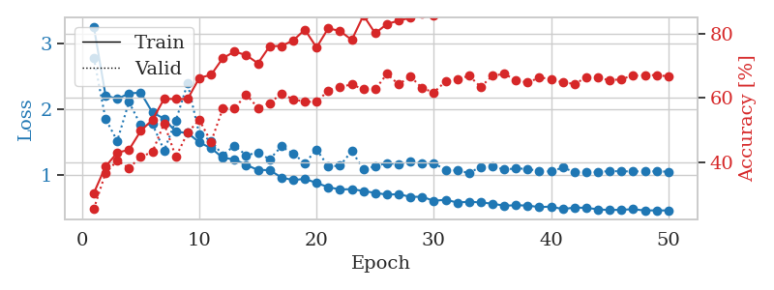
2.2449602276 | 2.4158194658 | 0.36072530864 | 0.3429672447 | 0.35547161102 | 36.072530864 | 34.29672447
2.1218385935 | 1.6105058983 | 0.44097222222 | 0.39113680154 | 0.34079647064 | 44.097222222 | 39.113680154
1.9487961322 | 1.7054584745 | 0.50192901235 | 0.37572254335 | 0.36583518982 | 50.192901235 | 37.572254335
1.9504045963 | 2.231170482 | 0.53047839506 | 0.42581888247 | 0.36750888824 | 53.047839506 | 42.581888247
2.0454309553 | 1.9323525525 | 0.52507716049 | 0.39306358382 | 0.37126231194 | 52.507716049 | 39.306358382
1.6599203914 | 1.8378320195 | 0.58140432099 | 0.44315992293 | 0.3578350544 | 58.140432099 | 44.315992293
1.5293541133 | 1.5546493574 | 0.6412037037 | 0.46435452794 | 0.36120724678 | 64.12037037 | 46.435452794
1.3935921833 | 1.7241675417 | 0.63310185185 | 0.52215799615 | 0.36269021034 | 63.310185185 | 52.215799615
1.3242333949 | 1.3597427829 | 0.68942901235 | 0.54335260116 | 0.37680506706 | 68.942901235 | 54.335260116
1.3009827152 | 1.6676183133 | 0.6712962963 | 0.49325626204 | 0.34288620949 | 67.12962963 | 49.325626204
1.1812558472 | 1.3787341986 | 0.69945987654 | 0.54913294798 | 0.37716674805 | 69.945987654 | 54.913294798
1.0996700272 | 1.650830926 | 0.72222222222 | 0.49132947977 | 0.37860894203 | 72.222222222 | 49.132947977
1.0544423088 | 1.4015789372 | 0.7087191358 | 0.55298651252 | 0.35820174217 | 70.87191358 | 55.298651252
1.0072966084 | 1.3307115441 | 0.71026234568 | 0.591522158 | 0.3705394268 | 71.026234568 | 59.1522158
0.99950895607 | 1.1942350433 | 0.77546296296 | 0.62813102119 | 0.365016222 | 77.546296296 | 62.813102119
0.90706364661 | 1.2795155613 | 0.75925925926 | 0.60693641618 | 0.37855505943 | 75.925925926 | 60.693641618
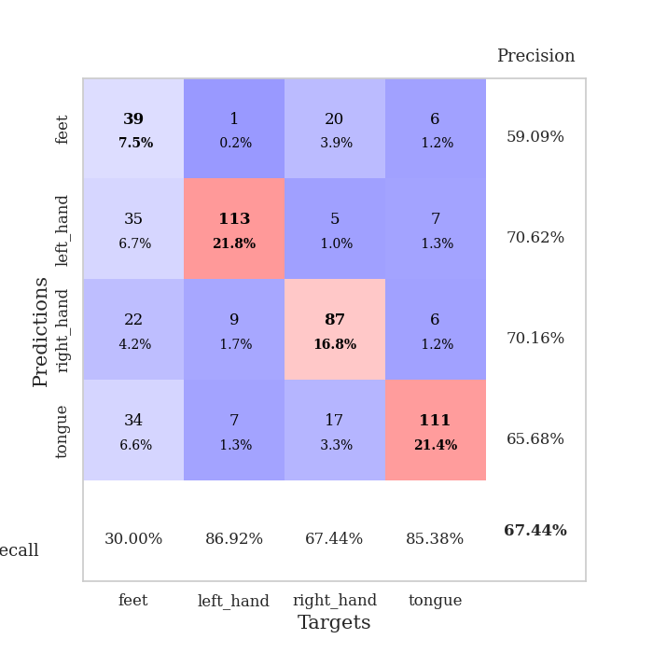
0.84771501422 | 1.2038743565 | 0.78086419753 | 0.59537572254 | 0.35997867584 | 78.086419753 | 59.537572254
0.83792598248 | 1.253800089 | 0.78395061728 | 0.59344894027 | 0.36344885826 | 78.395061728 | 59.344894027
0.84382618219 | 1.3708218031 | 0.77237654321 | 0.55298651252 | 0.37219667435 | 77.237654321 | 55.298651252
0.83935238272 | 1.2097627983 | 0.80979938272 | 0.6204238921 | 0.36096262932 | 80.979938272 | 62.04238921
0.79421723559 | 1.202611982 | 0.80979938272 | 0.58959537572 | 0.3620018959 | 80.979938272 | 58.959537572
0.74235612229 | 1.3062272155 | 0.80979938272 | 0.58766859345 | 0.34239172935 | 80.979938272 | 58.766859345
0.70968071222 | 1.0950054773 | 0.82137345679 | 0.63198458574 | 0.3780670166 | 82.137345679 | 63.198458574
0.75698386952 | 1.0916071535 | 0.82137345679 | 0.60115606936 | 0.3528842926 | 82.137345679 | 60.115606936
0.68997091353 | 1.119118246 | 0.83719135802 | 0.64739884393 | 0.35157871246 | 83.719135802 | 64.739884393
0.67306326553 | 1.1780504698 | 0.82523148148 | 0.62427745665 | 0.36285400391 | 82.523148148 | 62.427745665
0.64907328337 | 1.1578028721 | 0.85339506173 | 0.63005780347 | 0.35290694237 | 85.339506173 | 63.005780347
0.621383138 | 1.1963295537 | 0.85725308642 | 0.61078998073 | 0.36121726036 | 85.725308642 | 61.078998073
0.64328862652 | 1.157541278 | 0.85223765432 | 0.64739884393 | 0.38183569908 | 85.223765432 | 64.739884393
0.60607717782 | 1.111864763 | 0.87808641975 | 0.63776493256 | 0.37659716606 | 87.808641975 | 63.776493256
0.60787209198 | 1.2182373472 | 0.85956790123 | 0.63583815029 | 0.38225245476 | 85.956790123 | 63.583815029
0.57717460468 | 1.1101042099 | 0.88040123457 | 0.62813102119 | 0.35785841942 | 88.040123457 | 62.813102119
0.57326332033 | 1.0510655396 | 0.87924382716 | 0.66281310212 | 0.35479784012 | 87.924382716 | 66.281310212
0.56444919631 | 1.0665840331 | 0.88425925926 | 0.6570327553 | 0.35451054573 | 88.425925926 | 65.70327553
0.55330670178 | 1.1044173576 | 0.88850308642 | 0.64354527938 | 0.34972190857 | 88.850308642 | 64.354527938
0.5353825748 | 1.105887017 | 0.88966049383 | 0.65125240848 | 0.36188912392 | 88.966049383 | 65.125240848
0.50938780978 | 1.0982116858 | 0.89544753086 | 0.64547206166 | 0.37838482857 | 89.544753086 | 64.547206166
0.50344585106 | 1.1104377607 | 0.89699074074 | 0.63776493256 | 0.35005402565 | 89.699074074 | 63.776493256
0.51652306467 | 1.1336484043 | 0.90007716049 | 0.64161849711 | 0.36410617828 | 90.007716049 | 64.161849711
0.51734078303 | 1.0959172244 | 0.89969135802 | 0.64354527938 | 0.36140298843 | 89.969135802 | 64.354527938
0.49283821359 | 1.0888548839 | 0.89930555556 | 0.64739884393 | 0.38294863701 | 89.930555556 | 64.739884393
0.50818432793 | 1.0906457143 | 0.90046296296 | 0.65317919075 | 0.36263775826 | 90.046296296 | 65.317919075
0.48411703333 | 1.0954141047 | 0.90239197531 | 0.6493256262 | 0.37730669975 | 90.239197531 | 64.93256262
0.4687064521 | 1.0875999877 | 0.90239197531 | 0.64354527938 | 0.38265538216 | 90.239197531 | 64.354527938
0.4696461387 | 1.0923211363 | 0.90509259259 | 0.64354527938 | 0.35503792763 | 90.509259259 | 64.354527938
0.48830373883 | 1.0932200993 | 0.90470679012 | 0.63776493256 | 0.35609841347 | 90.470679012 | 63.776493256
0.46213013977 | 1.0873771665 | 0.90547839506 | 0.64161849711 | 0.36231637001 | 90.547839506 | 64.161849711
0.47232368812 | 1.088972309 | 0.90432098765 | 0.64547206166 | 0.37160539627 | 90.432098765 | 64.547206166

Best Val accuracy is 0.6628131021194605 and Best test accuracy is 0.6517124939700917

