Sheet
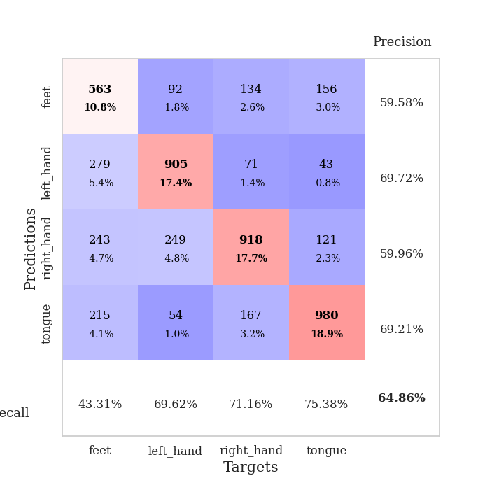
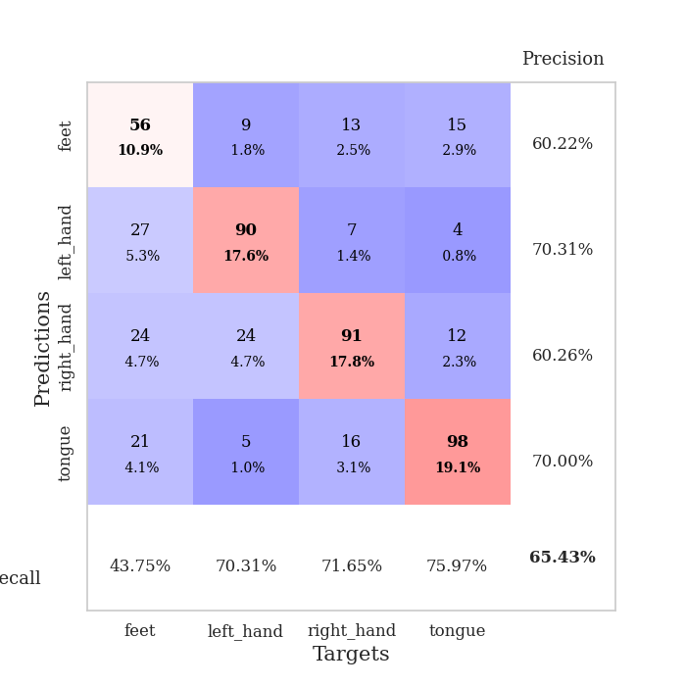
best_val_acc | best_val_los | best_test_acc
0.67437379576 | 0.87365822204 | 0.49493487699
0.62235067437 | 0.9731583972 | 0.47370959961
0.65510597303 | 0.9580057129 | 0.50120598167
0.64354527938 | 0.94448042375 | 0.47419199228
0.6570327553 | 0.94156639769 | 0.4828750603
0.68786127168 | 0.86156310695 | 0.48046309696
0.61657032755 | 0.98575031551 | 0.47612156295
0.6493256262 | 0.94431339454 | 0.46985045827
0.59922928709 | 1.0647240902 | 0.45200192957
0.68015414258 | 0.90998414831 | 0.48914616498

Mean,std Val accuracy is 0.6485549132947976 , 0.028854596542071963 and mean, std test accuracy is 0.47945007235890014 , 0.013892852995188942

Sheet1
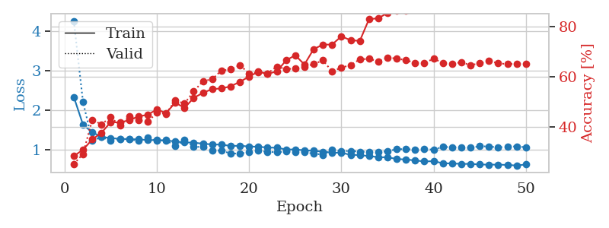
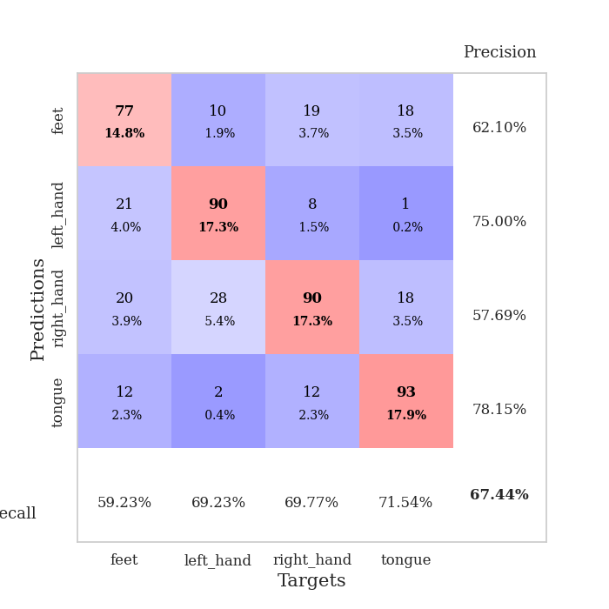
train_loss | valid_loss | train_accuracy | valid_accuracy | dur | train_misclass | valid_misclass
2.339518695 | 4.265455183 | 0.28433641975 | 0.25240847784 | 2.640843153 | 28.433641975 | 25.240847784
1.6350634459 | 2.2062486201 | 0.30941358025 | 0.29287090559 | 0.77012562752 | 30.941358025 | 29.287090559
1.4438559413 | 1.2333755835 | 0.35030864198 | 0.42774566474 | 0.77665090561 | 35.030864198 | 42.774566474
1.3256604458 | 1.323359782 | 0.37692901235 | 0.41040462428 | 0.7722632885 | 37.692901235 | 41.040462428
1.2961605839 | 1.2316925434 | 0.41898148148 | 0.43930635838 | 0.77182221413 | 41.898148148 | 43.930635838
1.2761388929 | 1.2740644915 | 0.41782407407 | 0.40462427746 | 0.75268530846 | 41.782407407 | 40.462427746
1.2707232947 | 1.2679933266 | 0.42669753086 | 0.44123314066 | 0.78475618362 | 42.669753086 | 44.123314066
1.2621847292 | 1.2256948376 | 0.44174382716 | 0.42581888247 | 0.76181054115 | 44.174382716 | 42.581888247
1.2462659934 | 1.3107949001 | 0.44830246914 | 0.42003853565 | 0.77007913589 | 44.830246914 | 42.003853565
1.2451842585 | 1.2241451816 | 0.46952160494 | 0.45664739884 | 0.77426981926 | 46.952160494 | 45.664739884
1.2354706246 | 1.2455174764 | 0.45524691358 | 0.4527938343 | 0.76703715324 | 45.524691358 | 45.27938343
1.2114251171 | 1.0934835254 | 0.49652777778 | 0.50481695568 | 0.75744247437 | 49.652777778 | 50.481695568
1.1871089137 | 1.2457070452 | 0.47569444444 | 0.49325626204 | 0.75902223587 | 47.569444444 | 49.325626204
1.1786988738 | 1.0750676818 | 0.51543209877 | 0.54142581888 | 0.7331662178 | 51.543209877 | 54.142581888
1.154896061 | 1.0704831521 | 0.53549382716 | 0.58188824663 | 0.7519774437 | 53.549382716 | 58.188824663
1.134265942 | 0.98522618786 | 0.55054012346 | 0.58959537572 | 0.75526118279 | 55.054012346 | 58.959537572
1.1307037116 | 0.97550809705 | 0.55285493827 | 0.62427745665 | 0.75888705254 | 55.285493827 | 62.427745665
1.0963600175 | 0.90920310971 | 0.56134259259 | 0.62813102119 | 0.74874281883 | 56.134259259 | 62.813102119
1.1015723212 | 0.89935392842 | 0.57947530864 | 0.64547206166 | 0.74616265297 | 57.947530864 | 64.547206166
1.0833778131 | 0.94359178534 | 0.59992283951 | 0.61271676301 | 0.77491784096 | 59.992283951 | 61.271676301
1.0761075627 | 0.97571061778 | 0.61959876543 | 0.61657032755 | 0.75620722771 | 61.959876543 | 61.657032755
1.0567996664 | 0.94863102983 | 0.61149691358 | 0.61271676301 | 0.74736714363 | 61.149691358 | 61.271676301
1.0509067612 | 0.9383651427 | 0.6199845679 | 0.63969171484 | 0.76977562904 | 61.99845679 | 63.969171484
1.0089387132 | 0.95336547247 | 0.66435185185 | 0.63005780347 | 0.74967741966 | 66.435185185 | 63.005780347
1.0060328845 | 0.94066498126 | 0.68479938272 | 0.63198458574 | 0.76492214203 | 68.479938272 | 63.198458574
0.98613923089 | 0.93695083909 | 0.64814814815 | 0.63969171484 | 0.76726818085 | 64.814814815 | 63.969171484
0.97260440205 | 0.9044590435 | 0.70949074074 | 0.6493256262 | 0.75553226471 | 70.949074074 | 64.93256262
0.95185319325 | 0.87365822204 | 0.72685185185 | 0.66473988439 | 0.75452017784 | 72.685185185 | 66.473988439
0.92846719608 | 0.99239439565 | 0.72762345679 | 0.6204238921 | 0.72546625137 | 72.762345679 | 62.04238921
0.92168068978 | 0.96233076259 | 0.7600308642 | 0.63583815029 | 0.74330759048 | 76.00308642 | 63.583815029
0.87428023326 | 0.97142392776 | 0.74459876543 | 0.64547206166 | 0.7339963913 | 74.459876543 | 64.547206166
0.86387420988 | 0.95253272736 | 0.74189814815 | 0.66859344894 | 0.77259230614 | 74.189814815 | 66.859344894
0.84129228305 | 0.94546931718 | 0.82831790123 | 0.67052023121 | 0.75056123734 | 82.831790123 | 67.052023121
0.81086120948 | 0.93491142678 | 0.83179012346 | 0.66088631985 | 0.76559972763 | 83.179012346 | 66.088631985
0.80968620527 | 0.96502944661 | 0.85300925926 | 0.67437379576 | 0.752648592 | 85.300925926 | 67.437379576
0.76642173014 | 1.0119689868 | 0.86072530864 | 0.67244701349 | 0.76263999939 | 86.072530864 | 67.244701349
0.75235558844 | 1.0182501016 | 0.86226851852 | 0.66473988439 | 0.77630472183 | 86.226851852 | 66.473988439
0.73073052081 | 0.99875706124 | 0.89699074074 | 0.65510597303 | 0.78795170784 | 89.699074074 | 65.510597303
0.70306599876 | 1.0137729514 | 0.89969135802 | 0.65510597303 | 0.87294220924 | 89.969135802 | 65.510597303
0.71193499081 | 1.0045938168 | 0.91242283951 | 0.67052023121 | 0.74909496307 | 91.242283951 | 67.052023121
0.65738341175 | 1.0702344728 | 0.92052469136 | 0.65510597303 | 0.76435375214 | 92.052469136 | 65.510597303
0.65352531302 | 1.0666370994 | 0.91782407407 | 0.65125240848 | 0.78282999992 | 91.782407407 | 65.125240848
0.64217483611 | 1.0556034353 | 0.9162808642 | 0.6570327553 | 0.90867614746 | 91.62808642 | 65.70327553
0.64222028336 | 1.0510264376 | 0.92168209877 | 0.64547206166 | 0.7902367115 | 92.168209877 | 64.547206166
0.62640076158 | 1.0883155724 | 0.93402777778 | 0.65317919075 | 0.79216051102 | 93.402777778 | 65.317919075
0.62283279922 | 1.0830762506 | 0.93402777778 | 0.66281310212 | 0.81918430328 | 93.402777778 | 66.281310212
0.62294756759 | 1.0582057086 | 0.93479938272 | 0.65317919075 | 0.81558823586 | 93.479938272 | 65.317919075
0.61485665595 | 1.0798549386 | 0.9375 | 0.6493256262 | 0.78472590446 | 93.75 | 64.93256262
0.60140342882 | 1.0860526842 | 0.93016975309 | 0.65125240848 | 0.69288229942 | 93.016975309 | 65.125240848
0.62569845882 | 1.0631617827 | 0.93634259259 | 0.6493256262 | 0.72664093971 | 93.634259259 | 64.93256262

Best Val accuracy is 0.674373795761079 and Best test accuracy is 0.49493487698986977

Sheet2
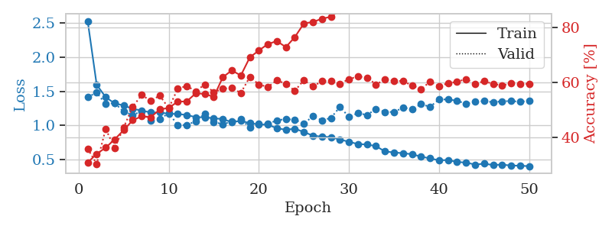
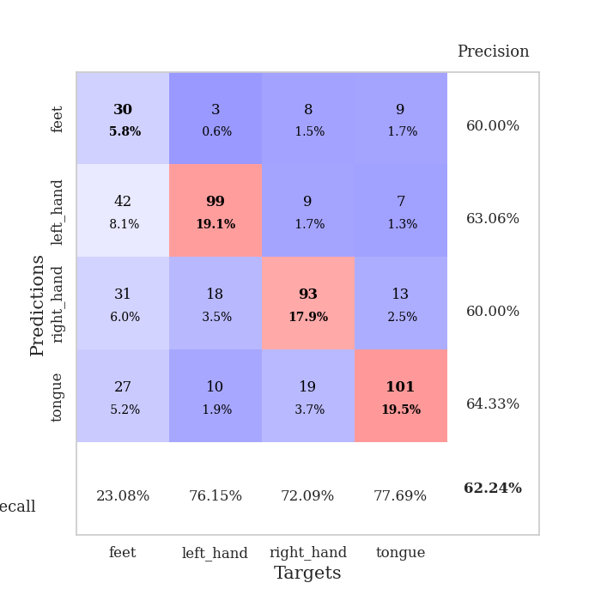
train_loss | valid_loss | train_accuracy | valid_accuracy | dur | train_misclass | valid_misclass
2.5306035273 | 1.4182204353 | 0.30979938272 | 0.36030828516 | 0.76583790779 | 30.979938272 | 36.030828516
1.5962999743 | 1.479725389 | 0.34104938272 | 0.30443159923 | 0.75643801689 | 34.104938272 | 30.443159923
1.4142872478 | 1.3145138687 | 0.3638117284 | 0.43159922929 | 0.74908518791 | 36.38117284 | 43.159922929
1.322835516 | 1.3286100265 | 0.39390432099 | 0.36223506744 | 0.74483847618 | 39.390432099 | 36.223506744
1.2929947928 | 1.2002197963 | 0.4274691358 | 0.43737957611 | 0.74508857727 | 42.74691358 | 43.737957611
1.2427555315 | 1.1544080757 | 0.46334876543 | 0.51252408478 | 0.73964977264 | 46.334876543 | 51.252408478
1.2194763875 | 1.2060917425 | 0.47762345679 | 0.5549132948 | 0.75495147705 | 47.762345679 | 55.49132948
1.1891331824 | 1.0700028335 | 0.47415123457 | 0.53371868979 | 0.78899741173 | 47.415123457 | 53.371868979
1.1894085168 | 1.0913230358 | 0.50270061728 | 0.55298651252 | 0.78301477432 | 50.270061728 | 55.298651252
1.1714407945 | 1.1809997729 | 0.50810185185 | 0.50674373796 | 0.77382183075 | 50.810185185 | 50.674373796
1.1675257852 | 1.0041510427 | 0.53086419753 | 0.57803468208 | 0.79388380051 | 53.086419753 | 57.803468208
1.1536063732 | 1.0061592309 | 0.53163580247 | 0.58766859345 | 0.76803970337 | 53.163580247 | 58.766859345
1.120691699 | 1.0622844687 | 0.56134259259 | 0.56840077071 | 0.78185606003 | 56.134259259 | 56.840077071
1.1192651027 | 1.1720469411 | 0.55864197531 | 0.59344894027 | 0.78823399544 | 55.864197531 | 59.344894027
1.1039393228 | 1.0511402211 | 0.54822530864 | 0.56454720617 | 0.7778377533 | 54.822530864 | 56.454720617
1.0942872122 | 1.0186477858 | 0.61959876543 | 0.57803468208 | 0.81496763229 | 61.959876543 | 57.803468208
1.0472025989 | 1.0586085232 | 0.64429012346 | 0.57996146435 | 0.79046344757 | 64.429012346 | 57.996146435
1.0682508291 | 1.0890879897 | 0.62577160494 | 0.56262042389 | 0.79607224464 | 62.577160494 | 56.262042389
1.0330812828 | 0.9731583972 | 0.69174382716 | 0.6204238921 | 0.80732607841 | 69.174382716 | 62.04238921
1.0146067319 | 1.0224150915 | 0.71643518519 | 0.59344894027 | 0.80133605003 | 71.643518519 | 59.344894027
1.0113776804 | 1.0247440487 | 0.7399691358 | 0.5838150289 | 0.80869269371 | 73.99691358 | 58.38150289
0.95862232645 | 1.0729125368 | 0.75077160494 | 0.60886319846 | 0.80932235718 | 75.077160494 | 60.886319846
0.93701396754 | 1.0951435198 | 0.7287808642 | 0.59537572254 | 0.8244702816 | 72.87808642 | 59.537572254
0.95259071684 | 1.081547631 | 0.76543209877 | 0.57032755299 | 0.82853937149 | 76.543209877 | 57.032755299
0.90284568145 | 1.027502718 | 0.81481481481 | 0.60886319846 | 0.80987405777 | 81.481481481 | 60.886319846
0.85133367464 | 1.1339125537 | 0.82021604938 | 0.58574181118 | 0.79050564766 | 82.021604938 | 58.574181118
0.83516324413 | 1.0763986129 | 0.83179012346 | 0.60500963391 | 0.79145097733 | 83.179012346 | 60.500963391
0.82898522086 | 1.1084400574 | 0.83912037037 | 0.60500963391 | 0.78314876556 | 83.912037037 | 60.500963391
0.79354650297 | 1.2719254903 | 0.86342592593 | 0.59537572254 | 0.78969049454 | 86.342592593 | 59.537572254
0.76082513914 | 1.1250587162 | 0.89853395062 | 0.61271676301 | 0.79773736 | 89.853395062 | 61.271676301
0.72669981954 | 1.1805195537 | 0.89737654321 | 0.62235067437 | 0.80036115646 | 89.737654321 | 62.235067437
0.72148066078 | 1.1533560027 | 0.93788580247 | 0.61849710983 | 0.79368829727 | 93.788580247 | 61.849710983
0.69663617429 | 1.2394883362 | 0.94097222222 | 0.59344894027 | 0.78897976875 | 94.097222222 | 59.344894027
0.61889118462 | 1.1982633617 | 0.93518518519 | 0.61078998073 | 0.79397106171 | 93.518518519 | 61.078998073
0.6039586574 | 1.1973369581 | 0.95987654321 | 0.60693641618 | 0.79314923286 | 95.987654321 | 60.693641618
0.59320045511 | 1.2599252465 | 0.96296296296 | 0.60500963391 | 0.79809570312 | 96.296296296 | 60.500963391
0.57849010457 | 1.2401424332 | 0.97029320988 | 0.58959537572 | 0.80171728134 | 97.029320988 | 58.959537572
0.54282240717 | 1.3122008789 | 0.97569444444 | 0.57610789981 | 0.82852053642 | 97.569444444 | 57.610789981
0.5170991533 | 1.2726896379 | 0.97839506173 | 0.60308285164 | 0.79597735405 | 97.839506173 | 60.308285164
0.48883197162 | 1.3803217351 | 0.9787808642 | 0.58766859345 | 0.79701900482 | 97.87808642 | 58.766859345
0.49275906835 | 1.3815061159 | 0.98765432099 | 0.59730250482 | 0.79334139824 | 98.765432099 | 59.730250482
0.46434415371 | 1.3619159936 | 0.98726851852 | 0.60308285164 | 0.79025769234 | 98.726851852 | 60.308285164
0.45626832591 | 1.3183985262 | 0.9888117284 | 0.61271676301 | 0.79714107513 | 98.88117284 | 61.271676301
0.42646363727 | 1.3476625674 | 0.98958333333 | 0.59537572254 | 0.8139064312 | 98.958333333 | 59.537572254
0.43965232267 | 1.3561542792 | 0.99189814815 | 0.60500963391 | 0.7981698513 | 99.189814815 | 60.500963391
0.42036372327 | 1.3413027422 | 0.99189814815 | 0.59537572254 | 0.80249428749 | 99.189814815 | 59.537572254
0.42593550903 | 1.3534782323 | 0.99228395062 | 0.58959537572 | 0.80067777634 | 99.228395062 | 58.959537572
0.41194999172 | 1.3580384346 | 0.99228395062 | 0.59730250482 | 0.80480289459 | 99.228395062 | 59.730250482
0.41057740262 | 1.3467257615 | 0.99344135802 | 0.59537572254 | 0.79274129868 | 99.344135802 | 59.537572254
0.40250521135 | 1.3600157708 | 0.99112654321 | 0.59537572254 | 0.79052090645 | 99.112654321 | 59.537572254

Best Val accuracy is 0.6223506743737958 and Best test accuracy is 0.4737095996140859

Sheet3
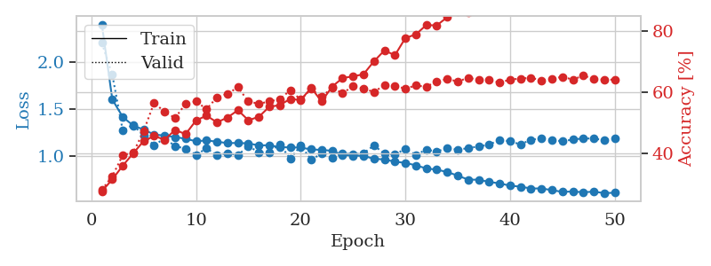
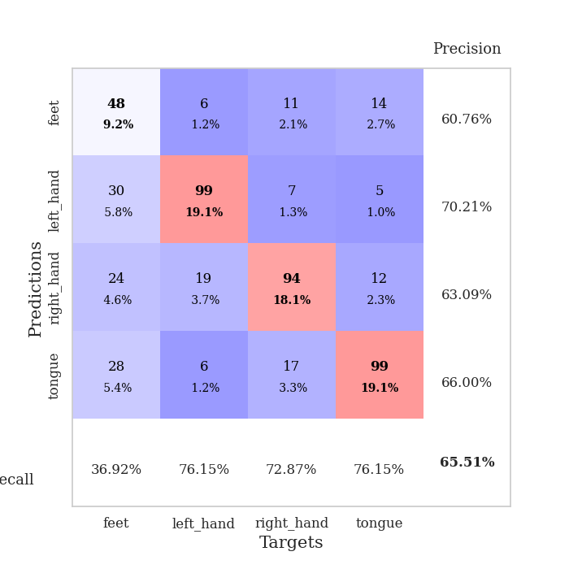
train_loss | valid_loss | train_accuracy | valid_accuracy | dur | train_misclass | valid_misclass
2.4074262403 | 2.207979946 | 0.27662037037 | 0.28131021195 | 0.81257247925 | 27.662037037 | 28.131021195
1.6023214919 | 1.8659044718 | 0.31520061728 | 0.32562620424 | 0.91089940071 | 31.520061728 | 32.562620424
1.4143834232 | 1.2668172654 | 0.36033950617 | 0.39499036609 | 0.82539010048 | 36.033950617 | 39.499036609
1.322766449 | 1.330167727 | 0.40084876543 | 0.40269749518 | 0.80085873604 | 40.084876543 | 40.269749518
1.2793519596 | 1.2109809326 | 0.44097222222 | 0.47398843931 | 0.79275465012 | 44.097222222 | 47.398843931
1.2263754731 | 1.111776065 | 0.45717592593 | 0.56647398844 | 0.82076621056 | 45.717592593 | 56.647398844
1.2158191513 | 1.1860711852 | 0.44521604938 | 0.53564547206 | 0.81209230423 | 44.521604938 | 53.564547206
1.1994659709 | 1.1020981349 | 0.47723765432 | 0.51637764933 | 0.80859708786 | 47.723765432 | 51.637764933
1.1818547058 | 1.0753779901 | 0.46334876543 | 0.56262042389 | 0.79422235489 | 46.334876543 | 56.262042389
1.1540737579 | 1.008954036 | 0.50810185185 | 0.57032755299 | 0.79891133308 | 50.810185185 | 57.032755299
1.1637319242 | 1.0785044595 | 0.52391975309 | 0.54527938343 | 0.7953646183 | 52.391975309 | 54.527938343
1.1498219525 | 1.0058396882 | 0.50192901235 | 0.5838150289 | 0.80505204201 | 50.192901235 | 58.38150289
1.1346674429 | 1.0264396792 | 0.51774691358 | 0.59537572254 | 0.80075645447 | 51.774691358 | 59.537572254
1.1364354259 | 1.0080062064 | 0.54166666667 | 0.61657032755 | 0.79525756836 | 54.166666667 | 61.657032755
1.1315675827 | 1.1017476226 | 0.50887345679 | 0.57032755299 | 0.80214428902 | 50.887345679 | 57.032755299
1.1098838541 | 1.0367101348 | 0.5200617284 | 0.56262042389 | 0.99912810326 | 52.00617284 | 56.262042389
1.112289708 | 1.0359888054 | 0.55285493827 | 0.57032755299 | 0.77857732773 | 55.285493827 | 57.032755299
1.090878526 | 1.1219967431 | 0.55825617284 | 0.57803468208 | 0.79571700096 | 55.825617284 | 57.803468208
1.089099692 | 0.96613928142 | 0.5787037037 | 0.60693641618 | 0.79114556313 | 57.87037037 | 60.693641618
1.0864560291 | 1.1084871508 | 0.57484567901 | 0.57610789981 | 0.78540182114 | 57.484567901 | 57.610789981
1.0672038672 | 0.9580057129 | 0.6149691358 | 0.61078998073 | 0.79300022125 | 61.49691358 | 61.078998073
1.0617013187 | 1.0205269439 | 0.57021604938 | 0.58574181118 | 0.78545999527 | 57.021604938 | 58.574181118
1.0524571865 | 0.97374016357 | 0.61882716049 | 0.61464354528 | 0.77748012543 | 61.882716049 | 61.464354528
1.0084390173 | 1.0281978336 | 0.64699074074 | 0.59730250482 | 0.78233575821 | 64.699074074 | 59.730250482
0.99994527742 | 1.0137819171 | 0.65239197531 | 0.6204238921 | 0.79358124733 | 65.239197531 | 62.04238921
0.99891266153 | 1.0251049566 | 0.65933641975 | 0.61271676301 | 0.78818559647 | 65.933641975 | 61.271676301
0.96577046315 | 1.1100266944 | 0.70177469136 | 0.60115606936 | 0.80192160606 | 70.177469136 | 60.115606936
0.96008496262 | 1.0205419691 | 0.73726851852 | 0.62427745665 | 0.79782390594 | 73.726851852 | 62.427745665
0.93494609403 | 1.01041634 | 0.72145061728 | 0.6204238921 | 0.7852230072 | 72.145061728 | 62.04238921
0.92337325914 | 1.0743656861 | 0.77777777778 | 0.61271676301 | 0.78422522545 | 77.777777778 | 61.271676301
0.89601403935 | 1.0085300441 | 0.78973765432 | 0.62235067437 | 0.78807067871 | 78.973765432 | 62.235067437
0.86366481362 | 1.0657036716 | 0.82021604938 | 0.61849710983 | 0.77951359749 | 82.021604938 | 61.849710983
0.8496174323 | 1.043807324 | 0.81905864198 | 0.63583815029 | 0.78262901306 | 81.905864198 | 63.583815029
0.82513112142 | 1.0827757233 | 0.84606481481 | 0.64354527938 | 0.79236507416 | 84.606481481 | 64.354527938
0.78586959802 | 1.0628353874 | 0.86419753086 | 0.63583815029 | 0.80031085014 | 86.419753086 | 63.583815029
0.74364549455 | 1.081618665 | 0.86033950617 | 0.64739884393 | 0.79632091522 | 86.033950617 | 64.739884393
0.74188390908 | 1.0985894534 | 0.8900462963 | 0.64161849711 | 0.7946741581 | 89.00462963 | 64.161849711
0.71879122526 | 1.1171222923 | 0.89699074074 | 0.64161849711 | 0.80045056343 | 89.699074074 | 64.161849711
0.70300153119 | 1.171636366 | 0.9162808642 | 0.63198458574 | 0.80939102173 | 91.62808642 | 63.198458574
0.67860489035 | 1.1527860261 | 0.92438271605 | 0.64161849711 | 0.80156612396 | 92.438271605 | 64.161849711
0.66780563701 | 1.1214662473 | 0.91589506173 | 0.64547206166 | 0.79581665993 | 91.589506173 | 64.547206166
0.64814455062 | 1.1708568585 | 0.92708333333 | 0.64739884393 | 0.79438519478 | 92.708333333 | 64.739884393
0.64856545682 | 1.1850080711 | 0.9324845679 | 0.63969171484 | 0.79284119606 | 93.24845679 | 63.969171484
0.63062123329 | 1.167648046 | 0.94598765432 | 0.64354527938 | 0.79341483116 | 94.598765432 | 64.354527938
0.61177025331 | 1.1548457467 | 0.93904320988 | 0.65125240848 | 0.80721831322 | 93.904320988 | 65.125240848
0.61595571915 | 1.1722836616 | 0.9425154321 | 0.64161849711 | 0.78605318069 | 94.25154321 | 64.161849711
0.60780206359 | 1.1855222145 | 0.94830246914 | 0.65510597303 | 0.79194641113 | 94.830246914 | 65.510597303
0.614286882 | 1.1825835291 | 0.94328703704 | 0.64354527938 | 0.80831193924 | 94.328703704 | 64.354527938
0.59911325464 | 1.1671850543 | 0.9486882716 | 0.64161849711 | 0.79361081123 | 94.86882716 | 64.161849711
0.60217938894 | 1.1849570913 | 0.94560185185 | 0.64161849711 | 0.79874587059 | 94.560185185 | 64.161849711

Best Val accuracy is 0.6551059730250481 and Best test accuracy is 0.5012059816690786

Sheet4
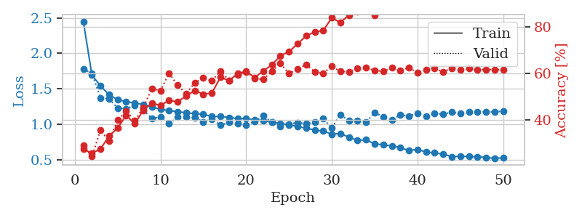
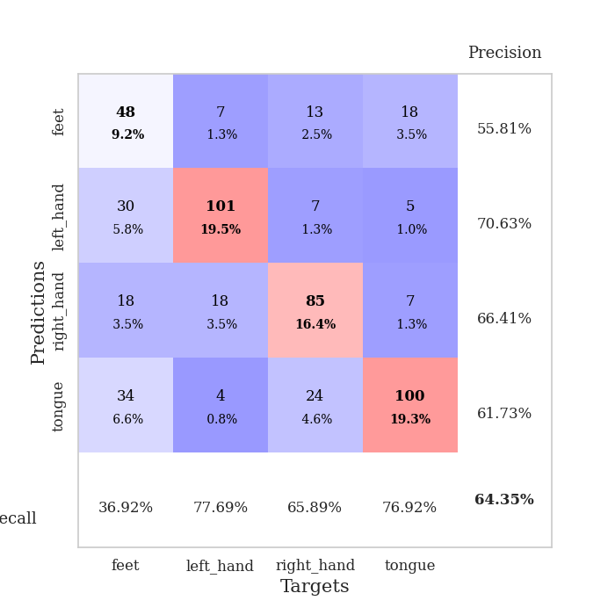
train_loss | valid_loss | train_accuracy | valid_accuracy | dur | train_misclass | valid_misclass
2.4449821858 | 1.7733571532 | 0.2762345679 | 0.29287090559 | 0.78180861473 | 27.62345679 | 29.287090559
1.6921658619 | 1.7175487197 | 0.25925925926 | 0.24470134875 | 0.92224574089 | 25.925925926 | 24.470134875
1.5377164461 | 1.370907911 | 0.27700617284 | 0.35838150289 | 0.78904175758 | 27.700617284 | 35.838150289
1.4154829869 | 1.3580877117 | 0.33294753086 | 0.31021194605 | 0.80552101135 | 33.294753086 | 31.021194605
1.3451939299 | 1.2283859347 | 0.36651234568 | 0.40077071291 | 0.80351114273 | 36.651234568 | 40.077071291
1.3173904581 | 1.2175675959 | 0.42091049383 | 0.43737957611 | 0.78850698471 | 42.091049383 | 43.737957611
1.2974768421 | 1.2667662268 | 0.38464506173 | 0.39884393064 | 0.78069782257 | 38.464506173 | 39.884393064
1.2785467737 | 1.2017385934 | 0.44328703704 | 0.45472061657 | 0.77650904655 | 44.328703704 | 45.472061657
1.2463405853 | 1.0784484621 | 0.47260802469 | 0.53564547206 | 0.78023290634 | 47.260802469 | 53.564547206
1.2098579719 | 1.1033905398 | 0.46334876543 | 0.52601156069 | 0.79518890381 | 46.334876543 | 52.601156069
1.1904590785 | 1.0088299474 | 0.48456790123 | 0.60115606936 | 0.79925179482 | 48.456790123 | 60.115606936
1.1758221138 | 1.0973561049 | 0.4787808642 | 0.54913294798 | 0.78795814514 | 47.87808642 | 54.913294798
1.1609051511 | 1.097210959 | 0.50347222222 | 0.51252408478 | 0.78780436516 | 50.347222222 | 51.252408478
1.1482667776 | 1.0922155789 | 0.52700617284 | 0.56069364162 | 0.78525948524 | 52.700617284 | 56.069364162
1.1413865531 | 1.033955968 | 0.51157407407 | 0.57996146435 | 0.81708908081 | 51.157407407 | 57.996146435
1.1061726279 | 1.0742037257 | 0.51658950617 | 0.56840077071 | 0.92782139778 | 51.658950617 | 56.840077071
1.1094331811 | 0.98439768238 | 0.58333333333 | 0.61078998073 | 0.79540777206 | 58.333333333 | 61.078998073
1.0940021998 | 1.0285033847 | 0.56905864198 | 0.57032755299 | 0.77803683281 | 56.905864198 | 57.032755299
1.0774982947 | 1.009905064 | 0.59915123457 | 0.59344894027 | 0.79311680794 | 59.915123457 | 59.344894027
1.0788394124 | 0.98650461837 | 0.6087962963 | 0.60693641618 | 0.78827142715 | 60.87962963 | 60.693641618
1.0605742173 | 1.034276443 | 0.58217592593 | 0.57803468208 | 0.79496693611 | 58.217592593 | 57.803468208
1.0536454603 | 1.1215160162 | 0.61072530864 | 0.57418111753 | 0.79506874084 | 61.072530864 | 57.418111753
1.0249188561 | 1.0277136328 | 0.63657407407 | 0.60886319846 | 0.78986978531 | 63.657407407 | 60.886319846
1.0113988154 | 0.96640634123 | 0.67554012346 | 0.64354527938 | 0.79560923576 | 67.554012346 | 64.354527938
0.99254143238 | 1.0024928417 | 0.69290123457 | 0.59922928709 | 0.79119968414 | 69.290123457 | 59.922928709
0.96368192743 | 1.0220919822 | 0.72608024691 | 0.61849710983 | 0.79331803322 | 72.608024691 | 61.849710983
0.94497535847 | 1.0049749358 | 0.76041666667 | 0.63776493256 | 0.78817844391 | 76.041666667 | 63.776493256
0.91617847427 | 1.029831025 | 0.77700617284 | 0.60693641618 | 0.79040145874 | 77.700617284 | 60.693641618
0.90136508037 | 1.0766013454 | 0.78356481481 | 0.60115606936 | 0.80215120316 | 78.356481481 | 60.115606936
0.85805710506 | 0.94448042375 | 0.83757716049 | 0.63005780347 | 0.79864931107 | 83.757716049 | 63.005780347
0.86712579558 | 1.1350678502 | 0.81712962963 | 0.60886319846 | 0.80312180519 | 81.712962963 | 60.886319846
0.81601408455 | 1.0475634376 | 0.84953703704 | 0.60693641618 | 0.79411244392 | 84.953703704 | 60.693641618
0.7699289802 | 1.0519242838 | 0.86419753086 | 0.62235067437 | 0.79955554008 | 86.419753086 | 62.235067437
0.77908191637 | 1.0292795756 | 0.88387345679 | 0.62427745665 | 0.7920665741 | 88.387345679 | 62.427745665
0.72048782677 | 1.1628859797 | 0.84953703704 | 0.61271676301 | 0.79840707779 | 84.953703704 | 61.271676301
0.70915213558 | 1.1010871223 | 0.90316358025 | 0.60886319846 | 0.79070496559 | 90.316358025 | 60.886319846
0.69320454697 | 1.0595596778 | 0.92361111111 | 0.62427745665 | 0.79523062706 | 92.361111111 | 62.427745665
0.66633011474 | 1.1292354767 | 0.93711419753 | 0.61271676301 | 0.80110692978 | 93.711419753 | 61.271676301
0.62895402 | 1.1157440179 | 0.93942901235 | 0.62427745665 | 0.8032336235 | 93.942901235 | 62.427745665
0.64266238417 | 1.1491429259 | 0.95177469136 | 0.60308285164 | 0.80347084999 | 95.177469136 | 60.308285164
0.60624869471 | 1.1114131752 | 0.96064814815 | 0.61657032755 | 0.78882718086 | 96.064814815 | 61.657032755
0.5942991559 | 1.1503962079 | 0.96566358025 | 0.6204238921 | 0.79681181908 | 96.566358025 | 62.04238921
0.576655398 | 1.1411308659 | 0.96913580247 | 0.60693641618 | 0.78974890709 | 96.913580247 | 60.693641618
0.54154381524 | 1.1674339091 | 0.96913580247 | 0.62235067437 | 0.79059123993 | 96.913580247 | 62.235067437
0.54607954686 | 1.1483802855 | 0.97337962963 | 0.61464354528 | 0.79496622086 | 97.337962963 | 61.464354528
0.54378984261 | 1.1699778634 | 0.97260802469 | 0.6204238921 | 0.79430055618 | 97.260802469 | 62.04238921
0.54070676219 | 1.174949816 | 0.97415123457 | 0.61464354528 | 0.79508447647 | 97.415123457 | 61.464354528
0.52874744555 | 1.1733212411 | 0.97492283951 | 0.61657032755 | 0.79610157013 | 97.492283951 | 61.657032755
0.51781320452 | 1.1717699135 | 0.97492283951 | 0.61657032755 | 0.80033063889 | 97.492283951 | 61.657032755
0.52373038058 | 1.184266779 | 0.97492283951 | 0.61464354528 | 0.78673267365 | 97.492283951 | 61.464354528

Best Val accuracy is 0.6435452793834296 and Best test accuracy is 0.4741919922817173

Sheet5
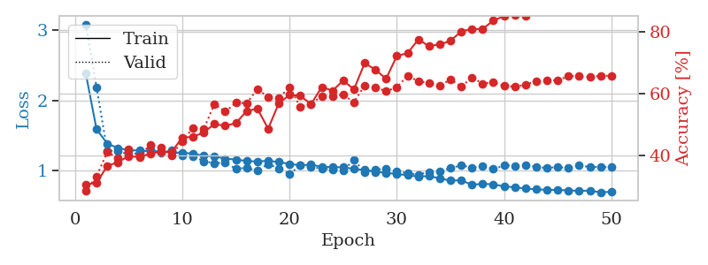
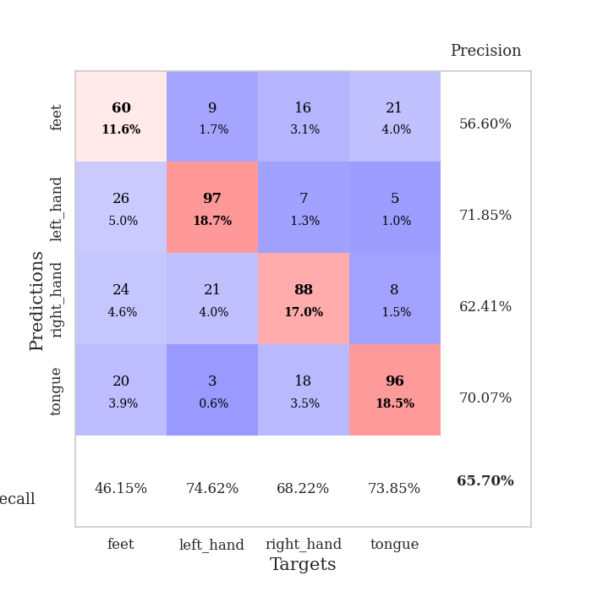
train_loss | valid_loss | train_accuracy | valid_accuracy | dur | train_misclass | valid_misclass
2.3825852415 | 3.0842070047 | 0.30709876543 | 0.28516377649 | 0.7755074501 | 30.709876543 | 28.516377649
1.5885549364 | 2.1897208771 | 0.31134259259 | 0.33333333333 | 0.94342184067 | 31.134259259 | 33.333333333
1.3817590122 | 1.2803260173 | 0.36651234568 | 0.41040462428 | 0.81218695641 | 36.651234568 | 41.040462428
1.3203232333 | 1.2821677473 | 0.37885802469 | 0.39306358382 | 0.79354047775 | 37.885802469 | 39.306358382
1.2884573907 | 1.2369638293 | 0.39814814815 | 0.42003853565 | 0.79797554016 | 39.814814815 | 42.003853565
1.2841723296 | 1.2461704 | 0.3950617284 | 0.39691714836 | 0.810359478 | 39.50617284 | 39.691714836
1.2729307869 | 1.30599002 | 0.40625 | 0.43545279383 | 0.79510712624 | 40.625 | 43.545279383
1.275421331 | 1.2516291351 | 0.41203703704 | 0.42581888247 | 0.80772829056 | 41.203703704 | 42.581888247
1.2578799945 | 1.2894102162 | 0.41165123457 | 0.40077071291 | 0.79300951958 | 41.165123457 | 40.077071291
1.2521529065 | 1.2136916866 | 0.45833333333 | 0.44701348748 | 0.79365420341 | 45.833333333 | 44.701348748
1.2404603002 | 1.204853059 | 0.45987654321 | 0.4894026975 | 0.79898810387 | 45.987654321 | 48.94026975
1.2074009817 | 1.1292879529 | 0.47530864198 | 0.48554913295 | 0.79371261597 | 47.530864198 | 48.554913295
1.200930315 | 1.1055608764 | 0.50154320988 | 0.56647398844 | 0.79958868027 | 50.154320988 | 56.647398844
1.1678794273 | 1.1087779801 | 0.49575617284 | 0.54142581888 | 0.79395413399 | 49.575617284 | 54.142581888
1.1557270105 | 1.0247998798 | 0.50462962963 | 0.57032755299 | 0.83126688004 | 50.462962963 | 57.032755299
1.1331260053 | 1.036311481 | 0.54359567901 | 0.56840077071 | 0.85743951797 | 54.359567901 | 56.840077071
1.1276764384 | 0.9932939625 | 0.55092592593 | 0.61464354528 | 0.79992985725 | 55.092592593 | 61.464354528
1.1375318335 | 1.0917549014 | 0.48649691358 | 0.58766859345 | 0.80210924149 | 48.649691358 | 58.766859345
1.1191152327 | 1.0280816345 | 0.56867283951 | 0.58574181118 | 0.79322314262 | 56.867283951 | 58.574181118
1.0917539096 | 0.94941121443 | 0.59529320988 | 0.6204238921 | 0.81296920776 | 59.529320988 | 62.04238921
1.0747356084 | 1.0688275769 | 0.59259259259 | 0.55684007707 | 0.79511928558 | 59.259259259 | 55.684007707
1.0813569368 | 1.0546826276 | 0.56558641975 | 0.56647398844 | 0.79709482193 | 56.558641975 | 56.647398844
1.0533880547 | 1.0215983425 | 0.62075617284 | 0.591522158 | 0.79441285133 | 62.075617284 | 59.1522158
1.0461605868 | 1.0180239168 | 0.60918209877 | 0.591522158 | 0.78537797928 | 60.918209877 | 59.1522158
1.0445855503 | 0.99812524764 | 0.64158950617 | 0.59537572254 | 0.78144955635 | 64.158950617 | 59.537572254
1.020776635 | 1.1528119706 | 0.61342592593 | 0.57225433526 | 0.79539608955 | 61.342592593 | 57.225433526
1.0067829287 | 0.97599153 | 0.69791666667 | 0.62620423892 | 0.79205846786 | 69.791666667 | 62.620423892
0.97936510929 | 1.0129534564 | 0.67669753086 | 0.6204238921 | 0.79826283455 | 67.669753086 | 62.04238921
0.96651666032 | 1.0217742061 | 0.64737654321 | 0.60693641618 | 0.7939183712 | 64.737654321 | 60.693641618
0.94797694977 | 0.98310595969 | 0.72106481481 | 0.6204238921 | 0.79165482521 | 72.106481481 | 62.04238921
0.93207948002 | 0.96072837039 | 0.7299382716 | 0.6570327553 | 0.78562355042 | 72.99382716 | 65.70327553
0.91154091042 | 0.94156639769 | 0.77391975309 | 0.63969171484 | 0.78683280945 | 77.391975309 | 63.969171484
0.91974875846 | 0.97646340791 | 0.75270061728 | 0.63391136802 | 0.78328919411 | 75.270061728 | 63.391136802
0.88634381011 | 0.98994860277 | 0.75810185185 | 0.62427745665 | 0.78676915169 | 75.810185185 | 62.427745665
0.85481653225 | 1.0332018401 | 0.76967592593 | 0.64547206166 | 0.78096413612 | 76.967592593 | 64.547206166
0.85931558153 | 1.0725664215 | 0.80015432099 | 0.62235067437 | 0.78343582153 | 80.015432099 | 62.235067437
0.79505359041 | 1.0417961002 | 0.80787037037 | 0.65125240848 | 0.7805917263 | 80.787037037 | 65.125240848
0.80969285965 | 1.0619858701 | 0.8074845679 | 0.63198458574 | 0.78444504738 | 80.74845679 | 63.198458574
0.80136520977 | 1.0195838323 | 0.83564814815 | 0.63583815029 | 0.77468895912 | 83.564814815 | 63.583815029
0.77316328055 | 1.0690536391 | 0.8487654321 | 0.62427745665 | 0.78379321098 | 84.87654321 | 62.427745665
0.75833036944 | 1.0680083546 | 0.85262345679 | 0.62235067437 | 0.79799246788 | 85.262345679 | 62.235067437
0.74229931942 | 1.0763059234 | 0.84953703704 | 0.62813102119 | 0.78176426888 | 84.953703704 | 62.813102119
0.72982952256 | 1.0523281421 | 0.87384259259 | 0.63969171484 | 0.7848777771 | 87.384259259 | 63.969171484
0.7236010894 | 1.0324253873 | 0.87615740741 | 0.64354527938 | 0.78617548943 | 87.615740741 | 64.354527938
0.72253170591 | 1.0511571736 | 0.89274691358 | 0.64161849711 | 0.78278970718 | 89.274691358 | 64.161849711
0.71446486811 | 1.0308735986 | 0.89737654321 | 0.6570327553 | 0.77837872505 | 89.737654321 | 65.70327553
0.70938004903 | 1.0746738033 | 0.89544753086 | 0.65510597303 | 0.77600383759 | 89.544753086 | 65.510597303
0.71071060738 | 1.0474987345 | 0.8962191358 | 0.65317919075 | 0.78239536285 | 89.62191358 | 65.317919075
0.68751184587 | 1.0480720703 | 0.90046296296 | 0.6570327553 | 0.77538657188 | 90.046296296 | 65.70327553
0.69637502969 | 1.0466167885 | 0.89737654321 | 0.6570327553 | 0.78366971016 | 89.737654321 | 65.70327553

Best Val accuracy is 0.6570327552986512 and Best test accuracy is 0.48287506029908345

Sheet6
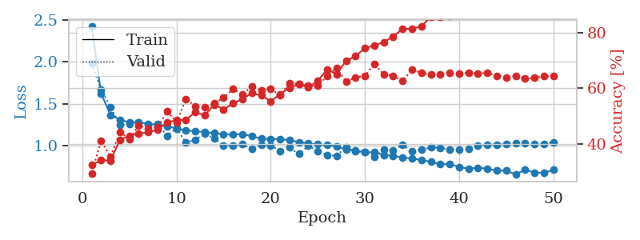

train_loss | valid_loss | train_accuracy | valid_accuracy | dur | train_misclass | valid_misclass
2.4190051018 | 1.978313305 | 0.32291666667 | 0.29287090559 | 0.77386188507 | 32.291666667 | 29.287090559
1.6214508429 | 1.6713367358 | 0.34027777778 | 0.41040462428 | 0.89076542854 | 34.027777778 | 41.040462428
1.3645219707 | 1.455709943 | 0.3387345679 | 0.35260115607 | 0.78298807144 | 33.87345679 | 35.260115607
1.3070356684 | 1.2454762282 | 0.41396604938 | 0.44315992293 | 0.78291630745 | 41.396604938 | 44.315992293
1.2756813139 | 1.2585808808 | 0.42862654321 | 0.4161849711 | 0.78707909584 | 42.862654321 | 41.61849711
1.2753825795 | 1.2712842474 | 0.43634259259 | 0.46628131021 | 0.78663945198 | 43.634259259 | 46.628131021
1.2600079002 | 1.2485695827 | 0.44135802469 | 0.45472061657 | 0.78313493729 | 44.135802469 | 45.472061657
1.2437296822 | 1.2588221923 | 0.44984567901 | 0.46050096339 | 0.78652024269 | 44.984567901 | 46.050096339
1.2291791564 | 1.1170263467 | 0.47723765432 | 0.51637764933 | 0.78257203102 | 47.723765432 | 51.637764933
1.203321539 | 1.2057694109 | 0.48456790123 | 0.47784200385 | 0.78741192818 | 48.456790123 | 47.784200385
1.1808942056 | 1.0342157197 | 0.48688271605 | 0.56069364162 | 0.77608823776 | 48.688271605 | 56.069364162
1.170589854 | 1.0686723545 | 0.51388888889 | 0.53564547206 | 0.78479576111 | 51.388888889 | 53.564547206
1.1596847206 | 1.1436242488 | 0.50192901235 | 0.53179190751 | 0.78177714348 | 50.192901235 | 53.179190751
1.1475665849 | 1.0843108447 | 0.54205246914 | 0.5472061657 | 0.78347086906 | 54.205246914 | 54.72061657
1.1341289948 | 0.9945024167 | 0.52391975309 | 0.56647398844 | 0.77910518646 | 52.391975309 | 56.647398844
1.1295333508 | 0.997646205 | 0.54513888889 | 0.59730250482 | 0.84710645676 | 54.513888889 | 59.730250482
1.13686337 | 1.0129435072 | 0.56211419753 | 0.57803468208 | 0.78578615189 | 56.211419753 | 57.803468208
1.110464382 | 0.95987314686 | 0.58294753086 | 0.60693641618 | 0.79218482971 | 58.294753086 | 60.693641618
1.0832695328 | 1.0050026038 | 0.57523148148 | 0.59344894027 | 0.7823331356 | 57.523148148 | 59.344894027
1.0768743051 | 1.0029644904 | 0.55324074074 | 0.59730250482 | 0.78044056892 | 55.324074074 | 59.730250482
1.077046699 | 0.93278159572 | 0.57908950617 | 0.57610789981 | 0.78562545776 | 57.908950617 | 57.610789981
1.0625518844 | 0.97500303715 | 0.60223765432 | 0.61849710983 | 0.78144955635 | 60.223765432 | 61.849710983
1.0406037058 | 0.89965497138 | 0.6149691358 | 0.61657032755 | 0.79034352303 | 61.49691358 | 61.657032755
1.0236598356 | 0.99495511409 | 0.60339506173 | 0.60886319846 | 0.78834962845 | 60.339506173 | 60.886319846
1.0151388998 | 0.93512783299 | 0.62770061728 | 0.60886319846 | 0.78395557404 | 62.770061728 | 60.886319846
1.0033243755 | 0.88667449005 | 0.66859567901 | 0.64547206166 | 0.78181409836 | 66.859567901 | 64.547206166
0.98799620587 | 0.87798952574 | 0.6512345679 | 0.67244701349 | 0.78431963921 | 65.12345679 | 67.244701349
0.95135486052 | 0.97871043273 | 0.69984567901 | 0.62427745665 | 0.77858257294 | 69.984567901 | 62.427745665
0.94035542434 | 0.92781555423 | 0.71643518519 | 0.63969171484 | 0.77891325951 | 71.643518519 | 63.969171484
0.92062066127 | 0.92017753988 | 0.74575617284 | 0.64547206166 | 0.77658081055 | 74.575617284 | 64.547206166
0.91804709148 | 0.86156310695 | 0.75540123457 | 0.68786127168 | 0.77416062355 | 75.540123457 | 68.786127168
0.8867596822 | 0.94694073582 | 0.76736111111 | 0.65125240848 | 0.78988194466 | 76.736111111 | 65.125240848
0.87869483527 | 0.93761176571 | 0.78780864198 | 0.64547206166 | 0.78557801247 | 78.780864198 | 64.547206166
0.85322335381 | 1.0093048021 | 0.81520061728 | 0.62620423892 | 0.78586173058 | 81.520061728 | 62.620423892
0.84426063391 | 0.93148332892 | 0.81558641975 | 0.66859344894 | 0.78748440742 | 81.558641975 | 66.859344894
0.82596955605 | 0.95081378913 | 0.82484567901 | 0.65510597303 | 0.77750086784 | 82.484567901 | 65.510597303
0.80512437997 | 0.97606129867 | 0.85918209877 | 0.65125240848 | 0.78922939301 | 85.918209877 | 65.125240848
0.7755999418 | 0.97185204691 | 0.85841049383 | 0.65125240848 | 0.77830410004 | 85.841049383 | 65.125240848
0.77924981327 | 0.95491238251 | 0.86226851852 | 0.65510597303 | 0.78372836113 | 86.226851852 | 65.510597303
0.74400011993 | 0.95285401386 | 0.87770061728 | 0.65317919075 | 0.79067969322 | 87.770061728 | 65.317919075
0.72160177945 | 0.96030805405 | 0.88233024691 | 0.6570327553 | 0.79815244675 | 88.233024691 | 65.70327553
0.73492311346 | 0.9980728052 | 0.8900462963 | 0.65317919075 | 0.80513930321 | 89.00462963 | 65.317919075
0.72231424112 | 1.0106144404 | 0.89737654321 | 0.6570327553 | 0.80204439163 | 89.737654321 | 65.70327553
0.69957538096 | 1.0123420497 | 0.90277777778 | 0.64547206166 | 0.79321527481 | 90.277777778 | 64.547206166
0.70024523801 | 1.0167163519 | 0.90586419753 | 0.63969171484 | 0.79101443291 | 90.586419753 | 63.969171484
0.65430007415 | 1.0237595695 | 0.90354938272 | 0.64547206166 | 0.80776667595 | 90.354938272 | 64.547206166
0.71125197631 | 1.0239097548 | 0.90702160494 | 0.63583815029 | 0.80616402626 | 90.702160494 | 63.583815029
0.67692512237 | 1.0178206436 | 0.91049382716 | 0.63776493256 | 0.79385256767 | 91.049382716 | 63.776493256
0.67311147444 | 1.0156713602 | 0.90895061728 | 0.64354527938 | 0.80428624153 | 90.895061728 | 64.354527938
0.70854708589 | 1.040707749 | 0.90625 | 0.64354527938 | 0.8046476841 | 90.625 | 64.354527938

Best Val accuracy is 0.6878612716763006 and Best test accuracy is 0.4804630969609262

Sheet7
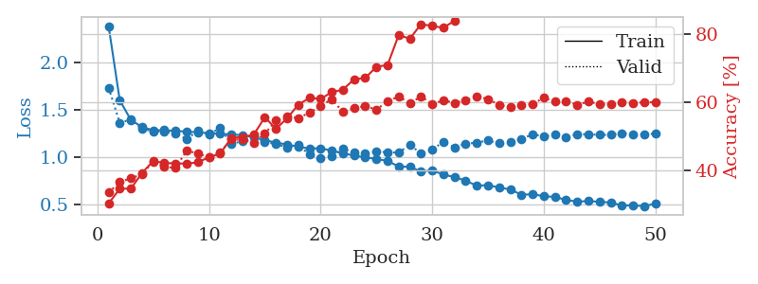
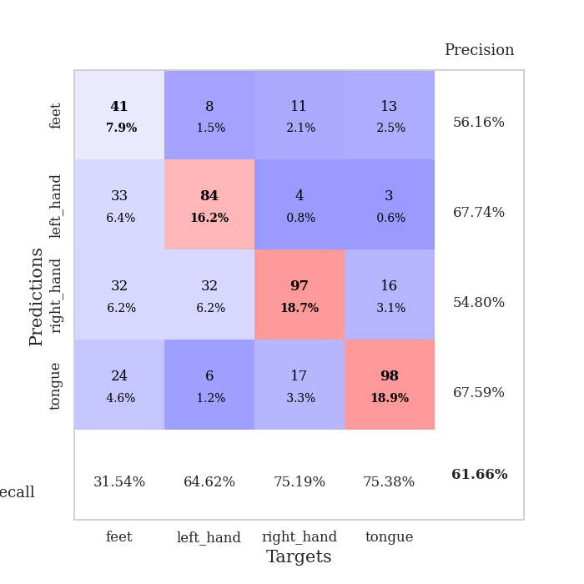
train_loss | valid_loss | train_accuracy | valid_accuracy | dur | train_misclass | valid_misclass
2.3873870318 | 1.7336811444 | 0.3013117284 | 0.33333333333 | 0.78230309486 | 30.13117284 | 33.333333333
1.6020429326 | 1.3629774815 | 0.34452160494 | 0.36416184971 | 0.95330762863 | 34.452160494 | 36.416184971
1.3914570198 | 1.3959230609 | 0.34529320988 | 0.37572254335 | 0.79689002037 | 34.529320988 | 37.572254335
1.3181428409 | 1.2980491327 | 0.3912037037 | 0.38728323699 | 0.8000524044 | 39.12037037 | 38.728323699
1.2815714217 | 1.273372148 | 0.4263117284 | 0.42389210019 | 0.79325175285 | 42.63117284 | 42.389210019
1.284139263 | 1.2706972485 | 0.42052469136 | 0.408477842 | 0.80911278725 | 42.052469136 | 40.8477842
1.2756235305 | 1.2490731377 | 0.41936728395 | 0.40655105973 | 0.79475784302 | 41.936728395 | 40.655105973
1.2687904426 | 1.1890406563 | 0.41859567901 | 0.45664739884 | 0.79805135727 | 41.859567901 | 45.664739884
1.261516152 | 1.2774512012 | 0.4224537037 | 0.44894026975 | 0.79113030434 | 42.24537037 | 44.894026975
1.2523548419 | 1.2370503449 | 0.4375 | 0.43737957611 | 0.80390620232 | 43.75 | 43.737957611
1.2442060205 | 1.3093449261 | 0.44830246914 | 0.4527938343 | 0.80396866798 | 44.830246914 | 45.27938343
1.2399866033 | 1.1414379878 | 0.49421296296 | 0.4894026975 | 0.78705143929 | 49.421296296 | 48.94026975
1.2295593998 | 1.1651705223 | 0.49729938272 | 0.4894026975 | 0.79127407074 | 49.729938272 | 48.94026975
1.2104406857 | 1.2177649909 | 0.50347222222 | 0.47976878613 | 0.79925751686 | 50.347222222 | 47.976878613
1.1770452316 | 1.1579757646 | 0.55516975309 | 0.50674373796 | 0.8248064518 | 55.516975309 | 50.674373796
1.1531613605 | 1.1386902989 | 0.5212191358 | 0.54527938343 | 0.86458325386 | 52.12191358 | 54.527938343
1.1316454054 | 1.0976684989 | 0.55208333333 | 0.55684007707 | 0.81369233131 | 55.208333333 | 55.684007707
1.1093869309 | 1.1254553535 | 0.59220679012 | 0.55298651252 | 0.79953098297 | 59.220679012 | 55.298651252
1.0889515722 | 1.0248014991 | 0.61188271605 | 0.56840077071 | 0.79560184479 | 61.188271605 | 56.840077071
1.0928856311 | 0.98575031551 | 0.60918209877 | 0.58766859345 | 0.79717612267 | 60.918209877 | 58.766859345
1.0663270965 | 1.0072001065 | 0.62885802469 | 0.60886319846 | 0.80362653732 | 62.885802469 | 60.886319846
1.0397536295 | 1.0857678521 | 0.6361882716 | 0.57032755299 | 0.80156135559 | 63.61882716 | 57.032755299
1.0141203164 | 1.0507010187 | 0.66705246914 | 0.58188824663 | 0.79812049866 | 66.705246914 | 58.188824663
0.99647460786 | 1.0428114675 | 0.67052469136 | 0.58766859345 | 0.79432106018 | 67.052469136 | 58.766859345
0.97855713301 | 1.0546730667 | 0.7037037037 | 0.57803468208 | 0.80505228043 | 70.37037037 | 57.803468208
0.95889743096 | 1.0523800864 | 0.7087191358 | 0.60115606936 | 0.79615163803 | 70.87191358 | 60.115606936
0.89840354173 | 1.0440611334 | 0.79706790123 | 0.61657032755 | 0.79501652718 | 79.706790123 | 61.657032755
0.8964660015 | 1.1327643349 | 0.7862654321 | 0.59537572254 | 0.80312991142 | 78.62654321 | 59.537572254
0.84506520739 | 1.0339661598 | 0.82908950617 | 0.61657032755 | 0.80196785927 | 82.908950617 | 61.657032755
0.85934958892 | 1.0796432683 | 0.8236882716 | 0.59344894027 | 0.80131077766 | 82.36882716 | 59.344894027
0.81288489221 | 1.158071404 | 0.81828703704 | 0.60500963391 | 0.79510378838 | 81.828703704 | 60.500963391
0.78690394244 | 1.1028702025 | 0.83912037037 | 0.59730250482 | 0.79976391792 | 83.912037037 | 59.730250482
0.74878268919 | 1.1414458605 | 0.89197530864 | 0.60500963391 | 0.79229855537 | 89.197530864 | 60.500963391
0.69552222851 | 1.1513558516 | 0.92091049383 | 0.61657032755 | 0.80222463608 | 92.091049383 | 61.657032755
0.70186422379 | 1.1754482771 | 0.89660493827 | 0.60886319846 | 0.79412412643 | 89.660493827 | 60.886319846
0.67642848442 | 1.1443543733 | 0.90895061728 | 0.591522158 | 0.79955196381 | 90.895061728 | 59.1522158
0.65597496173 | 1.1580471253 | 0.93942901235 | 0.58574181118 | 0.79543805122 | 93.942901235 | 58.574181118
0.59978487214 | 1.1894910115 | 0.95408950617 | 0.591522158 | 0.79519128799 | 95.408950617 | 59.1522158
0.60514980131 | 1.2412830015 | 0.95949074074 | 0.59344894027 | 0.79551696777 | 95.949074074 | 59.344894027
0.58454629751 | 1.2164176103 | 0.9737654321 | 0.61271676301 | 0.79564380646 | 97.37654321 | 61.271676301
0.57647069479 | 1.237011547 | 0.96952160494 | 0.60115606936 | 0.79818463326 | 96.952160494 | 60.115606936
0.54574905088 | 1.2135900845 | 0.97608024691 | 0.60308285164 | 0.79772090912 | 97.608024691 | 60.308285164
0.52580500799 | 1.2406067972 | 0.97839506173 | 0.591522158 | 0.79880809784 | 97.839506173 | 59.1522158
0.53390658665 | 1.2407279717 | 0.97916666667 | 0.60115606936 | 0.79753732681 | 97.916666667 | 60.115606936
0.52423471461 | 1.233899077 | 0.9837962963 | 0.59344894027 | 0.79721832275 | 98.37962963 | 59.344894027
0.51831570829 | 1.2339485767 | 0.9837962963 | 0.59344894027 | 0.80147409439 | 98.37962963 | 59.344894027
0.48526799854 | 1.252935699 | 0.98533950617 | 0.59922928709 | 0.79474115372 | 98.533950617 | 59.922928709
0.48720068011 | 1.2391103903 | 0.9849537037 | 0.59730250482 | 0.79091191292 | 98.49537037 | 59.730250482
0.47911037118 | 1.2395655898 | 0.98611111111 | 0.59922928709 | 0.79377794266 | 98.611111111 | 59.922928709
0.50472046352 | 1.2478904563 | 0.98456790123 | 0.59922928709 | 0.78580093384 | 98.456790123 | 59.922928709

Best Val accuracy is 0.6165703275529865 and Best test accuracy is 0.4761215629522431

Sheet8
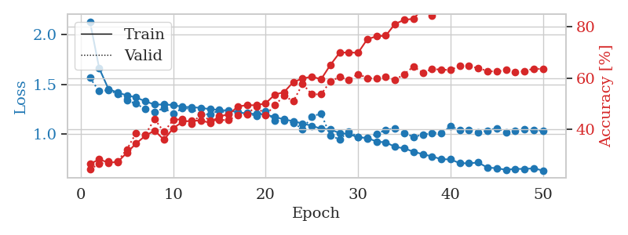
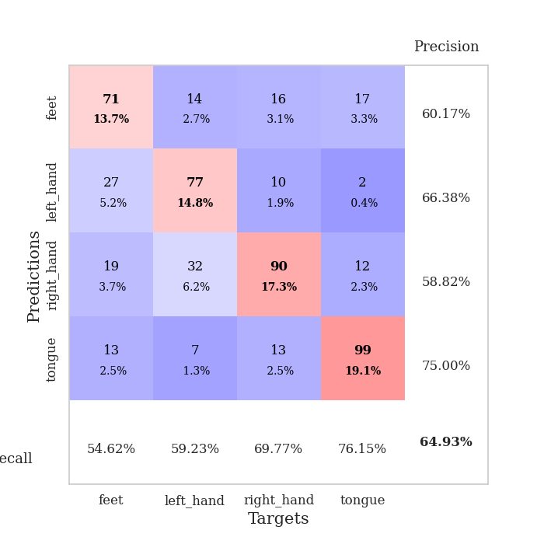
train_loss | valid_loss | train_accuracy | valid_accuracy | dur | train_misclass | valid_misclass
2.1335161895 | 1.5643772649 | 0.2662037037 | 0.24662813102 | 0.78429341316 | 26.62037037 | 24.662813102
1.6609436737 | 1.4293835482 | 0.28433641975 | 0.26589595376 | 0.95261359215 | 28.433641975 | 26.589595376
1.4524428822 | 1.4400896362 | 0.27160493827 | 0.27552986513 | 0.81171870232 | 27.160493827 | 27.552986513
1.4151600614 | 1.4022395356 | 0.27391975309 | 0.2774566474 | 0.80899477005 | 27.391975309 | 27.74566474
1.3877974565 | 1.3351143266 | 0.31057098765 | 0.32369942197 | 0.7920384407 | 31.057098765 | 32.369942197
1.3663671524 | 1.302847333 | 0.34645061728 | 0.38728323699 | 0.80382943153 | 34.645061728 | 38.728323699
1.3265432061 | 1.2471601844 | 0.37654320988 | 0.38150289017 | 0.79187440872 | 37.654320988 | 38.150289017
1.2945294354 | 1.2186183107 | 0.39660493827 | 0.44123314066 | 0.79029488564 | 39.660493827 | 44.123314066
1.2948053877 | 1.2599543813 | 0.36033950617 | 0.39113680154 | 0.78427028656 | 36.033950617 | 39.113680154
1.290203398 | 1.202329911 | 0.40547839506 | 0.43737957611 | 0.77858614922 | 40.547839506 | 43.737957611
1.2712948182 | 1.2575236616 | 0.43016975309 | 0.44123314066 | 0.7847442627 | 43.016975309 | 44.123314066
1.268949154 | 1.2527333149 | 0.43479938272 | 0.42389210019 | 0.7818069458 | 43.479938272 | 42.389210019
1.2606100065 | 1.1939964774 | 0.43518518519 | 0.45857418112 | 0.79407405853 | 43.518518519 | 45.857418112
1.2484274771 | 1.1976110118 | 0.42669753086 | 0.43545279383 | 0.80871510506 | 42.669753086 | 43.545279383
1.2400409844 | 1.2359223677 | 0.45293209877 | 0.43737957611 | 0.81627893448 | 45.293209877 | 43.737957611
1.2338805475 | 1.2021660387 | 0.45833333333 | 0.43737957611 | 0.8557600975 | 45.833333333 | 43.737957611
1.2181216412 | 1.2149486776 | 0.49074074074 | 0.45664739884 | 0.8294968605 | 49.074074074 | 45.664739884
1.2017069967 | 1.2073220332 | 0.4949845679 | 0.46050096339 | 0.80286335945 | 49.49845679 | 46.050096339
1.2010598845 | 1.1796162781 | 0.49537037037 | 0.49132947977 | 0.82071638107 | 49.537037037 | 49.132947977
1.1922571074 | 1.2270490788 | 0.50231481481 | 0.45664739884 | 0.79247641563 | 50.231481481 | 45.664739884
1.1697641504 | 1.1313557721 | 0.53665123457 | 0.49518304432 | 0.79410505295 | 53.665123457 | 49.518304432
1.14421386 | 1.1326474323 | 0.5462962963 | 0.53179190751 | 0.80935072899 | 54.62962963 | 53.179190751
1.126784878 | 1.1089689068 | 0.58564814815 | 0.5105973025 | 0.79660582542 | 58.564814815 | 51.05973025
1.1025478549 | 1.0466556753 | 0.5987654321 | 0.57803468208 | 0.81021046638 | 59.87654321 | 57.803468208
1.0801840064 | 1.1728176097 | 0.60686728395 | 0.53757225434 | 0.80378890038 | 60.686728395 | 53.757225434
1.050214724 | 1.204687928 | 0.59606481481 | 0.53757225434 | 0.80677604675 | 59.606481481 | 53.757225434
1.0446551571 | 0.97899418897 | 0.65162037037 | 0.58766859345 | 0.79812884331 | 65.162037037 | 58.766859345
1.0053953874 | 0.94431339454 | 0.69945987654 | 0.60500963391 | 0.80955886841 | 69.945987654 | 60.500963391
0.99779261005 | 1.0193486767 | 0.70100308642 | 0.59344894027 | 0.79924917221 | 70.100308642 | 59.344894027
0.96216625122 | 0.96959231952 | 0.69907407407 | 0.61657032755 | 0.81095290184 | 69.907407407 | 61.657032755
0.95821618335 | 0.94722035694 | 0.75231481481 | 0.60115606936 | 0.81092166901 | 75.231481481 | 60.115606936
0.9201927897 | 1.0006197861 | 0.76350308642 | 0.59922928709 | 0.80421853065 | 76.350308642 | 59.922928709
0.91249614163 | 1.0363746785 | 0.7662037037 | 0.60693641618 | 0.80449390411 | 76.62037037 | 60.693641618
0.86699990652 | 1.0548721203 | 0.81172839506 | 0.59344894027 | 0.81384706497 | 81.172839506 | 59.344894027
0.85218149773 | 1.0046161294 | 0.8275462963 | 0.61657032755 | 0.80899500847 | 82.75462963 | 61.657032755
0.81740821622 | 0.96945834413 | 0.83179012346 | 0.64547206166 | 0.81208252907 | 83.179012346 | 64.547206166
0.79311900466 | 0.98845301887 | 0.87229938272 | 0.62235067437 | 0.81782889366 | 87.229938272 | 62.235067437
0.77039840762 | 1.0084032316 | 0.84413580247 | 0.63583815029 | 0.81176662445 | 84.413580247 | 63.583815029
0.74249509731 | 1.0079167332 | 0.87692901235 | 0.63391136802 | 0.81598329544 | 87.692901235 | 63.391136802
0.74028492747 | 1.0727864338 | 0.90856481481 | 0.63198458574 | 0.80764436722 | 90.856481481 | 63.198458574
0.70222624272 | 1.0391486355 | 0.91512345679 | 0.6493256262 | 0.81225514412 | 91.512345679 | 64.93256262
0.70079004654 | 1.0376828121 | 0.9174382716 | 0.64739884393 | 0.8112821579 | 91.74382716 | 64.739884393
0.70878359657 | 1.014882384 | 0.92592592593 | 0.63969171484 | 0.80521225929 | 92.592592593 | 63.969171484
0.65708140164 | 1.0313531082 | 0.93171296296 | 0.62813102119 | 0.79791712761 | 93.171296296 | 62.813102119
0.65193575437 | 1.0568298673 | 0.93016975309 | 0.62620423892 | 0.80459022522 | 93.016975309 | 62.620423892
0.63442877928 | 1.0166903107 | 0.9425154321 | 0.63198458574 | 0.80236244202 | 94.25154321 | 63.198458574
0.6450129063 | 1.0294157659 | 0.94714506173 | 0.62427745665 | 0.81250810623 | 94.714506173 | 62.427745665
0.64365496808 | 1.042303126 | 0.94405864198 | 0.62813102119 | 0.80706310272 | 94.405864198 | 62.813102119
0.65030343573 | 1.0345021119 | 0.94560185185 | 0.63776493256 | 0.83313393593 | 94.560185185 | 63.776493256
0.62739761257 | 1.0319130666 | 0.94290123457 | 0.63583815029 | 0.80177021027 | 94.290123457 | 63.583815029

Best Val accuracy is 0.649325626204239 and Best test accuracy is 0.46985045827303423

Sheet9
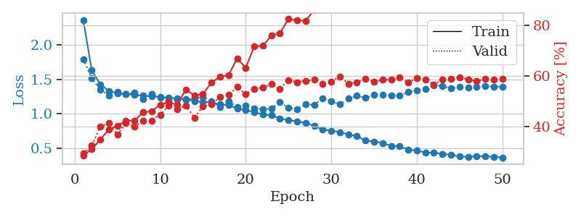
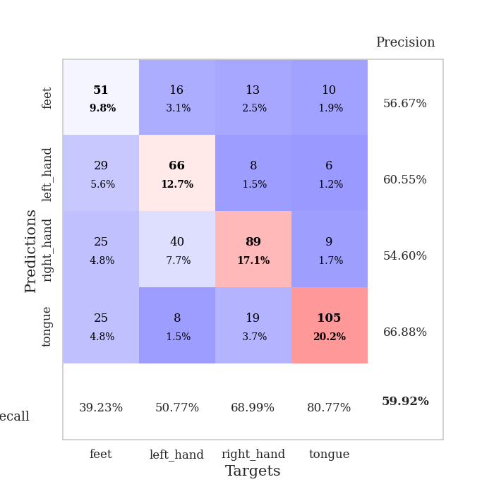
train_loss | valid_loss | train_accuracy | valid_accuracy | dur | train_misclass | valid_misclass
2.3597807325 | 1.7932556976 | 0.28587962963 | 0.29287090559 | 0.79067564011 | 28.587962963 | 29.287090559
1.6282856928 | 1.5165762391 | 0.31018518519 | 0.32562620424 | 0.94162106514 | 31.018518519 | 32.562620424
1.4280460771 | 1.3451458482 | 0.34915123457 | 0.39884393064 | 0.82176303864 | 34.915123457 | 39.884393064
1.3308492605 | 1.2671325331 | 0.38850308642 | 0.41425818882 | 0.79283332825 | 38.850308642 | 41.425818882
1.29578862 | 1.3211666003 | 0.40354938272 | 0.36801541426 | 0.7878510952 | 40.354938272 | 36.801541426
1.2861596508 | 1.2850992999 | 0.42322530864 | 0.41425818882 | 0.78988003731 | 42.322530864 | 41.425818882
1.2731416866 | 1.3029321469 | 0.42399691358 | 0.39884393064 | 0.82037806511 | 42.399691358 | 39.884393064
1.2657742504 | 1.2163772916 | 0.45640432099 | 0.42196531792 | 0.80409383774 | 45.640432099 | 42.196531792
1.2534323622 | 1.2829045622 | 0.46103395062 | 0.42389210019 | 0.82520365715 | 46.103395062 | 42.389210019
1.2461092167 | 1.2338907831 | 0.48726851852 | 0.44701348748 | 0.80574369431 | 48.726851852 | 44.701348748
1.2307813951 | 1.1937910155 | 0.49729938272 | 0.48362235067 | 0.80226159096 | 49.729938272 | 48.362235067
1.2247973412 | 1.2030419511 | 0.48572530864 | 0.46820809249 | 0.81296730042 | 48.572530864 | 46.820809249
1.2089190218 | 1.2077188439 | 0.5474537037 | 0.48362235067 | 0.79783010483 | 54.74537037 | 48.362235067
1.1873822514 | 1.2226483746 | 0.52276234568 | 0.43545279383 | 0.80500912666 | 52.276234568 | 43.545279383
1.1734608577 | 1.2503374202 | 0.52893518519 | 0.47976878613 | 0.82032990456 | 52.893518519 | 47.976878613
1.165019003 | 1.1821270425 | 0.57484567901 | 0.48747591522 | 0.83653831482 | 57.484567901 | 48.747591522
1.1360347867 | 1.0974360093 | 0.59722222222 | 0.5183044316 | 0.79882311821 | 59.722222222 | 51.83044316
1.1249722533 | 1.1806931921 | 0.6037808642 | 0.52601156069 | 0.80126929283 | 60.37808642 | 52.601156069
1.0793322877 | 1.1038719147 | 0.67013888889 | 0.55684007707 | 0.82526564598 | 67.013888889 | 55.684007707
1.0550885929 | 1.1212208446 | 0.63271604938 | 0.52793834297 | 0.80041360855 | 63.271604938 | 52.793834297
1.0266885441 | 1.0829565934 | 0.71759259259 | 0.54913294798 | 0.79879641533 | 71.759259259 | 54.913294798
0.99199191545 | 1.0647240902 | 0.72029320988 | 0.5549132948 | 0.80343484879 | 72.029320988 | 55.49132948
0.97840006079 | 1.0758588819 | 0.7600308642 | 0.56840077071 | 0.79852747917 | 76.00308642 | 56.840077071
0.93486408871 | 1.1671248681 | 0.77044753086 | 0.54913294798 | 0.79026865959 | 77.044753086 | 54.913294798
0.90606671719 | 1.0866948061 | 0.82638888889 | 0.5838150289 | 0.78400230408 | 82.638888889 | 58.38150289
0.8937158121 | 1.0700030874 | 0.82021604938 | 0.57610789981 | 0.78524684906 | 82.021604938 | 57.610789981
0.86860088323 | 1.135700886 | 0.81983024691 | 0.58188824663 | 0.78461909294 | 81.983024691 | 58.188824663
0.8254551801 | 1.1332125333 | 0.86111111111 | 0.58574181118 | 0.78214859962 | 86.111111111 | 58.574181118
0.77265393771 | 1.2248908564 | 0.88541666667 | 0.57032755299 | 0.80466461182 | 88.541666667 | 57.032755299
0.75687957086 | 1.1842900269 | 0.90470679012 | 0.57803468208 | 0.80479931831 | 90.470679012 | 57.803468208
0.73385129989 | 1.1365013559 | 0.91435185185 | 0.59922928709 | 0.80911803246 | 91.435185185 | 59.922928709
0.70468347124 | 1.2202299229 | 0.93634259259 | 0.57032755299 | 0.80391526222 | 93.634259259 | 57.032755299
0.67569827748 | 1.2619695934 | 0.94598765432 | 0.57610789981 | 0.80669903755 | 94.598765432 | 57.610789981
0.61448458932 | 1.2297250039 | 0.95717592593 | 0.58959537572 | 0.8054227829 | 95.717592593 | 58.959537572
0.59966308486 | 1.2734512235 | 0.93827160494 | 0.57803468208 | 0.80498456955 | 93.827160494 | 57.803468208
0.57835118749 | 1.2759154224 | 0.97646604938 | 0.58574181118 | 0.79860377312 | 97.646604938 | 58.574181118
0.53644629356 | 1.2665430774 | 0.97337962963 | 0.58574181118 | 0.80314445496 | 97.337962963 | 58.574181118
0.52915381263 | 1.2621124902 | 0.98765432099 | 0.59537572254 | 0.80612516403 | 98.765432099 | 59.537572254
0.48126492263 | 1.3183932892 | 0.99151234568 | 0.57418111753 | 0.80342245102 | 99.151234568 | 57.418111753
0.46762794955 | 1.3362403968 | 0.98726851852 | 0.591522158 | 0.80170345306 | 98.726851852 | 59.1522158
0.44234794185 | 1.3590394821 | 0.99189814815 | 0.58766859345 | 0.81013011932 | 99.189814815 | 58.766859345
0.43857267701 | 1.4135983004 | 0.99382716049 | 0.56647398844 | 0.80581784248 | 99.382716049 | 56.647398844
0.42294750777 | 1.405839559 | 0.99344135802 | 0.58574181118 | 0.79942274094 | 99.344135802 | 58.574181118
0.40535038815 | 1.3675190718 | 0.99382716049 | 0.58959537572 | 0.80624508858 | 99.382716049 | 58.959537572
0.38563637233 | 1.3872276271 | 0.99729938272 | 0.59537572254 | 0.81898450851 | 99.729938272 | 59.537572254
0.37843931738 | 1.3788856578 | 0.99537037037 | 0.58766859345 | 0.80237555504 | 99.537037037 | 58.766859345
0.38870159192 | 1.3898142638 | 0.99652777778 | 0.57996146435 | 0.80859279633 | 99.652777778 | 57.996146435
0.38754568327 | 1.4037241605 | 0.99652777778 | 0.58959537572 | 0.79987359047 | 99.652777778 | 58.959537572
0.37774951889 | 1.3941913855 | 0.99652777778 | 0.58766859345 | 0.80298304558 | 99.652777778 | 58.766859345
0.36884489058 | 1.3929196571 | 0.99575617284 | 0.58959537572 | 0.80669546127 | 99.575617284 | 58.959537572

Best Val accuracy is 0.5992292870905588 and Best test accuracy is 0.45200192957067054

Sheet10
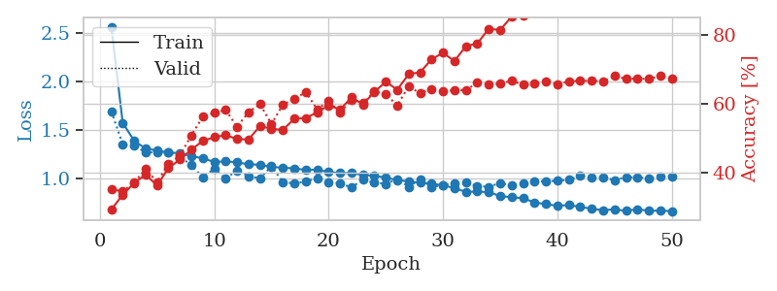
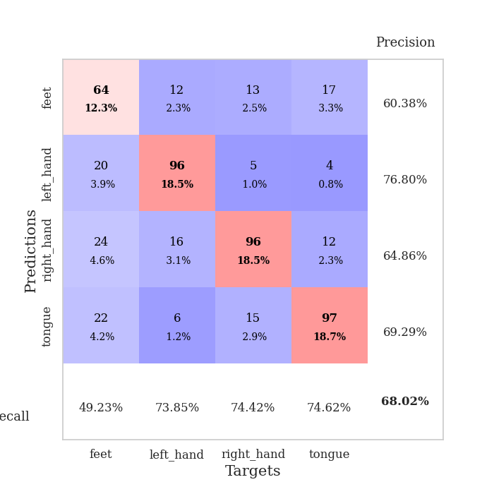
train_loss | valid_loss | train_accuracy | valid_accuracy | dur | train_misclass | valid_misclass
2.5671507915 | 1.6944196481 | 0.29398148148 | 0.35260115607 | 0.77951931953 | 29.398148148 | 35.260115607
1.576211742 | 1.3563956417 | 0.33680555556 | 0.34682080925 | 0.91286230087 | 33.680555556 | 34.682080925
1.3919059274 | 1.3427714275 | 0.37114197531 | 0.37186897881 | 0.77592921257 | 37.114197531 | 37.186897881
1.3112958309 | 1.2709138614 | 0.39467592593 | 0.41233140655 | 0.76438522339 | 39.467592593 | 41.233140655
1.2928826897 | 1.2757995549 | 0.36419753086 | 0.37379576108 | 0.74788713455 | 36.419753086 | 37.379576108
1.2700897838 | 1.2723299196 | 0.41396604938 | 0.42581888247 | 0.74170923233 | 41.396604938 | 42.581888247
1.2649826536 | 1.2309615743 | 0.43904320988 | 0.45086705202 | 0.7375934124 | 43.904320988 | 45.086705202
1.2340992042 | 1.1384796444 | 0.46759259259 | 0.50867052023 | 0.742582798 | 46.759259259 | 50.867052023
1.2112225368 | 1.0163853061 | 0.49266975309 | 0.56262042389 | 0.74723148346 | 49.266975309 | 56.262042389
1.1740737918 | 1.1027308473 | 0.50347222222 | 0.57418111753 | 0.76355743408 | 50.347222222 | 57.418111753
1.1793328737 | 1.0025229284 | 0.50964506173 | 0.58188824663 | 0.76104974747 | 50.964506173 | 58.188824663
1.1704118771 | 1.0867324277 | 0.49807098765 | 0.53371868979 | 0.76188087463 | 49.807098765 | 53.371868979
1.1490902043 | 1.0277158819 | 0.49691358025 | 0.57610789981 | 0.74710130692 | 49.691358025 | 57.610789981
1.1453708668 | 1.0035512748 | 0.53587962963 | 0.59922928709 | 0.75007772446 | 53.587962963 | 59.922928709
1.1219085701 | 1.1298217971 | 0.52777777778 | 0.54142581888 | 0.76175832748 | 52.777777778 | 54.142581888
1.1149887303 | 0.96636318724 | 0.52430555556 | 0.59730250482 | 0.75734996796 | 52.430555556 | 59.730250482
1.1073472342 | 0.95355025583 | 0.55709876543 | 0.61464354528 | 0.7551150322 | 55.709876543 | 61.464354528
1.0916426877 | 0.97110865755 | 0.55864197531 | 0.63391136802 | 0.76945710182 | 55.864197531 | 63.391136802
1.0948776757 | 1.0081597197 | 0.57561728395 | 0.5838150289 | 0.76777100563 | 57.561728395 | 58.38150289
1.0711769671 | 0.96492993166 | 0.59529320988 | 0.60886319846 | 0.77119469643 | 59.529320988 | 60.886319846
1.0588281534 | 0.95472405228 | 0.5837191358 | 0.57418111753 | 0.77231240273 | 58.37191358 | 57.418111753
1.0617486353 | 0.90998414831 | 0.61844135802 | 0.61271676301 | 0.77117133141 | 61.844135802 | 61.271676301
1.0402847517 | 0.99393227472 | 0.59837962963 | 0.60308285164 | 0.78253555298 | 59.837962963 | 60.308285164
1.0316619071 | 0.96202294652 | 0.63464506173 | 0.63583815029 | 0.77097249031 | 63.464506173 | 63.583815029
1.0118513541 | 0.94825169484 | 0.66396604938 | 0.62813102119 | 0.78147602081 | 66.396604938 | 62.813102119
0.98801929789 | 0.998427157 | 0.64081790123 | 0.59537572254 | 0.78007221222 | 64.081790123 | 59.537572254
0.97308161009 | 0.91589778398 | 0.68595679012 | 0.65125240848 | 0.76953363419 | 68.595679012 | 65.125240848
0.95967812707 | 0.99774494635 | 0.69135802469 | 0.63005780347 | 0.76323652267 | 69.135802469 | 63.005780347
0.95171810779 | 0.91733133793 | 0.7287808642 | 0.64354527938 | 0.75518870354 | 72.87808642 | 64.354527938
0.9314928316 | 0.93368485438 | 0.74768518519 | 0.63583815029 | 0.74573016167 | 74.768518519 | 63.583815029
0.90563147708 | 0.9585470958 | 0.7237654321 | 0.63969171484 | 0.72583174706 | 72.37654321 | 63.969171484
0.86430755791 | 0.96352793325 | 0.76697530864 | 0.63969171484 | 0.71782565117 | 76.697530864 | 63.969171484
0.86881798046 | 0.92485491067 | 0.77469135802 | 0.66088631985 | 0.73259139061 | 77.469135802 | 66.088631985
0.86303047965 | 0.91808549517 | 0.81712962963 | 0.65510597303 | 0.77118802071 | 81.712962963 | 65.510597303
0.82278020165 | 0.95692332999 | 0.81365740741 | 0.65895953757 | 0.78110265732 | 81.365740741 | 65.895953757
0.8095795205 | 0.93186725748 | 0.85262345679 | 0.66666666667 | 0.76285147667 | 85.262345679 | 66.666666667
0.80034077738 | 0.95256985934 | 0.85609567901 | 0.65510597303 | 0.78310751915 | 85.609567901 | 65.510597303
0.75685309959 | 0.97795757714 | 0.8800154321 | 0.65895953757 | 0.76068854332 | 88.00154321 | 65.895953757
0.7388769173 | 0.97188323817 | 0.87885802469 | 0.66473988439 | 0.7668492794 | 87.885802469 | 66.473988439
0.72231847066 | 0.98206708473 | 0.88888888889 | 0.6570327553 | 0.77813410759 | 88.888888889 | 65.70327553
0.7297382099 | 0.98870629428 | 0.89930555556 | 0.66473988439 | 0.77971839905 | 89.930555556 | 66.473988439
0.710811195 | 1.0285616697 | 0.90972222222 | 0.66666666667 | 0.76757693291 | 90.972222222 | 66.666666667
0.69150704274 | 1.0123175734 | 0.90432098765 | 0.66666666667 | 0.7720785141 | 90.432098765 | 66.666666667
0.67699007745 | 1.0134505017 | 0.91242283951 | 0.66473988439 | 0.77862048149 | 91.242283951 | 66.473988439
0.68582759172 | 0.98771487174 | 0.91512345679 | 0.68015414258 | 0.7876226902 | 91.512345679 | 68.015414258
0.66983947323 | 1.0179824232 | 0.92013888889 | 0.67244701349 | 0.7661819458 | 92.013888889 | 67.244701349
0.68754685643 | 1.0131043 | 0.92091049383 | 0.67244701349 | 0.75330662727 | 92.091049383 | 67.244701349
0.6694551905 | 1.0080261515 | 0.92283950617 | 0.67244701349 | 0.7175283432 | 92.283950617 | 67.244701349
0.67355929352 | 1.0207061101 | 0.9174382716 | 0.68015414258 | 0.70885181427 | 91.74382716 | 68.015414258
0.66643865995 | 1.0256627474 | 0.9224537037 | 0.67437379576 | 0.70798110962 | 92.24537037 | 67.437379576

Best Val accuracy is 0.6801541425818882 and Best test accuracy is 0.48914616497829233

