Sheet
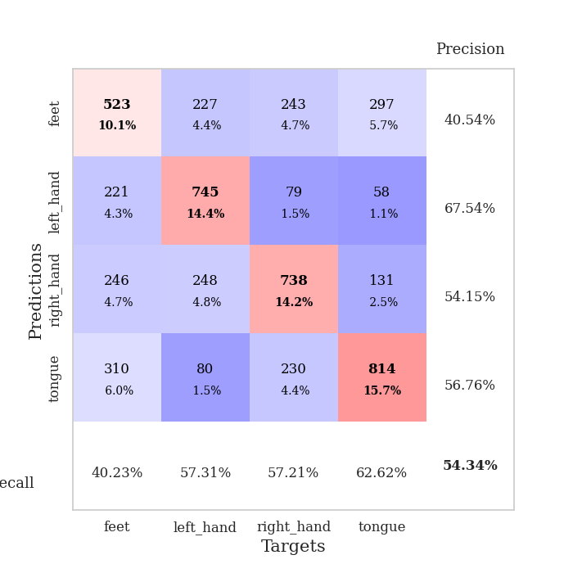
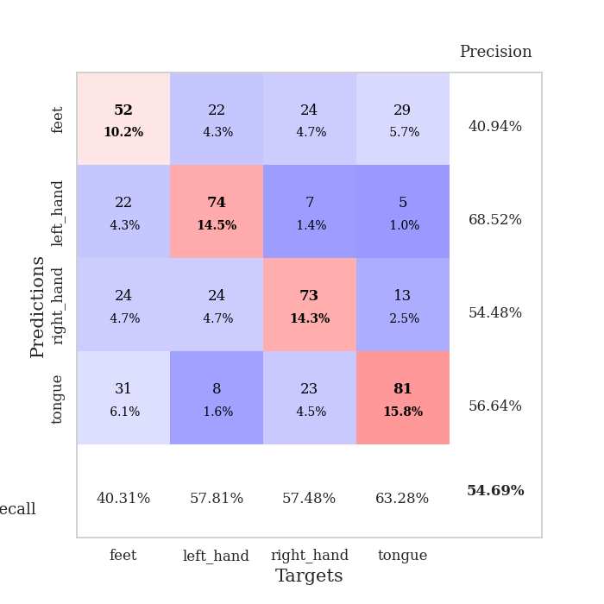
best_val_acc | best_val_los | best_test_acc
0.5472061657 | 1.1260921973 | 0.38109020743
0.52986512524 | 1.1087414646 | 0.37337192475
0.54913294798 | 1.1562284162 | 0.39845634346
0.56262042389 | 1.2351046494 | 0.39266763145
0.48554913295 | 1.309334466 | 0.36951278341
0.57032755299 | 1.0414356255 | 0.40376266281
0.53757225434 | 1.1981394865 | 0.39700916546
0.56262042389 | 1.0859583602 | 0.39073806078
0.54527938343 | 1.1989071597 | 0.3979739508
0.54527938343 | 1.2277097121 | 0.37916063676

Mean,std Val accuracy is 0.5435452793834298 , 0.02376278010531152 and mean, std test accuracy is 0.388374336710082 , 0.011775498260720904

Sheet1
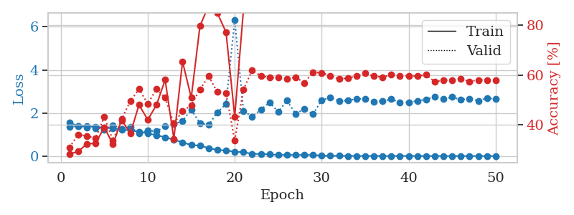
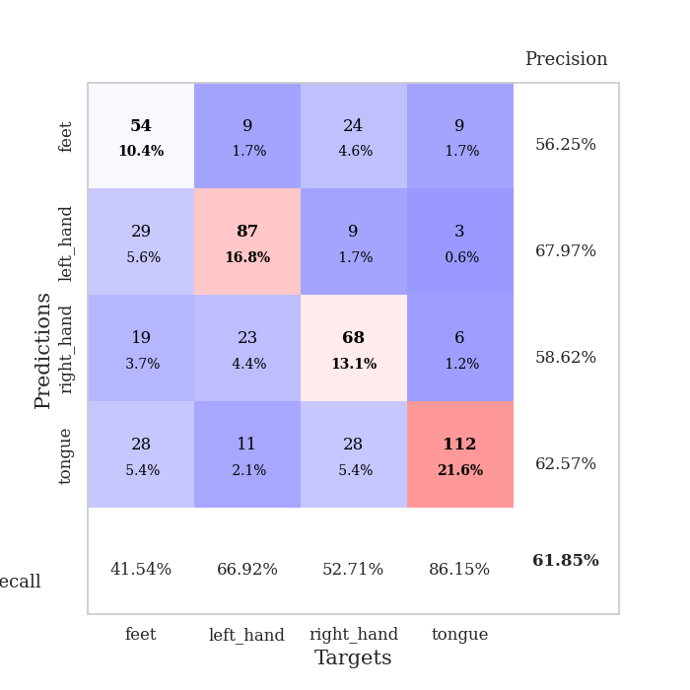
train_loss | valid_loss | train_accuracy | valid_accuracy | dur | train_misclass | valid_misclass
1.533268256 | 1.773602736 | 0.25192901235 | 0.25240847784 | 22.311933041 | 25.192901235 | 25.240847784
1.419119297 | 1.3970948883 | 0.26080246914 | 0.25626204239 | 20.042184353 | 26.080246914 | 25.626204239
1.3938782576 | 1.3795913265 | 0.26273148148 | 0.25818882466 | 27.318054438 | 26.273148148 | 25.818882466
1.3873413993 | 1.3993374242 | 0.27083333333 | 0.29287090559 | 27.444914103 | 27.083333333 | 29.287090559
1.383690355 | 1.5894872145 | 0.26890432099 | 0.25240847784 | 27.813057423 | 26.890432099 | 25.240847784
1.3838966908 | 1.3893400853 | 0.26697530864 | 0.28901734104 | 27.602198601 | 26.697530864 | 28.901734104
1.3799928169 | 1.3681959072 | 0.26967592593 | 0.30443159923 | 27.516327858 | 26.967592593 | 30.443159923
1.3795454929 | 1.3660819494 | 0.28086419753 | 0.28901734104 | 27.789203167 | 28.086419753 | 28.901734104
1.3709297151 | 1.4265642437 | 0.27199074074 | 0.26589595376 | 27.937665939 | 27.199074074 | 26.589595376
1.3626995293 | 2.0650863565 | 0.26234567901 | 0.25048169557 | 27.743450165 | 26.234567901 | 25.048169557
1.347112663 | 1.3078696868 | 0.34567901235 | 0.39691714836 | 27.763536453 | 34.567901235 | 39.691714836
1.3098187483 | 1.3081322805 | 0.35223765432 | 0.36416184971 | 27.741626024 | 35.223765432 | 36.416184971
1.2746554462 | 1.283317907 | 0.37345679012 | 0.41811175337 | 27.769491196 | 37.345679012 | 41.811175337
1.2573262755 | 1.2425173151 | 0.4012345679 | 0.41425818882 | 27.90328455 | 40.12345679 | 41.425818882
1.218959089 | 1.2684825934 | 0.43904320988 | 0.4527938343 | 27.86594677 | 43.904320988 | 45.27938343
1.1898843098 | 1.3854101313 | 0.33757716049 | 0.41811175337 | 27.395210028 | 33.757716049 | 41.811175337
1.148291317 | 1.1260921973 | 0.53703703704 | 0.50096339114 | 27.645403385 | 53.703703704 | 50.096339114
1.1150288159 | 1.5513879483 | 0.41280864198 | 0.38728323699 | 27.789734125 | 41.280864198 | 38.728323699
0.99433770997 | 1.3357712742 | 0.50424382716 | 0.4816955684 | 27.561498404 | 50.424382716 | 48.16955684
0.89360169551 | 1.5399111782 | 0.55169753086 | 0.46242774566 | 27.890830755 | 55.169753086 | 46.242774566
0.78068310519 | 1.3487617161 | 0.77276234568 | 0.5472061657 | 27.911373854 | 77.276234568 | 54.72061657
0.61045543951 | 2.765734684 | 0.65239197531 | 0.42774566474 | 27.489814043 | 65.239197531 | 42.774566474
0.52890345712 | 1.79927172 | 0.85841049383 | 0.44315992293 | 27.568860531 | 85.841049383 | 44.315992293
0.4205457788 | 1.9648377399 | 0.85223765432 | 0.51252408478 | 27.563003302 | 85.223765432 | 51.252408478
0.30551895849 | 2.5669225562 | 0.91936728395 | 0.47206165703 | 27.707898378 | 91.936728395 | 47.206165703
0.28063732547 | 2.6997383119 | 0.87384259259 | 0.47976878613 | 27.629665136 | 87.384259259 | 47.976878613
0.21045120254 | 2.1613023474 | 0.98148148148 | 0.51252408478 | 27.999309063 | 98.148148148 | 51.252408478
0.22924934224 | 1.9695429581 | 0.95061728395 | 0.48362235067 | 27.997432947 | 95.061728395 | 48.362235067
0.18554074346 | 2.318885975 | 0.98225308642 | 0.48747591522 | 27.947972059 | 98.225308642 | 48.747591522
0.13699359349 | 2.4834809675 | 0.99305555556 | 0.52023121387 | 27.659077644 | 99.305555556 | 52.023121387
0.13084298717 | 2.4519375675 | 0.99305555556 | 0.49132947977 | 28.154659271 | 99.305555556 | 49.132947977
0.091426543374 | 2.4665762092 | 0.99807098765 | 0.49518304432 | 28.108048201 | 99.807098765 | 49.518304432
0.084553732096 | 2.673427257 | 0.99845679012 | 0.50481695568 | 28.285769224 | 99.845679012 | 50.481695568
0.050835831794 | 2.837682158 | 0.99614197531 | 0.50481695568 | 28.319411516 | 99.614197531 | 50.481695568
0.053518363749 | 2.8352883152 | 0.99074074074 | 0.52793834297 | 28.468320608 | 99.074074074 | 52.793834297
0.038144168555 | 2.726084768 | 0.99652777778 | 0.52215799615 | 28.24824214 | 99.652777778 | 52.215799615
0.030284350518 | 2.7598181322 | 0.99922839506 | 0.49325626204 | 28.359749079 | 99.922839506 | 49.325626204
0.030527805238 | 2.7458708424 | 0.99922839506 | 0.52215799615 | 28.64211607 | 99.922839506 | 52.215799615
0.023671489414 | 2.6857512163 | 0.99922839506 | 0.50867052023 | 28.355378389 | 99.922839506 | 50.867052023
0.023368089037 | 2.8489073788 | 1 | 0.51252408478 | 28.430640697 | 100 | 51.252408478
0.018319239477 | 2.9008430957 | 1 | 0.5105973025 | 28.437926292 | 100 | 51.05973025
0.015129221954 | 2.9719595243 | 1 | 0.51252408478 | 28.452506781 | 100 | 51.252408478
0.013359931993 | 2.9809727839 | 1 | 0.5183044316 | 28.430290937 | 100 | 51.83044316
0.0095584749922 | 3.0070103271 | 1 | 0.5183044316 | 28.468898058 | 100 | 51.83044316
0.011501414199 | 3.0214751258 | 1 | 0.51445086705 | 28.619294167 | 100 | 51.445086705
0.0089904423383 | 2.9506245284 | 1 | 0.5105973025 | 28.420073032 | 100 | 51.05973025
0.0068103294704 | 2.9756203543 | 1 | 0.5105973025 | 28.231022835 | 100 | 51.05973025
0.012775211971 | 2.9727563679 | 1 | 0.52215799615 | 28.020808458 | 100 | 52.215799615
0.0099919807364 | 2.957780861 | 1 | 0.5183044316 | 20.137937784 | 100 | 51.83044316
0.012876826168 | 3.0260769522 | 1 | 0.52408477842 | 19.980963945 | 100 | 52.408477842

Best Val accuracy is 0.5472061657032755 and Best test accuracy is 0.3810902074288471

Sheet2
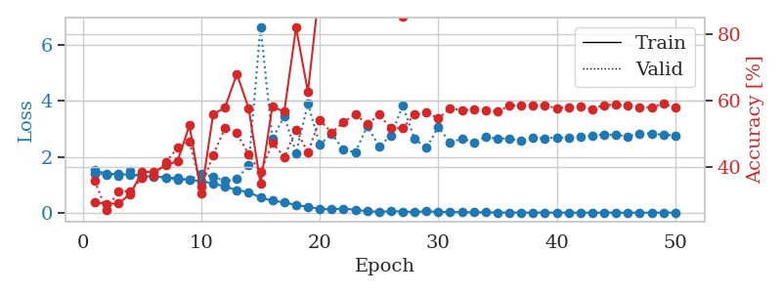
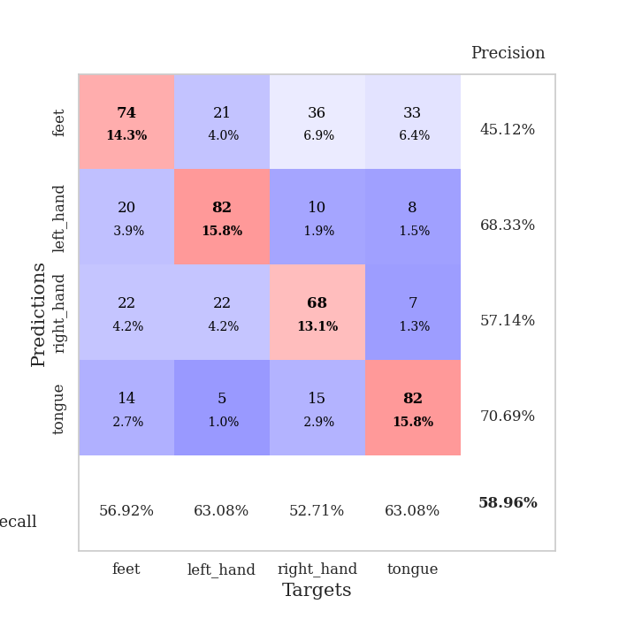
train_loss | valid_loss | train_accuracy | valid_accuracy | dur | train_misclass | valid_misclass
1.5324897391 | 1.6010021725 | 0.24845679012 | 0.26396917148 | 22.302180767 | 24.845679012 | 26.396917148
1.4207722729 | 1.4475709234 | 0.25270061728 | 0.27552986513 | 27.86094141 | 25.270061728 | 27.552986513
1.4026303438 | 1.3812456436 | 0.28587962963 | 0.29865125241 | 28.321398973 | 28.587962963 | 29.865125241
1.3867082478 | 1.4595299337 | 0.2650462963 | 0.25240847784 | 28.384919882 | 26.50462963 | 25.240847784
1.3838158301 | 1.3765284629 | 0.28742283951 | 0.31021194605 | 28.401943922 | 28.742283951 | 31.021194605
1.3784734938 | 1.3880896382 | 0.27854938272 | 0.28323699422 | 27.959179163 | 27.854938272 | 28.323699422
1.3758536283 | 1.4099546841 | 0.27507716049 | 0.28516377649 | 27.656596899 | 27.507716049 | 28.516377649
1.3716065508 | 1.4486202355 | 0.30902777778 | 0.30828516378 | 27.346726894 | 30.902777778 | 30.828516378
1.3542250056 | 1.4619888901 | 0.29398148148 | 0.30057803468 | 27.410852671 | 29.398148148 | 30.057803468
1.3366747101 | 1.3908964226 | 0.37692901235 | 0.36416184971 | 27.157469749 | 37.692901235 | 36.416184971
1.2942830909 | 1.3974767733 | 0.35185185185 | 0.39113680154 | 27.357530594 | 35.185185185 | 39.113680154
1.2570860224 | 1.1682845857 | 0.40779320988 | 0.50674373796 | 27.618161201 | 40.779320988 | 50.674373796
1.2221495848 | 1.2231834961 | 0.41512345679 | 0.46820809249 | 27.017790079 | 41.512345679 | 46.820809249
1.1913831679 | 1.1373868453 | 0.43132716049 | 0.50289017341 | 27.652572632 | 43.132716049 | 50.289017341
1.130101698 | 1.1087414646 | 0.45601851852 | 0.49518304432 | 27.691595793 | 45.601851852 | 49.518304432
1.0841641419 | 1.8455330048 | 0.45486111111 | 0.40077071291 | 27.748480797 | 45.486111111 | 40.077071291
0.99841160097 | 1.262249948 | 0.54591049383 | 0.4816955684 | 27.361762524 | 54.591049383 | 48.16955684
0.9020195699 | 1.5973981149 | 0.48958333333 | 0.4450867052 | 27.576339483 | 48.958333333 | 44.50867052
0.75880171138 | 1.4384632977 | 0.75231481481 | 0.48747591522 | 27.739652395 | 75.231481481 | 48.747591522
0.62298133141 | 1.6586046621 | 0.73958333333 | 0.45857418112 | 27.698277712 | 73.958333333 | 45.857418112
0.50175473719 | 1.6430142247 | 0.70640432099 | 0.51252408478 | 27.216677427 | 70.640432099 | 51.252408478
0.34575958394 | 2.3974870478 | 0.84837962963 | 0.4894026975 | 27.753237963 | 84.837962963 | 48.94026975
0.29665875964 | 2.2881980948 | 0.82677469136 | 0.44123314066 | 27.756625414 | 82.677469136 | 44.123314066
0.2224334897 | 2.4067483054 | 0.81018518519 | 0.43737957611 | 27.296161413 | 81.018518519 | 43.737957611
0.15429782188 | 2.5347538872 | 0.98148148148 | 0.47591522158 | 27.330906153 | 98.148148148 | 47.591522158
0.10739259774 | 3.0749497324 | 0.97106481481 | 0.42967244701 | 27.552877426 | 97.106481481 | 42.967244701
0.084784358197 | 2.2804891296 | 0.99382716049 | 0.50867052023 | 27.634089231 | 99.382716049 | 50.867052023
0.061977350765 | 2.5964711991 | 0.99035493827 | 0.52601156069 | 27.640175343 | 99.035493827 | 52.601156069
0.082369264465 | 3.0024202329 | 0.99807098765 | 0.50096339114 | 27.605854034 | 99.807098765 | 50.096339114
0.041123614374 | 3.6331142571 | 0.94560185185 | 0.45472061657 | 27.304797173 | 94.560185185 | 45.472061657
0.047140379106 | 2.8833962192 | 0.99884259259 | 0.50481695568 | 27.530551434 | 99.884259259 | 50.481695568
0.032254409695 | 2.6759199453 | 0.99305555556 | 0.4816955684 | 27.364505768 | 99.305555556 | 48.16955684
0.022988166193 | 2.884812565 | 0.99961419753 | 0.50289017341 | 27.862802982 | 99.961419753 | 50.289017341
0.018003546481 | 3.398418721 | 0.99729938272 | 0.47591522158 | 27.762729883 | 99.729938272 | 47.591522158
0.031593522348 | 2.9417211879 | 0.99961419753 | 0.50289017341 | 27.42238307 | 99.961419753 | 50.289017341
0.014119547477 | 3.0508382991 | 0.99922839506 | 0.52793834297 | 27.70909977 | 99.922839506 | 52.793834297
0.0074634239968 | 3.1837373708 | 1 | 0.5105973025 | 27.536677837 | 100 | 51.05973025
0.0051399201783 | 3.2161741413 | 1 | 0.52986512524 | 27.383897066 | 100 | 52.986512524
0.008873851143 | 3.375129561 | 1 | 0.51445086705 | 27.725181103 | 100 | 51.445086705
0.0042805487455 | 3.3528606373 | 1 | 0.52023121387 | 27.685073137 | 100 | 52.023121387
0.0041986589088 | 3.5011857116 | 1 | 0.49325626204 | 27.791278124 | 100 | 49.325626204
0.0032071967773 | 3.5332788544 | 1 | 0.5105973025 | 27.738511562 | 100 | 51.05973025
0.0050744198593 | 3.6683130361 | 1 | 0.49710982659 | 19.825089931 | 100 | 49.710982659
0.003516261417 | 3.6171316715 | 1 | 0.50481695568 | 20.032186985 | 100 | 50.481695568
0.0028585762281 | 3.4246110824 | 1 | 0.52023121387 | 20.130694866 | 100 | 52.023121387
0.0021508714423 | 3.4545548807 | 1 | 0.51637764933 | 19.307970524 | 100 | 51.637764933
0.0026412574354 | 3.5359713448 | 1 | 0.52408477842 | 20.075976372 | 100 | 52.408477842
0.0032123080704 | 3.5016165234 | 1 | 0.5183044316 | 27.208732367 | 100 | 51.83044316
0.00209043916 | 3.4641955799 | 1 | 0.52986512524 | 27.486310482 | 100 | 52.986512524
0.0041447674065 | 3.3858732438 | 1 | 0.52023121387 | 27.140182018 | 100 | 52.023121387

Best Val accuracy is 0.5298651252408478 and Best test accuracy is 0.37337192474674386

Sheet3
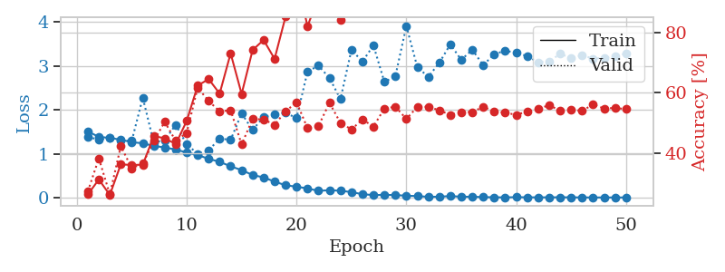
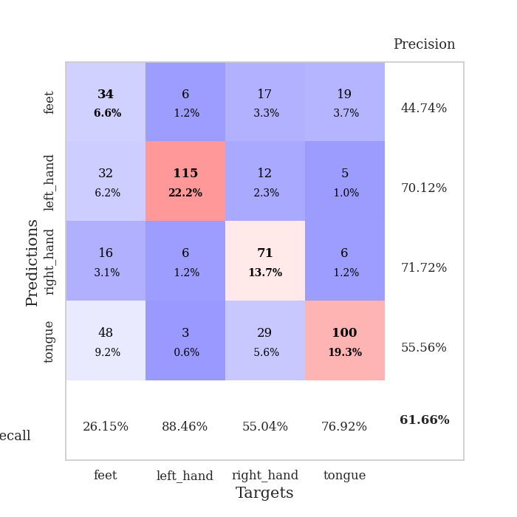
train_loss | valid_loss | train_accuracy | valid_accuracy | dur | train_misclass | valid_misclass
1.5528008423 | 1.6258179563 | 0.25 | 0.25048169557 | 22.564088821 | 25 | 25.048169557
1.4165062375 | 1.4133846096 | 0.25964506173 | 0.24855491329 | 27.351318836 | 25.964506173 | 24.855491329
1.3954871562 | 1.4137331596 | 0.25771604938 | 0.29479768786 | 27.099266768 | 25.771604938 | 29.479768786
1.3890905638 | 1.3977808835 | 0.28819444444 | 0.25818882466 | 27.334777355 | 28.819444444 | 25.818882466
1.3856783053 | 1.412280178 | 0.26350308642 | 0.25048169557 | 27.259237528 | 26.350308642 | 25.048169557
1.3822877952 | 1.3801842616 | 0.26080246914 | 0.2697495183 | 27.300786018 | 26.080246914 | 26.97495183
1.3816863997 | 1.3705698987 | 0.30169753086 | 0.31213872832 | 27.64611268 | 30.169753086 | 31.213872832
1.3772292961 | 1.3640171303 | 0.29668209877 | 0.30828516378 | 27.441344023 | 29.668209877 | 30.828516378
1.3727870495 | 1.356212743 | 0.31057098765 | 0.32947976879 | 27.018595695 | 31.057098765 | 32.947976879
1.3679602249 | 1.4234118218 | 0.30285493827 | 0.31984585742 | 27.645075321 | 30.285493827 | 31.984585742
1.363777062 | 2.8563442928 | 0.25385802469 | 0.25048169557 | 27.411350727 | 25.385802469 | 25.048169557
1.3563705712 | 2.0193102415 | 0.29783950617 | 0.30443159923 | 27.410579205 | 29.783950617 | 30.443159923
1.3351676994 | 1.5432454979 | 0.34413580247 | 0.34489402697 | 27.395968914 | 34.413580247 | 34.489402697
1.3090880211 | 2.2366123222 | 0.30709876543 | 0.30057803468 | 27.751520157 | 30.709876543 | 30.057803468
1.2619473312 | 1.4486693936 | 0.35956790123 | 0.39691714836 | 27.61344862 | 35.956790123 | 39.691714836
1.2021532294 | 1.7453402582 | 0.36651234568 | 0.35838150289 | 27.646674395 | 36.651234568 | 35.838150289
1.132324501 | 1.4296215862 | 0.44405864198 | 0.46242774566 | 27.732377529 | 44.405864198 | 46.242774566
1.0556858112 | 1.1562284162 | 0.5775462963 | 0.50674373796 | 27.60010457 | 57.75462963 | 50.674373796
0.97293541314 | 1.4750893582 | 0.59953703704 | 0.47206165703 | 28.266269922 | 59.953703704 | 47.206165703
0.85408202439 | 1.7950523125 | 0.45100308642 | 0.52023121387 | 28.223326921 | 45.100308642 | 52.023121387
0.70913888569 | 2.3971248109 | 0.54475308642 | 0.44894026975 | 28.178789377 | 54.475308642 | 44.894026975
0.61506155152 | 1.6486347126 | 0.84606481481 | 0.50674373796 | 28.2549088 | 84.606481481 | 50.674373796
0.46856271673 | 3.7964349813 | 0.46334876543 | 0.40077071291 | 28.251656055 | 46.334876543 | 40.077071291
0.38888539553 | 1.8575335628 | 0.87037037037 | 0.52793834297 | 28.176639557 | 87.037037037 | 52.793834297
0.28563048948 | 2.8624980215 | 0.59375 | 0.42581888247 | 28.202451944 | 59.375 | 42.581888247
0.21434905087 | 1.7828827529 | 0.96797839506 | 0.52601156069 | 28.215727568 | 96.797839506 | 52.601156069
0.17683304897 | 2.219215168 | 0.92978395062 | 0.49518304432 | 28.081683397 | 92.978395062 | 49.518304432
0.11767645803 | 2.3333135846 | 0.98611111111 | 0.53564547206 | 27.949949265 | 98.611111111 | 53.564547206
0.099563961798 | 2.5973274377 | 0.99266975309 | 0.50867052023 | 27.573265076 | 99.266975309 | 50.867052023
0.087779282602 | 2.3447916714 | 0.99151234568 | 0.51252408478 | 27.497257471 | 99.151234568 | 51.252408478
0.076802403285 | 2.9894435741 | 0.96296296296 | 0.50096339114 | 27.645947218 | 96.296296296 | 50.096339114
0.040785727312 | 2.4617083325 | 0.99884259259 | 0.54527938343 | 27.56148386 | 99.884259259 | 54.527938343
0.037394421935 | 2.6246587233 | 1 | 0.52215799615 | 27.608205557 | 100 | 52.215799615
0.023109365899 | 2.4326070811 | 0.99537037037 | 0.54913294798 | 26.081907988 | 99.537037037 | 54.913294798
0.012937553173 | 2.6369519519 | 1 | 0.53949903661 | 20.135468245 | 100 | 53.949903661
0.020807857219 | 3.1079730684 | 0.96064814815 | 0.47784200385 | 19.917562008 | 96.064814815 | 47.784200385
0.012682587456 | 3.6663832747 | 0.99189814815 | 0.48362235067 | 20.015728712 | 99.189814815 | 48.362235067
0.0097300744355 | 2.6475522339 | 1 | 0.53371868979 | 20.287480831 | 100 | 53.371868979
0.0065898609272 | 2.7520173841 | 1 | 0.54142581888 | 21.618076086 | 100 | 54.142581888
0.0044083717718 | 2.8074540623 | 1 | 0.53949903661 | 27.412501097 | 100 | 53.949903661
0.0084784264561 | 3.0989197196 | 1 | 0.52023121387 | 27.673677444 | 100 | 52.023121387
0.0041973946396 | 3.1816481984 | 1 | 0.51445086705 | 27.67426157 | 100 | 51.445086705
0.0057700237184 | 3.0234196062 | 1 | 0.53564547206 | 27.29409647 | 100 | 53.564547206
0.0037862962563 | 3.1447571854 | 1 | 0.52986512524 | 27.613584042 | 100 | 52.986512524
0.0024803836767 | 2.9661181612 | 1 | 0.53179190751 | 27.605431557 | 100 | 53.179190751
0.0087569384664 | 2.9294824563 | 1 | 0.53371868979 | 27.308769941 | 100 | 53.371868979
0.0022582769975 | 2.9861514757 | 1 | 0.53757225434 | 27.585227966 | 100 | 53.757225434
0.0034110268769 | 2.9360267101 | 1 | 0.53179190751 | 27.325531006 | 100 | 53.179190751
0.0023299871978 | 3.0345310604 | 1 | 0.53949903661 | 27.242051125 | 100 | 53.949903661
0.0017008672201 | 3.0077434652 | 1 | 0.52986512524 | 27.332479954 | 100 | 52.986512524

Best Val accuracy is 0.5491329479768786 and Best test accuracy is 0.39845634346357933

Sheet4
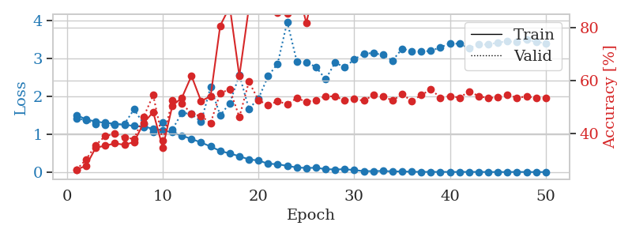
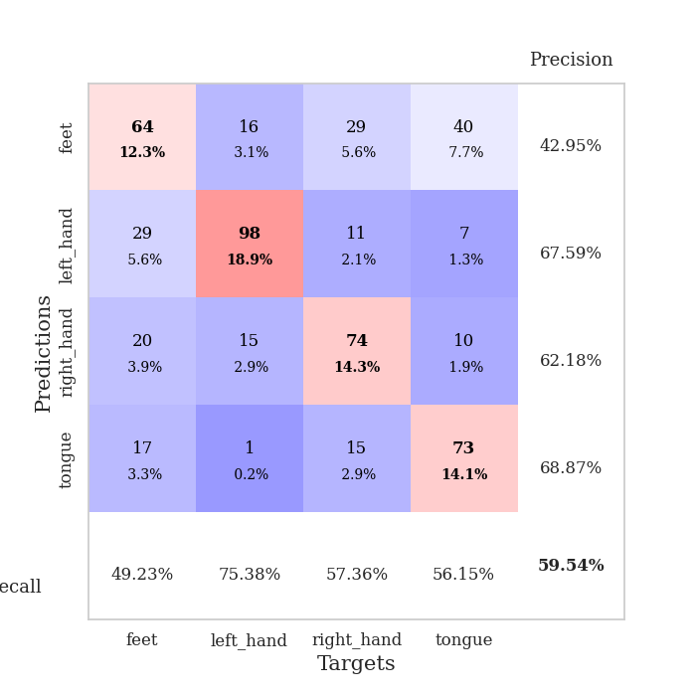
train_loss | valid_loss | train_accuracy | valid_accuracy | dur | train_misclass | valid_misclass
1.5266053574 | 1.4284545714 | 0.27044753086 | 0.23892100193 | 25.482243538 | 27.044753086 | 23.892100193
1.4178722574 | 1.4576820902 | 0.2550154321 | 0.2697495183 | 27.82529521 | 25.50154321 | 26.97495183
1.3945860988 | 1.6644344757 | 0.25925925926 | 0.25626204239 | 27.257870197 | 25.925925926 | 25.626204239
1.3909805711 | 1.7491964531 | 0.25 | 0.25048169557 | 27.368835211 | 25 | 25.048169557
1.3874397587 | 1.4469033753 | 0.27044753086 | 0.24662813102 | 27.029220343 | 27.044753086 | 24.662813102
1.3848418866 | 1.3800500305 | 0.28973765432 | 0.2697495183 | 27.36999011 | 28.973765432 | 26.97495183
1.3845868935 | 1.3923468684 | 0.2550154321 | 0.26011560694 | 27.386889458 | 25.50154321 | 26.011560694
1.3810467904 | 1.3612844632 | 0.30516975309 | 0.28901734104 | 27.614152193 | 30.516975309 | 28.901734104
1.3683925676 | 1.290898499 | 0.34992283951 | 0.33718689788 | 27.380217075 | 34.992283951 | 33.718689788
1.3601254306 | 1.4403790449 | 0.28125 | 0.28709055877 | 27.367026091 | 28.125 | 28.709055877
1.3166902087 | 1.3570074624 | 0.37307098765 | 0.37186897881 | 27.565842628 | 37.307098765 | 37.186897881
1.2842034212 | 1.2352355188 | 0.41666666667 | 0.41811175337 | 27.648032188 | 41.666666667 | 41.811175337
1.2473646704 | 1.6733892058 | 0.35223765432 | 0.40462427746 | 27.293112278 | 35.223765432 | 40.462427746
1.2108153738 | 1.5294709091 | 0.47029320988 | 0.38921001927 | 27.553504229 | 47.029320988 | 38.921001927
1.1562599915 | 1.3015602728 | 0.44020061728 | 0.48747591522 | 27.298882008 | 44.020061728 | 48.747591522
1.1126834445 | 1.3203164073 | 0.44830246914 | 0.38535645472 | 27.637990952 | 44.830246914 | 38.535645472
1.0534164159 | 1.5960589682 | 0.52044753086 | 0.41425818882 | 27.251426458 | 52.044753086 | 41.425818882
0.95888503466 | 1.2456575641 | 0.56327160494 | 0.53179190751 | 27.057675123 | 56.327160494 | 53.179190751
0.84920420194 | 1.2351046494 | 0.63773148148 | 0.45857418112 | 27.28282547 | 63.773148148 | 45.857418112
0.70843083365 | 1.8205316793 | 0.66859567901 | 0.46050096339 | 27.311214447 | 66.859567901 | 46.050096339
0.57839567306 | 2.7318499874 | 0.75733024691 | 0.44894026975 | 27.476719618 | 75.733024691 | 44.894026975
0.45737777834 | 1.6523913391 | 0.86419753086 | 0.50867052023 | 27.55205512 | 86.419753086 | 50.867052023
0.35453275495 | 2.1340922455 | 0.46836419753 | 0.47013487476 | 27.607523203 | 46.836419753 | 47.013487476
0.27657803111 | 2.9780173881 | 0.73109567901 | 0.47591522158 | 27.784069061 | 73.109567901 | 47.591522158
0.24335158987 | 2.1412800392 | 0.92322530864 | 0.47591522158 | 27.713757992 | 92.322530864 | 47.591522158
0.1846917271 | 2.0048845209 | 0.95100308642 | 0.4894026975 | 22.40753746 | 95.100308642 | 48.94026975
0.12429301465 | 2.2866131561 | 0.98070987654 | 0.52601156069 | 20.004076958 | 98.070987654 | 52.601156069
0.088194400293 | 2.5423683068 | 0.86844135802 | 0.56262042389 | 20.16305232 | 86.844135802 | 56.262042389
0.064293129637 | 2.3740624669 | 0.98032407407 | 0.54527938343 | 19.993448019 | 98.032407407 | 54.527938343
0.06333273537 | 2.7523780659 | 0.99575617284 | 0.49710982659 | 20.07584095 | 99.575617284 | 49.710982659
0.066293215757 | 2.3660941524 | 0.99344135802 | 0.50674373796 | 25.594080448 | 99.344135802 | 50.674373796
0.047232765044 | 2.9179462757 | 0.93171296296 | 0.49710982659 | 27.544934988 | 93.171296296 | 49.710982659
0.053699821578 | 2.4426324694 | 0.99421296296 | 0.52986512524 | 27.786771536 | 99.421296296 | 52.986512524
0.019372119351 | 2.4755572992 | 0.99961419753 | 0.55298651252 | 27.542932749 | 99.961419753 | 55.298651252
0.023541716766 | 2.7842152059 | 0.99729938272 | 0.48747591522 | 27.521253586 | 99.729938272 | 48.747591522
0.023331336593 | 2.5805495782 | 0.99961419753 | 0.53371868979 | 27.378573656 | 99.961419753 | 53.371868979
0.0089100765745 | 2.5831271238 | 1 | 0.53564547206 | 27.743432283 | 100 | 53.564547206
0.0082255956639 | 2.7582223677 | 1 | 0.50867052023 | 27.774333715 | 100 | 50.867052023
0.010079690092 | 2.6712588005 | 1 | 0.53757225434 | 27.78396225 | 100 | 53.757225434
0.0060874641429 | 2.6150283428 | 1 | 0.54527938343 | 27.628903151 | 100 | 54.527938343
0.0096820672447 | 2.7144413261 | 1 | 0.5472061657 | 27.845189333 | 100 | 54.72061657
0.0048556311479 | 2.7564233723 | 1 | 0.5472061657 | 27.483607292 | 100 | 54.72061657
0.0057776122396 | 2.7149857188 | 1 | 0.53371868979 | 27.575469971 | 100 | 53.371868979
0.0038320499963 | 2.6587737107 | 1 | 0.5472061657 | 27.732502699 | 100 | 54.72061657
0.0070796699778 | 2.7285332239 | 1 | 0.53949903661 | 27.551599503 | 100 | 53.949903661
0.0069803094554 | 2.7552626367 | 1 | 0.54913294798 | 27.84820056 | 100 | 54.913294798
0.0058539023981 | 2.7573371613 | 1 | 0.53949903661 | 27.653562546 | 100 | 53.949903661
0.0025628830204 | 2.7051969842 | 1 | 0.54142581888 | 27.357267857 | 100 | 54.142581888
0.0043954218928 | 2.7407408937 | 1 | 0.53949903661 | 27.769878626 | 100 | 53.949903661
0.0095326850095 | 2.7486487547 | 1 | 0.54142581888 | 27.926612377 | 100 | 54.142581888

Best Val accuracy is 0.5626204238921002 and Best test accuracy is 0.39266763145200195

Sheet5
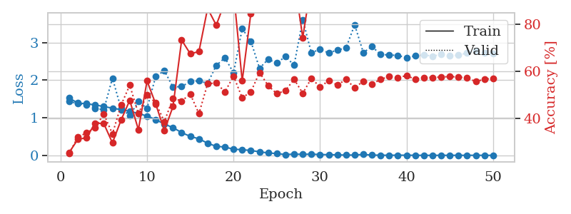
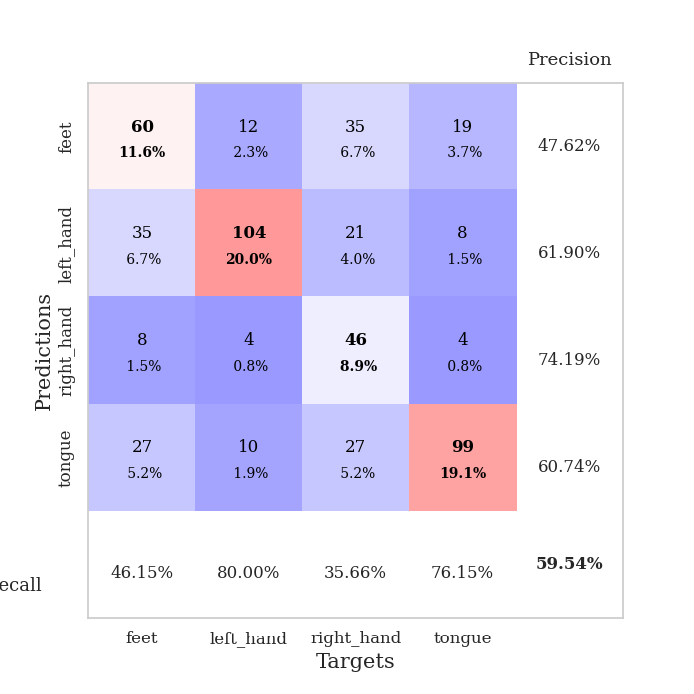
train_loss | valid_loss | train_accuracy | valid_accuracy | dur | train_misclass | valid_misclass
1.5379439982 | 1.4731997408 | 0.26234567901 | 0.25048169557 | 26.876229763 | 26.234567901 | 25.048169557
1.4052018391 | 1.5771708867 | 0.25347222222 | 0.23699421965 | 27.934431076 | 25.347222222 | 23.699421965
1.3927384652 | 1.4293930094 | 0.26774691358 | 0.25048169557 | 28.00406146 | 26.774691358 | 25.048169557
1.3879677197 | 1.3788441622 | 0.27854938272 | 0.27167630058 | 27.90289712 | 27.854938272 | 27.167630058
1.3840928549 | 1.3851023866 | 0.28703703704 | 0.27552986513 | 27.945523024 | 28.703703704 | 27.552986513
1.3811480219 | 1.377245247 | 0.28356481481 | 0.28323699422 | 27.904077291 | 28.356481481 | 28.323699422
1.3812979636 | 1.3781496231 | 0.27584876543 | 0.28131021195 | 28.192831755 | 27.584876543 | 28.131021195
1.3749638685 | 1.3991530171 | 0.25771604938 | 0.25433526012 | 27.973333597 | 25.771604938 | 25.433526012
1.3774837852 | 1.3675252902 | 0.30324074074 | 0.29865125241 | 27.986279964 | 30.324074074 | 29.865125241
1.3699499472 | 1.4367945256 | 0.29861111111 | 0.31213872832 | 28.328099728 | 29.861111111 | 31.213872832
1.3729452594 | 1.3904885635 | 0.29552469136 | 0.26396917148 | 27.881316185 | 29.552469136 | 26.396917148
1.357934798 | 1.3646389882 | 0.32098765432 | 0.31984585742 | 27.571554422 | 32.098765432 | 31.984585742
1.3473458231 | 1.4410580491 | 0.29822530864 | 0.27552986513 | 27.628305435 | 29.822530864 | 27.552986513
1.3389195675 | 1.3387734254 | 0.32523148148 | 0.35838150289 | 27.592982769 | 32.523148148 | 35.838150289
1.3131071366 | 1.5444092388 | 0.37770061728 | 0.31791907514 | 27.48751545 | 37.770061728 | 31.791907514
1.2773212165 | 1.309334466 | 0.42013888889 | 0.42196531792 | 27.56225729 | 42.013888889 | 42.196531792
1.2148345768 | 2.2845009848 | 0.35069444444 | 0.28323699422 | 25.626724482 | 35.069444444 | 28.323699422
1.1555684967 | 2.6920986952 | 0.32600308642 | 0.30443159923 | 19.492321253 | 32.600308642 | 30.443159923
1.053500957 | 3.0321975044 | 0.36574074074 | 0.29287090559 | 19.447341919 | 36.574074074 | 29.287090559
0.95967184651 | 1.8273441314 | 0.52199074074 | 0.4161849711 | 19.895410776 | 52.199074074 | 41.61849711
0.8307545393 | 1.3851889599 | 0.66280864198 | 0.46050096339 | 19.561094046 | 66.280864198 | 46.050096339
0.68976503831 | 1.4820334463 | 0.72530864198 | 0.408477842 | 21.260210991 | 72.530864198 | 40.8477842
0.53422321269 | 2.080941593 | 0.47453703704 | 0.4161849711 | 27.342654467 | 47.453703704 | 41.61849711
0.44873363994 | 2.4246342582 | 0.54938271605 | 0.4161849711 | 27.301890135 | 54.938271605 | 41.61849711
0.31630619873 | 2.3921478865 | 0.73148148148 | 0.43737957611 | 27.663290024 | 73.148148148 | 43.737957611
0.24806020977 | 2.1627561559 | 0.96257716049 | 0.4527938343 | 27.30093646 | 96.257716049 | 45.27938343
0.20395505139 | 2.9125620836 | 0.87345679012 | 0.43737957611 | 27.609280348 | 87.345679012 | 43.737957611
0.18452196462 | 2.5743933928 | 0.90200617284 | 0.43352601156 | 27.621354818 | 90.200617284 | 43.352601156
0.1256305346 | 2.7272554353 | 0.99074074074 | 0.48554913295 | 27.327978611 | 99.074074074 | 48.554913295
0.10193772842 | 2.6850466733 | 0.93672839506 | 0.42967244701 | 27.270029545 | 93.672839506 | 42.967244701
0.10779145257 | 2.6936711833 | 0.98225308642 | 0.48362235067 | 27.535635948 | 98.225308642 | 48.362235067
0.080638351778 | 2.8456661072 | 0.98611111111 | 0.47976878613 | 27.268066168 | 98.611111111 | 47.976878613
0.056809860106 | 3.323420673 | 0.9888117284 | 0.42581888247 | 27.321627855 | 98.88117284 | 42.581888247
0.048352571695 | 2.8674509374 | 0.99614197531 | 0.47591522158 | 27.302312136 | 99.614197531 | 47.591522158
0.025490423143 | 3.5769544126 | 0.99807098765 | 0.46050096339 | 27.608297586 | 99.807098765 | 46.050096339
0.03366505214 | 3.7171051718 | 0.9799382716 | 0.43737957611 | 27.511214733 | 97.99382716 | 43.737957611
0.021052365252 | 3.3220000285 | 1 | 0.46820809249 | 27.579464197 | 100 | 46.820809249
0.018232644536 | 3.4876994591 | 0.99961419753 | 0.44701348748 | 27.19130969 | 99.961419753 | 44.701348748
0.011736291645 | 3.4217588336 | 1 | 0.46628131021 | 27.220172644 | 100 | 46.628131021
0.012180195462 | 3.5157875904 | 1 | 0.46435452794 | 27.518575668 | 100 | 46.435452794
0.010488640396 | 3.4152499743 | 1 | 0.46820809249 | 27.558182716 | 100 | 46.820809249
0.0062081728706 | 3.5242747829 | 1 | 0.47398843931 | 27.109852791 | 100 | 47.398843931
0.014058152651 | 3.5208408617 | 1 | 0.46242774566 | 27.436013222 | 100 | 46.242774566
0.011645333202 | 3.6019950014 | 1 | 0.47398843931 | 27.491116762 | 100 | 47.398843931
0.0060437578785 | 3.5928673698 | 1 | 0.47976878613 | 27.552805424 | 100 | 47.976878613
0.0044443568248 | 3.5043666845 | 1 | 0.47784200385 | 27.647348404 | 100 | 47.784200385
0.0091123222563 | 3.6140799412 | 1 | 0.46628131021 | 27.318061352 | 100 | 46.628131021
0.0038085041999 | 3.6410626456 | 1 | 0.47398843931 | 27.541698217 | 100 | 47.398843931
0.0057988151793 | 3.6135358379 | 1 | 0.47206165703 | 27.61460495 | 100 | 47.206165703
0.00663734187 | 3.5451006752 | 1 | 0.4816955684 | 27.599620104 | 100 | 48.16955684

Best Val accuracy is 0.48554913294797686 and Best test accuracy is 0.3695127834056922

Sheet6
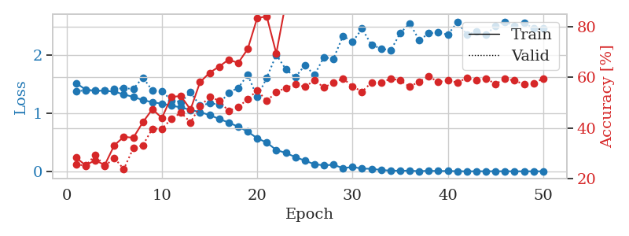
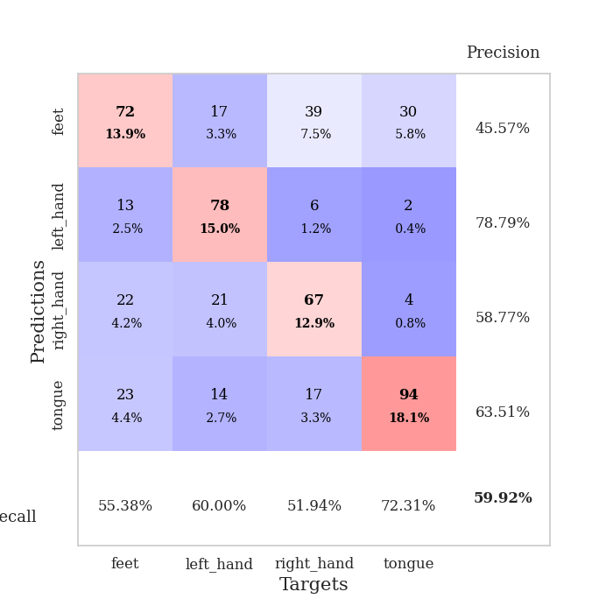
train_loss | valid_loss | train_accuracy | valid_accuracy | dur | train_misclass | valid_misclass
1.5723307574 | 1.5510409391 | 0.26350308642 | 0.25433526012 | 25.087124586 | 26.350308642 | 25.433526012
1.4093918572 | 1.4931239131 | 0.25 | 0.25626204239 | 27.507064342 | 25 | 25.626204239
1.394074624 | 1.3850726151 | 0.26967592593 | 0.26589595376 | 27.499649048 | 26.967592593 | 26.589595376
1.3853270257 | 1.3720758207 | 0.26813271605 | 0.27167630058 | 27.578813076 | 26.813271605 | 27.167630058
1.3833918424 | 1.4551756288 | 0.26697530864 | 0.29287090559 | 28.00586009 | 26.697530864 | 29.287090559
1.3829131045 | 1.3627557913 | 0.2862654321 | 0.29865125241 | 28.297344446 | 28.62654321 | 29.865125241
1.3801719657 | 1.3865386985 | 0.28510802469 | 0.27167630058 | 28.075760841 | 28.510802469 | 27.167630058
1.3765885388 | 1.3669824986 | 0.27237654321 | 0.30057803468 | 28.027308464 | 27.237654321 | 30.057803468
1.3706172285 | 1.6047934393 | 0.27276234568 | 0.26396917148 | 20.385570288 | 27.276234568 | 26.396917148
1.346684213 | 1.7763405301 | 0.33179012346 | 0.30443159923 | 19.387125731 | 33.179012346 | 30.443159923
1.3091435962 | 1.3723265966 | 0.3487654321 | 0.3795761079 | 19.303728342 | 34.87654321 | 37.95761079
1.2659364681 | 1.5919880754 | 0.40316358025 | 0.41233140655 | 19.873310804 | 40.316358025 | 41.233140655
1.2438810324 | 1.1436406879 | 0.37152777778 | 0.49325626204 | 20.330979109 | 37.152777778 | 49.325626204
1.2025534404 | 1.2956590799 | 0.42438271605 | 0.39306358382 | 28.0998528 | 42.438271605 | 39.306358382
1.1620150525 | 1.1186768816 | 0.4212962963 | 0.52215799615 | 28.178754091 | 42.12962963 | 52.215799615
1.1200666251 | 1.1363836182 | 0.45563271605 | 0.53757225434 | 27.657230854 | 45.563271605 | 53.757225434
1.057657804 | 2.4221690946 | 0.39660493827 | 0.41425818882 | 27.696252346 | 39.660493827 | 41.425818882
1.0058528549 | 1.0796710526 | 0.63888888889 | 0.5472061657 | 27.677790165 | 63.888888889 | 54.72061657
0.9255668245 | 1.0414356255 | 0.61689814815 | 0.57032755299 | 27.609203815 | 61.689814815 | 57.032755299
0.84187745331 | 1.3333887337 | 0.62654320988 | 0.51252408478 | 27.853360415 | 62.654320988 | 51.252408478
0.73142862044 | 1.0912360105 | 0.65895061728 | 0.53757225434 | 27.760896683 | 65.895061728 | 53.757225434
0.611153567 | 1.3920064211 | 0.69560185185 | 0.5549132948 | 27.796260118 | 69.560185185 | 55.49132948
0.53870824844 | 1.6538105248 | 0.73456790123 | 0.53179190751 | 28.101044416 | 73.456790123 | 53.179190751
0.42753437042 | 2.4550217006 | 0.71527777778 | 0.47784200385 | 27.824152231 | 71.527777778 | 47.784200385
0.31587049413 | 2.6726854463 | 0.76658950617 | 0.4816955684 | 27.814637423 | 76.658950617 | 48.16955684
0.24151669588 | 1.7896000563 | 0.94290123457 | 0.55298651252 | 28.117277861 | 94.290123457 | 55.298651252
0.19096070706 | 2.3820486133 | 0.93557098765 | 0.52601156069 | 27.929542303 | 93.557098765 | 52.601156069
0.15735876558 | 1.967728714 | 0.91435185185 | 0.51445086705 | 27.880074263 | 91.435185185 | 51.445086705
0.12171890366 | 2.0995263989 | 0.99459876543 | 0.55684007707 | 28.144201517 | 99.459876543 | 55.684007707
0.10002116945 | 2.0860753271 | 0.99729938272 | 0.54335260116 | 28.176850557 | 99.729938272 | 54.335260116
0.058546405967 | 2.2575963274 | 0.99922839506 | 0.53564547206 | 28.247736216 | 99.922839506 | 53.564547206
0.029171162345 | 2.6467138219 | 0.99768518519 | 0.51252408478 | 28.165298939 | 99.768518519 | 51.252408478
0.021829183321 | 2.3503928589 | 1 | 0.5472061657 | 27.899055481 | 100 | 54.72061657
0.035225849453 | 2.4081626995 | 0.99961419753 | 0.52215799615 | 28.186066389 | 99.961419753 | 52.215799615
0.018309977318 | 2.4705274349 | 1 | 0.55684007707 | 28.219839096 | 100 | 55.684007707
0.013856877578 | 2.6891870701 | 0.99961419753 | 0.52215799615 | 27.986465454 | 99.961419753 | 52.215799615
0.013657588806 | 2.5612847709 | 1 | 0.52986512524 | 27.835516453 | 100 | 52.986512524
0.015936309588 | 2.886009525 | 0.99922839506 | 0.52023121387 | 28.203415394 | 99.922839506 | 52.023121387
0.013747191702 | 2.7674699078 | 1 | 0.53949903661 | 27.585061312 | 100 | 53.949903661
0.0086641333033 | 2.6876105123 | 1 | 0.53179190751 | 27.943343878 | 100 | 53.179190751
0.0096120435764 | 2.6605907598 | 1 | 0.54142581888 | 27.912374973 | 100 | 54.142581888
0.0091628779335 | 2.7446033702 | 1 | 0.55105973025 | 27.553683758 | 100 | 55.105973025
0.0052407937508 | 2.7105933182 | 1 | 0.55684007707 | 27.976071596 | 100 | 55.684007707
0.0052197545449 | 2.8267361066 | 1 | 0.53564547206 | 27.877060652 | 100 | 53.564547206
0.011708584948 | 2.7362819747 | 1 | 0.53179190751 | 27.858570576 | 100 | 53.179190751
0.004688644553 | 2.7022627259 | 1 | 0.53949903661 | 27.949233532 | 100 | 53.949903661
0.0043574068411 | 2.7970025259 | 1 | 0.54142581888 | 27.595642328 | 100 | 54.142581888
0.0032143521426 | 2.7402819384 | 1 | 0.54335260116 | 27.683754206 | 100 | 54.335260116
0.0034910573229 | 2.7305067334 | 1 | 0.54335260116 | 27.321585417 | 100 | 54.335260116
0.0033136046416 | 2.7214414922 | 1 | 0.54142581888 | 27.604756117 | 100 | 54.142581888

Best Val accuracy is 0.5703275529865125 and Best test accuracy is 0.4037626628075253

Sheet7
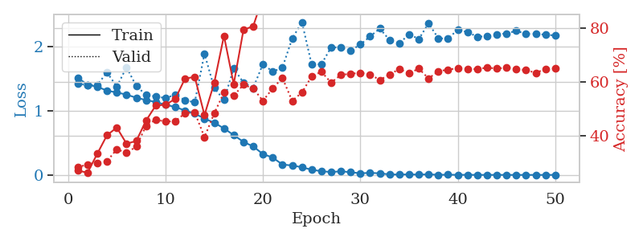
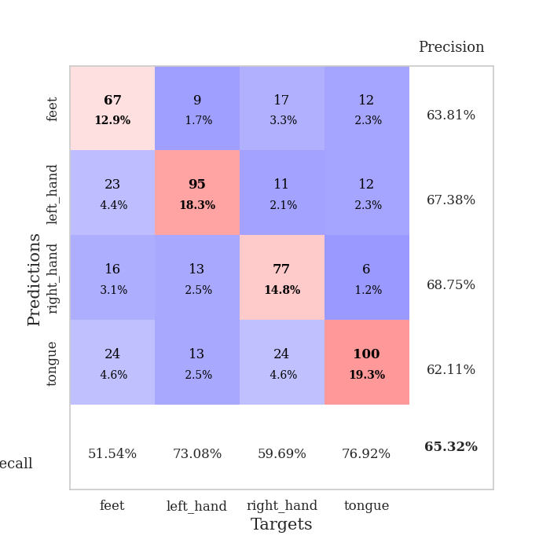
train_loss | valid_loss | train_accuracy | valid_accuracy | dur | train_misclass | valid_misclass
1.5135527503 | 2.1188282241 | 0.25771604938 | 0.27360308285 | 19.934473753 | 25.771604938 | 27.360308285
1.4350526097 | 1.4097513351 | 0.26736111111 | 0.27167630058 | 20.158093214 | 26.736111111 | 27.167630058
1.393105083 | 1.393175333 | 0.27044753086 | 0.26782273603 | 19.493276358 | 27.044753086 | 26.782273603
1.3867064177 | 1.3863871683 | 0.26851851852 | 0.28516377649 | 20.02981019 | 26.851851852 | 28.516377649
1.382847028 | 1.3731169802 | 0.3013117284 | 0.32562620424 | 22.244478464 | 30.13117284 | 32.562620424
1.3793037019 | 1.3689205968 | 0.29089506173 | 0.30828516378 | 27.760294437 | 29.089506173 | 30.828516378
1.3739478316 | 1.4101158431 | 0.28395061728 | 0.31021194605 | 27.498548031 | 28.395061728 | 31.021194605
1.3685022673 | 1.341066549 | 0.29205246914 | 0.33526011561 | 27.50259757 | 29.205246914 | 33.526011561
1.349180421 | 1.3140255847 | 0.33989197531 | 0.39499036609 | 27.682851076 | 33.989197531 | 39.499036609
1.3339597134 | 1.3435588211 | 0.31635802469 | 0.32177263969 | 28.032637119 | 31.635802469 | 32.177263969
1.3187664416 | 1.2371724219 | 0.38850308642 | 0.4450867052 | 28.379546404 | 38.850308642 | 44.50867052
1.2881692089 | 1.2214286026 | 0.39853395062 | 0.46820809249 | 27.876275063 | 39.853395062 | 46.820809249
1.2767163692 | 1.286740403 | 0.35841049383 | 0.47398843931 | 28.065043688 | 35.841049383 | 47.398843931
1.2361179914 | 1.6420478233 | 0.32561728395 | 0.30443159923 | 27.984455109 | 32.561728395 | 30.443159923
1.2062340265 | 1.2014409223 | 0.4274691358 | 0.47206165703 | 28.361229897 | 42.74691358 | 47.206165703
1.1546613206 | 1.4258022439 | 0.35802469136 | 0.41425818882 | 28.239406586 | 35.802469136 | 41.425818882
1.0964447573 | 1.1981394865 | 0.50270061728 | 0.47398843931 | 27.919675589 | 50.270061728 | 47.398843931
1.0242536524 | 1.3512522726 | 0.40470679012 | 0.44701348748 | 28.004329443 | 40.470679012 | 44.701348748
0.9523599122 | 1.8075336597 | 0.56288580247 | 0.38150289017 | 28.219016552 | 56.288580247 | 38.150289017
0.8567995429 | 1.4294128753 | 0.70061728395 | 0.51252408478 | 28.330725908 | 70.061728395 | 51.252408478
0.73253588047 | 1.4197010149 | 0.7137345679 | 0.53757225434 | 27.98937726 | 71.37345679 | 53.757225434
0.67017355469 | 1.4848515537 | 0.81558641975 | 0.48554913295 | 28.280886889 | 81.558641975 | 48.554913295
0.5585131808 | 2.0308541073 | 0.50347222222 | 0.45086705202 | 28.049180031 | 50.347222222 | 45.086705202
0.4947803531 | 2.1959061216 | 0.71180555556 | 0.44123314066 | 28.185085773 | 71.180555556 | 44.123314066
0.37842363708 | 1.7383580936 | 0.93865740741 | 0.51252408478 | 28.408610344 | 93.865740741 | 51.252408478
0.28302564345 | 2.1741572488 | 0.7287808642 | 0.47591522158 | 28.328497648 | 72.87808642 | 47.591522158
0.2424993071 | 2.6239983066 | 0.90586419753 | 0.44894026975 | 28.097217321 | 90.586419753 | 44.894026975
0.20149195291 | 3.3442842804 | 0.82947530864 | 0.45472061657 | 28.324942589 | 82.947530864 | 45.472061657
0.17773352707 | 2.6077786902 | 0.96219135802 | 0.45472061657 | 28.401119947 | 96.219135802 | 45.472061657
0.13463150359 | 2.3920477727 | 0.97145061728 | 0.50096339114 | 28.109088421 | 97.145061728 | 50.096339114
0.10005333183 | 3.0306601171 | 0.84722222222 | 0.50289017341 | 28.106375933 | 84.722222222 | 50.289017341
0.10545466947 | 2.9027462961 | 0.98611111111 | 0.49903660886 | 28.410705328 | 98.611111111 | 49.903660886
0.10502280976 | 2.9069245123 | 0.98109567901 | 0.49710982659 | 28.42792654 | 98.109567901 | 49.710982659
0.065951049279 | 3.0436941705 | 0.99459876543 | 0.47591522158 | 28.34253788 | 99.459876543 | 47.591522158
0.052714896534 | 3.0207785435 | 0.99652777778 | 0.48554913295 | 28.315154791 | 99.652777778 | 48.554913295
0.033665152629 | 2.977935039 | 1 | 0.49132947977 | 28.386797428 | 100 | 49.132947977
0.03593129137 | 3.1696240128 | 0.99884259259 | 0.47784200385 | 28.361133814 | 99.884259259 | 47.784200385
0.022781249195 | 3.2061011405 | 0.99922839506 | 0.51445086705 | 28.395694971 | 99.922839506 | 51.445086705
0.0307868969 | 3.2261301672 | 1 | 0.50674373796 | 28.006902456 | 100 | 50.674373796
0.014442623057 | 3.2050168978 | 1 | 0.48362235067 | 28.401035547 | 100 | 48.362235067
0.014941580565 | 3.3049077928 | 1 | 0.50096339114 | 28.042063475 | 100 | 50.096339114
0.019952355527 | 3.4071068084 | 1 | 0.50289017341 | 28.380208969 | 100 | 50.289017341
0.012868885232 | 3.2716207959 | 0.99961419753 | 0.5105973025 | 28.417971611 | 99.961419753 | 51.05973025
0.017175828115 | 3.3534415549 | 1 | 0.49132947977 | 28.369275808 | 100 | 49.132947977
0.012041928684 | 3.3453385812 | 1 | 0.48747591522 | 28.342122793 | 100 | 48.747591522
0.012236067758 | 3.2897408312 | 1 | 0.4894026975 | 28.463433981 | 100 | 48.94026975
0.0091754916159 | 3.3378133526 | 1 | 0.49518304432 | 28.766624212 | 100 | 49.518304432
0.010250136855 | 3.3953642386 | 1 | 0.49518304432 | 28.530099154 | 100 | 49.518304432
0.010230737585 | 3.4669762802 | 1 | 0.49325626204 | 28.830040216 | 100 | 49.325626204
0.013998840306 | 3.513440089 | 1 | 0.49325626204 | 28.908265114 | 100 | 49.325626204

Best Val accuracy is 0.5375722543352601 and Best test accuracy is 0.397009165460685

Sheet8
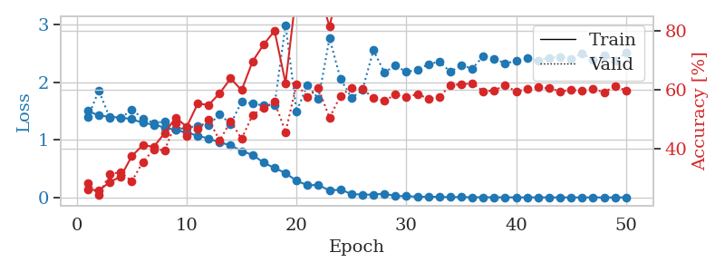
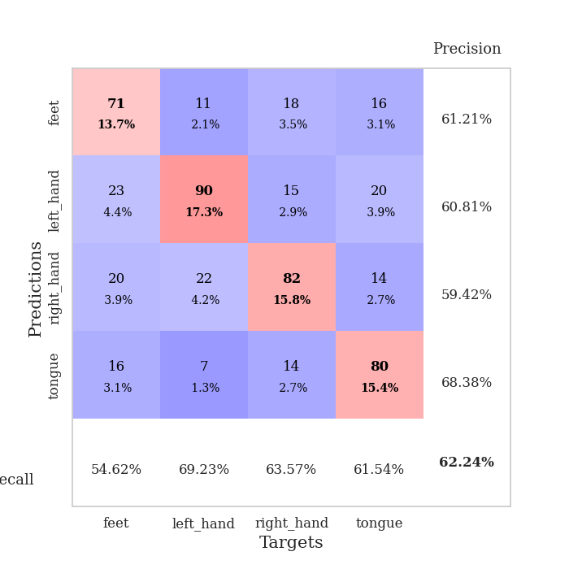
train_loss | valid_loss | train_accuracy | valid_accuracy | dur | train_misclass | valid_misclass
1.5198406194 | 1.5018662826 | 0.25 | 0.25048169557 | 19.065989256 | 25 | 25.048169557
1.4268553213 | 1.3866122437 | 0.27469135802 | 0.3063583815 | 27.642062902 | 27.469135802 | 30.63583815
1.4032073948 | 1.3735778194 | 0.27700617284 | 0.3063583815 | 27.612321138 | 27.700617284 | 30.63583815
1.3867188523 | 1.3916938937 | 0.24922839506 | 0.25240847784 | 27.961904526 | 24.922839506 | 25.240847784
1.3859705469 | 1.3822659589 | 0.27469135802 | 0.31791907514 | 27.886029482 | 27.469135802 | 31.791907514
1.3825505626 | 1.3402999366 | 0.28163580247 | 0.3063583815 | 27.800101995 | 28.163580247 | 30.63583815
1.3778556549 | 1.3761050586 | 0.3013117284 | 0.32177263969 | 27.775113344 | 30.13117284 | 32.177263969
1.3725748629 | 1.3771001101 | 0.30092592593 | 0.33718689788 | 27.737021208 | 30.092592593 | 33.718689788
1.3741551498 | 1.3535413023 | 0.30825617284 | 0.34874759152 | 27.812469959 | 30.825617284 | 34.874759152
1.3659306124 | 2.6997587401 | 0.26736111111 | 0.25048169557 | 28.116235018 | 26.736111111 | 25.048169557
1.3458793649 | 1.4627882293 | 0.30015432099 | 0.32562620424 | 27.721713781 | 30.015432099 | 32.562620424
1.3260467317 | 1.3841448062 | 0.37731481481 | 0.34104046243 | 28.017233372 | 37.731481481 | 34.104046243
1.2989076817 | 1.4706675926 | 0.32021604938 | 0.34104046243 | 28.005538464 | 32.021604938 | 34.104046243
1.2600031403 | 3.9769574406 | 0.2550154321 | 0.25048169557 | 27.96995759 | 25.50154321 | 25.048169557
1.2356239988 | 1.8117339331 | 0.3275462963 | 0.32562620424 | 28.08467865 | 32.75462963 | 32.562620424
1.1883561961 | 1.8820883213 | 0.35532407407 | 0.37379576108 | 28.116696596 | 35.532407407 | 37.379576108
1.1676559584 | 1.0859583602 | 0.52430555556 | 0.52793834297 | 28.065447569 | 52.430555556 | 52.793834297
1.0825369277 | 1.3735455426 | 0.46797839506 | 0.5472061657 | 28.095700264 | 46.797839506 | 54.72061657
1.0441705511 | 1.2721896332 | 0.54205246914 | 0.53179190751 | 28.019393682 | 54.205246914 | 53.179190751
0.92571420728 | 1.2051045433 | 0.59529320988 | 0.53371868979 | 28.042411566 | 59.529320988 | 53.371868979
0.79955968721 | 2.5822403066 | 0.54089506173 | 0.4450867052 | 28.020366192 | 54.089506173 | 44.50867052
0.65505325481 | 1.9762164717 | 0.64660493827 | 0.49710982659 | 27.988407612 | 64.660493827 | 49.710982659
0.55075673934 | 1.6570242437 | 0.5524691358 | 0.52023121387 | 27.884003878 | 55.24691358 | 52.023121387
0.42195107673 | 3.0338707613 | 0.87577160494 | 0.48362235067 | 28.03000164 | 87.577160494 | 48.362235067
0.34891322379 | 1.8459814321 | 0.9324845679 | 0.53757225434 | 28.091596127 | 93.24845679 | 53.757225434
0.27467872186 | 2.7008832613 | 0.92283950617 | 0.50867052023 | 28.308584929 | 92.283950617 | 50.867052023
0.23766089767 | 3.5023143162 | 0.56520061728 | 0.45472061657 | 28.271323681 | 56.520061728 | 45.472061657
0.20833137457 | 2.1123628639 | 0.97029320988 | 0.54142581888 | 28.337649107 | 97.029320988 | 54.142581888
0.12569782578 | 2.5689419478 | 0.98070987654 | 0.52023121387 | 28.458663225 | 98.070987654 | 52.023121387
0.12436563532 | 2.434609624 | 0.98572530864 | 0.56262042389 | 28.339696169 | 98.572530864 | 56.262042389
0.083049870757 | 2.5299217768 | 0.97839506173 | 0.53371868979 | 28.186365604 | 97.839506173 | 53.371868979
0.094997591589 | 2.5295420056 | 0.98649691358 | 0.54335260116 | 28.229038954 | 98.649691358 | 54.335260116
0.084097556646 | 2.9273376033 | 0.99575617284 | 0.53757225434 | 28.164631844 | 99.575617284 | 53.757225434
0.047375046369 | 2.8766585186 | 0.99652777778 | 0.53949903661 | 28.561600924 | 99.652777778 | 53.949903661
0.039409268134 | 3.0057211134 | 0.99807098765 | 0.53179190751 | 28.599281073 | 99.807098765 | 53.179190751
0.03795676554 | 3.0027815064 | 0.99884259259 | 0.52986512524 | 28.588238716 | 99.884259259 | 52.986512524
0.038702845521 | 2.9368058749 | 0.99845679012 | 0.53949903661 | 28.624442101 | 99.845679012 | 53.949903661
0.039539921984 | 3.1325856009 | 0.99845679012 | 0.52023121387 | 28.588938713 | 99.845679012 | 52.023121387
0.017613899717 | 3.2518883294 | 0.99961419753 | 0.52793834297 | 28.619686365 | 99.961419753 | 52.793834297
0.019489957715 | 3.3168989505 | 1 | 0.51637764933 | 28.610484123 | 100 | 51.637764933
0.015793851361 | 3.2408931292 | 1 | 0.53179190751 | 28.630645752 | 100 | 53.179190751
0.013922993114 | 3.3826556619 | 1 | 0.5183044316 | 28.685617924 | 100 | 51.83044316
0.01306058049 | 3.3858566642 | 1 | 0.5183044316 | 28.64720726 | 100 | 51.83044316
0.0087197859841 | 3.2495392485 | 1 | 0.53179190751 | 28.429525375 | 100 | 53.179190751
0.0072206526148 | 3.3235409806 | 1 | 0.52793834297 | 28.032953262 | 100 | 52.793834297
0.012391664212 | 3.3233732966 | 1 | 0.52986512524 | 27.702883005 | 100 | 52.986512524
0.006284151834 | 3.280392735 | 1 | 0.53757225434 | 27.684118509 | 100 | 53.757225434
0.0069747068503 | 3.2800233892 | 1 | 0.53371868979 | 27.554673672 | 100 | 53.371868979
0.0091383749791 | 3.437379272 | 1 | 0.52986512524 | 27.525529385 | 100 | 52.986512524
0.005955762471 | 3.2522268268 | 1 | 0.53564547206 | 27.06987524 | 100 | 53.564547206

Best Val accuracy is 0.5626204238921002 and Best test accuracy is 0.3907380607814761

Sheet9
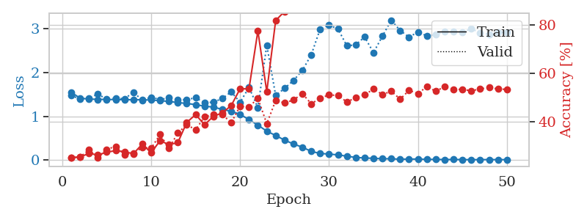
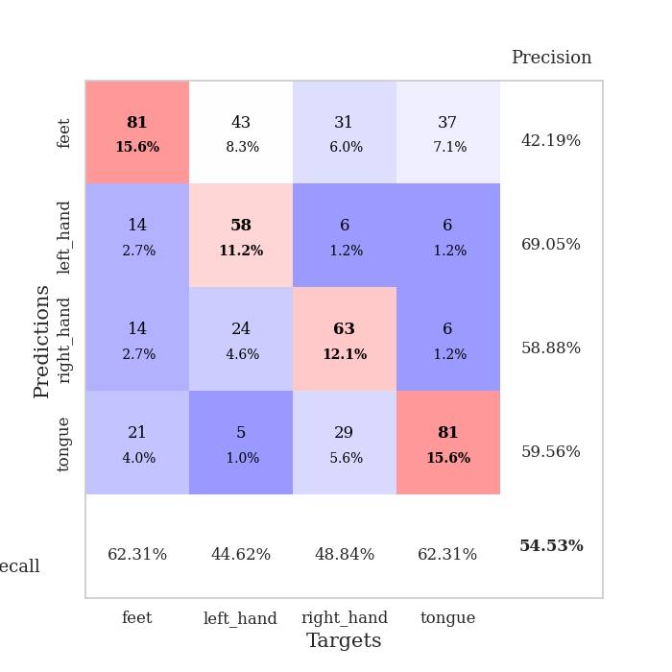
train_loss | valid_loss | train_accuracy | valid_accuracy | dur | train_misclass | valid_misclass
1.5517657215 | 1.4777202076 | 0.25154320988 | 0.25048169557 | 26.676972389 | 25.154320988 | 25.048169557
1.4132562839 | 1.3943472657 | 0.25270061728 | 0.25240847784 | 26.828078508 | 25.270061728 | 25.240847784
1.394326121 | 1.4123655055 | 0.26813271605 | 0.28323699422 | 27.088335276 | 26.813271605 | 28.323699422
1.3860774725 | 1.5082583473 | 0.26157407407 | 0.25048169557 | 27.266275167 | 26.157407407 | 25.048169557
1.3848869131 | 1.3884546024 | 0.27314814815 | 0.28516377649 | 27.601400137 | 27.314814815 | 28.516377649
1.381308184 | 1.4172338167 | 0.27932098765 | 0.29672447013 | 27.594083309 | 27.932098765 | 29.672447013
1.3785840082 | 1.3986853786 | 0.27507716049 | 0.26396917148 | 27.405089378 | 27.507716049 | 26.396917148
1.3772715764 | 1.5498497116 | 0.26658950617 | 0.26782273603 | 27.588299513 | 26.658950617 | 26.782273603
1.3788771269 | 1.3680580707 | 0.30671296296 | 0.29287090559 | 27.714887142 | 30.671296296 | 29.287090559
1.3696396483 | 1.4363931167 | 0.27044753086 | 0.28901734104 | 27.974297523 | 27.044753086 | 28.901734104
1.358039881 | 1.3811804711 | 0.32098765432 | 0.34682080925 | 27.952564716 | 32.098765432 | 34.682080925
1.3383565332 | 1.4225186828 | 0.30439814815 | 0.28901734104 | 27.835661888 | 30.439814815 | 28.901734104
1.3141064725 | 1.3712258157 | 0.31288580247 | 0.35260115607 | 27.958305836 | 31.288580247 | 35.260115607
1.2925948699 | 1.3801560887 | 0.39660493827 | 0.38728323699 | 28.084139585 | 39.660493827 | 38.728323699
1.2660629326 | 1.4240232554 | 0.42901234568 | 0.36608863198 | 27.944082975 | 42.901234568 | 36.608863198
1.2303702279 | 1.3069392335 | 0.38734567901 | 0.42003853565 | 27.994621515 | 38.734567901 | 42.003853565
1.2099466773 | 1.3247993553 | 0.42168209877 | 0.42967244701 | 27.734042645 | 42.168209877 | 42.967244701
1.1566965238 | 1.4043943322 | 0.43634259259 | 0.42967244701 | 27.236866474 | 43.634259259 | 42.967244701
1.1117511097 | 1.5587946183 | 0.46643518519 | 0.39499036609 | 27.516421795 | 46.643518519 | 39.499036609
1.0462769119 | 1.3192478931 | 0.5362654321 | 0.46435452794 | 27.496862411 | 53.62654321 | 46.435452794
0.92042624435 | 1.6615781531 | 0.53587962963 | 0.46050096339 | 27.786377668 | 53.587962963 | 46.050096339
0.79834442337 | 1.1989071597 | 0.77662037037 | 0.49710982659 | 27.34311986 | 77.662037037 | 49.710982659
0.65761859881 | 2.6264663046 | 0.52430555556 | 0.39113680154 | 28.092963219 | 52.430555556 | 39.113680154
0.56006191064 | 1.4752369437 | 0.81983024691 | 0.48747591522 | 28.020975351 | 81.983024691 | 48.747591522
0.452697162 | 1.6384079162 | 0.85725308642 | 0.47784200385 | 28.160824299 | 85.725308642 | 47.784200385
0.3652425286 | 1.8195314191 | 0.89891975309 | 0.4894026975 | 27.96370697 | 89.891975309 | 48.94026975
0.29125085951 | 2.0481794321 | 0.95910493827 | 0.51637764933 | 28.456913471 | 95.910493827 | 51.637764933
0.19535638455 | 2.4061628909 | 0.94984567901 | 0.47398843931 | 26.451341629 | 94.984567901 | 47.398843931
0.14764885664 | 2.995909842 | 0.93479938272 | 0.49710982659 | 23.717443228 | 93.479938272 | 49.710982659
0.13428964291 | 3.084919506 | 0.9224537037 | 0.5105973025 | 23.099402905 | 92.24537037 | 51.05973025
0.11503660508 | 3.0023858134 | 0.89699074074 | 0.50867052023 | 23.537074566 | 89.699074074 | 50.867052023
0.086119125111 | 2.6141967408 | 0.98456790123 | 0.4816955684 | 23.301743984 | 98.456790123 | 48.16955684
0.056241301874 | 2.633627004 | 0.98765432099 | 0.49903660886 | 23.200455666 | 98.765432099 | 49.903660886
0.044637173982 | 2.8164776991 | 0.99729938272 | 0.5105973025 | 23.601051807 | 99.729938272 | 51.05973025
0.036221001246 | 2.4565090037 | 0.99884259259 | 0.53564547206 | 23.455827475 | 99.884259259 | 53.564547206
0.027764051848 | 2.8332763026 | 0.99961419753 | 0.51252408478 | 23.594530821 | 99.961419753 | 51.252408478
0.026396658645 | 3.1998475117 | 0.98302469136 | 0.52601156069 | 23.312180758 | 98.302469136 | 52.601156069
0.01607252277 | 2.9627563168 | 0.99151234568 | 0.49325626204 | 23.32260561 | 99.151234568 | 49.325626204
0.019246729567 | 2.8107438595 | 1 | 0.52986512524 | 23.219983816 | 100 | 52.986512524
0.019396412165 | 2.9308990718 | 0.99961419753 | 0.51637764933 | 23.59934473 | 99.961419753 | 51.637764933
0.012895690942 | 2.8393625609 | 1 | 0.54527938343 | 23.304156542 | 100 | 54.527938343
0.011696120267 | 2.8686918205 | 1 | 0.52601156069 | 23.609724522 | 100 | 52.601156069
0.0081946155283 | 2.9411885088 | 0.99961419753 | 0.54527938343 | 23.558555126 | 99.961419753 | 54.527938343
0.010539690275 | 2.9365964793 | 1 | 0.53371868979 | 23.587554455 | 100 | 53.371868979
0.0075049121303 | 2.923102572 | 1 | 0.53371868979 | 23.592507601 | 100 | 53.371868979
0.0054077993719 | 3.0029482152 | 1 | 0.52793834297 | 23.533457756 | 100 | 52.793834297
0.0066017951878 | 2.9109830576 | 1 | 0.53564547206 | 23.466995239 | 100 | 53.564547206
0.0080786685452 | 2.8808993296 | 1 | 0.54142581888 | 23.759162903 | 100 | 54.142581888
0.0060124921924 | 2.9211078777 | 1 | 0.53564547206 | 23.498103142 | 100 | 53.564547206
0.0073939301698 | 2.921988889 | 1 | 0.53371868979 | 15.903505087 | 100 | 53.371868979

Best Val accuracy is 0.5452793834296724 and Best test accuracy is 0.3979739507959479

Sheet10
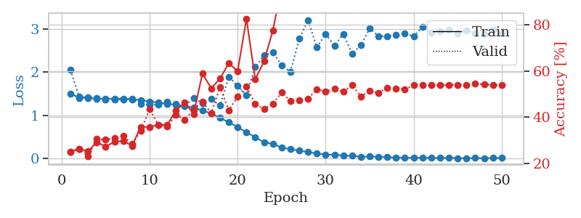
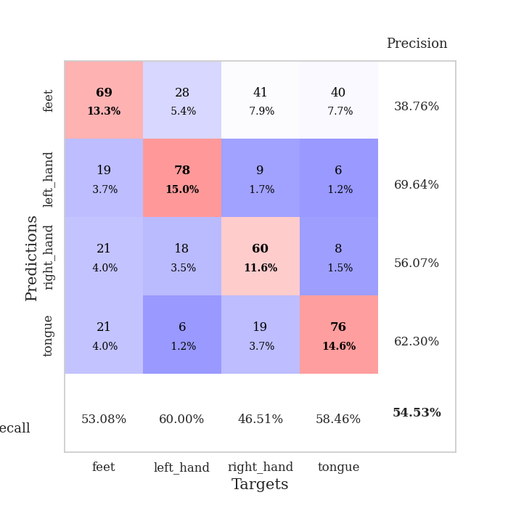
train_loss | valid_loss | train_accuracy | valid_accuracy | dur | train_misclass | valid_misclass
1.5042666131 | 2.0483842103 | 0.25115740741 | 0.25048169557 | 15.007701635 | 25.115740741 | 25.048169557
1.4044948073 | 1.4299948206 | 0.26388888889 | 0.26204238921 | 15.766770124 | 26.388888889 | 26.204238921
1.3975831668 | 1.4141597063 | 0.25231481481 | 0.23121387283 | 15.838840723 | 25.231481481 | 23.121387283
1.3859150042 | 1.3900901456 | 0.29205246914 | 0.3063583815 | 15.139618635 | 29.205246914 | 30.63583815
1.3836487407 | 1.3685635034 | 0.27314814815 | 0.30250481696 | 15.920769691 | 27.314814815 | 30.250481696
1.3863751395 | 1.3675417443 | 0.29282407407 | 0.30828516378 | 15.173871994 | 29.282407407 | 30.828516378
1.3835121533 | 1.3635629142 | 0.29783950617 | 0.31984585742 | 15.995950699 | 29.783950617 | 31.984585742
1.3755131062 | 1.3695992852 | 0.27662037037 | 0.28323699422 | 15.163366318 | 27.662037037 | 28.323699422
1.3483940437 | 1.2629633389 | 0.35841049383 | 0.34104046243 | 15.211972475 | 35.841049383 | 34.104046243
1.321475589 | 1.2412921491 | 0.35725308642 | 0.43545279383 | 15.112707853 | 35.725308642 | 43.545279383
1.2905680493 | 1.2450771998 | 0.36728395062 | 0.36608863198 | 16.006639004 | 36.728395062 | 36.608863198
1.2665251928 | 1.3057985439 | 0.36651234568 | 0.36030828516 | 16.007029057 | 36.651234568 | 36.030828516
1.2415486751 | 1.2673450853 | 0.43055555556 | 0.41040462428 | 15.973915577 | 43.055555556 | 41.040462428
1.2166838764 | 1.2316034049 | 0.46219135802 | 0.38921001927 | 15.974371195 | 46.219135802 | 38.921001927
1.1768843204 | 1.3982706725 | 0.41473765432 | 0.43352601156 | 15.151327848 | 41.473765432 | 43.352601156
1.1135334792 | 1.2823746005 | 0.58912037037 | 0.46628131021 | 16.018785954 | 58.912037037 | 46.628131021
1.0380579031 | 1.3790606566 | 0.52469135802 | 0.41811175337 | 15.992568254 | 52.469135802 | 41.811175337
0.94192352229 | 1.2277097121 | 0.56674382716 | 0.52986512524 | 15.965306282 | 56.674382716 | 52.986512524
0.83669756114 | 1.892392956 | 0.63387345679 | 0.42967244701 | 16.004167795 | 63.387345679 | 42.967244701
0.72998704826 | 1.6807647372 | 0.59837962963 | 0.4894026975 | 15.972359657 | 59.837962963 | 48.94026975
0.60259850829 | 1.4694380317 | 0.82484567901 | 0.53371868979 | 16.014217377 | 82.484567901 | 53.371868979
0.49401581195 | 2.1243148337 | 0.56404320988 | 0.45664739884 | 16.013457298 | 56.404320988 | 45.664739884
0.3724679969 | 2.3835144907 | 0.64197530864 | 0.43545279383 | 16.014053583 | 64.197530864 | 43.545279383
0.33871772964 | 2.4621198586 | 0.77469135802 | 0.45857418112 | 15.25607419 | 77.469135802 | 45.857418112
0.2543445823 | 2.1555562019 | 0.96450617284 | 0.50674373796 | 15.976791859 | 96.450617284 | 50.674373796
0.21433651665 | 2.007100436 | 0.92361111111 | 0.47013487476 | 16.023383617 | 92.361111111 | 47.013487476
0.18195143544 | 2.773214795 | 0.88310185185 | 0.47398843931 | 15.978978157 | 88.310185185 | 47.398843931
0.14878472052 | 3.2065938626 | 0.8699845679 | 0.47976878613 | 16.0262146 | 86.99845679 | 47.976878613
0.11596631928 | 2.5731077461 | 0.99112654321 | 0.52023121387 | 15.295683861 | 99.112654321 | 52.023121387
0.088846056216 | 2.8813416152 | 0.93016975309 | 0.5105973025 | 16.023036242 | 93.016975309 | 51.05973025
0.087619265631 | 2.6163683466 | 0.98842592593 | 0.52215799615 | 16.023533344 | 98.842592593 | 52.215799615
0.067303447373 | 2.8800402459 | 0.98958333333 | 0.5105973025 | 16.021004915 | 98.958333333 | 51.05973025
0.063108325595 | 2.4303732561 | 0.99189814815 | 0.53757225434 | 16.023606777 | 99.189814815 | 53.757225434
0.038594853448 | 2.6211102289 | 0.99884259259 | 0.4894026975 | 16.000412226 | 99.884259259 | 48.94026975
0.046186545334 | 3.011419808 | 0.99807098765 | 0.51445086705 | 15.977856636 | 99.807098765 | 51.445086705
0.03930838918 | 2.8354664235 | 0.99922839506 | 0.50481695568 | 16.027059317 | 99.922839506 | 50.481695568
0.032418307666 | 2.8282269265 | 0.99961419753 | 0.52793834297 | 16.023798704 | 99.961419753 | 52.793834297
0.020432988477 | 2.8596304092 | 0.99961419753 | 0.52408477842 | 16.024650574 | 99.961419753 | 52.408477842
0.018546138615 | 2.8940669714 | 0.99961419753 | 0.52023121387 | 16.023410559 | 99.961419753 | 52.023121387
0.018545341886 | 2.8234122291 | 1 | 0.53757225434 | 15.986760378 | 100 | 53.757225434
0.015373127564 | 3.0494856191 | 1 | 0.53757225434 | 16.025213957 | 100 | 53.757225434
0.014935157788 | 2.9144493638 | 1 | 0.53757225434 | 16.027939558 | 100 | 53.757225434
0.010466999926 | 2.947748051 | 1 | 0.53757225434 | 16.046961546 | 100 | 53.757225434
0.014903096691 | 2.9819149493 | 1 | 0.53949903661 | 16.03109026 | 100 | 53.949903661
0.0088115953146 | 2.8980556692 | 1 | 0.53949903661 | 16.00751996 | 100 | 53.949903661
0.0072803604668 | 2.959709739 | 1 | 0.53757225434 | 15.990710974 | 100 | 53.757225434
0.01036046868 | 2.9023529597 | 1 | 0.54527938343 | 15.985786676 | 100 | 54.527938343
0.0062649171435 | 2.8816299521 | 1 | 0.54142581888 | 15.986871243 | 100 | 54.142581888
0.011503193451 | 2.9878719078 | 1 | 0.53949903661 | 16.027309179 | 100 | 53.949903661
0.010629226682 | 2.8964859479 | 1 | 0.53757225434 | 12.375895739 | 100 | 53.757225434

Best Val accuracy is 0.5452793834296724 and Best test accuracy is 0.3791606367583213

